Real-Time Reading
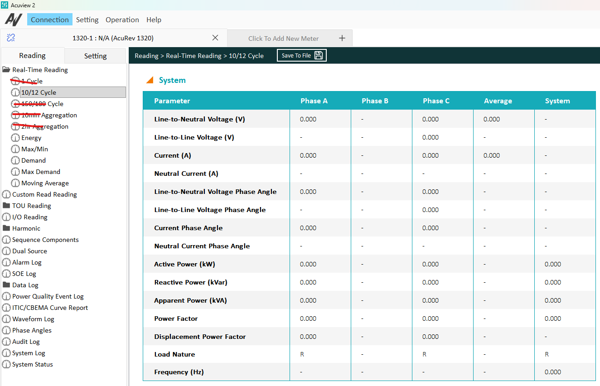
参数 | 周期
HS_20ms | 1 Cycle
200ms | 10、12 cycle
3S Aggregation | 150、180 cycle
10min Aggregation
2hr Aggregation

 |  | 1321只显示10/12 Cycle页面，相关参数只测试该页面 | 1322 5种聚合页面都显示，需测试全部页面
 |  | 隐藏页面对应的setting也要隐藏
 |  | Phase Angles放在Real-Time

Harmonics
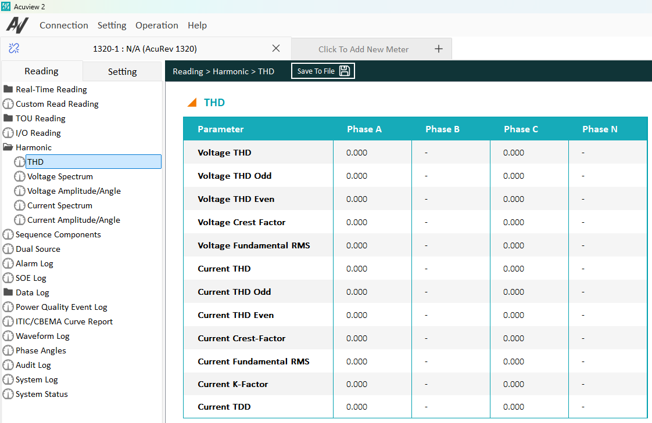

谐波的计算有四种：200ms，3s，10min，2h

1321只显示200ms计算的数据
1322可以显示四种聚合的谐波数据

Flicker_PQ Events_Waveform
Flicker：在Real-Time Reading页面，Pinst（150/180 cycle），Pst （10min Aggregation）， Plt （2hr Aggregation）

1321在Real-Time Reading页面只显示10/12 Cycle，不会显示Flicker，无需测试Flicker

1321需隐藏Power Quality Event Log页面、ITIC/CBEMA Curve Report页面、Waveform页面，无需测试PQ Event和Waveform功能

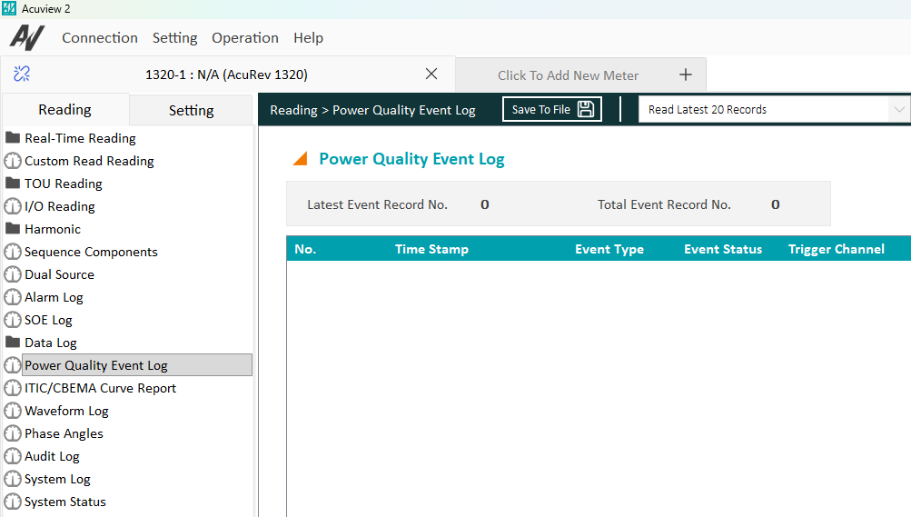
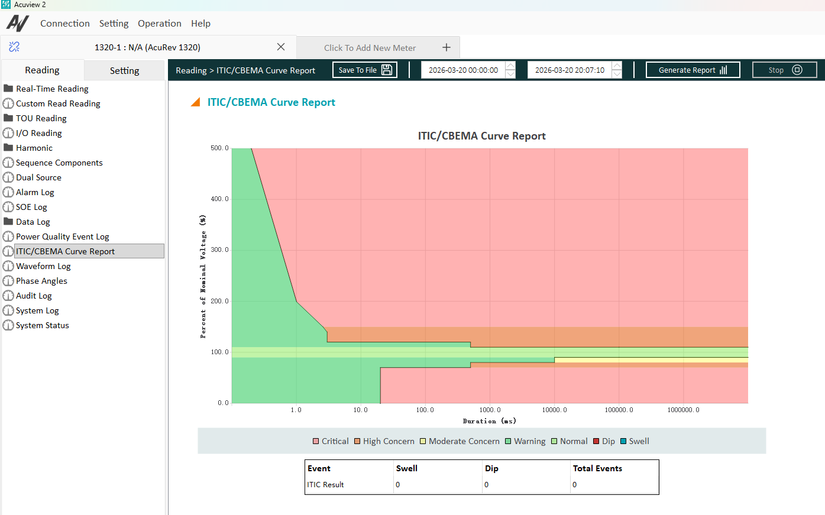

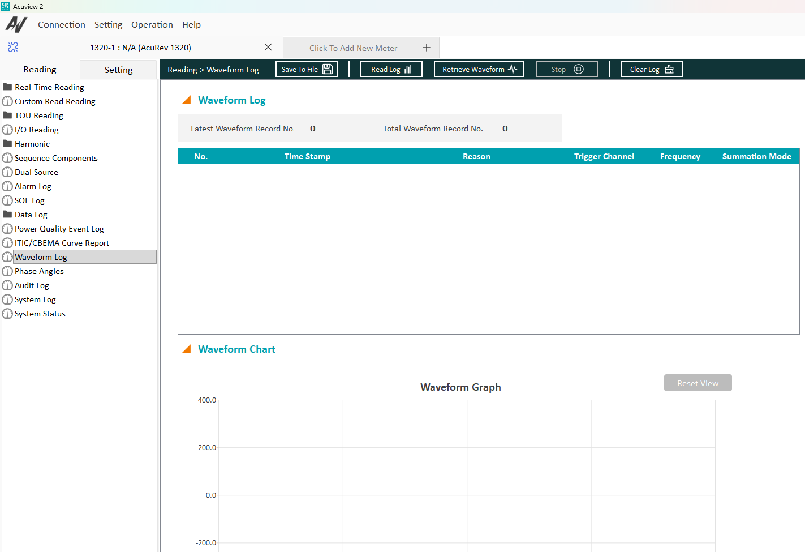

 | 隐藏页面对应的setting也要隐藏

