Arkusz1
 | 00 | 01 | 11 | 10 | S0 | 00 | 01 | 11 | 10 | S1 | 00 | 01 | 11 | 10 | S2 | 00 | 01 | 11 | 10
000 | 001 | 010 | 000 | 000 | 000 | 1 | 0 | 0 | 0 | 000 | 0 | 1 | 0 | 0 | 000 | 0 | 0 | 0 | 0
001 | 001 | 001 | 011 | 000 | 001 | x | x | x | 0 | 001 | 0 | 0 | 1 | 0 | 001 | 0 | 0 | 0 | 0
011 | x | 010 | 011 | x | 011 | x | 0 | x | x | 011 | x | x | x | x | 011 | x | 0 | 0 | x
010 | x | 010 | 110 | x | 010 | x | 0 | 0 | x | 010 | x | x | x | x | 010 | x | 0 | 1 | x
110 | x | 100 | 110 | x | 110 | x | 0 | 0 | x | 110 | x | 0 | x | x | 110 | x | x | x | x
111 | x | x | x | x | 111 | x | x | x | x | 111 | x | x | x | x | 111 | x | x | x | x
101 | 001 | 101 | 101 | 100 | 101 | x | x | x | 0 | 101 | 0 | 0 | 0 | 0 | 101 | 0 | x | x | x
100 | x | x | x | 000 | 100 | x | x | x | 0 | 100 | x | x | x | 0 | 100 | x | x | x | 0
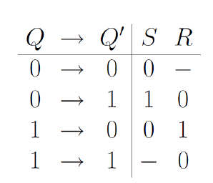

 |  |  |  |  | R0 | 00 | 01 | 11 | 10 | R1 | 00 | 01 | 11 | 10 | R2 | 00 | 01 | 11 | 10
 |  |  |  |  | 000 | 0 | x | x | x | 000 | x | 0 | x | x | 000 | x | x | x | x
 |  |  |  |  | 001 | 0 | 0 | 0 | 1 | 001 | x | x | 0 | x | 001 | x | x | x | x
 |  |  |  |  | 011 | x | 1 | 0 | x | 011 | x | 0 | 0 | x | 011 | x | x | x | x
 |  |  |  |  | 010 | x | x | x | x | 010 | x | 0 | 0 | x | 010 | x | x | 0 | x
 |  |  |  |  | 110 | x | x | x | x | 110 | x | 1 | 0 | x | 110 | x | 0 | 0 | x
 |  |  |  |  | 111 | x | x | x | x | 111 | x | x | x | x | 111 | x | x | x | x
 |  |  |  |  | 101 | 0 | 0 | 0 | 1 | 101 | x | x | x | x | 101 | 1 | 0 | 0 | 0
 |  |  |  |  | 100 | x | x | x | x | 100 | x | x | x | x | 100 | x | x | x | 1
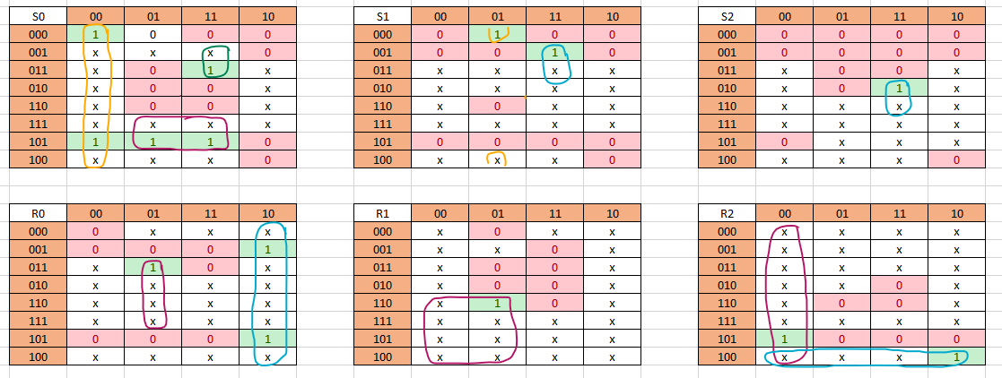
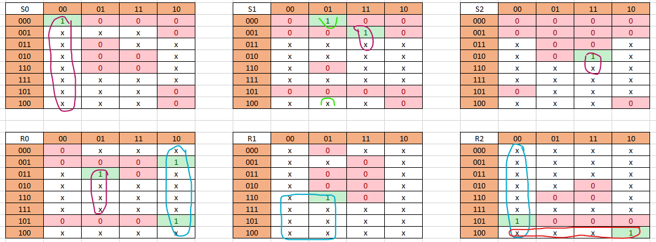

 |  |  |  |  | S0 = ~c~t |  |  |  |  | S1 = ~ct~Q1~Q0 + ct~Q2Q0 |  |  |  |  | S2 = ctQ1~Q0

 |  |  |  |  | R0 = c~t + ~ctQ1 |  |  |  |  | R1 = ~cQ2 |  |  |  |  | R2 = ~c~t + Q2~Q1~Q0

