Relational Schema
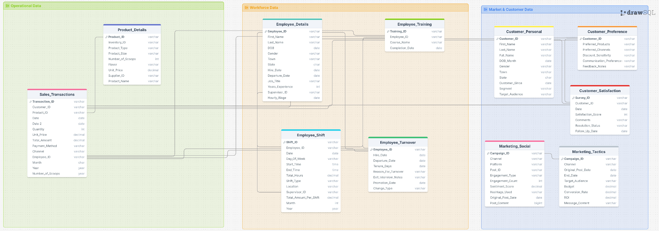

Created using Draw SQL, March 6, 2026. Select hyperlink to view document.

