Alarm 분류
* B&R Structure |  |  |  |  |  |  |  |  |  |  |  | * HMI Tag
 |  | Unit |  | Type |  | Category1 |  | Category2 | Tag |  | Description | Alarm Tag 규칙
Alarm | . | Common | . | HD[0..74] | . |  |  | MF | HD |  | Hardware Defendant Alarm | Unit_ItemTag_Category2
 |  |  |  |  | . | DI | . | DH | UD |  | User Defind Alarm | Examples | COM_PT102040_HH, NO2_2DI1_MF, NO3_TC106340_HH, NO4_TMBTO_FL
 |  |  |  |  |  |  | . | DL | HD | MF | Module Fault Alarm, Alerts when the HW module is not initialized/recognized | Expression | Description | Examples
 |  |  |  |  | . | AI | . | SF |  | AI | Analog Input | Alarm Unit
 |  |  |  |  |  |  | . | HH |  | DI | Digital Input | COM | Common | Com_*
 |  |  |  |  |  |  | . | HO | DI | DH | High Alarm, For the normal open(False) signal, alert when the signal is True | NO# | Individual, No1-8 | No1_*, No2_*, ... No8_*
 |  |  |  |  |  |  | . | LO |  | DL | AlIndivUD_typ | ItemTag
 |  |  |  |  |  |  | . | LL | AI | SF | Sensor Fault Alarm, Alert when the current falls below 3.2mA or exceed 20.16mA | ModuleTag_* | Module Fault Alarm | *_1CDI1_*, *_3AI2_*
 |  |  | . | UD[0] | . |  |  | ED |  | HH | High-High Alarm, Alert when the value exceed the High-High threshold | DITag | Digital Input | *_FSP00-301_*, *_1CDI1CH15_*
 |  |  |  |  | . |  |  | FL |  | HO | High Alarm, Alert when the value exceed the High threshold | AITag | Analog Input | *_PT102040_*, *_TC106340_*, *_3AI2CH3_*
 | . | No# | . | HD[0..157] | . |  |  | MF |  | LO | Low Alarm, Alert when the value falls below the Low threshold | ErrorTag | Error or Deviation Alarm | *_DFODEV_*
 |  |  |  |  | . | DI | . | DH |  | LL | Low-Low Alarm, Alert when the value falls below the Low-Low threshold | FlagTag | Alert when the flag is True | *_TMBTO_*
 |  |  |  |  |  |  | . | DL | UD | ED | Error or Deviation Alarm, Alerts when the error from the target value exceeds the threshold | Alarm Category2
 |  |  |  |  | . | AI | . | SF |  | FL | Alert when the flag is True, The Flags are processed and transmitted in Logic Level | MF | Module Fault Alarm | *_MF
 |  |  |  |  |  |  | . | HH |  |  |  | DH | (DI) High Alarm | *_DH
 |  |  |  |  |  |  | . | HO |  |  |  | DL | (DI) Low Alarm | *_DL
 |  |  |  |  |  |  | . | LO |  |  |  | SF | (AI) Sensor Fault Alarm | *_SF
 |  |  |  |  |  |  | . | LL |  |  |  | HH | (AI) High-High Alarm | *_HH
 |  |  | . | UD[0..18] | . |  |  | ED |  |  |  | HO | (AI) High Alarm | *_HO
 |  |  |  |  | . |  |  | FL |  |  |  | LO | (AI) Low Alarm | *_LO
 |  |  |  |  |  |  |  |  |  |  |  | LL | (AI) Low-Low Alarm | *_LL
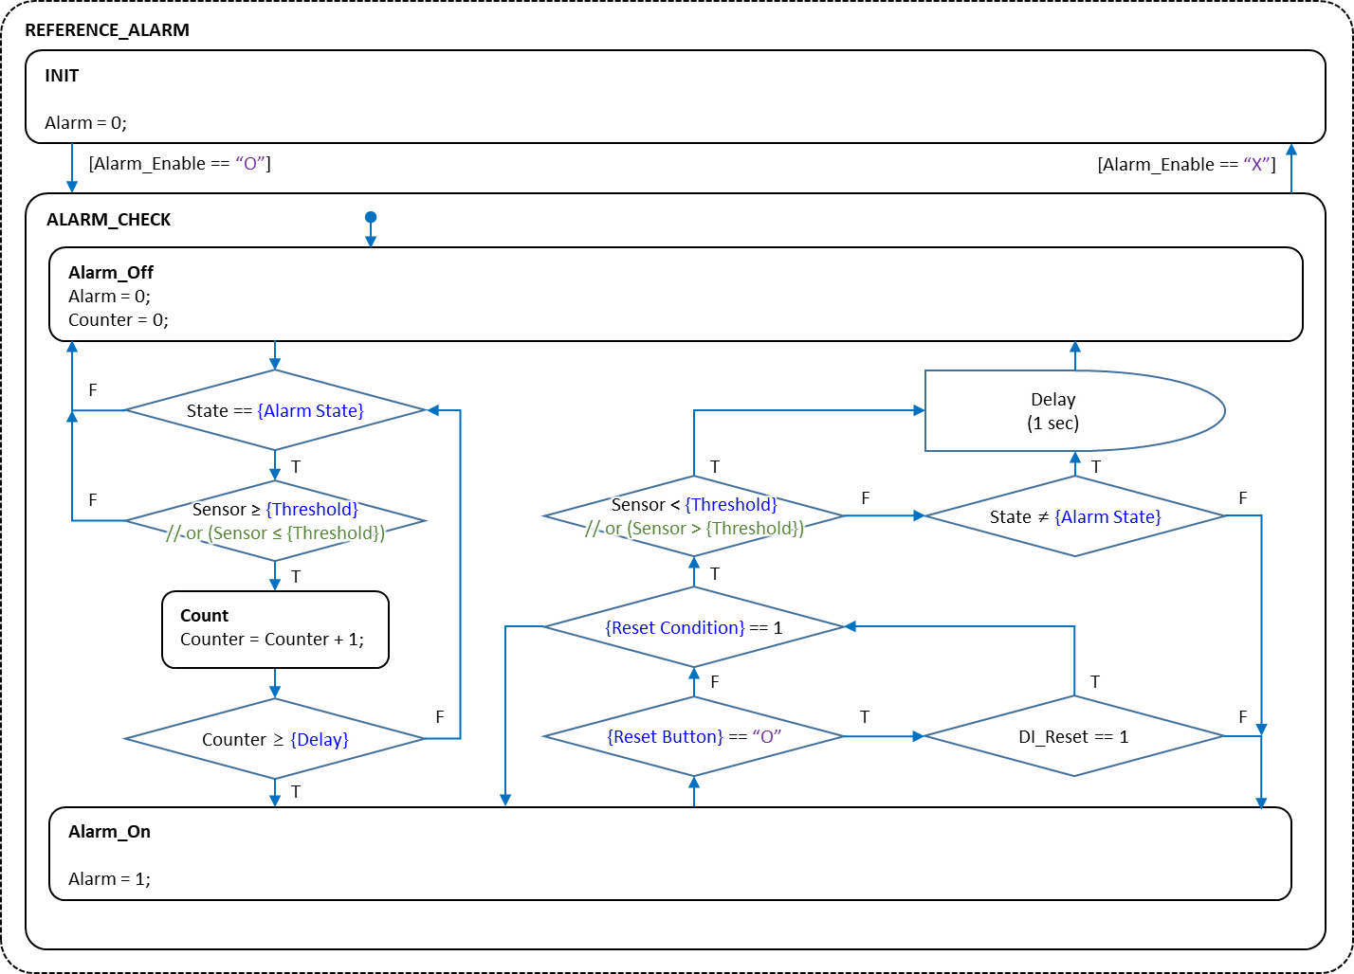
 |  |  |  |  |  |  |  |  |  |  |  | ED | Error or Deviation Alarm | *_ED
 |  |  |  |  |  |  |  |  |  |  |  | FL | Alert when the flag is True | *_FL

Dropdown Menu
Alarm Action |  | 선택
Disengage |  | O
MOCS Shutdown |  | X
Valve Shutdown
Standby pump changeover
Init

System Unit
Module
MOCS
FODS
FODSYard
SCR

