Graphs
Global Inhibition | Local Inhibition
 | 10 Actives Columns (Sparsity 1%) | 20 Actives Columns (Sparsity 2%) | 40 Actives Columns (Sparsity 4%) | 102 Actives Columns (Sparsity 10%)
104 | 0.022ms | 0.027ms | 0.027ms | 0.021ms
201 | 0.035ms | 0.037ms | 0.038ms | 0.038ms
400 | 0.061ms | 0.062ms | 0.064ms | 0.071ms
601 | 0.072ms | 0.073ms | 0.075ms | 0.077ms
900 | 0.100ms | 0.100ms | 0.107ms | 0.111ms
 | 10 Actives Columns (Sparsity 1%) | 20 Actives Columns (Sparsity 2%) | 40 Actives Columns (Sparsity 4%) | 102 Actives Columns (Sparsity 10%)
104 | 0.053ms | 0.074ms | 0.104ms | 0.184ms
201 | 0.087ms | 0.143ms | 0.222ms | 0.406ms
400 | 0.171ms | 0.262ms | 0.453ms | 0.859ms
601 | 0.263ms | 0.395ms | 0.635ms | 1.333ms
900 | 0.408ms | 0.603ms | 0.984ms | 2.077ms

Global VS Local (ms) | Global VS Local (Ratio)
40 Active Columns
 | 40 Actives Columns (Sparsity 4%)
 | Global Inhibition | Local Inhibition
104 | 0.027ms | 0.104ms
201 | 0.038ms | 0.222ms
400 | 0.064ms | 0.453ms
601 | 0.075ms | 0.635ms
900 | 0.107ms | 0.984ms
 | 104 | 201 | 400 | 601 | 900
 | 3.8102189781 | 5.8115183246 | 7.062305296 | 8.5067024129 | 9.1828358209

Tables


 |  | 10 Actives Columns (Sparsity 1%)
 | Preactive | 104 | 201 | 400 | 601 | 900 | preactive | preactive | preactive | preactive | preactive
Global Inhibition | Measure#1 | 0.021ms | 0.035ms | 0.062ms | 0.073ms | 0.099ms | 104 | 201 | 400 | 601 | 900
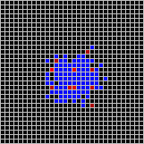
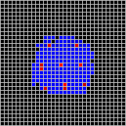
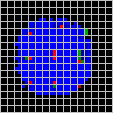
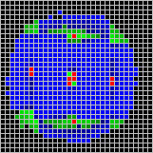
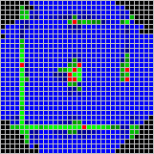
 | Measure#2 | 0.021ms | 0.035ms | 0.062ms | 0.072ms | 0.101ms
 | Measure#3 | 0.021ms | 0.035ms | 0.061ms | 0.072ms | 0.101ms
 | Measure#4 | 0.023ms | 0.034ms | 0.061ms | 0.072ms | 0.100ms
 | Measure#5 | 0.022ms | 0.034ms | 0.061ms | 0.073ms | 0.101ms
 | Average | 0.022ms | 0.035ms | 0.061ms | 0.072ms | 0.100ms

Local Inhibition | Measure#1 | 0.051ms | 0.086ms | 0.172ms | 0.273ms | 0.385ms
 | Measure#2 | 0.050ms | 0.087ms | 0.171ms | 0.249ms | 0.420ms
 | Measure#3 | 0.050ms | 0.088ms | 0.170ms | 0.275ms | 0.385ms
 | Measure#4 | 0.050ms | 0.089ms | 0.171ms | 0.250ms | 0.427ms
 | Measure#5 | 0.063ms | 0.086ms | 0.171ms | 0.267ms | 0.424ms
 | Average | 0.053ms | 0.087ms | 0.171ms | 0.263ms | 0.408ms

 |  | 20 Actives Columns (Sparsity 2%)
 | Preactive | 104 | 201 | 400 | 601 | 900
Global Inhibition | Measure#1 | 0.027ms | 0.037ms | 0.062ms | 0.074ms | 0.100ms
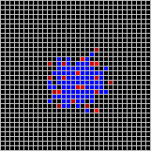
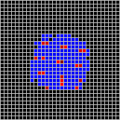
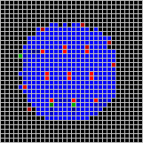
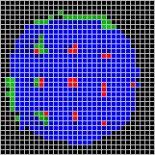
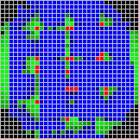
 | Measure#2 | 0.027ms | 0.036ms | 0.062ms | 0.073ms | 0.100ms
 | Measure#3 | 0.026ms | 0.037ms | 0.062ms | 0.073ms | 0.100ms
 | Measure#4 | 0.026ms | 0.037ms | 0.062ms | 0.073ms | 0.100ms
 | Measure#5 | 0.027ms | 0.037ms | 0.063ms | 0.074ms | 0.101ms
 | Average | 0.027ms | 0.037ms | 0.062ms | 0.073ms | 0.100ms

Local Inhibition | Measure#1 | 0.075ms | 0.143ms | 0.260ms | 0.392ms | 0.572ms
 | Measure#2 | 0.072ms | 0.143ms | 0.260ms | 0.395ms | 0.648ms
 | Measure#3 | 0.076ms | 0.144ms | 0.269ms | 0.395ms | 0.572ms
 | Measure#4 | 0.073ms | 0.144ms | 0.260ms | 0.394ms | 0.649ms
 | Measure#5 | 0.074ms | 0.143ms | 0.261ms | 0.397ms | 0.572ms
 | Average | 0.074ms | 0.143ms | 0.262ms | 0.395ms | 0.603ms

 |  | 40 Actives Columns (Sparsity 4%)
 | Preactive | 104 | 201 | 400 | 601 | 900
Global Inhibition | Measure#1 | 0.027ms | 0.038ms | 0.063ms | 0.074ms | 0.107ms
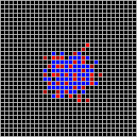
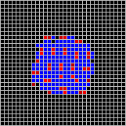
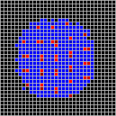
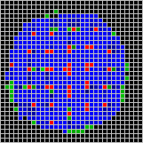
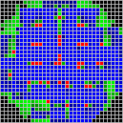
 | Measure#2 | 0.028ms | 0.040ms | 0.064ms | 0.075ms | 0.106ms
 | Measure#3 | 0.027ms | 0.037ms | 0.064ms | 0.074ms | 0.107ms
 | Measure#4 | 0.028ms | 0.038ms | 0.065ms | 0.074ms | 0.108ms
 | Measure#5 | 0.027ms | 0.038ms | 0.065ms | 0.076ms | 0.108ms
 | Average | 0.027ms | 0.038ms | 0.064ms | 0.075ms | 0.107ms

Local Inhibition | Measure#1 | 0.104ms | 0.222ms | 0.450ms | 0.629ms | 0.958ms
 | Measure#2 | 0.102ms | 0.221ms | 0.450ms | 0.655ms | 0.956ms
 | Measure#3 | 0.104ms | 0.222ms | 0.449ms | 0.632ms | 1.096ms
 | Measure#4 | 0.108ms | 0.223ms | 0.470ms | 0.629ms | 0.956ms
 | Measure#5 | 0.104ms | 0.222ms | 0.448ms | 0.628ms | 0.956ms
 | Average | 0.104ms | 0.222ms | 0.453ms | 0.635ms | 0.984ms

 |  | 102 Actives Columns (Sparsity 10%)
 | Preactive | 104 | 201 | 400 | 601 | 900
Global Inhibition | Measure#1 | 0.021ms | 0.038ms | 0.071ms | 0.076ms | 0.111ms
 | Measure#2 | 0.022ms | 0.037ms | 0.070ms | 0.077ms | 0.113ms
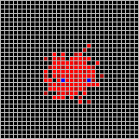
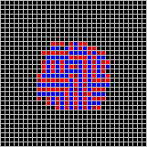
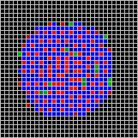
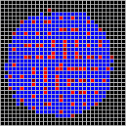
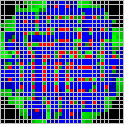
 | Measure#3 | 0.021ms | 0.037ms | 0.072ms | 0.078ms | 0.111ms
 | Measure#4 | 0.021ms | 0.038ms | 0.071ms | 0.077ms | 0.111ms
 | Measure#5 | 0.021ms | 0.038ms | 0.072ms | 0.077ms | 0.111ms
 | Average | 0.021ms | 0.038ms | 0.071ms | 0.077ms | 0.111ms

Local Inhibition | Measure#1 | 0.182ms | 0.407ms | 0.859ms | 1.396ms | 2.084ms
 | Measure#2 | 0.185ms | 0.404ms | 0.858ms | 1.246ms | 2.076ms
 | Measure#3 | 0.184ms | 0.404ms | 0.857ms | 1.391ms | 2.075ms
 | Measure#4 | 0.184ms | 0.407ms | 0.861ms | 1.240ms | 2.078ms
 | Measure#5 | 0.184ms | 0.408ms | 0.861ms | 1.393ms | 2.074ms
 | Average | 0.184ms | 0.406ms | 0.859ms | 1.333ms | 2.077ms

Input Image

Preactive 10 |  |  | Preactive 900

