Instructions
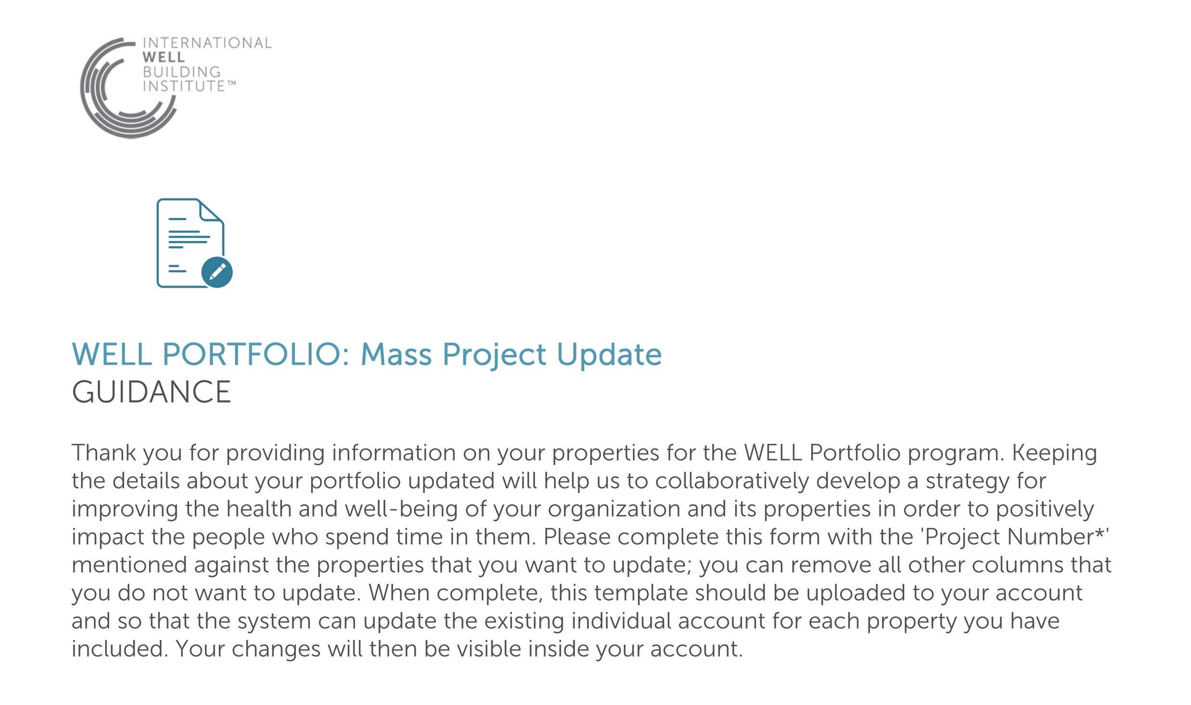

Document Instructions
Field | Details | Drop-down options (if applicable)
Project Number* | Unique identifier for your property in WELL Online. The property number remains same for a property throughout it's lifecycle
Project name | Name of the project, which may be the same as its address. This is how the project will be identified in WELL Online if you choose to make this project public.
Project address | Address of the project including: street address, city, state, postal code and country
Size (sq ft/sq meters) | Size of the project, which can exclude any parking areas, entered in your preference of square feet or square meters
Ownership type | Is the project primarily: leased by your organization (Tenancy), owned and occupied by your organization (Owner-occupied), or commercially available for lease or sale (For lease/sale)? | - Tenancy - Owner-occupied - For lease/sale
Space use type | What use type is the property primarily dedicated to? | A list of space use types is provided
Is this project public? | A public project has its name and size listed in the WELL project directory. | - Yes - This is a public project - No - This is a private project
Is the project targeting a WELL Precertification designation? | The WELL Design & Operations designation indicates that the project's proposed design, policies and initiatives are aligned with WELL’s requirements. | - Yes - No - Unsure
Is the project targeting WELL Certification? | WELL Certification indicates that a property has verified achievement of WELL's requirements. | - Yes - No - Unsure
If project is pursuing or has achieved any of the following building ratings, please select: | WELL aligns with leading green building rating systems and recognizes projects that balance a commitment to environmental sustainability with a commitment to human health. | - LEED - Green Star - BREEAM - LBC - Other - multiple building certification programs
Is the project undergoing construction or renovation? | Indicate if the project is currently or will undergo construction or major renovation in the next 5 years | - Yes - No - Unsure
What is the construction status? | Indicate if the project is already built and occupied (construction complete), in design or under construction. Projects that are not yet built and occupied may be included in a WELL Portfolio for coaching assistance, but do not contribute to the WELL Portfolio score until construction is complete. | - In design - Under construction - Construction complete
Estimated occupancy | Total potential occupancy of the project
If project is part of a fund, please provide the fund name | WELL Portfolios that contain properties owned by certain investment funds may qualify as a sub-portfolio if there are more than 10 listed in the same fund.

Owner Information
Please provide the details of the listed project's owner. If all properties are listed under the same ownership, please ensure the information is copied into all rows.

Owner name | First and last name of the project owner; this may be the same for every property in the portfolio.
Owner email | Email address of the project owner; this may be the same for every property in the portfolio.
Owner organization | Name of the owner's company or organization; this may be the same for every property in the portfolio.
Owner industry | Industry of the project owner; this may be the same for every property in the portfolio. | Select from drop-down here
Owner address | Address of the project including: street address, city, state, postal code and country

