BUG_001
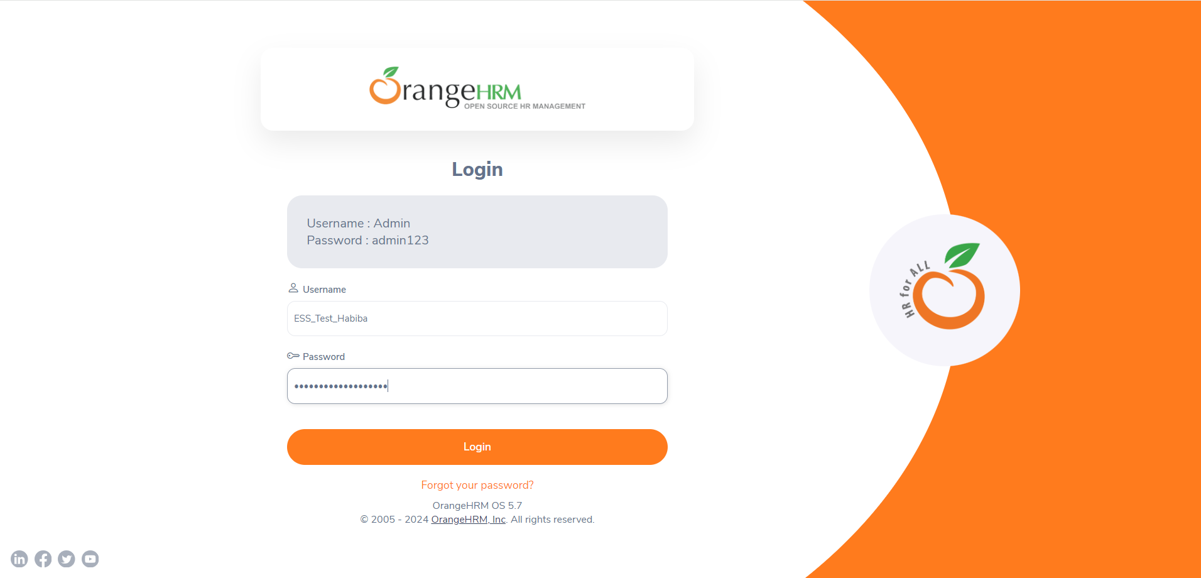
Category | Label | Value
Bug ID | ID number | BUG_002
 | Name | Dashboard appears when user logs in
 | Reporter | Habiba Yahya
 | Submit Date | 2024-06-09
 | TC ID | TC001
Bug overview | Summary | The dashboard page appears first thing when user logs in when it's required that the persnonal details page should appear
 | URL | https://opensource-demo.orangehrmlive.com/web/index.php/dashboard/index
 | Screenshot (Evidence) | N/A
Environment | Platform | DELL Precision
 | Operating System | Windows11
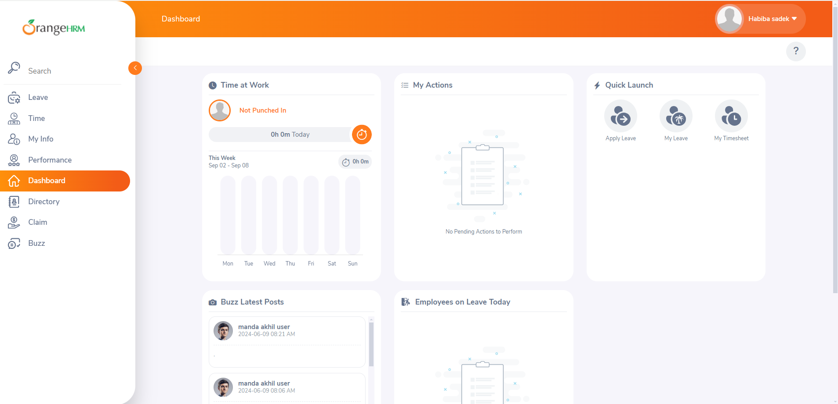
 | Browser | Chrome V10.1
Bug details | Steps to reproduce | 1-Navigate to website url "https://opensource-demo.orangehrmlive.com/web/index.php/auth/login" 2-Enter Valid Username "ESS_Test_Habiba" 3-Enter Valid Password "ESS_Test_Habiba1234" 4-Press on Login button
 | Expected result | Personal details page appears when user logs in
 | Actual result | Dashboard appears when user logs in
 | Description
Bug tracking | Severity (Critical - Major -Minor) | Minor
 | Assigned to | Developer
 | Priority(High - Medium - Low) | Medium
Notes | Notes

