BUG_001
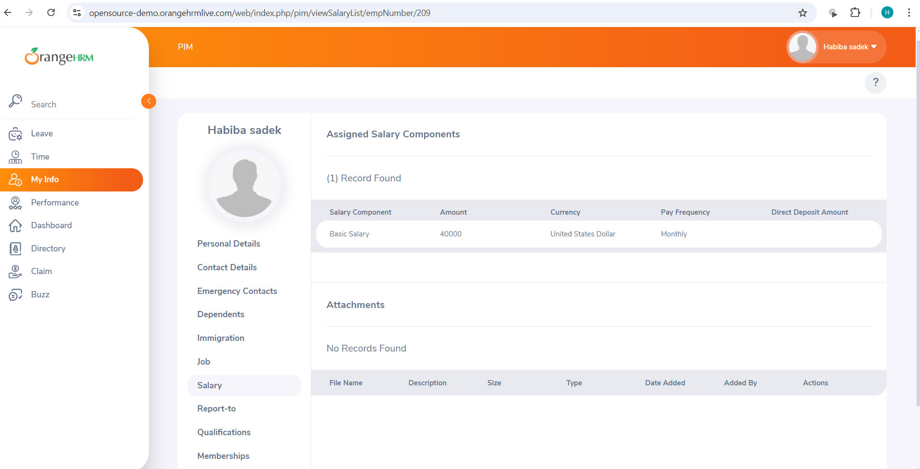
Category | Label | Value
Bug ID | ID number | BUG_003
 | Name | The salary information field isn't completely hidden from the ESS-User
 | Reporter | Habiba Yahya
 | Submit Date | 2024-06-09
 | TC ID | TC020
Bug overview | Summary | The salary information field and all the salary details (Salary Component - Pay Frequency -Currency - Amount - Comments - Direct Deposit Details) appear to the ESS-User
 | URL | https://opensource-demo.orangehrmlive.com/web/index.php/pim/viewSalaryList/empNumber/209
 | Screenshot (Evidence) | N/A
Environment | Platform | DELL Precision
 | Operating System | Windows11
 | Browser | Chrome V10.1
Bug details | Steps to reproduce | 1-Log in to the system with valid ESS user credentials. 2-Navigate to the "My Info" module. 3-Scroll through the employee's profile options to locate the Salary section. 4-Verify if the Salary tab is visible.
 | Expected result | The salary information field is completely hidden from the ESS-User
 | Actual result | The salary information field appears to the ESS-User
 | Description
Bug tracking | Severity (Critical - Major -Minor) | Major
 | Assigned to | Developer
 | Priority(High - Medium - Low) | Medium
Notes | Notes

