BUG_001
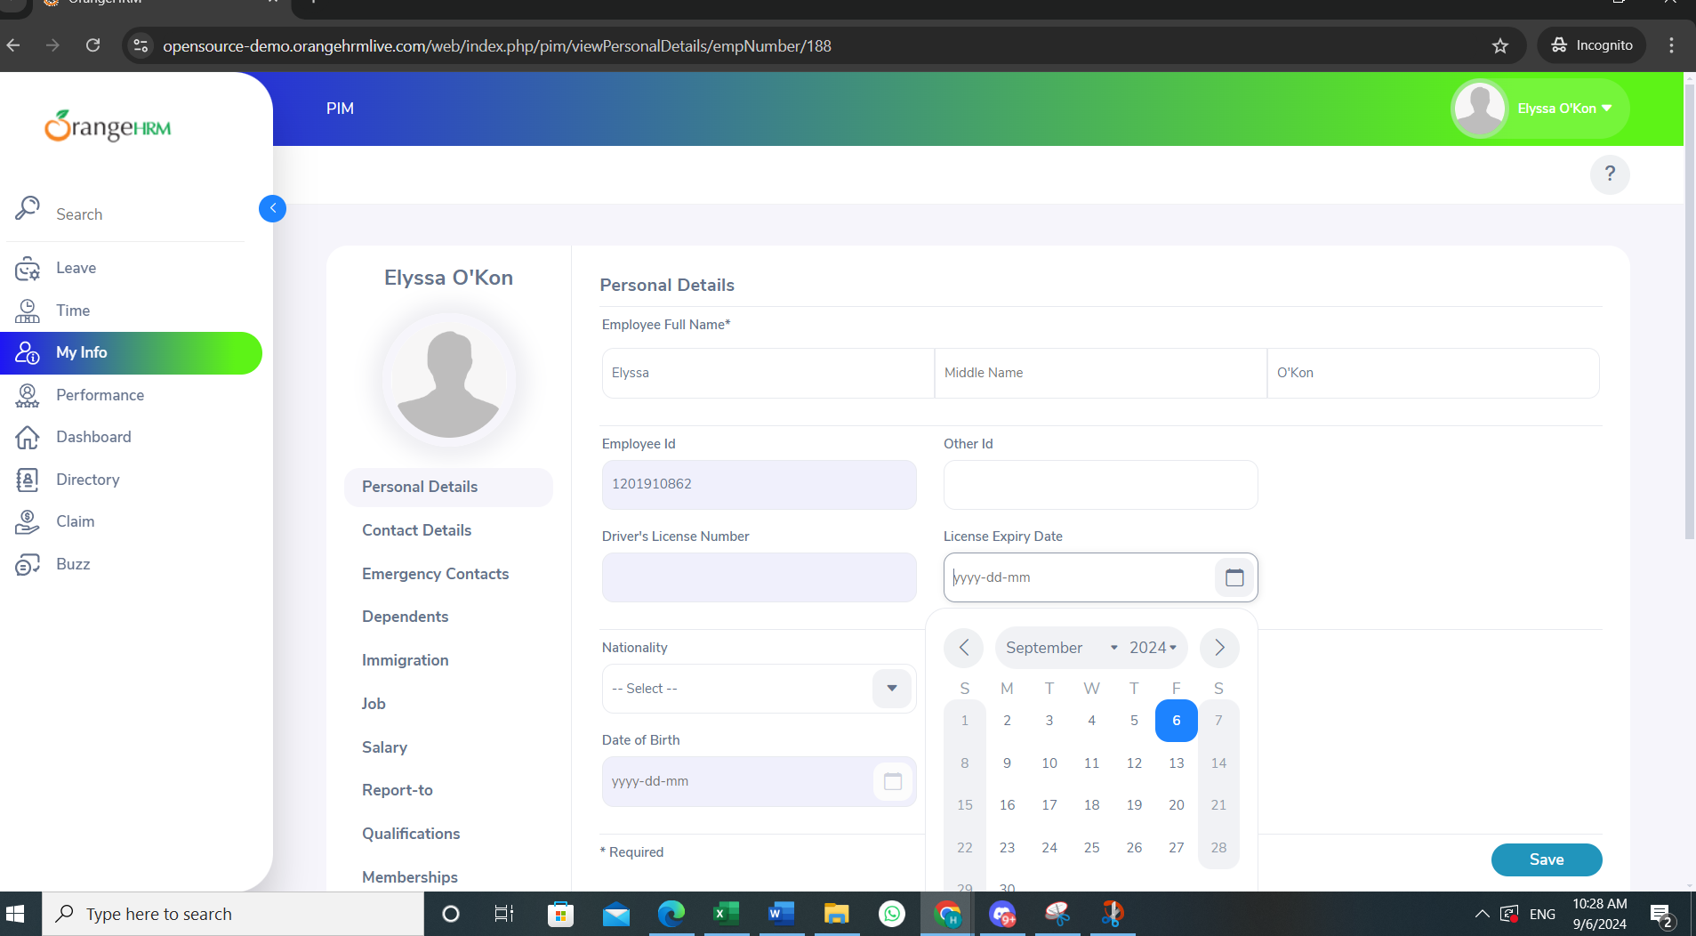
Category | Label | Value
Bug ID | ID number | BUG_003
 | Name | wrong driver's license expiry date range
 | Reporter | Habiba Yahya
 | Submit Date | 2024-06-09
 | TC ID | TC003
Bug overview | Summary | Expiry date range should be untill 2029 at least the range ends at year 2024 it should include more future years and also the page shifts automatically when the year list is pressed making the expiry date section disappear (usability defect)
 | URL | https://opensource-demo.orangehrmlive.com/web/index.php/auth/login
 | Screenshot (Evidence) | N/A
Environment | Platform | DELL Precision
 | Operating System | Windows11
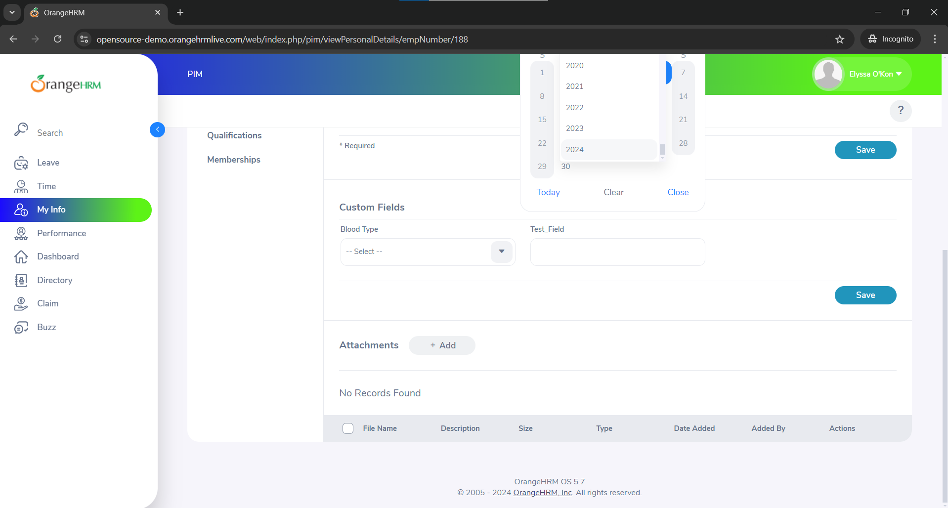
 | Browser | Chrome V10.1
Bug details | Steps to reproduce | 1-Enter First Name: Enter "John." 2-Enter Middle Name: Enter "A." 3-Enter Last Name: Enter "Doe." 4-Gender: Select "Male" from the options. 5-Marital Status: Select "Single" from the drop-down. 6-Nationality: Select "American" from the drop-down. 8-Enter nick name : "Jimmy" 9-Enter driver's license expiry date :"2/12/2024" 10-Enter millitary status : "Former service member" 11-Check the smoker field 12-Verify: Fields like Employee ID, SSN No, SIN No, Driver License No, and Date of Birth are not editable. Click "Save." 13-Verify: Changes are saved successfully and displayed correctly.
 | Expected result | Driver's license expiry date should view the next 5 years in it's range and the page shouldn't shift down hiding the expiry date section
 | Actual result | The range ends at 24 and the page shifts down automatically
 | Description
Bug tracking | Severity (Critical - Major -Minor) | Minor
 | Assigned to | Developer
 | Priority(High - Medium - Low) | low
Notes | Notes

