BUG_001
Category | Label | Value
Bug ID | ID number | BUG_004
 | Name | Contact details section accepts invalid data types
 | Reporter | Habiba Yahya
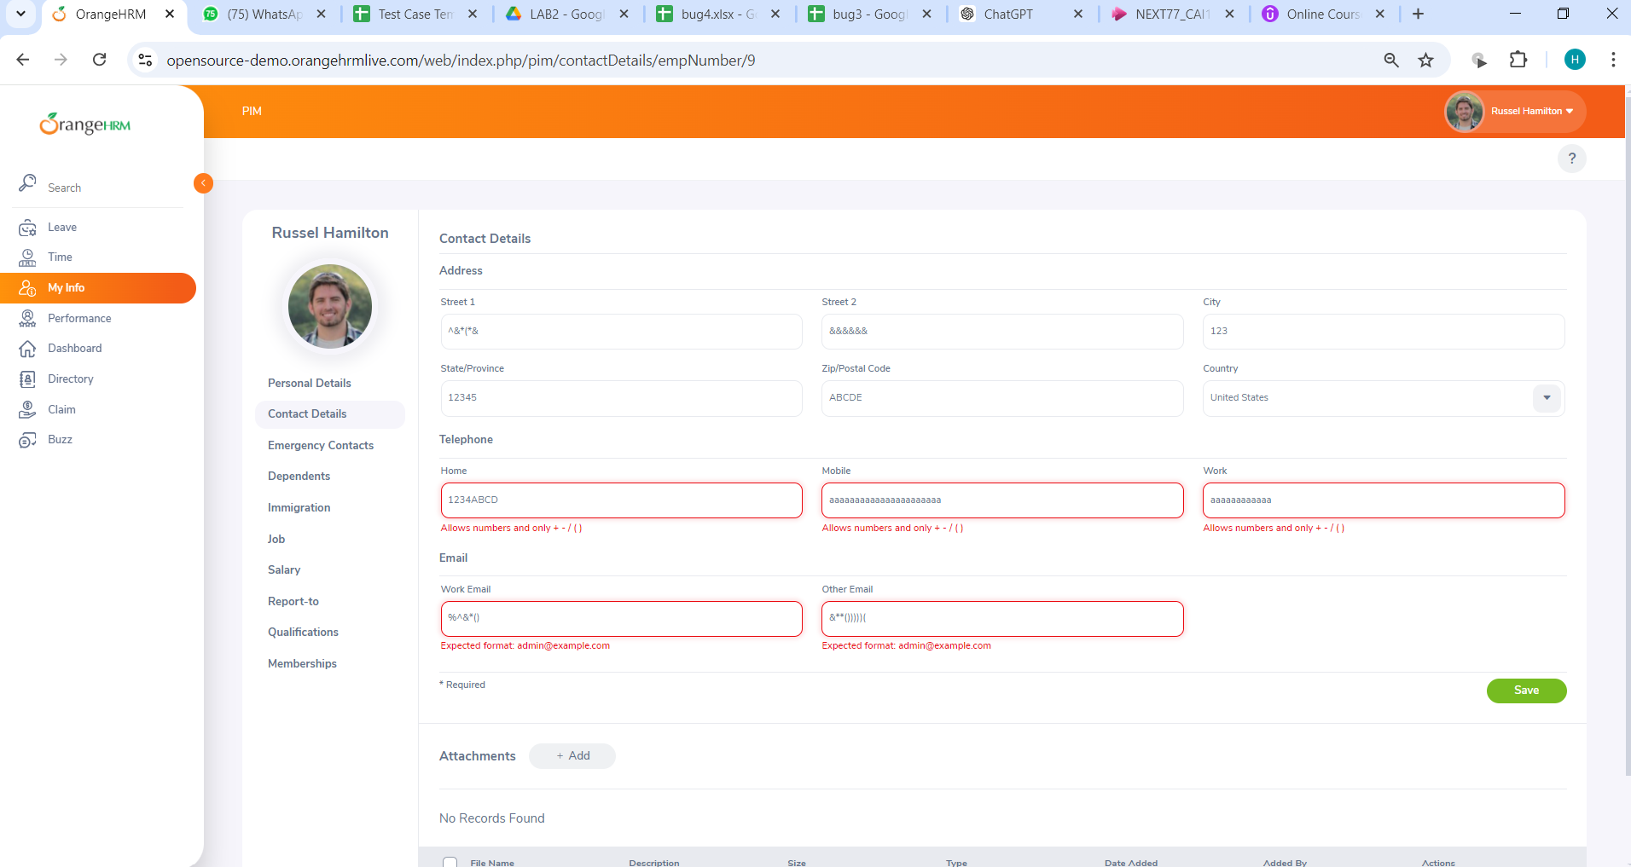
 | Submit Date | 2024-06-09
 | TC ID | TC_009
Bug overview | Summary | Contact details section accepts invalid data types (in street 1 ,street 2 ,country , state city and zip code sections)
 | URL | https://opensource-demo.orangehrmlive.com/web/index.php/auth/login
 | Screenshot (Evidence) | N/A
Environment | Platform | DELL Precision
 | Operating System | Windows11
 | Browser | Chrome V10.1
Bug details | Steps to reproduce | 1-Click on "Contact Details" under the Employee Details column. 2-Verify The "Contact Details" screen is displayed with editable fields. 3-Country: Select "United States" from the drop-down. 4-Street 1: Enter "^&*(*&" 5-Street 2: Enter "&&&&&&." 6-City/Town: Enter "Springfield." 7-State/Province: Select "California" from the drop-down. 8-ZIP Code: Enter "ABCDE." 9-Home Telephone: Enter "1234ABCD" 10-Mobile: Enter "aaaaaaaaaaaaaaaaa" 11-Work Telephone: Enter "aaaaaaaaaa." 12-Work Email: Enter "%^&*()" 13-Other Email: Enter "&**()))))(." 14-Click "Save." 15-verify an error message appears
 | Expected result | street 1 ,street 2 ,country , state city and zip code sections in contact details section should accept only valid data
 | Actual result | Contact details section accepts invalid data types (in street 1 ,street 2 ,country , state city and zip code sections)
 | Description
Bug tracking | Severity (Critical - Major -Minor) | Minor
 | Assigned to | Developer
 | Priority(High - Medium - Low) | Medium
Notes | Notes

