BUG_001
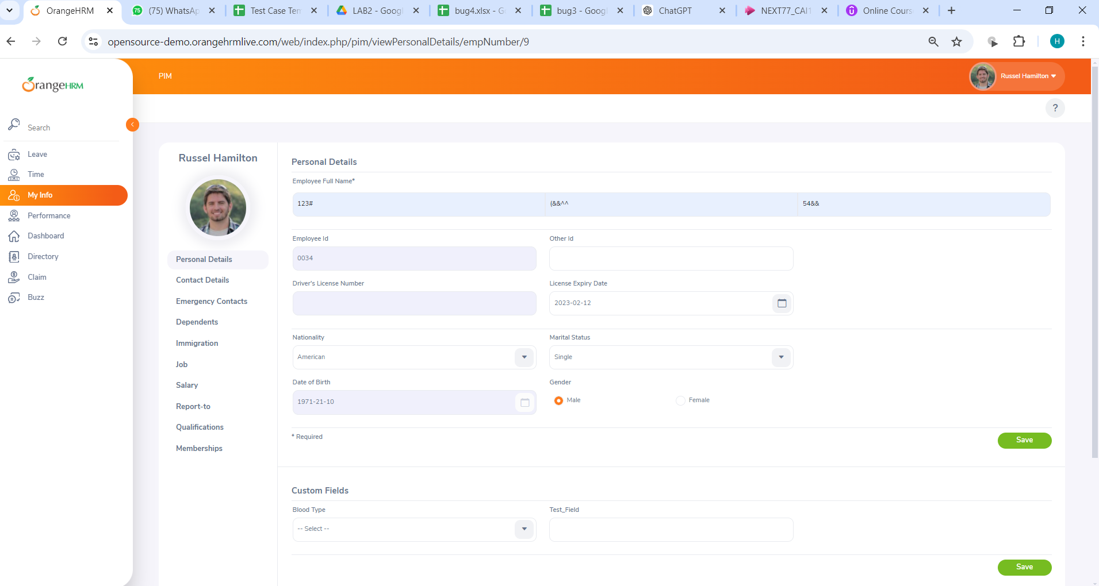
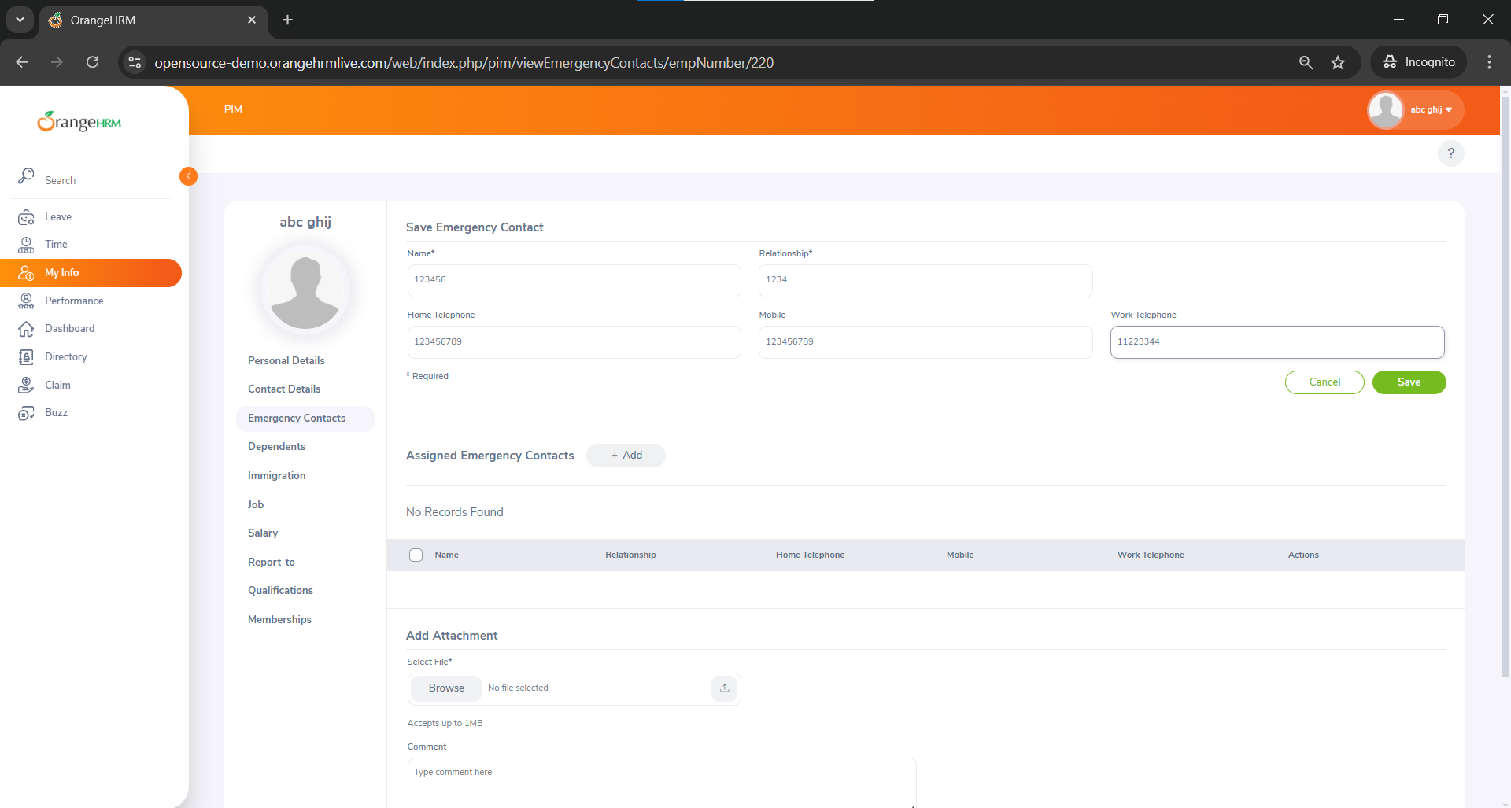
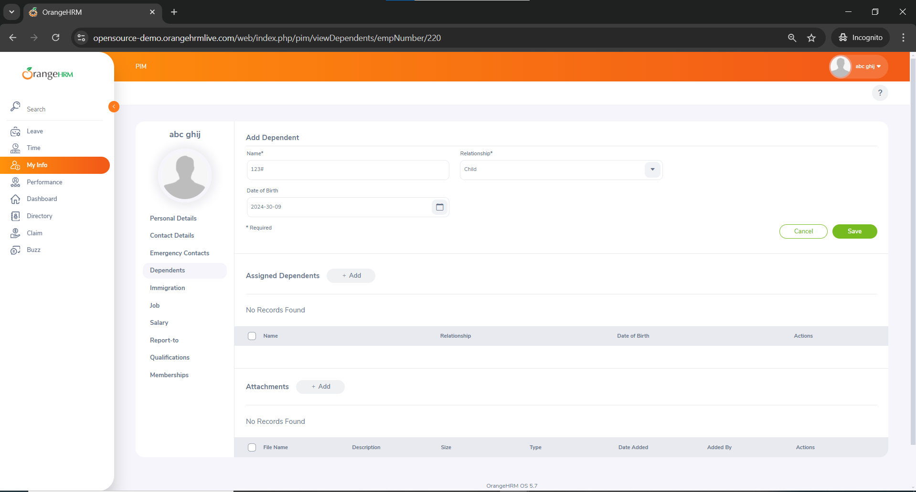
Category | Label | Value
Bug ID | ID number | BUG_004
 | Name | Personal details section accepts invalid data types
 | Reporter | Habiba Yahya
 | Submit Date | 2024-06-09
 | TC ID | TC_005
Bug overview | Summary | Personal details section,Emergency contact section (except phone number fileds) and dependat section fields accept invalid data types
 | URL | https://opensource-demo.orangehrmlive.com/web/index.php/auth/login
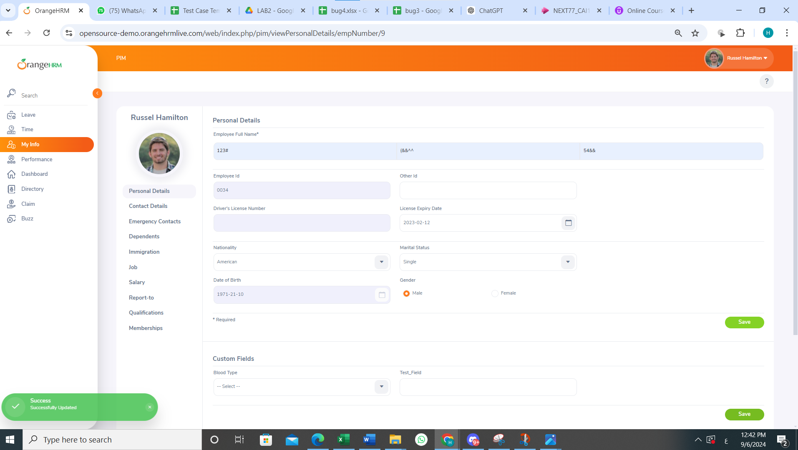
 | Screenshot (Evidence) | N/A
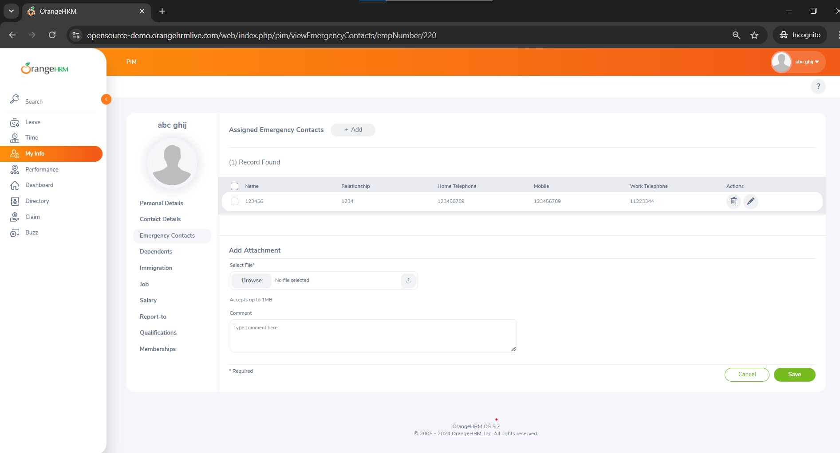
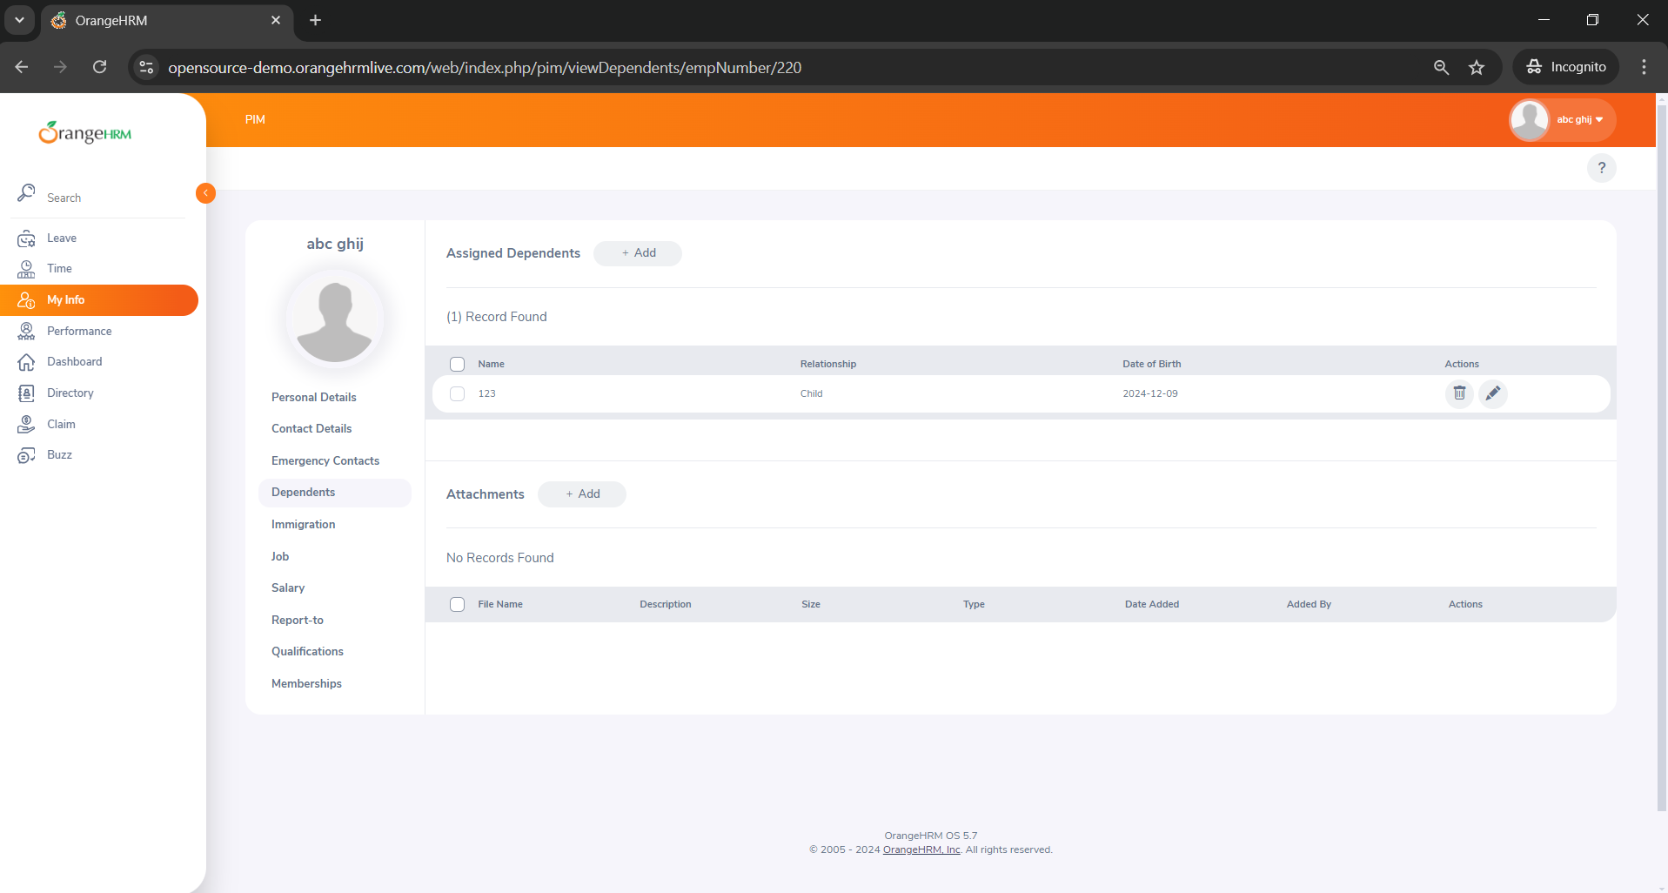
Environment | Platform | DELL Precision
 | Operating System | Windows11
 | Browser | Chrome V10.1
Bug details | Steps to reproduce | 1-Enter invalid First Name: Enter "123#." 2-Enter invalid Middle Name: Enter "(&&^^." 3-Enter invalid Last Name: Enter "54&&." 4-Gender: Select "Male" from the options. 5-Marital Status: Select "Single" from the drop-down. 6-Nationality: Select "American" from the drop-down. 8-Enter invalid nick name : "1111" 9-Enter invalid driver's license expiry in the past :"2/12/2023" 10-Enter invalid millitary status : "&%^&(" 11-Click "Save." 13-Verify that an error message appears and the changes are not saved
 | Expected result | Personal details section,Emergency contact section (except phone number fileds) and dependat section fields should only accept valid data types
 | Actual result | Personal details section,Emergency contact section (except phone number fileds) and dependat section fields accept invalid data types
 | Description
Bug tracking | Severity (Critical - Major -Minor) | Minor
 | Assigned to | Developer
 | Priority(High - Medium - Low) | Medium
Notes | Notes

