Tabelle1
 |  |  |  |  | https://en.wikipedia.org/wiki/Ziegler%E2%80%93Nichols_method
Step-by-step Procedure:
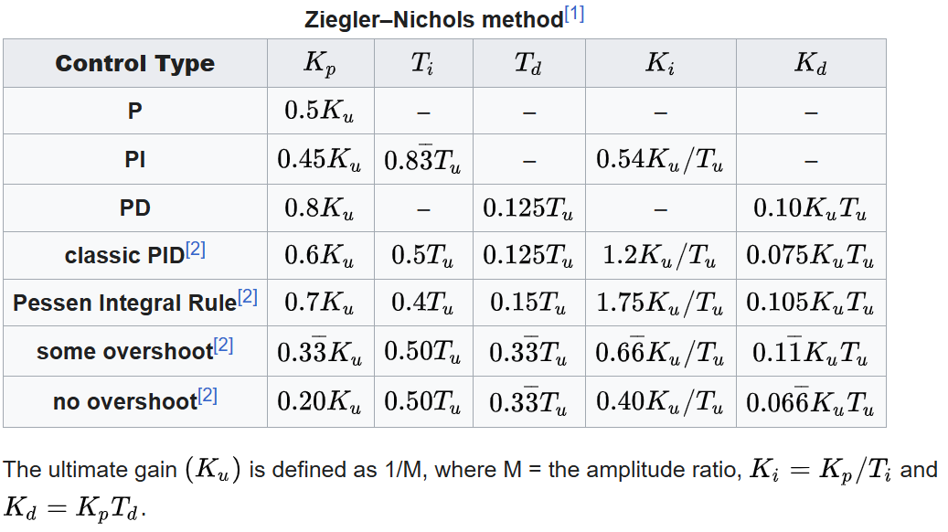
1. Set the controller to P-only mode:
Temporarily disable the integral (I) and derivative (D) terms by setting KI=0I and KD=0

2. Increase the proportional gain Kp
Gradually increase Kp until the system output exhibits sustained oscillations. This is the ultimate gain Ku

3. Measure the oscillation period Tu
Record the time between successive peaks of the oscillation — this is the ultimate period.

4. Apply Ziegler–Nichols tuning rules:

ultimate gain | Ku | 1750.000015 | Kriterium "sustained oscillations"
ultimate period | Tu | 0.4 | seconds

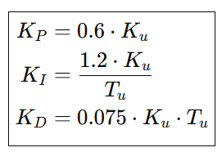
Classic PID
 | KP | 1050.000009 |  | 1000
 | KI | 5250.000045 |  | 3740
 | KD | 52.50000045 |  | 48

no overshoot
 | KP | 350.000003
 | KI | 1750.000015
 | KD | 46.6200004

