Laboratorium Biomedik 2
PT. Deltasindo Global Scientific

No | Nama Alat | Spesifikasi | Brand | Tipe | Satuan | Volume | Harga Satuan | Jumlah | Link E-Catalog
1 | 2 | 3 | 4 | 5 | 6 | 7 | 8 | 9 | 10

1 | 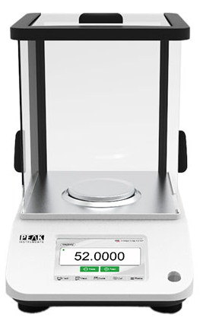 Timbangan Analitik | Capacity : 300 gr Readability : 0.01 mg Pan Size : 85 mm Calibration : External Stabilization Time : ≤ 4 second Material : Aluminium aloy body and SS platform with clear glass wind shield Assembled Dimensions : 360 x 220 x 320 mm USB interface Electromagnetic sensor technology | Peak Instruments | TA3004 | Unit | 1 | Rp35,000,000 | Rp35,000,000
2 | 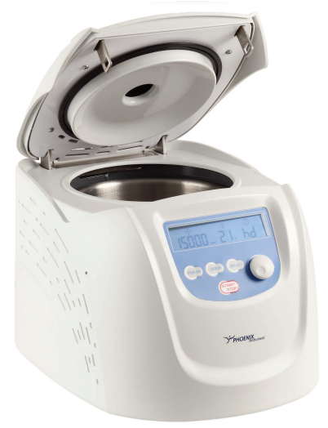 Centrifuge (Refrigerated Centrifuge) | Speed : 500 - 15000 rpm in 10 rpm steps Max. RCF : 21380 g Temperature : - 20 ~ 40°C Rotor Capcity : 18 x 5 ml or 24 x 2 ml or 36 x 0,5 ml Dimension (cm) : 28 x 36 x 27 Weight : 30 kg Self diagnostic, control of speed and temperature CFC-free refrigerant Included : Rotor with lid, Adapter, Installation and Training | Phoenix Instrument | CD-3024R | Unit | 1 | Rp172,800,000 | Rp172,800,000 | https://e-katalog.lkpp.go.id/katalog/produk/detail/52592134?lang=id&type=general
3 | 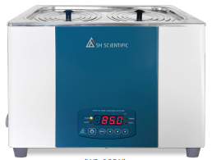 Water Bath | Temperature Range : Ambient + 5 - 99°C Temp Controller : Digital PID Controller Ring Cover Lid Type : 6 holes in 2 row Capacity : 19.3 liter Dimension External (W × D × H) : 505 x 345 x 280 mm Net Weight : 8.5 kg Material Internal : Stainless Steel Material External : Steel Plate With Powder Heating Coated Heater Capacity : 1200 W Drain Valve : Yes | SH Scientific | SH-WB-22GDN | Unit | 1 | Rp17,695,000 | Rp17,695,000 | https://e-katalog.lkpp.go.id/katalog/produk/detail/2741998?lang=id&type=general
4 | 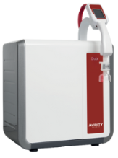 Destilasi Air Suling (Water Purification System) | Type 2 and Type 1 water quality from one unit Mount on-bench, under-bench or on the wall Continuous TOC monitoring • TYPE 2 : Make up rate : 10 liter/hr DI Quality : 15 MΩ·cm • TYPE 1 : Water Quality : > 18.2 MΩ·cm Dispense Flow rate : ≥ 2 L/min Bacteria : < 0.01 CFU/ml TOC : < 5 ppb Endotoxins : < 0.001 EU/mL RNASE : < 1 pg/mL DNASE : < 5 pg/mL Protease : < 0.15 μg/mL | Avidity Science | DUO II.I | Paket | 1 | Rp216,000,000 | Rp216,000,000
5 | 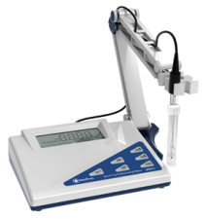 pH Meter Benchtop | Hold Display function, automatically lock reading when a stable reading is established Measuring Range (pH) : 0 - 14 Resolution (pH) : 0.01 Accuracy (pH) : ± 0.02 Operating Temperature : 5 - 40°C Storage Temperature : - 20 ~ 60°C Calibration Points : 5 point selectable Dimensions : 217 x 168 x 585 mm Operating Voltage : 9 to 12V DC, min 650 mA | Wiggens | pH610 | Paket | 1 | Rp15,671,040 | Rp15,671,040 | https://e-katalog.lkpp.go.id/katalog/produk/detail/53306167?lang=id&type=general
6 | Lemari Asam with Scrubber | Reduce CO₂ emissions by 38%, reduce power consumption by 62% (performance certified) Blog operations indicator lamp (Green) and sound alarm Dimension External (W × D × H) : 900 x 800 x 2350 mm Structure : AL. Profile Exterior and Interior : Phenolic Laminat (excellent chemical resistance) Sash : Tempered safety glass 5.0T / Transparent clear Lamp : LED Electrical Supply : External socket, 110/220V. 60Hz Included : Fan motor and Scrubber | SH Scientific | SH-HD-900UP | Paket | 1 | Rp175,000,000 | Rp175,000,000
7 | 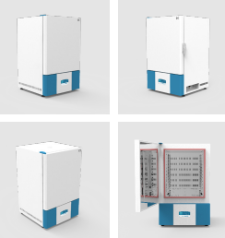 Digital Drying Oven | Door open alarm Over temperature alarm High temp limit controller Temp : Ambient + 10 - 350°C Capacity : 150 Liter Weight : 95 kg External Dimension : 694 x 683 x 1110 mm Temp & Time controller : Microprocess PID Membrane Touch Digital controller Material Internal : Stainless Steel Material External : Steel Plate With Powder Heating Coated Heater Capacity : 3000 Watt Included : 2 supplied shelves | SH Scientific | SH-DO-150FH | Unit | 1 | Rp72,105,600 | Rp72,105,600
8 | 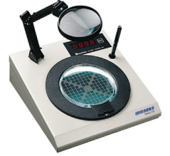 Colony Counter | Pressure sensor allows the use of any marking pen, without the contamination of the sample Petri Dish Diameter : 60 mm, 90 - 150 mm Adjustable Magnification : 2 - 3 Times Zero Reset : Yes Display : 4-Digit Bright Red 0.6'' LED Display Illumination : Ring-Shaped Lamp Dimensions (W x L x H in mm) : 313 x 360 x 346 Weight : 5.2 kg Included : Marking pen set | Wiggens | Galaxy 230 | Unit | 1 | Rp38,724,000 | Rp38,724,000 | https://e-katalog.lkpp.go.id/katalog/produk/detail/52330799?lang=id&type=general
9 | 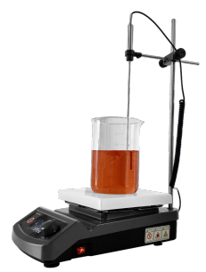 Hot Plate Stirrer | Anti step out function : Detached magnet detection during operation and "Auto recovery function" from when magnetic bar failure in stirring High safety : Over-Heat, Over-Load, Over Current Protection to secure the safety of products and sample Plate size : 180 x 180 mm Material body : Ceramic Coated Aluminum Material Plate : Powder Coated Aluminum Heating temperature : Max. 400°C Temperature accuracy : ± 0.3°C Temperature resolution display : 0.1°C Temperature resolution control : 0.5°C Stirrer speed range : 80 - 1500 rpm Maximum stirring volume (H₂O) : 20 Liter Maximum magnetic stirrer bar : 50 mm Power consumption : 650 Watt Weight : 4.6 kg Included : External Temp. Probe-set, stand & clamp set | SH Scientific | SH-HSD-Set | Paket | 1 | Rp22,045,386 | Rp22,045,386 | https://e-katalog.lkpp.go.id/katalog/produk/detail/2660648?lang=id&type=general
10 | 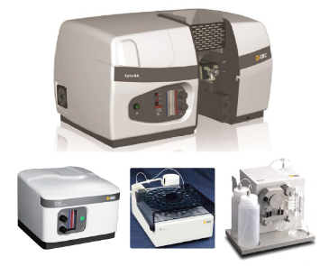 Atomic Absorption Spectrometer (AAS) | Atomisation System : Flame - Hydride and Graphite Furnace Optic : Double beam Lamp : 6 Lamp Turret Slitwidth/Bandwidth : Continuously adjustable 0.1 to 2.0 nm spectral bandwidth with 0.1 nm increments (Choice of 20 steps slit width) Wavelength Range : 175 - 900 nm Background Correction : HYPER-PULSE background correction. The intensity deuterium arc lamp provides a 175 - 425 correction range GUARANTEE Sensitivity : > 0.8 abs for 5mg/L copper solution with an RSD of less than 0.45% on the same measurement | GBC Scientific | Complete Package XplorAA + SYSTEM5000 Graphite Furnace + PAL3000 Autosampler + HG3000 Hydride Generator System | Paket | 1 | Rp1,319,000,000 | Rp1,319,000,000 | https://e-katalog.lkpp.go.id/katalog/produk/detail/52065579?lang=id&type=general
Jumlah |  |  |  |  |  |  |  | Rp2,084,041,026

Laboratorium Biomedik 3
PT. Deltasindo Global Scientific

No | Nama Alat | Spesifikasi | Brand | Tipe | Satuan | Volume | Harga Satuan | Jumlah | Link E-Catalog
1 | 2 | 3 | 4 | 5 | 6 | 7 | 8 | 9 | 10

1 | 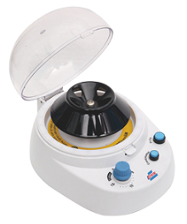 Mini Centrifuge | Automatical locking mechanism for safe operation Rotating Speed : Switchable dual speeds 6000 - 9200 rpm Rotor/RCF : 5 ml (2414 g / 5677 g) ; 1.5 ml (2012 g / 4731 g) ; 0.2 ml (1509 g / 3549 g) Noise Level : ≤ 60dB Safety Features : Stop at Opening Operation : Touch control or continuous or timer (0 - 15 minute) Dimension External (W x D x H) : 187 x 240 x 139 mm Ambient : 5 - 40°C Weight : 1.8 kg | SH Scientific | MLX-200F | Unit | 1 | Rp23,476,800 | Rp23,476,800 | https://e-katalog.lkpp.go.id/katalog/produk/detail/52622400?lang=id&type=general
2 | 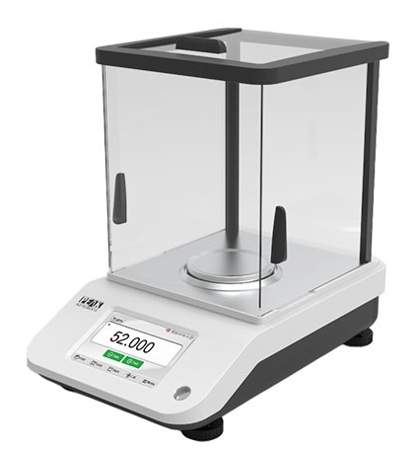 Timbangan Digital | Capacity : 500 gr Readability : 0.1 mg Pan Size : 130 mm Calibration : External Stabilization Time : ≤ 4 second Material : Aluminium aloy body and SS platform with clear glass wind shield Assembled Dimensions : 360 x 220 x 320 mm USB interface Electromagnetic sensor technology | Peak Instruments | TE5003 | Unit | 1 | Rp30,500,000 | Rp30,500,000
3 | 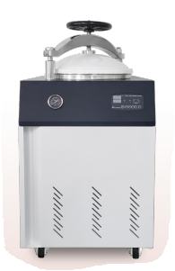 Autoclave | Water level sensor Over temperature alarm Safe Door Opening Mechanism Temp Range : Max. 134°C Capacity : 100 liter Using Press : 0,12 MPa Material External : Steel Plate with Powder Heating Coated Temperature Controller : Microprocessor Digital PID Controller Pressure Gauge : Mechanical type 0 to 0.4 MPa Dimension External (W × D × H) : 600 x 780 x 1183 mm Net Weight : 140 kg Material Internal : Stainless Steel Heater : 5 KW Included : 2 pcs wire basket | SH Scientific | SH-AC-100M | Unit | 1 | Rp122,803,000 | Rp122,803,000 | https://e-katalog.lkpp.go.id/katalog/produk/detail/2801238?lang=id&type=general
4 | 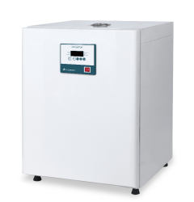 Incubator | Temp Range : Ambient +5 - 70°C Temp Accuracy and Stability : ± 0,1°C Temp Control : Microprocessor PID Controller Capacity : 150 liter Over temperature alarm Inner glass door Dimension External (L × W x H) : 630 x 630 x 850 mm Weight : 47 kg Material Internal : Stainless Steel Material External : Steel Plate with Powder Heating Coated Heater : 400 Watt Included : 2 pcs Movable Cr Coated Wire Shelves | SH Scientific | SH-CH-150G | Unit | 1 | Rp40,092,000 | Rp40,092,000 | https://e-katalog.lkpp.go.id/katalog/produk/detail/2739429?lang=id&type=general
5 | 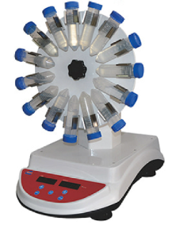 Rotator | High Profile Tube Rotator Suitbale for refrigerator and incubator Adjustable speed provides gentle or vigorous mixing action Audible and visual alarm : In timed mode, alarm will sound 5 times and then the time window shows “End”and flicker 5 times when the time reaches zero, then alarm stops Speed Range : 5 - 80 rpm Speed Accuracy : ± 1 rpm Temperature Range : 5 - 40°C Tilt Angle : 95° - 180° Six steps : 95°,112°, 129°, 146°, 163°, 180° Dimension External (W × D × H) : 440 x 296 x 466 mm Carousel Diameter : 15 x 50 ml Tube carousel Diameter : φ 290 mm Max. Power : 8 Watt Weight : 8.1 kg Protection Level : IP21 | SH Scientific | TR-05U | Unit | 1 | Rp32,383,200 | Rp32,383,200 | https://e-katalog.lkpp.go.id/katalog/produk/detail/52609934?lang=id&type=general
6 | 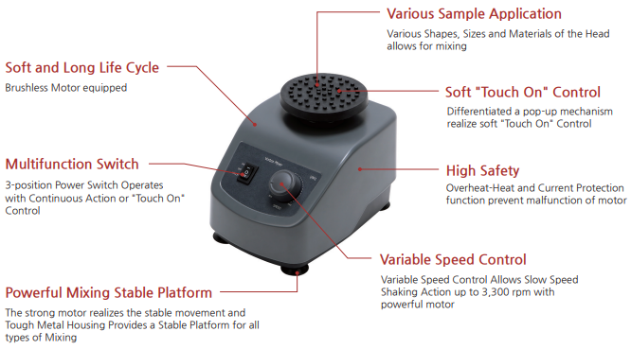 Vortex | Type of movement : Orbital Speed Range : 0 to 3,300 rpm Operating Modes : Touch or continuous Application Container / Number : Hand holding : any micro tube or conical tube Fixed holding (Micro tube Platform Head) : 0.5/1.5/2.0 ml micro tube x 12 each Safety Devices : Overheat-Heat and Current Protection function Speed Control : Stepless Construction Material : Powder Coated Aluminum Max. Load & Power : 0.5 Kg, 30 W Dimensions (W x D x H) & Net Weight : 131 x 185 x 125 mm / 2.64 KG | SH Scientific | SH-VM1 | Unit | 1 | Rp16,000,000 | Rp16,000,000
7 | Micropipet | Sterile handling - fully autoclavable pipette (by steam at 121°C / 15 min) Meets following standards: DIN EN ISO 8655-1 | DIN EN ISO 8655-2 | DIN EN ISO 8655-6 | EU Directive 98/79/EG Volume : 0.1 - 2.5 µL | 0.5 - 10 µL | 2 - 20 µL | 5 - 50 µL | 10 - 100 µL | 20 - 200 µL | 50 - 200 µL | 100 - 1000 µL | 200 - 1000 µL | 0.5 - 5 mL | AHN from SH Scientific | Manual Single Channel | Paket | 10 | Rp5,000,000 | Rp50,000,000
8 | 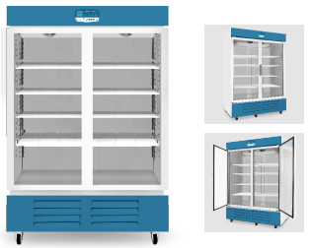 Cold Lab Chamber (Kulkas 8 Derajat) | Over temperature alarm Stable temperature control Door open alarm Super cool down Air Circulation Type : Forced Temperature Range : 0 - 10°C Temperature Accuracy & Stability : ± 0.1°C Temperature Control : Microprocessor PID Controller Capacity : 1200 liter Dimension Internal (W × D × H) : 1330 x 720 x 1380 mm Dimension External (W × D × H) : 1420 x 855 x 2092 mm Weight : 220 kg Material Internal : Stainless Steel Material External : Steel Plate with Powder Heating Coated Refrigerator Compressor : 3/4 HP Included : 8 pcs Movable Epoxy Coated Wire Shelves | SH Scientific | SH-CH-1200R | Unit | 1 | Rp106,500,000 | Rp106,500,000
Jumlah |  |  |  |  |  |  |  | Rp421,755,000

