Sheet1
image | gtin | price | d_check | h_check | link | osm_id | file
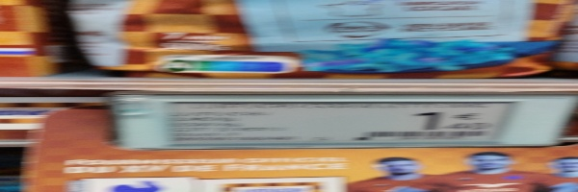 |  | None | FALSE | FALSE | http://res.cloudinary.com/dinsxzuha/image/upload/v1711015819/n8mpfax2vntmkjdd0ibk.jpg | 134018219 | tpezcbayjv.jpeg
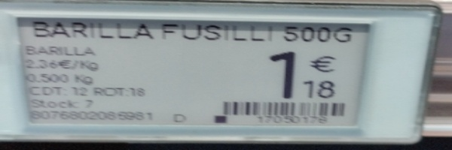 | 8076802085981 | 1.18 | TRUE | TRUE | http://res.cloudinary.com/dinsxzuha/image/upload/v1711015820/iblsd85alxeh1awwiggi.jpg | 134018219 | bkivmisdaa.jpeg
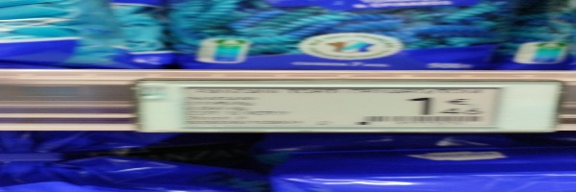 |  | None | FALSE | FALSE | http://res.cloudinary.com/dinsxzuha/image/upload/v1711015821/dhbibmx6ulm6kuyp20mk.jpg | 134018219 | ijpssfzkmf.jpeg
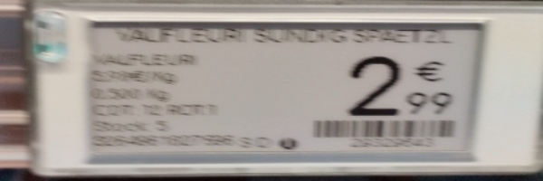 |  | 2.99 | FALSE | FALSE | http://res.cloudinary.com/dinsxzuha/image/upload/v1711015822/q1p3ptu9spxjinhnrael.jpg | 134018219 | bnggojegsh.jpeg
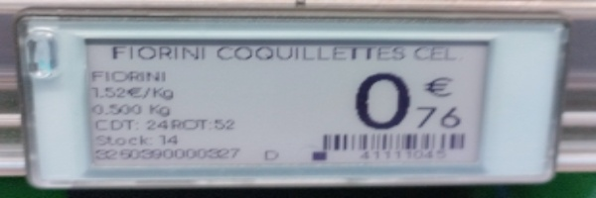 | 60390000827 | 0.76 | FALSE | FALSE | http://res.cloudinary.com/dinsxzuha/image/upload/v1711015823/o43qqn6p7doqqhmqhma6.jpg | 134018219 | nyxgxytgls.jpeg
 |  | None | FALSE | FALSE | http://res.cloudinary.com/dinsxzuha/image/upload/v1711015824/omvxt43b4jygntffi3ml.jpg | 134018219 | ugtknhzbec.jpeg
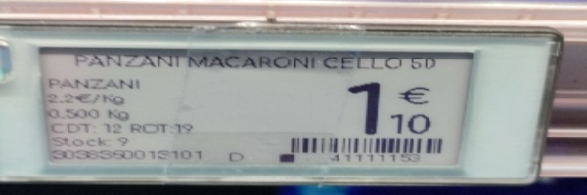 | 3036350019101 | 1.10 | FALSE | FALSE | http://res.cloudinary.com/dinsxzuha/image/upload/v1711015825/dfzk5xm6zhiv9hqdhbpp.jpg | 134018219 | djzqmhabmo.jpeg
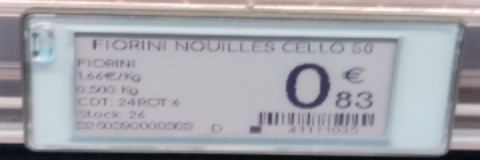 | 000000000 | 0.83 | FALSE | FALSE | http://res.cloudinary.com/dinsxzuha/image/upload/v1711015826/o7kgbj2malpr3mmnowoc.jpg | 134018219 | kfjjlgubat.jpeg
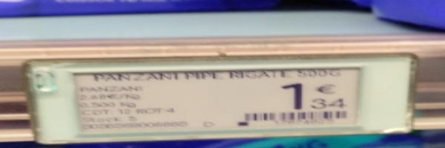 |  | 1.34 | FALSE | FALSE | http://res.cloudinary.com/dinsxzuha/image/upload/v1711015826/miypb9c6htu4wysjox8k.jpg | 134018219 | jartfdoquo.jpeg
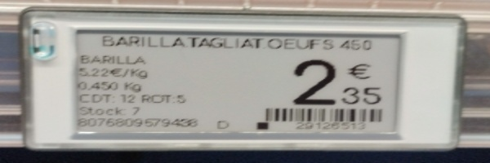 | 8076809579438 | 2.35 | TRUE | TRUE | http://res.cloudinary.com/dinsxzuha/image/upload/v1711015827/klfrhwmm8dyh6s8qr4ip.jpg | 134018219 | ouuyecgvlk.jpeg
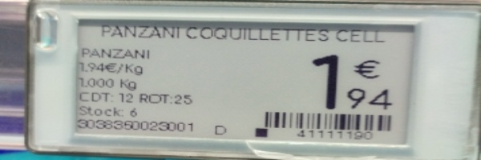 | 3038360023001 | 1.94 | FALSE | FALSE | http://res.cloudinary.com/dinsxzuha/image/upload/v1711015829/bmfpfn0gqt6rg8kgm68a.jpg | 134018219 | uqwwufdvcu.jpeg
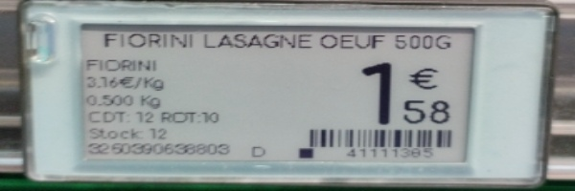 | 3250390638803 | 1.58 | TRUE | TRUE | http://res.cloudinary.com/dinsxzuha/image/upload/v1711015830/a1bsbsfsjwtmfnoblqqc.jpg | 134018219 | rsgpkjkiwr.jpeg
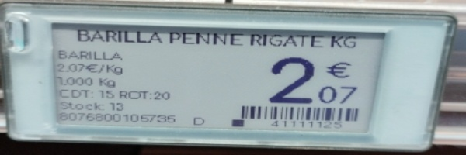 | 8076800105736 | 2.07 | FALSE | FALSE | http://res.cloudinary.com/dinsxzuha/image/upload/v1711015831/uvmqoeiqp8ldgzxdujcu.jpg | 134018219 | aknhhdddvc.jpeg
 |  | None | FALSE | FALSE | http://res.cloudinary.com/dinsxzuha/image/upload/v1711015832/mr0f8zxopz7aakbesmcv.jpg | 134018219 | xjqaltdekp.jpeg
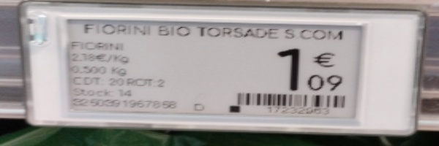 | 818391967656 | 1.09 | FALSE | FALSE | http://res.cloudinary.com/dinsxzuha/image/upload/v1711015834/xhnsgwaiiglirgygyerp.jpg | 134018219 | doucwsdjek.jpeg
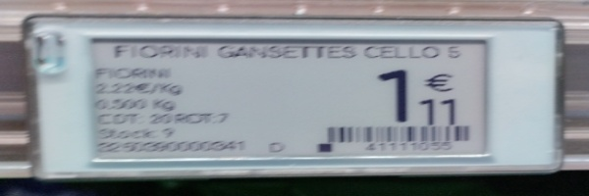 | 2530000341 | 1.11 | FALSE | FALSE | http://res.cloudinary.com/dinsxzuha/image/upload/v1711015835/tubydstb3daebskqc2dc.jpg | 134018219 | ousgxxrmer.jpeg
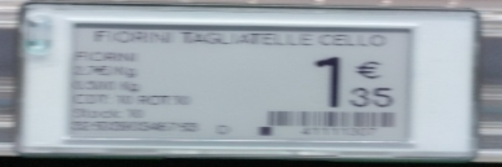 |  | 1.35 | FALSE | FALSE | http://res.cloudinary.com/dinsxzuha/image/upload/v1711015836/dtjduxoefiudvrb3ri29.jpg | 134018219 | ddxkscdciz.jpeg
 |  | None | FALSE | FALSE | http://res.cloudinary.com/dinsxzuha/image/upload/v1711015838/sjf6fr97fqwmfuwbvkrs.jpg | 134018219 | pdvkqnkusv.jpeg
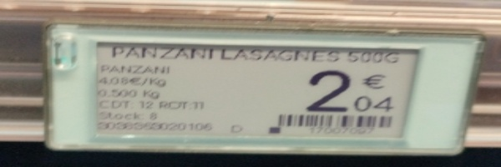 | 0030068020106 | 2.04 | FALSE | FALSE | http://res.cloudinary.com/dinsxzuha/image/upload/v1711015839/igkpnxfc3ffajnzepros.jpg | 134018219 | sjeuryecct.jpeg
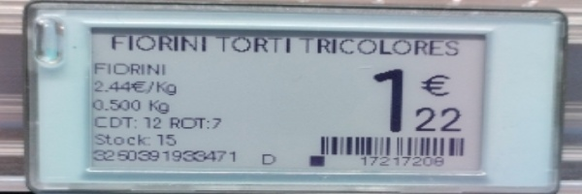 | 3250391933471 | 1.22 | TRUE | TRUE | http://res.cloudinary.com/dinsxzuha/image/upload/v1711015840/tnzgqtooe9ciiollizuh.jpg | 134018219 | lgygwnepcb.jpeg
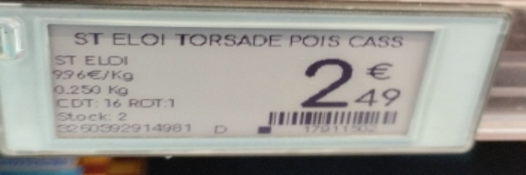 | 3250392914981 | 2.49 | TRUE | TRUE | http://res.cloudinary.com/dinsxzuha/image/upload/v1711015841/wjxhvfure6m0ngildgqy.jpg | 134018219 | qkzaoqhpoo.jpeg
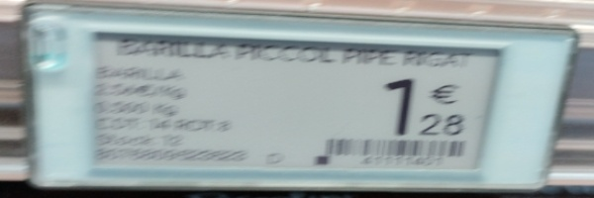 | 8002 | 1.28 | FALSE | FALSE | http://res.cloudinary.com/dinsxzuha/image/upload/v1711015842/dx1g3dzwo1dmkedz0yar.jpg | 134018219 | ejjeyxdznn.jpeg
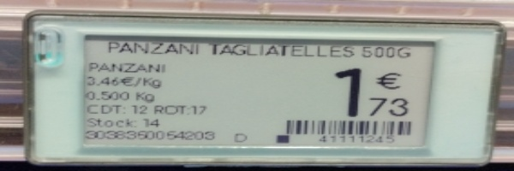 | 3038360064203 | 1.73 | FALSE | FALSE | http://res.cloudinary.com/dinsxzuha/image/upload/v1711015843/r5lxli67xeyujmvmvkxu.jpg | 134018219 | crqskcmmtc.jpeg
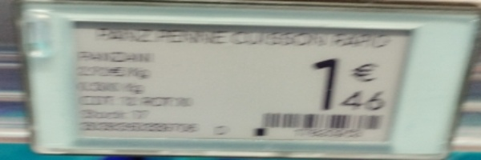 |  | 1.46 | FALSE | FALSE | http://res.cloudinary.com/dinsxzuha/image/upload/v1711015845/mijwrzmydjzqbfz2fufv.jpg | 134018219 | vpvhzcghoq.jpeg
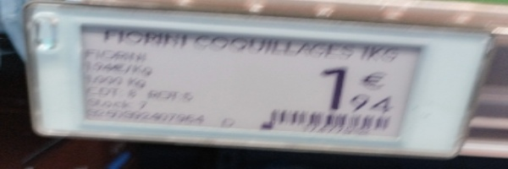 | 1795 | 1.74 | FALSE | FALSE | http://res.cloudinary.com/dinsxzuha/image/upload/v1711015846/mqgv6etiwyxc17dk92q1.jpg | 134018219 | ofkwykmmrb.jpeg
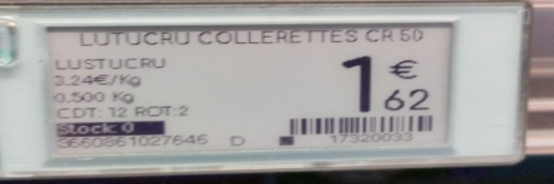 | 3660861027646 | 1.62 | FALSE | FALSE | http://res.cloudinary.com/dinsxzuha/image/upload/v1711015849/ddc8zxaglvqz84susyt0.jpg | 134018219 | ktzduiwljj.jpeg
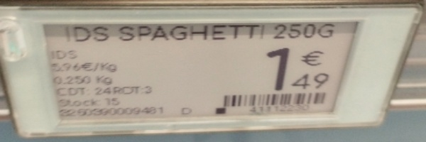 | 2203090009481 | 1.49 | TRUE | TRUE | http://res.cloudinary.com/dinsxzuha/image/upload/v1711015850/yqlhmzyt7ppfii34l7kt.jpg | 134018219 | rwzgibaahh.jpeg
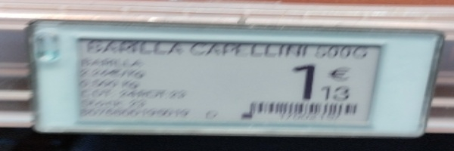 |  | 1.13 | FALSE | FALSE | http://res.cloudinary.com/dinsxzuha/image/upload/v1711015850/ro8dv5i6xtw1ed1sgr8d.jpg | 134018219 | iipphewnqj.jpeg
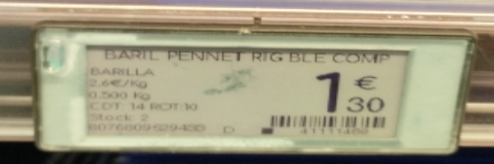 |  | 1.30 | FALSE | FALSE | http://res.cloudinary.com/dinsxzuha/image/upload/v1711015851/z6oeqqfhrxrolgalbr70.jpg | 134018219 | nctotecgxs.jpeg
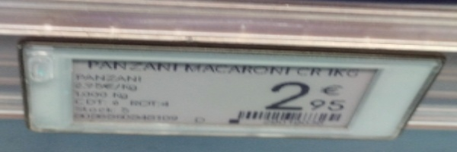 | 2 | 7 | FALSE | FALSE | http://res.cloudinary.com/dinsxzuha/image/upload/v1711015852/nxxyddavjovcmczqojcm.jpg | 134018219 | zbniapwtke.jpeg
 |  | 2.33 | FALSE | FALSE | http://res.cloudinary.com/dinsxzuha/image/upload/v1711015854/e7nn0u4utnffb7vjvljo.jpg | 134018219 | hpwqwthtzi.jpeg
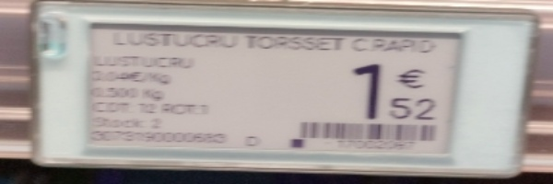 |  | 1.52 | FALSE | FALSE | http://res.cloudinary.com/dinsxzuha/image/upload/v1711015854/q0wlh3rl6cdjpxcprvbm.jpg | 134018219 | lxxkwrmveu.jpeg
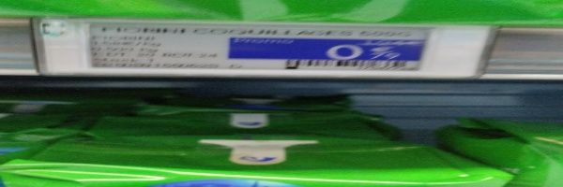 |  | None | FALSE | FALSE | http://res.cloudinary.com/dinsxzuha/image/upload/v1711015856/caf3klcumufbtzyazvtz.jpg | 134018219 | krapkfgqhm.jpeg
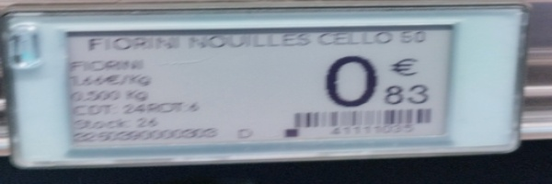 | 221909000000 | 0.83 | FALSE | FALSE | http://res.cloudinary.com/dinsxzuha/image/upload/v1711015856/ymwou1d3dv5xykshfmdu.jpg | 134018219 | vuqkcayumx.jpeg
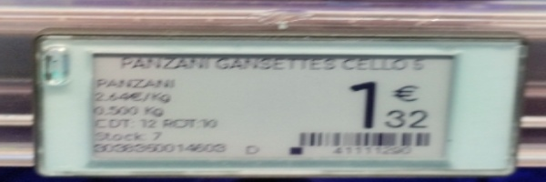 | 003509014608 | 1.32 | FALSE | FALSE | http://res.cloudinary.com/dinsxzuha/image/upload/v1711015858/v8pdwusdpnifwmm1ppng.jpg | 134018219 | rcilvzdzgo.jpeg
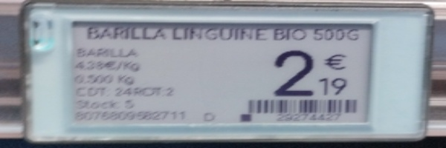 | 807680982711 | 2.19 | FALSE | FALSE | http://res.cloudinary.com/dinsxzuha/image/upload/v1711015858/he9jjwavkdbdt1fremfe.jpg | 134018219 | uwmuxwqskt.jpeg
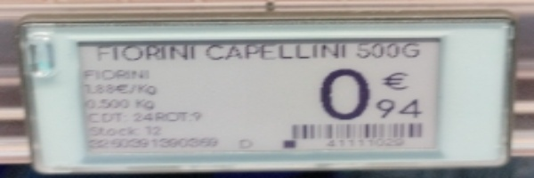 |  | 0.94 | FALSE | FALSE | http://res.cloudinary.com/dinsxzuha/image/upload/v1711015860/ogjqbftddfal3mxqbhqe.jpg | 134018219 | annddelohn.jpeg
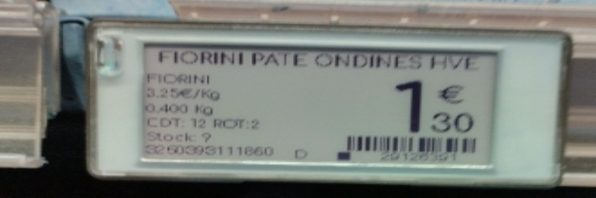 | 2012958 | 1.30 | FALSE | FALSE | http://res.cloudinary.com/dinsxzuha/image/upload/v1711015861/q9gm6juiq5lsv6wf764w.jpg | 134018219 | jnewcnqvpv.jpeg
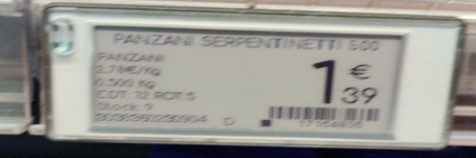 | 832018 | 1.39 | FALSE | FALSE | http://res.cloudinary.com/dinsxzuha/image/upload/v1711015862/favk5rd46nd8mkxeoksl.jpg | 134018219 | csbnweavqa.jpeg
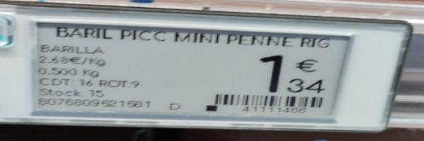 | 8076809621581 | 1.34 | FALSE | FALSE | http://res.cloudinary.com/dinsxzuha/image/upload/v1711015862/l8jsslgaxq3pyx2sqras.jpg | 134018219 | hpnnwscnnb.jpeg
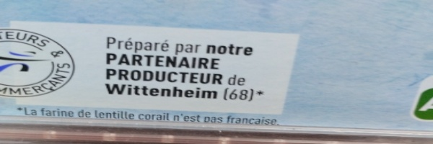 |  | 1.85 | FALSE | FALSE | http://res.cloudinary.com/dinsxzuha/image/upload/v1711015863/ntpchxuvnkxyxsqyh95o.jpg | 134018219 | kqagyjaces.jpeg
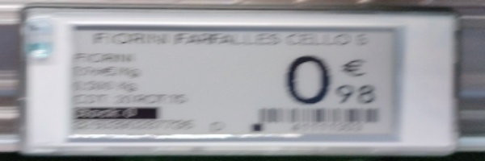 |  | 0.73 | FALSE | FALSE | http://res.cloudinary.com/dinsxzuha/image/upload/v1711015864/mqxydmfwe6phla4uwxpm.jpg | 134018219 | rkdsnqrggm.jpeg
 |  | 2.74 | FALSE | FALSE | http://res.cloudinary.com/dinsxzuha/image/upload/v1711015865/kpzznchkabmtsxjjyrey.jpg | 134018219 | hfwfrzyhrb.jpeg
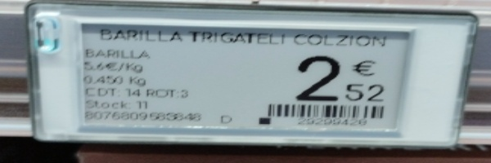 | 8076809683846 | 2.52 | FALSE | FALSE | http://res.cloudinary.com/dinsxzuha/image/upload/v1711015867/h3u4ykiqxllr2d2wqcxc.jpg | 134018219 | feqzvcuuix.jpeg
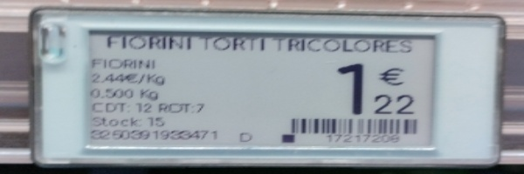 | 2250391933471 | 1.22 | FALSE | FALSE | http://res.cloudinary.com/dinsxzuha/image/upload/v1711015868/uncqxrohhbhhnclpyjvr.jpg | 134018219 | jrzmyrhdyo.jpeg
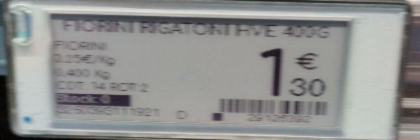 |  | 1.30 | FALSE | FALSE | http://res.cloudinary.com/dinsxzuha/image/upload/v1711015869/tujqpskwdwlpyfwo7qg8.jpg | 134018219 | zafwqqomvn.jpeg
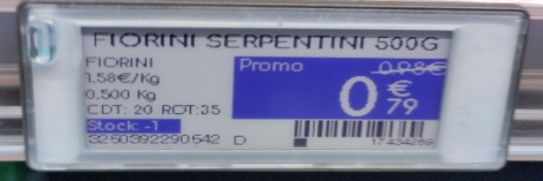 | 3260392290642 | 0.79 | FALSE | FALSE | http://res.cloudinary.com/dinsxzuha/image/upload/v1711015870/iclloagmoj7racacu7pf.jpg | 134018219 | pbqcqhzuws.jpeg
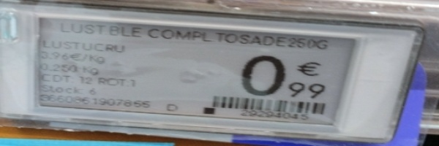 | 1907656 | 0.99 | FALSE | FALSE | http://res.cloudinary.com/dinsxzuha/image/upload/v1711015873/bkiktmwslfbzdisxndk9.jpg | 134018219 | artmoarwcm.jpeg
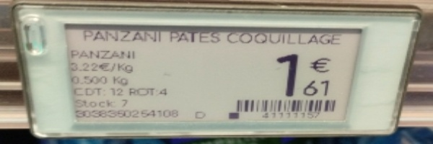 | 8038350254106 | 1.61 | FALSE | FALSE | http://res.cloudinary.com/dinsxzuha/image/upload/v1711015874/w4hiikxxg7zangyima0m.jpg | 134018219 | icojrkekxr.jpeg
 |  | None | FALSE | FALSE | http://res.cloudinary.com/dinsxzuha/image/upload/v1711015875/byjvss4lw1mqmgt6pmlb.jpg | 134018219 | ddclxroazq.jpeg
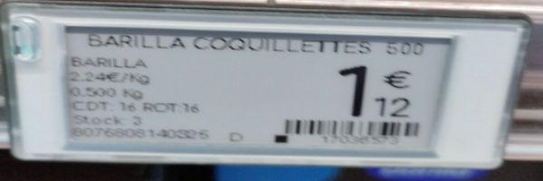 | 8076808140325 | 1.12 | TRUE | TRUE | http://res.cloudinary.com/dinsxzuha/image/upload/v1711015876/abbcf6vctbj1h3newewe.jpg | 134018219 | pptehpzqcu.jpeg
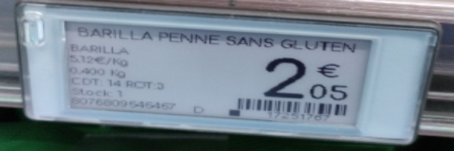 | 0076009545450 | 2.05 | FALSE | FALSE | http://res.cloudinary.com/dinsxzuha/image/upload/v1711015876/rqojavfjjzssdxh2nkkb.jpg | 134018219 | eextccdqyq.jpeg
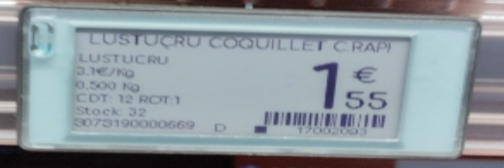 | 3075190000669 | 1.55 | FALSE | FALSE | http://res.cloudinary.com/dinsxzuha/image/upload/v1711015877/vzhhe0qhbsf2zku9ptso.jpg | 134018219 | xcivadxyds.jpeg
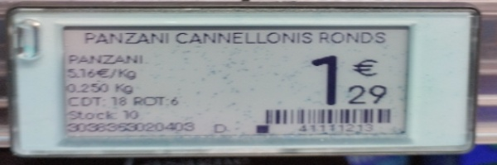 | 3038363020403 | 1.29 | FALSE | FALSE | http://res.cloudinary.com/dinsxzuha/image/upload/v1711015878/xu8ptca1xtdodzj1vsha.jpg | 134018219 | tuohkmcqil.jpeg
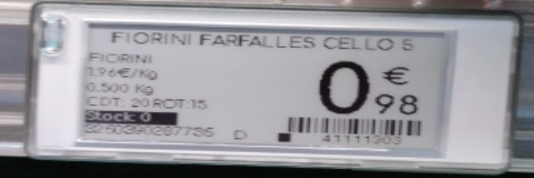 | 85039187735 | 0.98 | FALSE | FALSE | http://res.cloudinary.com/dinsxzuha/image/upload/v1711015879/v4c7qmxuacxc5lu36wtj.jpg | 134018219 | svlvsvcbgu.jpeg
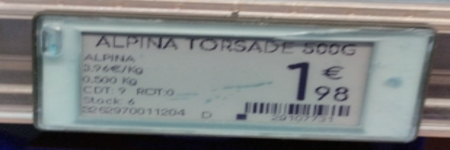 | 26129951 | 1.98 | FALSE | FALSE | http://res.cloudinary.com/dinsxzuha/image/upload/v1711015880/e2ytmhketa1u0xp4ujty.jpg | 134018219 | cpyqhnsqzr.jpeg
 | 291728 | 2.16 | FALSE | FALSE | http://res.cloudinary.com/dinsxzuha/image/upload/v1711015881/i5ddximwby9ay61qp8oc.jpg | 134018219 | mmrvqrkzbc.jpeg
 | 32281722 | 1.88 | FALSE | FALSE | http://res.cloudinary.com/dinsxzuha/image/upload/v1711015882/bjvtoghjxq2qntcka5f5.jpg | 134018219 | hcsrljdeew.jpeg
 |  | 1.48 | FALSE | FALSE | http://res.cloudinary.com/dinsxzuha/image/upload/v1711015883/rtwetuibjfshex3dgfrd.jpg | 134018219 | apgqlkkihc.jpeg
 | 3038360233806 | 1.55 | FALSE | FALSE | http://res.cloudinary.com/dinsxzuha/image/upload/v1711015884/mssgthzmfdanvenbqfbk.jpg | 134018219 | idhvhmqabs.jpeg
 | 8005110171710 | 2.30 | TRUE | TRUE | http://res.cloudinary.com/dinsxzuha/image/upload/v1711015885/fsgsmhplfyp1nhdn3swb.jpg | 134018219 | urtsgjymto.jpeg
 | 082060 | 2 | FALSE | FALSE | http://res.cloudinary.com/dinsxzuha/image/upload/v1711015886/kxjcpccqp9hdbqzu1gd4.jpg | 134018219 | ttxgepnamw.jpeg
 |  | None | FALSE | FALSE | http://res.cloudinary.com/dinsxzuha/image/upload/v1711015889/p3xyf62rkc6nunzmnqsk.jpg | 134018219 | acerwgxuem.jpeg
 |  | 1.04 | FALSE | FALSE | http://res.cloudinary.com/dinsxzuha/image/upload/v1711015890/loh2tabe80c6fk003m75.jpg | 134018219 | vyixqlyncz.jpeg
 | 25039000944 | 1.50 | FALSE | FALSE | http://res.cloudinary.com/dinsxzuha/image/upload/v1711015893/nikj8h6gvjztvi6acgkj.jpg | 134018219 | veyzeoipwi.jpeg
 | 8076809632709 | 1.47 | FALSE | FALSE | http://res.cloudinary.com/dinsxzuha/image/upload/v1711015893/nb7vip7xp8lo1gnbtqdv.jpg | 134018219 | xfojuyocln.jpeg
 | 2260390000396 | 1.66 | TRUE | TRUE | http://res.cloudinary.com/dinsxzuha/image/upload/v1711015894/wu9gnywpqb5mrrq3dqwr.jpg | 134018219 | rzaetnnhxn.jpeg
 | 3036369007878 | 1.67 | FALSE | FALSE | http://res.cloudinary.com/dinsxzuha/image/upload/v1711015895/hr7bfiux2fueoy0ndoqv.jpg | 134018219 | ospymmfddu.jpeg
 | 3600851027646 | 1.62 | FALSE | FALSE | http://res.cloudinary.com/dinsxzuha/image/upload/v1711015896/bviokmykh3sxntvmdpit.jpg | 134018219 | fclkfxhmwk.jpeg
 | 3260392407711 | 1.90 | FALSE | FALSE | http://res.cloudinary.com/dinsxzuha/image/upload/v1711015897/egikpazfrtoglyboxybz.jpg | 134018219 | fvysxjofub.jpeg
 | 3660861900092 | 1.87 | TRUE | TRUE | http://res.cloudinary.com/dinsxzuha/image/upload/v1711015899/kpsfjm9mqm5a2wv9oqov.jpg | 134018219 | yxigntzted.jpeg
 | 8036350263606 | 1.36 | TRUE | TRUE | http://res.cloudinary.com/dinsxzuha/image/upload/v1711015899/tngo4kwnak9qdp0cfqfu.jpg | 134018219 | cmmktlwlsy.jpeg
 | 3038360013607 | 1.37 | FALSE | FALSE | http://res.cloudinary.com/dinsxzuha/image/upload/v1711015900/lif9sg7sglhajedoqi7q.jpg | 134018219 | ogupotoxpd.jpeg
 | 000000000102 | 1.68 | FALSE | FALSE | http://res.cloudinary.com/dinsxzuha/image/upload/v1711015901/k4vg3mi9smprydebbpsc.jpg | 134018219 | xtnismalwd.jpeg
 | 8076808070882 | 1.62 | TRUE | TRUE | http://res.cloudinary.com/dinsxzuha/image/upload/v1711015901/exuilk4e0j9krfvkizto.jpg | 134018219 | qawzyaqgvr.jpeg
 |  | 1.15 | FALSE | FALSE | http://res.cloudinary.com/dinsxzuha/image/upload/v1711015902/qwj4zyjxs7mdfhozjudi.jpg | 134018219 | gyyzzzqsdm.jpeg
 | 8076802085738 | 1.07 | TRUE | TRUE | http://res.cloudinary.com/dinsxzuha/image/upload/v1711015903/aulwx1uipacpr3de4kpu.jpg | 134018219 | yacmbmerlv.jpeg
 |  | 2.25 | FALSE | FALSE | http://res.cloudinary.com/dinsxzuha/image/upload/v1711015904/zbiynoq4xqmiwuvqeqwe.jpg | 134018219 | ehrfwtihlu.jpeg
 | 8076809581097 | 2.20 | TRUE | TRUE | http://res.cloudinary.com/dinsxzuha/image/upload/v1711015905/fjpm7s34jkfxqlmuldua.jpg | 134018219 | xqruemrgys.jpeg
 | 3 | 1.13 | FALSE | FALSE | http://res.cloudinary.com/dinsxzuha/image/upload/v1711015905/vuyoh9obdkthqawm5vdc.jpg | 134018219 | yqjpzygmjv.jpeg
 |  | 1.34 | FALSE | FALSE | http://res.cloudinary.com/dinsxzuha/image/upload/v1711015906/bcu3owbuezod3cdh5i4z.jpg | 134018219 | lpsevovymf.jpeg
 | 29242472 | 1.35 | FALSE | FALSE | http://res.cloudinary.com/dinsxzuha/image/upload/v1711015907/w7wskfhjixqbs6hjgtiz.jpg | 134018219 | cvnefxvhhg.jpeg

