Sheet1
image | gtin | price | d_check | h_check | link | osm_id | file
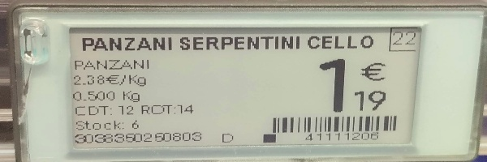 | 3038350250803 | 1.19 | FALSE | FALSE | http://res.cloudinary.com/dinsxzuha/image/upload/v1716760033/nmjneutjdul1gbe7nrf6.jpg | intermarche | uvhrwaclhu.jpeg
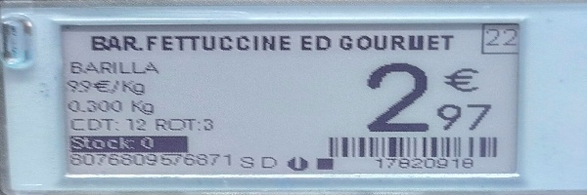 | 8076809576871 | 2.97 | TRUE | TRUE | http://res.cloudinary.com/dinsxzuha/image/upload/v1716760034/edckg7dixmcpf8jqqe1g.jpg | intermarche | oaysltibbj.jpeg
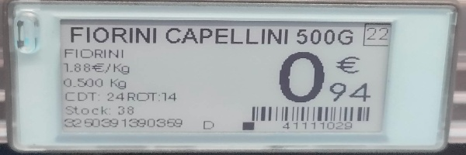 | 3250391390359 | 0.94 | FALSE | TRUE | http://res.cloudinary.com/dinsxzuha/image/upload/v1716760035/atpqmhk89or15kjjnlb3.jpg | intermarche | tjorhqpvme.jpeg
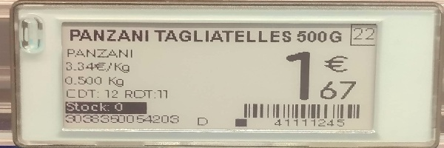 | 3038350054203 | 1.67 | FALSE | TRUE | http://res.cloudinary.com/dinsxzuha/image/upload/v1716760036/uajuxonzhjzl9eukomky.jpg | intermarche | ktafqbymkl.jpeg
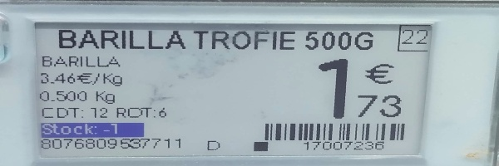 | 8076809537711 | 1.73 | TRUE | TRUE | http://res.cloudinary.com/dinsxzuha/image/upload/v1716760037/q0dturgmabtte1xjmpzv.jpg | intermarche | bituykvhzt.jpeg
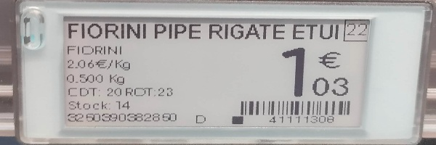 | 3250390382850 | 1.03 | FALSE | FALSE | http://res.cloudinary.com/dinsxzuha/image/upload/v1716760037/qcczh6wxormrc096cocr.jpg | intermarche | pzlnruluso.jpeg
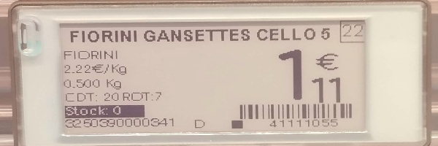 | 3250390000341 | 1.11 | TRUE | TRUE | http://res.cloudinary.com/dinsxzuha/image/upload/v1716760038/gqolhxd1sg0wm0el3nrx.jpg | intermarche | nclvooargm.jpeg
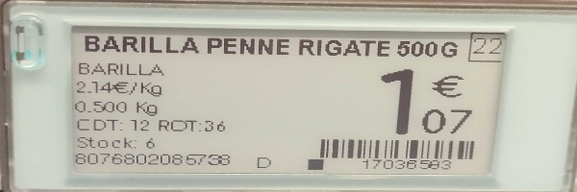 | 8076802085738 | 1.07 | TRUE | TRUE | http://res.cloudinary.com/dinsxzuha/image/upload/v1716760039/ucl36tzeejycec5suok1.jpg | intermarche | ivdtldyokq.jpeg
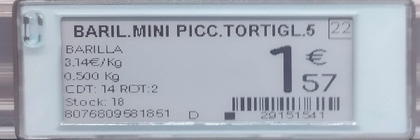 | 8076809581851 | 1.57 | FALSE | FALSE | http://res.cloudinary.com/dinsxzuha/image/upload/v1716760040/udu6ti6yfakryytolwbn.jpg | intermarche | qxempgmfmd.jpeg
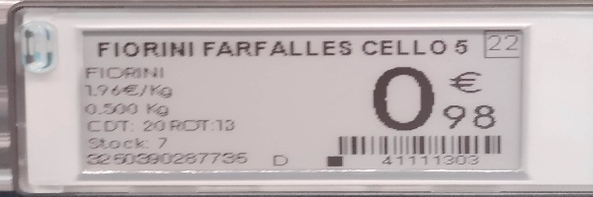 | 3250390287735 | 0.98 | TRUE | TRUE | http://res.cloudinary.com/dinsxzuha/image/upload/v1716760041/nfowqowsaxvzbugscugs.jpg | intermarche | mnartpffpl.jpeg
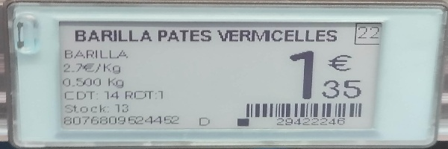 | 8076809524452 | 1.35 | TRUE | TRUE | http://res.cloudinary.com/dinsxzuha/image/upload/v1716760042/ivq6ulkbel5kmojhshpx.jpg | intermarche | idvxfyejcy.jpeg
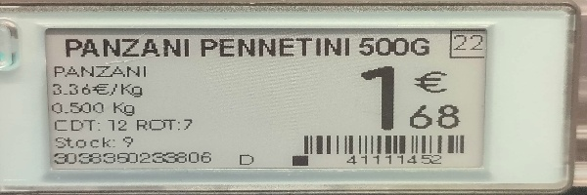 | 3038350233806 | 1.68 | FALSE | FALSE | http://res.cloudinary.com/dinsxzuha/image/upload/v1716760043/wt4xnab87iscykfhyywv.jpg | intermarche | bceogceyim.jpeg
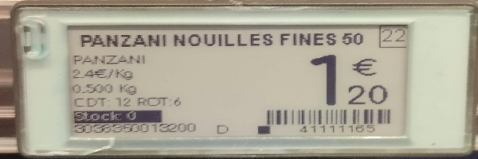 | 3038350013200 | 1.20 | FALSE | FALSE | http://res.cloudinary.com/dinsxzuha/image/upload/v1716760044/jtura3pke4j0kk4ovbkw.jpg | intermarche | aakkshspzs.jpeg
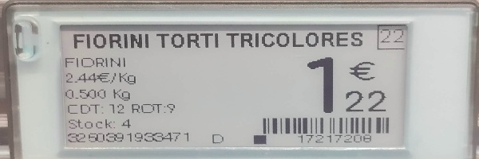 | 3250391933471 | 1.22 | TRUE | TRUE | http://res.cloudinary.com/dinsxzuha/image/upload/v1716760045/schzar6eu2r7jjfwzdum.jpg | intermarche | ekvlpemfjl.jpeg
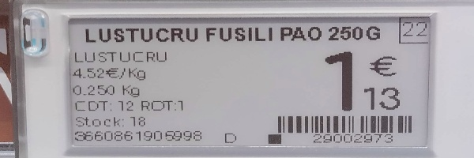 | 3660861906998 | 1.13 | FALSE | FALSE | http://res.cloudinary.com/dinsxzuha/image/upload/v1716760045/h291lwrmtmt4flliukge.jpg | intermarche | wbzccrstmf.jpeg
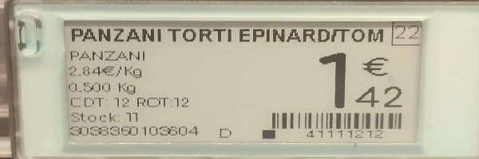 | 3038350103604 | 1.42 | FALSE | FALSE | http://res.cloudinary.com/dinsxzuha/image/upload/v1716760046/frhmzx1dan1j1daka2kr.jpg | intermarche | sjayexgvbx.jpeg
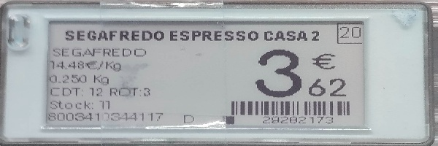 | 8003410344117 | 3.62 | TRUE | TRUE | http://res.cloudinary.com/dinsxzuha/image/upload/v1716760047/qc0aawygmuzspipvrbai.jpg | intermarche | klvqgmprfr.jpeg
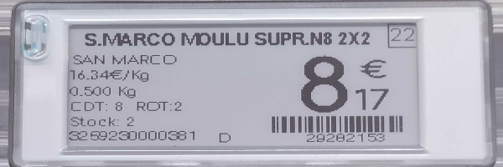 | 3259230000381 | 8.17 | FALSE | FALSE | http://res.cloudinary.com/dinsxzuha/image/upload/v1716760048/g3agbmzbxuc71owhgl5g.jpg | intermarche | wwrfsxuuxl.jpeg
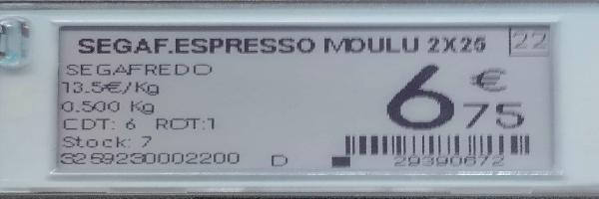 | 3259230002200 | 6.75 | TRUE | TRUE | http://res.cloudinary.com/dinsxzuha/image/upload/v1716760049/w1uwoafxrpijcvjlye9g.jpg | intermarche | lwmjuvlohy.jpeg
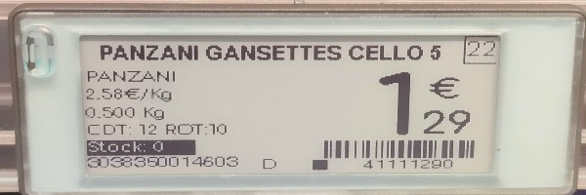 | 3038350014603 | 1.29 | FALSE | FALSE | http://res.cloudinary.com/dinsxzuha/image/upload/v1716760050/fedvvczhb2po5kwnuvgf.jpg | intermarche | gygkpzpizd.jpeg
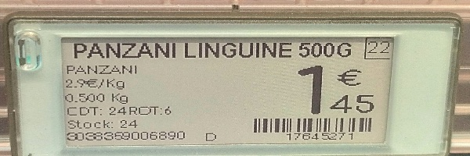 | 3038359006890 | 1.45 | FALSE | FALSE | http://res.cloudinary.com/dinsxzuha/image/upload/v1716760051/iepdlnzexyoghxz8kblh.jpg | intermarche | xzqdfpyofr.jpeg
 |  | 2.33 | FALSE | FALSE | http://res.cloudinary.com/dinsxzuha/image/upload/v1716760051/xwr29b8htkc3uezqlt0u.jpg | intermarche | jyjdrdjtms.jpeg
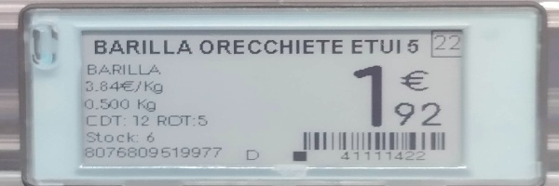 | 8076809519977 | 1.92 | TRUE | TRUE | http://res.cloudinary.com/dinsxzuha/image/upload/v1716760052/lcjxyqizrzdaxvpnvfxn.jpg | intermarche | sxaspxvnii.jpeg
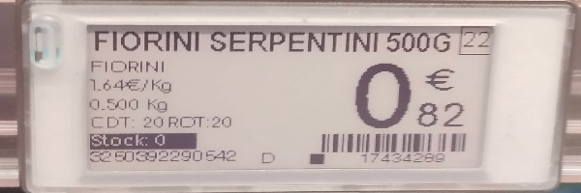 | 3250392290542 | 0.82 | FALSE | FALSE | http://res.cloudinary.com/dinsxzuha/image/upload/v1716760053/pyhdqlzaoinh8dcecxyg.jpg | intermarche | xibzteguvq.jpeg
  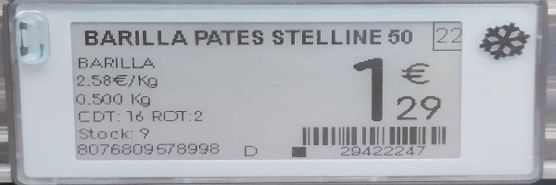 | 8076809578998 | 1.29 | TRUE | TRUE | http://res.cloudinary.com/dinsxzuha/image/upload/v1716760056/gcnpnq3xmum4rke6j5mz.jpg | intermarche | clecnijqqv.jpeg
 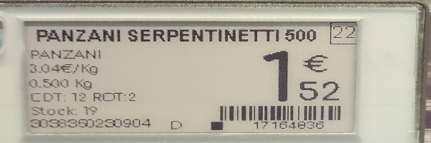 | 3038350230904 | 1.52 | FALSE | TRUE | http://res.cloudinary.com/dinsxzuha/image/upload/v1716760058/amw2h2z7uoxjdjuhe7te.jpg | intermarche | rbcuewmjss.jpeg
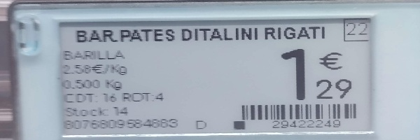 | 8075809584883 | 1.29 | TRUE | TRUE | http://res.cloudinary.com/dinsxzuha/image/upload/v1716760058/nz9mmpt3nridnqmilifd.jpg | intermarche | edgsamwpwa.jpeg
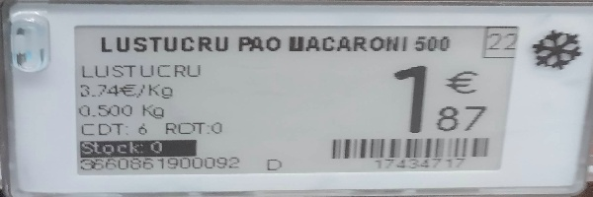 | 3660861900092 | 1.87 | TRUE | TRUE | http://res.cloudinary.com/dinsxzuha/image/upload/v1716760059/vb7j5domyethnaoluivf.jpg | intermarche | zwnhwcoynn.jpeg
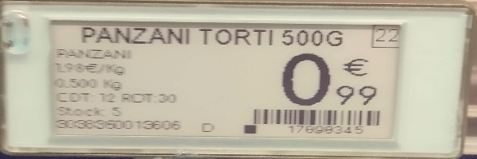 | 3038350013606 | 0.99 | FALSE | FALSE | http://res.cloudinary.com/dinsxzuha/image/upload/v1716760060/e0rtfiuxusjl35fq4vdd.jpg | intermarche | tlfbfkjhls.jpeg
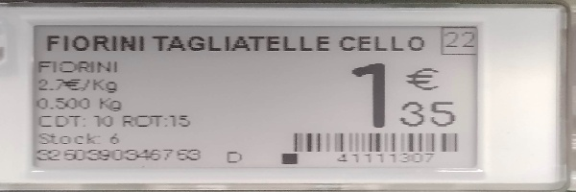 | 3250390346753 | 1.35 | TRUE | TRUE | http://res.cloudinary.com/dinsxzuha/image/upload/v1716760061/gndcnynl6oir1kwmsk6d.jpg | intermarche | uyrlathbht.jpeg
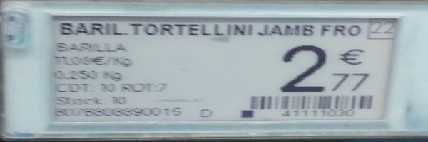 | 8076808890015 | 2.77 | TRUE | TRUE | http://res.cloudinary.com/dinsxzuha/image/upload/v1716760061/g7lxvk9jafzeqvzmvvz4.jpg | intermarche | vghbwdhodr.jpeg
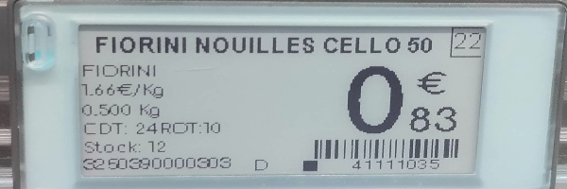 | 3250390000303 | 0.83 | FALSE | TRUE | http://res.cloudinary.com/dinsxzuha/image/upload/v1716760062/rjphqdky2usuyfyj76ho.jpg | intermarche | nxdilwobjs.jpeg

