工作表1
考核名称: |  | M264 Assembly Work Instructions 装配作业指导书
考核机型: |  | M264 | 标准工时: | 5 | 版本号: | 1.0.2 | 上一个 版本号 | 1.0.1 | 考核类型: | 装配考核
工序号/No. | 检查类型 | 工作内容 |  | Content |  | 操作描述 |  | Working Description |  | 测量项 | Measurement Inspection | 目视检查 | Visual Inspection | 图示 | 拧紧扭矩要求 | 螺栓数量 | 记录提示 | 测量下限 | 测量上限 | 测量单位 | DS | 拍照 | 拍照提示 | 扫码 | 扫码提示 | 扫码进度 | 零件编号
1 | 全部 | 安装适配器 |  | Installing the Adapter |  | 将缸体固定在适配器 |  | Attach the cylinder to the adapter. |  |  |  |  |  |  | 30 Nm + 5 Nm | 4
2 | 测量检查 | 曲轴瓦配色 |  | Crankshaft tile color match |  | 1.查看缸体主轴上瓦配色色标号， 2.对缸体主轴上瓦进行安装 数字对应轴瓦色标分级如下： 1=蓝色 2=黄色 3=红色 |  | 1. Check the color label of tile on the main shaft of cylinder block. 2. Install the upper tile of the main shaft of the cylinder block Number corresponding bearing bush color standard classification is as follows: 1= blue 2= yellow 3= red |  |  |  |  |  | 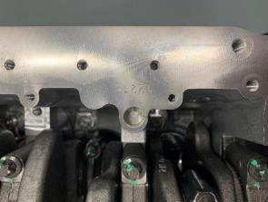 |  |  |  |  |  |  | Y | Y | 拍照记录缸体色标
主轴色标号
3 | 目视检查 | 安装并拧紧曲轴 |  | Install and tighten the crankshaft |  | 1.主轴上瓦涂油 2.安装曲轴到缸体 3.安装（上）止推片到第三主轴颈两侧，止推片油槽都要朝向曲轴一侧 4.主轴承下瓦配瓦并将轴瓦安装至主轴瓦盖（查看曲轴小头色标进行配瓦） 5.拧紧主轴瓦盖到规定力矩 |  | 1. Grease the tile on the spindle 2. Install the crankshaft to the cylinder block 3. Install the (upper) thrust piece on both sides of the third spindle neck, with the oil groove of the thrust piece facing the crankshaft side 4. The main bearing is equipped with shingles and the bearing bush is installed on the spindle shingles cover (check the crankshaft small head color standard for shingles) 5. Tighten the spindle shingle cover to the specified torque |  |  |  |  |  |  | 36Nm±3,6Nm +120°+/-10° | 10 | 曲轴轴向间隙：0.12mm-0.27mm 1个记录位置，根据标准自动判断是否合格 | 0.12 | 0.27 | mm | Y | Y | 拍照记录曲轴色标，及主轴承螺栓拧紧后状态 | Y | 进度10%，扫描曲轴零件信息A2740300201记录DMC信息 | 10 | A2740300201
4 | 测量检查 | 发动机外观整体检查 |  |  |  | 发动机外观整体检查，各密封面有无泄漏。检查缸体号与线束上的发动机号是否一致，号码无破损和脏污。 |  | Check the external apperance of the engine no leakage from every sealing surface.To make sure it has the same number on CB, wiring harnesst. |  | 1.发动机外观整体检查，各密封面无泄漏。 2.缸体号与线束条码上的发动机号一致，缸体号码清晰无缺陷，线束条码无破损和脏污。 | 1. Overall inspection of engine appearance, no leakage of sealing surface. 2. The cylinder number is consistent with the engine number on the wire harness bar code. The cylinder number is clear without defects, and the wire harness bar code is free from damage and dirt. |  |  | 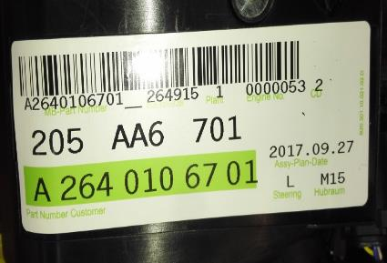
5 | 目视检查 | 检查线束，启动齿圈和曲轴位置脉冲盘 |  |  |  | 检查线束走向是否正确，线束卡子是否卡住，零件外观是否有损伤。拆下启动齿圈和曲轴位置脉冲盘 |  | Check the direction of the harness、all the clips, check the external appearance. |  |  |  | 1.检查线束走向正确， 2.线束卡子都卡住正确位置， 3.零件外观无损伤。 4.检查启动齿圈外观完好 5.启动齿圈无掉齿，无变形 6.启动齿圈与变速箱连接4个对接螺母连接紧固，无缺失 7.启动齿圈标签清晰，无破损 8.启动齿圈后部焊接垫片连接正常，无开焊，无缺失 9.曲轴位置脉冲盘表面完好，无磕伤，无划伤，表面无异物 | 1. Check that the wiring harness is oriented correctly. 2. Wire harness clips are stuck in the correct position. 3. The appearance of the parts is not damaged. 4. Check that the appearance of the starting gear ring is intact 5. There is no tooth loss or deformation of the starting gear ring 6. The four butt nuts connecting the starting gear ring to the gearbox are securely connected 7. The starting gear ring label is clear and free from damage 8. The welding gasket at the rear of the starting gear ring is connected normally, without open welding or missing 9. The crankshaft position pulse disc surface is intact, no knock, no scratch, no foreign body surface | 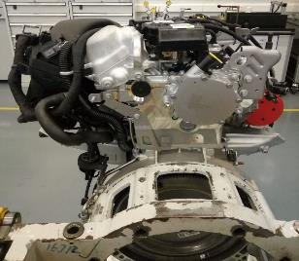 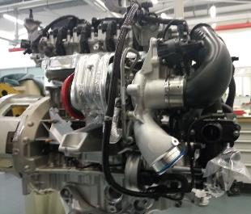 |  |  |  |  |  |  |  |  |  |  | 扫描飞轮盘零件信息A2740300212后确认前面所有检查项，确认后进入下一项 | 10 | A2740300212

