Sheet1
To Do Application - Manual Testing
ProjectName : ToDo List App |  |  | TesterName : Hadeel Qodseya |  |  | Software Version : 1.0.0 |  |  | Date
Bug-ID | Module | Sub-Module | Bug-Title | Environment | Pre-Produce Steps | Test Data | Expected Result | Actual Result | Status | Priority | Servity | Attachment
BUG-001 | Authentication | Sign Up | Sign-up fails with a valid 3-character First Name | Chrome (latest), staging environment | 1. Open the Sign Up page. 2. Enter a First Name with exactly 3 characters (e.g., "had"). 3. Fill in valid Last Name, Email, Password, and Confirm Password. 4. Submit the form. | First Name: had Last Name: Qodseya Email: hadeel7811@gmail.com Password: Had123@456 Confirm Password: Had123@456 | User signs up successfully and the main screen opens. | Sign-up fails and the system displays an error message: "First Name is required and must be at least 3 characters." | Open | Critical | Critical | 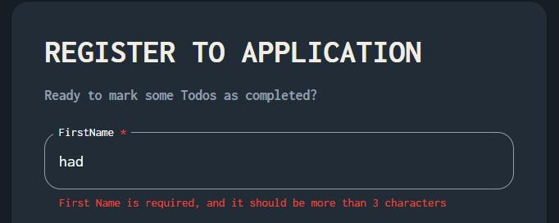
BUG-002 | Task Management | Pagination | "No to-dos available" message stays visible after adding to-dos | Chrome (latest), staging environment | 1. Log in with an account that has no to-dos. 2. Confirm the "no to-dos available" message is shown. 3. Add one or more to-dos. 4. Observe the first page of the list. | To-Do added: "Buy groceries" | The "no to-dos available" message disappears once to-dos are added. | The message still appears, positioned behind the pagination control on the first page. | Open | High | High | 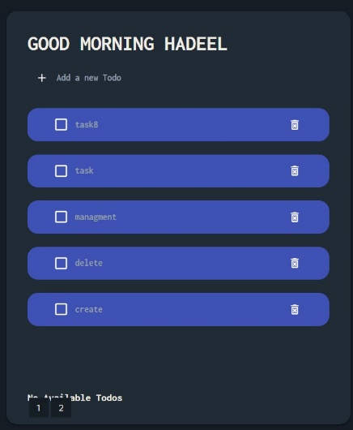 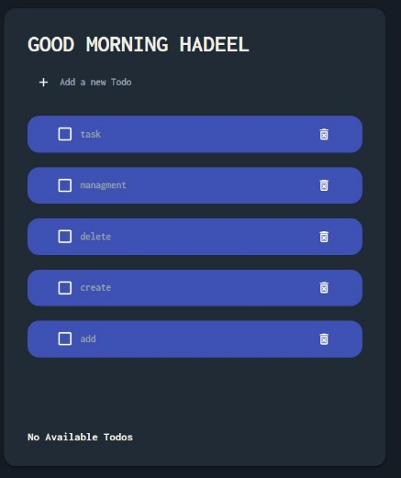
BUG-003 | Layout | Responsive Design | Horizontal scrollbar appears on mobile screen widths | Chrome DevTools responsive mode, mobile widths (~375px) | 1. Open the application. 2. Switch to Chrome DevTools responsive design mode. 3. Resize the viewport to a mobile width. | Screen sizes tested: 375x667 (Mobile), 768x1024 (Tablet), 1920x1080 (Desktop) | The system is responsive across all device sizes, with no horizontal overflow. | A horizontal scrollbar appears when the layout is resized to mobile width. | Open | High | Low | 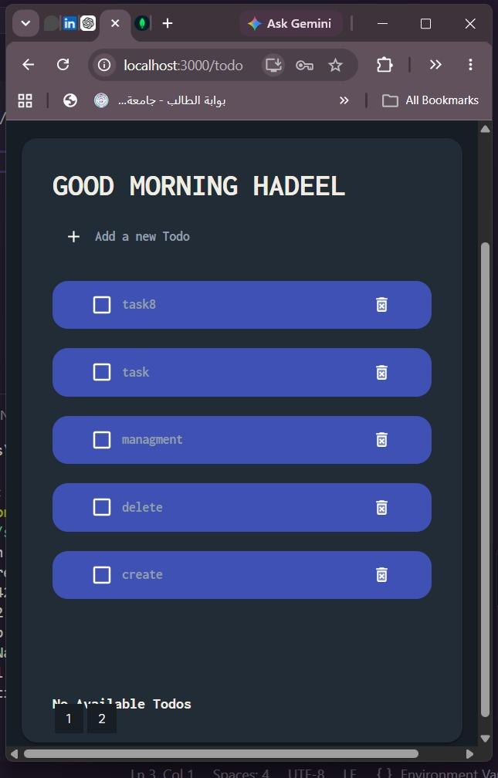
BUG-004 | Layout | Element Alignment | Loader is not centered on the page | Chrome (latest), all screen sizes | 1. Open the application and trigger a loading state (e.g., page load or data fetch). 2. Observe the position of the loading indicator. | N/A | The layout follows UI design principles, with each element correctly placed. | The loader is not centered on the screen. | Open | Low | Low | 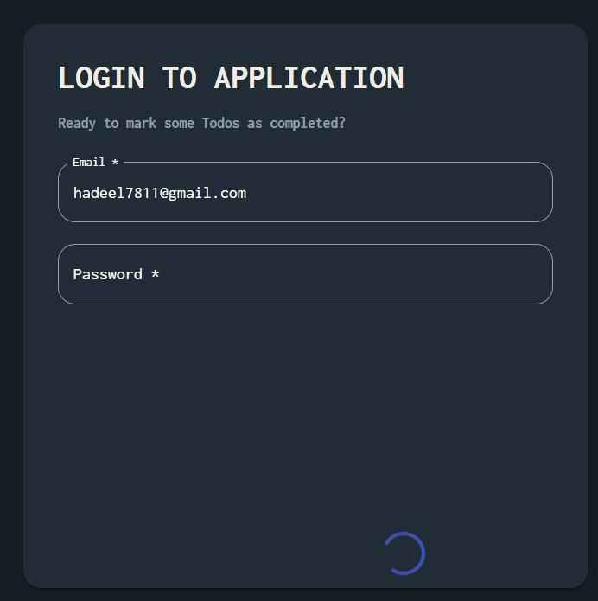

 |  |  |  |  |  |  |  |  |  |  |  |  | TC-1024 | Greating | Welcome user | the system will show greating msg according to time that the user come in the app | login / Sign up Successfully | 1.make login / signup successfully | _ | System will show greating msg with the name of user | System will show greating msg with the name of user | Not Executed
 |  |  |  |  |  |  |  |  |  |  |  |  | TC-1025 | Greating | Welcome user | the system will show greating msg with unknown if the user name Is undefind or does not match the rules | login / Sign up Successfully | 1.make login / signup successfully | _ | System will show greating msg | System will show greating msg | Not Executed
 |  |  |  |  |  |  |  |  |  |  |  |  | TC-1026 | Timing | Time | if the time in the moring the the system will show that for the user in the greating if he / she in the morning or evening | login / Sign up Successfully | 1.make login / signup successfully | _ | System will show time | System will show time | Not Executed
 |  |  |  |  |  |  |  |  |  |  |  |  | TC-1027 | Tasks | Add ToDo | the task should add to toDo list while it created | login / Sign up Successfully and be in the main screen | 1.make login / signup successfully | _ | the task will be added into the todo List | the task will be added into the todo List | Not Executed
 |  |  |  |  |  |  |  |  |  |  |  |  | TC-1028 | Layout | pagination | the pagination should be appear when the user add more than 5 tasks | login / Sign up Successfully and be in the main screen and add more than 5 tasks | 1.make login / signup successfully | _ | the pagination will apear and the user will use it to transfer between the tasks | in the pagination there is msg appear beside the pageination | Not Executed

 |  |  |  |  |  |  |  |  |  |  |  |  |  |  |  |  |  |  | TC-1039 | Layout | Responsive | The app layout should remain usable on a mobile-width screen | Logged in successfully | 1.Resize the browser window / use device emulation to a mobile width (e.g. 375px). 2.Navigate the main screens and add a task. | _ | All content is readable, no horizontal overflow, and core actions (add/edit/delete task, login/logout) remain usable | Not Executed

