Firewall Licensing
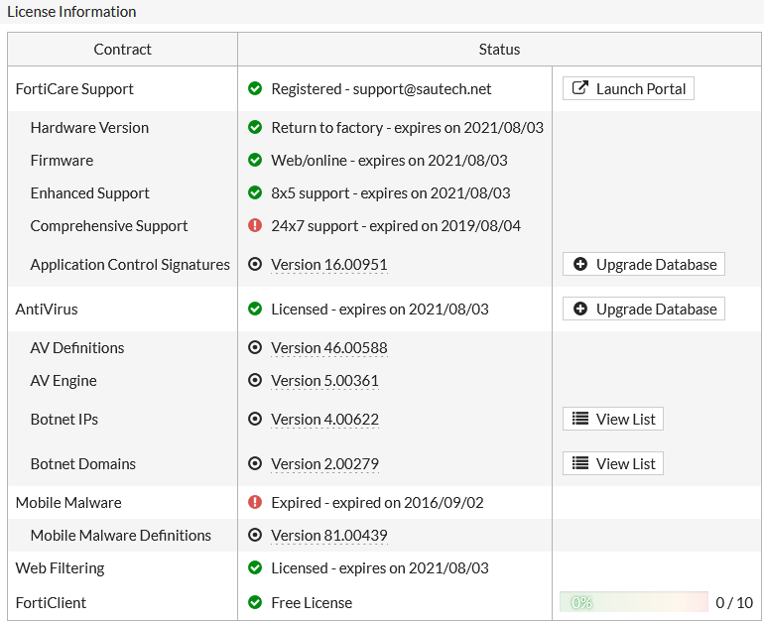
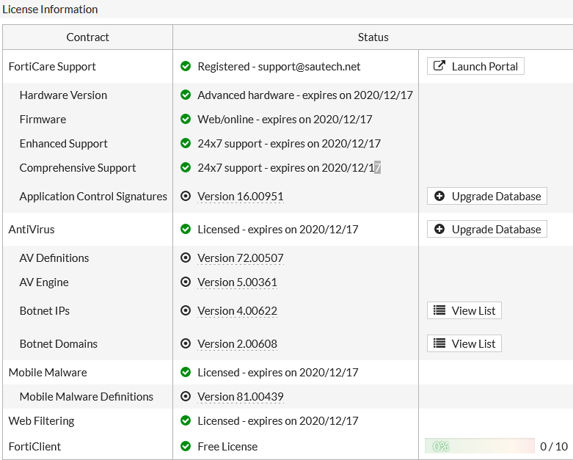
Device Name | Device | Location | License Owner
FWA01-MAWSONWEST-DRC | Fortigate 60D | Lum | Sautech
MWKAPULU | Fortigate 100D | Kapulu | Sautech
Xneelo | Checkpoint | SA | Sautech

Lum |  |  |  | Kapulu

