Voip Firewall Rule
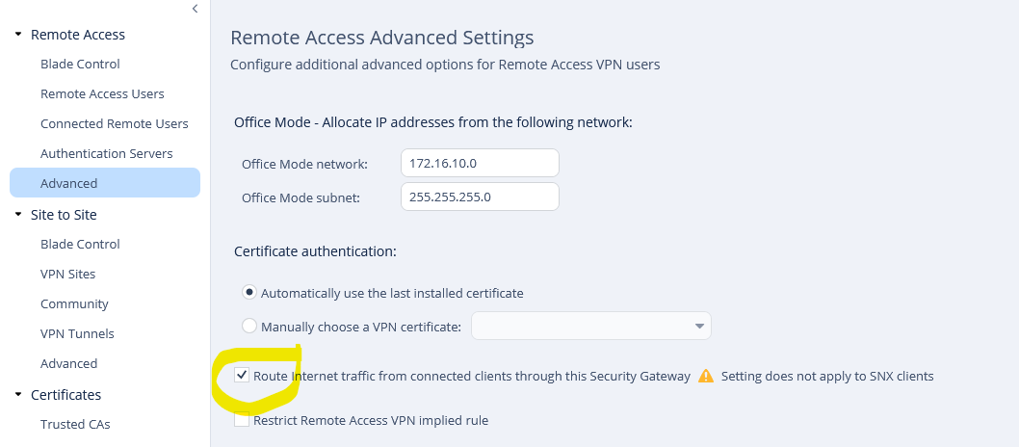
Policy to be added
Outbound Rule
Source | destination | Application | Service | Action
Any | Internet | Any | SIP_UDP | Accept

Inbound Rule
Source | destination | Application | Service | Action
Any | LAN Network | Any | SIP_UDP | Accept

NAT VPN Client to use Firewall Internet

