Sheet1
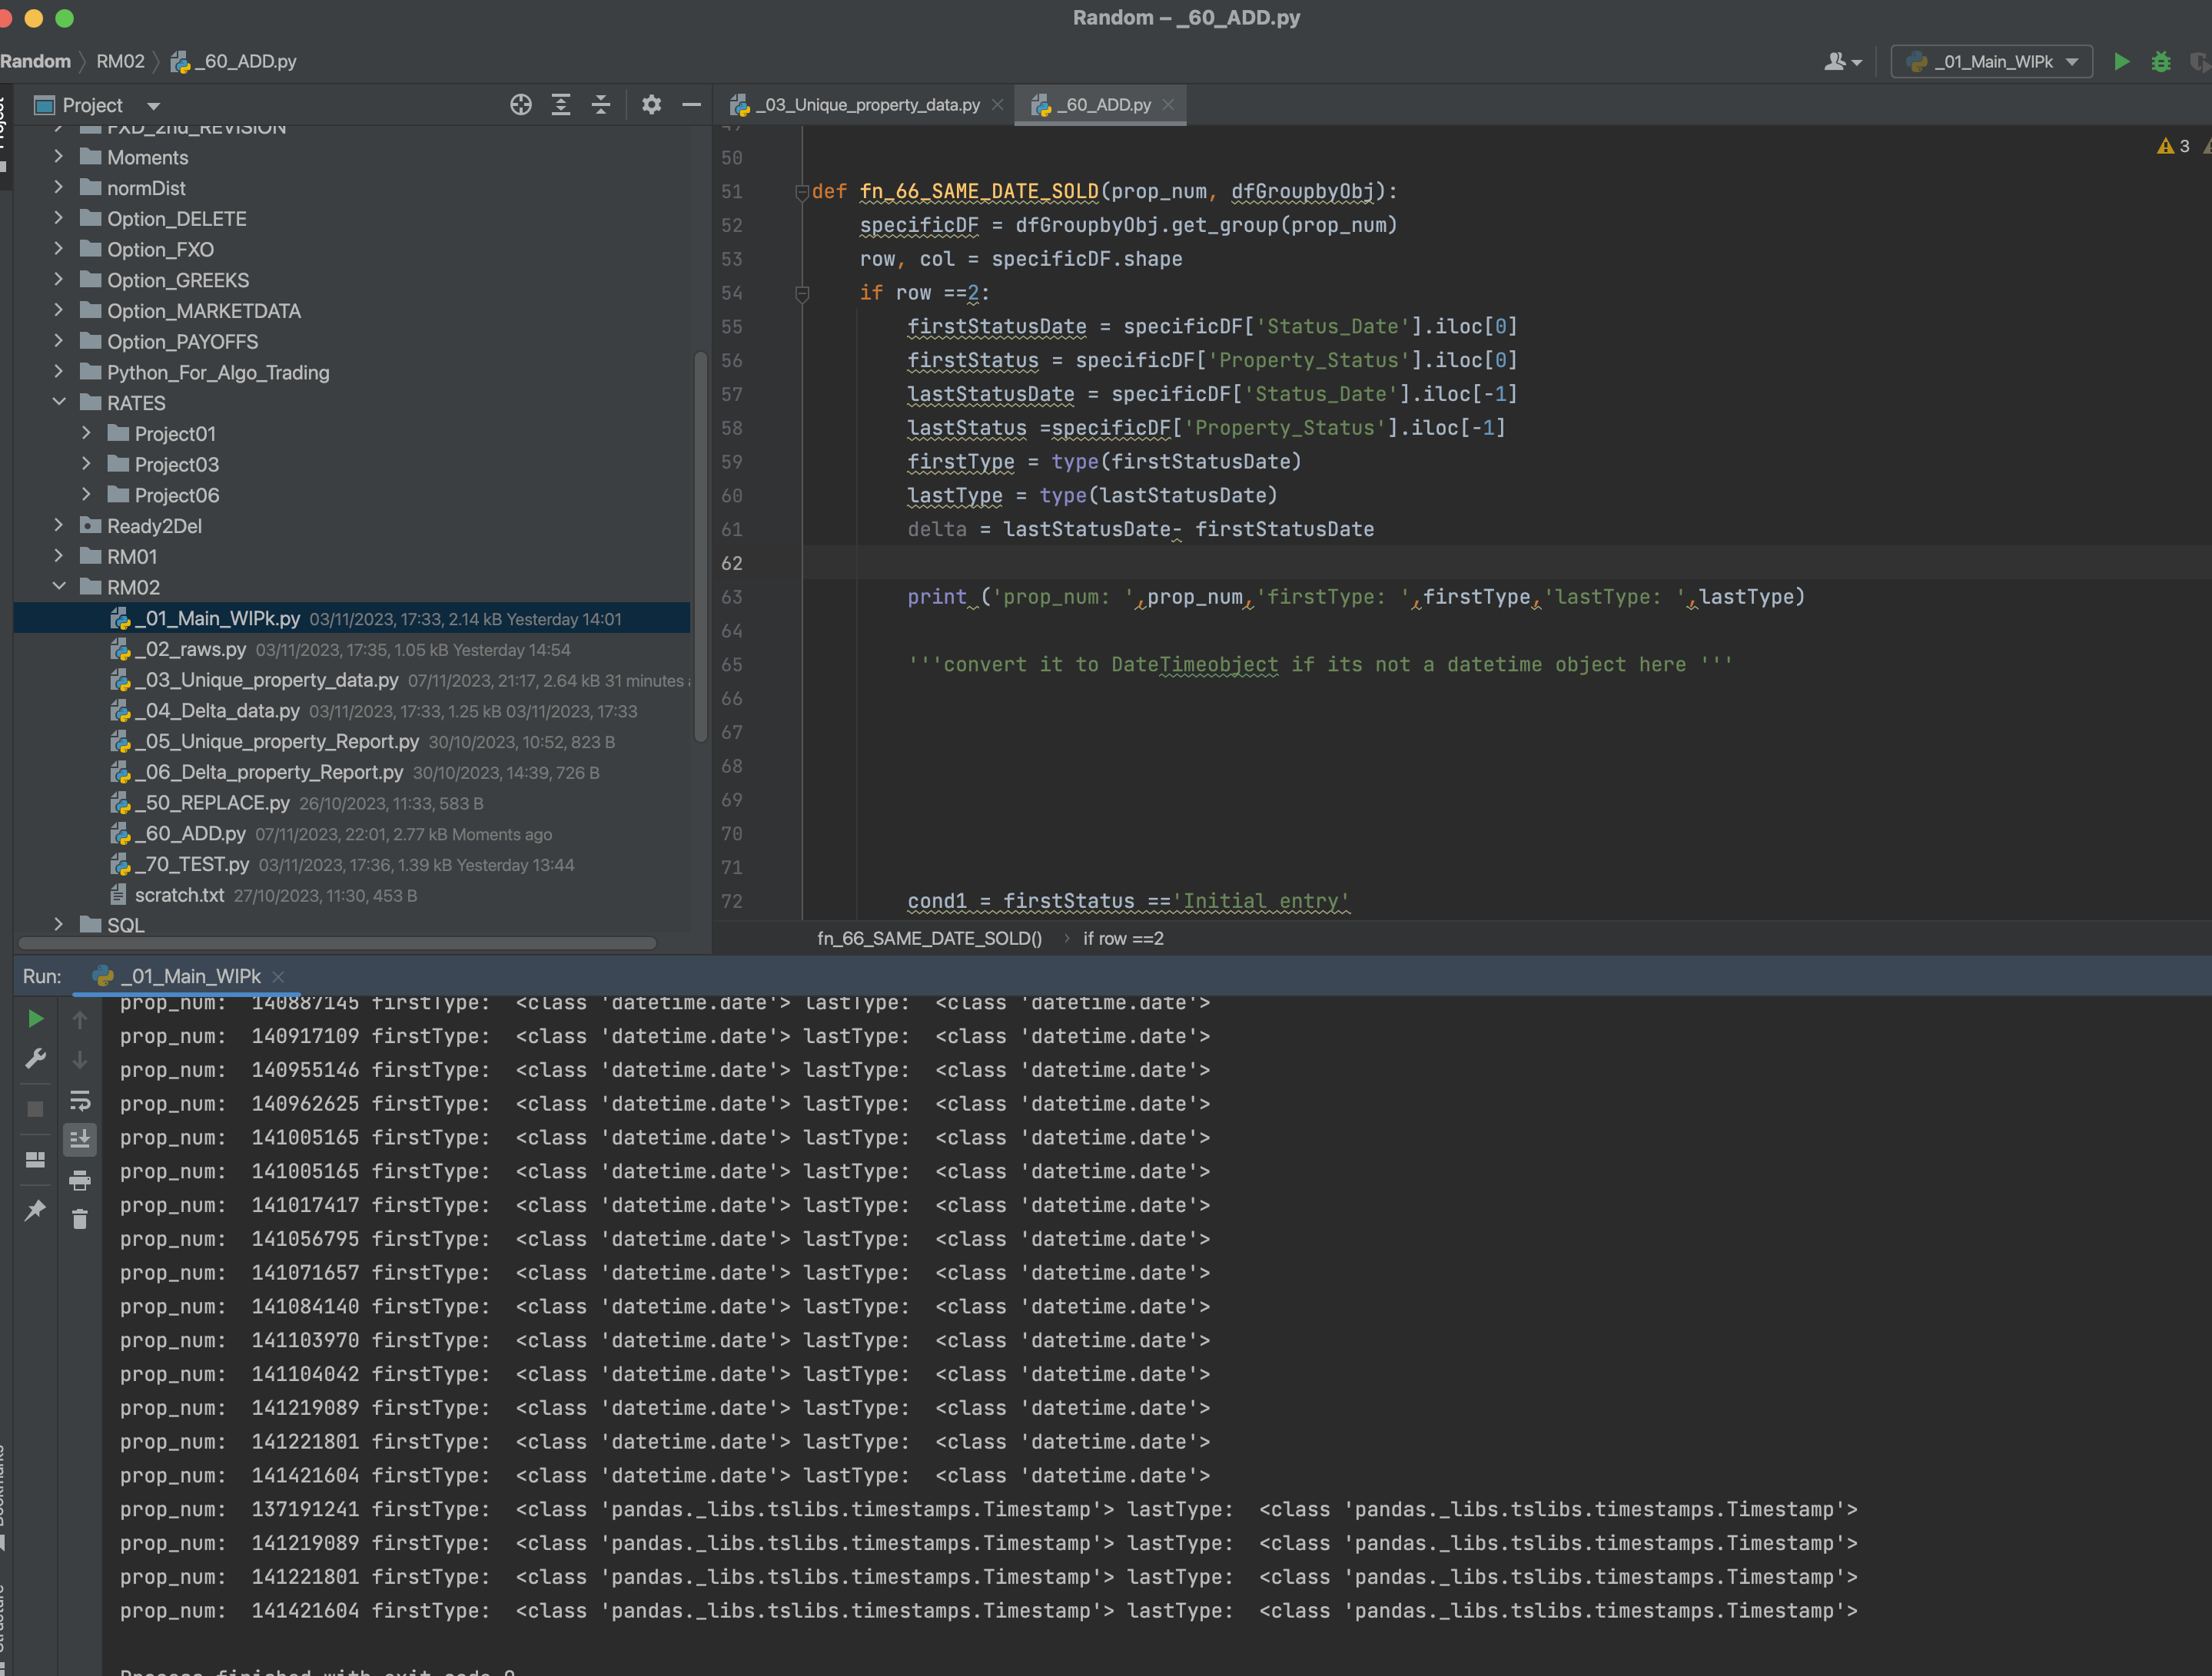

Some of them are not of type datetime.date
so please convert them to type datetime.date

