Sheet1
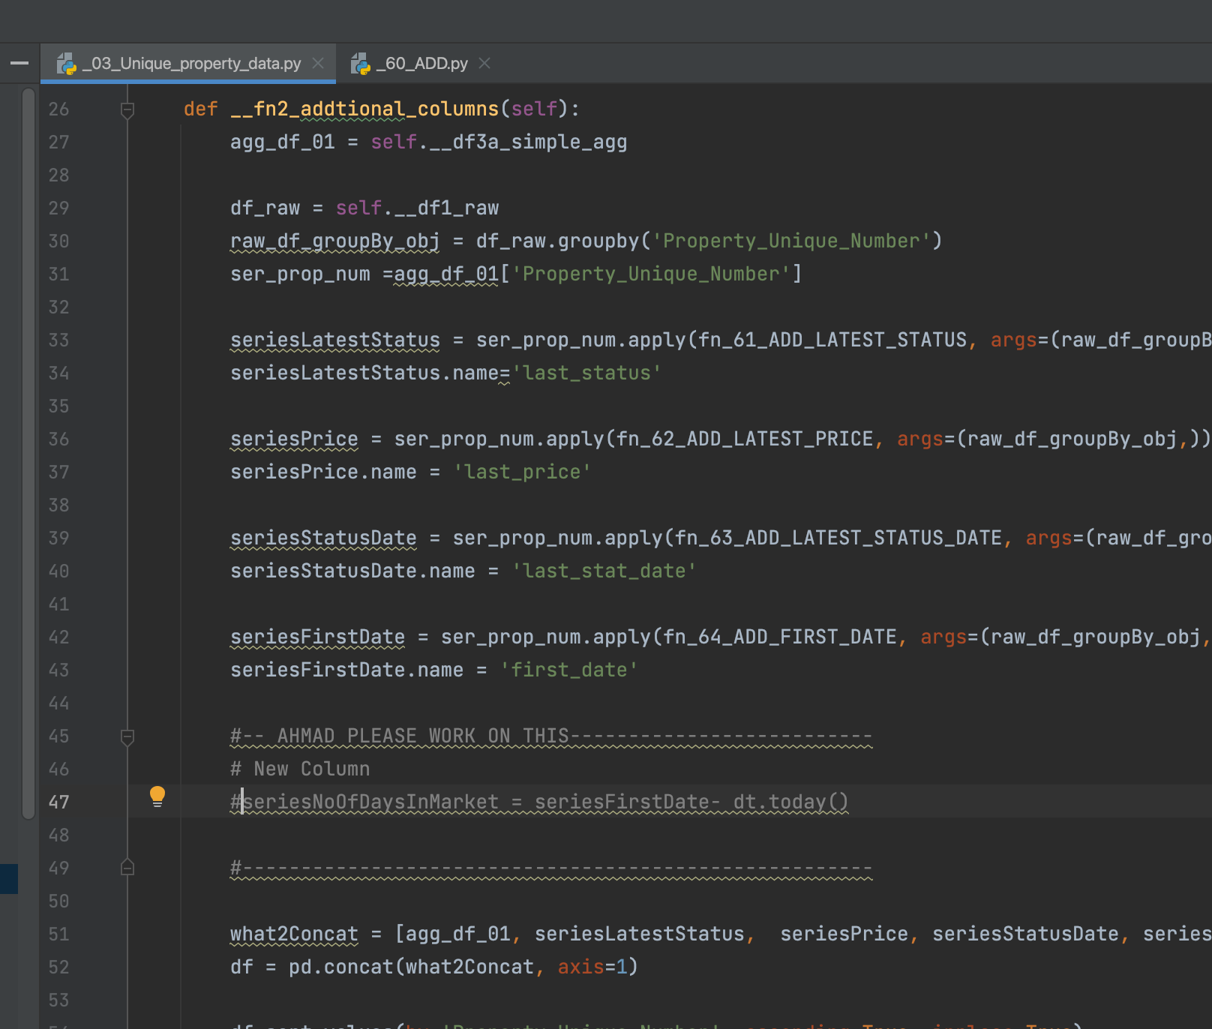

Ahmad I want to create a new column that gives me 'total number of days' the property has been in the market
i.e first_date - today()

