Sheet1
 |  |  |  | log base 10 |  |  | log base 2

 |  |  | Ten | 10 | 1 |  | 10 | 3.3219280949
 |  |  | Hundred | 100 | 2 |  | 100 | 6.6438561898
 |  |  | Thousand | 1,000 | 3 |  | 1,000 | 9.9657842847
 |  |  | Ten thousand | 10,000 | 4 |  | 10,000 | 13.28771238
 |  |  | Hundred Thousand | 100,000 | 5 |  | 100,000 | 16.609640474 |  |  | Total Nodes | 8
 |  |  | Million | 1,000,000 | 6 |  | 1,000,000 | 19.931568569
 |  |  | Ten Million | 10,000,000 | 7 |  | 10,000,000 | 23.253496664
 |  |  | Hundered Million | 100,000,000 | 8 |  | 100,000,000 | 26.575424759 |  |  | i | Tree size
 |  |  | One Billion | 1,000,000,000 | 9 |  | 1,000,000,000 | 29.897352854 |  | Start | 0 | 1
 | no of nodes | depth |  |  |  |  |  |  |  |  | 1 | 2
 | 1 | 0 |  |  |  |  |  |  |  |  | 2 | 4
 | 2 | 1 |  |  |  |  |  |  | 2 | 4 | 3 | 8
 | 3 | 1.5849625007 |  |  | 5.5 | 6.5 | 7.5 |  |  |  | 4 | 16
 | 4 | 2 |  |  |  |  |  |  |  |  | . | .
 | 5 | 2.3219280949 |  |  |  |  |  |  |  |  | . | .
 | 6 | 2.5849625007 |  |  |  |  |  |  |  |  | . | .
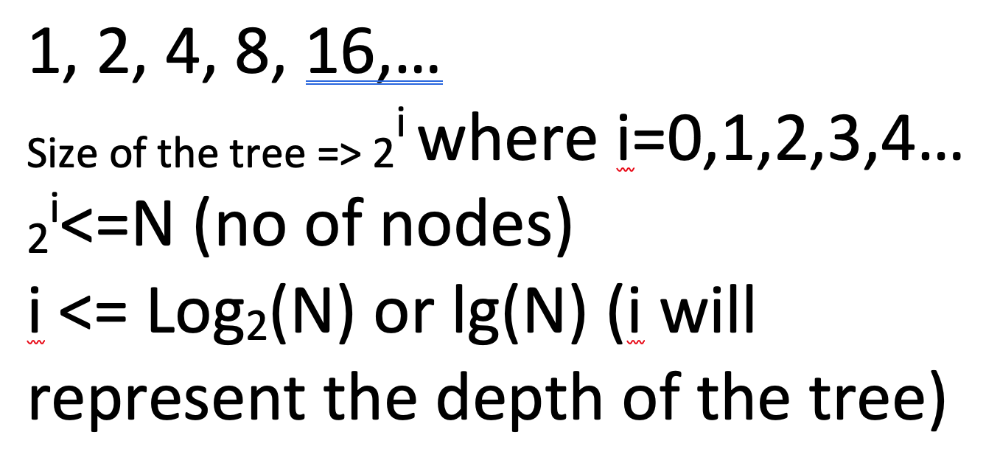
 | 7 | 2.8073549221 |  |  | 1 |  |  |  |  |  | i
 | 8 | 3 |  | After 12 months | 100% | 2
 | 9 | 3.1699250014 |  |  |  |  | 2
 | 10 | 3.3219280949
 | 100 | 6.6438561898 |  | After 6months | 1 +0.5 | 1.5
 | 1,000 | 9.9657842847 |  |  | 1.5 + (0.5+.25) | 2.25
 | 10,000 | 13.28771238
 | 100,000 | 16.609640474
 | 1,000,000 | 19.931568569 |  |  |  | 2.7
 | 10,000,000 | 23.253496664
 | 100,000,000 | 26.575424759
One Billion | 1,000,000,000 | 29.897352854 | <30

 |  |  | 11 | 3.4594316186

