Sheet2
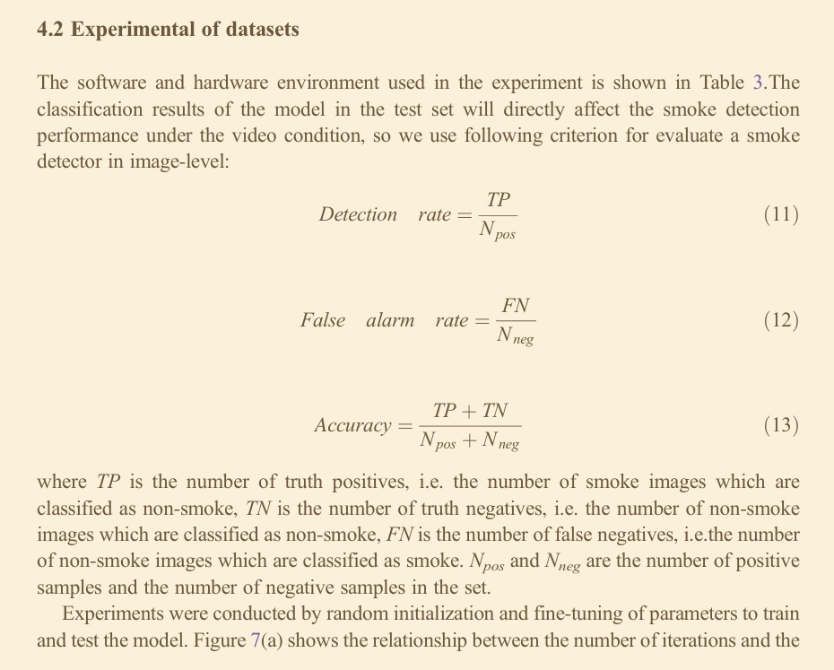
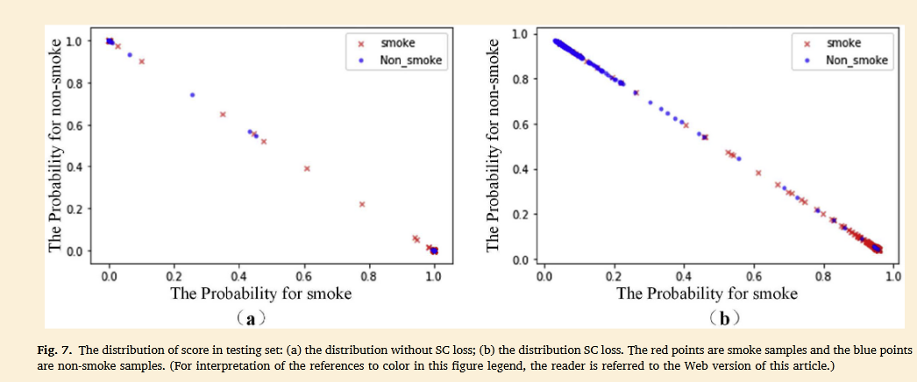
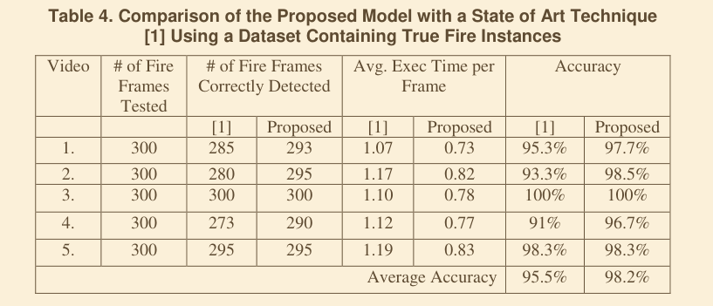
 | ONFIRE Contest 2023
Machine Vision Based Indoor Fire Detection Using Static and Dynamic Features
 |  | Characteristics Based Fire Detection System Under the Effect of Electric Fields With Improved Yolo-v4 and ViBe
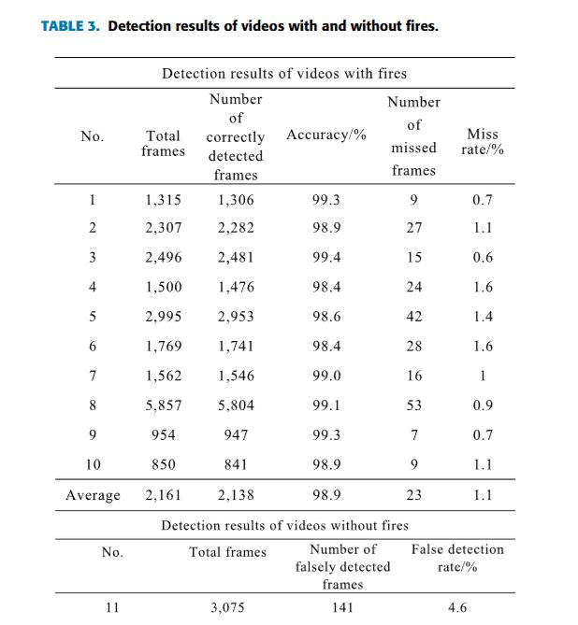

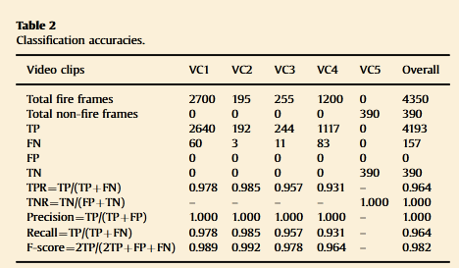

Fire smoke detection algorithm based on motion characteristic and convolutional neural networks

vis
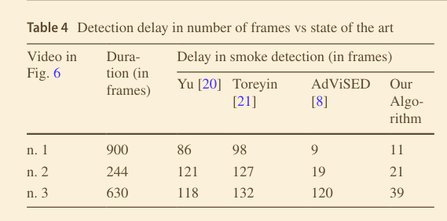
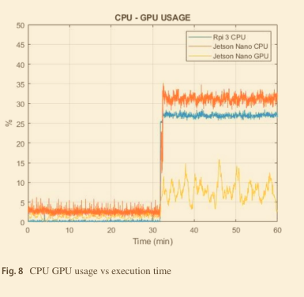
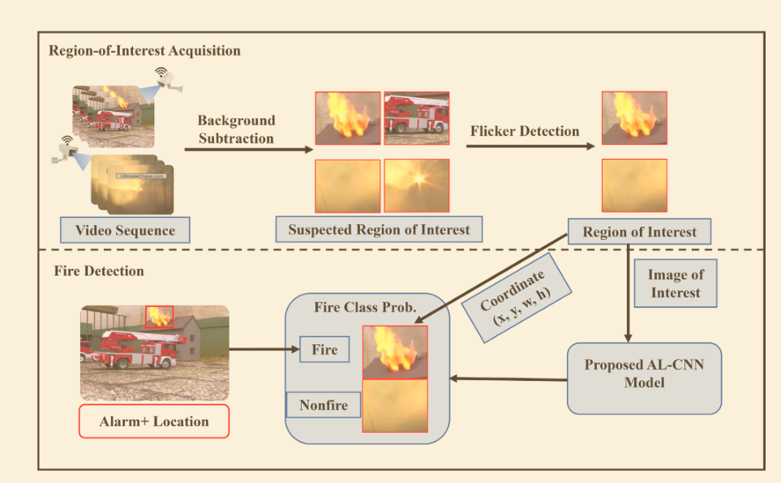
https://app.terrastruct.com/diagrams/290027247
 | Efficient Video Fire Detection Exploiting Motion-Flicker-Based Dynamic Features and Deep Static Features
 |  | DeepFireNet: A real-time video fire detection method based on multi-feature fusion



 |  | A real‑time video smoke detection algorithm based on Kalman filter and CNN

Sheet6
