idea_list
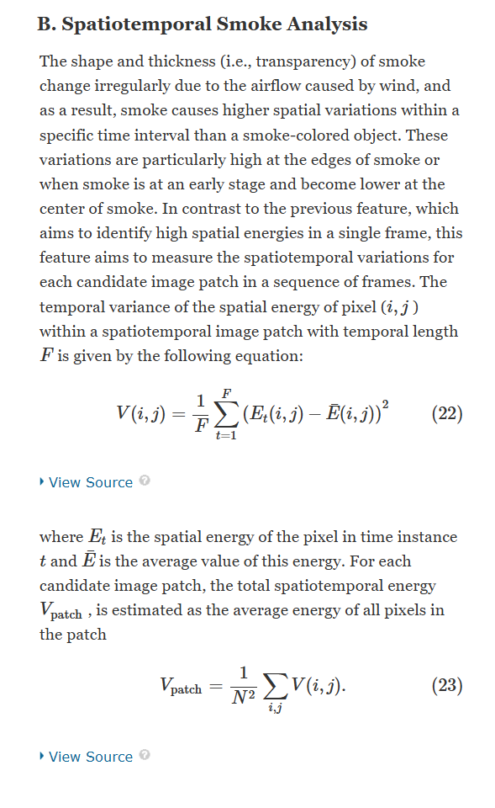
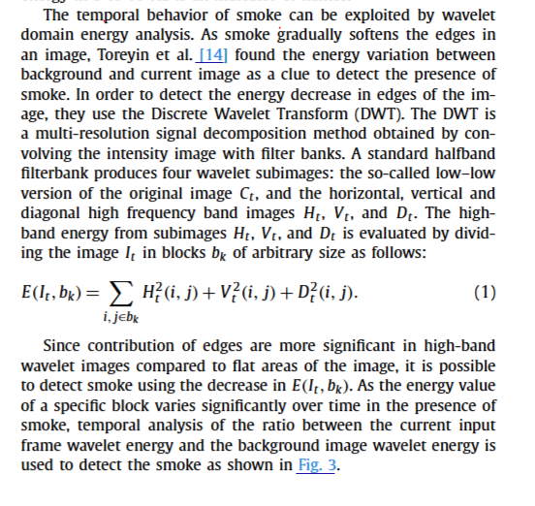
method | year | main idea | feature type | Note
Fire detection using statistical color model in video sequences | 2007 | motion map & fire-mask => region of fire => analyze change in fire areas | color: rule for fire pixel
Fire detection based on vision sensor and support vector machines | 2009 | fire color detection + moving pixel + Non-fire pixel removal using temporal luminance variation | color: rule for fire pixel
Fire detection in video sequences using a generic color model | 2009 | flame pixels but in YCbCr color space (better than RGB)
Fast and Efficient Method for Fire Detection Using Image Processing | 2010 | flame pixels in CIE L*a*b* color channels + moving pixel detection; changes in number of fire pixel
Multi-feature fusion based fast video flame detection | 2010 | flame flicker (brightness change)
Fire Detection in Video Using LMS Based Active Learning | 2010 | Temporal Wavelet Analysis (change in time); Spatial Wavelet Analysis (change in texture)
A fast accumulative motion orientation model based on integral image for video smoke detection | 2008 | Fast motion estimation; block base; ==> for smoke only
Fire and smoke detection without sensors: Image processing based approach | 2007 | fire + smoke color rules
A Study of Rule-based Flame Pixel Classifiers in Still Images
Fire Detection Methods Based on Various Color Spaces and Gaussian Mixture Models
Fire and smoke detection without sensors: Image processing based approach
A Computer Vision-Based Method for Fire Detection in Color Videos
An Early Flame Detection System Based on Image Block Threshold Selection Using Knowledge of Local and Global Feature Analysis
A survey on vision-based outdoor smoke detection techniques for environmental safety
A fast accumulative motion orientation model based on integral image for video smoke detection | block
Automatic fire pixel detection using image processing: a comparative analysis of rule-based and machine learning-based methods | rule-based

pipeline_speed
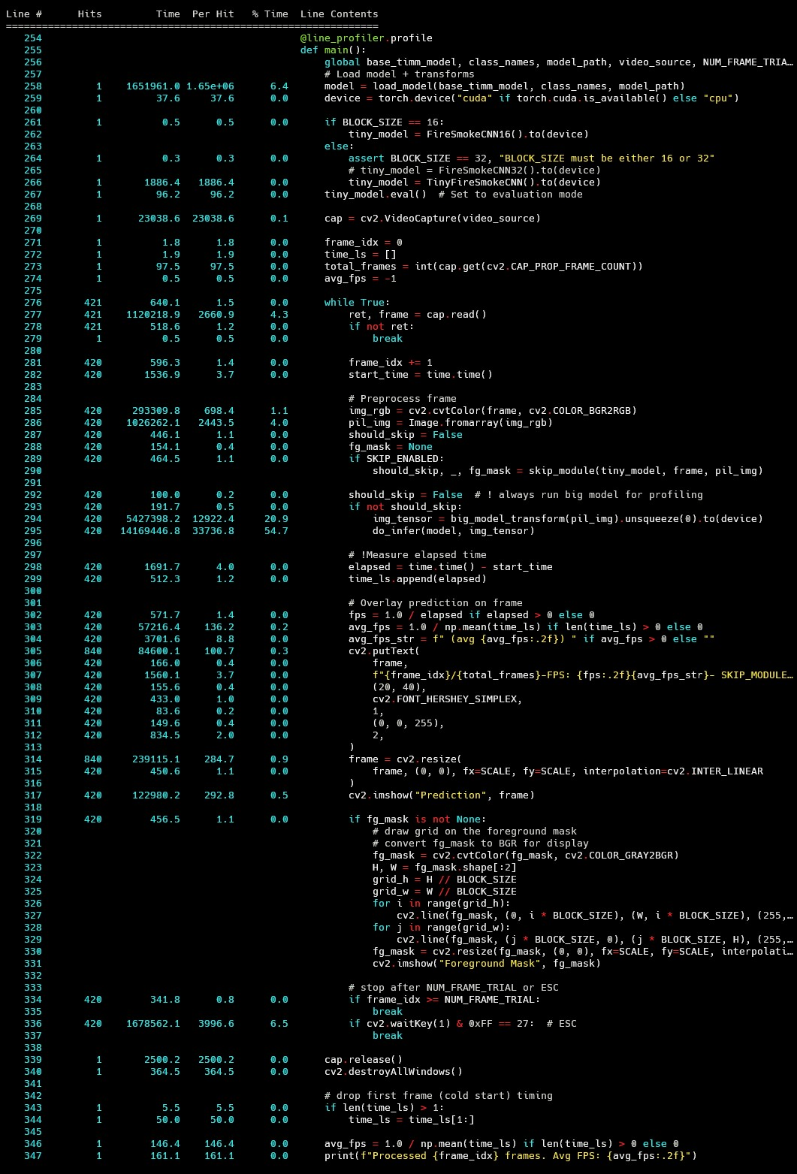
 |  | Normal_Pile | Skip_module_pile

Big Step

BIG_DL_infer | data_preprocess | 20.9
 | infer | 54.7

avg_FPS (FullHD in video) |  | 27.51

