KPI
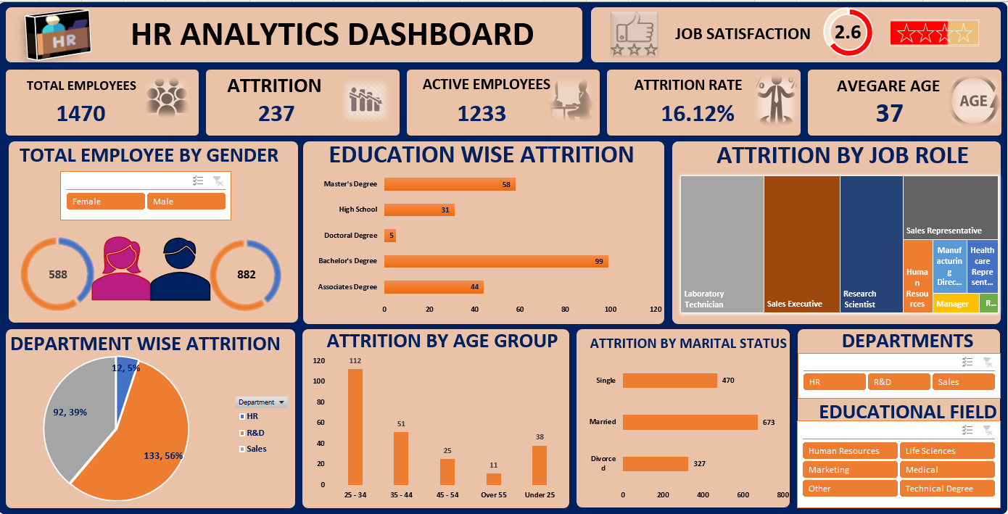

Count of Employee count | Sum of CF_attrition counts | Average of Age
1470 | 237 | 36.923809524

Total Employee | Attrition Count | Average Age | Active Employee | Attrition rate
1470 | 237 | 37 | 1233 | 16.12%

Dashboard
`
HR ANALYTICS DASHBOARD
JOB SATISFACTION
 | 66%
 | 34%
2.6

TOTAL EMPLOYEES
ATTRITION
ACTIVE EMPLOYEES
ATTRITION RATE
AVEGARE AGE

1470
237
1233
16.12%
37

TOTAL EMPLOYEE BY GENDER
EDUCATION WISE ATTRITION
ATTRITION BY JOB ROLE

 | Total
Associates Degree | 44
Bachelor's Degree | 99
Doctoral Degree | 5
High School | 31
Master's Degree | 58

 | Total
Female | 588
Male | 882


 | Total
Female | 588
Male | 882

DEPARTMENT WISE ATTRITION
ATTRITION BY AGE GROUP
ATTRITION BY MARITAL STATUS
DEPARTMENTS
 | Total
Divorced | 327
Married | 673
Single | 470
 | Total
HR | 12
R&D | 133
Sales | 92
 | Total
25 - 34 | 112
35 - 44 | 51
45 - 54 | 25
Over 55 | 11
Under 25 | 38

EDUCATIONAL FIELD

Rating
Average of Job Satisfaction
2.6265306122

Rating | 2.6 | 66%
balance Rating | 1.4 | 34%

Education Wise Attrition
Row Labels | Sum of CF_attrition count
Associates Degree | 44
Bachelor's Degree | 99
Doctoral Degree | 5
High School | 31
Master's Degree | 58
Grand Total | 237

Department wise Attrition
Department wise Attrition
Row Labels | Sum of CF_attrition count
HR | 12
R&D | 133
Sales | 92
Grand Total | 237

Attrition by Age group
Attrition by Age group
Row Labels | Sum of CF_attrition count
25 - 34 | 112
35 - 44 | 51
45 - 54 | 25
Over 55 | 11
Under 25 | 38
Grand Total | 237

Attrition by Maritial Status
Attrition by Maritial Status
Row Labels | Count of Attrition
Divorced | 327
Married | 673
Single | 470
Grand Total | 1470

Gender
Row Labels | Sum of Employee count
Female | 588
Male | 882
Grand Total | 1470

