Cover Page
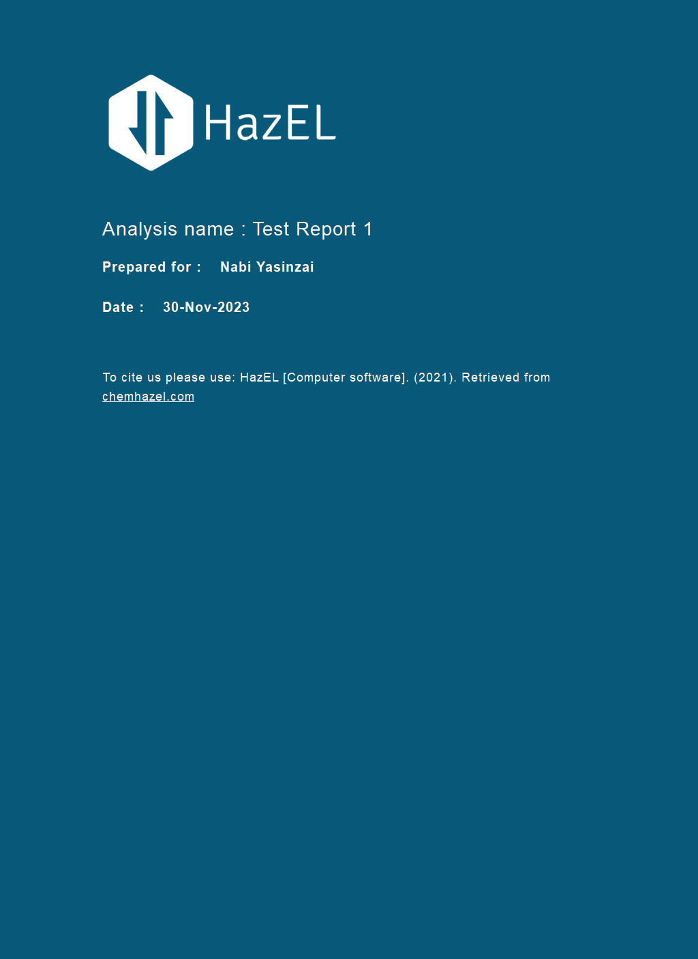

Graph&Weightings
Test Report 1

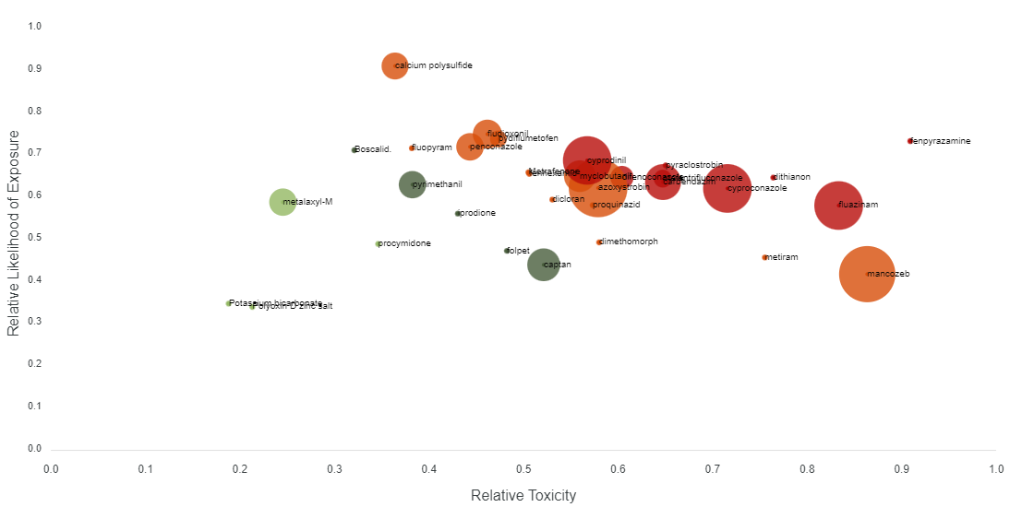

Weightings

Reliability
Name | Weightage
GHS classifications | 10.00
Exposure limits | 60.00
End point data | 30.00

Hazards
Name | Weightage
Acute human toxicity | 15.00
Chronic aquatic toxicity | 35.00
Chronic human toxicity | 35.00
Acute aquatic toxicity | 15.00

Biodegradibility
Name | Weightage
Volume | 0.00
Detected in drinking water | 25.00
Degradability | 25.00
Mobility | 25.00
Bioaccumulation | 25.00

Research Subject
Name | Weightage
Total toxicology research publications | 20.00
Growth in proportion of toxicology research/total publications | 80.00

Environmental Studies Research
Name | Weightage
Growth in proportion of environmental studies research/total publications | 80.00
Total environmental studies research publications | 20.00

Toxicology Research
Name | Weightage
Toxicology | 50.00
Environmental studies | 50.00

Weighting for prioritisation
Name | Weightage
Exposure | 18.00
Toxicity | 25.00
Emerging Concern | 57.00

