Sheet1
Agri-Business

Agri Culture

Applied Mathematics

Arabic
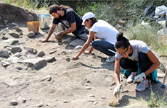
Archaeology

Architecture

Art History

Biology

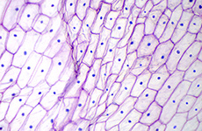  Business Administration

 Chemical Engineering

Chemistry

  Civil and Environmental Engineering

 Computer and Communications Engineering

Computer Science

Construction Engineering

Economics

  Electrical and Computer Engineering

Elementary Education

English Language

English Literature

Environmental Health

 Food Sciences and Management

Geology

Graphic Design

Health Communication

History

 Industrial Engineering

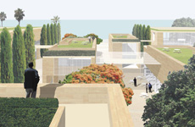 Landscape Architecture

Mathematics

Mechanical Engineering

 Media and Communication

Medical Imaging Sciences

 Medical Laboratory Sciences

Nursing BA/BS-BSN

Nursing BSN

Nursing RN-BSN

Nutrition and Dietetics

 Nutrition and Dietetics Coordinated Program

Petroleum Geosciences

Philosophy

Physics

Political Studies

Psychology

Public Administration

Sociology-Anthropology

Statistics

Studio Arts

Agri-Business

