Sheet1
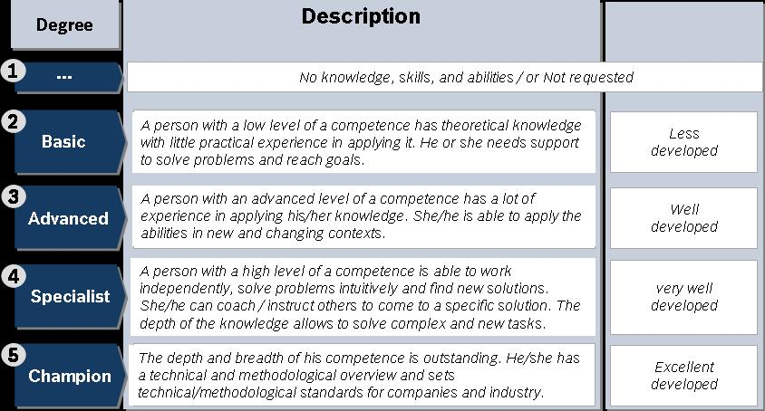
RBVH/ENG2 |  | Le Huu Nghia | Vo Thi Tinh | Lai Quang Vinh | Nguyen Huu Tuan | Nguyen Ha Duy | Nguyen Dang Khoa | Le Giang Long Ho | Tran Ngoc Minh | Le Minh Hong | Phan Nguyen Nhat Tien | Nguyen Sy Nguyen | Truong Cam Vinh | Do Tuan Anh | Ngo Nguyen Thao Trang | Huynh Duc Khoa | Ly Van Tinh | Nguyen Cong Hieu | Nguyen Thanh Phuc | Nguyen Trung Hai | Nguyen Ngoc Hien | Training Aspiration
Competences |  | P | A | P | A | P | A | P | A | P | A | P | A | P | A | P | A | P | A | P | A | P | A | P | A | P | A | P | A | P | A | P | A | P | A | P | A | P | A | P | A
 |  | Programing Language
 |  | C# |  |  |  | 2 |  | 2 |  | 2 |  | 3 |  | 2 |  | 3 |  | 3 |  | 2 |  | 1
 |  | C++ |  |  |  | 4 |  |  |  |  |  |  |  |  |  | 2 |  | 2 |  | 2
 |  | Java Core |  |  |  | 3 |  | 2 |  | 2 |  | 2 |  | 2 |  | 2 |  | 4 |  | 4 |  | 2
 |  | UIX
 |  | JavaScript |  |  |  |  |  |  |  |  |  |  |  |  |  | 2 |  | 3 |  | 3
 |  | HTML5 |  |  |  |  |  |  |  |  |  |  |  |  |  | 2 |  | 2 |  | 3 |  |  |  |  |  |  |  |  |  |  |  |  |  |  |  |  |  |  |  |  |  | x
 |  | Database
 |  | Oracle |  |  |  |  |  |  |  |  |  |  |  |  |  | 2 |  | 1 |  | 1
 |  | MySQL |  |  |  |  |  |  |  |  |  |  |  |  |  | 1 |  | 2 |  | 2
 |  | Postgres |  |  |  |  |  |  |  |  |  |  |  |  |  | 1 |  | 2 |  | 1
 |  | MSSQL |  |  |  |  |  |  |  |  |  |  |  |  |  | 2 |  | 2 |  | 2
 |  | CM & Build Systems
 |  | GIT |  |  |  |  |  |  |  |  |  |  |  |  |  | 2 |  | 2 |  | 2
 |  | Jenkins/Hudson |  |  |  |  |  |  |  |  |  |  |  |  |  | 1 |  | 1 |  | 1
 |  | Nant / Ant |  |  |  |  |  |  |  |  |  |  |  |  |  | 1 |  | 2 |  | 1
 |  | Maven |  |  |  |  |  |  |  |  |  |  |  |  |  | 2 |  | 1 |  | 2
 |  | CruiseControl.NET |  |  |  |  |  |  |  |  |  |  |  |  |  | 1 |  | 1 |  | 1
 |  | Web Framework
 |  | Node JS |  |  |  |  |  |  |  |  |  |  |  |  |  | 1 |  | 1 |  | 2
 |  | Jquery |  |  |  |  |  |  |  |  |  |  |  |  |  | 2 |  | 2 |  | 3
 |  | Spring MVC |  |  |  |  |  |  |  |  |  |  |  |  |  | 2 |  | 2 |  | 3
 |  | Language
 |  | English |  |  |  |  |  |  |  |  |  |  |  |  |  | 2 |  | 2 |  | 3
 |  | Japanese |  |  |  |  |  |  |  |  |  |  |  |  |  | 1 |  | 1 |  | 1
 |  | Germany |  |  |  |  |  |  |  |  |  |  |  |  |  | 1 |  | 1 |  | 1
 |  | Automation
 |  | MES (device) |  |  |  | 1 |  | 1 |  | 1 |  | 1 |  | 1 |  | 1 |  | 1 |  | 1
 |  | PLC |  |  |  | 1 |  | 1 |  | 1 |  | 1 |  | 1 |  | 1 |  | 1 |  | 1
 |  | Scada |  |  |  | 1 |  | 1 |  | 1 |  | 1 |  | 1 |  | 1 |  | 1 |  | 1
 |  | ERP |  |  |  | 2 |  | 1 |  | 1 |  | 1 |  | 1 |  | 1 |  | 1 |  | 1
 |  | ALM |  |  |  | 2 |  | 1 |  | 1 |  | 1 |  | 1 |  | 2 |  | 2 |  | 2 |  | 2
 |  | JIRA |  |  |  | 2 |  | 2 |  | 2 |  | 2 |  | 2 |  | 2 |  | 1 |  | 2 |  | 1
 |  | IBM Toolchain |  | 2 |  | 2 |  |  |  |  |  |  |  |  |  |  |  | 1 |  | 1
 |  | General
 |  | Design Pattern |  |  |  | 3 |  | 1 |  | 1 |  | 1 |  | 1 |  | 2 |  | 3 |  | 2 |  | 1
 |  | Performance |  |  |  |  |  |  |  |  |  |  |  |  |  |  |  | 2 |  | 2
 |  | Optimization |  |  |  |  |  |  |  |  |  |  |  |  |  |  |  | 2 |  | 2
 |  | Requirement Analysis |  | 3 |  | 3 |  | 2 |  | 2 |  | 2 |  | 1 |  | 2 |  | 3 |  | 2
 |  | Web service |  |  |  |  |  |  |  |  |  |  |  |  |  | 2 |  | 2 |  | 2
 |  | SOAP |  |  |  |  |  |  |  |  |  |  |  |  |  | 1 |  | 1 |  | 1
 |  | UI/UX |  | 3 |  | 3 |  | 1 |  | 1 |  | 1 |  | 1 |  | 1 |  | 2 |  | 2
 |  | Domain Specific
 |  | Labcar
 |  | STCReload |  | 1 |  | 1 |  |  |  |  |  | 2 |  | 1 |  | 1 |  | 1 |  | 1
 |  | StartLabcar |  | 1 |  | 1 |  |  |  |  |  | 2 |  | 1 |  | 1 |  | 1 |  | 1
 |  | LCR_ESB |  | 1 |  | 1 |  |  |  |  |  | 3 |  | 1 |  | 1 |  | 1 |  | 1
 |  | LLM |  | 1 |  | 1 |  |  |  |  |  | 2 |  | 1 |  | 1 |  | 1 |  | 1
 |  | LMT |  | 1 |  | 1 |  |  |  |  |  | 2 |  | 1 |  | 1 |  | 1 |  | 1
 |  | LCR_RBEI |  | 1 |  | 1 |  |  |  |  |  | 1 |  | 1 |  | 1 |  | 1 |  | 1
 |  | RQM_Tool
 |  | RQM Administrator |  |  |  |  |  |  |  |  |  |  |  |  |  | 1 |  | 1 |  | 2 |  | 1
 |  | RQM and Test Automation |  |  |  |  |  |  |  |  |  |  |  |  |  | 1 |  | 1 |  | 1 |  | 1
 |  | RQM Knowledge Sharing JUnitSelenium Test Adapters |  |  |  |  |  |  |  |  |  |  |  |  |  | 1 |  | 1 |  | 1 |  | 1
 |  | RQM Execel Import |  |  |  |  |  |  |  |  |  |  |  |  |  | 1 |  | 1 |  | 1 |  | 1
 |  | PMRs |  |  |  |  |  |  |  |  |  |  |  |  |  | 1 |  | 1 |  | 1 |  | 1
 |  | RQM Test Process for tool team |  |  |  |  |  |  |  |  |  |  |  |  |  | 1 |  | 1 |  | 1 |  | 1
 |  | RQM support tasks handling |  |  |  |  |  |  |  |  |  |  |  |  |  | 1 |  | 1 |  | 1 |  | 1
 |  | RQM Wiki page content |  |  |  |  |  |  |  |  |  |  |  |  |  | 1 |  | 1 |  | 1 |  | 1
 |  | Soft Clone Concept |  |  |  |  |  |  |  |  |  |  |  |  |  | 1 |  | 1 |  | 1 |  | 1
 |  | PA/RQM Copy Unitily Tool |  |  |  |  |  |  |  |  |  |  |  |  |  | 1 |  | 1 |  | 1 |  | 1
 |  | OSLC Liner Utility tool |  |  |  |  |  |  |  |  |  |  |  |  |  | 1 |  | 1 |  | 1 |  | 1
 |  | RQM Review for readliness |  |  |  |  |  |  |  |  |  |  |  |  |  | 1 |  | 1 |  | 11 |  | 1
 |  | FMEA |  |  |  |  |  |  |  |  |  |  |  |  |  | 1 |  | 1 |  | 1
 |  | NXP_DNG (OSLC) |  |  |  |  |  |  |  |  |  |  |  |  |  | 1 |  | 1 |  | 1
 | Industrial Automation (I4.0)
 | AngularJS |  | Active Cockpit |  |  |  |  |  |  |  |  |  |  |  |  |  |  | 2 |  | 2
 | NodeJS |  |  |  |  |  |  |  |  |  |  |  |  |  |  |  |  | 1 |  | 2
 | Hibernate |  |  |  |  |  |  |  |  |  |  |  |  |  |  |  |  | 3 |  | 3
 | PicketLink |  |  |  |  |  |  |  |  |  |  |  |  |  |  |  |  | 1 |  | 1
 | Liquibase |  |  |  |  |  |  |  |  |  |  |  |  |  |  |  |  | 1 |  | 1
 | Dozer |  |  |  |  |  |  |  |  |  |  |  |  |  |  |  |  | 1 |  | 1
 | DTO |  |  |  |  |  |  |  |  |  |  |  |  |  |  |  |  | 1 |  | 2
 | Bower |  |  |  |  |  |  |  |  |  |  |  |  |  |  |  |  | 1 |  | 2
 | Gulp |  |  |  |  |  |  |  |  |  |  |  |  |  |  |  |  | 1 |  | 1

