Template
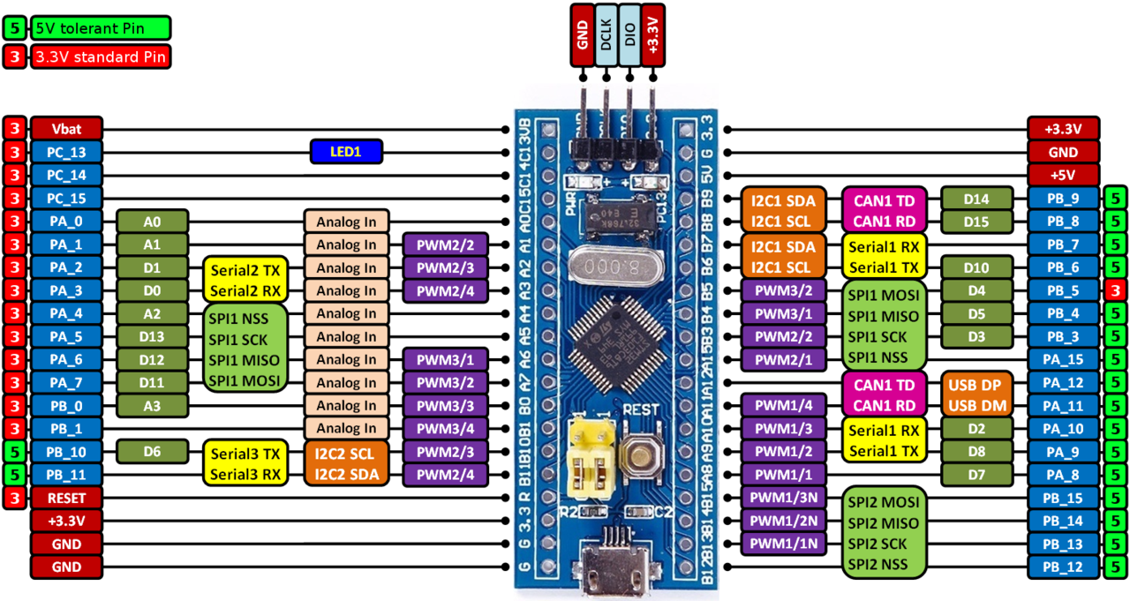
STM32F103C8T6 KIT PINOUT AND WIRING

No | Pin_Name | Alternate_Functions | Peripherals
1 | Vbat | ANTI_TAMP
2 | PC_13
3 | PC_14
4 | PC_15
5 | PA_0 | WKUP/USART2_CTS/ADC_IN0/TIM2_CH1_ETR
6 | PA_1 | USART2_RTS/ADC_IN1/TIM2_CH2
7 | PA_2 | USART2_TX/ADC_IN2/ TIM2_CH3
8 | PA_3 | USART2_RX/ADC_IN3/TIM2_CH4
9 | PA_4 | SPI1_NSS/USART2_CK/ ADC_IN4
10 | PA_5 | SPI1_SCK/ ADC_IN5
11 | PA_6 | SPI1_MISO/ADC_IN6/TIM3_CH1
12 | PA_7 | SPI1_MOSI/ADC_IN7/TIM3_CH2
13 | PB_0 | ADC_IN8/TIM3_CH3
14 | PB_1 | ADC_IN9/TIM3_CH4
15 | PB_10 | I2C2_SCL/USART3_TX
16 | PB_11 | I2C2_SDA/USART3_RX
17 | RESET
18 | +3.3V
19 | GND
20 | GND
21 | +3.3V
22 | GND
23 | +5V
24 | PB_9 | TIM4_CH4
25 | PB_8 | TIM4_CH3
26 | PB_7 | I2C1_SDA/TIM4_CH2
27 | PB_6 | I2C1_SCL/TIM4_CH1
28 | PB_5 | I2C1_SMBAl
29 | PB_4
30 | PB_3 | PB3/TRACESWO
31 | PA_15
32 | PA_12 | USART1_RTS/CANTX/TIM1_ETR/USBDP
33 | PA_11 | USART1_CTS/CANRX/TIM1_CH4/USBDM
34 | PA_10 | USART1_RX/TIM1_CH3
35 | PA_9 | USART1_TX/TIM1_CH2
36 | PA_8 | USART1_CK/TIM1_CH1/MCO
37 | PB_15 | SPI2_MOSI/TIM1_CH3N
38 | PB_14 | SPI2_NSS/I2C2_SMBAl/USART3_CK/TIM1_BKIN
39 | PB_13 | SPI2_SCK/USART3_CTS/TIM1_CH1N
40 | PB_12 | SPI2_NSS/I2C2_SMBAl/USART3_CK/TIM1_BKIN

Sheet2
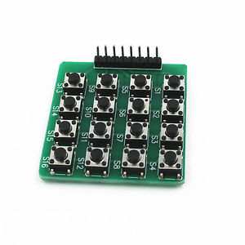
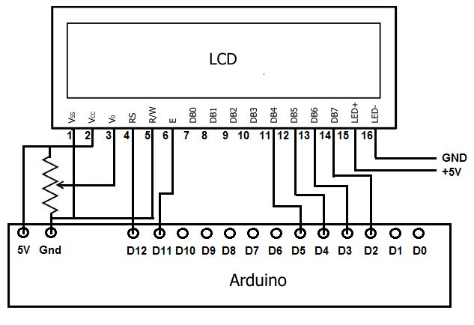
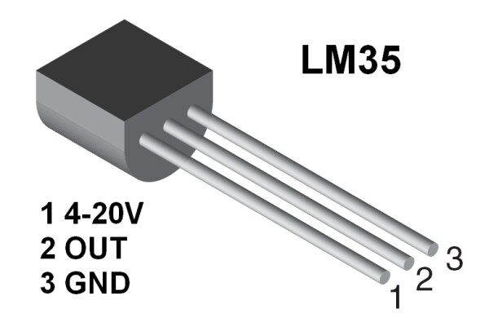
STM32F103C8T6 KIT PINOUT AND WIRING

No | Pin_Name | Alternate_Functions | Peripherals
1 | Vbat | ANTI_TAMP
2 | PC_13
3 | PC_14
4 | PC_15
5 | PA_0 | WKUP/USART2_CTS/ADC_IN0/TIM2_CH1_ETR | KEYP_C1
6 | PA_1 | USART2_RTS/ADC_IN1/TIM2_CH2 | KEYP_C2
7 | PA_2 | USART2_TX/ADC_IN2/ TIM2_CH3 | KEYP_C3
8 | PA_3 | USART2_RX/ADC_IN3/TIM2_CH4 | KEYP_C4
9 | PA_4 | SPI1_NSS/USART2_CK/ ADC_IN4 | KEYP_R1
10 | PA_5 | SPI1_SCK/ ADC_IN5 | KEYP_R2
11 | PA_6 | SPI1_MISO/ADC_IN6/TIM3_CH1 | KEYP_R3 | Keypad 4x4
12 | PA_7 | SPI1_MOSI/ADC_IN7/TIM3_CH2 | KEYP_R4
13 | PB_0 | ADC_IN8/TIM3_CH3 | LM35
14 | PB_1 | ADC_IN9/TIM3_CH4
15 | PB_10 | I2C2_SCL/USART3_TX | LCD_RS
16 | PB_11 | I2C2_SDA/USART3_RX | LCD_E
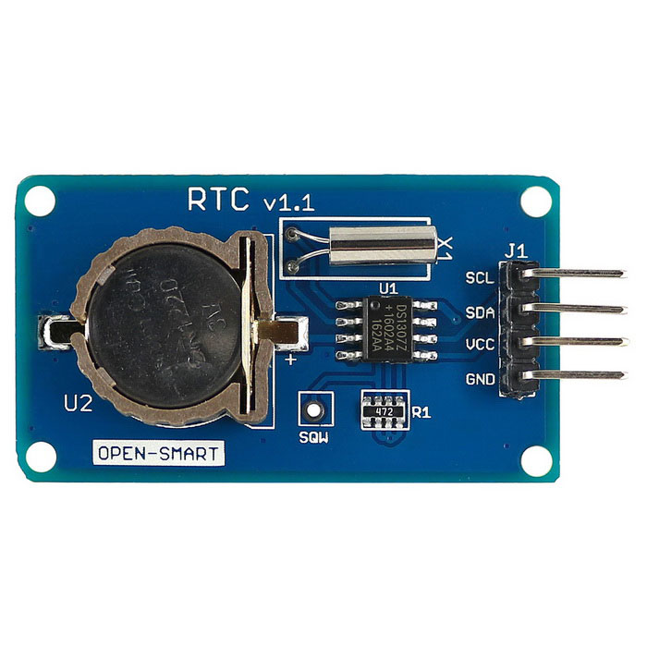
17 | RESET |  |  |  | LCD 20x4
18 | +3.3V
19 | GND
20 | GND
21 | +3.3V
22 | GND
23 | +5V
24 | PB_9 | TIM4_CH4
25 | PB_8 | TIM4_CH3
26 | PB_7 | I2C1_SDA/TIM4_CH2 | I2C_SDA
27 | PB_6 | I2C1_SCL/TIM4_CH1 | I2C_SCL
28 | PB_5 | I2C1_SMBAl
29 | PB_4
30 | PB_3 | PB3/TRACESWO
31 | PA_15
32 | PA_12 | USART1_RTS/CANTX/TIM1_ETR/USBDP
33 | PA_11 | USART1_CTS/CANRX/TIM1_CH4/USBDM
34 | PA_10 | USART1_RX/TIM1_CH3
35 | PA_9 | USART1_TX/TIM1_CH2
36 | PA_8 | USART1_CK/TIM1_CH1/MCO
37 | PB_15 | SPI2_MOSI/TIM1_CH3N | LCD_D7
38 | PB_14 | SPI2_NSS/I2C2_SMBAl/USART3_CK/TIM1_BKIN | LCD_D6
39 | PB_13 | SPI2_SCK/USART3_CTS/TIM1_CH1N | LCD_D5 | DS1307
40 | PB_12 | SPI2_NSS/I2C2_SMBAl/USART3_CK/TIM1_BKIN | LCD_D4

