Buyer_Wireframe
1.Login screen |  |  |  |  |  |  | 2.Signup screen

 | UserName |  |  |  |  |  |  | UserName

 | Password |  |  |  |  |  |  | Password
Login
Signup
 |  |  |  |  |  | Signup button pressed |  | Emailid
 |  |  |  |  |  | move to Signup screen
 |  |  |  |  |  |  | mobile number

Confirm

 |  |  |  |  |  | Confirm button pressed
 |  |  |  |  |  | Return to the Login screen

 |  | Login button pressed
 |  |  |  |  |  | Search button pressed(Display the search results on the same screen)

3.Home Page screen(Buyer) |  |  |  |  |  |  | 3.Item Search Results
Search
Shoes
Search
 |  |  |  |  | Logout |  |  |  |  |  | Logout

SHOES
CLOTHING
BAGS
 |  |  |  | ….... |  |  |  | Shoes Search Result
Buy Item
PurchaseHistory
View Discounts
Report

 |  |  |  |  |  |  | Stsrt Price
800
 |  |  |  |  |  |  | End Price |  | RS.2,000/ | Seller1
10000
Details
Any
 |  |  |  |  |  |  | Manufacturer | Crocs Rain Boot
 |  |  |  |  | ….......

 |  |  |  |  |  |  | ….... |  | RS.2,100/ | Seller2
Filter
Details
 |  |  |  |  |  |  |  | Crocs Cyprus V Heel
 |  |  |  |  |  |  |  | ….... | …...... | …......

 |  |  |  |  |  |  | Details button pressed

4.Item Specifications

 |  |  |  |  | Logout
 |  |  |  |  |  |  |  |  |  |  | Logout
Search
Buy Item
PurchaseHistory
View Discounts
Report
Buy Item
PurchaseHistory
View Discounts
Report

Delete
 |  |  |  |  |  |  | Thumbnail | Item1 | RS.2,000/
 | Crocs Cyprus V Heel
Check Out
Delete
When Apply Discount clicked display small text ,for User to fill Discount code ,and when applied deduct appropriate %
 |  |  |  |  |  |  | Thumbnail | Item2 | RS.2,200/
 | RS.2009/01/01 |  | Seller2
Add to Card
Delete
 |  |  |  |  |  |  | Thumbnail | Item3 | RS.3,000/

Delete
 |  |  |  |  |  |  | Thumbnail | Item4 | RS.4,300/
Checkout need not be integrated with any Payment gateway (rather the Transaction details can be added to Transaction DB Table)

…....... |  |  |  |  |  |  | Total Tax | RS.1,230/-
Apply Discount
Checkout
 |  |  |  |  |  |  | Total Price | RS.9,300/

Back to Search Results
Back to Search Results

 |  |  |  |  | Logout

Buy Item
PurchaseHistory
View Discounts
Report

View
Thumbnail | Item1 | RS.2,000/ | 5th | Nov 2019

View
Thumbnail | Item2 | RS.2,200/ | 2nd | Nov 2019

View
Thumbnail | Item3 | RS.3,000/ | 19th | Oct 2019

View
Thumbnail | Item4 | RS.4,300/ | 21st | Nov 2019

Back to Search Results

List of items purchased in reverse chronological order ,use scrollbar if required

Seller_Wireframe
1.Login screen |  |  |  |  |  | 2.Signup screen

 | UserName |  |  |  |  |  | UserName

 | Password |  |  |  |  |  | Password
Login
Signup
 |  |  |  |  | Signup button pressed |  | Emailid
 |  |  |  |  | move to Signup screen
 |  |  |  |  |  | mobile number

 |  |  |  |  |  | company name

 |  |  |  |  |  | Bank card information

Confirm
 |  |  |  |  |  | mailing address
 |  |  |  |  | Confirm button pressed
 |  |  |  |  | Return to the Login screen

 |  | Login button pressed

3.Home Page screen(Seller)

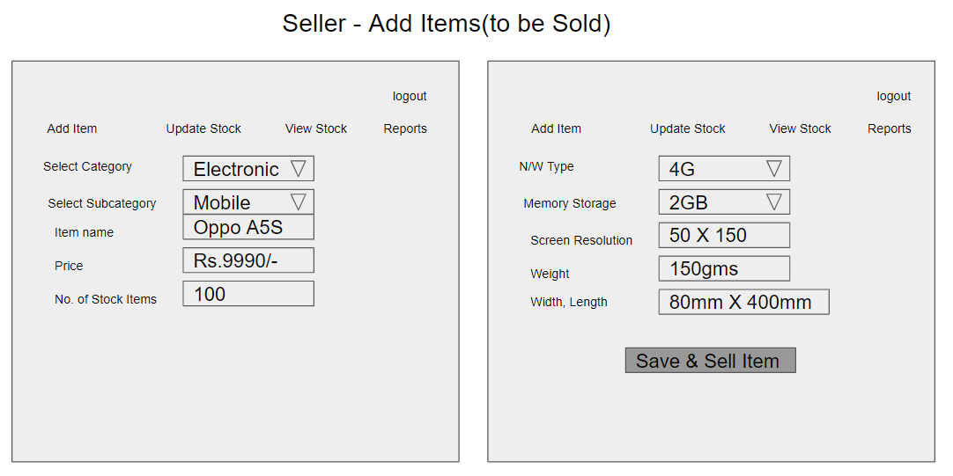

Data From

Data To

Search

Date | Item Name | Category | Sub Category | Price
2020-04-10 | iphone1 | Electronic | Mobile | $400
2020-04-15 | iphone2 | Electronic | Mobile | $500
2020-04-15 | iphone3 | Electronic | Mobile | $600

Total Sales： | $1,500

Back to Home Page

