RsUnits
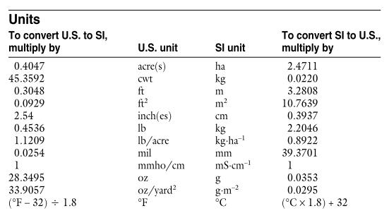

Conversions from these units to umol CO2/m2/s:

Unit | Conversion_factor | Sample_flux | Flux_umol CO2/m2/s
g C/m2/day | 0.9645 | 1.00 | 0.96
g C/m2/hr | 23.148148148 | 0.10 | 2.31
g C/m2/yr | 0.0026424826653 | 500 | 1.32
g CO2/m2/day | 0.2630 | 10 | 2.63 |  |  |  | 0.01 | -2
g CO2/m2/hr | 6.3131 | 1.00 | 6.31 |  |  |  | 1 | 0
mg C/m2/day | 0.0010 | 1000.00 | 0.96 |  |  |  | 10 | 1
mg C/m2/hr | 0.0231 | 83.00 | 1.92 |  |  |  | 100 | 2
mg CO2/m2/day | 0.0003 | 1000.00 | 0.26 |  |  |  | 1000 | 3
mg CO2/m2/hr | 0.0063 | 100.00 | 0.63
mg CO2/m2/s | 22.7273 | 1 | 22.73 | 1mg=0.001 g | 1 mu mol = 1/1000000 mol | 22.727272727
mmol CO2/m2/day | 0.0116 | 10.00 | 0.12
mmol CO2/m2/hr | 0.27777777778 | 100.00 | 27.78
mmol CO2/m2/s | 0.0010 | 1000.00 | 1.00
mol C/m2/yr | 0.031709791984 | 10.00 | 0.32
umol CO2/m2/s | 1.0000 | 1.00 | 1.00

1 dag = 0.1 g

CH4 & N2O
Unit | Conversion_factor | Sample_flux | Flux_umol kg/ha
g /m2 | 10.0000 | 1.00 | 10.00

