Heat Map
Importance of production transparency
Willingness to support organic projects

Preference for organic products
Interest in transparent producers
Influence of social responsibility
Willingness to purchase online
Interest in healthy lifestyle
Trust in organic products

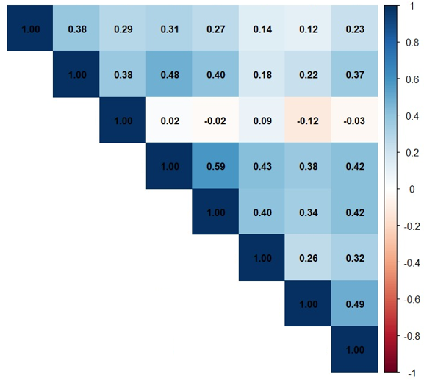
Interest in healthy lifestyle

Preference for organic products

Trust in organic products

Interest in transparent producers

Influence of social responsibility

Willingness to purchase online

Importance of production transparency

Willingness to support organic projects

