봄
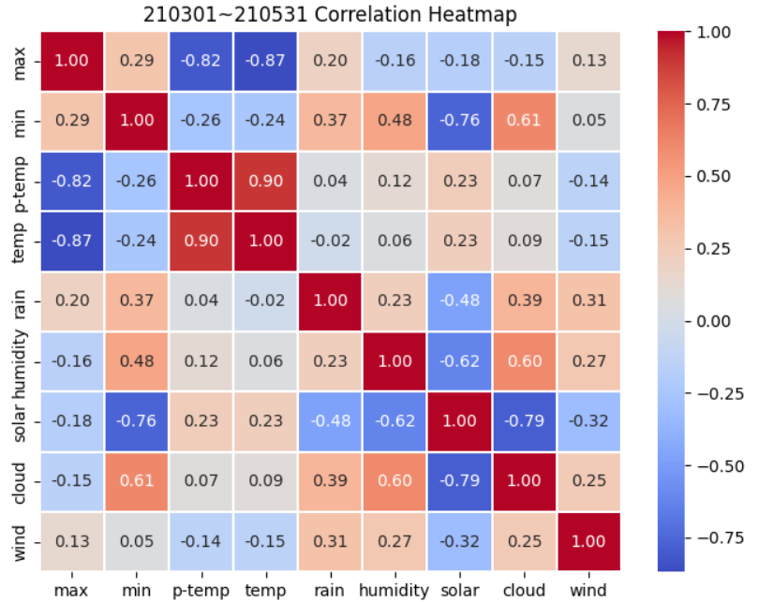
봄
2021 | max | min | p-temp | temp | rain | humidity | solar | cloud | wind
max | 1
min | 0.29 | 1
p-temp | -0.82 | -0.26 | 1
temp | -0.87 | -0.24 | 0.9 | 1
rain | 0.2 | 0.37 | 0.04 | -0.02 | 1
humidity | -0.16 | 0.48 | 0.12 | 0.06 | 0.23 | 1
solar | -0.18 | -0.76 | 0.23 | 0.23 | -0.48 | -0.62 | 1
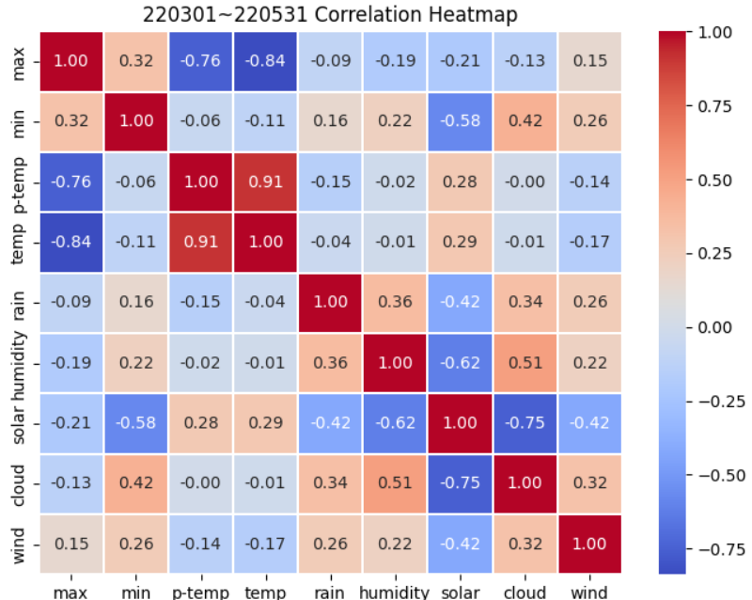
cloud | -0.15 | 0.61 | 0.07 | 0.09 | 0.39 | 0.6 | -0.79 | 1
wind | 0.13 | 0.05 | -0.14 | -0.15 | 0.31 | 0.27 | -0.32 | 0.25 | 1

2022 | max | min | p-temp | temp | rain | humidity | solar | cloud | wind
max | 1
min | 0.32 | 1
p-temp | -0.76 | -0.06 | 1
temp | -0.84 | -0.11 | 0.91 | 1
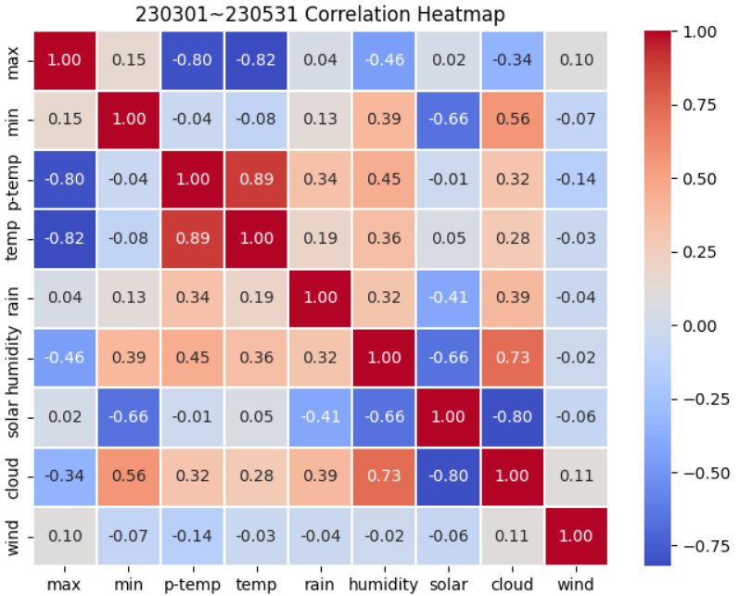
rain | -0.09 | 0.16 | -0.15 | -0.04 | 1
humidity | -0.19 | 0.22 | -0.02 | -0.01 | 0.36 | 1
solar | -0.21 | -0.58 | 0.28 | 0.29 | -0.42 | -0.62 | 1
cloud | -0.13 | 0.42 | 0 | -0.01 | 0.34 | 0.51 | -0.75 | 1
wind | 0.15 | 0.26 | -0.14 | -0.17 | 0.26 | 0.22 | -0.42 | 0.32 | 1

2023 | max | min | p-temp | temp | rain | humidity | solar | cloud | wind
max | 1
min | 0.15 | 1
p-temp | -0.8 | -0.04 | 1
temp | -0.82 | -0.08 | 0.89 | 1
rain | 0.04 | 0.13 | 0.34 | 0.19 | 1
humidity | -0.46 | 0.39 | 0.45 | 0.36 | 0.32 | 1
solar | 0.02 | -0.66 | -0.01 | 0.05 | -0.41 | -0.66 | 1
cloud | 0.34 | 0.56 | 0.32 | 0.28 | 0.39 | 0.73 | -0.8 | 1
wind | 0.1 | -0.07 | -0.14 | -0.03 | -0.04 | -0.02 | -0.06 | 0.11 | 1

spring | max | min | p-temp | temp | rain | humidity | solar | cloud | wind
max | 1
min | 0.25333333333 | 1
p-temp | -0.79333333333 | -0.12 | 1
temp | -0.84333333333 | -0.14333333333 | 0.9 | 1
rain | 0.05 | 0.22 | 0.076666666667 | 0.043333333333 | 1
humidity | -0.27 | 0.36333333333 | 0.18333333333 | 0.13666666667 | 0.30333333333 | 1
solar | -0.12333333333 | -0.66666666667 | 0.16666666667 | 0.19 | -0.43666666667 | -0.63333333333 | 1
cloud | 0.02 | 0.53 | 0.13 | 0.12 | 0.37333333333 | 0.61333333333 | -0.78 | 1
wind | 0.12666666667 | 0.08 | -0.14 | -0.11666666667 | 0.17666666667 | 0.15666666667 | -0.26666666667 | 0.22666666667 | 1

여름
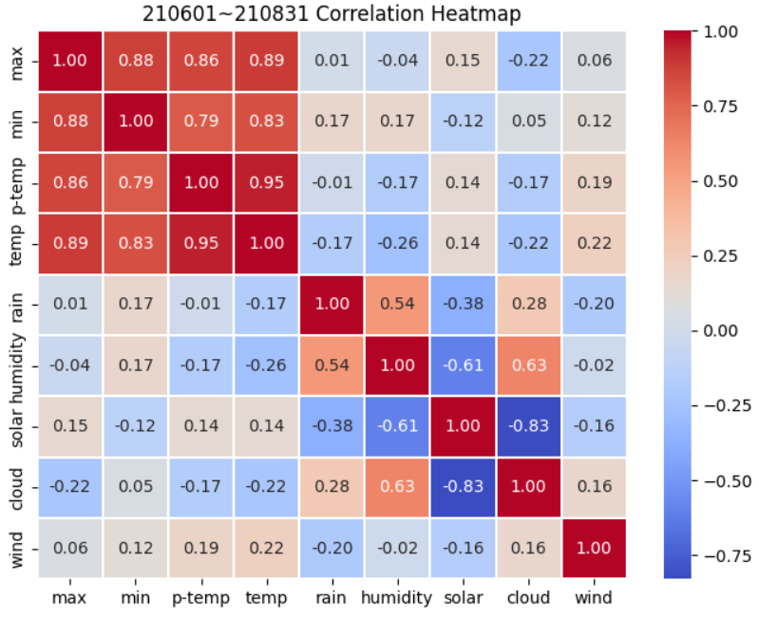
여름
2021 | max | min | p-temp | temp | rain | humidity | solar | cloud | wind
max | 1
min | 0.88 | 1
p-temp | 0.86 | 0.79 | 1
temp | 0.89 | 0.83 | 0.95 | 1
rain | 0.01 | 0.17 | -0.01 | -0.17 | 1
humidity | -0.04 | 0.17 | -0.17 | -0.26 | 0.54 | 1
solar | 0.15 | -0.12 | 0.14 | 0.14 | -0.38 | -0.61 | 1
cloud | -0.22 | 0.05 | -0.17 | -0.22 | 0.28 | 0.63 | -0.83 | 1
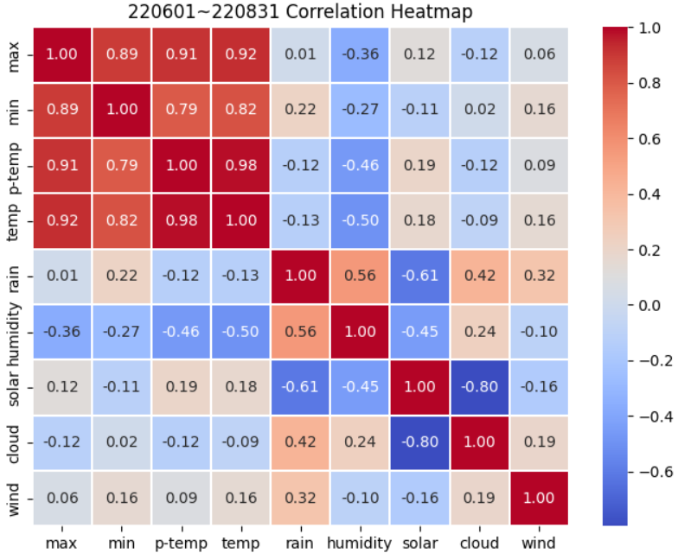
wind | 0.06 | 0.12 | 0.19 | 0.22 | -0.2 | -0.02 | -0.16 | 0.16 | 1

2022 | max | min | p-temp | temp | rain | humidity | solar | cloud | wind
max | 1
min | 0.89 | 1
p-temp | 0.91 | 0.79 | 1
temp | 0.92 | 0.82 | 0.98 | 1
rain | 0.01 | 0.22 | -0.12 | -0.13 | 1
humidity | -0.36 | -0.27 | -0.46 | -0.5 | 0.56 | 1
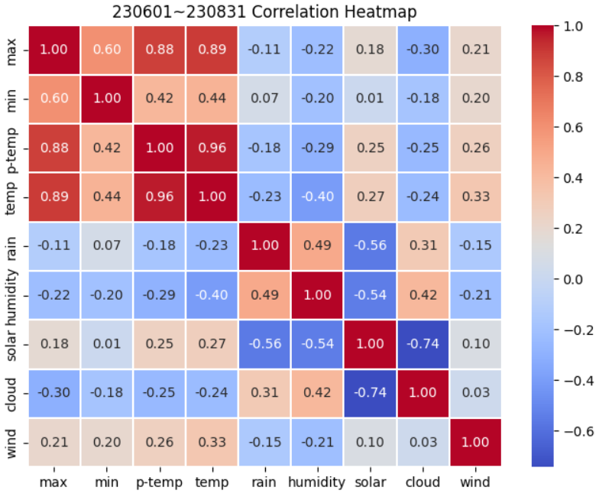
solar | 0.12 | -0.11 | 0.19 | 0.18 | -0.61 | -0.45 | 1
cloud | -0.12 | 0.02 | -0.12 | -0.09 | 0.42 | 0.24 | -0.8 | 1
wind | 0.06 | 0.16 | 0.09 | 0.16 | 0.32 | -0.1 | -0.16 | 0.19 | 1

2023 | max | min | p-temp | temp | rain | humidity | solar | cloud | wind
max | 1
min | 0.6 | 1
p-temp | 0.88 | 0.42 | 1
temp | 0.89 | 0.44 | 0.96 | 1
rain | -0.11 | 0.07 | -0.18 | -0.23 | 1
humidity | -0.22 | -0.2 | -0.29 | -0.4 | 0.49 | 1
solar | 0.18 | 0.01 | 0.25 | 0.27 | -0.56 | -0.54 | 1
cloud | -0.3 | -0.18 | -0.25 | -0.24 | 0.31 | 0.42 | -0.74 | 1
wind | 0.21 | 0.2 | 0.26 | 0.33 | -0.15 | -0.21 | 0.1 | 0.03 | 1

summer | max | min | p-temp | temp | rain | humidity | solar | cloud | wind
max | 1
min | 0.79 | 1
p-temp | 0.88333333333 | 0.66666666667 | 1
temp | 0.9 | 0.69666666667 | 0.96333333333 | 1
rain | -0.03 | 0.15333333333 | -0.10333333333 | -0.17666666667 | 1
humidity | -0.20666666667 | -0.1 | -0.30666666667 | -0.38666666667 | 0.53 | 1
solar | 0.15 | -0.073333333333 | 0.19333333333 | 0.19666666667 | -0.51666666667 | -0.53333333333 | 1
cloud | -0.21333333333 | -0.036666666667 | -0.18 | -0.18333333333 | 0.33666666667 | 0.43 | -0.79 | 1
wind | 0.11 | 0.16 | 0.18 | 0.23666666667 | -0.01 | -0.11 | -0.073333333333 | 0.12666666667 | 1

가을
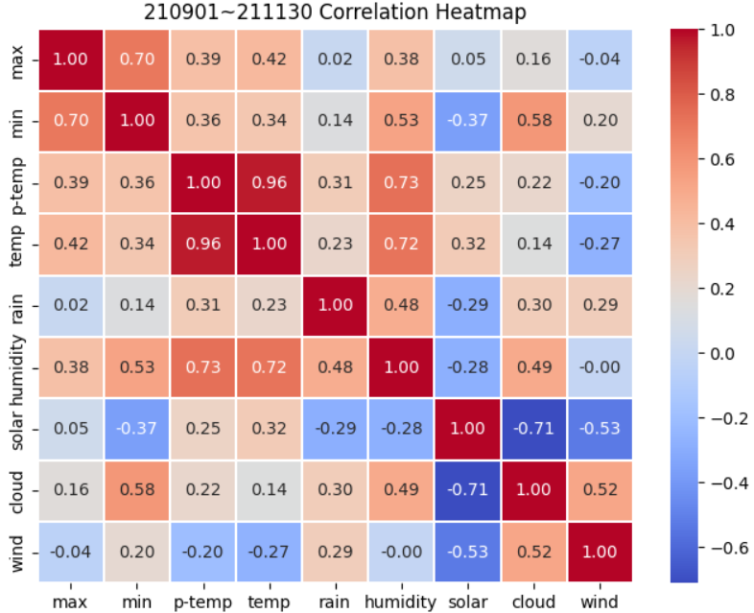
가을
2021 | max | min | p-temp | temp | rain | humidity | solar | cloud | wind
max | 1
min | 0.7 | 1
p-temp | 0.39 | 0.36 | 1
temp | 0.42 | 0.34 | 0.96 | 1
rain | 0.02 | 0.14 | 0.31 | 0.23 | 1
humidity | 0.38 | 0.53 | 0.73 | 0.72 | 0.48 | 1
solar | 0.05 | -0.37 | 0.25 | 0.32 | -0.29 | -0.28 | 1
cloud | 0.16 | 0.58 | 0.22 | 0.14 | 0.3 | 0.49 | -0.71 | 1
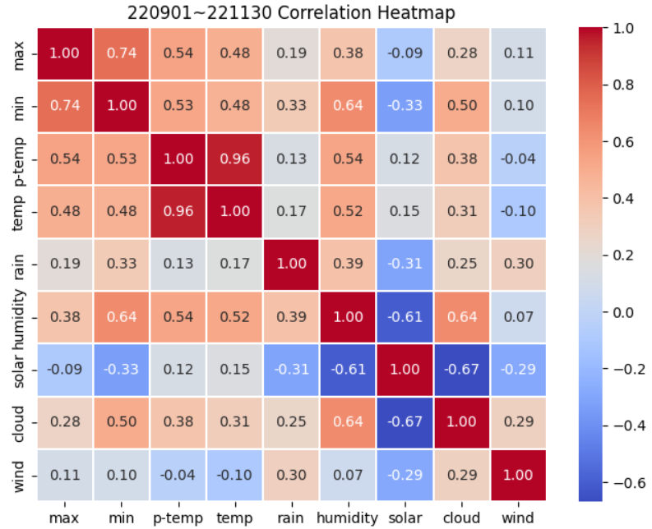
wind | -0.04 | 0.2 | -0.2 | -0.27 | 0.29 | 0 | -0.53 | 0.52 | 1

2022 | max | min | p-temp | temp | rain | humidity | solar | cloud | wind
max | 1
min | 0.74 | 1
p-temp | 0.54 | 0.53 | 1
temp | 0.48 | 0.48 | 0.96 | 1
rain | 0.19 | 0.33 | 0.13 | 0.17 | 1
humidity | 0.38 | 0.64 | 0.54 | 0.52 | 0.39 | 1
solar | -0.09 | -0.33 | 0.12 | 0.15 | -0.31 | -0.61 | 1
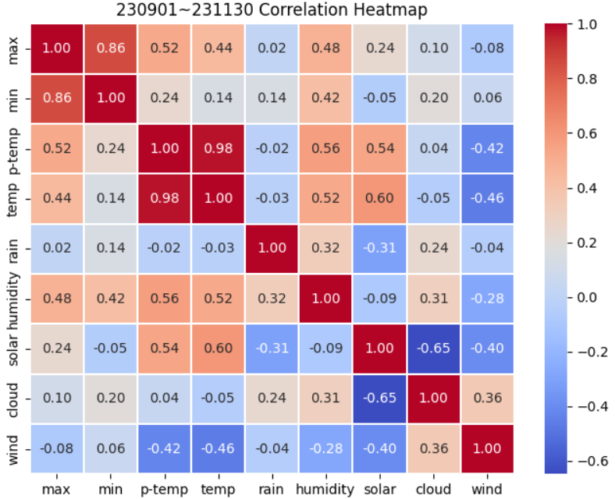
cloud | 0.28 | 0.5 | 0.38 | 0.31 | 0.25 | 0.64 | -0.67 | 1
wind | 0.11 | 0.1 | -0.04 | -0.1 | 0.3 | 0.07 | -0.29 | 0.29 | 1

2023 | max | min | p-temp | temp | rain | humidity | solar | cloud | wind
max | 1
min | 0.86 | 1
p-temp | 0.52 | 0.24 | 1
temp | 0.44 | 0.14 | 0.98 | 1
rain | 0.02 | 0.14 | -0.02 | -0.03 | 1
humidity | 0.48 | 0.42 | 0.56 | 0.52 | 0.32 | 1
solar | 0.24 | -0.05 | 0.54 | 0.6 | -0.31 | -0.09 | 1
cloud | 0.1 | 0.2 | 0.04 | -0.05 | 0.24 | 0.31 | -0.65 | 1
wind | -0.08 | 0.06 | -0.42 | -0.46 | -0.04 | -0.28 | -0.4 | 0.36 | 1

autumn | max | min | p-temp | temp | rain | humidity | solar | cloud | wind
max | 1
min | 0.76666666667 | 1
p-temp | 0.48333333333 | 0.37666666667 | 1
temp | 0.44666666667 | 0.32 | 0.96666666667 | 1
rain | 0.076666666667 | 0.20333333333 | 0.14 | 0.12333333333 | 1
humidity | 0.41333333333 | 0.53 | 0.61 | 0.58666666667 | 0.39666666667 | 1
solar | 0.066666666667 | -0.25 | 0.30333333333 | 0.35666666667 | -0.30333333333 | -0.32666666667 | 1
cloud | 0.18 | 0.42666666667 | 0.21333333333 | 0.13333333333 | 0.26333333333 | 0.48 | -0.67666666667 | 1
wind | -0.0033333333333 | 0.12 | -0.22 | -0.27666666667 | 0.18333333333 | -0.07 | -0.40666666667 | 0.39 | 1

겨울
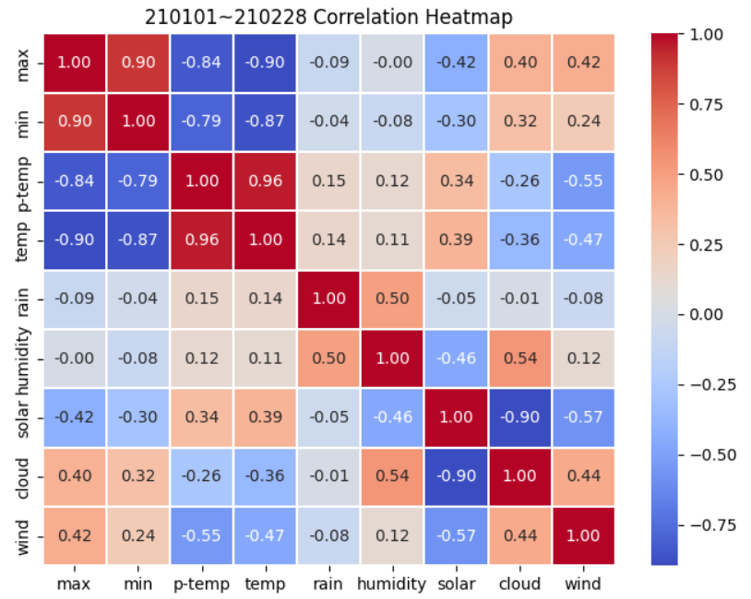
겨울
2021 | max | min | p-temp | temp | rain | humidity | solar | cloud | wind
max | 1
min | 0.9 | 1
p-temp | -0.84 | -0.79 | 1
temp | -0.9 | -0.87 | 0.96 | 1
rain | -0.09 | -0.04 | 0.15 | 0.14 | 1
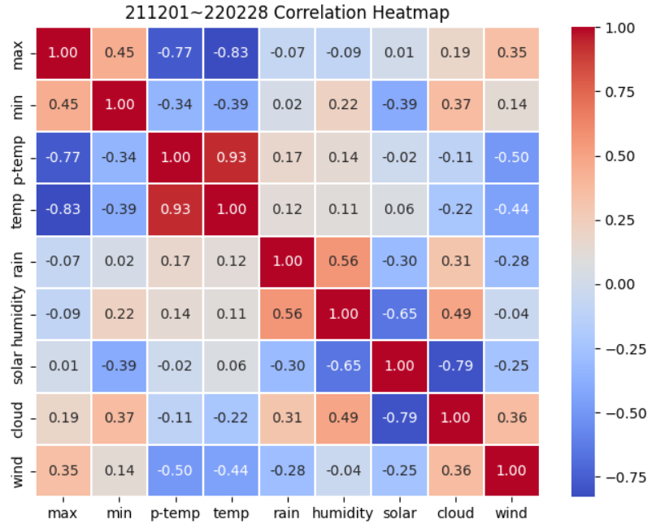
humidity | 0 | -0.08 | 0.12 | 0.11 | 0.5 | 1
solar | -0.42 | -0.3 | 0.34 | 0.39 | -0.05 | -0.46 | 1
cloud | 0.4 | 0.32 | -0.26 | -0.36 | -0.01 | 0.54 | -0.9 | 1
wind | 0.42 | 0.24 | -0.55 | -0.47 | -0.08 | 0.12 | -0.57 | 0.44 | 1

2022 | max | min | p-temp | temp | rain | humidity | solar | cloud | wind
max | 1
min | 0.45 | 1
p-temp | -0.77 | 0.34 | 1
temp | -0.83 | -0.39 | 0.93 | 1
rain | -0.07 | 0.02 | 0.17 | 0.12 | 1
humidity | -0.09 | 0.22 | 0.14 | 0.11 | 0.56 | 1
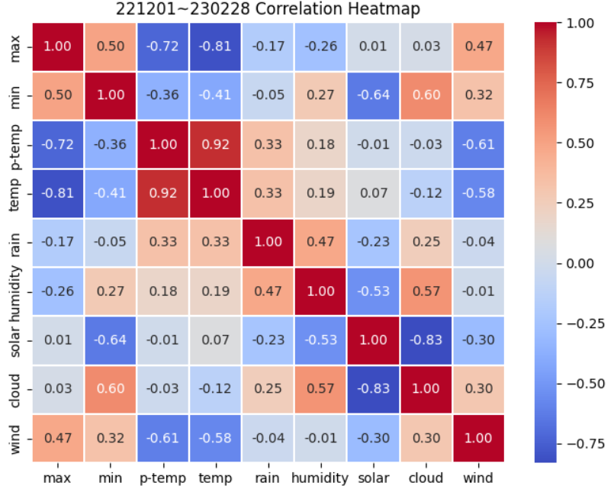
solar | 0.01 | -0.39 | -0.02 | 0.06 | -0.3 | -0.65 | 1
cloud | 0.19 | 0.37 | -0.11 | -0.22 | 0.31 | 0.49 | -0.79 | 1
wind | 0.35 | 0.14 | -0.5 | -0.44 | -0.28 | -0.04 | -0.25 | 0.36 | 1

2023-1 | max | min | p-temp | temp | rain | humidity | solar | cloud | wind
max | 1
min | 0.5 | 1
p-temp | -0.72 | -0.36 | 1
temp | -0.81 | -0.41 | 0.92 | 1
rain | -0.17 | -0.05 | 0.33 | 0.33 | 1
humidity | -0.26 | 0.27 | 0.18 | 0.9 | 0.47 | 1
solar | 0.01 | -0.64 | -0.01 | 0.07 | -0.23 | -0.53 | 1
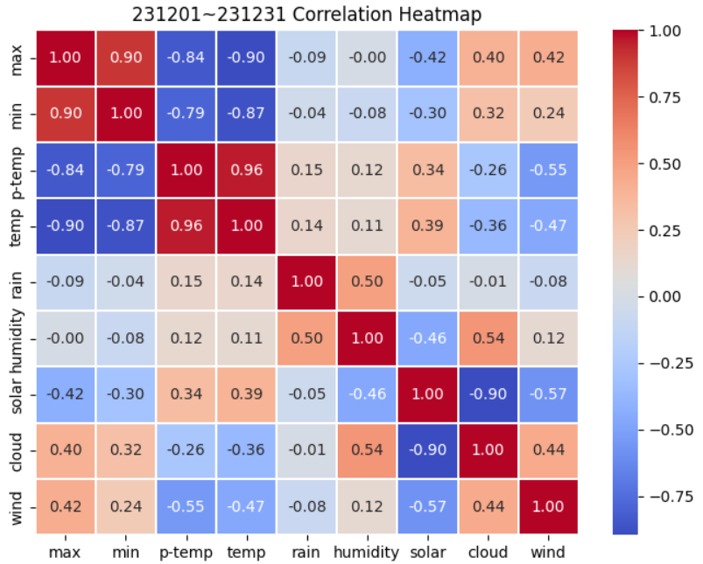
cloud | 0.03 | 0.6 | -0.03 | -0.12 | 0.25 | 0.57 | -0.83 | 1
wind | 0.47 | 0.32 | -0.61 | -0.58 | -0.04 | -0.01 | -0.3 | 0.3 | 1

2023-2 | max | min | p-temp | temp | rain | humidity | solar | cloud | wind
max | 1
min | 0.9 | 1
p-temp | -0.84 | -0.79 | 1
temp | -0.9 | -0.87 | 0.96 | 1
rain | -0.09 | -0.04 | 0.15 | 0.14 | 1
humidity | 0 | -0.08 | 0.12 | 0.11 | 0.5 | 1
solar | -0.42 | -0.3 | 0.34 | 0.39 | -0.05 | -0.46 | 1
cloud | 0.4 | 0.32 | -0.26 | -0.36 | -0.01 | 0.54 | -0.9 | 1
wind | 0.42 | 0.24 | -0.55 | -0.47 | -0.08 | 0.12 | -0.57 | 0.44 | 1

winter | max | min | p-temp | temp | rain | humidity | solar | cloud | wind
max | 1
min | 0.6875 | 1
p-temp | -0.7925 | -0.4 | 1
temp | -0.86 | -0.635 | 0.9425 | 1
rain | -0.105 | -0.0275 | 0.2 | 0.1825 | 1
humidity | -0.0875 | 0.0825 | 0.14 | 0.3075 | 0.5075 | 1
solar | -0.205 | -0.4075 | 0.1625 | 0.2275 | -0.1575 | -0.525 | 1
cloud | 0.255 | 0.4025 | -0.165 | -0.265 | 0.135 | 0.535 | -0.855 | 1
wind | 0.415 | 0.235 | -0.5525 | -0.49 | -0.12 | 0.0475 | -0.4225 | 0.385 | 1

