Test
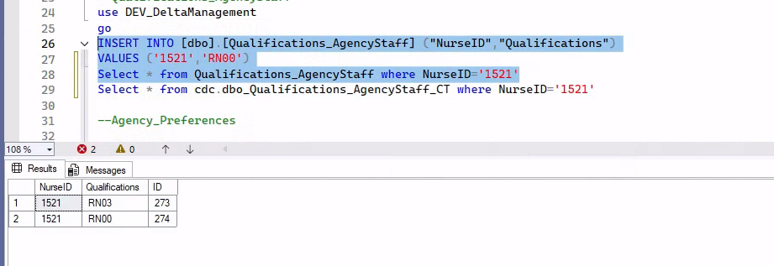
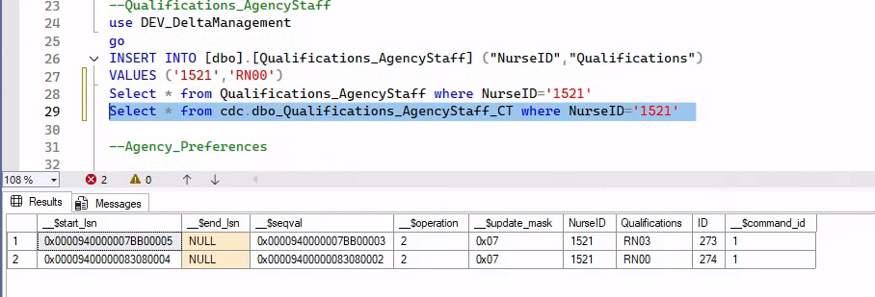
Test Case 163516: [Microservice] [Regression] TC09: Create Worker & Employment from Delta Management - Agency Staff
Tester | Anh Bui
State | PASSED

SQL Server
Insert New NurseId
INSERT INTO [dbo].[Personal_Details_AgencyStaff] ("Surname","First_Name","Title","DateOfBirth","Sex","NINumber","Deactivate","Contracted","Superannuable",
"WorkPublicHolidays","WaiverSigned", "WeeklyPaid","LocationAvailabilityData","ISCVAttached","WorkPermit")
VALUES ('Maye','BON', 'Ms.','2000-10-17','F','BON171023',0,1,1,1,0,1,1,1,1)

{
"resourceType": "Worker",
"Identifiers": {
"NurseID": "A-1521",
"ESRAssignmentNo": null,
"NINumber": "PA1612601"
},
"Name": {
"Title": "Ms.",
"First_Name": "Jane",
"Surname": "Penny"
},
"Sex": {
"Code": "F",
"Description": "Female"
},
"DateOfBirth": "2000-10-17",
"Deactivate": "1",
"Address": {
"Address1": null,
"Address2": null,
"Address3": null,
"Address4": null,
"County": null,
"Post_Code": null,
"StaffCountry": null
},
"Contacts": null,
"MaritalStatus": null,
"Disability": null,
"Nationality": null,
"EthnicOrigin": {
"Code": null,
"Description": null
}
}

{
"EntityTable": "Personal_Details_AgencyStaff",
"IUD_TimeStamp": "2026-01-16T06:44:18.243",
"NurseID": "1521",
"Surname": "Penny",
"First_Name": "Jane",
"Email": "1521@nhsprofessionals.nhs.uk",
"Address1": null,
"Address2": null,
"Title": "Ms.",
"Contracted": "1",
"Pay_Scale": null,
"Spine": null,
"Post_Code": null,
"Superannuable": "1",
"WorkPublicHolidays": "1",
"CheckOutRate": null,
"LeastCount": null,
"StaffNo": null,
"DateOfBirth": "2000-10-17T00:00:00",
"Address3": null,
"PIN": null,
"Sex": "F",
"EthnicOrigin": null,
"DateEmployedByTrust": "1900-01-01T00:00:00",
"PINExpiry": "1900-01-01T00:00:00",
"HoursWorked": null,
"WaiverSigned": "0",
"WeeklyPaid": "1",
"DateOfInduction": "1900-01-01T00:00:00",
"LocationAvailabilityData": "1",
"Address4": null,
"DummyNurseId": null,
"Qual": null,
"NINumber": "PA1612601",
"Deactivate": "0",
"WorkPermit": "1",
"WorkPermitExpiry": "1900-01-01T00:00:00",
"PINType": null,
"ISCVAttached": "1",
"CVName": null,
"PinRevalidationDate": "1900-01-01T00:00:00",
"ClientTrust": null,
"PayMethod": null
}

Insert Email
INSERT INTO [dbo].[Contacts_AgencyStaff] ("NurseID","ContactType","Contact")
VALUES ('1312','Email', '1312@nhsprofessionals.uk')

{
"resourceType": "Worker",
"Identifiers": {
"NurseID": "A-1521",
"ESRAssignmentNo": null,
"NINumber": "PA1612601"
},
"Name": {
"Title": "Ms.",
"First_Name": "Jane",
"Surname": "Penny"
},
"Sex": {
"Code": "F",
"Description": "Female"
},
"DateOfBirth": "2000-10-17",
"Deactivate": "1",
"Address": {
"Address1": null,
"Address2": null,
"Address3": null,
"Address4": null,
"County": null,
"Post_Code": null,
"StaffCountry": null
},
"Contacts": {
"ContactType": "Email",
"Contact": "1521@nhsprofessionals.uk",
"Priority": null
},
"MaritalStatus": null,
"Disability": null,
"Nationality": null,
"EthnicOrigin": {
"Code": null,
"Description": null
}
}

{ |  | {
"id": "544f59da-4154-40b3-86c3-59855005e916", |  | "id": "b2ce569a-d172-4b77-bfaf-aa703c9c6199",
"resourceType": "Worker", |  | "resourceType": "Worker",
"meta": { |  | "meta": {
"versionId": "0.1", |  | "versionId": "0.1",
"lastUpdated": "2026-01-16T06:51:13Z", |  | "lastUpdated": "2026-01-16T06:51:13Z",
"operationId": "CreateWorker", |  | "operationId": "CreateWorker",
"integrationState": "Confirmed", |  | "integrationState": "Confirmed",
"Sync": [], |  | "Sync": [],
"source": "StaffBank", |  | "source": "StaffBank",
"tags": [ |  | "tags": [
"AD B2C Account not required" |  | "AD B2C Account not required",
] |  | "history"
}, |  | ]
"identifier": [ |  | },
{ |  | "identifier": [
"type": { |  | {
"coding": [ |  | "type": {
{ |  | "coding": [
"system": "CodeSystem/StaffBank-WorkerIdentifier", |  | {
"code": "SBWRI", |  | "system": "CodeSystem/StaffBank-WorkerIdentifier",
"display": "StaffBank Nurse Identifier" |  | "code": "SBWRI",
} |  | "display": "StaffBank Nurse Identifier"
] |  | }
}, |  | ]
"system": "DeviceDefinition/StaffBank", |  | },
"value": "A-1521", |  | "system": "DeviceDefinition/StaffBank",
"period": { |  | "value": "A-1521",
"start": "", |  | "period": {
"end": "" |  | "start": "",
} |  | "end": ""
}, |  | }
{ |  | },
"type": { |  | {
"coding": [ |  | "type": {
{ |  | "coding": [
"system": "CodeSystem/NHSP-WorkerIdentifier", |  | {
"code": "NINO", |  | "system": "CodeSystem/NHSP-WorkerIdentifier",
"display": "National Insurance Number" |  | "code": "NINO",
} |  | "display": "National Insurance Number"
] |  | }
}, |  | ]
"system": "DeviceDefinition/NHSP", |  | },
"value": "PA1612601", |  | "system": "DeviceDefinition/NHSP",
"period": { |  | "value": "PA1612601",
"start": "", |  | "period": {
"end": "" |  | "start": "",
} |  | "end": ""
}, |  | }
{ |  | },
"type": { |  | {
"coding": [ |  | "type": {
{ |  | "coding": [
"system": "CodeSystem/NHSP-WorkerIdentifier", |  | {
"code": "NHSPUID", |  | "system": "CodeSystem/NHSP-WorkerIdentifier",
"display": "NHSP Unique Identifier" |  | "code": "NHSPUID",
} |  | "display": "NHSP Unique Identifier"
] |  | }
}, |  | ]
"system": "DeviceDefinition/NHSP", |  | },
"value": "JWGU3691", |  | "system": "DeviceDefinition/NHSP",
"period": null |  | "value": "JWGU3691",
} |  | "period": null
], |  | }
"active": false, |  | ],
"name": { |  | "active": false,
"text": "Ms. Jane Penny", |  | "name": {
"family": "Penny", |  | "text": "Ms. Jane Penny",
"given": [ |  | "family": "Penny",
"Jane" |  | "given": [
], |  | "Jane"
"prefix": [ |  | ],
"Ms." |  | "prefix": [
], |  | "Ms."
"suffix": [ |  | ],
"" |  | "suffix": [
], |  | ""
"period": { |  | ],
"start": "", |  | "period": {
"end": "" |  | "start": "",
} |  | "end": ""
}, |  | }
"telecom": [ |  | },
{ |  | "telecom": [
"system": "email", |  | {
"value": "1521@nhsprofessionals.uk", |  | "system": "email",
"use": "home", |  | "value": "1521@nhsprofessionals.uk",
"rank": "1", |  | "use": "home",
"period": { |  | "rank": "1",
"start": "", |  | "period": {
"end": "" |  | "start": "",
} |  | "end": ""
} |  | }
], |  | }
"gender": { |  | ],
"coding": [ |  | "gender": {
{ |  | "coding": [
"system": "CodeSystem/NHSP-gender", |  | {
"code": "F", |  | "system": "CodeSystem/NHSP-gender",
"display": "" |  | "code": "F",
}, |  | "display": ""
{ |  | },
"system": "CodeSystem/StaffBank-gender", |  | {
"code": "F", |  | "system": "CodeSystem/StaffBank-gender",
"display": "Female" |  | "code": "F",
} |  | "display": "Female"
] |  | }
}, |  | ]
"birthDate": "2000-10-17", |  | },
"address": [ |  | "birthDate": "2000-10-17",
{ |  | "address": [
"use": "", |  | {
"type": "", |  | "use": "",
"text": null, |  | "type": "",
"line1": "", |  | "text": null,
"line2": "", |  | "line1": "",
"line3": "", |  | "line2": "",
"city": "", |  | "line3": "",
"district": null, |  | "city": "",
"county": "", |  | "district": null,
"postalCode": "", |  | "county": "",
"country": null, |  | "postalCode": "",
"period": null |  | "country": null,
} |  | "period": null
], |  | }
"maritalStatus": null, |  | ],
"photo": null, |  | "maritalStatus": null,
"contact": null, |  | "photo": null,
"disability": null, |  | "contact": null,
"nationality": null, |  | "disability": null,
"ethnicOrigin": null, |  | "nationality": null,
"partitionKey": "Worker-1", |  | "ethnicOrigin": null,
"_rid": "USMhAPTn7GNuOwAAAAAAAA==", |  | "partitionKey": "Worker-2",
"_self": "dbs/USMhAA==/colls/USMhAPTn7GM=/docs/USMhAPTn7GNuOwAAAAAAAA==/", |  | "_rid": "USMhAPTn7GNvOwAAAAAAAA==",
"_etag": "\"4100f37c-0000-1100-0000-6969dfe10000\"", |  | "_self": "dbs/USMhAA==/colls/USMhAPTn7GM=/docs/USMhAPTn7GNvOwAAAAAAAA==/",
"_attachments": "attachments/", |  | "_etag": "\"4100f57c-0000-1100-0000-6969dfe10000\"",
"_ts": 1768546273 |  | "_attachments": "attachments/",
} |  | "_ts": 1768546273
 |  | }

Insert Qualifications
INSERT INTO [dbo].[Qualifications_AgencyStaff] ("NurseID","Qualifications")
VALUES ('1312','RN03')

Insert AgencyCode
INSERT INTO [dbo].[Agency_Nurses] ("NurseID","AgencyCode","Deactivate","UniqueId","EmailId")
VALUES ('1312','5001', 0,'NULL','anh1312@gmail.com')

{
"resourceType": "Worker",
"Identifiers": {
"NurseID": "A-1521",
"ESRAssignmentNo": null,
"NINumber": "PA1612601"
},
"Name": {
"Title": "Ms.",
"First_Name": "Jane",
"Surname": "Penny"
},
"Sex": {
"Code": "F",
"Description": "Female"
},
"DateOfBirth": "2000-10-17",
"Deactivate": "0",
"Address": {
"Address1": null,
"Address2": null,
"Address3": null,
"Address4": null,
"County": null,
"Post_Code": null,
"StaffCountry": null
},
"Contacts": {
"ContactType": "Email",
"Contact": "1521@nhsprofessionals.uk",
"Priority": null
},
"MaritalStatus": null,
"Disability": null,
"Nationality": null,
"EthnicOrigin": {
"Code": null,
"Description": null
}
}

{
"resourceType": "Employment",
"NurseID": "A-1521",
"Deactivate": "0",
"EngagementStatus": "Agency",
"Agency": {
"Code": "5001",
"Description": null
},
"StartContract": null,
"EndContract": null,
"ReasonForEnd": null,
"TrustEngagement": [
{
"Code": "Eddy",
"Description": null
},
{
"Code": "RNP",
"Description": null
},
{
"Code": "RWG",
"Description": "Test"
}
],
"Qualifications": null,
"PayMethod": null,
"WaiverSigned": null
}

PersonalDetailAgencyStaff
Test Case 163516: [Microservice] [Regression] TC09: Create Worker & Employment from Delta Management - Agency Staff
Tester | Anh Bui
State | PASSED

SQL Server
Insert New NurseId
INSERT INTO [dbo].[Personal_Details_AgencyStaff] ("Surname","First_Name","Title","DateOfBirth","Sex","NINumber","Deactivate","Contracted","Superannuable",
"WorkPublicHolidays","WaiverSigned", "WeeklyPaid","LocationAvailabilityData","ISCVAttached","WorkPermit")
VALUES ('Maye','BON', 'Ms.','2000-10-17','F','BON171023',0,1,1,1,0,1,1,1,1)

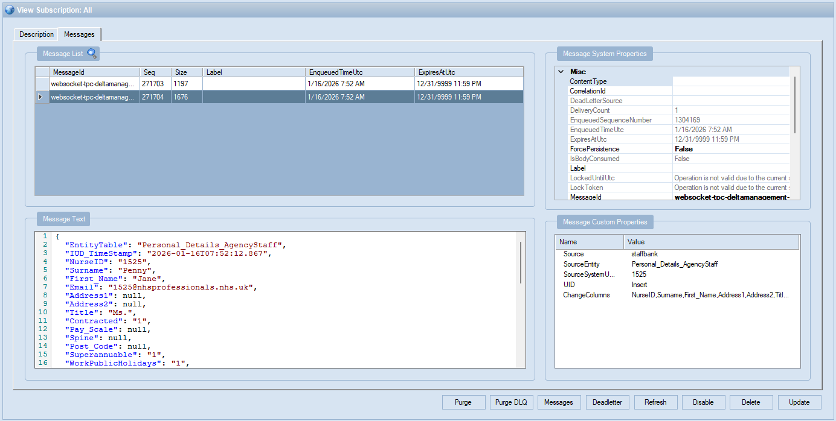
{
"EntityTable": "Personal_Details_AgencyStaff",
"IUD_TimeStamp": "2026-01-16T07:52:12.867",
"NurseID": "1525",
"Surname": "Penny",
"First_Name": "Jane",
"Email": "1525@nhsprofessionals.nhs.uk",
"Address1": null,
"Address2": null,
"Title": "Ms.",
"Contracted": "1",
"Pay_Scale": null,
"Spine": null,
"Post_Code": null,
"Superannuable": "1",
"WorkPublicHolidays": "1",
"CheckOutRate": null,
"LeastCount": null,
"StaffNo": null,
"DateOfBirth": "2000-10-17T00:00:00",
"Address3": null,
"PIN": null,
"Sex": "F",
"EthnicOrigin": null,
"DateEmployedByTrust": "1900-01-01T00:00:00",
"PINExpiry": "1900-01-01T00:00:00",
"HoursWorked": null,
"WaiverSigned": "0",
"WeeklyPaid": "1",
"DateOfInduction": "1900-01-01T00:00:00",
"LocationAvailabilityData": "1",
"Address4": null,
"DummyNurseId": null,
"Qual": null,
"NINumber": "PA1612605",
"Deactivate": "0",
"WorkPermit": "1",
"WorkPermitExpiry": "1900-01-01T00:00:00",
"PINType": null,
"ISCVAttached": "1",
"CVName": null,
"PinRevalidationDate": "1900-01-01T00:00:00",
"ClientTrust": null,
"PayMethod": null
}

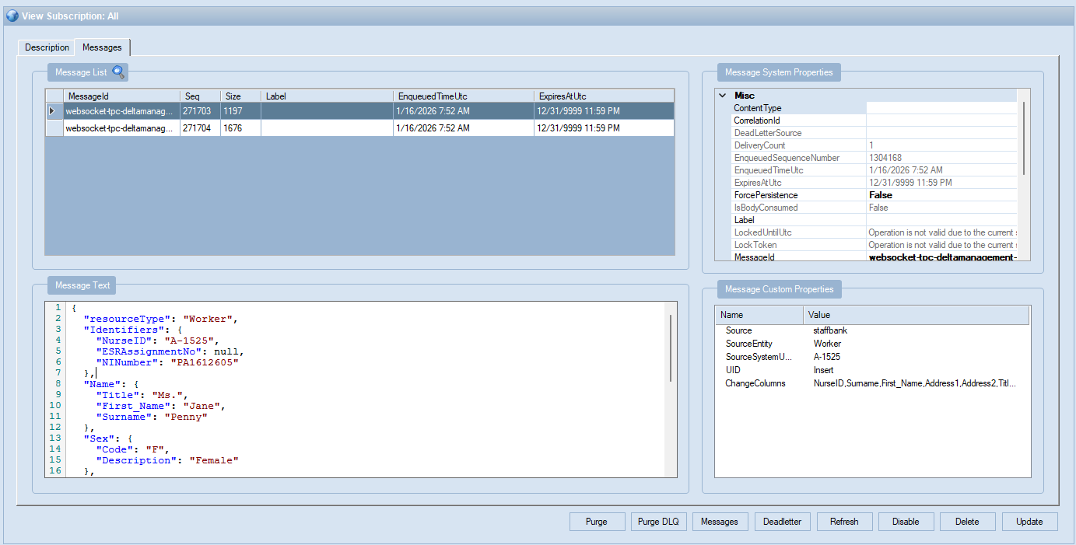
{
"resourceType": "Worker",
"Identifiers": {
"NurseID": "A-1525",
"ESRAssignmentNo": null,
"NINumber": "PA1612605"
},
"Name": {
"Title": "Ms.",
"First_Name": "Jane",
"Surname": "Penny"
},
"Sex": {
"Code": "F",
"Description": "Female"
},
"DateOfBirth": "2000-10-17",
"Deactivate": "1",
"Address": {
"Address1": null,
"Address2": null,
"Address3": null,
"Address4": null,
"County": null,
"Post_Code": null,
"StaffCountry": null
},
"Contacts": null,
"MaritalStatus": null,
"Disability": null,
"Nationality": null,
"EthnicOrigin": {
"Code": null,
"Description": null
}
}

