Sheet1
bandos
cryutch | 3K
takeogg | 5k

Pills | not for sale

no pay crutch | 35-45m

Sell bottles
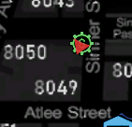

t/me | type messages to patioeints

