Design
dataId | SampleId | ExperimentalGroup | GroupFactor | Conc | number | SampleId | AcqMethod | ExperimentalGroup | FileName | sampleNum
RS#001 | S0005 | GroupA | GroupA | 1 | 1 | S0005 | MDARP-neg | GroupA | 230404_HOU_MC_Sample_01_Neg.mzXML | 1
RS#002 | S0006 | GroupB | GroupB | 1 | 2 | S0005 | MDARP-pos | GroupA | 230404_HOU_MC_Sample_01_Pos.mzXML | 1
RS#003 | S0007 | GroupC | GroupC | 1 | 3 | S0006 | MDARP-neg | GroupB | 230404_HOU_MC_Sample_02_Neg.mzXML | 2
RS#004 | S0008 | GroupA | GroupA | 0.5 | 4 | S0006 | MDARP-pos | GroupB | 230404_HOU_MC_Sample_02_Pos.mzXML | 2
RS#005 | S0009 | GroupB | GroupB | 0.5 | 5 | S0007 | MDARP-neg | GroupC | 230404_HOU_MC_Sample_03_Neg.mzXML | 3
RS#006 | S0010 | GroupC | GroupC | 0.5 | 6 | S0007 | MDARP-pos | GroupC | 230404_HOU_MC_Sample_03_Pos.mzXML | 3
RS#007 | S0011 | GroupA | GroupA | 1.5 | 7 | S0008 | MDARP-neg | GroupA | 230404_HOU_MC_Sample_04_Neg.mzXML | 4
RS#008 | S0012 | GroupB | GroupB | 1.5 | 8 | S0008 | MDARP-pos | GroupA | 230404_HOU_MC_Sample_04_Pos.mzXML | 4
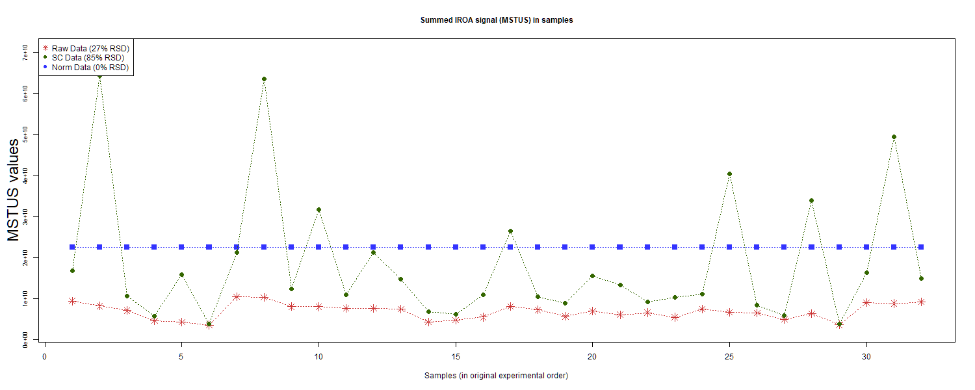
RS#009 | S0013 | GroupC | GroupC | 1.5 | 9 | S0009 | MDARP-neg | GroupB | 230404_HOU_MC_Sample_05_Neg.mzXML | 5
RS#010 | S0014 | GroupD | GroupD | 1 | 10 | S0009 | MDARP-pos | GroupB | 230404_HOU_MC_Sample_05_Pos.mzXML | 5
RS#011 | S0015 | GroupE | GroupE | 1 | 11 | S0010 | MDARP-neg | GroupC | 230404_HOU_MC_Sample_06_Neg.mzXML | 6
RS#012 | S0016 | GroupF | GroupF | 1 | 12 | S0010 | MDARP-pos | GroupC | 230404_HOU_MC_Sample_06_Pos.mzXML | 6
RS#013 | S0017 | GroupG | GroupG | 1 | 13 | S0011 | MDARP-neg | GroupA | 230404_HOU_MC_Sample_07_Neg.mzXML | 7
RS#014 | S0018 | GroupD | GroupD | 0.67 | 14 | S0011 | MDARP-pos | GroupA | 230404_HOU_MC_Sample_07_Pos.mzXML | 7
RS#015 | S0019 | GroupE | GroupE | 0.67 | 15 | S0012 | MDARP-neg | GroupB | 230404_HOU_MC_Sample_08_Neg.mzXML | 8
RS#016 | S0020 | GroupF | GroupF | 0.67 | 16 | S0012 | MDARP-pos | GroupB | 230404_HOU_MC_Sample_08_Pos.mzXML | 8
RS#017 | S0021 | GroupD | GroupD | 1 | 17 | S0013 | MDARP-neg | GroupC | 230404_HOU_MC_Sample_09_Neg.mzXML | 9
RS#018 | S0022 | GroupE | GroupE | 1 | 18 | S0013 | MDARP-pos | GroupC | 230404_HOU_MC_Sample_09_Pos.mzXML | 9
RS#019 | S0023 | GroupF | GroupF | 1 | 19 | S0014 | MDARP-neg | GroupD | 230404_HOU_MC_Sample_10_Neg.mzXML | 10
RS#020 | S0024 | GroupG | GroupG | 1 | 20 | S0014 | MDARP-pos | GroupD | 230404_HOU_MC_Sample_10_Pos.mzXML | 10
RS#021 | S0025 | GroupD | GroupD | 0.67 | 21 | S0015 | MDARP-neg | GroupE | 230404_HOU_MC_Sample_11_Neg.mzXML | 11
RS#022 | S0026 | GroupE | GroupE | 0.67 | 22 | S0015 | MDARP-pos | GroupE | 230404_HOU_MC_Sample_11_Pos.mzXML | 11
RS#023 | S0027 | GroupF | GroupF | 0.67 | 23 | S0016 | MDARP-neg | GroupF | 230404_HOU_MC_Sample_12_Neg.mzXML | 12 | This report was compiled on 2025-07-16 21:37:24.110917 Mode = Norm Based on file = data/RR Datasets/4297/Lab3-4297Fixed.tsv
RS#024 | S0028 | GroupA | GroupA | 1 | 24 | S0016 | MDARP-pos | GroupF | 230404_HOU_MC_Sample_12_Pos.mzXML | 12
RS#025 | S0029 | GroupB | GroupB | 1 | 25 | S0017 | MDARP-neg | GroupG | 230404_HOU_MC_Sample_13_Neg.mzXML | 13
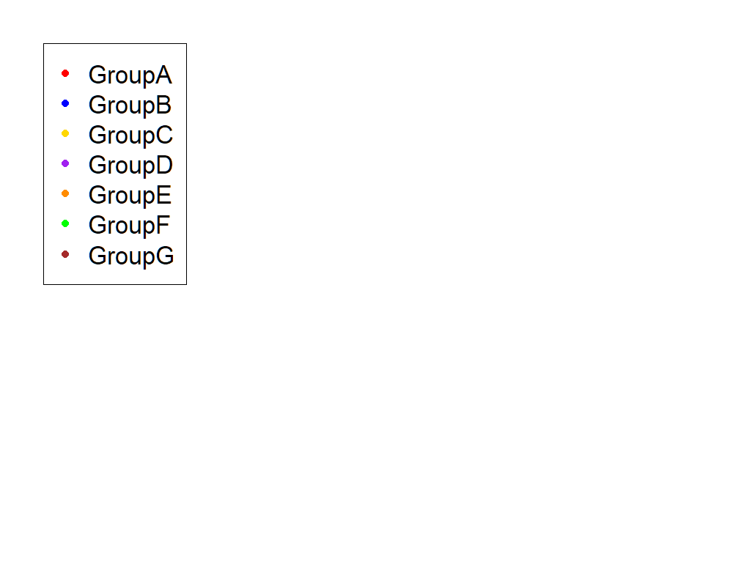
RS#026 | S0030 | GroupC | GroupC | 1 | 26 | S0017 | MDARP-pos | GroupG | 230404_HOU_MC_Sample_13_Pos.mzXML | 13
RS#027 | S0031 | GroupA | GroupA | 0.5 | 27 | S0018 | MDARP-neg | GroupD | 230404_HOU_MC_Sample_14_Neg.mzXML | 14
RS#028 | S0032 | GroupB | GroupB | 0.5 | 28 | S0018 | MDARP-pos | GroupD | 230404_HOU_MC_Sample_14_Pos.mzXML | 14
RS#029 | S0033 | GroupC | GroupC | 0.5 | 29 | S0019 | MDARP-neg | GroupE | 230404_HOU_MC_Sample_15_Neg.mzXML | 15
RS#030 | S0034 | GroupA | GroupA | 1.5 | 30 | S0019 | MDARP-pos | GroupE | 230404_HOU_MC_Sample_15_Pos.mzXML | 15
RS#031 | S0035 | GroupB | GroupB | 1.5 | 31 | S0020 | MDARP-neg | GroupF | 230404_HOU_MC_Sample_16_Neg.mzXML | 16
RS#032 | S0036 | GroupC | GroupC | 1.5 | 32 | S0020 | MDARP-pos | GroupF | 230404_HOU_MC_Sample_16_Pos.mzXML | 16
 |  |  |  |  |  | S0021 | MDARP-neg | GroupD | 230404_HOU_MC_Sample_17_Neg.mzXML | 17
These injections for each sample were examined |  |  |  |  |  | S0021 | MDARP-pos | GroupD | 230404_HOU_MC_Sample_17_Pos.mzXML | 17
 |  |  |  |  |  | S0022 | MDARP-neg | GroupE | 230404_HOU_MC_Sample_18_Neg.mzXML | 18
 |  |  |  |  |  | S0022 | MDARP-pos | GroupE | 230404_HOU_MC_Sample_18_Pos.mzXML | 18
 |  |  |  |  |  | S0023 | MDARP-neg | GroupF | 230404_HOU_MC_Sample_19_Neg.mzXML | 19
 |  |  |  |  |  | S0023 | MDARP-pos | GroupF | 230404_HOU_MC_Sample_19_Pos.mzXML | 19
 |  |  |  |  |  | S0024 | MDARP-neg | GroupG | 230404_HOU_MC_Sample_20_Neg.mzXML | 20
 |  |  |  |  |  | S0024 | MDARP-pos | GroupG | 230404_HOU_MC_Sample_20_Pos.mzXML | 20
 |  |  |  |  |  | S0025 | MDARP-neg | GroupD | 230404_HOU_MC_Sample_21_Neg.mzXML | 21
 |  |  |  |  |  | S0025 | MDARP-pos | GroupD | 230404_HOU_MC_Sample_21_Pos.mzXML | 21
 |  |  |  |  |  | S0026 | MDARP-neg | GroupE | 230404_HOU_MC_Sample_22_Neg.mzXML | 22
 |  |  |  |  |  | S0026 | MDARP-pos | GroupE | 230404_HOU_MC_Sample_22_Pos.mzXML | 22
 |  |  |  |  |  | S0027 | MDARP-neg | GroupF | 230404_HOU_MC_Sample_23_Neg.mzXML | 23
 |  |  |  |  |  | S0027 | MDARP-pos | GroupF | 230404_HOU_MC_Sample_23_Pos.mzXML | 23
 |  |  |  |  |  | S0028 | MDARP-neg | GroupA | 230404_HOU_MC_Sample_24_Neg.mzXML | 24
 |  |  |  |  |  | S0028 | MDARP-pos | GroupA | 230404_HOU_MC_Sample_24_Pos.mzXML | 24
 |  |  |  |  |  | S0029 | MDARP-neg | GroupB | 230404_HOU_MC_Sample_25_Neg.mzXML | 25
 |  |  |  |  |  | S0029 | MDARP-pos | GroupB | 230404_HOU_MC_Sample_25_Pos.mzXML | 25
 |  |  |  |  |  | S0030 | MDARP-neg | GroupC | 230404_HOU_MC_Sample_26_Neg.mzXML | 26
 |  |  |  |  |  | S0030 | MDARP-pos | GroupC | 230404_HOU_MC_Sample_26_Pos.mzXML | 26
 |  |  |  |  |  | S0031 | MDARP-neg | GroupA | 230404_HOU_MC_Sample_27_Neg.mzXML | 27
 |  |  |  |  |  | S0031 | MDARP-pos | GroupA | 230404_HOU_MC_Sample_27_Pos.mzXML | 27
 |  |  |  |  |  | S0032 | MDARP-neg | GroupB | 230404_HOU_MC_Sample_28_Neg.mzXML | 28
 |  |  |  |  |  | S0032 | MDARP-pos | GroupB | 230404_HOU_MC_Sample_28_Pos.mzXML | 28
 |  |  |  |  |  | S0033 | MDARP-neg | GroupC | 230404_HOU_MC_Sample_29_Neg.mzXML | 29
 |  |  |  |  |  | S0033 | MDARP-pos | GroupC | 230404_HOU_MC_Sample_29_Pos.mzXML | 29
 |  |  |  |  |  | S0034 | MDARP-neg | GroupA | 230404_HOU_MC_Sample_30_Neg.mzXML | 30
 |  |  |  |  |  | S0034 | MDARP-pos | GroupA | 230404_HOU_MC_Sample_30_Pos.mzXML | 30
 |  |  |  |  |  | S0035 | MDARP-neg | GroupB | 230404_HOU_MC_Sample_31_Neg.mzXML | 31
 |  |  |  |  |  | S0035 | MDARP-pos | GroupB | 230404_HOU_MC_Sample_31_Pos.mzXML | 31
 |  |  |  |  |  | S0036 | MDARP-neg | GroupC | 230404_HOU_MC_Sample_32_Neg.mzXML | 32
 |  |  |  |  |  | S0036 | MDARP-pos | GroupC | 230404_HOU_MC_Sample_32_Pos.mzXML | 32

Anova
This tab shows the results of a regression of all compounds by the experimental design. Recommend: sort by p value

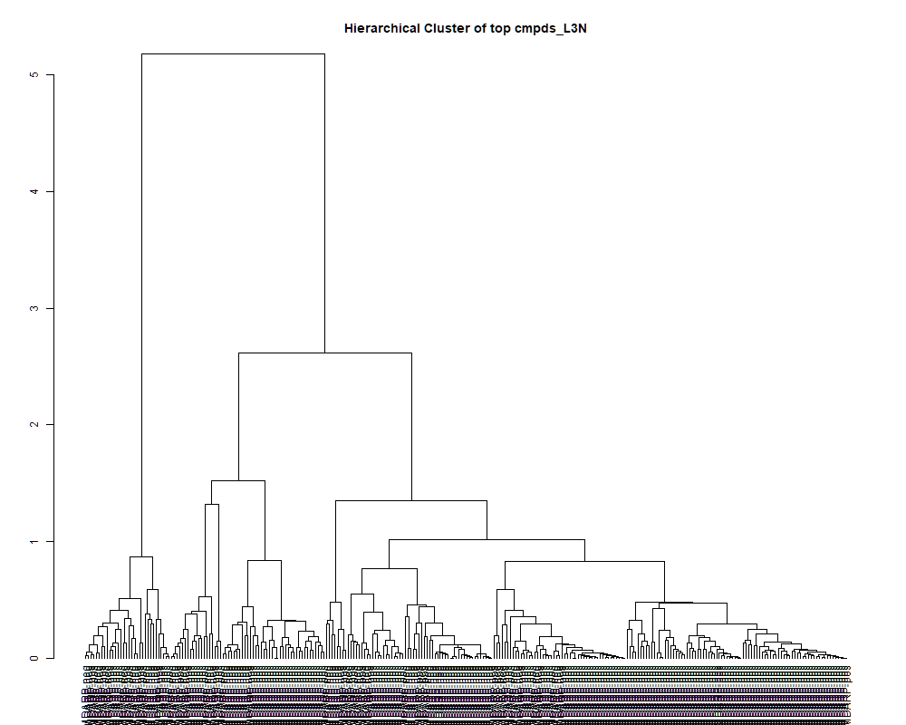
 | row.names | compounds | MF | p.value | F.value
 | LTRS_000003_MDARP-neg | Arg-Lys (M-H) | C12H26N6O3 | 6.07E-01 | 0.761
 | LTRS_000003_MDARP-pos | Spermine (M+H -C3H10N2) | C10H26N4 | 2.21E-06 | 12.153
 | LTRS_000004_MDARP-neg | C6H19N4O6P (M-H) | C6H19N4O6P | 5.72E-04 | 5.953
 | LTRS_000004_MDARP-pos | Spermine (M+H -C3H13N3) | C10H26N4 | 1.48E-06 | 12.712
 | LTRS_000005_MDARP-neg | C6H18N2O6P2 (M-H) | C6H18N2O6P2 | 1.71E-02 | 3.239
 | LTRS_000005_MDARP-pos | C10H33KN5O3 (M+H) | C10H33KN5O3 | 4.76E-01 | 0.953
 | LTRS_000006_MDARP-pos | Spermine (M+H -C3H7N) | C10H26N4 | 8.50E-06 | 10.399
 | LTRS_000007_MDARP-neg | C5H14N2O9 (M-H) | C5H14N2O9 | 2.12E-04 | 6.879
 | LTRS_000007_MDARP-pos | C13H29N3O5 (M+H) | C13H29N3O5 | 1.10E-01 | 1.962
 | LTRS_000008_MDARP-neg | C9H14N10Na (M-H) | C9H14N10Na | 9.12E-13 | 50.428
 | LTRS_000008_MDARP-pos | C19H39N3O10 (M+H) | C19H39N3O10 | 4.85E-01 | 0.940
 | LTRS_000009_MDARP-neg | L-Lysine (M-H+HCOONa) | C6H14N2O2 | 2.58E-08 | 19.476
 | LTRS_000009_MDARP-pos | C17H38N6O9 (M+H) | C17H38N6O9 | 6.64E-01 | 0.684
 | LTRS_000010_MDARP-neg | Lys-Ser (M-H) | C9H19N3O4 | 2.04E-13 | 57.468
 | LTRS_000011_MDARP-pos | Lys-Lys (M+H) | C12H26N4O3 | 2.04E-01 | 1.548
 | LTRS_000012_MDARP-neg | Gly-lys (M-H) | C8H17N3O3 | 1.92E-02 | 3.155
 | LTRS_000013_MDARP-neg | C6H11N6O2P (M-H) | C6H11N6O2P | 7.06E-04 | 5.765
 | LTRS_000013_MDARP-pos | Hydroxypropionylcarnitine (M+H) | C10H19NO5 | 8.35E-01 | 0.454
 | LTRS_000014_MDARP-neg | Gamma-glutamyl-L-putrescine (M-H) | C9H19N3O3 | 5.17E-06 | 11.025
 | LTRS_000014_MDARP-pos | Propenoylcarnitine (M+H) | C10H17NO4 | 3.31E-01 | 1.216
 | LTRS_000015_MDARP-pos | C15H31N5O4 (M+H) | C15H31N5O4 | 8.98E-02 | 2.096
 | LTRS_000016_MDARP-pos | C10H22N2O5 (M+H) | C10H22N2O5 | 1.95E-01 | 1.579
 | LTRS_000017_MDARP-pos | Arg-Lys (M+H) | C12H26N6O3 | 2.09E-04 | 6.892
 | LTRS_000018_MDARP-neg | L-Lysine (M-H) | C6H14N2O2 | 3.71E-29 | 1126.202
 | LTRS_000018_MDARP-pos | Arg-Arg (M+2H) | C12H26N8O3 | 8.92E-01 | 0.369
 | LTRS_000019_MDARP-neg | L-Arginine (M-H+HCOONa) | C6H14N4O2 | 9.44E-03 | 3.670
 | LTRS_000020_MDARP-neg | C6H11N3O2 (M-H) | C6H11N3O2 | 2.62E-02 | 2.936
 | LTRS_000020_MDARP-pos | C15H41N3OP2S (M+H) | C15H41N3OP2S | 6.09E-01 | 0.759
 | LTRS_000021_MDARP-neg | Lys-Thr (M-H) | C10H21N3O4 | 1.11E-03 | 5.368
 | LTRS_000021_MDARP-pos | Gly-lys (M+H) | C8H17N3O3 | 5.57E-02 | 2.417
 | LTRS_000022_MDARP-neg | C10H16KN2NaO2 (M-H) | C10H16KN2NaO2 | 6.69E-01 | 0.677
 | LTRS_000022_MDARP-pos | C6H16N2O7 (M+H) | C6H16N2O7 | 1.00E-09 | 26.712
 | LTRS_000023_MDARP-neg | Arg-Ser (M-H) | C9H19N5O4 | 4.99E-01 | 0.918
 | LTRS_000023_MDARP-pos | C6H10N6O3 (M+H) | C6H10N6O3 | 1.13E-03 | 5.360
 | LTRS_000024_MDARP-neg | Gln-Lys (M-H) | C11H22N4O4 | 1.91E-02 | 3.159
 | LTRS_000025_MDARP-neg | L-Arginine (M-H) | C6H14N4O2 | 9.49E-22 | 284.177
 | LTRS_000025_MDARP-pos | Lys-Ser (M+H) | C9H19N3O4 | 1.56E-07 | 16.201
 | LTRS_000026_MDARP-neg | Ornithine (M-H) | C5H12N2O2 | 4.92E-05 | 8.369
 | LTRS_000026_MDARP-pos | Asn-Lys (M+H) | C10H20N4O4 | 3.42E-02 | 2.751
 | LTRS_000027_MDARP-neg | Ala-Arg (M-H) | C9H19N5O3 | 8.77E-06 | 10.360
 | LTRS_000027_MDARP-pos | Gamma-glutamyl-L-putrescine (M+H) | C9H19N3O3 | 5.53E-18 | 139.617
 | LTRS_000028_MDARP-pos | C11H28N6O4 (M+H) | C11H28N6O4 | 5.70E-02 | 2.401
 | LTRS_000029_MDARP-neg | Arg-Thr (M-H) | C10H21N5O4 | 5.31E-01 | 0.869
 | LTRS_000029_MDARP-pos | C6H9KN5O (M+H) | C6H9KN5O | 2.89E-11 | 37.076
 | LTRS_000030_MDARP-neg | 1-[(5-Amino-5-carboxypentyl)amino]-1-deoxyfructose (M-H) | C12H24N2O7 | 3.65E-01 | 1.147
 | LTRS_000030_MDARP-pos | C6H12N2Na2O2 (M+H) | C6H12N2Na2O2 | 1.36E-11 | 39.696
 | LTRS_000031_MDARP-neg | Leu-Ser (M-H) | C9H18N2O4 | 1.41E-02 | 3.377
 | LTRS_000031_MDARP-pos | L-Lysine (M+H) | C6H14N2O2 | 1.67E-12 | 47.830
 | LTRS_000033_MDARP-pos | C6H14K2N2S (M+H) | C6H14K2N2S | 2.12E-07 | 15.694
 | LTRS_000034_MDARP-neg | L-Histidine (M-H) | C6H9N3O2 | 1.67E-19 | 186.279
 | LTRS_000034_MDARP-pos | C10H20N6NaO3 (M+H) | C10H20N6NaO3 | 5.04E-01 | 0.910
 | LTRS_000035_MDARP-neg | Dihydrouracil (M-H) | C4H6N2O2 | 1.81E-01 | 1.628
 | LTRS_000035_MDARP-pos | L-Lysine (M+H -NH3) | C6H14N2O2 | 7.44E-08 | 17.495
 | LTRS_000036_MDARP-neg | C6H18N2O9S (M-H) | C6H18N2O9S | 5.77E-01 | 0.803
 | LTRS_000036_MDARP-pos | C12H18N7NaO2P (M+H) | C12H18N7NaO2P | 1.67E-01 | 1.681
 | LTRS_000037_MDARP-neg | Sakacin A (M-H) | C12H24N4O4 | 6.69E-01 | 0.677
 | LTRS_000037_MDARP-pos | C9H16ClN5S2 (M+H) | C9H16ClN5S2 | 2.85E-08 | 19.283
 | LTRS_000038_MDARP-neg | C15H29N3O8 (M-H) | C15H29N3O8 | 1.42E-01 | 1.788
 | LTRS_000038_MDARP-pos | C6H19N3NaP4 (M+H) | C6H19N3NaP4 | 3.68E-01 | 1.141
 | LTRS_000039_MDARP-neg | Ala-His (M-H) | C9H14N4O3 | 1.15E-05 | 10.026
 | LTRS_000039_MDARP-pos | L-Lysine (M+H -NH3 -CH2O2) | C6H14N2O2 | 5.49E-14 | 64.361
 | LTRS_000040_MDARP-neg | 2-(3-Carboxy-3-aminopropyl)-L-histidine (M-H) | C10H16N4O4 | 3.94E-04 | 6.292
 | LTRS_000040_MDARP-pos | C11H19N3O11 (M+H) | C11H19N3O11 | 6.69E-01 | 0.677
 | LTRS_000041_MDARP-neg | maleamate (M+e) | [C4H4NO3]- | 6.74E-01 | 0.671
 | LTRS_000041_MDARP-pos | C6H12ClNOP2S (M+H) | C6H12ClNOP2S | 8.38E-01 | 0.450
 | LTRS_000042_MDARP-pos | C12H12N9NaO3P (M+H) | C12H12N9NaO3P | 6.69E-01 | 0.677
 | LTRS_000043_MDARP-neg | Glycerylphosphorylethanolamine (M-H) | C5H14NO6P | 6.23E-01 | 0.740
 | LTRS_000043_MDARP-pos | C6H12K2N2O2 (M+H) | C6H12K2N2O2 | 3.23E-12 | 45.108
 | LTRS_000044_MDARP-neg | Fumarate (M-H) | C4H4O4 | 5.60E-02 | 2.414
 | LTRS_000044_MDARP-pos | C6H7KN3NaO2 (M+H) | C6H7KN3NaO2 | 1.82E-04 | 7.027
 | LTRS_000045_MDARP-neg | L-Aspartate (M-H) | C4H7NO4 | 3.67E-32 | 1962.595
 | LTRS_000045_MDARP-pos | C6H16NNaO3PS (M+H) | C6H16NNaO3PS | 8.85E-01 | 0.380
 | LTRS_000046_MDARP-neg | C5H9NO10P2 (M-H) | C5H9NO10P2 | 4.73E-02 | 2.528
 | LTRS_000046_MDARP-pos | C6H8N2O9 (M+H) | C6H8N2O9 | 4.70E-02 | 2.533
 | LTRS_000047_MDARP-neg | C5H10N4NaOP4S (M-H) | C5H10N4NaOP4S | 5.34E-02 | 2.446
 | LTRS_000047_MDARP-pos | C6H12Cl2NPS (M+H) | C6H12Cl2NPS | 6.26E-07 | 13.977
 | LTRS_000048_MDARP-neg | 3-Ureidopropionate (M-H) | C4H8N2O3 | 6.50E-02 | 2.312
 | LTRS_000048_MDARP-pos | 2-[(2S,3S,6S)-2-(hydroxymethyl)-3-[[oxo-(propan-2-ylamino)methyl]amino]-3,6-dihydro-2H-pyran-6-yl]acetic acid (M+H) | C12H20N2O5 | 4.77E-01 | 0.952
 | LTRS_000049_MDARP-neg | 5-Oxoproline (M-H) | C5H7NO3 | 6.32E-10 | 27.900
 | LTRS_000050_MDARP-neg | Ser-Thr (M-H) | C7H14N2O5 | 7.30E-03 | 3.862
 | LTRS_000051_MDARP-neg | C5H6N6NaO3P2 (M-H) | C5H6N6NaO3P2 | 2.23E-01 | 1.486
 | LTRS_000052_MDARP-neg | C5H13N5P4 (M-H) | C5H13N5P4 | 4.34E-02 | 2.586
 | LTRS_000053_MDARP-neg | Asn-asp (M-H) | C8H13N3O6 | 6.11E-01 | 0.756
 | LTRS_000054_MDARP-pos | butazolamide (M+H) | C6H10N4O3S2 | 3.80E-10 | 29.261
 | LTRS_000055_MDARP-pos | L-Arginine (M+Na) | C6H14N4O2 | 4.29E-01 | 1.031
 | LTRS_000056_MDARP-neg | beta-Asp-Ala (M-H) | C7H12N2O5 | 8.41E-01 | 0.446
 | LTRS_000056_MDARP-pos | C6H9ClN4Na (M+H) | C6H9ClN4Na | 1.70E-01 | 1.671
 | LTRS_000057_MDARP-neg | (S)-malyl alpha-D-glucosaminide (M-H) | C10H17NO9 | 3.62E-02 | 2.711
 | LTRS_000058_MDARP-neg | D-Dulcitol (M+Cl) | C6H14O6 | 2.42E-01 | 1.433
 | LTRS_000058_MDARP-pos | C4H5ClN4S2 (M+H) | C4H5ClN4S2 | 7.21E-14 | 62.866
 | LTRS_000059_MDARP-neg | N-Acetylserine (M-H) | C5H9NO4 | 1.18E-25 | 588.666
 | LTRS_000059_MDARP-pos | C6H14NNaO5P (M+H) | C6H14NNaO5P | 2.29E-10 | 30.671
 | LTRS_000060_MDARP-neg | C4H6KN2O2S (M-H) | C4H6KN2O2S | 4.43E-01 | 1.008
 | LTRS_000061_MDARP-neg | C5H10KN2O3P2 (M-H) | C5H10KN2O3P2 | 2.59E-03 | 4.670
 | LTRS_000062_MDARP-neg | Ala-Ala-Ala (M+Cl) | C9H17N3O4 | 2.64E-03 | 4.654
 | LTRS_000062_MDARP-pos | C6H18N2P2S (M+H) | C6H18N2P2S | 8.38E-03 | 3.758
 | LTRS_000063_MDARP-pos | C4H6KN2NaO3 (M+H) | C4H6KN2NaO3 | 2.60E-01 | 1.384
 | LTRS_000064_MDARP-neg | L-Homoserine (M-H) | C4H9NO3 | 1.14E-04 | 7.493
 | LTRS_000064_MDARP-pos | 1-[(5-Amino-5-carboxypentyl)amino]-1-deoxyfructose (M+H) | C12H24N2O7 | 1.86E-01 | 1.611
 | LTRS_000066_MDARP-neg | Ala-Gln (M-H) | C8H15N3O4 | 3.67E-07 | 14.804
 | LTRS_000066_MDARP-pos | C11H20KN2O4 (M+H) | C11H20KN2O4 | 4.66E-02 | 2.538
 | LTRS_000067_MDARP-neg | 3-Aminoisobutanoate (M-H) | C4H9NO2 | 7.70E-15 | 76.129
 | LTRS_000067_MDARP-pos | Gln-Lys (M+H) | C11H22N4O4 | 7.30E-02 | 2.235
 | LTRS_000068_MDARP-neg | Saccharopine (M-H) | C11H20N2O6 | 3.58E-01 | 1.161
 | LTRS_000069_MDARP-neg | Ala-Ser (M-H) | C6H12N2O4 | 5.48E-03 | 4.080
 | LTRS_000069_MDARP-pos | C6H12N4O (M+H) | C6H12N4O | 1.33E-05 | 9.855
 | LTRS_000070_MDARP-neg | Glucosamine-1P (M-H) | C6H14NO8P | 6.69E-01 | 0.677
 | LTRS_000070_MDARP-pos | C12H17N3O3 (M+H) | C12H17N3O3 | 9.44E-01 | 0.274
 | LTRS_000071_MDARP-neg | C11H24NO11P (M-H) | C11H24NO11P | 1.37E-01 | 1.812
 | LTRS_000072_MDARP-pos | L-Arginine (M+H -NH3) | C6H14N4O2 | 1.08E-13 | 60.710
 | LTRS_000073_MDARP-neg | N-Acetyl-D-Glucosamine 6-Phosphate (M-H) | C8H16NO9P | 6.13E-03 | 3.994
 | LTRS_000073_MDARP-pos | Ne,Ne dimethyllysine (M+H) | C8H18N2O2 | 1.41E-10 | 32.084
 | LTRS_000074_MDARP-neg | S-(2-Hydroxyethyl)glutathione (M-H) | C12H21N3O7S | 5.92E-01 | 0.782
 | LTRS_000074_MDARP-pos | 4-guanidinobutanal (M+H) | C5H11N3O | 9.91E-11 | 33.138
 | LTRS_000075_MDARP-neg | N-Acetylserine (2M-H) | C5H9NO4 | 7.53E-02 | 2.214
 | LTRS_000075_MDARP-pos | L-Arginine (M+H) | C6H14N4O2 | 1.35E-11 | 39.697
 | LTRS_000076_MDARP-pos | C5H7KNNaO4 (M+H) | C5H7KNNaO4 | 3.21E-01 | 1.238
 | LTRS_000077_MDARP-pos | C10H15N5Na (M+H) | C10H15N5Na | 1.96E-03 | 4.897
 | LTRS_000079_MDARP-neg | Muramic acid (M-H) | C9H17NO7 | 3.16E-08 | 19.085
 | LTRS_000079_MDARP-pos | C8H12N3Na2O3P (M+H) | C8H12N3Na2O3P | 4.71E-01 | 0.961
 | LTRS_000080_MDARP-neg | beta-Asp-Thr (M-H) | C8H14N2O6 | 4.39E-01 | 1.014
 | LTRS_000080_MDARP-pos | C9H14N3Na2O4P (M+H) | C9H14N3Na2O4P | 6.47E-01 | 0.707
 | LTRS_000081_MDARP-neg | glycerophosphoglycerol (M-H) | C6H15O8P | 8.50E-01 | 0.433
 | LTRS_000082_MDARP-neg | N-(1-Deoxy-1-fructosyl)threonine (M-H) | C10H19NO8 | 1.85E-01 | 1.615
 | LTRS_000083_MDARP-neg | C11H25NO9P2 (M-H) | C11H25NO9P2 | 4.94E-01 | 0.924
 | LTRS_000083_MDARP-pos | L-Histidine (M+H) | C6H9N3O2 | 4.52E-09 | 23.125
 | LTRS_000084_MDARP-neg | Ala-Asn (M-H) | C7H13N3O4 | 1.13E-04 | 7.499
 | LTRS_000084_MDARP-pos | L-Histidine (M+H -CH2O2) | C6H9N3O2 | 1.32E-11 | 39.782
 | LTRS_000085_MDARP-pos | Arg-Ser (M+H) | C9H19N5O4 | 3.55E-06 | 11.515
 | LTRS_000086_MDARP-pos | Arg-Asn (M+H) | C10H20N6O4 | 5.09E-02 | 2.479
 | LTRS_000087_MDARP-neg | Galactonic acid (M-H) | C6H12O7 | 4.88E-01 | 0.934
 | LTRS_000087_MDARP-pos | Arg-Gly (M+H) | C8H17N5O3 | 2.18E-02 | 3.064
 | LTRS_000088_MDARP-neg | C13H15N3Na2O2 (M-H) | C13H15N3Na2O2 | 3.63E-01 | 1.152
 | LTRS_000088_MDARP-pos | Arg-Thr (M+H) | C10H21N5O4 | 3.83E-01 | 1.112
 | LTRS_000089_MDARP-neg | C8H23NO10P2 (M-H) | C8H23NO10P2 | 3.12E-26 | 655.162
 | LTRS_000090_MDARP-pos | C11H28N3NaO5P (M+H) | C11H28N3NaO5P | 6.33E-01 | 0.725
 | LTRS_000091_MDARP-pos | Ala-Arg (M+H) | C9H19N5O3 | 9.63E-14 | 61.318
 | LTRS_000092_MDARP-pos | N(epsilon, epsilon, epsilon)-trimethyllysine (M+H) | C9H20N2O2 | 7.01E-05 | 7.993
 | LTRS_000093_MDARP-neg | beta-Asp-Glu (M-H) | C9H14N2O7 | 6.06E-03 | 4.002
 | LTRS_000094_MDARP-neg | Asn-glu (M-H) | C9H15N3O6 | 6.14E-05 | 8.132
 | LTRS_000094_MDARP-pos | Sakacin A (M+H) | C12H24N4O4 | 3.96E-01 | 1.089
 | LTRS_000095_MDARP-neg | O-Succinyl-homoserine (M-H) | C8H13NO6 | 7.98E-01 | 0.506
 | LTRS_000095_MDARP-pos | N-Butyrylglycine (2M+H) | C6H11NO3 | 6.78E-01 | 0.666
 | LTRS_000096_MDARP-pos | Carnosine (M+H) | C9H14N4O3 | 2.28E-08 | 19.720
 | LTRS_000097_MDARP-neg | C12H21N11O8 (M-H) | C12H21N11O8 | 3.27E-01 | 1.224
 | LTRS_000098_MDARP-pos | C8H11NO5 (M+H) | C8H11NO5 | 3.17E-02 | 2.804
 | LTRS_000099_MDARP-neg | N2-Monodes-methylnizatidine (M-H) | C11H19N5O2S2 | 2.03E-01 | 1.552
 | LTRS_000099_MDARP-pos | N-(1-Deoxy-1-fructosyl)histidine (M+H) | C12H19N3O7 | 2.25E-01 | 1.481
 | LTRS_000100_MDARP-neg | N-Acetylneuraminate (M-H) | C11H19NO9 | 7.27E-06 | 10.594
 | LTRS_000100_MDARP-pos | Arg-Gln (M+H) | C11H22N6O4 | 1.35E-01 | 1.824
 | LTRS_000101_MDARP-neg | C11H22N14O7 (M-H) | C11H22N14O7 | 7.53E-01 | 0.567
 | LTRS_000101_MDARP-pos | C11H22N8NaO3 (M+H) | C11H22N8NaO3 | 2.14E-01 | 1.517
 | LTRS_000103_MDARP-pos | C12H24N6O5 (M+H) | C12H24N6O5 | 4.18E-01 | 1.049
 | LTRS_000104_MDARP-neg | C13H22N2O10 (M-H) | C13H22N2O10 | 2.57E-02 | 2.950
 | LTRS_000104_MDARP-pos | Muramic acid (M+K) | C9H17NO7 | 2.91E-01 | 1.307
 | LTRS_000105_MDARP-neg | N-Acetyl-b-glucosaminylamine (M-H) | C8H16N2O5 | 6.18E-01 | 0.746
 | LTRS_000105_MDARP-pos | L-Threonine (M+H -H2O) | C4H9NO3 | 2.29E-08 | 19.709
 | LTRS_000106_MDARP-neg | C12H23NO14 (M-H) | C12H23NO14 | 2.65E-02 | 2.927
 | LTRS_000106_MDARP-pos | O-Succinylhomoserine (M+H) | C8H13NO6 | 5.59E-02 | 2.415
 | LTRS_000107_MDARP-neg | C12H21N13NaO5 (M-H) | C12H21N13NaO5 | 1.44E-02 | 3.360
 | LTRS_000108_MDARP-neg | C12H18N20Na (M-H) | C12H18N20Na | 3.31E-01 | 1.217
 | LTRS_000108_MDARP-pos | L-Glutamine (M+H -NH3) | C5H10N2O3 | 7.11E-02 | 2.252
 | LTRS_000109_MDARP-neg | C18H20Na2O9 (M-H) | C18H20Na2O9 | 6.71E-01 | 0.675
 | LTRS_000109_MDARP-pos | C4H5NO (M+H) | C4H5NO | 2.14E-02 | 3.078
 | LTRS_000110_MDARP-neg | C12H14N10Na2O6 (M-H) | C12H14N10Na2O6 | 3.98E-04 | 6.282
 | LTRS_000110_MDARP-pos | N-Methylaspartate (M+H) | C5H9NO4 | 1.28E-04 | 7.372
 | LTRS_000112_MDARP-neg | C12H15N12O5P (M-H) | C12H15N12O5P | 1.77E-01 | 1.643
 | LTRS_000112_MDARP-pos | Glycerophosphocholine (M+K) | C8H20NO6P | 1.09E-13 | 60.664
 | LTRS_000113_MDARP-neg | C7H18NO6P (M-H) | C7H18NO6P | 1.96E-11 | 38.399
 | LTRS_000113_MDARP-pos | L-Threonine (M+H) | C4H9NO3 | 1.28E-03 | 5.252
 | LTRS_000114_MDARP-pos | C8H9N7Na2O3 (M+H) | C8H9N7Na2O3 | 8.51E-04 | 5.602
 | LTRS_000115_MDARP-neg | Erythronic acid (M-H) | C4H8O5 | 2.21E-01 | 1.495
 | LTRS_000115_MDARP-pos | C11H25N5O2P2 (M+H) | C11H25N5O2P2 | 9.57E-01 | 0.245
 | LTRS_000117_MDARP-neg | C11H13N11Na2O6 (M-H) | C11H13N11Na2O6 | 3.64E-01 | 1.150
 | LTRS_000118_MDARP-neg | C14H21N2O12P (M-H) | C14H21N2O12P | 3.99E-01 | 1.083
 | LTRS_000118_MDARP-pos | Phosphorylcholine (M+) | [C5H15NO4P]+ | 2.06E-09 | 24.945
 | LTRS_000119_MDARP-pos | Lomustine (M+H) | C9H16ClN3O2 | 2.32E-02 | 3.022
 | LTRS_000120_MDARP-pos | Dimethylglycine (M+H) | C4H9NO2 | 6.60E-15 | 77.136
 | LTRS_000121_MDARP-neg | Norophthalmic acid (M-H) | C10H17N3O6 | 1.13E-04 | 7.501
 | LTRS_000122_MDARP-pos | cis-4-Hydroxy-proline (M+H -CH2O2) | C5H9NO3 | 7.61E-10 | 27.419
 | LTRS_000123_MDARP-neg | C20H23Cl2OP (M-H) | C20H23Cl2OP | 5.06E-03 | 4.140
 | LTRS_000124_MDARP-neg | C12H14N14O3 (M-H) | C12H14N14O3 | 9.23E-01 | 0.315
 | LTRS_000124_MDARP-pos | Succinyl proline (M+H) | C9H13NO5 | 2.55E-01 | 1.395
 | LTRS_000125_MDARP-pos | C5H16ClN9Na (M+H) | C5H16ClN9Na | 6.69E-01 | 0.677
 | LTRS_000126_MDARP-pos | N-(4-phenylmethoxyphenyl)methanesulfonamide (M+H) | C14H15NO3S | 9.75E-02 | 2.041
 | LTRS_000127_MDARP-pos | C11H16N18O2 (M+H) | C11H16N18O2 | 9.63E-01 | 0.229
 | LTRS_000128_MDARP-neg | C14H27KNO2P2 (M-H) | C14H27KNO2P2 | 1.70E-01 | 1.668
 | LTRS_000128_MDARP-pos | Isomaltose (M+K) | C12H22O11 | 3.23E-02 | 2.790
 | LTRS_000129_MDARP-neg | Isomaltose (M-H) | C12H22O11 | 2.86E-01 | 1.318
 | LTRS_000129_MDARP-pos | Neurine (M+H) | C5H13NO | 1.19E-11 | 40.159
 | LTRS_000130_MDARP-neg | D-1-[(3-Carboxypropyl)amino]-1-deoxyfructose (M-H) | C10H19NO7 | 7.00E-01 | 0.636
 | LTRS_000130_MDARP-pos | Methionine sulfoxide (M+H) | C5H11NO3S | 7.29E-04 | 5.737
 | LTRS_000131_MDARP-neg | Ala-Thr (M-H) | C7H14N2O4 | 2.76E-03 | 4.618
 | LTRS_000131_MDARP-pos | Glycerophosphocholine (M+H) | C8H20NO6P | 5.04E-17 | 116.218
 | LTRS_000132_MDARP-neg | C6H22N5NaP3 (M-H) | C6H22N5NaP3 | 1.65E-01 | 1.691
 | LTRS_000132_MDARP-pos | C7H19N5NaP2 (M+H) | C7H19N5NaP2 | 1.34E-07 | 16.458
 | LTRS_000133_MDARP-neg | C12H14N14O4 (M-H) | C12H14N14O4 | 1.71E-01 | 1.664
 | LTRS_000133_MDARP-pos | 2-Oxo-4-methylthiobutanoic acid (M+H) | C5H8O3S | 3.79E-01 | 1.120
 | LTRS_000134_MDARP-neg | Glu-Ala (M-H) | C8H14N2O5 | 1.62E-01 | 1.701
 | LTRS_000135_MDARP-neg | C12H18N4O16 (M-H) | C12H18N4O16 | 7.18E-01 | 0.612
 | LTRS_000136_MDARP-pos | C12H18N16O3 (M+H) | C12H18N16O3 | 3.31E-01 | 1.215
 | LTRS_000137_MDARP-neg | gGln-Glu (M-H) | C10H16N2O7 | 2.49E-16 | 101.698
 | LTRS_000138_MDARP-neg | C11H13N5NaO13 (M-H) | C11H13N5NaO13 | 5.18E-01 | 0.889
 | LTRS_000138_MDARP-pos | 1,2,3-Trihydroxybenzene (M+H) | C6H6O3 | 1.93E-03 | 4.910
 | LTRS_000139_MDARP-neg | Lys-Pro (M-H) | C11H21N3O3 | 2.38E-07 | 15.504
 | LTRS_000140_MDARP-neg | C12H18N2Na2O14 (M-H) | C12H18N2Na2O14 | 2.45E-01 | 1.424
 | LTRS_000140_MDARP-pos | N-Acetylneuraminate (M+H) | C11H19NO9 | 7.28E-02 | 2.236
 | LTRS_000141_MDARP-neg | C12H16N2Na2O13 (M-H) | C12H16N2Na2O13 | 1.15E-02 | 3.527
 | LTRS_000141_MDARP-pos | Glycerophosphocholine (M+Na) | C8H20NO6P | 5.81E-04 | 5.939
 | LTRS_000142_MDARP-neg | C11H17N7O13 (M-H) | C11H17N7O13 | 8.36E-01 | 0.453
 | LTRS_000143_MDARP-neg | Asn-Val (M-H) | C9H17N3O4 | 8.96E-14 | 61.698
 | LTRS_000144_MDARP-neg | gGlu-His (M-H -H2O) | C11H16N4O5 | 5.03E-03 | 4.145
 | LTRS_000144_MDARP-pos | Cysteineglutathione disulfide (M+H) | C13H22N4O8S2 | 1.50E-01 | 1.752
 | LTRS_000145_MDARP-neg | Lys-Val (M-H) | C11H23N3O3 | 8.84E-06 | 10.351
 | LTRS_000145_MDARP-pos | 2-Furancarboxaldehyde (M+H) | C5H4O2 | 6.89E-08 | 17.633
 | LTRS_000146_MDARP-neg | Cytidine 2',3'-cyclic phosphate (M-H) | C9H12N3O7P | 2.24E-05 | 9.245
 | LTRS_000147_MDARP-neg | C9H16NO7P3 (M-H) | C9H16NO7P3 | 3.62E-04 | 6.371
 | LTRS_000148_MDARP-neg | Ser-Val (M-H) | C8H16N2O4 | 1.89E-01 | 1.598
 | LTRS_000148_MDARP-pos | N-acetyl-2,7-anhydro-alpha-neuraminic acid (M+H) | C11H17NO8 | 3.41E-01 | 1.195
 | LTRS_000149_MDARP-neg | C9H10N4Na2O7 (M-H) | C9H10N4Na2O7 | 1.89E-09 | 25.148
 | LTRS_000150_MDARP-neg | Ala-Ala-Pro (M-H) | C11H19N3O4 | 7.13E-01 | 0.619
 | LTRS_000150_MDARP-pos | Melibiose (M+NH4) | C12H22O11 | 5.08E-02 | 2.480
 | LTRS_000151_MDARP-neg | Malate (M-H) | C4H6O5 | 1.81E-01 | 1.628
 | LTRS_000151_MDARP-pos | 4-O-(beta-L-Araf)-cis-L-Hyp zwitterion (M+H) | C10H17NO7 | 1.64E-01 | 1.693
 | LTRS_000152_MDARP-neg | Uridine 5'-monophosphate (M-H) | C9H13N2O9P | 5.26E-16 | 95.512
 | LTRS_000152_MDARP-pos | Melibiose (M+Na) | C12H22O11 | 4.29E-02 | 2.595
 | LTRS_000153_MDARP-neg | Betaine (M-H) | C5H11NO2 | 5.72E-12 | 42.877
 | LTRS_000153_MDARP-pos | bis-D-fructose 2',1:2,1'-dianhydride (M+H) | C12H20O10 | 5.56E-04 | 5.978
 | LTRS_000154_MDARP-neg | C9H16O11P4 (M-H) | C9H16O11P4 | 7.41E-06 | 10.569
 | LTRS_000154_MDARP-pos | Malonylcarnitine (M+H) | C10H17NO6 | 3.81E-02 | 2.677
 | LTRS_000156_MDARP-pos | C10H10N14NaO (M+H) | C10H10N14NaO | 5.13E-01 | 0.897
 | LTRS_000157_MDARP-neg | Asn-Ile (M-H) | C10H19N3O4 | 7.26E-09 | 22.083
 | LTRS_000157_MDARP-pos | L-Glutamate (M+H -NH3 -CH2O2) | C5H9NO4 | 1.64E-04 | 7.126
 | LTRS_000158_MDARP-neg | Val-Asp (M-H) | C9H16N2O5 | 1.55E-07 | 16.214
 | LTRS_000159_MDARP-neg | Ala-hPro (M-H) | C8H14N2O4 | 3.90E-05 | 8.623
 | LTRS_000160_MDARP-neg | C9H12N4Na2O6 (M-H) | C9H12N4Na2O6 | 2.64E-03 | 4.652
 | LTRS_000160_MDARP-pos | C10H15NO5 (M+H) | C10H15NO5 | 1.40E-01 | 1.798
 | LTRS_000161_MDARP-neg | Arg-Val (M-H) | C11H23N5O3 | 4.05E-17 | 118.351
 | LTRS_000161_MDARP-pos | D-1-[(3-Carboxypropyl)amino]-1-deoxyfructose (M+H) | C10H19NO7 | 1.60E-02 | 3.286
 | LTRS_000162_MDARP-neg | Leu-Ser (M-H) | C9H18N2O4 | 9.89E-02 | 2.032
 | LTRS_000162_MDARP-pos | 3-Hexenedioic acid (M+H) | C6H8O4 | 7.46E-05 | 7.927
 | LTRS_000163_MDARP-neg | N(3)-(4-methoxyfumaroyl)-2,3-diaminopropionic acid (M-H) | C8H12N2O5 | 5.62E-01 | 0.825
 | LTRS_000163_MDARP-pos | D-1-Piperideine-2-carboxylic acid (M+H) | C6H9NO2 | 5.20E-01 | 0.885
 | LTRS_000164_MDARP-neg | Aminoadipic acid (M-H) | C6H11NO4 | 6.69E-01 | 0.677
 | LTRS_000164_MDARP-pos | Quinone (M+H) | C6H4O2 | 6.00E-01 | 0.770
 | LTRS_000165_MDARP-neg | Ile-Lys (M-H) | C12H25N3O3 | 2.64E-12 | 45.919
 | LTRS_000165_MDARP-pos | C13H26N6O5 (M+H) | C13H26N6O5 | 6.53E-01 | 0.699
 | LTRS_000166_MDARP-neg | N-acetyl-2,7-anhydro-alpha-neuraminic acid (M-H) | C11H17NO8 | 1.23E-05 | 9.945
 | LTRS_000166_MDARP-pos | C7H8N2Na (M+H) | C7H8N2Na | 3.61E-01 | 1.154
 | LTRS_000167_MDARP-neg | C8H11NO5 (M-H) | C8H11NO5 | 4.99E-17 | 116.321
 | LTRS_000167_MDARP-pos | Citicoline (M+H) | C14H26N4O11P2 | 3.41E-09 | 23.764
 | LTRS_000168_MDARP-pos | L-Proline (M+H) | C5H9NO2 | 1.57E-17 | 128.075
 | LTRS_000169_MDARP-neg | C18H18N15O5P (M-H) | C18H18N15O5P | 1.06E-02 | 3.581
 | LTRS_000169_MDARP-pos | L-Proline (M+H -CH2O2) | C5H9NO2 | 4.62E-05 | 8.438
 | LTRS_000170_MDARP-neg | C11H11N3Na2O10 (M-H) | C11H11N3Na2O10 | 3.31E-06 | 11.608
 | LTRS_000170_MDARP-pos | C17H31N3O8 (M+H) | C17H31N3O8 | 4.59E-01 | 0.980
 | LTRS_000172_MDARP-neg | Lactate (M-H) | C3H6O3 | 5.00E-01 | 0.915
 | LTRS_000172_MDARP-pos | Lys-Pro (M+H) | C11H21N3O3 | 5.18E-02 | 2.466
 | LTRS_000173_MDARP-pos | N-Carboxyethyl-gamma-aminobutyric acid (M+H) | C7H13NO4 | 1.99E-01 | 1.564
 | LTRS_000174_MDARP-neg | Uridine (M-H) | C9H12N2O6 | 7.95E-03 | 3.798
 | LTRS_000175_MDARP-neg | C5H6N2NaO3P2 (M-H) | C5H6N2NaO3P2 | 2.73E-03 | 4.625
 | LTRS_000175_MDARP-pos | C15H30N6O7 (M+H) | C15H30N6O7 | 6.69E-01 | 0.677
 | LTRS_000176_MDARP-neg | L-Methionine (M-H) | C5H11NO2S | 9.71E-01 | 0.208
 | LTRS_000176_MDARP-pos | His-Pro (M+H) | C11H16N4O3 | 1.76E-05 | 9.525
 | LTRS_000177_MDARP-neg | 5-Methylcytidine (M-H) | C10H15N3O5 | 1.81E-02 | 3.196
 | LTRS_000178_MDARP-pos | Asn-Val (M+H) | C9H17N3O4 | 5.82E-01 | 0.796
 | LTRS_000179_MDARP-neg | 5-Oxoproline (M-H) | C5H7NO3 | 3.11E-28 | 949.490
 | LTRS_000179_MDARP-pos | Asymmetric dimethylarginine (M+H) | C8H18N4O2 | 4.64E-01 | 0.972
 | LTRS_000180_MDARP-neg | C5H8KN2O2P2 (M-H) | C5H8KN2O2P2 | 1.61E-04 | 7.148
 | LTRS_000180_MDARP-pos | C9H25N12P (M+H) | C9H25N12P | 4.78E-01 | 0.950
 | LTRS_000182_MDARP-neg | pyroGlu-Gly (M-H) | C7H10N2O4 | 1.54E-01 | 1.736
 | LTRS_000183_MDARP-neg | C4H9Na2OP3 (M-H) | C4H9Na2OP3 | 3.61E-01 | 1.154
 | LTRS_000183_MDARP-pos | Cortisol 21-acetate (M+H) | C23H32O6 | 2.56E-02 | 2.953
 | LTRS_000184_MDARP-neg | L-b-Aspartyl-L-leucine (M-H) | C10H18N2O5 | 1.28E-15 | 88.611
 | LTRS_000184_MDARP-pos | C10H21N5O3 (M+H) | C10H21N5O3 | 7.72E-02 | 2.197
 | LTRS_000185_MDARP-neg | N6-Acetyl-L-lysine (M-H) | C8H16N2O3 | 4.23E-02 | 2.604
 | LTRS_000185_MDARP-pos | Cytidine 2',3'-cyclic phosphate (M+H) | C9H12N3O7P | 8.86E-01 | 0.379
 | LTRS_000186_MDARP-neg | Uridine 2',3'-cyclic phosphate (M-H) | C9H11N2O8P | 1.80E-01 | 1.630
 | LTRS_000187_MDARP-neg | Uracil (M-H) | C4H4N2O2 | 1.73E-01 | 1.658
 | LTRS_000187_MDARP-pos | 4-Acetyl-4-Guanidino-6-Methyl(Propyl)Carboxamide-4,5-Dihydro-2h-Pyran-2-Carboxylic Acid (M+H) | C14H23N5O5 | 5.63E-01 | 0.823
 | LTRS_000188_MDARP-neg | C11H29NOP2S (M-H) | C11H29NOP2S | 3.40E-01 | 1.197
 | LTRS_000188_MDARP-pos | C14H39N2O2P3 (M+H) | C14H39N2O2P3 | 5.96E-02 | 2.371
 | LTRS_000189_MDARP-neg | N2-acetyl-Ornithine (M-H) | C7H14N2O3 | 1.18E-01 | 1.915
 | LTRS_000190_MDARP-neg | Arg-Ile (M-H) | C12H25N5O3 | 2.27E-10 | 30.701
 | LTRS_000190_MDARP-pos | C16H35ClN10 (M+H) | C16H35ClN10 | 1.02E-01 | 2.010
 | LTRS_000191_MDARP-pos | C13H27N3O3 (M+H) | C13H27N3O3 | 3.48E-01 | 1.180
 | LTRS_000192_MDARP-neg | Adenosine monophosphate (M-H) | C10H14N5O7P | 3.22E-14 | 67.369
 | LTRS_000192_MDARP-pos | C11H22N2O6 (M+H) | C11H22N2O6 | 6.02E-01 | 0.768
 | LTRS_000193_MDARP-neg | Ser-Val (M-H) | C8H16N2O4 | 6.85E-02 | 2.278
 | LTRS_000193_MDARP-pos | Arg-Pro (M+H) | C11H21N5O3 | 6.93E-05 | 8.004
 | LTRS_000194_MDARP-neg | Lys-Tyr (M-H) | C15H23N3O4 | 6.69E-01 | 0.677
 | LTRS_000194_MDARP-pos | 7-hydroxygranisetron (M+H) | C18H24N4O2 | 3.63E-02 | 2.709
 | LTRS_000195_MDARP-neg | Asn-Val (M-H) | C9H17N3O4 | 1.67E-06 | 12.541
 | LTRS_000196_MDARP-neg | Guanine (M-H) | C5H5N5O | 2.54E-03 | 4.683
 | LTRS_000196_MDARP-pos | L-Lysine (M+H -H2O) | C6H14N2O2 | 9.22E-12 | 41.089
 | LTRS_000197_MDARP-neg | Asp-Pro (M-H) | C9H14N2O5 | 7.34E-01 | 0.591
 | LTRS_000197_MDARP-pos | N-(1-Deoxy-1-fructosyl)proline (M+H) | C11H19NO7 | 6.48E-01 | 0.705
 | LTRS_000198_MDARP-neg | Ribothymidine (M-H) | C10H14N2O6 | 4.51E-03 | 4.230
 | LTRS_000198_MDARP-pos | His-Val (M+H) | C11H18N4O3 | 4.02E-15 | 80.450
 | LTRS_000199_MDARP-neg | Kyotorphin (M-H) | C15H23N5O4 | 6.69E-01 | 0.677
 | LTRS_000199_MDARP-pos | C14H24N14 (M+H) | C14H24N14 | 1.59E-01 | 1.714
 | LTRS_000200_MDARP-neg | pyroGlu-Gly (M-H) | C7H10N2O4 | 5.44E-01 | 0.851
 | LTRS_000201_MDARP-neg | C10H17O8P3 (M-H) | C10H17O8P3 | 1.47E-02 | 3.348
 | LTRS_000202_MDARP-neg | L-Tyrosine (M-H) | C9H11NO3 | 1.09E-26 | 713.101
 | LTRS_000202_MDARP-pos | C10H27O3PS (M+H) | C10H27O3PS | 9.01E-03 | 3.705
 | LTRS_000203_MDARP-neg | C8H8KN2OS (M-H) | C8H8KN2OS | 2.00E-08 | 19.981
 | LTRS_000204_MDARP-neg | C9H19O8PS (M-H) | C9H19O8PS | 1.70E-01 | 1.670
 | LTRS_000205_MDARP-neg | Asp-Tyr (M-H) | C13H16N2O6 | 5.82E-08 | 17.940
 | LTRS_000205_MDARP-pos | C14H29N3O3 (M+H) | C14H29N3O3 | 1.47E-01 | 1.769
 | LTRS_000206_MDARP-neg | Leu-Ser (M-H) | C9H18N2O4 | 7.20E-04 | 5.748
 | LTRS_000207_MDARP-neg | C4H8Cl2N2S2 (M-H) | C4H8Cl2N2S2 | 1.10E-35 | 3759.987
 | LTRS_000207_MDARP-pos | C13H30N7O2P (M+H) | C13H30N7O2P | 3.91E-01 | 1.097
 | LTRS_000208_MDARP-neg | C4H5NNaO4P2 (M-H) | C4H5NNaO4P2 | 1.04E-01 | 1.999
 | LTRS_000208_MDARP-pos | C15H30N4O5 (M+H) | C15H30N4O5 | 1.13E-01 | 1.940
 | LTRS_000209_MDARP-neg | Gln-lle (M-H) | C11H21N3O4 | 1.46E-05 | 9.744
 | LTRS_000209_MDARP-pos | C14H33N2NaP3 (M+H) | C14H33N2NaP3 | 2.60E-01 | 1.384
 | LTRS_000210_MDARP-neg | Succinate (M-H) | C4H6O4 | 2.39E-36 | 4249.389
 | LTRS_000210_MDARP-pos | Lys-Val (M+H) | C11H23N3O3 | 1.74E-08 | 20.262
 | LTRS_000211_MDARP-neg | Succinate (M-H -H2O) | C4H6O4 | 3.01E-09 | 24.055
 | LTRS_000211_MDARP-pos | Ile-Pro (M+H) | C11H20N2O3 | 3.15E-02 | 2.808
 | LTRS_000212_MDARP-pos | Kynurenine (M+H) | C10H12N2O3 | 9.64E-01 | 0.228
 | LTRS_000213_MDARP-neg | Hypoxanthine (M-H) | C5H4N4O | 1.67E-02 | 3.253
 | LTRS_000213_MDARP-pos | Glu-Ala (M+H) | C8H14N2O5 | 5.72E-03 | 4.046
 | LTRS_000214_MDARP-neg | His-Ile (M-H) | C12H20N4O3 | 6.18E-05 | 8.126
 | LTRS_000214_MDARP-pos | Gly-Pro (M+H) | C7H12N2O3 | 1.94E-02 | 3.149
 | LTRS_000215_MDARP-pos | C9H17N3O2 (M+H) | C9H17N3O2 | 5.21E-06 | 11.015
 | LTRS_000216_MDARP-neg | Guanosine monophosphate (M-H) | C10H14N5O8P | 3.38E-06 | 11.581
 | LTRS_000217_MDARP-neg | Spermic acid 2 (M-H) | C10H20N2O4 | 9.98E-13 | 50.032
 | LTRS_000217_MDARP-pos | C15H35N3NaO8 (M+H) | C15H35N3NaO8 | 9.04E-02 | 2.092
 | LTRS_000218_MDARP-pos | L-Valine (M+H) | C5H11NO2 | 1.93E-03 | 4.909
 | LTRS_000219_MDARP-neg | 1,4-dihydroxy-4a,5,6,7,8,8a-hexahydroquinoxaline-2,3-dione (M-H) | C8H12N2O4 | 1.18E-02 | 3.504
 | LTRS_000219_MDARP-pos | C17H33N3O8 (M+H) | C17H33N3O8 | 6.98E-06 | 10.645
 | LTRS_000220_MDARP-neg | C9H13O10PS (M-H) | C9H13O10PS | 3.43E-16 | 99.020
 | LTRS_000220_MDARP-pos | C16H27N5Na2O5 (M+H) | C16H27N5Na2O5 | 7.22E-01 | 0.607
 | LTRS_000221_MDARP-neg | L-b-Aspartyl-L-leucine (M-H) | C10H18N2O5 | 1.78E-13 | 58.157
 | LTRS_000221_MDARP-pos | N2-Succinylornithine (M+H) | C9H16N2O5 | 4.13E-01 | 1.059
 | LTRS_000222_MDARP-pos | Asn-Ile (M+H) | C10H19N3O4 | 1.44E-02 | 3.361
 | LTRS_000223_MDARP-neg | Adenine (M-H) | C5H5N5 | 2.49E-01 | 1.413
 | LTRS_000223_MDARP-pos | Ala-hPro (M+H) | C8H14N2O4 | 1.36E-02 | 3.401
 | LTRS_000224_MDARP-neg | Uridine (M-H) | C9H12N2O6 | 8.08E-17 | 111.738
 | LTRS_000226_MDARP-neg | L-Isoleucine (M-H) | C6H13NO2 | 6.11E-19 | 167.467
 | LTRS_000226_MDARP-pos | C11H20N4O3 (M+H) | C11H20N4O3 | 4.28E-01 | 1.033
 | LTRS_000227_MDARP-pos | Arg-Val (M+H) | C11H23N5O3 | 5.26E-14 | 64.601
 | LTRS_000228_MDARP-neg | Niridazole (M-H) | C6H6N4O3S | 1.84E-01 | 1.616
 | LTRS_000228_MDARP-pos | C13H24N6Na2O (M+H) | C13H24N6Na2O | 1.67E-01 | 1.680
 | LTRS_000229_MDARP-neg | 6-[(2-carboxyacetyl)oxy]-3,4,5-trihydroxyoxane-2-carboxylic acid (M-H) | C9H12O10 | 9.18E-13 | 50.400
 | LTRS_000229_MDARP-pos | C15H28N6O5 (M+H) | C15H28N6O5 | 1.17E-01 | 1.920
 | LTRS_000230_MDARP-neg | Ile-Lys (M-H) | C12H25N3O3 | 4.94E-01 | 0.925
 | LTRS_000230_MDARP-pos | Ile-Lys (M+H) | C12H25N3O3 | 2.82E-02 | 2.884
 | LTRS_000231_MDARP-neg | Xanthine (M-H) | C5H4N4O2 | 4.19E-27 | 770.131
 | LTRS_000231_MDARP-pos | Lys-Met (M+H) | C11H23N3O3S | 1.51E-01 | 1.747
 | LTRS_000232_MDARP-neg | (3s,8ar)-3-(1h-Imidazol-5-Ylmethyl)Hexahydropyrrolo[1,2-a]Pyrazine-1,4-Dione (M-H) | C11H14N4O2 | 2.73E-01 | 1.351
 | LTRS_000232_MDARP-pos | Xanthinol (M+H) | C13H21N5O4 | 3.42E-01 | 1.194
 | LTRS_000233_MDARP-pos | C18H32N4O4 (M+2H) | C18H32N4O4 | 6.27E-07 | 13.975
 | LTRS_000234_MDARP-neg | gGln-Ile (M-H) | C11H20N2O5 | 2.40E-13 | 56.665
 | LTRS_000236_MDARP-neg | Arg-Ile (M-H) | C12H25N5O3 | 6.69E-01 | 0.677
 | LTRS_000236_MDARP-pos | Cytosine (M+H) | C4H5N3O | 2.11E-02 | 3.088
 | LTRS_000237_MDARP-neg | Guanosine 3',5'-cyclic monophosphate (M-H) | C10H12N5O7P | 6.69E-01 | 0.677
 | LTRS_000237_MDARP-pos | Procainamide (M+H) | C13H21N3O | 3.25E-01 | 1.229
 | LTRS_000238_MDARP-neg | Ala-Ile (M-H) | C9H18N2O3 | 8.30E-12 | 41.475
 | LTRS_000238_MDARP-pos | Ala-Gln-Pro (M+H) | C13H22N4O5 | 2.54E-02 | 2.958
 | LTRS_000239_MDARP-neg | Gly-Tyr (M-H) | C11H14N2O4 | 1.30E-13 | 59.765
 | LTRS_000239_MDARP-pos | C12H19NO8 (M+H) | C12H19NO8 | 6.88E-03 | 3.906
 | LTRS_000240_MDARP-neg | Adenosine monophosphate (M-H) | C10H14N5O7P | 2.07E-03 | 4.853
 | LTRS_000240_MDARP-pos | 6-Acetyl-1,2,3,4-tetrahydropyridine (M+H) | C7H11NO | 2.56E-02 | 2.951
 | LTRS_000241_MDARP-neg | C14H28N6O4 (M-H) | C14H28N6O4 | 8.46E-01 | 0.438
 | LTRS_000241_MDARP-pos | N(2)-Acetyllysine (M+H) | C8H16N2O3 | 3.26E-03 | 4.485
 | LTRS_000242_MDARP-neg | N6-Acetyl-L-lysine (M-H) | C8H16N2O3 | 7.08E-02 | 2.255
 | LTRS_000242_MDARP-pos | 6-Methyladenine (M+H) | C6H7N5 | 3.54E-01 | 1.170
 | LTRS_000243_MDARP-neg | Inosine (M-H) | C10H12N4O5 | 1.17E-05 | 10.006
 | LTRS_000243_MDARP-pos | Asp-Pro (M+H) | C9H14N2O5 | 5.65E-01 | 0.820
 | LTRS_000244_MDARP-neg | Val-Val (M-H) | C10H20N2O3 | 3.20E-09 | 23.912
 | LTRS_000244_MDARP-pos | 2'-Deoxymugineic acid (M+H) | C12H20N2O7 | 8.60E-01 | 0.417
 | LTRS_000245_MDARP-neg | Guanosine monophosphate (M-H) | C10H14N5O8P | 6.69E-01 | 0.677
 | LTRS_000245_MDARP-pos | C12H23N3O2 (M+H) | C12H23N3O2 | 7.81E-01 | 0.529
 | LTRS_000246_MDARP-neg | Lys-Phe (M-H) | C15H23N3O3 | 6.69E-01 | 0.677
 | LTRS_000246_MDARP-pos | 2-Hydroxy-4,7-dimethoxy-2H-1,4-benzoxazin-3(4H)-one (M+H) | C10H11NO5 | 5.71E-01 | 0.811
 | LTRS_000247_MDARP-neg | N-(2-hydroxyethyl)-4-methoxy-3-nitroaniline (M-H) | C9H12N2O4 | 6.69E-01 | 0.677
 | LTRS_000247_MDARP-pos | C11H18N5P3 (M+H) | C11H18N5P3 | 3.02E-01 | 1.281
 | LTRS_000248_MDARP-neg | Guanosine (M-H) | C10H13N5O5 | 2.37E-11 | 37.751
 | LTRS_000248_MDARP-pos | N-Acetylmuramoyl-Ala (M+H) | C14H24N2O9 | 3.01E-01 | 1.282
 | LTRS_000249_MDARP-neg | Leu-Ser (M-H) | C9H18N2O4 | 2.85E-15 | 82.842
 | LTRS_000249_MDARP-pos | C18H32N4O4 (M+H) | C18H32N4O4 | 7.98E-07 | 13.611
 | LTRS_000250_MDARP-neg | 3',5'-Cyclic AMP (M-H) | C10H12N5O6P | 5.35E-01 | 0.863
 | LTRS_000250_MDARP-pos | C16H43N3O5S (M+H) | C16H43N3O5S | 2.31E-02 | 3.025
 | LTRS_000251_MDARP-neg | Asn-Ile (M-H) | C10H19N3O4 | 1.94E-07 | 15.840
 | LTRS_000251_MDARP-pos | N-(1-Deoxy-1-fructosyl)valine (M+H) | C11H21NO7 | 2.27E-01 | 1.474
 | LTRS_000252_MDARP-neg | Leu-Ser (M-H) | C9H18N2O4 | 4.98E-05 | 8.356
 | LTRS_000252_MDARP-pos | N-a-Acetyl-L-arginine (M+H) | C8H16N4O3 | 1.63E-01 | 1.698
 | LTRS_000253_MDARP-neg | C9H11Cl2N2P (M-H) | C9H11Cl2N2P | 8.11E-08 | 17.340
 | LTRS_000253_MDARP-pos | Methylglutarylcarnitine (M+H) | C11H19NO6 | 2.53E-08 | 19.514
 | LTRS_000254_MDARP-neg | L-Phenylalanine (M-H) | C9H11NO2 | 1.68E-12 | 47.780
 | LTRS_000254_MDARP-pos | 4-Guanidinobutanoate (M+H) | C5H11N3O2 | 1.05E-13 | 60.876
 | LTRS_000255_MDARP-neg | L-Phenylalanine (M-H -NH3) | C9H11NO2 | 8.11E-02 | 2.164
 | LTRS_000256_MDARP-neg | C9H24NO16P (M-H) | C9H24NO16P | 3.31E-01 | 1.215
 | LTRS_000256_MDARP-pos | Leu-Thr-Gln (M+H) | C15H28N4O6 | 2.36E-02 | 3.009
 | LTRS_000257_MDARP-neg | C9H10N4Na2O2P2 (M-H) | C9H10N4Na2O2P2 | 7.13E-14 | 62.925
 | LTRS_000257_MDARP-pos | C18H35N3O8 (M+H) | C18H35N3O8 | 6.60E-01 | 0.689
 | LTRS_000258_MDARP-neg | Arg-Phe (M-H) | C15H23N5O3 | 6.69E-01 | 0.677
 | LTRS_000258_MDARP-pos | C11H17NO5 (M+H) | C11H17NO5 | 2.64E-02 | 2.929
 | LTRS_000259_MDARP-neg | Asn-Ile (M-H) | C10H19N3O4 | 1.56E-19 | 187.294
 | LTRS_000260_MDARP-neg | N6-Acetyl-L-lysine (M-H) | C8H16N2O3 | 4.67E-07 | 14.426
 | LTRS_000260_MDARP-pos | bAsp-Leu (M+H) | C10H18N2O5 | 2.84E-03 | 4.593
 | LTRS_000261_MDARP-neg | Adenosine monophosphate (M-H) | C10H14N5O7P | 4.97E-01 | 0.920
 | LTRS_000262_MDARP-neg | Ala-Ile (M-H) | C9H18N2O3 | 3.82E-02 | 2.674
 | LTRS_000263_MDARP-neg | Spermic acid 2 (M-H) | C10H20N2O4 | 1.20E-04 | 7.439
 | LTRS_000263_MDARP-pos | Arg-Met (M+H) | C11H23N5O3S | 9.83E-02 | 2.035
 | LTRS_000264_MDARP-neg | 2-Hydroxy-3-methylbutyric acid (M-H) | C5H10O3 | 9.83E-02 | 2.035
 | LTRS_000264_MDARP-pos | L-Methionine (M+H) | C5H11NO2S | 7.97E-04 | 5.659
 | LTRS_000265_MDARP-neg | C10H22NNa2O5P (M-H) | C10H22NNa2O5P | 3.28E-01 | 1.222
 | LTRS_000265_MDARP-pos | C11H19N5O4 (M+H) | C11H19N5O4 | 4.50E-01 | 0.996
 | LTRS_000266_MDARP-neg | Adenine (M-H) | C5H5N5 | 9.10E-02 | 2.087
 | LTRS_000266_MDARP-pos | C13H26N4O4 (M+H) | C13H26N4O4 | 2.06E-01 | 1.542
 | LTRS_000267_MDARP-pos | 2-(dimethylamino)-N-[(2S,3R,6S)-2-(hydroxymethyl)-6-[2-[[oxo-(propan-2-ylamino)methyl]amino]ethyl]-3-oxanyl]acetamide (M+H) | C16H32N4O4 | 3.59E-06 | 11.500
 | LTRS_000268_MDARP-neg | Leul-Val (M-H) | C11H22N2O3 | 8.27E-05 | 7.820
 | LTRS_000268_MDARP-pos | C15H30N8Na (M+H) | C15H30N8Na | 4.31E-01 | 1.027
 | LTRS_000269_MDARP-neg | L-Tryptophan (M-H) | C11H12N2O2 | 2.80E-11 | 37.177
 | LTRS_000269_MDARP-pos | C9H17N5O2 (M+H) | C9H17N5O2 | 3.70E-01 | 1.138
 | LTRS_000270_MDARP-neg | Leul-Val (M-H) | C11H22N2O3 | 3.14E-04 | 6.504
 | LTRS_000270_MDARP-pos | Gln-Gln (M+H) | C10H18N4O5 | 6.74E-01 | 0.671
 | LTRS_000271_MDARP-neg | Pro-hPro (M-H) | C10H16N2O4 | 5.81E-02 | 2.389
 | LTRS_000271_MDARP-pos | C13H26N6O4 (M+H) | C13H26N6O4 | 1.12E-02 | 3.545
 | LTRS_000272_MDARP-neg | (2S,4S)-Monatin (M-H) | C14H16N2O5 | 7.86E-01 | 0.522
 | LTRS_000272_MDARP-pos | Arg-Ile (M+H) | C12H25N5O3 | 3.25E-13 | 55.185
 | LTRS_000273_MDARP-neg | Leul-Val (M-H) | C11H22N2O3 | 1.42E-11 | 39.536
 | LTRS_000273_MDARP-pos | C16H30N6O6 (M+H) | C16H30N6O6 | 3.26E-01 | 1.226
 | LTRS_000274_MDARP-neg | Ile-Pro (M-H) | C11H20N2O3 | 1.82E-10 | 31.334
 | LTRS_000274_MDARP-pos | N-butanoyl-lhomoserine lactone (M+H) | C8H13NO3 | 4.25E-01 | 1.038
 | LTRS_000275_MDARP-neg | C11H16NNaP (M-H) | C11H16NNaP | 6.15E-01 | 0.751
 | LTRS_000275_MDARP-pos | C10H27N5NaO3 (M+H) | C10H27N5NaO3 | 1.64E-01 | 1.692
 | LTRS_000276_MDARP-neg | C13H24N3Na2P (M-H) | C13H24N3Na2P | 6.69E-01 | 0.677
 | LTRS_000276_MDARP-pos | C19H19N17O8 (M+H) | C19H19N17O8 | 1.13E-01 | 1.940
 | LTRS_000277_MDARP-neg | Ile-Leu (M-H) | C12H24N2O3 | 1.65E-01 | 1.690
 | LTRS_000277_MDARP-pos | C16H36N4O10 (M+H) | C16H36N4O10 | 4.46E-01 | 1.003
 | LTRS_000278_MDARP-neg | Ala-Leu-Ala-Pro (M-H) | C17H30N4O5 | 6.69E-01 | 0.677
 | LTRS_000278_MDARP-pos | Adenosine monophosphate (M+H) | C10H14N5O7P | 1.31E-05 | 9.873
 | LTRS_000279_MDARP-neg | Val-Phe (M-H) | C14H20N2O3 | 2.27E-05 | 9.231
 | LTRS_000279_MDARP-pos | 3-butenyldesulfoglucosinolate (M+H) | C11H19NO6S | 2.40E-01 | 1.438
 | LTRS_000280_MDARP-neg | C11H18N2O4 (M-H) | C11H18N2O4 | 2.04E-01 | 1.547
 | LTRS_000280_MDARP-pos | Asn-Trp (M+H) | C15H18N4O4 | 9.56E-04 | 5.500
 | LTRS_000281_MDARP-neg | Adenine (M-H) | C5H5N5 | 1.22E-04 | 7.419
 | LTRS_000281_MDARP-pos | Lys-Tyr (M+H) | C15H23N3O4 | 1.41E-02 | 3.376
 | LTRS_000282_MDARP-neg | Ile-Leu (M-H) | C12H24N2O3 | 3.11E-10 | 29.816
 | LTRS_000282_MDARP-pos | (2R,3R,4R)-2-Amino-4-hydroxy-3-methylpentanoic acid (M+H) | C6H13NO3 | 1.75E-01 | 1.652
 | LTRS_000283_MDARP-neg | C11H18N2O4 (M-H) | C11H18N2O4 | 8.94E-03 | 3.710
 | LTRS_000283_MDARP-pos | C14H24N6O5 (M+H) | C14H24N6O5 | 2.60E-01 | 1.382
 | LTRS_000284_MDARP-neg | N-lactoyl-Tryptophan (M-H) | C14H16N2O4 | 7.70E-01 | 0.543
 | LTRS_000284_MDARP-pos | Nicotinate (M+H) | C6H5NO2 | 4.12E-02 | 2.622
 | LTRS_000285_MDARP-neg | 5-[(4-methoxy-2-methylanilino)methylidene]-1-prop-2-enyl-1,3-diazinane-2,4,6-trione (M-H) | C16H17N3O4 | 6.69E-01 | 0.677
 | LTRS_000285_MDARP-pos | Asn-Val (M+H) | C9H17N3O4 | 3.10E-02 | 2.820
 | LTRS_000286_MDARP-neg | Leu-Phe (M-H) | C15H22N2O3 | 7.28E-01 | 0.599
 | LTRS_000286_MDARP-pos | C17H41N6NaO2P (M+H) | C17H41N6NaO2P | 1.16E-01 | 1.928
 | LTRS_000287_MDARP-pos | Asn-Val (M+Na) | C9H17N3O4 | 8.24E-04 | 5.630
 | LTRS_000289_MDARP-pos | 2-Aminophenol (M+H) | C6H7NO | 1.62E-02 | 3.275
 | LTRS_000290_MDARP-pos | Guanine (M+H) | C5H5N5O | 4.25E-16 | 97.242
 | LTRS_000291_MDARP-pos | C17H45N4O3PS (M+H) | C17H45N4O3PS | 6.28E-02 | 2.336
 | LTRS_000292_MDARP-pos | C14H36N4Na2O6 (M+H) | C14H36N4Na2O6 | 7.57E-02 | 2.210
 | LTRS_000293_MDARP-pos | N-(1,3-benzodioxol-5-yl)-2-methyl-3-pyrazolecarboxamide (M+H) | C12H11N3O3 | 4.59E-01 | 0.980
 | LTRS_000294_MDARP-pos | C20H34N4Na2O6 (M+H) | C20H34N4Na2O6 | 5.91E-01 | 0.784
 | LTRS_000295_MDARP-pos | N2-Succinylornithine (M+H) | C9H16N2O5 | 2.38E-01 | 1.445
 | LTRS_000296_MDARP-pos | Ribothymidine (M+H) | C10H14N2O6 | 3.27E-01 | 1.224
 | LTRS_000298_MDARP-pos | Thr-Tyr (M+H) | C13H18N2O5 | 6.10E-01 | 0.758
 | LTRS_000299_MDARP-pos | Val-Asn-Pro (M+H) | C14H24N4O5 | 1.43E-01 | 1.786
 | LTRS_000300_MDARP-pos | L-Tyrosine (M+H -NH3) | C9H11NO3 | 3.47E-16 | 98.908
 | LTRS_000301_MDARP-pos | L-Tyrosine (M+H -NH3 -CH2O2) | C9H11NO3 | 1.11E-15 | 89.712
 | LTRS_000302_MDARP-pos | C14H24N6Na2O (M+H) | C14H24N6Na2O | 1.41E-02 | 3.377
 | LTRS_000303_MDARP-pos | C16H32N4O5 (M+H) | C16H32N4O5 | 2.76E-02 | 2.899
 | LTRS_000304_MDARP-pos | o-Tyrosine (M+H) | C9H11NO3 | 2.06E-15 | 85.131
 | LTRS_000305_MDARP-pos | L-Tyrosine (M+H -C2H5NO) | C9H11NO3 | 1.07E-15 | 89.962
 | LTRS_000306_MDARP-pos | L-Tyrosine (M+H -CH2O2) | C9H11NO3 | 2.26E-16 | 102.538
 | LTRS_000307_MDARP-pos | L-Tyrosine (M+H -C2H5NO3) | C9H11NO3 | 8.09E-15 | 75.811
 | LTRS_000308_MDARP-pos | L-Tyrosine (M+H -C3H5NO2) | C9H11NO3 | 3.89E-15 | 80.682
 | LTRS_000310_MDARP-pos | Asp-Tyr (M+H) | C13H16N2O6 | 3.38E-01 | 1.201
 | LTRS_000311_MDARP-pos | o-Tyrosine (M+Na) | C9H11NO3 | 4.68E-12 | 43.652
 | LTRS_000312_MDARP-pos | L-Tyrosine (M+H -H5NO) | C9H11NO3 | 7.99E-15 | 75.895
 | LTRS_000314_MDARP-pos | Gln-lle (M+Na) | C11H21N3O4 | 1.48E-04 | 7.229
 | LTRS_000315_MDARP-pos | Val-Ala-Lys (M+H) | C14H28N4O4 | 4.44E-03 | 4.242
 | LTRS_000316_MDARP-pos | C10H22N4Na2O (M+H) | C10H22N4Na2O | 1.13E-04 | 7.498
 | LTRS_000317_MDARP-pos | Ser-Leu (M+Na) | C9H18N2O4 | 2.03E-01 | 1.552
 | LTRS_000318_MDARP-pos | Ser-Leu (M+H) | C9H18N2O4 | 6.53E-05 | 8.067
 | LTRS_000319_MDARP-pos | C10H24N2NaO3 (M+H) | C10H24N2NaO3 | 3.64E-01 | 1.149
 | LTRS_000320_MDARP-pos | Hypoxanthine (M+H) | C5H4N4O | 9.78E-02 | 2.039
 | LTRS_000321_MDARP-pos | C16H32N6O4 (M+H) | C16H32N6O4 | 5.32E-01 | 0.868
 | LTRS_000322_MDARP-pos | Spermic acid 2 (M+H) | C10H20N2O4 | 4.43E-10 | 28.848
 | LTRS_000323_MDARP-pos | bAsp-Leu (M+H) | C10H18N2O5 | 6.16E-02 | 2.349
 | LTRS_000324_MDARP-pos | C15H40N3O4PS (M+H) | C15H40N3O4PS | 2.55E-01 | 1.397
 | LTRS_000325_MDARP-pos | L-Histidine (M+H -CH2O2) | C6H9N3O2 | 1.37E-03 | 5.195
 | LTRS_000326_MDARP-pos | His-Ile (M+H) | C12H20N4O3 | 2.97E-10 | 29.948
 | LTRS_000327_MDARP-pos | LSM-37279 (M+H) | C12H18N4O2 | 4.61E-01 | 0.977
 | LTRS_000328_MDARP-pos | Norleucine (M+H -CH2O2) | C6H13NO2 | 1.38E-11 | 39.639
 | LTRS_000330_MDARP-pos | 1,4-dihydroxy-4a,5,6,7,8,8a-hexahydroquinoxaline-2,3-dione (M+H) | C8H12N2O4 | 3.58E-01 | 1.161
 | LTRS_000331_MDARP-pos | Uridine (M+Na) | C9H12N2O6 | 1.12E-12 | 49.534
 | LTRS_000332_MDARP-pos | Uracil (M+H) | C4H4N2O2 | 4.27E-15 | 80.039
 | LTRS_000333_MDARP-pos | Adenine (M+H) | C5H5N5 | 8.77E-13 | 50.599
 | LTRS_000334_MDARP-pos | Neuromedin B (1-3) (M+H) | C12H22N4O5 | 2.22E-01 | 1.490
 | LTRS_000335_MDARP-pos | N-(1-Deoxy-1-fructosyl)tyrosine (M+H) | C15H21NO8 | 1.51E-01 | 1.750
 | LTRS_000336_MDARP-pos | N2-(4-methylphenyl)-6-[(2-pyrimidinylthio)methyl]-1,3,5-triazine-2,4-diamine (M+H) | C15H15N7S | 1.48E-01 | 1.762
 | LTRS_000337_MDARP-pos | C15H17NO6 (M+H) | C15H17NO6 | 6.30E-01 | 0.730
 | LTRS_000338_MDARP-pos | C13H20N4O7 (M+H) | C13H20N4O7 | 4.87E-02 | 2.509
 | LTRS_000339_MDARP-pos | Pro-Hyp (M+H) | C10H16N2O4 | 1.36E-02 | 3.403
 | LTRS_000340_MDARP-pos | 6,7-Dimethyl-8-(1-D-ribityl)lumazine (M+H) | C13H18N4O6 | 2.54E-01 | 1.399
 | LTRS_000341_MDARP-pos | C12H26KN2NaO4 (M+H) | C12H26KN2NaO4 | 5.25E-01 | 0.878
 | LTRS_000342_MDARP-pos | C16H33ClN8O (M+H) | C16H33ClN8O | 7.27E-02 | 2.238
 | LTRS_000343_MDARP-pos | C15H27N5O6 (M+H) | C15H27N5O6 | 4.82E-01 | 0.944
 | LTRS_000344_MDARP-pos | C13H35N3Na2O6 (M+H) | C13H35N3Na2O6 | 8.81E-02 | 2.109
 | LTRS_000345_MDARP-pos | Norleucine (M+H) | C6H13NO2 | 4.71E-12 | 43.627
 | LTRS_000347_MDARP-pos | (3s,8ar)-3-(1h-Imidazol-5-Ylmethyl)Hexahydropyrrolo[1,2-a]Pyrazine-1,4-Dione (M+H) | C11H14N4O2 | 1.02E-04 | 7.606
 | LTRS_000348_MDARP-pos | C16H31N11NaO (M+H) | C16H31N11NaO | 2.14E-01 | 1.515
 | LTRS_000349_MDARP-pos | Gosogliptin (M+H) | C17H24F2N6O | 2.33E-03 | 4.753
 | LTRS_000351_MDARP-pos | Pantetheine (M+H) | C11H22N2O4S | 3.41E-01 | 1.196
 | LTRS_000352_MDARP-pos | C9H29KN5O (M+H) | C9H29KN5O | 2.99E-01 | 1.287
 | LTRS_000353_MDARP-pos | L-Lysine (M+H -NH3 -CH2O2) | C6H14N2O2 | 9.56E-04 | 5.500
 | LTRS_000354_MDARP-pos | C12H22N2O3 (M+H) | C12H22N2O3 | 7.10E-01 | 0.624
 | LTRS_000356_MDARP-pos | C16H30N4O4 (M+H) | C16H30N4O4 | 1.42E-01 | 1.788
 | LTRS_000358_MDARP-pos | Lys-Phe (M+H) | C15H23N3O3 | 2.22E-03 | 4.793
 | LTRS_000359_MDARP-pos | Dethiobiotin (M+H) | C10H18N2O3 | 2.53E-14 | 68.773
 | LTRS_000361_MDARP-pos | C21H44N10O5 (M+H) | C21H44N10O5 | 1.68E-02 | 3.250
 | LTRS_000362_MDARP-pos | C14H23N5O4 (M+H) | C14H23N5O4 | 6.28E-05 | 8.109
 | LTRS_000364_MDARP-pos | C14H24N6O5 (M+H) | C14H24N6O5 | 2.02E-01 | 1.555
 | LTRS_000365_MDARP-pos | C15H33N6Na2P (M+H) | C15H33N6Na2P | 6.09E-04 | 5.897
 | LTRS_000366_MDARP-pos | His-phe (M+H) | C15H18N4O3 | 2.02E-07 | 15.770
 | LTRS_000367_MDARP-pos | C17H36N4Na2O5 (M+H) | C17H36N4Na2O5 | 6.29E-01 | 0.731
 | LTRS_000368_MDARP-pos | Phenylacetylglycine (M+H) | C10H11NO3 | 4.76E-01 | 0.954
 | LTRS_000369_MDARP-pos | 2-Fluoro-2'-Deoxyadenosine (M+H) | C10H12FN5O3 | 3.50E-01 | 1.176
 | LTRS_000370_MDARP-pos | C11H16N4O2 (M+H) | C11H16N4O2 | 4.22E-01 | 1.044
 | LTRS_000371_MDARP-pos | C12H23N2Na2OP (M+H) | C12H23N2Na2OP | 4.79E-01 | 0.949
 | LTRS_000372_MDARP-pos | gGlu-Ile (M+H) | C11H20N2O5 | 5.42E-02 | 2.436
 | LTRS_000373_MDARP-pos | C16H30N5NaO3P (M+H) | C16H30N5NaO3P | 1.89E-03 | 4.924
 | LTRS_000374_MDARP-pos | C11H26N6Na2 (M+H) | C11H26N6Na2 | 2.17E-03 | 4.814
 | LTRS_000375_MDARP-pos | Arg-Ile (M+H) | C12H25N5O3 | 7.48E-10 | 27.463
 | LTRS_000377_MDARP-pos | Guanine (M+H) | C5H5N5O | 1.95E-01 | 1.578
 | LTRS_000378_MDARP-pos | C10H26N5O7P (M+H) | C10H26N5O7P | 6.98E-01 | 0.639
 | LTRS_000379_MDARP-pos | C10H25N11OP2 (M+H) | C10H25N11OP2 | 7.98E-01 | 0.506
 | LTRS_000380_MDARP-pos | C11H29KNP2 (M+H) | C11H29KNP2 | 2.17E-04 | 6.855
 | LTRS_000382_MDARP-pos | Val-Ala-Lys (M+H) | C14H28N4O4 | 3.97E-05 | 8.602
 | LTRS_000385_MDARP-pos | C17H33N5O6 (M+H) | C17H33N5O6 | 5.24E-01 | 0.880
 | LTRS_000386_MDARP-pos | Ser-Tyr (M+H) | C12H16N2O5 | 6.41E-05 | 8.087
 | LTRS_000387_MDARP-pos | L-Isoleucine (M+H -CH2O2) | C6H13NO2 | 1.81E-08 | 20.180
 | LTRS_000388_MDARP-pos | Gly-Tyr (M+Na) | C11H14N2O4 | 8.65E-08 | 17.226
 | LTRS_000389_MDARP-pos | Gly-Tyr (M+H) | C11H14N2O4 | 4.19E-06 | 11.297
 | LTRS_000390_MDARP-pos | Ala-Leu (M+H) | C9H18N2O3 | 1.02E-13 | 61.011
 | LTRS_000391_MDARP-pos | L-Tyrosine (M+H -CH2O2) | C9H11NO3 | 8.67E-02 | 2.120
 | LTRS_000392_MDARP-pos | cis-4-Hydroxy-proline (M+H -CH2O2) | C5H9NO3 | 1.01E-03 | 5.452
 | LTRS_000393_MDARP-pos | Barbital (M+H) | C8H12N2O3 | 4.36E-04 | 6.200
 | LTRS_000394_MDARP-pos | Asn-Tyr (M+H) | C13H17N3O5 | 3.01E-07 | 15.121
 | LTRS_000395_MDARP-pos | Asn-Tyr (M+Na) | C13H17N3O5 | 1.75E-12 | 47.609
 | LTRS_000398_MDARP-pos | C17H33N5O5 (M+H) | C17H33N5O5 | 1.46E-02 | 3.349
 | LTRS_000399_MDARP-pos | Adenosine monophosphate (M+H -C5H9O7P) | C10H14N5O7P | 7.16E-01 | 0.615
 | LTRS_000400_MDARP-pos | Adenosine monophosphate (M+H) | C10H14N5O7P | 1.20E-01 | 1.901
 | LTRS_000401_MDARP-pos | Ala-Ala-Pro-Pro (M+H) | C16H26N4O5 | 9.13E-02 | 2.085
 | LTRS_000402_MDARP-pos | 5-aminomethyl-2-thiouridine 5'-monophosphate (M+H) | C10H16N3O8PS | 7.02E-01 | 0.634
 | LTRS_000404_MDARP-pos | N-[3-(dimethylamino)propyl]-2-[(2S,5S,6R)-6-(hydroxymethyl)-5-[[oxo-(propan-2-ylamino)methyl]amino]-2-oxanyl]acetamide (M+H) | C17H34N4O4 | 2.11E-01 | 1.525
 | LTRS_000405_MDARP-pos | p-Aminohippuric acid (M+H) | C9H10N2O3 | 9.15E-06 | 10.308
 | LTRS_000406_MDARP-pos | Zalcitabine (M+H) | C9H13N3O3 | 8.87E-01 | 0.376
 | LTRS_000407_MDARP-pos | Ser-Phe (M+H) | C12H16N2O4 | 4.20E-05 | 8.540
 | LTRS_000408_MDARP-pos | C15H31N7O5 (M+H) | C15H31N7O5 | 5.06E-01 | 0.907
 | LTRS_000409_MDARP-pos | Ala-Leu-Val-Ser (M+H) | C17H32N4O6 | 1.52E-02 | 3.320
 | LTRS_000410_MDARP-pos | 7-Methylguanine (M+H) | C6H7N5O | 1.20E-11 | 40.145
 | LTRS_000411_MDARP-pos | C15H25N5O4 (M+H) | C15H25N5O4 | 5.44E-01 | 0.850
 | LTRS_000412_MDARP-pos | Arg-Phe (M+H) | C15H23N5O3 | 7.50E-01 | 0.570
 | LTRS_000413_MDARP-pos | C17H33N9NaO4 (M+H) | C17H33N9NaO4 | 6.77E-01 | 0.667
 | LTRS_000414_MDARP-pos | C14H38N2OP2S (M+H) | C14H38N2OP2S | 7.41E-02 | 2.225
 | LTRS_000416_MDARP-pos | C11H19N3O2 (M+H) | C11H19N3O2 | 1.78E-08 | 20.209
 | LTRS_000418_MDARP-pos | N(2)-Acetyllysine (M+H) | C8H16N2O3 | 2.64E-01 | 1.373
 | LTRS_000419_MDARP-pos | Nicotinamide (M+H) | C6H6N2O | 1.44E-13 | 59.233
 | LTRS_000420_MDARP-pos | Thr-Tyr (M+H) | C13H18N2O5 | 1.59E-01 | 1.717
 | LTRS_000421_MDARP-pos | 1-prop-2-enyl-5-[1-(3-pyridinylmethylamino)ethylidene]-1,3-diazinane-2,4,6-trione (M+H) | C15H16N4O3 | 3.74E-01 | 1.130
 | LTRS_000422_MDARP-pos | C20H40N10O5 (M+2H) | C20H40N10O5 | 8.18E-01 | 0.479
 | LTRS_000423_MDARP-pos | Hypoxanthine (M+H) | C5H4N4O | 2.78E-10 | 30.125
 | LTRS_000424_MDARP-pos | Inosine (M+Na) | C10H12N4O5 | 5.53E-05 | 8.244
 | LTRS_000425_MDARP-pos | Val-Val (M+Na) | C10H20N2O3 | 2.06E-03 | 4.853
 | LTRS_000426_MDARP-pos | Val-Val (M+H) | C10H20N2O3 | 2.96E-02 | 2.851
 | LTRS_000427_MDARP-pos | (8ar)-Hexahydropyrrolo[1,2-a]Pyrazine-1,4-Dione (M+H) | C7H10N2O2 | 7.51E-01 | 0.569
 | LTRS_000428_MDARP-pos | C17H29N3O7 (M+H) | C17H29N3O7 | 1.73E-01 | 1.660
 | LTRS_000429_MDARP-pos | C13H29ClN4P2 (M+H) | C13H29ClN4P2 | 1.26E-01 | 1.871
 | LTRS_000430_MDARP-pos | C17H32N6O6 (M+H) | C17H32N6O6 | 1.65E-05 | 9.599
 | LTRS_000431_MDARP-pos | C8H31N15O3S (M+H) | C8H31N15O3S | 6.40E-02 | 2.323
 | LTRS_000432_MDARP-pos | C16H30N6O4 (M+H) | C16H30N6O4 | 2.82E-01 | 1.327
 | LTRS_000434_MDARP-pos | L-Lysine (M+H -NH3 -CH2O2) | C6H14N2O2 | 5.26E-01 | 0.877
 | LTRS_000435_MDARP-pos | alpha-Hydroxyhippurate (M+NH4) | C9H9NO4 | 4.90E-01 | 0.932
 | LTRS_000436_MDARP-pos | L-Lysine (M+H -H2O) | C6H14N2O2 | 7.12E-01 | 0.621
 | LTRS_000437_MDARP-pos | 4-[[(cyclohexylamino)-oxomethyl]amino]benzoic acid methyl ester (M+H) | C15H20N2O3 | 6.83E-01 | 0.658
 | LTRS_000438_MDARP-pos | Lys-Phe (M+H) | C15H23N3O3 | 2.85E-03 | 4.592
 | LTRS_000440_MDARP-pos | C13H24KN2S (M+H) | C13H24KN2S | 6.03E-01 | 0.767
 | LTRS_000441_MDARP-pos | Guanosine (M+H -ribosyl) | C10H13N5O5 | 3.97E-10 | 29.145
 | LTRS_000442_MDARP-pos | Guanosine (M+Na) | C10H13N5O5 | 2.99E-09 | 24.072
 | LTRS_000444_MDARP-pos | 3-Methylcrotonylglycine (M+H) | C7H11NO3 | 1.12E-01 | 1.947
 | LTRS_000445_MDARP-pos | His-phe (M+H) | C15H18N4O3 | 7.21E-01 | 0.609
 | LTRS_000446_MDARP-pos | C13H20N4NaO3 (M+H) | C13H20N4NaO3 | 5.46E-01 | 0.847
 | LTRS_000447_MDARP-pos | Kinetensin 1-3 (M+H) | C15H30N6O4 | 3.42E-02 | 2.751
 | LTRS_000448_MDARP-pos | 3',5'-Cyclic AMP (M+H) | C10H12N5O6P | 7.23E-01 | 0.606
 | LTRS_000449_MDARP-pos | C11H29N11Na2 (M+H) | C11H29N11Na2 | 7.01E-01 | 0.635
 | LTRS_000450_MDARP-pos | C16H32N6O5 (M+H) | C16H32N6O5 | 2.33E-01 | 1.457
 | LTRS_000451_MDARP-pos | Leu-Gln-Pro (M+H) | C16H28N4O5 | 2.62E-01 | 1.379
 | LTRS_000452_MDARP-pos | C16H35N4Na2P (M+H) | C16H35N4Na2P | 7.29E-01 | 0.598
 | LTRS_000453_MDARP-pos | 5-amino-1-benzoylimidazole-4-carbonitrile (M+H) | C11H8N4O | 1.52E-03 | 5.106
 | LTRS_000454_MDARP-pos | Leu-Asn-His (M+H) | C16H26N6O5 | 4.42E-01 | 1.008
 | LTRS_000455_MDARP-pos | S-(5'-Adenosyl)-homocysteine (M+H) | C14H20N6O5S | 4.00E-11 | 36.000
 | LTRS_000456_MDARP-pos | Ala-Leu-Val-Ser (M+H) | C17H32N4O6 | 7.30E-01 | 0.596
 | LTRS_000457_MDARP-pos | Ala-Leu (M+H) | C9H18N2O3 | 7.53E-01 | 0.566
 | LTRS_000458_MDARP-pos | Leu-Leu (M+K) | C12H24N2O3 | 6.46E-01 | 0.709
 | LTRS_000459_MDARP-pos | Ser-Leu (M+H) | C9H18N2O4 | 3.42E-02 | 2.750
 | LTRS_000460_MDARP-pos | Ser-Leu (M+Na) | C9H18N2O4 | 2.01E-05 | 9.371
 | LTRS_000461_MDARP-pos | Ala-Leu (M+Na) | C9H18N2O3 | 5.37E-01 | 0.860
 | LTRS_000463_MDARP-pos | Indole (M+H) | C8H7N | 6.54E-04 | 5.834
 | LTRS_000464_MDARP-pos | Toluene (M+H) | C7H8 | 3.24E-07 | 15.001
 | LTRS_000465_MDARP-pos | L-Phenylalanine (M+H -NH3) | C9H11NO2 | 6.05E-09 | 22.478
 | LTRS_000466_MDARP-pos | L-Phenylalanine (M+2Na -H) | C9H11NO2 | 5.20E-08 | 18.148
 | LTRS_000467_MDARP-pos | L-Phenylalanine (M+Na) | C9H11NO2 | 5.83E-11 | 34.788
 | LTRS_000468_MDARP-pos | L-Phenylalanine (M+H -C2H5NO) | C9H11NO2 | 6.71E-08 | 17.682
 | LTRS_000469_MDARP-pos | L-Phenylalanine (M+H -C3H5NO) | C9H11NO2 | 1.81E-10 | 31.349
 | LTRS_000470_MDARP-pos | L-Phenylalanine (M+H -C2H5NO2) | C9H11NO2 | 4.33E-03 | 4.261
 | LTRS_000471_MDARP-pos | L-Phenylalanine (M+H -NH3 -H20) | C9H11NO2 | 2.55E-11 | 37.494
 | LTRS_000472_MDARP-pos | Benzene (M+H) | C6H6 | 1.70E-05 | 9.563
 | LTRS_000473_MDARP-pos | C10H20N4O3 (M+H) | C10H20N4O3 | 4.11E-01 | 1.062
 | LTRS_000475_MDARP-pos | L-Phenylalanine (M+H) | C9H11NO2 | 1.62E-11 | 39.069
 | LTRS_000476_MDARP-pos | L-Phenylalanine (M+H -CH2O2) | C9H11NO2 | 1.44E-11 | 39.470
 | LTRS_000480_MDARP-pos | Asn-Ile (M+Na) | C10H19N3O4 | 2.70E-06 | 11.884
 | LTRS_000481_MDARP-pos | Arg-Phe (M+H) | C15H23N5O3 | 2.13E-04 | 6.874
 | LTRS_000482_MDARP-pos | LSM-37279 (M+H) | C12H18N4O2 | 8.07E-01 | 0.494
 | LTRS_000483_MDARP-pos | Thr-Leu (M+Na) | C10H20N2O4 | 5.30E-06 | 10.993
 | LTRS_000484_MDARP-pos | Thr-Leu (M+H) | C10H20N2O4 | 4.85E-01 | 0.940
 | LTRS_000485_MDARP-pos | Dethiobiotin (M+H) | C10H18N2O3 | 1.09E-10 | 32.857
 | LTRS_000486_MDARP-pos | C18H37N9O6 (M+H) | C18H37N9O6 | 4.33E-01 | 1.024
 | LTRS_000487_MDARP-pos | Metharbital (M+H) | C9H14N2O3 | 1.88E-06 | 12.377
 | LTRS_000488_MDARP-pos | C16H27N5Na2O (M+H) | C16H27N5Na2O | 5.09E-01 | 0.902
 | LTRS_000489_MDARP-pos | C15H26N10NaO (M+H) | C15H26N10NaO | 2.51E-01 | 1.408
 | LTRS_000490_MDARP-pos | Thr-Leu (M+Na) | C10H20N2O4 | 3.14E-05 | 8.863
 | LTRS_000491_MDARP-pos | Ile-Pro (M+H) | C11H20N2O3 | 3.26E-06 | 11.629
 | LTRS_000492_MDARP-pos | Thr-Leu (M+H) | C10H20N2O4 | 2.39E-01 | 1.440
 | LTRS_000493_MDARP-pos | Laccarin (M+H) | C10H14N2O2 | 8.56E-04 | 5.596
 | LTRS_000495_MDARP-pos | N''-{3-[(3s,8ar)-1,4-Dioxooctahydropyrrolo[1,2-a]Pyrazin-3-Yl]Propyl}Guanidine (M+H) | C11H19N5O2 | 1.31E-06 | 12.892
 | LTRS_000496_MDARP-pos | N-(1-Deoxy-1-fructosyl)phenylalanine (M+H) | C15H21NO7 | 3.98E-02 | 2.646
 | LTRS_000497_MDARP-pos | 4-amino-N-(1-azabicyclo[2.2.2]octan-3-yl)-5-chloro-2-methoxybenzamide (M+H) | C15H20ClN3O2 | 2.06E-01 | 1.541
 | LTRS_000498_MDARP-pos | Tyr-Val (M+H) | C14H20N2O4 | 3.28E-07 | 14.981
 | LTRS_000499_MDARP-pos | Dethiobiotin (M+H) | C10H18N2O3 | 7.58E-09 | 21.990
 | LTRS_000500_MDARP-pos | C16H28N6O5 (M+H) | C16H28N6O5 | 6.85E-01 | 0.656
 | LTRS_000501_MDARP-pos | C16H32N6O5 (M+H) | C16H32N6O5 | 6.06E-02 | 2.361
 | LTRS_000502_MDARP-pos | (S)-5'-Deoxy-5'-(methylsulfinyl)adenosine (M+H) | C11H15N5O4S | 9.24E-06 | 10.297
 | LTRS_000503_MDARP-pos | C11H21N5O2 (M+H) | C11H21N5O2 | 6.87E-01 | 0.654
 | LTRS_000504_MDARP-pos | Leu-Gly-Pro (M+H) | C13H23N3O4 | 3.19E-01 | 1.242
 | LTRS_000505_MDARP-pos | Deoxyguanosine (M+Na) | C10H13N5O4 | 5.68E-06 | 10.906
 | LTRS_000507_MDARP-pos | Adenosine (M+H -ribosyl) | C10H13N5O4 | 1.20E-04 | 7.442
 | LTRS_000508_MDARP-pos | Adenosine (M+H) | C10H13N5O4 | 1.23E-07 | 16.614
 | LTRS_000510_MDARP-pos | Deoxyguanosine (M+H) | C10H13N5O4 | 1.23E-07 | 16.614
 | LTRS_000511_MDARP-pos | Pyridoxamine (M+H) | C8H12N2O2 | 2.14E-04 | 6.868
 | LTRS_000512_MDARP-pos | C11H21N5O2 (M+H) | C11H21N5O2 | 2.51E-01 | 1.407
 | LTRS_000513_MDARP-pos | Ser-Phe (M+H) | C12H16N2O4 | 2.86E-09 | 24.172
 | LTRS_000514_MDARP-pos | Lys-Trp (M+H) | C17H24N4O3 | 1.09E-02 | 3.563
 | LTRS_000515_MDARP-pos | Asn-Phe (M+Na) | C13H17N3O4 | 5.61E-16 | 95.000
 | LTRS_000516_MDARP-pos | Gly-Phe (M+H) | C11H14N2O3 | 2.38E-01 | 1.444
 | LTRS_000517_MDARP-pos | Ile-Val (M+H) | C11H22N2O3 | 5.65E-02 | 2.407
 | LTRS_000519_MDARP-pos | Arg-TRP (M+H) | C17H24N6O3 | 7.08E-03 | 3.884
 | LTRS_000520_MDARP-pos | C20H32N4O5 (M+H) | C20H32N4O5 | 4.98E-01 | 0.920
 | LTRS_000521_MDARP-pos | Phe-Ala (M+H) | C12H16N2O3 | 2.45E-08 | 19.576
 | LTRS_000522_MDARP-pos | L-Tryptophan (M+H -H5NO) | C11H12N2O2 | 2.00E-08 | 19.984
 | LTRS_000523_MDARP-pos | L-Tryptophan (M+Na) | C11H12N2O2 | 3.44E-11 | 36.491
 | LTRS_000524_MDARP-pos | L-Tryptophan (M+H -CH2O2) | C11H12N2O2 | 7.46E-14 | 62.681
 | LTRS_000525_MDARP-pos | L-Tryptophan (M+2Na -H) | C11H12N2O2 | 1.03E-12 | 49.892
 | LTRS_000526_MDARP-pos | L-Tryptophan (M+H) | C11H12N2O2 | 3.15E-12 | 45.211
 | LTRS_000527_MDARP-pos | L-Phenylalanine (M+H) | C9H11NO2 | 1.59E-01 | 1.716
 | LTRS_000528_MDARP-pos | L-Tryptophan (M+H -C3H5NO2) | C11H12N2O2 | 8.63E-14 | 61.902
 | LTRS_000529_MDARP-pos | Indole-3-acetaldehyde (M+H) | C10H9NO | 2.45E-13 | 56.550
 | LTRS_000530_MDARP-pos | L-Tryptophan (M+H -C2H5NO) | C11H12N2O2 | 5.47E-15 | 78.370
 | LTRS_000531_MDARP-pos | L-Tryptophan (M+H -CH3NO2) | C11H12N2O2 | 6.02E-13 | 52.295
 | LTRS_000532_MDARP-pos | L-Tryptophan (M+H -NH3) | C11H12N2O2 | 1.02E-14 | 74.324
 | LTRS_000533_MDARP-pos | L-Tryptophan (M+H -C2H3NO2) | C11H12N2O2 | 1.13E-14 | 73.711
 | LTRS_000534_MDARP-pos | C15H26N8NaO (M+H) | C15H26N8NaO | 6.68E-01 | 0.679
 | LTRS_000535_MDARP-pos | C17H32N6O4 (M+H) | C17H32N6O4 | 9.12E-13 | 50.429
 | LTRS_000536_MDARP-pos | Leu-Val (M+H) | C11H22N2O3 | 1.65E-06 | 12.563
 | LTRS_000537_MDARP-pos | Leu-Val (M+Na) | C11H22N2O3 | 2.43E-04 | 6.747
 | LTRS_000538_MDARP-pos | Phe-Thr (M+Na) | C13H18N2O4 | 1.53E-05 | 9.685
 | LTRS_000539_MDARP-pos | Phe-Thr (M+H) | C13H18N2O4 | 5.80E-04 | 5.941
 | LTRS_000540_MDARP-pos | {[3-hydroxy-2-(phenylmethylidene)heptyl]oxy}sulfonic acid (M+H) | C14H20O5S | 8.72E-11 | 33.531
 | LTRS_000541_MDARP-pos | L-Tyrosine (M+H -CH2O2) | C9H11NO3 | 1.34E-03 | 5.215
 | LTRS_000542_MDARP-pos | N1-(alpha-D-ribosyl)-5,6-dimethyl-benzimidazole (M+H) | C14H18N2O4 | 9.06E-12 | 41.153
 | LTRS_000543_MDARP-pos | Pro-Hyp (M+H) | C10H16N2O4 | 7.36E-02 | 2.229
 | LTRS_000544_MDARP-pos | 1-(Cyclopropylmethyl)-2-(nitromethylidene)pyrrolidine (M+H) | C9H14N2O2 | 5.79E-02 | 2.391
 | LTRS_000545_MDARP-pos | C16H32N6O4 (M+H) | C16H32N6O4 | 1.95E-01 | 1.579
 | LTRS_000546_MDARP-pos | Pro-Hyp (M+Na) | C10H16N2O4 | 5.87E-02 | 2.381
 | LTRS_000547_MDARP-pos | C18H34N2O9 (M+H) | C18H34N2O9 | 7.83E-02 | 2.188
 | LTRS_000548_MDARP-pos | Ala-Leu-Ala-Pro (M+H) | C17H30N4O5 | 3.09E-02 | 2.820
 | LTRS_000549_MDARP-pos | C12H23N3O2 (M+H) | C12H23N3O2 | 9.74E-03 | 3.647
 | LTRS_000550_MDARP-pos | Phe-Ala (M+H) | C12H16N2O3 | 1.53E-03 | 5.099
 | LTRS_000551_MDARP-pos | L-Phenylalanine (M+H -CH2O2) | C9H11NO2 | 3.67E-04 | 6.358
 | LTRS_000552_MDARP-pos | Physostigmine (M+H) | C15H21N3O2 | 2.30E-03 | 4.766
 | LTRS_000553_MDARP-pos | C17H36N10O4 (M+H) | C17H36N10O4 | 3.95E-01 | 1.090
 | LTRS_000554_MDARP-pos | (4-chloro-2-methyl-3-pyrazolyl)-[4-(2-ethoxyphenyl)-1-piperazinyl]methanone (M+H) | C17H21ClN4O2 | 6.51E-02 | 2.312
 | LTRS_000555_MDARP-pos | C11H22N4O3 (M+H) | C11H22N4O3 | 2.07E-01 | 1.538
 | LTRS_000556_MDARP-pos | 1-(1,2,3,4,5-Pentahydroxypent-1-yl)-1,2,3,4-tetrahydro-beta-carboline-3-carboxylate (M+H) | C17H22N2O7 | 2.36E-02 | 3.009
 | LTRS_000557_MDARP-pos | N-Methyltryptamine (M+H) | C11H14N2 | 1.23E-02 | 3.474
 | LTRS_000558_MDARP-pos | Leu-Val (M+Na) | C11H22N2O3 | 2.03E-01 | 1.551
 | LTRS_000559_MDARP-pos | Leu-Val (M+H) | C11H22N2O3 | 1.25E-05 | 9.925
 | LTRS_000560_MDARP-pos | C19H36N10O4 (M+H) | C19H36N10O4 | 8.36E-02 | 2.144
 | LTRS_000562_MDARP-pos | C18H36N6O4 (M+H) | C18H36N6O4 | 3.38E-01 | 1.201
 | LTRS_000563_MDARP-pos | Ile-Tyr (M+H) | C15H22N2O4 | 1.05E-11 | 40.601
 | LTRS_000564_MDARP-pos | 1,4-Deoxy-4-((5-Hydroxymethyl-2,3,4-Trihydroxycyclohex-5-Enyl)Amino)Fructose (M+H) | C13H17NO8 | 7.15E-01 | 0.617
 | LTRS_000565_MDARP-pos | (2S,4S)-Monatin (M+H) | C14H16N2O5 | 5.11E-04 | 6.054
 | LTRS_000566_MDARP-pos | LSM-31220 (M+H) | C14H13F3N2O3 | 6.77E-02 | 2.285
 | LTRS_000567_MDARP-pos | C17H40NO2P3 (M+H) | C17H40NO2P3 | 1.82E-02 | 3.191
 | LTRS_000568_MDARP-pos | Phe-Pro (M+H) | C14H18N2O3 | 1.11E-02 | 3.548
 | LTRS_000569_MDARP-pos | C16H28N10NaO (M+H) | C16H28N10NaO | 1.46E-02 | 3.350
 | LTRS_000570_MDARP-pos | 1-Methyladenosine (M+H) | C11H15N5O4 | 9.94E-02 | 2.028
 | LTRS_000571_MDARP-pos | C14H25N3O4 (M+H) | C14H25N3O4 | 1.09E-10 | 32.841
 | LTRS_000572_MDARP-pos | C18H38N6Na2O2 (M+H) | C18H38N6Na2O2 | 6.07E-09 | 22.473
 | LTRS_000573_MDARP-pos | C20H31N11NaO (M+H) | C20H31N11NaO | 1.74E-02 | 3.224
 | LTRS_000574_MDARP-pos | C12H23N5O2 (M+H) | C12H23N5O2 | 6.41E-03 | 3.960
 | LTRS_000575_MDARP-pos | C15H35O3PS (M+H) | C15H35O3PS | 9.29E-04 | 5.525
 | LTRS_000576_MDARP-pos | Leu-Val (M+Na) | C11H22N2O3 | 1.87E-03 | 4.934
 | LTRS_000577_MDARP-pos | Leu-Val (M+H) | C11H22N2O3 | 8.15E-05 | 7.835
 | LTRS_000578_MDARP-pos | C19H43N5NaO6 (M+H) | C19H43N5NaO6 | 2.60E-01 | 1.383
 | LTRS_000579_MDARP-pos | C16H27N3O6 (M+H) | C16H27N3O6 | 2.04E-13 | 57.468
 | LTRS_000580_MDARP-pos | Leu-Gly-Pro (M+H) | C13H23N3O4 | 7.71E-02 | 2.198
 | LTRS_000581_MDARP-pos | L-Proline (M+H) | C5H9NO2 | 5.37E-08 | 18.089
 | LTRS_000582_MDARP-pos | N-[3-(dimethylamino)propyl]-2-[(2S,5S,6R)-6-(hydroxymethyl)-5-[[oxo-(propan-2-ylamino)methyl]amino]-2-oxanyl]acetamide (M+H) | C17H34N4O4 | 2.24E-01 | 1.484
 | LTRS_000583_MDARP-pos | Ile-Pro (M+H) | C11H20N2O3 | 1.20E-06 | 13.017
 | LTRS_000585_MDARP-pos | 1,3,7-trimethyl-8-(phenylmethyl)purine-2,6-dione (M+H) | C15H16N4O2 | 2.86E-02 | 2.875
 | LTRS_000586_MDARP-pos | [(2R,3S,6S)-3-amino-6-[2-[4-(2-pyridinyl)-1-triazolyl]ethyl]-2-oxanyl]methanol (M+H) | C15H21N5O2 | 3.45E-02 | 2.744
 | LTRS_000587_MDARP-pos | Laccarin (M+H) | C10H14N2O2 | 1.89E-08 | 20.095
 | LTRS_000588_MDARP-pos | 3-Methylcrotonylglycine (M+H) | C7H11NO3 | 5.26E-02 | 2.456
 | LTRS_000589_MDARP-pos | Gly-Trp (M+H) | C13H15N3O3 | 2.69E-05 | 9.036
 | LTRS_000590_MDARP-pos | L-prolyl-L-proline (M+H) | C10H16N2O3 | 1.58E-02 | 3.293
 | LTRS_000591_MDARP-pos | Asn-Trp (M+H) | C15H18N4O4 | 2.44E-14 | 68.997
 | LTRS_000592_MDARP-pos | Indoleacrylic acid (M+H) | C11H9NO2 | 1.59E-10 | 31.720
 | LTRS_000593_MDARP-pos | Gly-Trp (M+Na) | C13H15N3O3 | 2.34E-05 | 9.197
 | LTRS_000594_MDARP-pos | Asn-Trp (M+Na) | C15H18N4O4 | 3.03E-16 | 100.056
 | LTRS_000596_MDARP-pos | 2-(4-fluoro-3-nitrophenyl)-4,4-dimethyl-5H-oxazole (M+H) | C11H11FN2O3 | 6.23E-02 | 2.341
 | LTRS_000597_MDARP-pos | C14H25N3O5 (M+H) | C14H25N3O5 | 6.70E-02 | 2.293
 | LTRS_000601_MDARP-pos | C14H30ClN3P2 (M+H) | C14H30ClN3P2 | 4.08E-01 | 1.067
 | LTRS_000602_MDARP-pos | Ile-Pro (M+Na) | C11H20N2O3 | 6.12E-04 | 5.892
 | LTRS_000604_MDARP-pos | C15H27N3O5 (M+H) | C15H27N3O5 | 7.33E-18 | 136.408
 | LTRS_000605_MDARP-pos | C14H29KNNaO3 (M+H) | C14H29KNNaO3 | 1.67E-06 | 12.548
 | LTRS_000606_MDARP-pos | C14H25N3O4 (M+H) | C14H25N3O4 | 8.20E-01 | 0.476
 | LTRS_000607_MDARP-pos | C16H27N3O4 (M+H) | C16H27N3O4 | 8.78E-04 | 5.574
 | LTRS_000608_MDARP-pos | Ala-Trp (M+H) | C14H17N3O3 | 1.54E-05 | 9.679
 | LTRS_000609_MDARP-pos | C17H34N6O4 (M+H) | C17H34N6O4 | 2.47E-02 | 2.978
 | LTRS_000610_MDARP-pos | Ile-Tyr (M+H) | C15H22N2O4 | 1.29E-01 | 1.852
 | LTRS_000611_MDARP-pos | Thr-Trp (M+H) | C15H19N3O4 | 1.54E-08 | 20.502
 | LTRS_000612_MDARP-pos | C15H31KNNaO3 (M+H) | C15H31KNNaO3 | 1.29E-08 | 20.876
 | LTRS_000613_MDARP-pos | C18H26N4Na2O2 (M+H) | C18H26N4Na2O2 | 3.12E-02 | 2.814
 | LTRS_000614_MDARP-pos | Dethiobiotin (M+H) | C10H18N2O3 | 1.29E-05 | 9.889
 | LTRS_000615_MDARP-pos | Leu-Gly-Pro (M+H) | C13H23N3O4 | 6.48E-09 | 22.329
 | LTRS_000616_MDARP-pos | C15H27N3O5 (M+H) | C15H27N3O5 | 1.31E-10 | 32.304
 | LTRS_000617_MDARP-pos | C35H56N18NaO11 (M+2H) | C35H56N18NaO11 | 8.21E-01 | 0.474
 | LTRS_000618_MDARP-pos | 10,11-Dihydroxycarbamazepine (M+H) | C15H14N2O3 | 3.01E-05 | 8.910
 | LTRS_000619_MDARP-pos | C17H30N2O8 (M+H) | C17H30N2O8 | 3.41E-01 | 1.195
 | LTRS_000620_MDARP-pos | Val-Phe (M+H) | C14H20N2O3 | 2.80E-02 | 2.890
 | LTRS_000621_MDARP-pos | L-Phenylalanine (M+H -CH2O2) | C9H11NO2 | 2.09E-03 | 4.841
 | LTRS_000622_MDARP-pos | Pro-Trp (M+H) | C16H19N3O3 | 1.79E-06 | 12.451
 | LTRS_000623_MDARP-pos | C13H26ClN3P2 (M+H) | C13H26ClN3P2 | 1.02E-01 | 2.009
 | LTRS_000624_MDARP-pos | cyclo(L-Pro-L-Val) (M+H) | C10H16N2O2 | 1.00E-02 | 3.627
 | LTRS_000625_MDARP-pos | Gentamicin X2 (M+H) | C19H38N4O10 | 2.02E-02 | 3.118
 | LTRS_000626_MDARP-pos | C14H16N10Na (M+H) | C14H16N10Na | 6.52E-01 | 0.700
 | LTRS_000627_MDARP-pos | N-[3-(dimethylamino)propyl]-2-[(2S,5S,6R)-6-(hydroxymethyl)-5-[[oxo-(propan-2-ylamino)methyl]amino]-2-oxanyl]acetamide (M+H) | C17H34N4O4 | 2.72E-01 | 1.353
 | LTRS_000629_MDARP-pos | 5-(4-methoxyphenyl)-N-propan-2-yl-3-isoxazolecarboxamide (M+H) | C14H16N2O3 | 6.01E-02 | 2.365
 | LTRS_000630_MDARP-pos | C20H38N10O4 (M+H) | C20H38N10O4 | 1.66E-01 | 1.685
 | LTRS_000631_MDARP-pos | Leu-Ile (M+Na) | C12H24N2O3 | 3.45E-02 | 2.745
...

Anova->NMF3
This tab has the report for k= 3

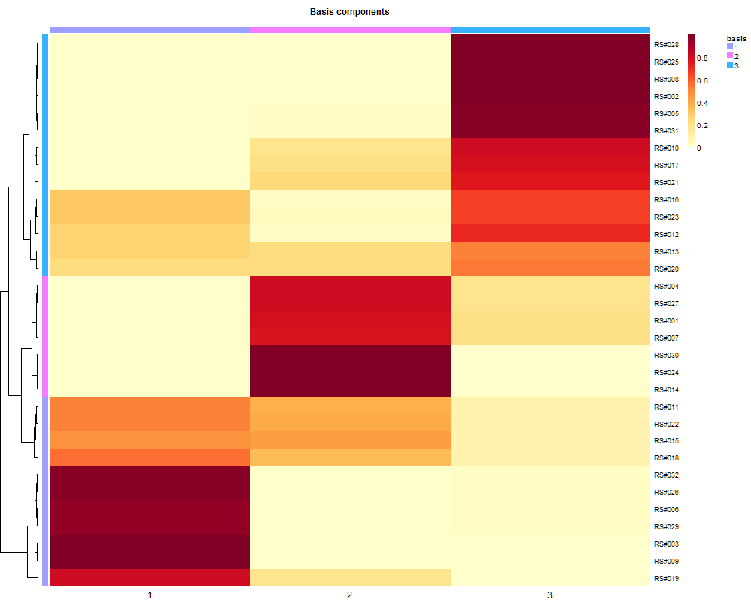
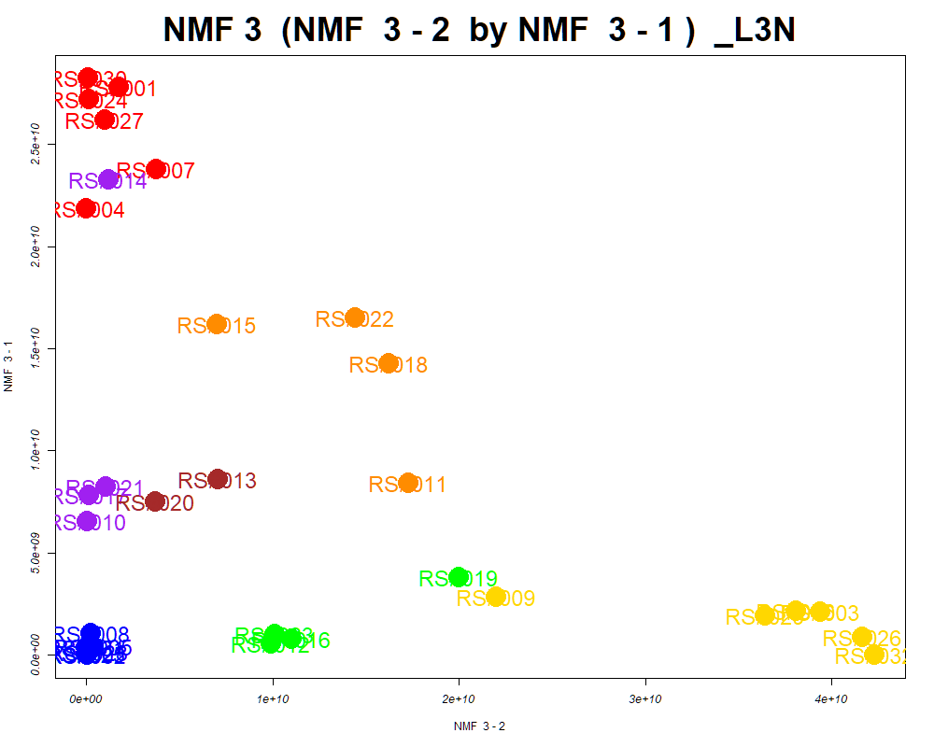
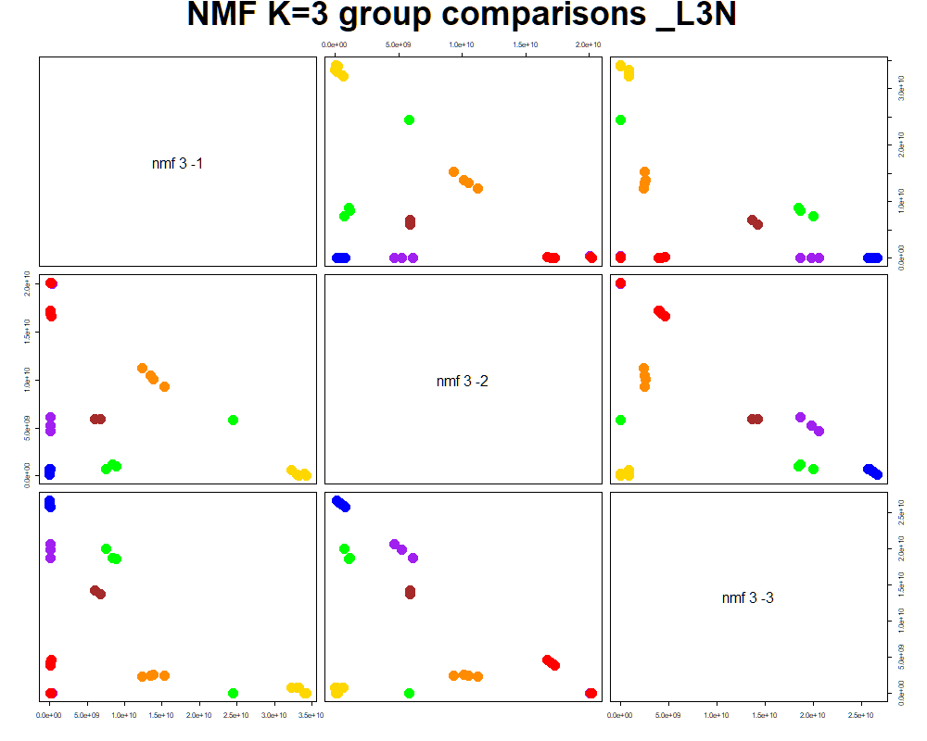
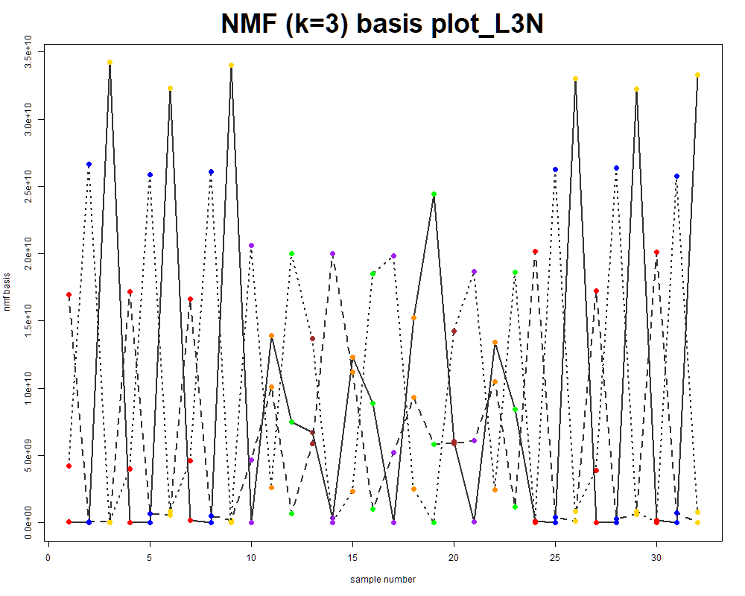
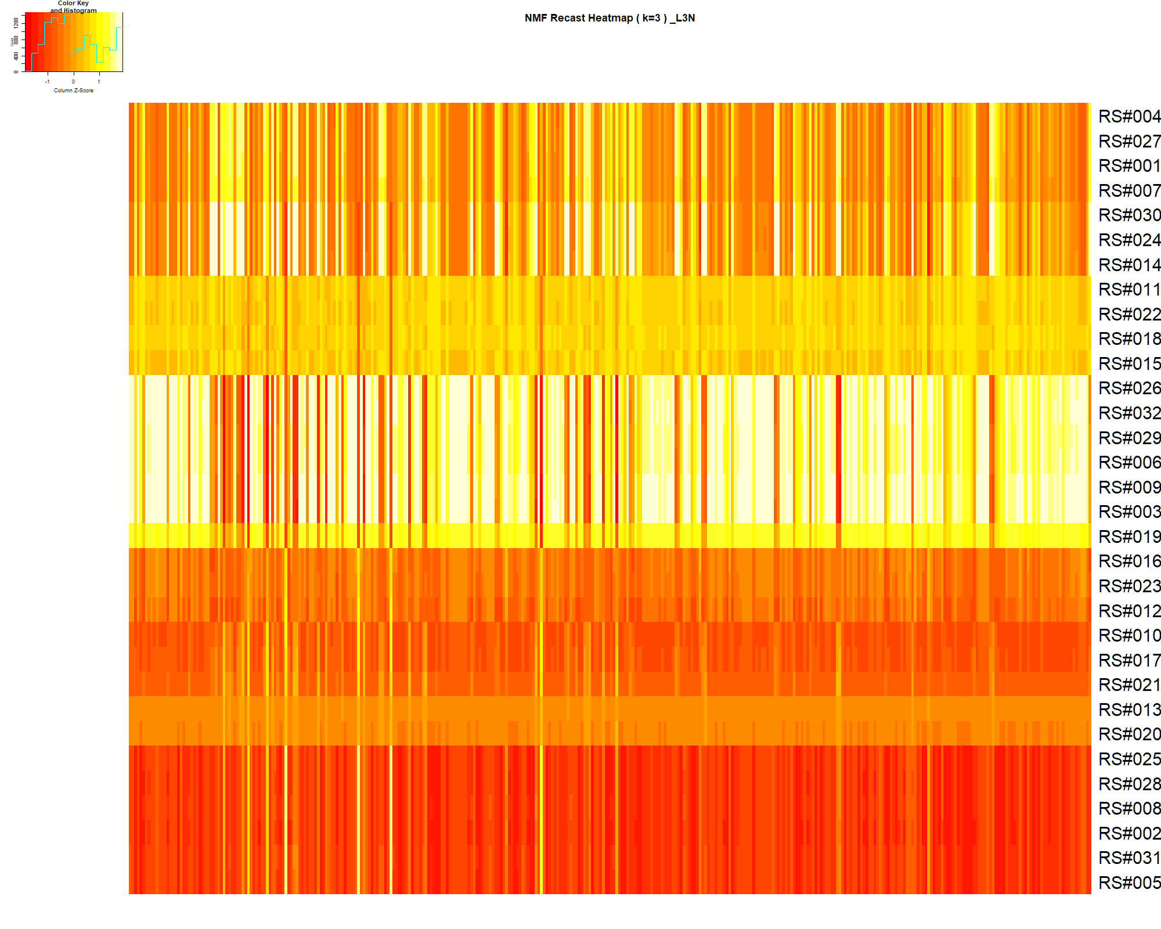

LabNum | BinID | Name | MF | BinC12mz | BinRT | nmf 3 -1 | nmf 3 -2 | nmf 3 -3 | Group |  | ExperimentalGroup | GroupFactor | nmf 3 -1 | nmf 3 -2 | nmf 3 -3 |  | p value
_L3N | LTRS_000003_MDARP-pos | Spermine (M+H -C3H10N2) | C10H26N4 | 129.1386 | 1.37 | 17.7% | 72.8% | 9.6% | GroupC | RS#001 | GroupA | GroupA | 2.78E+10 | 1.72E+09 | 4.97E+09 | nmf 3 -1 | 5.96E-12
_L3N | LTRS_000004_MDARP-pos | Spermine (M+H -C3H13N3) | C10H26N4 | 112.1121 | 1.37 | 17.6% | 74.4% | 8.0% | GroupC | RS#004 | GroupA | GroupA | 2.18E+10 | 1.38E+07 | 4.94E+09 | nmf 3 -2 | 3.00E-13
_L3N | LTRS_000006_MDARP-pos | Spermine (M+H -C3H7N) | C10H26N4 | 146.1652 | 1.37 | 16.1% | 78.7% | 5.2% | GroupC | RS#007 | GroupA | GroupA | 2.38E+10 | 3.75E+09 | 4.93E+09 | nmf 3 -3 | 3.12E-08
_L3N | LTRS_000008_MDARP-neg | C9H14N10Na (M-H) | C9H14N10Na | 284.1228 | 1.46 | 1.1% | 91.4% | 7.5% | GroupC | RS#024 | GroupA | GroupA | 2.72E+10 | 1.26E+08 | 2.11E+07
_L3N | LTRS_000009_MDARP-neg | L-Lysine (M-H+HCOONa) | C6H14N2O2 | 213.0857 | 1.46 | 17.3% | 56.3% | 26.4% | - | RS#027 | GroupA | GroupA | 2.62E+10 | 1.00E+09 | 4.55E+09 | Average | 1.04E-08
_L3N | LTRS_000010_MDARP-neg | Lys-Ser (M-H) | C9H19N3O4 | 232.1303 | 1.46 | 8.1% | 78.5% | 13.4% | GroupC | RS#030 | GroupA | GroupA | 2.82E+10 | 8.73E+07 | 2.69E+07
_L3N | LTRS_000014_MDARP-neg | Gamma-glutamyl-L-putrescine (M-H) | C9H19N3O3 | 216.1354 | 1.47 | 3.4% | 84.2% | 12.5% | GroupC | RS#002 | GroupB | GroupB | 1.39E+00 | 3.43E+07 | 3.11E+10
...

Random Forest
...
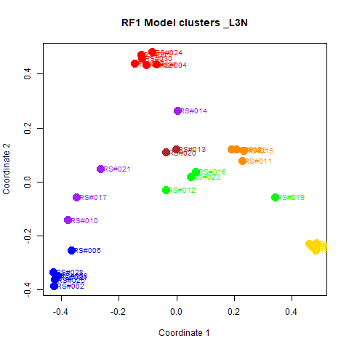
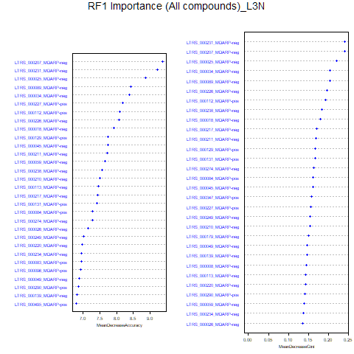
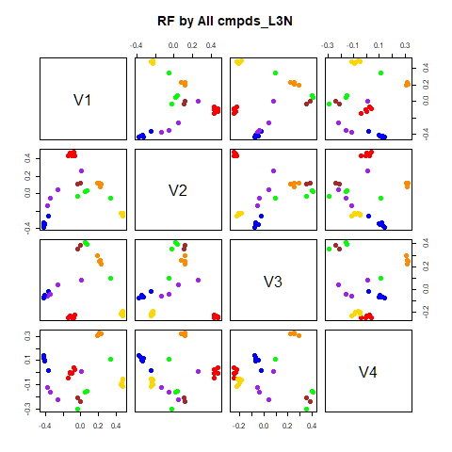
GroupD | GroupE | GroupF | GroupG | class.error
0 | 0 | 0 | 0 | 0
0 | 0 | 0 | 0 | 0
0 | 0 | 0 | 0 | 0
2 | 0 | 0 | 0 | 0.5
0 | 4 | 0 | 0 | 0
0 | 1 | 3 | 0 | 0.25
1 | 0 | 1 | 0 | 1
...
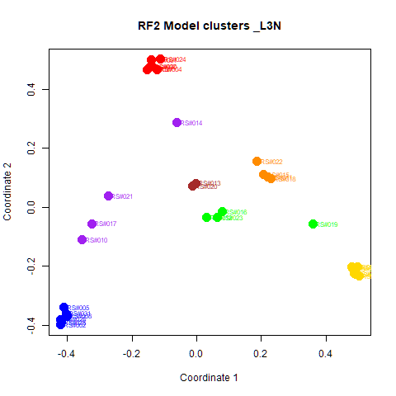
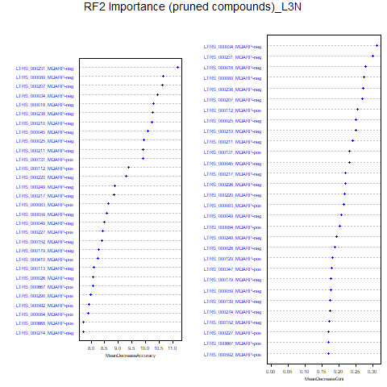
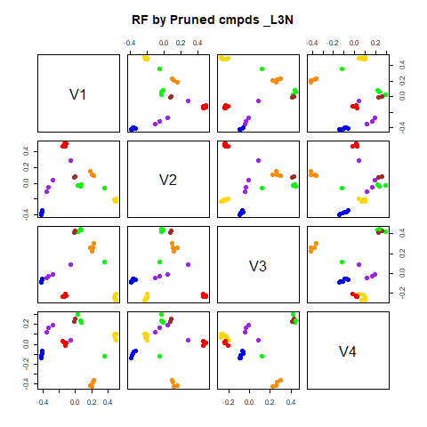
GroupD | GroupE | GroupF | GroupG | class.error
0 | 0 | 0 | 0 | 0
0 | 0 | 0 | 0 | 0
0 | 0 | 0 | 0 | 0
3 | 0 | 0 | 0 | 0.25
0 | 4 | 0 | 0 | 0
0 | 1 | 3 | 0 | 0.25
0 | 0 | 1 | 1 | 0.5

GroupC | GroupD | GroupE | GroupF | GroupG | MeanDecreaseAccuracy | MeanDecreaseGini |  | GroupA | GroupB | GroupC | GroupD | GroupE | GroupF | GroupG | MeanDecreaseAccuracy | MeanDecreaseGini
4.85292430660858 | 3.91355212513133 | 4.52296761043349 | 4.61600497871625 | 1.73291748303345 | 9.37346160229299 | 0.2402559212458 | LTRS_000231_MDARP-neg | 7.925 | 5.944 | 4.875 | 4.673 | 6.418 | 6.389 | 3.613 | 11.178 | 0.298
3.27065606801542 | 3.60478910673572 | 4.14635453819337 | 5.20719908452918 | 2.00133466814988 | 9.22104438823623 | 0.240581770121141 | LTRS_000089_MDARP-neg | 8.123 | 5.494 | 3.770 | 3.845 | 5.968 | 5.003 | 3.613 | 10.627 | 0.274
4.64280899335853 | 4.61305996816658 | 3.88669025186799 | 3.89269533901266 | 2.00133466814988 | 8.85861512413411 | 0.221044709664323 | LTRS_000207_MDARP-neg | 7.812 | 4.978 | 5.072 | 5.136 | 5.200 | 5.927 | 3.168 | 10.621 | 0.269
3.01596875668674 | 3.43008368227269 | 4.12191123723766 | 3.39294743910952 | 2.64884343319464 | 8.43460454153139 | 0.203750473925525 | LTRS_000034_MDARP-neg | 8.482 | 6.393 | 4.589 | 5.061 | 2.301 | 5.190 | 1.808 | 10.438 | 0.311
3.92793440955618 | 3.66387252088786 | 2.58046798133941 | 2.03842401868294 | 1.73291748303345 | 8.39096499232482 | 0.203883985193878 | LTRS_000018_MDARP-neg | 8.286 | 4.642 | 5.606 | 2.551 | 3.327 | 4.935 | 2.649 | 10.276 | 0.278
4.81526404503636 | 3.65712717869704 | 3.96064300196428 | 3.31888216824083 | 2.8322059201851 | 8.19437748069007 | 0.155986890848906 | LTRS_000238_MDARP-neg | 8.219 | 5.029 | 5.601 | 3.947 | 3.424 | 5.136 | 3.005 | 10.248 | 0.270
...

RF->NMF3
This tab has the report for k= 3

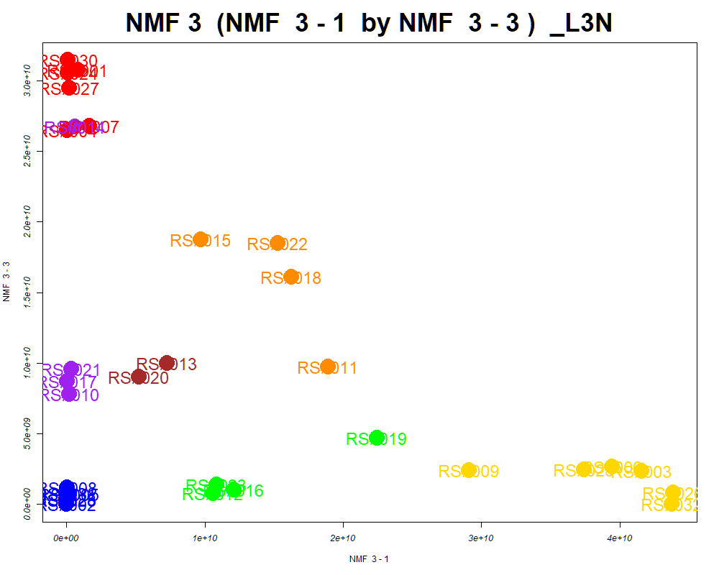

LabNum | BinID | Name | MF | BinC12mz | BinRT | nmf 3 -1 | nmf 3 -2 | nmf 3 -3 | Group |  | ExperimentalGroup | GroupFactor | nmf 3 -1
_L3N | LTRS_000004_MDARP-neg | C6H19N4O6P (M-H) | C6H19N4O6P | 273.0969 | 1.44 | 56.4% | 28.8% | 14.8% | - | RS#001 | GroupA | GroupA | 8.05E+08
_L3N | LTRS_000006_MDARP-pos | Spermine (M+H -C3H7N) | C10H26N4 | 146.1652 | 1.37 | 77.3% | 7.0% | 15.6% | GroupC | RS#004 | GroupA | GroupA | 2.22E+07
_L3N | LTRS_000007_MDARP-neg | C5H14N2O9 (M-H) | C5H14N2O9 | 245.0627 | 1.44 | 7.5% | 83.5% | 9.0% | NotClr | RS#007 | GroupA | GroupA | 1.63E+09
_L3N | LTRS_000008_MDARP-neg | C9H14N10Na (M-H) | C9H14N10Na | 284.1228 | 1.46 | 88.5% | 10.1% | 1.4% | GroupC | RS#024 | GroupA | GroupA | 9.38E+07
_L3N | LTRS_000009_MDARP-neg | L-Lysine (M-H+HCOONa) | C6H14N2O2 | 213.0857 | 1.46 | 51.7% | 32.9% | 15.4% | - | RS#027 | GroupA | GroupA | 2.07E+08
_L3N | LTRS_000010_MDARP-neg | Lys-Ser (M-H) | C9H19N3O4 | 232.1303 | 1.46 | 74.4% | 17.1% | 8.5% | GroupC | RS#030 | GroupA | GroupA | 7.53E+07
_L3N | LTRS_000014_MDARP-neg | Gamma-glutamyl-L-putrescine (M-H) | C9H19N3O3 | 216.1354 | 1.47 | 80.3% | 16.1% | 3.5% | GroupC | RS#002 | GroupB | GroupB | 6.41E+06
...

PCA
This tab shows results from PCA analyses on the two RF datasets.
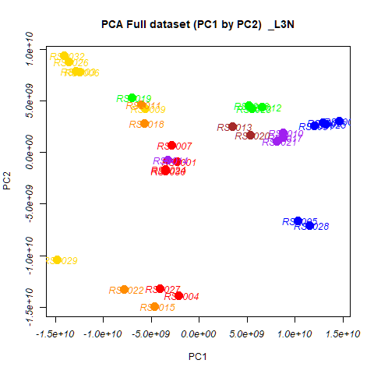
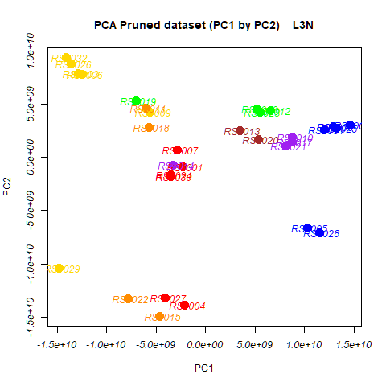
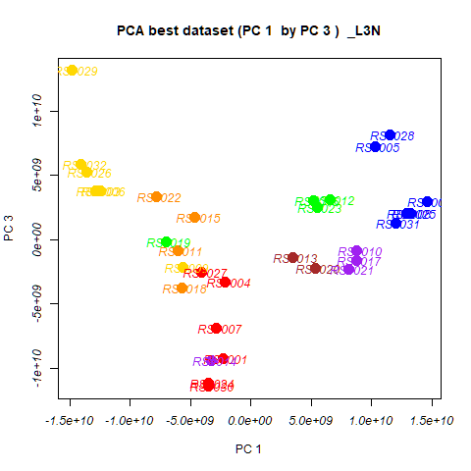
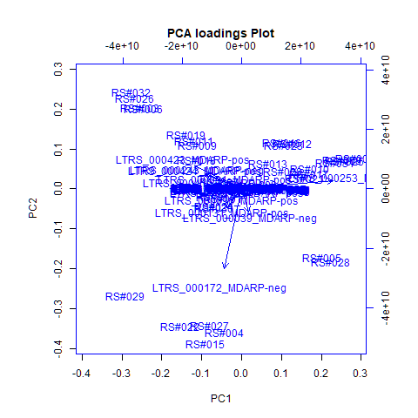
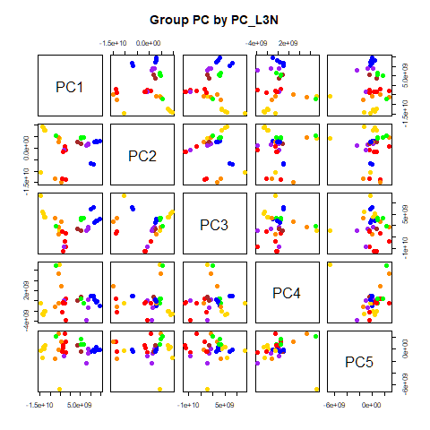
 | %TotVar | SD | p Design | p Reg
PC1 | 47.31% | 9.03E+09 | 2.61E-10 | 2.61E-10
PC2 | 27.06% | 6.83E+09 | 8.26E-02 | 8.26E-02
PC3 | 18.19% | 5.60E+09 | 5.10E-05 | 5.10E-05
PC4 | 3.78% | 2.55E+09 | 4.31E-01 | 4.31E-01
PC5 | 1.63% | 1.68E+09 | 1.76E-01 | 1.76E-01
PC6 | 1.04% | 1.34E+09 | 1.11E-01 | 1.11E-01
PC7 | 0.55% | 9.69E+08 | 6.64E-01 | 6.64E-01
PC8 | 0.16% | 5.31E+08 | 8.21E-01 | 8.21E-01
PC9 | 0.11% | 4.45E+08 | 8.80E-01 | 8.80E-01
PC10 | 0.07% | 3.51E+08 | 7.93E-01 | 7.93E-01

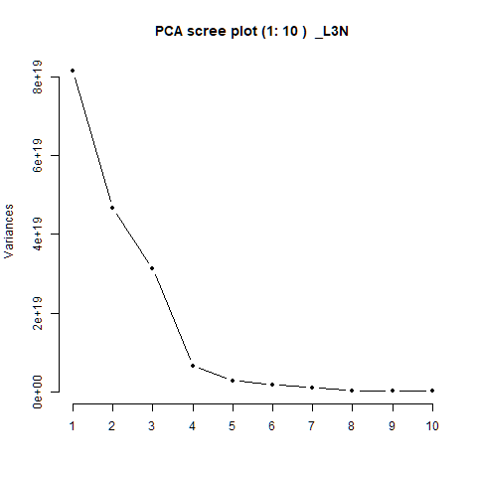
 |  | PC1 | PC2 | PC3 | PC4 | PC5 |  | PC1 | PC2 | PC3 | PC4 | PC5
 | LTRS_000003_MDARP-neg | -8.17E-08 | 2.24E-07 | 1.83E-07 | -2.10E-07 | 5.36E-07 | RS#001 | -2.30E+09 | -8.65E+08 | -9.29E+09 | -3.86E+09 | -5.07E+08
 | LTRS_000003_MDARP-pos | -2.86E-04 | 1.34E-04 | 2.31E-04 | 1.33E-06 | 1.07E-06 | RS#002 | 1.46E+10 | 3.00E+09 | 2.97E+09 | -1.07E+09 | -1.11E+08
 | LTRS_000004_MDARP-neg | -3.67E-06 | 7.42E-06 | 3.28E-06 | 4.00E-06 | -2.85E-06 | RS#003 | -1.29E+10 | 7.88E+09 | 3.79E+09 | -1.97E+09 | 1.12E+08
 | LTRS_000004_MDARP-pos | -2.07E-04 | 1.12E-04 | 1.60E-04 | -4.10E-05 | 3.70E-05 | RS#004 | -2.13E+09 | -1.39E+10 | -3.28E+09 | 3.59E+08 | 1.30E+09
 |  |  |  |  |  |  |  | 1.03E+10 | -6.65E+09 | 7.20E+09 | 8.51E+08 | -3.31E+08
 |  |  |  |  |  |  |  | -1.25E+10 | 7.80E+09 | 3.83E+09 | -2.13E+09 | 6.79E+08
 |  |  |  |  |  |  |  | -2.84E+09 | 6.85E+08 | -6.89E+09 | -5.41E+08 | 2.62E+09
 |  |  |  |  |  |  |  | 1.29E+10 | 2.85E+09 | 2.06E+09 | -2.43E+08 | 3.69E+08
 |  |  |  |  |  |  |  | -5.61E+09 | 4.22E+09 | -2.16E+09 | 7.14E+09 | -6.77E+09
 |  |  |  |  |  |  |  | 8.78E+09 | 1.94E+09 | -8.52E+08 | 1.64E+08 | 1.16E+08
 |  |  |  |  |  |  |  | -6.04E+09 | 4.66E+09 | -8.43E+08 | 5.28E+09 | 2.68E+09
 |  |  |  |  |  |  |  | 6.57E+09 | 4.40E+09 | 3.13E+09 | -4.27E+08 | 8.04E+08
 |  |  |  |  |  |  |  | 3.47E+09 | 2.51E+09 | -1.39E+09 | 6.78E+07 | 6.93E+08
 |  |  |  |  |  |  |  | -3.23E+09 | -7.12E+08 | -9.43E+09 | 4.49E+07 | -1.12E+09
 |  |  |  |  |  |  |  | -4.61E+09 | -1.50E+10 | 1.73E+09 | 2.82E+09 | 1.30E+09
 |  |  |  |  |  |  |  | 5.19E+09 | 4.52E+09 | 3.05E+09 | 3.70E+08 | 1.71E+09
 |  |  |  |  |  |  |  | 8.75E+09 | 1.47E+09 | -1.64E+09 | -1.43E+09 | -7.26E+08
 |  |  |  |  |  |  |  | -5.73E+09 | 2.78E+09 | -3.79E+09 | -5.21E+08 | -6.23E+07
 |  |  |  |  |  |  |  | -7.03E+09 | 5.29E+09 | -1.39E+08 | 6.95E+09 | 2.25E+09
...

PCA->NMF3
This tab has the report for k= 3

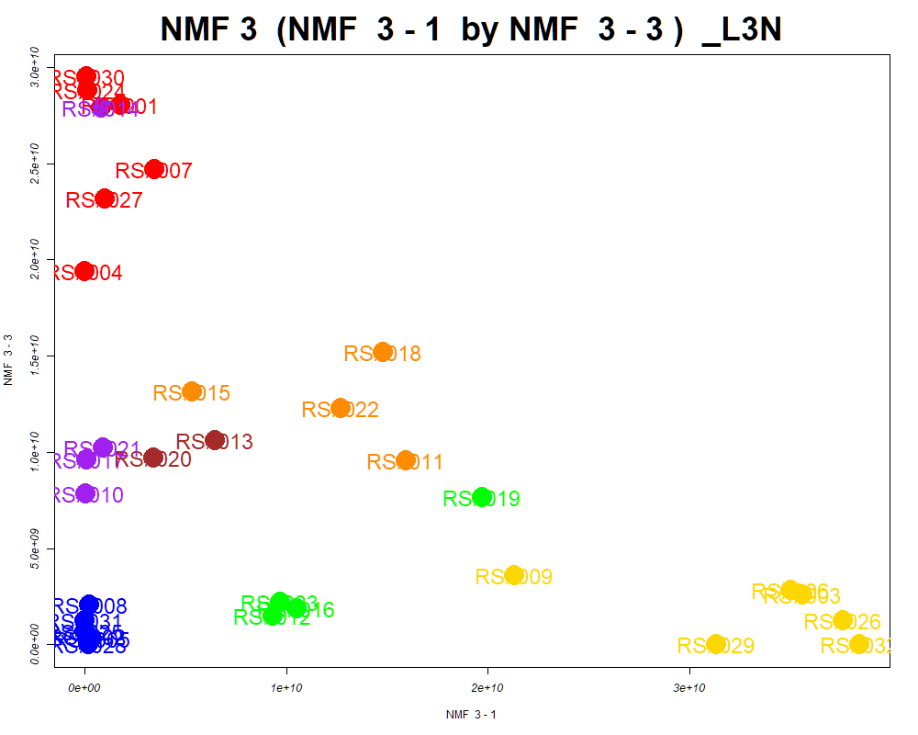

LabNum | BinID | Name | MF | BinC12mz | BinRT | nmf 3 -1 | nmf 3 -2 | nmf 3 -3 | Group |  | ExperimentalGroup | GroupFactor | nmf 3 -1
_L3N | LTRS_000003_MDARP-pos | Spermine (M+H -C3H10N2) | C10H26N4 | 129.1386 | 1.37 | 73.7% | 12.5% | 13.8% | GroupC | RS#001 | GroupA | GroupA | 1.78E+09
_L3N | LTRS_000006_MDARP-pos | Spermine (M+H -C3H7N) | C10H26N4 | 146.1652 | 1.37 | 79.8% | 6.5% | 13.7% | GroupC | RS#004 | GroupA | GroupA | 3.98E+02
_L3N | LTRS_000008_MDARP-neg | C9H14N10Na (M-H) | C9H14N10Na | 284.1228 | 1.46 | 92.0% | 7.1% | 0.9% | GroupC | RS#007 | GroupA | GroupA | 3.46E+09
_L3N | LTRS_000012_MDARP-neg | Gly-lys (M-H) | C8H17N3O3 | 202.1197 | 1.46 | 22.0% | 67.3% | 10.7% | NotClr | RS#024 | GroupA | GroupA | 1.45E+08
_L3N | LTRS_000014_MDARP-neg | Gamma-glutamyl-L-putrescine (M-H) | C9H19N3O3 | 216.1354 | 1.47 | 82.8% | 14.5% | 2.7% | GroupC | RS#027 | GroupA | GroupA | 9.77E+08
_L3N | LTRS_000018_MDARP-neg | L-Lysine (M-H) | C6H14N2O2 | 145.0983 | 1.47 | 63.7% | 25.0% | 11.3% | GroupC | RS#030 | GroupA | GroupA | 8.01E+07
_L3N | LTRS_000025_MDARP-neg | L-Arginine (M-H) | C6H14N4O2 | 173.1044 | 1.49 | 52.5% | 35.0% | 12.5% | - | RS#002 | GroupB | GroupB | 1.24E+08
...

SOM
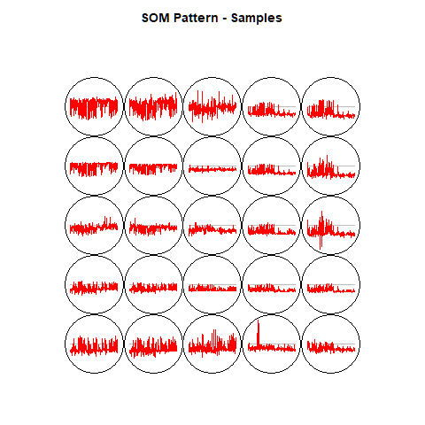
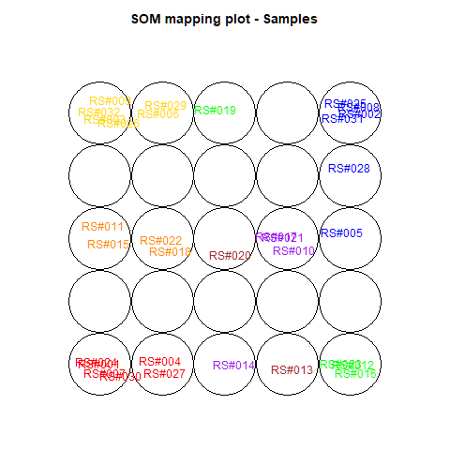
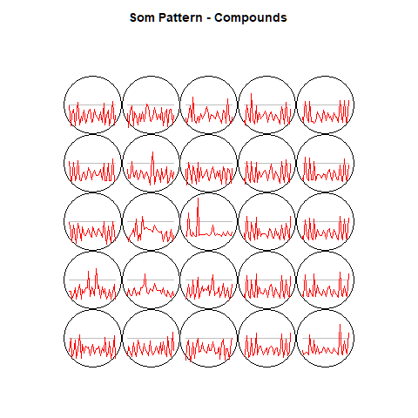
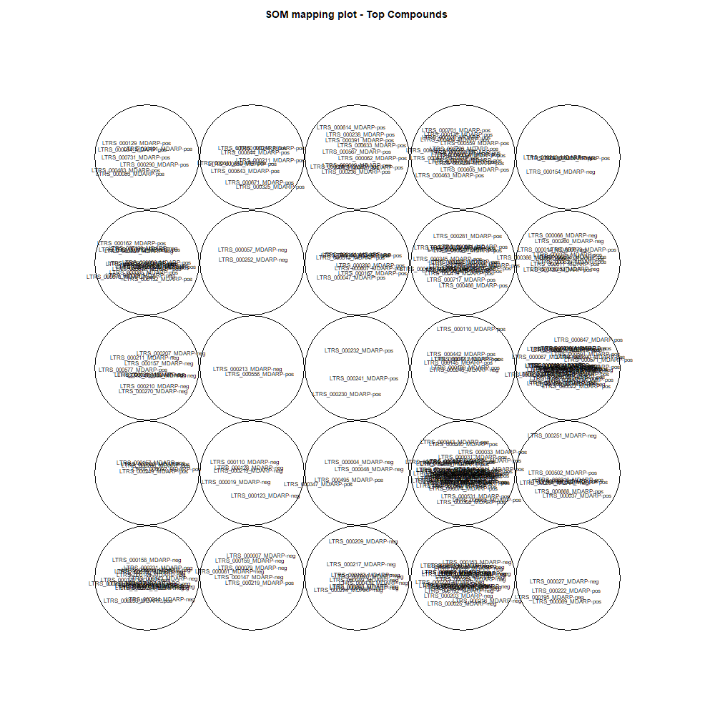
This tab show the output from a SOM analysis

NMF(full)->NMF3
This tab has the report for k= 3

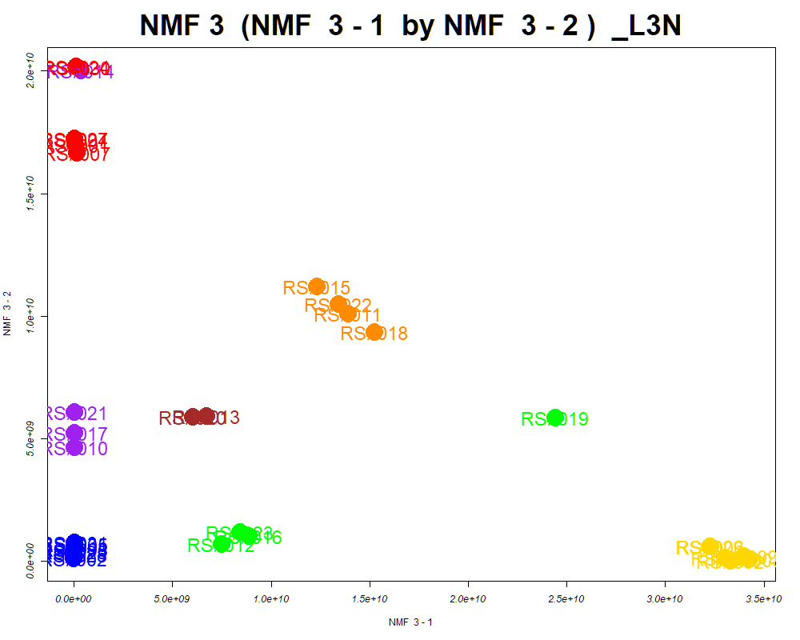

LabNum | BinID | Name | MF | BinC12mz | BinRT | nmf 3 -1 | nmf 3 -2 | nmf 3 -3 | Group |  | ExperimentalGroup | GroupFactor | nmf 3 -1
_L3N | LTRS_000004_MDARP-pos | Spermine (M+H -C3H13N3) | C10H26N4 | 112.1121 | 1.37 | 69.1% | 22.3% | 8.6% | GroupC | RS#001 | GroupA | GroupA | 8.74E+07
_L3N | LTRS_000006_MDARP-pos | Spermine (M+H -C3H7N) | C10H26N4 | 146.1652 | 1.37 | 73.9% | 20.5% | 5.6% | GroupC | RS#004 | GroupA | GroupA | 3.00E+07
_L3N | LTRS_000007_MDARP-pos | C13H29N3O5 (M+H) | C13H29N3O5 | 308.2180 | 1.38 | 30.9% | 61.4% | 7.7% | NotClr | RS#007 | GroupA | GroupA | 1.63E+08
_L3N | LTRS_000009_MDARP-neg | L-Lysine (M-H+HCOONa) | C6H14N2O2 | 213.0857 | 1.46 | 62.5% | 28.3% | 9.2% | GroupC | RS#024 | GroupA | GroupA | 1.13E+08
_L3N | LTRS_000011_MDARP-pos | Lys-Lys (M+H) | C12H26N4O3 | 275.2078 | 1.40 | 37.7% | 51.6% | 10.6% | - | RS#027 | GroupA | GroupA | 4.40E+07
_L3N | LTRS_000016_MDARP-pos | C10H22N2O5 (M+H) | C10H22N2O5 | 251.1601 | 1.42 | 24.2% | 57.0% | 18.8% | - | RS#030 | GroupA | GroupA | 1.60E+08
_L3N | LTRS_000018_MDARP-neg | L-Lysine (M-H) | C6H14N2O2 | 145.0983 | 1.47 | 69.7% | 22.9% | 7.4% | GroupC | RS#002 | GroupB | GroupB | 5.36E+06
...

Scored_Cmpds
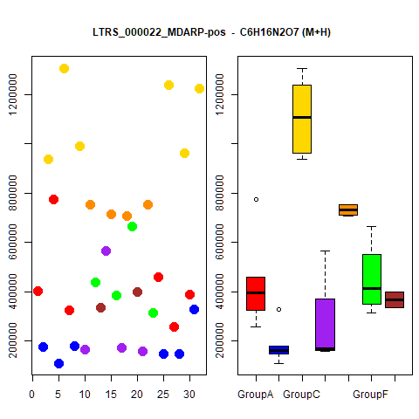
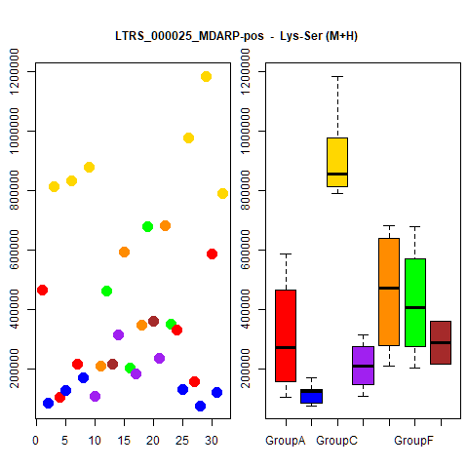
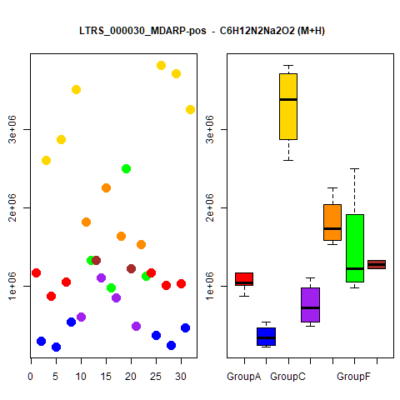
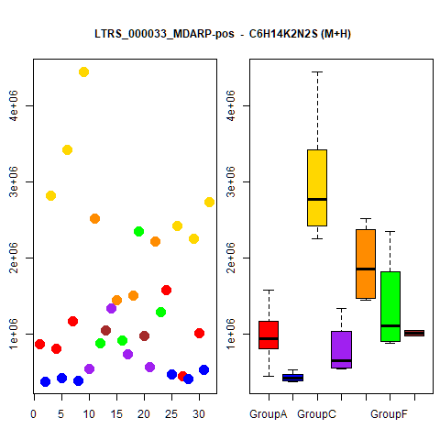
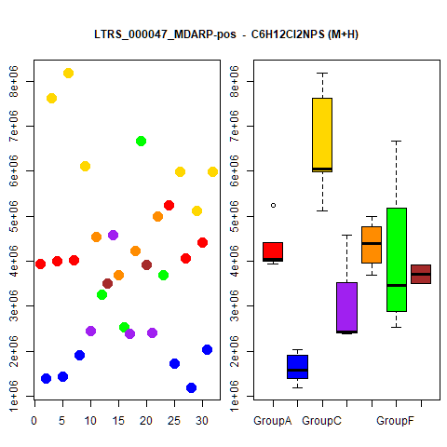
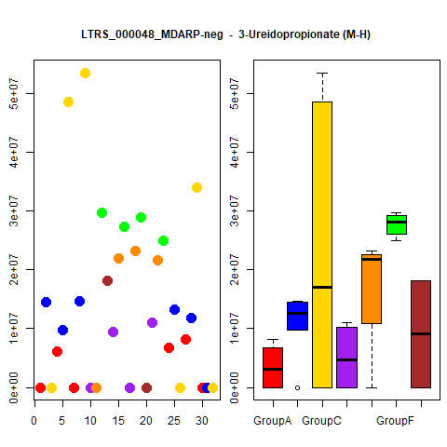
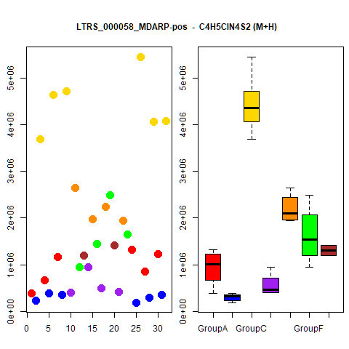
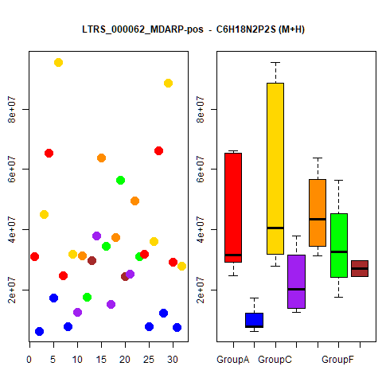
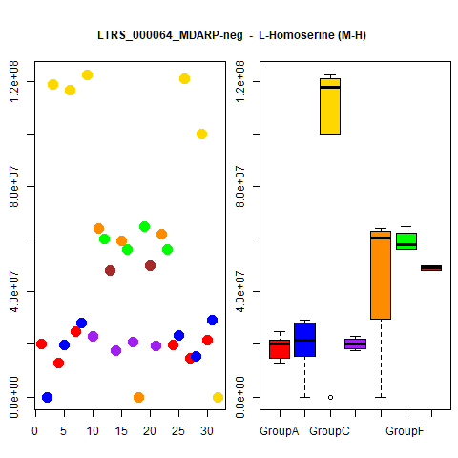
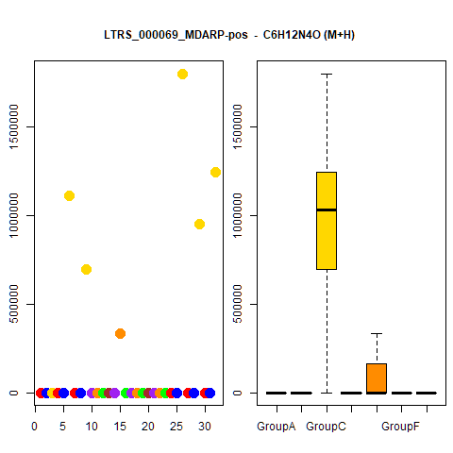
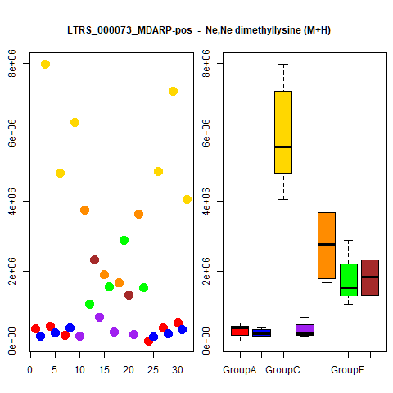
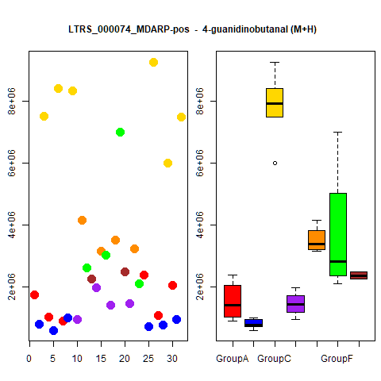
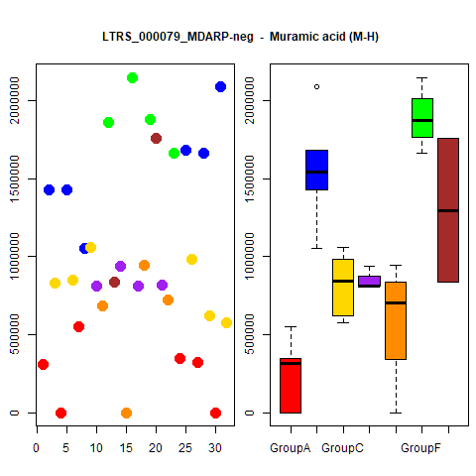
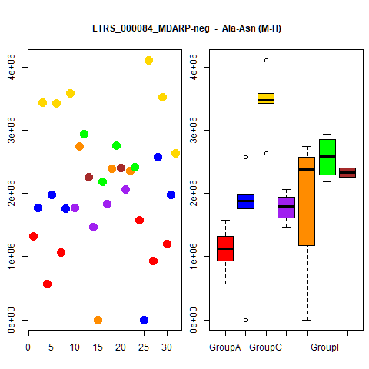
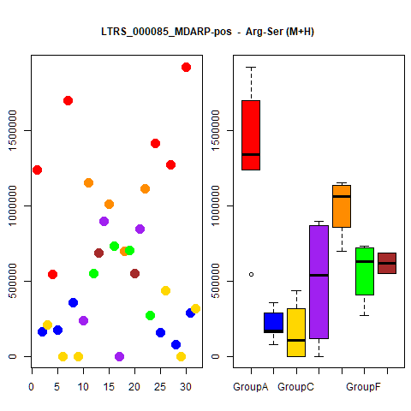
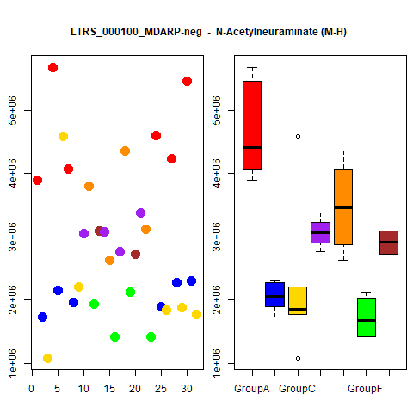
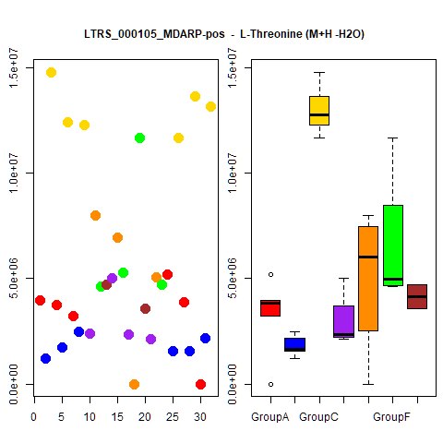
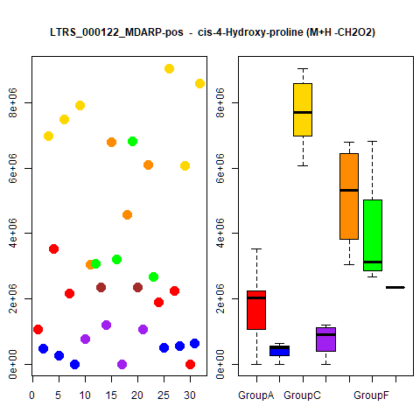
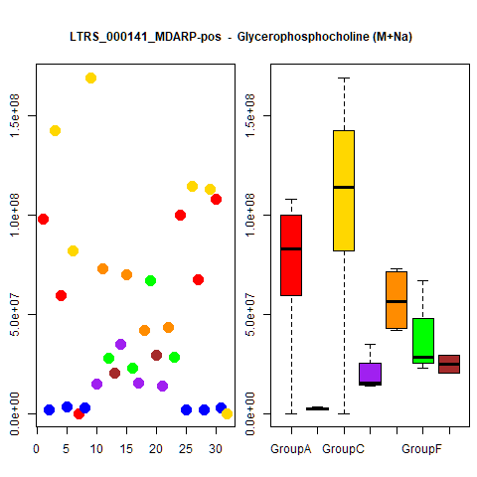
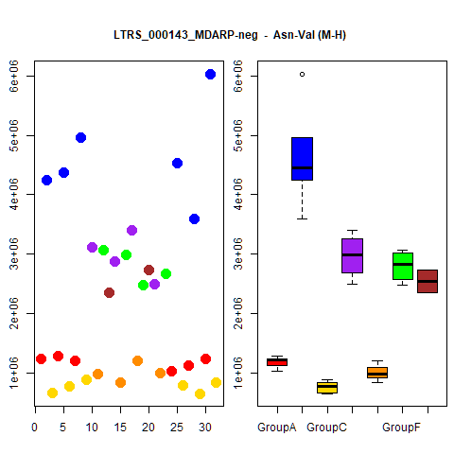
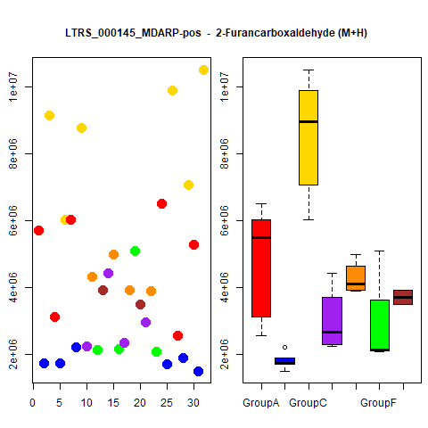
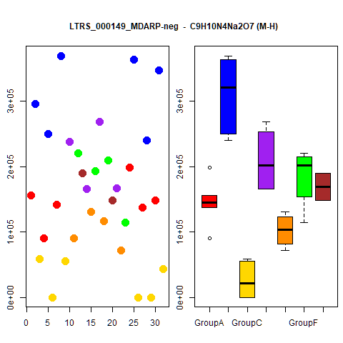
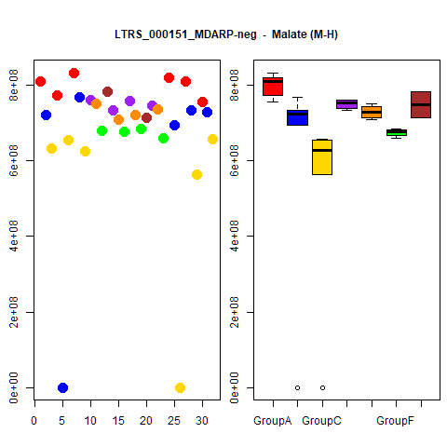







































































































...




 |  |  | Count
1 | 1 | 1 | 4
1 | 1 | 1 | 4
1 | 1 | 1 | 4
1 | 1 | 1 | 4
1 | 1 | 1 | 4
1 | 1 | 1 | 4
1 | 1 | 1 | 4
1 | 1 | 1 | 4
1 | 1 | 1 | 4
1 | 1 | 1 | 4





1 | 1 | 1 | 4
1 | 1 | 1 | 4
1 | 1 | 1 | 4
1 | 1 | 1 | 4
1 | 1 | 1 | 4
1 | 1 | 1 | 4
1 | 1 | 1 | 4
1 | 1 | 1 | 4
1 | 1 | 1 | 4
1 | 1 | 1 | 4





1 | 1 | 1 | 4
1 | 1 | 1 | 4
1 | 1 | 1 | 4
1 | 1 | 1 | 4
1 | 1 | 1 | 4
1 | 1 | 1 | 4
1 | 1 | 1 | 4
1 | 1 | 1 | 4
1 | 1 | 1 | 4
1 | 1 | 1 | 4





1 | 1 | 1 | 4
1 | 1 | 1 | 4
1 | 1 | 1 | 4
1 | 1 | 1 | 4
1 | 1 | 1 | 4
1 | 1 | 1 | 4
1 | 1 | 1 | 4
1 | 1 | 1 | 4
1 | 1 | 1 | 4
1 | 1 | 1 | 4





1 | 1 | 1 | 4
1 | 1 | 1 | 4
1 | 0 | 1 | 3
1 | 0 | 1 | 3
1 | 0 | 1 | 3
1 | 0 | 1 | 3
1 | 0 | 1 | 3
1 | 0 | 1 | 3
1 | 0 | 1 | 3
1 | 0 | 1 | 3





1 | 0 | 1 | 3
1 | 0 | 1 | 3
1 | 0 | 1 | 3
1 | 0 | 1 | 3
1 | 0 | 1 | 3
1 | 0 | 1 | 3
1 | 0 | 1 | 3
1 | 0 | 1 | 3
1 | 0 | 1 | 3
1 | 0 | 1 | 3





1 | 0 | 1 | 3
1 | 0 | 1 | 3
1 | 0 | 1 | 3
1 | 0 | 1 | 3
1 | 1 | 0 | 3
1 | 0 | 1 | 3
1 | 0 | 1 | 3
1 | 0 | 1 | 3
1 | 1 | 0 | 3
1 | 1 | 0 | 3





1 | 0 | 1 | 3
1 | 0 | 1 | 3
1 | 0 | 1 | 3
1 | 1 | 0 | 3
1 | 1 | 0 | 3
1 | 0 | 1 | 3
1 | 0 | 1 | 3
1 | 0 | 1 | 3
1 | 1 | 0 | 3
1 | 1 | 0 | 3





1 | 1 | 0 | 3
1 | 0 | 1 | 3
1 | 0 | 1 | 3
1 | 1 | 0 | 3
1 | 0 | 1 | 3
1 | 0 | 1 | 3
1 | 1 | 0 | 3
1 | 0 | 1 | 3
1 | 0 | 1 | 3
1 | 0 | 1 | 3





1 | 0 | 1 | 3
1 | 0 | 1 | 3
1 | 0 | 1 | 3
1 | 1 | 0 | 3
1 | 0 | 1 | 3
1 | 0 | 1 | 3
1 | 0 | 1 | 3
1 | 0 | 1 | 3
1 | 0 | 1 | 3
1 | 0 | 1 | 3





1 | 0 | 1 | 3
1 | 0 | 1 | 3
1 | 0 | 1 | 3
1 | 0 | 1 | 3
1 | 0 | 1 | 3
1 | 1 | 0 | 3
1 | 0 | 1 | 3
1 | 1 | 0 | 3
1 | 0 | 1 | 3
1 | 0 | 1 | 3





1 | 0 | 1 | 3
1 | 0 | 1 | 3
1 | 0 | 1 | 3
1 | 0 | 1 | 3
1 | 0 | 1 | 3
1 | 0 | 1 | 3
1 | 0 | 1 | 3
1 | 0 | 1 | 3
1 | 0 | 1 | 3
1 | 1 | 0 | 3





1 | 0 | 1 | 3
1 | 0 | 1 | 3
1 | 0 | 1 | 3
1 | 0 | 1 | 3
1 | 1 | 0 | 3
1 | 0 | 1 | 3
0 | 0 | 1 | 2
1 | 0 | 0 | 2
1 | 0 | 0 | 2
1 | 0 | 0 | 2





1 | 0 | 0 | 2
1 | 0 | 0 | 2
1 | 0 | 0 | 2
1 | 0 | 0 | 2
1 | 0 | 1 | 2
1 | 0 | 0 | 2
1 | 0 | 1 | 2
0 | 0 | 1 | 2
1 | 0 | 0 | 2
1 | 0 | 0 | 2





1 | 0 | 0 | 2
1 | 0 | 0 | 2
1 | 0 | 0 | 2
1 | 0 | 0 | 2
1 | 0 | 0 | 2
0 | 0 | 1 | 2
1 | 0 | 0 | 2
1 | 0 | 1 | 2
1 | 0 | 0 | 2
1 | 0 | 0 | 2





1 | 0 | 0 | 2
1 | 0 | 1 | 2
1 | 0 | 0 | 2
1 | 0 | 0 | 2
1 | 0 | 0 | 2
1 | 0 | 0 | 2
1 | 0 | 0 | 2
1 | 0 | 0 | 2
1 | 0 | 0 | 2
1 | 0 | 0 | 2





1 | 0 | 0 | 2
0 | 0 | 1 | 2
1 | 0 | 0 | 2
1 | 0 | 0 | 2
1 | 0 | 0 | 2
1 | 0 | 0 | 2
1 | 0 | 1 | 2
1 | 0 | 0 | 2
1 | 0 | 1 | 2
1 | 0 | 0 | 2





1 | 0 | 1 | 2
1 | 0 | 0 | 2
1 | 0 | 1 | 2
1 | 0 | 1 | 2
1 | 0 | 0 | 2
1 | 0 | 1 | 2
1 | 0 | 0 | 2
1 | 0 | 1 | 2
1 | 0 | 0 | 2
1 | 0 | 0 | 2





1 | 0 | 0 | 2
1 | 0 | 0 | 2
1 | 0 | 0 | 2
1 | 0 | 0 | 2
1 | 0 | 0 | 2
1 | 0 | 1 | 2
1 | 0 | 0 | 2
1 | 0 | 0 | 2
1 | 0 | 0 | 2
1 | 0 | 0 | 2





1 | 0 | 0 | 2
1 | 0 | 0 | 2
1 | 0 | 0 | 2
1 | 0 | 0 | 2
1 | 0 | 0 | 2
1 | 0 | 0 | 2
1 | 0 | 0 | 2
1 | 0 | 0 | 2
1 | 0 | 0 | 2
1 | 0 | 0 | 2





0 | 0 | 1 | 2
1 | 0 | 0 | 2
1 | 0 | 0 | 2
1 | 0 | 0 | 2
1 | 0 | 0 | 2
1 | 0 | 0 | 2
1 | 0 | 1 | 2
1 | 0 | 0 | 2
1 | 0 | 0 | 2
1 | 0 | 0 | 2





1 | 0 | 0 | 2
1 | 0 | 0 | 2
1 | 0 | 0 | 2
1 | 0 | 0 | 2
1 | 0 | 0 | 2
1 | 0 | 0 | 2
1 | 0 | 0 | 2
1 | 0 | 0 | 2
1 | 0 | 0 | 2
1 | 0 | 0 | 2





1 | 0 | 0 | 2
1 | 0 | 0 | 2
1 | 0 | 0 | 2
1 | 0 | 0 | 2
1 | 0 | 0 | 2
1 | 0 | 0 | 2
1 | 0 | 0 | 2
1 | 0 | 0 | 2
1 | 0 | 0 | 2
1 | 0 | 0 | 2





0 | 0 | 1 | 2
1 | 0 | 0 | 2
1 | 0 | 0 | 2
1 | 0 | 0 | 2
1 | 0 | 0 | 2
1 | 0 | 0 | 2
1 | 0 | 0 | 2
1 | 0 | 0 | 2
1 | 0 | 0 | 2
1 | 0 | 0 | 2





1 | 0 | 0 | 2
1 | 0 | 0 | 2
1 | 0 | 0 | 2
1 | 0 | 0 | 2
1 | 0 | 0 | 2
1 | 0 | 0 | 2
1 | 0 | 0 | 2
1 | 0 | 0 | 2
1 | 0 | 0 | 2
1 | 0 | 0 | 2





1 | 0 | 0 | 2
1 | 0 | 0 | 2
1 | 0 | 0 | 2
1 | 0 | 0 | 2
1 | 0 | 1 | 2

Grouped_Cmpds




























...

