Design
dataId | SampleId | ExperimentalGroup | GroupFactor | Conc | number | SampleId | AcqMethod | ExperimentalGroup | FileName | sampleNum
RS#001 | S0006 | GroupA | GroupA | 1 | 1 | S0006 | BarnesNeg | GroupA | SB_NEG_MS_SAMPLE-001.mzXML | 1
RS#002 | S0007 | GroupB | GroupB | 1 | 2 | S0006 | BarnesPos | GroupA | SB_POS_MS_SAMPLE-001.mzXML | 1
RS#003 | S0008 | GroupC | GroupC | 1 | 3 | S0007 | BarnesNeg | GroupB | SB_NEG_MS_SAMPLE-002.mzXML | 2
RS#004 | S0009 | GroupA | GroupA | 0.5 | 4 | S0007 | BarnesPos | GroupB | SB_POS_MS_SAMPLE-002.mzXML | 2
RS#005 | S0010 | GroupB | GroupB | 0.5 | 5 | S0008 | BarnesNeg | GroupC | SB_NEG_MS_SAMPLE-003.mzXML | 3
RS#006 | S0011 | GroupC | GroupC | 0.5 | 6 | S0008 | BarnesPos | GroupC | SB_POS_MS_SAMPLE-003.mzXML | 3
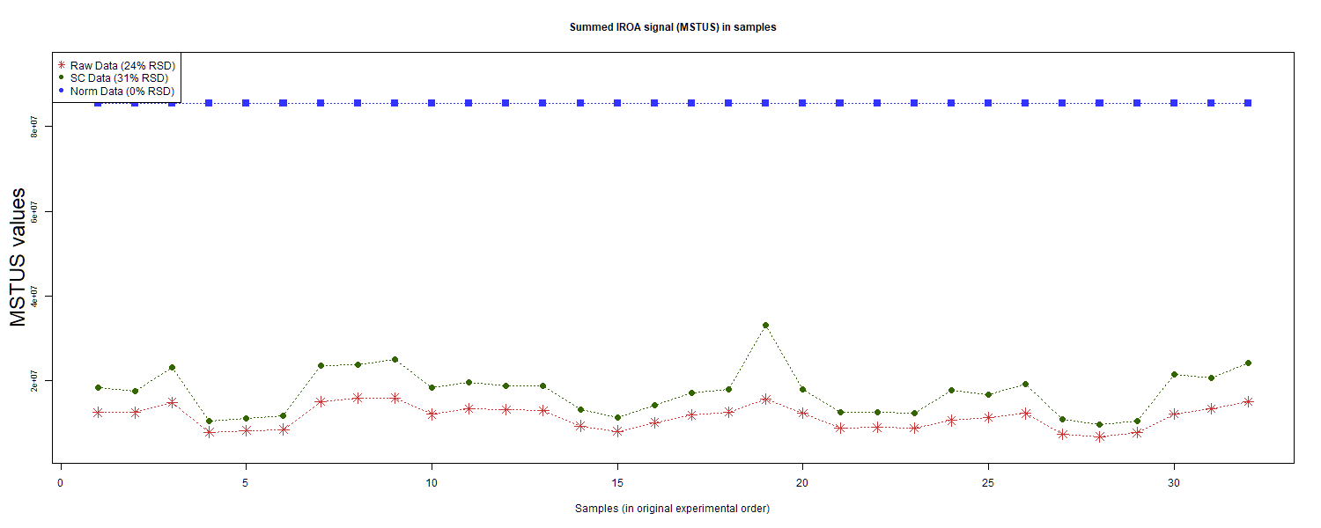
RS#007 | S0012 | GroupA | GroupA | 1.5 | 7 | S0009 | BarnesNeg | GroupA | SB_NEG_MS_SAMPLE-004.mzXML | 4
RS#008 | S0013 | GroupB | GroupB | 1.5 | 8 | S0009 | BarnesPos | GroupA | SB_POS_MS_SAMPLE-004.mzXML | 4
RS#009 | S0014 | GroupC | GroupC | 1.5 | 9 | S0010 | BarnesNeg | GroupB | SB_NEG_MS_SAMPLE-005.mzXML | 5
RS#010 | S0015 | GroupD | GroupD | 1 | 10 | S0010 | BarnesPos | GroupB | SB_POS_MS_SAMPLE-005.mzXML | 5
RS#011 | S0016 | GroupE | GroupE | 1 | 11 | S0011 | BarnesNeg | GroupC | SB_NEG_MS_SAMPLE-006.mzXML | 6
RS#012 | S0017 | GroupF | GroupF | 1 | 12 | S0011 | BarnesPos | GroupC | SB_POS_MS_SAMPLE-006.mzXML | 6
RS#013 | S0018 | GroupG | GroupG | 1 | 13 | S0012 | BarnesNeg | GroupA | SB_NEG_MS_SAMPLE-007.mzXML | 7
RS#014 | S0019 | GroupD | GroupD | 0.67 | 14 | S0012 | BarnesPos | GroupA | SB_POS_MS_SAMPLE-007.mzXML | 7
RS#015 | S0020 | GroupE | GroupE | 0.67 | 15 | S0013 | BarnesNeg | GroupB | SB_NEG_MS_SAMPLE-008.mzXML | 8
RS#016 | S0021 | GroupF | GroupF | 0.67 | 16 | S0013 | BarnesPos | GroupB | SB_POS_MS_SAMPLE-008.mzXML | 8
RS#017 | S0022 | GroupD | GroupD | 1 | 17 | S0014 | BarnesNeg | GroupC | SB_NEG_MS_SAMPLE-009.mzXML | 9
RS#018 | S0023 | GroupE | GroupE | 1 | 18 | S0014 | BarnesPos | GroupC | SB_POS_MS_SAMPLE-009.mzXML | 9
RS#019 | S0024 | GroupF | GroupF | 1 | 19 | S0015 | BarnesNeg | GroupD | SB_NEG_MS_SAMPLE-010.mzXML | 10
RS#020 | S0025 | GroupG | GroupG | 1 | 20 | S0015 | BarnesPos | GroupD | SB_POS_MS_SAMPLE-010.mzXML | 10
RS#021 | S0026 | GroupD | GroupD | 0.67 | 21 | S0016 | BarnesNeg | GroupE | SB_NEG_MS_SAMPLE-011.mzXML | 11
RS#022 | S0027 | GroupE | GroupE | 0.67 | 22 | S0016 | BarnesPos | GroupE | SB_POS_MS_SAMPLE-011.mzXML | 11
RS#023 | S0028 | GroupF | GroupF | 0.67 | 23 | S0017 | BarnesNeg | GroupF | SB_NEG_MS_SAMPLE-012.mzXML | 12 | This report was compiled on 2025-07-16 21:37:24.110917 Mode = Norm Based on file = data/RR Datasets/4297/Lab4-4297Fixed.tsv
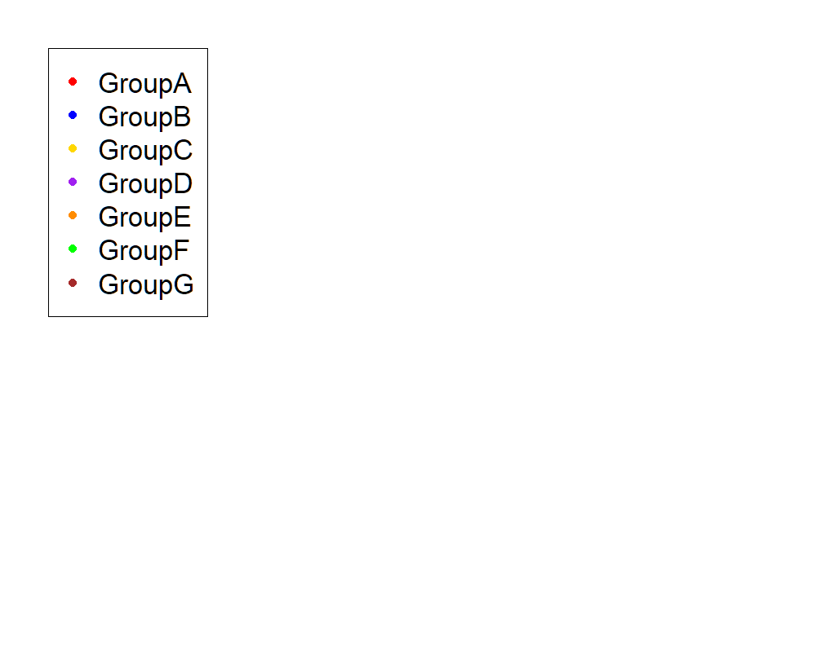
RS#024 | S0029 | GroupA | GroupA | 1 | 24 | S0017 | BarnesPos | GroupF | SB_POS_MS_SAMPLE-012.mzXML | 12
RS#025 | S0030 | GroupB | GroupB | 1 | 25 | S0018 | BarnesNeg | GroupG | SB_NEG_MS_SAMPLE-013.mzXML | 13
RS#026 | S0031 | GroupC | GroupC | 1 | 26 | S0018 | BarnesPos | GroupG | SB_POS_MS_SAMPLE-013.mzXML | 13
RS#027 | S0032 | GroupA | GroupA | 0.5 | 27 | S0019 | BarnesNeg | GroupD | SB_NEG_MS_SAMPLE-014.mzXML | 14
RS#028 | S0033 | GroupB | GroupB | 0.5 | 28 | S0019 | BarnesPos | GroupD | SB_POS_MS_SAMPLE-014.mzXML | 14
RS#029 | S0034 | GroupC | GroupC | 0.5 | 29 | S0020 | BarnesNeg | GroupE | SB_NEG_MS_SAMPLE-015.mzXML | 15
RS#030 | S0035 | GroupA | GroupA | 1.5 | 30 | S0020 | BarnesPos | GroupE | SB_POS_MS_SAMPLE-015.mzXML | 15
RS#031 | S0036 | GroupB | GroupB | 1.5 | 31 | S0021 | BarnesNeg | GroupF | SB_NEG_MS_SAMPLE-016.mzXML | 16
RS#032 | S0037 | GroupC | GroupC | 1.5 | 32 | S0021 | BarnesPos | GroupF | SB_POS_MS_SAMPLE-016.mzXML | 16
 |  |  |  |  |  | S0022 | BarnesNeg | GroupD | SB_NEG_MS_SAMPLE-017.mzXML | 17
These injections for each sample were examined |  |  |  |  |  | S0022 | BarnesPos | GroupD | SB_POS_MS_SAMPLE-017.mzXML | 17
 |  |  |  |  |  | S0023 | BarnesNeg | GroupE | SB_NEG_MS_SAMPLE-018.mzXML | 18
 |  |  |  |  |  | S0023 | BarnesPos | GroupE | SB_POS_MS_SAMPLE-018.mzXML | 18
 |  |  |  |  |  | S0024 | BarnesNeg | GroupF | SB_NEG_MS_SAMPLE-019.mzXML | 19
 |  |  |  |  |  | S0024 | BarnesPos | GroupF | SB_POS_MS_SAMPLE-019.mzXML | 19
 |  |  |  |  |  | S0025 | BarnesNeg | GroupG | SB_NEG_MS_SAMPLE-020.mzXML | 20
 |  |  |  |  |  | S0025 | BarnesPos | GroupG | SB_POS_MS_SAMPLE-020.mzXML | 20
 |  |  |  |  |  | S0026 | BarnesNeg | GroupD | SB_NEG_MS_SAMPLE-021.mzXML | 21
 |  |  |  |  |  | S0026 | BarnesPos | GroupD | SB_POS_MS_SAMPLE-021.mzXML | 21
 |  |  |  |  |  | S0027 | BarnesNeg | GroupE | SB_NEG_MS_SAMPLE-022.mzXML | 22
 |  |  |  |  |  | S0027 | BarnesPos | GroupE | SB_POS_MS_SAMPLE-022.mzXML | 22
 |  |  |  |  |  | S0028 | BarnesNeg | GroupF | SB_NEG_MS_SAMPLE-023.mzXML | 23
 |  |  |  |  |  | S0028 | BarnesPos | GroupF | SB_POS_MS_SAMPLE-023.mzXML | 23
 |  |  |  |  |  | S0029 | BarnesNeg | GroupA | SB_NEG_MS_SAMPLE-024.mzXML | 24
 |  |  |  |  |  | S0029 | BarnesPos | GroupA | SB_POS_MS_SAMPLE-024.mzXML | 24
 |  |  |  |  |  | S0030 | BarnesNeg | GroupB | SB_NEG_MS_SAMPLE-025.mzXML | 25
 |  |  |  |  |  | S0030 | BarnesPos | GroupB | SB_POS_MS_SAMPLE-025.mzXML | 25
 |  |  |  |  |  | S0031 | BarnesNeg | GroupC | SB_NEG_MS_SAMPLE-026.mzXML | 26
 |  |  |  |  |  | S0031 | BarnesPos | GroupC | SB_POS_MS_SAMPLE-026.mzXML | 26
 |  |  |  |  |  | S0032 | BarnesNeg | GroupA | SB_NEG_MS_SAMPLE-027.mzXML | 27
 |  |  |  |  |  | S0032 | BarnesPos | GroupA | SB_POS_MS_SAMPLE-027.mzXML | 27
 |  |  |  |  |  | S0033 | BarnesNeg | GroupB | SB_NEG_MS_SAMPLE-028.mzXML | 28
 |  |  |  |  |  | S0033 | BarnesPos | GroupB | SB_POS_MS_SAMPLE-028.mzXML | 28
 |  |  |  |  |  | S0034 | BarnesNeg | GroupC | SB_NEG_MS_SAMPLE-029.mzXML | 29
 |  |  |  |  |  | S0034 | BarnesPos | GroupC | SB_POS_MS_SAMPLE-029.mzXML | 29
 |  |  |  |  |  | S0035 | BarnesNeg | GroupA | SB_NEG_MS_SAMPLE-030.mzXML | 30
 |  |  |  |  |  | S0035 | BarnesPos | GroupA | SB_POS_MS_SAMPLE-030.mzXML | 30
 |  |  |  |  |  | S0036 | BarnesNeg | GroupB | SB_NEG_MS_SAMPLE-031.mzXML | 31
 |  |  |  |  |  | S0036 | BarnesPos | GroupB | SB_POS_MS_SAMPLE-031.mzXML | 31
 |  |  |  |  |  | S0037 | BarnesNeg | GroupC | SB_NEG_MS_SAMPLE-032.mzXML | 32
 |  |  |  |  |  | S0037 | BarnesPos | GroupC | SB_POS_MS_SAMPLE-032.mzXML | 32

Anova
This tab shows the results of a regression of all compounds by the experimental design. Recommend: sort by p value

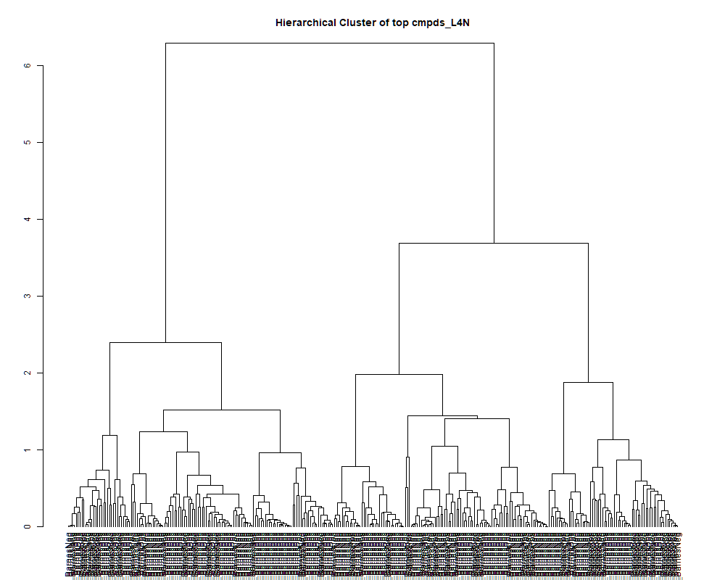
 | row.names | compounds | MF | p.value | F.value
 | LTRS_000001_BarnesNeg | L-Lysine (M-H) | C6H14N2O2 | 1.49E-04 | 7.222
 | LTRS_000001_BarnesPos | C13H29N3O5 (M+H) | C13H29N3O5 | 6.05E-01 | 0.763
 | LTRS_000002_BarnesNeg | 1-[(5-Amino-5-carboxypentyl)amino]-1-deoxyfructose (M-H) | C12H24N2O7 | 1.24E-01 | 1.880
 | LTRS_000002_BarnesPos | L-Lysine (M+H) | C6H14N2O2 | 1.25E-04 | 7.395
 | LTRS_000003_BarnesNeg | L-Arginine (M-H) | C6H14N4O2 | 3.55E-04 | 6.389
 | LTRS_000003_BarnesPos | L-Lysine (M+H -NH3) | C6H14N2O2 | 2.48E-05 | 9.129
 | LTRS_000004_BarnesNeg | L-Histidine (M-H) | C6H9N3O2 | 8.72E-06 | 10.368
 | LTRS_000004_BarnesPos | C11H22N2O7 (M+H) | C11H22N2O7 | 8.94E-08 | 17.169
 | LTRS_000005_BarnesNeg | L-Aspartate (M-H) | C4H7NO4 | 1.24E-12 | 49.071
 | LTRS_000005_BarnesPos | 1-[(5-Amino-5-carboxypentyl)amino]-1-deoxyfructose (M+H) | C12H24N2O7 | 8.50E-01 | 0.433
 | LTRS_000006_BarnesNeg | C6H8N14O12 (M-H) | C6H8N14O12 | 8.02E-02 | 2.172
 | LTRS_000007_BarnesNeg | C6H6N17NaP (M-H) | C6H6N17NaP | 1.06E-01 | 1.984
 | LTRS_000007_BarnesPos | C12H18N7NaO2P (M+H) | C12H18N7NaO2P | 1.68E-01 | 1.677
 | LTRS_000008_BarnesNeg | Glycerylphosphorylethanolamine (M-H) | C5H14NO6P | 7.27E-11 | 34.091
 | LTRS_000008_BarnesPos | C6H12ClN5Na (M+H) | C6H12ClN5Na | 9.91E-01 | 0.133
 | LTRS_000009_BarnesNeg | C8H18NO11P (M-H) | C8H18NO11P | 4.02E-01 | 1.077
 | LTRS_000009_BarnesPos | L-Arginine (M+H) | C6H14N4O2 | 2.08E-06 | 12.237
 | LTRS_000010_BarnesNeg | Ala-Ala-Ala (M+Cl) | C9H17N3O4 | 6.04E-01 | 0.765
 | LTRS_000010_BarnesPos | L-Histidine (M+H) | C6H9N3O2 | 5.21E-08 | 18.144
 | LTRS_000011_BarnesNeg | Trehalose 6-phosphate (M-H) | C12H23O14P | 1.98E-01 | 1.567
 | LTRS_000011_BarnesPos | Ala-Arg (M+H) | C9H19N5O3 | 6.94E-10 | 27.657
 | LTRS_000012_BarnesNeg | N-Acetyl-D-Glucosamine 6-Phosphate (M-H) | C8H16NO9P | 1.37E-01 | 1.813
 | LTRS_000012_BarnesPos | N2-Fructopyranosylarginine (M+H) | C12H24N4O7 | 2.24E-01 | 1.486
 | LTRS_000013_BarnesNeg | C9H9N11Na2O3 (M-H) | C9H9N11Na2O3 | 1.09E-01 | 1.964
 | LTRS_000013_BarnesPos | Arg-Glu (M+H) | C11H21N5O5 | 8.68E-01 | 0.406
 | LTRS_000014_BarnesNeg | C5H12NO8P (M-H) | C5H12NO8P | 2.69E-01 | 1.360
 | LTRS_000015_BarnesNeg | (S)-malyl alpha-D-glucosaminide (M-H) | C10H17NO9 | 5.08E-03 | 4.138
 | LTRS_000015_BarnesPos | Saccharopine (M+H) | C11H20N2O6 | 7.30E-01 | 0.597
 | LTRS_000016_BarnesPos | Arg-Thr (M+H) | C10H21N5O4 | 6.82E-01 | 0.660
 | LTRS_000017_BarnesNeg | L-Glutamate (M-H) | C5H9NO4 | 1.14E-01 | 1.934
 | LTRS_000017_BarnesPos | Distichonic acid A (M+H) | C10H18N2O8 | 4.61E-01 | 0.978
 | LTRS_000018_BarnesNeg | C9H20NO11P (M-H) | C9H20NO11P | 5.42E-05 | 8.265
 | LTRS_000018_BarnesPos | Pyroglutamic acid (M+H) | C5H7NO3 | 1.66E-13 | 58.485
 | LTRS_000019_BarnesNeg | C12H28O19P2 (M-H) | C12H28O19P2 | 3.10E-02 | 2.820
 | LTRS_000019_BarnesPos | L-Glutamate (M+H) | C5H9NO4 | 1.63E-04 | 7.131
 | LTRS_000020_BarnesNeg | C11H21N5NaO10 (M-H) | C11H21N5NaO10 | 6.83E-01 | 0.659
 | LTRS_000020_BarnesPos | Lomustine (M+H) | C9H16ClN3O2 | 6.69E-01 | 0.677
 | LTRS_000021_BarnesPos | Isomaltose (M+K) | C12H22O11 | 7.22E-04 | 5.746
 | LTRS_000022_BarnesNeg | C11H11N11Na2O4 (M-H) | C11H11N11Na2O4 | 1.06E-01 | 1.988
 | LTRS_000022_BarnesPos | Isomaltose (M+Na) | C12H22O11 | 1.66E-02 | 3.260
 | LTRS_000023_BarnesPos | C12H31N8O11P (M+H) | C12H31N8O11P | 2.46E-02 | 2.979
 | LTRS_000024_BarnesPos | C9H27N10O9P (M+H) | C9H27N10O9P | 1.25E-02 | 3.461
 | LTRS_000026_BarnesNeg | C12H28N14O4P2 (M-H) | C12H28N14O4P2 | 7.44E-05 | 7.930
 | LTRS_000026_BarnesPos | Methionine sulfoxide (M+H) | C5H11NO3S | 2.16E-02 | 3.071
 | LTRS_000027_BarnesNeg | C12H21N17Na2O (M-H) | C12H21N17Na2O | 4.25E-01 | 1.037
 | LTRS_000027_BarnesPos | Malonylcarnitine (M+H) | C10H17NO6 | 5.28E-08 | 18.121
 | LTRS_000028_BarnesPos | C15H29NO13 (M+H) | C15H29NO13 | 4.90E-01 | 0.932
 | LTRS_000029_BarnesNeg | C12H18N16O3 (M-H) | C12H18N16O3 | 6.87E-01 | 0.654
 | LTRS_000029_BarnesPos | N-(1-Deoxy-1-fructosyl)threonine (M+H) | C10H19NO8 | 5.28E-02 | 2.454
 | LTRS_000030_BarnesPos | C9H27N10O8P (M+H) | C9H27N10O8P | 1.43E-01 | 1.786
 | LTRS_000031_BarnesPos | C12H22N16NaP2 (M+H) | C12H22N16NaP2 | 2.53E-01 | 1.400
 | LTRS_000032_BarnesPos | C12H21N17Na2O (M+H) | C12H21N17Na2O | 6.62E-03 | 3.935
 | LTRS_000033_BarnesNeg | N-Acetylneuraminate (M-H) | C11H19NO9 | 9.58E-04 | 5.499
 | LTRS_000034_BarnesNeg | C18H18N19NaO3P (M-H) | C18H18N19NaO3P | 8.43E-01 | 0.443
 | LTRS_000035_BarnesNeg | C20H39N13O17 (M-H) | C20H39N13O17 | 5.43E-01 | 0.852
 | LTRS_000035_BarnesPos | C9H20N2Na2O4 (M+H) | C9H20N2Na2O4 | 8.94E-01 | 0.365
 | LTRS_000036_BarnesPos | N-Acetylneuraminate (M+H) | C11H19NO9 | 2.15E-02 | 3.076
 | LTRS_000037_BarnesNeg | C10H39N14O21P (M-H) | C10H39N14O21P | 8.41E-01 | 0.445
 | LTRS_000037_BarnesPos | N-acetyl-2,7-anhydro-alpha-neuraminic acid (M+H) | C11H17NO8 | 1.07E-05 | 10.116
 | LTRS_000038_BarnesPos | C11H22N14O7 (M+H) | C11H22N14O7 | 1.61E-02 | 3.279
 | LTRS_000039_BarnesPos | C15H26N7O7P (M+H) | C15H26N7O7P | 6.65E-01 | 0.683
 | LTRS_000040_BarnesPos | sn-Glycero-3-phosphocholine (M+H) | C8H20NO6P | 2.67E-17 | 122.527
 | LTRS_000041_BarnesPos | C22H43N3O21 (M+H) | C22H43N3O21 | 6.85E-01 | 0.657
 | LTRS_000042_BarnesPos | bis-D-fructose 2',1:2,1'-dianhydride (M+H) | C12H20O10 | 3.16E-04 | 6.499
 | LTRS_000043_BarnesPos | Cysteineglutathione disulfide (M+H) | C13H22N4O8S2 | 2.38E-01 | 1.445
 | LTRS_000045_BarnesPos | L-Proline (M+H) | C5H9NO2 | 2.71E-06 | 11.878
 | LTRS_000046_BarnesPos | L-Proline (M+H -CH2O2) | C5H9NO2 | 9.46E-05 | 7.681
 | LTRS_000047_BarnesPos | Lys-Val (M+H) | C11H23N3O3 | 5.39E-01 | 0.858
 | LTRS_000048_BarnesPos | Citicoline (M+H) | C14H26N4O11P2 | 9.35E-05 | 7.694
 | LTRS_000049_BarnesNeg | C18H34O17 (M-H) | C18H34O17 | 5.44E-03 | 4.085
 | LTRS_000049_BarnesPos | C12H33N8O9P (M+H) | C12H33N8O9P | 2.42E-06 | 12.029
 | LTRS_000050_BarnesPos | L-Valine (M+H) | C5H11NO2 | 5.78E-10 | 28.138
 | LTRS_000051_BarnesNeg | C21H30N20Na2O16 (M-H) | C21H30N20Na2O16 | 9.39E-02 | 2.066
 | LTRS_000051_BarnesPos | L-Valine (M+H -CH2O2) | C5H11NO2 | 1.28E-02 | 3.446
 | LTRS_000052_BarnesPos | Arg-Val (M+H) | C11H23N5O3 | 3.65E-05 | 8.695
 | LTRS_000053_BarnesNeg | Isomaltose (M-H + HCOOH) | C12H22O11 | 9.91E-01 | 0.131
 | LTRS_000053_BarnesPos | Ala-Ala-Pro (M+H) | C11H19N3O4 | 6.89E-01 | 0.650
 | LTRS_000054_BarnesNeg | C11H23N3O12 (M-H) | C11H23N3O12 | 7.03E-05 | 7.990
 | LTRS_000054_BarnesPos | N2-Succinylornithine (M+H) | C9H16N2O5 | 4.39E-10 | 28.870
 | LTRS_000055_BarnesPos | Ala-hPro (M+H) | C8H14N2O4 | 1.67E-09 | 25.448
 | LTRS_000056_BarnesNeg | Isomaltose (M-H) | C12H22O11 | 1.53E-06 | 12.672
 | LTRS_000056_BarnesPos | Leu-Ser (M+H) | C9H18N2O4 | 2.16E-03 | 4.815
 | LTRS_000057_BarnesNeg | C10H39N19O17 (M-H) | C10H39N19O17 | 6.87E-08 | 17.639
 | LTRS_000058_BarnesNeg | C10H39N16O17P (M-H) | C10H39N16O17P | 6.82E-01 | 0.661
 | LTRS_000058_BarnesPos | Pro-Gly (2M+H) | C7H12N2O3 | 9.74E-01 | 0.199
 | LTRS_000059_BarnesNeg | C23H28N20NaO16 (M-H) | C23H28N20NaO16 | 2.81E-01 | 1.331
 | LTRS_000059_BarnesPos | C17H25N13O2 (M+H) | C17H25N13O2 | 5.96E-01 | 0.776
 | LTRS_000060_BarnesPos | C13H26N6O4 (M+H) | C13H26N6O4 | 9.56E-01 | 0.247
 | LTRS_000061_BarnesPos | Cytidine monophosphate (M+H) | C9H14N3O8P | 2.51E-02 | 2.967
 | LTRS_000062_BarnesNeg | C11H35N14O19P (M-H) | C11H35N14O19P | 1.73E-01 | 1.659
 | LTRS_000062_BarnesPos | N-(1-Deoxy-1-fructosyl)valine (M+H) | C11H21NO7 | 3.41E-07 | 14.920
 | LTRS_000063_BarnesPos | L-Methionine (M+H -NH3) | C5H11NO2S | 6.56E-01 | 0.695
 | LTRS_000064_BarnesNeg | C8H9N11O6 (M-H) | C8H9N11O6 | 4.83E-17 | 116.628
 | LTRS_000064_BarnesPos | L-Methionine (M+H) | C5H11NO2S | 3.81E-03 | 4.362
 | LTRS_000065_BarnesNeg | C10H32N20NaO12 (M-H) | C10H32N20NaO12 | 9.97E-06 | 10.203
 | LTRS_000065_BarnesPos | Methylglutarylcarnitine (M+H) | C11H19NO6 | 5.12E-06 | 11.038
 | LTRS_000066_BarnesNeg | C7H18NO6P (M-H) | C7H18NO6P | 2.02E-15 | 85.273
 | LTRS_000066_BarnesPos | C13H26N4O4 (M+H) | C13H26N4O4 | 9.31E-01 | 0.300
 | LTRS_000067_BarnesPos | 2-(dimethylamino)-N-[(2S,3R,6S)-2-(hydroxymethyl)-6-[2-[[oxo-(propan-2-ylamino)methyl]amino]ethyl]-3-oxanyl]acetamide (M+H) | C16H32N4O4 | 2.38E-01 | 1.442
 | LTRS_000068_BarnesPos | Arg-Glu (M+H) | C11H21N5O5 | 6.16E-02 | 2.349
 | LTRS_000069_BarnesNeg | C12H17N16O2P (M-H) | C12H17N16O2P | 4.64E-01 | 0.972
 | LTRS_000069_BarnesPos | N-a-Acetyl-L-arginine (M+H) | C8H16N4O3 | 3.36E-04 | 6.439
 | LTRS_000070_BarnesPos | C15H30N4O5 (M+H) | C15H30N4O5 | 2.57E-01 | 1.392
 | LTRS_000071_BarnesPos | C15H28N6Na2O3 (M+H) | C15H28N6Na2O3 | 2.93E-01 | 1.301
 | LTRS_000072_BarnesPos | Asp-Lys (M+H) | C10H19N3O5 | 8.46E-02 | 2.136
 | LTRS_000073_BarnesPos | Asp-Pro (M+H) | C9H14N2O5 | 8.20E-10 | 27.225
 | LTRS_000074_BarnesPos | Val-Ala (M+H) | C8H16N2O3 | 1.01E-02 | 3.619
 | LTRS_000076_BarnesNeg | C12H14N10Na2O11 (M-H) | C12H14N10Na2O11 | 4.48E-08 | 18.426
 | LTRS_000077_BarnesNeg | C14H17N13NaO9 (M-H) | C14H17N13NaO9 | 1.16E-04 | 7.477
 | LTRS_000077_BarnesPos | Guanine (M+H) | C5H5N5O | 2.68E-04 | 6.653
 | LTRS_000078_BarnesPos | Nicotinate (M+H) | C6H5NO2 | 8.88E-01 | 0.374
 | LTRS_000079_BarnesPos | bAsp-Leu (M+H) | C10H18N2O5 | 1.04E-09 | 26.611
 | LTRS_000080_BarnesNeg | Uridine-5'-diphospho-N-acetylglucosamine (M-H) | C17H27N3O17P2 | 2.36E-10 | 30.586
 | LTRS_000080_BarnesPos | L-Arginine (M+H) | C6H14N4O2 | 8.86E-04 | 5.567
 | LTRS_000081_BarnesNeg | Cytidine 2',3'-cyclic phosphate (M-H) | C9H12N3O7P | 2.27E-01 | 1.477
 | LTRS_000081_BarnesPos | C21H50N4Na2O7 (M+2H) | C21H50N4Na2O7 | 6.14E-01 | 0.752
 | LTRS_000082_BarnesPos | C10H32NNa2P3 (M+H) | C10H32NNa2P3 | 6.69E-01 | 0.677
 | LTRS_000083_BarnesNeg | C14H15N14O11P (M-H) | C14H15N14O11P | 9.46E-03 | 3.668
 | LTRS_000083_BarnesPos | Ala-Pro (M+H) | C8H14N2O3 | 2.82E-10 | 30.092
 | LTRS_000084_BarnesNeg | C16H28O16 (M-H) | C16H28O16 | 7.11E-01 | 0.622
 | LTRS_000084_BarnesPos | C11H24N6S (M+H) | C11H24N6S | 7.17E-01 | 0.614
 | LTRS_000085_BarnesNeg | Uridine 5'-diphosphate (M-H) | C9H14N2O12P2 | 1.54E-01 | 1.737
 | LTRS_000086_BarnesNeg | C11H19N13O9 (M-H) | C11H19N13O9 | 4.02E-01 | 1.078
 | LTRS_000087_BarnesNeg | C16H20N12Na2O6 (M-H) | C16H20N12Na2O6 | 3.11E-01 | 1.260
 | LTRS_000087_BarnesPos | Laninamivir (M+H) | C13H22N4O7 | 1.46E-03 | 5.138
 | LTRS_000088_BarnesNeg | C12H30N14O2P2 (M-H) | C12H30N14O2P2 | 3.99E-05 | 8.598
 | LTRS_000088_BarnesPos | Val-Asn-Pro (M+H) | C14H24N4O5 | 6.34E-01 | 0.724
 | LTRS_000089_BarnesNeg | C12H30N9O8P (M-H) | C12H30N9O8P | 4.27E-01 | 1.034
 | LTRS_000089_BarnesPos | C11H19N5O4 (M+H) | C11H19N5O4 | 7.27E-02 | 2.237
 | LTRS_000090_BarnesNeg | Malate (M-H) | C4H6O5 | 1.17E-07 | 16.696
 | LTRS_000090_BarnesPos | (2R,3R,4R)-2-Amino-4-hydroxy-3-methylpentanoic acid (M+H) | C6H13NO3 | 5.12E-05 | 8.326
 | LTRS_000091_BarnesNeg | C9H20N12O2P2 (M-H) | C9H20N12O2P2 | 4.16E-01 | 1.054
 | LTRS_000092_BarnesNeg | Ser-Val (M-H) | C8H16N2O4 | 8.24E-08 | 17.313
 | LTRS_000093_BarnesNeg | Betaine (M-H) | C5H11NO2 | 6.87E-04 | 5.790
 | LTRS_000093_BarnesPos | Ophthalmic acid (M+H) | C11H19N3O6 | 3.21E-19 | 176.576
 | LTRS_000095_BarnesNeg | Ile-Lys (M-H) | C12H25N3O3 | 7.45E-05 | 7.929
 | LTRS_000095_BarnesPos | C12H24N14NaO2 (M+H) | C12H24N14NaO2 | 7.50E-01 | 0.570
 | LTRS_000096_BarnesNeg | Arg-Val (M-H) | C11H23N5O3 | 5.93E-08 | 17.906
 | LTRS_000096_BarnesPos | C11H22N5O4P (M+H) | C11H22N5O4P | 5.27E-11 | 35.107
 | LTRS_000097_BarnesPos | N,N'-Bis(gamma-glutamyl)cystine (M+H) | C16H26N4O10S2 | 5.94E-01 | 0.779
 | LTRS_000098_BarnesNeg | C9H17N2O11P3 (M-H) | C9H17N2O11P3 | 1.54E-12 | 48.162
 | LTRS_000098_BarnesPos | C15H17N12NaO5P (M+H) | C15H17N12NaO5P | 5.73E-01 | 0.808
 | LTRS_000099_BarnesNeg | Ala-Ala-Pro (M-H) | C11H19N3O4 | 1.55E-01 | 1.731
 | LTRS_000099_BarnesPos | C15H31N11O5 (M+H) | C15H31N11O5 | 9.23E-01 | 0.314
 | LTRS_000100_BarnesNeg | Uridine 5'-monophosphate (M-H) | C9H13N2O9P | 2.35E-13 | 56.750
 | LTRS_000100_BarnesPos | C13H33N2O5PS (M+H) | C13H33N2O5PS | 4.58E-08 | 18.384
 | LTRS_000101_BarnesNeg | Adenosine 3',5'-diphosphate (M-H) | C10H15N5O10P2 | 1.05E-11 | 40.599
 | LTRS_000101_BarnesPos | C13H21N6NaOP (M+H) | C13H21N6NaOP | 5.87E-05 | 8.180
 | LTRS_000102_BarnesNeg | Val-Asp (M-H) | C9H16N2O5 | 6.64E-13 | 51.851
 | LTRS_000102_BarnesPos | Gln-Gln (M+H) | C10H18N4O5 | 2.09E-01 | 1.530
 | LTRS_000103_BarnesNeg | Lys-Tyr (M-H) | C15H23N3O4 | 1.48E-04 | 7.230
 | LTRS_000103_BarnesPos | C14H24N9NaP (M+H) | C14H24N9NaP | 1.44E-04 | 7.254
 | LTRS_000104_BarnesNeg | Lactate (M-H) | C3H6O3 | 4.61E-01 | 0.978
 | LTRS_000104_BarnesPos | C11H34N3NaO5PS (M+H) | C11H34N3NaO5PS | 4.29E-01 | 1.031
 | LTRS_000105_BarnesNeg | Asn-Ile (M-H) | C10H19N3O4 | 1.98E-09 | 25.043
 | LTRS_000105_BarnesPos | Pyroglutamic acid (M+H) | C5H7NO3 | 5.74E-15 | 78.061
 | LTRS_000106_BarnesNeg | rhodotorulic acid (M-H) | C14H24N4O6 | 3.79E-01 | 1.121
 | LTRS_000107_BarnesNeg | Leu-Ala (2M-2H+K) | C9H18N2O3 | 6.98E-01 | 0.639
 | LTRS_000107_BarnesPos | C11H15NO7 (M+H) | C11H15NO7 | 1.11E-06 | 13.121
 | LTRS_000108_BarnesNeg | Cytidine monophosphate (M-H) | C9H14N3O8P | 5.13E-12 | 43.296
 | LTRS_000108_BarnesPos | C14H55N10O17P (M+2H) | C14H55N10O17P | 1.70E-01 | 1.670
 | LTRS_000109_BarnesPos | C15H21N11O5 (M+H) | C15H21N11O5 | 4.85E-02 | 2.512
 | LTRS_000110_BarnesNeg | Cytidine (M-H) | C9H13N3O5 | 2.04E-08 | 19.940
 | LTRS_000111_BarnesNeg | N-(1-Deoxy-1-fructosyl)valine (M-H) | C11H21NO7 | 1.56E-06 | 12.641
 | LTRS_000111_BarnesPos | Ser-Val (M+H) | C8H16N2O4 | 3.13E-08 | 19.105
 | LTRS_000112_BarnesNeg | C14H25N13 (M-H) | C14H25N13 | 9.10E-01 | 0.338
 | LTRS_000112_BarnesPos | C16H33N6O3P (M+H) | C16H33N6O3P | 7.27E-01 | 0.601
 | LTRS_000113_BarnesNeg | Aminoadipic acid (M-H) | C6H11NO4 | 4.05E-01 | 1.072
 | LTRS_000113_BarnesPos | (3,5-dimethyl-1-pyrazolyl)-(2-ethyl-4-nitro-3-pyrazolyl)methanone (M+H) | C11H13N5O3 | 4.97E-02 | 2.494
 | LTRS_000114_BarnesNeg | L-Methionine (M-H) | C5H11NO2S | 1.75E-03 | 4.987
 | LTRS_000114_BarnesPos | C16H30N4O4 (M+H) | C16H30N4O4 | 9.66E-03 | 3.653
 | LTRS_000115_BarnesNeg | Guanosine diphosphate (M-H) | C10H15N5O11P2 | 3.87E-02 | 2.666
 | LTRS_000115_BarnesPos | His-Ile (M+H) | C12H20N4O3 | 8.78E-01 | 0.390
 | LTRS_000116_BarnesNeg | C13H23N3O7P2 (M-H) | C13H23N3O7P2 | 1.36E-01 | 1.819
 | LTRS_000116_BarnesPos | Lys-Tyr (M+H) | C15H23N3O4 | 5.10E-02 | 2.477
 | LTRS_000117_BarnesNeg | beta-Asp-Glu (M-H) | C9H14N2O7 | 6.55E-02 | 2.308
 | LTRS_000117_BarnesPos | Porphobilinogen (M+H) | C10H14N2O4 | 9.85E-06 | 10.218
 | LTRS_000118_BarnesNeg | N(3)-(4-methoxyfumaroyl)-2,3-diaminopropionic acid (M-H) | C8H12N2O5 | 7.08E-04 | 5.763
 | LTRS_000119_BarnesNeg | C15H30N4O5 (M-H) | C15H30N4O5 | 8.54E-01 | 0.427
 | LTRS_000119_BarnesPos | Pro-Thr (M+H) | C9H16N2O4 | 9.02E-11 | 33.427
 | LTRS_000120_BarnesNeg | N6-Acetyl-L-lysine (M-H) | C8H16N2O3 | 2.44E-07 | 15.459
 | LTRS_000120_BarnesPos | Val-FMDP (M+H) | C13H21N3O6 | 1.98E-09 | 25.043
 | LTRS_000121_BarnesNeg | C16H30N6O6 (M-H) | C16H30N6O6 | 7.35E-02 | 2.231
 | LTRS_000122_BarnesNeg | N2-acetyl-Ornithine (M-H) | C7H14N2O3 | 2.98E-07 | 15.138
 | LTRS_000122_BarnesPos | Leu-Ser (M+H) | C9H18N2O4 | 7.14E-04 | 5.755
 | LTRS_000123_BarnesNeg | C17H34N8O7 (M-H) | C17H34N8O7 | 6.11E-02 | 2.354
 | LTRS_000124_BarnesNeg | Uridine 2',3'-cyclic phosphate (M-H) | C9H11N2O8P | 5.99E-03 | 4.011
 | LTRS_000124_BarnesPos | (3Z,6Z)-dodeca-3,6-dien-1-ylsulfamic acid (M+H) | C12H23NO3S | 8.30E-01 | 0.461
 | LTRS_000125_BarnesNeg | L-b-Aspartyl-L-leucine (M-H) | C10H18N2O5 | 3.15E-08 | 19.094
 | LTRS_000125_BarnesPos | Val-Ala-Lys (M+H) | C14H28N4O4 | 2.17E-02 | 3.070
 | LTRS_000126_BarnesPos | C10H32N2NaO8S (M+H) | C10H32N2NaO8S | 5.05E-06 | 11.056
 | LTRS_000127_BarnesNeg | pyroGlu-Gly (M-H) | C7H10N2O4 | 8.11E-02 | 2.164
 | LTRS_000128_BarnesNeg | Laninamivir (M-H) | C13H22N4O7 | 3.59E-01 | 1.159
 | LTRS_000128_BarnesPos | Cysteineglutathione disulfide (M+H) | C13H22N4O8S2 | 9.86E-04 | 5.474
 | LTRS_000130_BarnesNeg | C11H19N5O4 (M-H) | C11H19N5O4 | 5.18E-01 | 0.888
 | LTRS_000130_BarnesPos | C19H32N6O8 (M+H) | C19H32N6O8 | 2.79E-03 | 4.610
 | LTRS_000131_BarnesNeg | Ophthalmic acid (M-H) | C11H19N3O6 | 5.14E-17 | 116.040
 | LTRS_000131_BarnesPos | Asn-Val (M+H) | C9H17N3O4 | 1.25E-02 | 3.462
 | LTRS_000132_BarnesNeg | N,N'-Bis(gamma-glutamyl)cystine (M-H) | C16H26N4O10S2 | 7.96E-01 | 0.509
 | LTRS_000132_BarnesPos | C14H26N4O6 (M+H) | C14H26N4O6 | 7.20E-01 | 0.611
 | LTRS_000133_BarnesNeg | C15H16N12NaO7 (M-H) | C15H16N12NaO7 | 8.49E-01 | 0.435
 | LTRS_000133_BarnesPos | Ile-Lys (M+H) | C12H25N3O3 | 3.87E-03 | 4.348
 | LTRS_000134_BarnesNeg | N-acetyl-2,7-anhydro-alpha-neuraminic acid (M-H) | C11H17NO8 | 3.09E-12 | 45.292
 | LTRS_000135_BarnesNeg | 5-Oxoproline (M-H) | C5H7NO3 | 1.34E-14 | 72.641
 | LTRS_000135_BarnesPos | C11H28NO8P (M+H) | C11H28NO8P | 6.65E-03 | 3.932
 | LTRS_000136_BarnesNeg | 5-Methylcytidine (M-H) | C10H15N3O5 | 1.61E-02 | 3.279
 | LTRS_000136_BarnesPos | C26H52N4Na2O13 (M+2H) | C26H52N4Na2O13 | 9.48E-01 | 0.265
 | LTRS_000137_BarnesNeg | Ser-Val (M-H) | C8H16N2O4 | 9.20E-06 | 10.302
 | LTRS_000137_BarnesPos | C14H23N3O8P2 (M+H) | C14H23N3O8P2 | 2.28E-10 | 30.690
 | LTRS_000138_BarnesNeg | His-Ile (M-H) | C12H20N4O3 | 6.38E-01 | 0.719
 | LTRS_000138_BarnesPos | C16H27N5O8 (M+H) | C16H27N5O8 | 8.59E-01 | 0.419
 | LTRS_000139_BarnesNeg | C7H15N2NaO9P (M-H) | C7H15N2NaO9P | 1.34E-01 | 1.830
 | LTRS_000139_BarnesPos | C15H24N8NaO3 (M+H) | C15H24N8NaO3 | 8.26E-01 | 0.466
 | LTRS_000140_BarnesNeg | Lys-Tyr (M-H) | C15H23N3O4 | 8.61E-01 | 0.416
 | LTRS_000140_BarnesPos | gamma-L-Glutamyl-L-pipecolic acid (M+H) | C11H18N2O5 | 4.48E-01 | 0.998
 | LTRS_000141_BarnesNeg | Leu-Ser (M-H) | C9H18N2O4 | 7.34E-03 | 3.858
 | LTRS_000141_BarnesPos | C13H30NaO6S (M+H) | C13H30NaO6S | 9.08E-01 | 0.341
 | LTRS_000142_BarnesPos | Norleucine (M+H -CH2O2) | C6H13NO2 | 2.31E-02 | 3.024
 | LTRS_000143_BarnesPos | Kyotorphin (M+H) | C15H23N5O4 | 8.03E-01 | 0.499
 | LTRS_000144_BarnesNeg | Ile-Lys (M-H) | C12H25N3O3 | 6.69E-01 | 0.677
 | LTRS_000145_BarnesNeg | Asn-Val (M-H) | C9H17N3O4 | 4.02E-01 | 1.078
 | LTRS_000145_BarnesPos | Adenosine monophosphate (M+H) | C10H14N5O7P | 3.10E-05 | 8.877
 | LTRS_000146_BarnesNeg | Leu-Asp-Ser (M-H) | C13H23N3O7 | 1.88E-01 | 1.603
 | LTRS_000146_BarnesPos | N2-Succinylornithine (M+H) | C9H16N2O5 | 2.52E-12 | 46.118
 | LTRS_000147_BarnesNeg | C14H23N3O8P2 (M-H) | C14H23N3O8P2 | 8.04E-10 | 27.276
 | LTRS_000148_BarnesNeg | C15H25N9NaO4 (M-H) | C15H25N9NaO4 | 5.21E-01 | 0.884
 | LTRS_000149_BarnesNeg | 2-Methylmalonate (M-H) | C4H6O4 | 1.02E-14 | 74.340
 | LTRS_000149_BarnesPos | Hypoxanthine (M+H) | C5H4N4O | 2.44E-01 | 1.425
 | LTRS_000150_BarnesNeg | Saccharopine (M-H -H2O) | C11H20N2O6 | 4.91E-02 | 2.503
 | LTRS_000150_BarnesPos | Norleucine (M+H) | C6H13NO2 | 2.36E-02 | 3.009
 | LTRS_000151_BarnesNeg | C14H20N12O2 (M-H) | C14H20N12O2 | 6.56E-01 | 0.694
 | LTRS_000151_BarnesPos | C9H32N3NaO4P3 (M+H) | C9H32N3NaO4P3 | 3.14E-03 | 4.513
 | LTRS_000152_BarnesNeg | Adenosine monophosphate (M-H) | C10H14N5O7P | 1.08E-09 | 26.521
 | LTRS_000152_BarnesPos | GMP (M+H) | C10H14N5O8P | 8.48E-01 | 0.436
 | LTRS_000153_BarnesNeg | C19H21N5NaO18 (M-H) | C19H21N5NaO18 | 3.09E-01 | 1.264
 | LTRS_000153_BarnesPos | L-Tyrosine (M+H) | C9H11NO3 | 3.33E-09 | 23.818
 | LTRS_000154_BarnesNeg | C19H32N5O18P (M-H) | C19H32N5O18P | 2.99E-01 | 1.287
 | LTRS_000154_BarnesPos | L-Tyrosine (M+H -C2H5NO) | C9H11NO3 | 1.40E-05 | 9.793
 | LTRS_000155_BarnesNeg | C17H36N4Na2O5 (M-H) | C17H36N4Na2O5 | 5.61E-01 | 0.826
 | LTRS_000155_BarnesPos | L-Tyrosine (M+H -H5NO) | C9H11NO3 | 1.22E-06 | 12.992
 | LTRS_000156_BarnesNeg | C12H19N2O11P (M-H) | C12H19N2O11P | 2.14E-01 | 1.516
 | LTRS_000156_BarnesPos | L-Tyrosine (M+H -NH3) | C9H11NO3 | 7.65E-08 | 17.444
 | LTRS_000157_BarnesPos | L-Tyrosine (M+H -CH2O2) | C9H11NO3 | 2.37E-07 | 15.511
 | LTRS_000158_BarnesNeg | Kyotorphin (M-H) | C15H23N5O4 | 4.97E-03 | 4.154
 | LTRS_000158_BarnesPos | L-Tyrosine (M+H -NH3 -CH2O2) | C9H11NO3 | 1.07E-06 | 13.183
 | LTRS_000159_BarnesNeg | Glu-Gly (M-H) | C7H11NO5 | 7.98E-01 | 0.506
 | LTRS_000159_BarnesPos | 3',5'-Cyclic AMP (M+H) | C10H12N5O6P | 2.13E-04 | 6.873
 | LTRS_000160_BarnesNeg | Val-Asp (M-H) | C9H16N2O5 | 1.06E-11 | 40.592
 | LTRS_000160_BarnesPos | N2-(4-methylphenyl)-6-[(2-pyrimidinylthio)methyl]-1,3,5-triazine-2,4-diamine (M+H) | C15H15N7S | 2.97E-03 | 4.558
 | LTRS_000161_BarnesPos | N-(1-Deoxy-1-fructosyl)tyrosine (M+H) | C15H21NO8 | 1.46E-05 | 9.746
 | LTRS_000162_BarnesNeg | C23H26N16O12 (M-H) | C23H26N16O12 | 2.36E-01 | 1.448
 | LTRS_000162_BarnesPos | (3s,8ar)-3-(1h-Imidazol-5-Ylmethyl)Hexahydropyrrolo[1,2-a]Pyrazine-1,4-Dione (M+H) | C11H14N4O2 | 1.11E-07 | 16.782
 | LTRS_000163_BarnesNeg | C21H26N19O9P (M-H) | C21H26N19O9P | 5.97E-01 | 0.774
 | LTRS_000163_BarnesPos | C13H29N7Na2O (M+H) | C13H29N7Na2O | 6.05E-01 | 0.763
 | LTRS_000164_BarnesNeg | Hypoxanthine (M-H) | C5H4N4O | 1.56E-10 | 31.792
 | LTRS_000164_BarnesPos | Arg-Ile (M+H) | C12H25N5O3 | 9.10E-01 | 0.338
 | LTRS_000165_BarnesNeg | Spermic acid 2 (M-H) | C10H20N2O4 | 4.76E-05 | 8.405
 | LTRS_000165_BarnesPos | Spermic acid 2 (M+H) | C10H20N2O4 | 2.98E-08 | 19.202
 | LTRS_000166_BarnesNeg | L-Isoleucine (M-H) | C6H13NO2 | 4.48E-03 | 4.234
 | LTRS_000166_BarnesPos | N(2)-Acetyllysine (2M+K) | C8H16N2O3 | 4.38E-06 | 11.240
 | LTRS_000167_BarnesNeg | Gln-lle (M-H) | C11H21N3O4 | 8.21E-05 | 7.827
 | LTRS_000167_BarnesPos | Xanthine (M+H) | C5H4N4O2 | 3.69E-05 | 8.683
 | LTRS_000168_BarnesNeg | C9H28N14O9 (M-H) | C9H28N14O9 | 3.87E-01 | 1.105
 | LTRS_000168_BarnesPos | Ribothymidine (M+H) | C10H14N2O6 | 1.56E-12 | 48.100
 | LTRS_000169_BarnesNeg | Neuromedin B (1-3) (M-H) | C12H22N4O5 | 8.87E-02 | 2.104
 | LTRS_000169_BarnesPos | Glutarylcarnitine (M+H) | C12H21NO6 | 8.57E-01 | 0.423
 | LTRS_000170_BarnesNeg | Glu-Asp-Ile (M-H) | C15H25N3O8 | 8.34E-03 | 3.762
 | LTRS_000171_BarnesNeg | Guanosine monophosphate (M-H) | C10H14N5O8P | 1.13E-09 | 26.417
 | LTRS_000171_BarnesPos | N-(1-Deoxy-1-fructosyl)leucine (M+H) | C12H23NO7 | 2.69E-06 | 11.890
 | LTRS_000172_BarnesNeg | Uridine (M-H) | C9H12N2O6 | 6.19E-07 | 13.994
 | LTRS_000173_BarnesNeg | Asp-Tyr (M-H) | C13H16N2O6 | 1.67E-11 | 38.965
 | LTRS_000173_BarnesPos | C13H35Na2P3 (M+H) | C13H35Na2P3 | 1.03E-04 | 7.592
 | LTRS_000174_BarnesNeg | Thr-Tyr (M-H) | C13H18N2O5 | 8.64E-06 | 10.378
 | LTRS_000174_BarnesPos | Leu-Asp-Gln (M+H) | C15H26N4O7 | 5.40E-01 | 0.856
 | LTRS_000175_BarnesNeg | C16H16N14O8 (M-H) | C16H16N14O8 | 2.28E-01 | 1.472
 | LTRS_000175_BarnesPos | 1,4-dihydroxy-4a,5,6,7,8,8a-hexahydroquinoxaline-2,3-dione (M+H) | C8H12N2O4 | 2.30E-02 | 3.027
 | LTRS_000176_BarnesNeg | Val-Asn-Pro (M-H) | C14H24N4O5 | 4.02E-01 | 1.078
 | LTRS_000176_BarnesPos | Guanosine 3',5'-cyclic monophosphate (M+H) | C10H12N5O7P | 5.82E-01 | 0.796
 | LTRS_000177_BarnesPos | C12H27Na2O2P (M+H) | C12H27Na2O2P | 4.03E-01 | 1.076
 | LTRS_000178_BarnesNeg | L-Tyrosine (M-H) | C9H11NO3 | 3.86E-07 | 14.723
 | LTRS_000178_BarnesPos | S-(5'-Adenosyl)-homocysteine (M+H) | C14H20N6O5S | 3.83E-11 | 36.143
 | LTRS_000179_BarnesNeg | 6-[(1H-benzimidazol-2-ylthio)methyl]-1-phenyl-2H-pyrazolo[3,4-d]pyrimidin-4-one (M-H) | C19H14N6OS | 3.52E-01 | 1.173
 | LTRS_000179_BarnesPos | C13H20N6OP2 (M+2H) | C13H20N6OP2 | 2.51E-10 | 30.412
 | LTRS_000180_BarnesPos | Dethiobiotin (M+H) | C10H18N2O3 | 7.27E-10 | 27.535
 | LTRS_000181_BarnesPos | S-Adenosylhomocysteine (M+2H) | C14H20N6O5S | 2.88E-12 | 45.577
 | LTRS_000182_BarnesNeg | C14H18N12O2 (M-H) | C14H18N12O2 | 4.77E-01 | 0.952
 | LTRS_000182_BarnesPos | C14H26N7NaP (M+H) | C14H26N7NaP | 8.68E-01 | 0.406
 | LTRS_000183_BarnesPos | C17H37N2O7PS (M+H) | C17H37N2O7PS | 8.47E-01 | 0.436
 | LTRS_000184_BarnesNeg | 4-Coumarate (M-H) | C9H8O3 | 3.00E-06 | 11.739
 | LTRS_000185_BarnesNeg | C9H32N3NaO4P3 (M-H) | C9H32N3NaO4P3 | 8.07E-01 | 0.494
 | LTRS_000185_BarnesPos | Leu-Ala-Ser (M+H) | C12H23N3O5 | 8.08E-01 | 0.492
 | LTRS_000186_BarnesPos | Adenosine monophosphate (M+H) | C10H14N5O7P | 1.97E-02 | 3.137
 | LTRS_000187_BarnesNeg | C29H34NNaP5 (M-H) | C29H34NNaP5 | 3.93E-01 | 1.094
 | LTRS_000187_BarnesPos | C14H24N6O5 (M+H) | C14H24N6O5 | 6.73E-01 | 0.672
 | LTRS_000188_BarnesNeg | 3',5'-Cyclic AMP (M-H) | C10H12N5O6P | 2.61E-02 | 2.938
 | LTRS_000188_BarnesPos | Ala-Leu (M+H) | C9H18N2O3 | 3.57E-07 | 14.849
 | LTRS_000189_BarnesNeg | N-(1-Deoxy-1-fructosyl)tyrosine (M-H) | C15H21NO8 | 5.89E-03 | 4.025
 | LTRS_000189_BarnesPos | gGlu-Ile (M+H) | C11H20N2O5 | 2.98E-11 | 36.972
 | LTRS_000190_BarnesPos | C10H25NO9 (M+H) | C10H25NO9 | 4.82E-01 | 0.944
 | LTRS_000191_BarnesNeg | C17H26N8NaO14 (M-H) | C17H26N8NaO14 | 1.26E-02 | 3.457
 | LTRS_000191_BarnesPos | C19H29N15O5 (M+H) | C19H29N15O5 | 7.21E-01 | 0.608
 | LTRS_000192_BarnesNeg | Asp-Pro (M-H) | C9H14N2O5 | 2.40E-02 | 2.998
 | LTRS_000192_BarnesPos | C13H24N9NaP (M+H) | C13H24N9NaP | 4.75E-01 | 0.955
 | LTRS_000193_BarnesNeg | (3s,8ar)-3-(1h-Imidazol-5-Ylmethyl)Hexahydropyrrolo[1,2-a]Pyrazine-1,4-Dione (M-H) | C11H14N4O2 | 3.38E-03 | 4.457
 | LTRS_000193_BarnesPos | gGln-Tyr (M+H) | C14H18N2O6 | 2.23E-06 | 12.144
 | LTRS_000194_BarnesNeg | C24H33N13O17 (M-H) | C24H33N13O17 | 7.16E-08 | 17.563
 | LTRS_000194_BarnesPos | C9H28N8O5S (M+H) | C9H28N8O5S | 4.73E-07 | 14.406
 | LTRS_000195_BarnesNeg | C15H37NaO7PS (M-H) | C15H37NaO7PS | 2.28E-01 | 1.473
 | LTRS_000195_BarnesPos | C14H24N7NaOP (M+H) | C14H24N7NaOP | 9.29E-02 | 2.073
 | LTRS_000196_BarnesNeg | Ala-Leu-Val-Ser (M-H) | C17H32N4O6 | 4.19E-01 | 1.048
 | LTRS_000196_BarnesPos | Valtorcitabine (M+H) | C14H22N4O5 | 9.92E-01 | 0.128
 | LTRS_000197_BarnesNeg | C14H28N6O4 (M-H) | C14H28N6O4 | 6.27E-01 | 0.734
 | LTRS_000197_BarnesPos | Gly-Tyr (M+H) | C11H14N2O4 | 3.43E-08 | 18.930
 | LTRS_000198_BarnesNeg | Epsilon-gGlu-Lys (M-H) | C11H21N3O5 | 6.72E-01 | 0.673
 | LTRS_000199_BarnesNeg | Arg-Ile (M-H) | C12H25N5O3 | 9.18E-02 | 2.081
 | LTRS_000199_BarnesPos | C11H31N7O10 (M+H) | C11H31N7O10 | 1.36E-01 | 1.821
 | LTRS_000200_BarnesNeg | Xanthine (M-H) | C5H4N4O2 | 4.68E-18 | 141.566
 | LTRS_000200_BarnesPos | N(2)-Acetyllysine (M+H) | C8H16N2O3 | 5.41E-05 | 8.268
 | LTRS_000201_BarnesNeg | N5-Acetyl-N2-gamma-L-glutamyl-L-ornithine (M-H) | C12H21N3O6 | 7.85E-02 | 2.186
 | LTRS_000201_BarnesPos | Barbital (M+H) | C8H12N2O3 | 3.14E-01 | 1.253
 | LTRS_000202_BarnesNeg | Ribothymidine (M-H) | C10H14N2O6 | 4.60E-12 | 43.720
 | LTRS_000203_BarnesNeg | 3-Hydroxy-3-methylglutarate (M-H) | C6H10O5 | 1.55E-13 | 58.848
 | LTRS_000203_BarnesPos | Leu-Thr-Ser (M+H) | C13H25N3O6 | 8.84E-01 | 0.382
 | LTRS_000204_BarnesNeg | C17H21N6O17P (M-2H) | C17H21N6O17P | 6.69E-01 | 0.677
 | LTRS_000204_BarnesPos | D-Linalool (2M+4Na -3H) | C10H18O | 9.22E-01 | 0.317
 | LTRS_000205_BarnesNeg | C12H17N3O7 (M-H) | C12H17N3O7 | 4.31E-07 | 14.552
 | LTRS_000205_BarnesPos | 2-(dimethylamino)-N-[(2S,3R,6S)-2-(hydroxymethyl)-6-[2-[[oxo-(propan-2-ylamino)methyl]amino]ethyl]-3-oxanyl]acetamide (M+H) | C16H32N4O4 | 6.16E-01 | 0.748
 | LTRS_000206_BarnesNeg | N-(1-Deoxy-1-fructosyl)leucine (M-H) | C12H23NO7 | 3.10E-03 | 4.524
 | LTRS_000207_BarnesPos | Pilocarpine (M+H) | C11H16N2O2 | 8.07E-03 | 3.786
 | LTRS_000208_BarnesNeg | C16H41N3O5P2 (M-H) | C16H41N3O5P2 | 1.06E-01 | 1.983
 | LTRS_000209_BarnesNeg | C16H22N8O19 (M-H) | C16H22N8O19 | 3.93E-01 | 1.094
 | LTRS_000209_BarnesPos | C11H19N3O2 (M+H) | C11H19N3O2 | 1.73E-04 | 7.077
 | LTRS_000210_BarnesNeg | C10H13N15Na2S (M-H) | C10H13N15Na2S | 1.44E-02 | 3.362
 | LTRS_000210_BarnesPos | Adenosine (M+H) | C10H13N5O4 | 9.50E-06 | 10.262
 | LTRS_000211_BarnesNeg | C15H22N4O9 (M-H) | C15H22N4O9 | 9.05E-01 | 0.346
 | LTRS_000211_BarnesPos | Adenosine (M+H -ribosyl) | C10H13N5O4 | 1.61E-01 | 1.708
 | LTRS_000212_BarnesNeg | Guanosine 3',5'-cyclic monophosphate (M-H) | C10H12N5O7P | 1.89E-04 | 6.988
 | LTRS_000212_BarnesPos | C18H40N6NaO7 (M+H) | C18H40N6NaO7 | 2.05E-01 | 1.545
 | LTRS_000213_BarnesNeg | 6-methoxy-1-(3-methoxyprop-1-ynyl)-2-[(5-nitro-2-furanyl)methyl]-3,4-dihydro-1H-isoquinolin-7-ol (M-H) | C19H20N2O6 | 7.74E-01 | 0.539
 | LTRS_000213_BarnesPos | C19H48N3O4P3 (M+2H) | C19H48N3O4P3 | 6.97E-10 | 27.647
 | LTRS_000214_BarnesNeg | 1,4-dihydroxy-4a,5,6,7,8,8a-hexahydroquinoxaline-2,3-dione (M-H) | C8H12N2O4 | 5.20E-11 | 35.152
 | LTRS_000214_BarnesPos | GMP (M+H) | C10H14N5O8P | 5.06E-01 | 0.907
 | LTRS_000215_BarnesPos | Zalcitabine (M+H) | C9H13N3O3 | 6.43E-04 | 5.848
 | LTRS_000216_BarnesNeg | N-Acetylvaline (2M+3Na -4H) | C7H13NO3 | 9.43E-15 | 74.826
 | LTRS_000216_BarnesPos | p-Aminohippuric acid (M+H) | C9H10N2O3 | 1.78E-01 | 1.639
 | LTRS_000217_BarnesNeg | C13H30N3NaO4P (M-H) | C13H30N3NaO4P | 9.93E-02 | 2.029
 | LTRS_000218_BarnesNeg | 3-(3-amino-3-carboxypropyl)uridine (M-H) | C13H19N3O8 | 6.51E-01 | 0.701
 | LTRS_000218_BarnesPos | N5-Acetyl-N2-gamma-L-glutamyl-L-ornithine (M+H) | C12H21N3O6 | 4.47E-02 | 2.567
 | LTRS_000219_BarnesNeg | C15H16N14Na2O12 (M-H) | C15H16N14Na2O12 | 2.93E-01 | 1.302
 | LTRS_000219_BarnesPos | C12H24N7O4P (M+H) | C12H24N7O4P | 9.71E-01 | 0.206
 | LTRS_000220_BarnesNeg | C17H28NO22P (M-H) | C17H28NO22P | 6.69E-01 | 0.677
 | LTRS_000221_BarnesNeg | C35H61N13O15 (M-H) | C35H61N13O15 | 8.67E-01 | 0.408
 | LTRS_000221_BarnesPos | (S)-5'-Deoxy-5'-(methylsulfinyl)adenosine (M+H) | C11H15N5O4S | 4.68E-06 | 11.154
 | LTRS_000222_BarnesNeg | C17H26N11OP (M-H) | C17H26N11OP | 2.75E-01 | 1.345
 | LTRS_000222_BarnesPos | C11H26N4NaO6 (M+H) | C11H26N4NaO6 | 4.45E-02 | 2.570
 | LTRS_000223_BarnesNeg | C14H14N8O10 (M-H) | C14H14N8O10 | 1.14E-07 | 16.739
 | LTRS_000223_BarnesPos | Lys-Phe (M+H) | C15H23N3O3 | 9.62E-01 | 0.232
 | LTRS_000224_BarnesNeg | C19H47N2NaO8P3 (M-H) | C19H47N2NaO8P3 | 6.78E-01 | 0.665
 | LTRS_000224_BarnesPos | C15H23N11O2 (M+H) | C15H23N11O2 | 5.09E-01 | 0.902
 | LTRS_000225_BarnesNeg | C16H31N5NaO8 (M-H) | C16H31N5NaO8 | 4.54E-01 | 0.988
 | LTRS_000225_BarnesPos | Ala-Ala-Pro-Pro (M+H) | C16H26N4O5 | 5.41E-01 | 0.854
 | LTRS_000226_BarnesNeg | Adenosine monophosphate (M-H) | C10H14N5O7P | 9.49E-04 | 5.506
 | LTRS_000226_BarnesPos | C19H30N11O2P (M+H) | C19H30N11O2P | 4.45E-01 | 1.003
 | LTRS_000227_BarnesNeg | Ala-Ile (M-H) | C9H18N2O3 | 1.47E-07 | 16.303
 | LTRS_000227_BarnesPos | C12H30NO8P (M+H) | C12H30NO8P | 1.05E-05 | 10.143
 | LTRS_000228_BarnesNeg | gGln-Ile (M-H) | C11H20N2O5 | 1.01E-12 | 49.974
 | LTRS_000229_BarnesNeg | C21H26N12O15 (M-H) | C21H26N12O15 | 9.80E-01 | 0.180
 | LTRS_000230_BarnesNeg | C18H22N9O15P (M-H) | C18H22N9O15P | 6.69E-01 | 0.677
 | LTRS_000230_BarnesPos | Guanosine (M+H) | C10H13N5O5 | 4.67E-11 | 35.497
 | LTRS_000231_BarnesNeg | C14H15N8O7P3 (M-H) | C14H15N8O7P3 | 2.45E-03 | 4.714
 | LTRS_000231_BarnesPos | Guanosine (M+H -ribosyl) | C10H13N5O5 | 1.51E-01 | 1.747
 | LTRS_000232_BarnesNeg | Glu-Asp-Ile (M-H) | C15H25N3O8 | 1.20E-03 | 5.308
 | LTRS_000232_BarnesPos | C15H26ClN7O (M+H) | C15H26ClN7O | 2.01E-01 | 1.559
 | LTRS_000233_BarnesNeg | gGln-Tyr (M-H) | C14H18N2O6 | 2.77E-07 | 15.253
 | LTRS_000234_BarnesNeg | C14H22N4O7 (M-H) | C14H22N4O7 | 2.91E-01 | 1.306
 | LTRS_000234_BarnesPos | C18H30NaO25 (M+H) | C18H30NaO25 | 7.61E-01 | 0.555
 | LTRS_000235_BarnesNeg | C14H24N4O7 (M-H) | C14H24N4O7 | 9.74E-03 | 3.647
 | LTRS_000236_BarnesNeg | Gly-Tyr (M-H) | C11H14N2O4 | 2.12E-06 | 12.214
 | LTRS_000236_BarnesPos | C17H26N4O23 (M+H) | C17H26N4O23 | 4.01E-01 | 1.081
 | LTRS_000237_BarnesNeg | N6-Acetyl-L-lysine (M-H) | C8H16N2O3 | 3.27E-06 | 11.623
 | LTRS_000237_BarnesPos | C14H32N10O2P2 (M+H) | C14H32N10O2P2 | 6.85E-01 | 0.656
 | LTRS_000238_BarnesNeg | C18H25N3O23 (M-2H) | C18H25N3O23 | 8.06E-01 | 0.495
 | LTRS_000238_BarnesPos | C11H24N7O2P (M+H) | C11H24N7O2P | 7.43E-01 | 0.580
 | LTRS_000239_BarnesPos | N-[1,3-dimethyl-2-oxo-5-[[oxo(propoxy)methyl]amino]-4-imidazolidinyl]carbamic acid propyl ester (M+H) | C13H24N4O5 | 7.75E-01 | 0.536
 | LTRS_000240_BarnesNeg | C18H18N14Na2O11 (M-H) | C18H18N14Na2O11 | 9.56E-01 | 0.247
 | LTRS_000240_BarnesPos | C12H28ClN4NaP (M+H) | C12H28ClN4NaP | 1.36E-04 | 7.314
 | LTRS_000241_BarnesNeg | C22H22N16O10 (M-H) | C22H22N16O10 | 5.19E-01 | 0.886
 | LTRS_000241_BarnesPos | Ser-Tyr (M+H) | C12H16N2O5 | 1.49E-02 | 3.338
 | LTRS_000242_BarnesNeg | C12H30N15O3P (M-H) | C12H30N15O3P | 2.18E-01 | 1.503
 | LTRS_000243_BarnesNeg | C14H20N8NaO4 (M-H) | C14H20N8NaO4 | 8.65E-01 | 0.410
 | LTRS_000243_BarnesPos | C19H24N11O16P (M+2H) | C19H24N11O16P | 6.68E-01 | 0.678
 | LTRS_000244_BarnesNeg | C10H19N4NaO4P (M-H) | C10H19N4NaO4P | 4.90E-01 | 0.932
 | LTRS_000244_BarnesPos | cyclic ADP-ribose (M+H) | C15H21N5O13P2 | 6.34E-01 | 0.724
 | LTRS_000245_BarnesNeg | Adenosine (M-H) | C10H13N5O4 | 7.73E-01 | 0.539
 | LTRS_000246_BarnesNeg | Adenine (M-H) | C5H5N5 | 7.55E-01 | 0.563
 | LTRS_000246_BarnesPos | C13H29N10O3P (M+H) | C13H29N10O3P | 8.91E-01 | 0.370
 | LTRS_000247_BarnesNeg | C19H33N13O2 (M-H) | C19H33N13O2 | 9.22E-02 | 2.078
 | LTRS_000247_BarnesPos | C18H28N7O20P (M+H) | C18H28N7O20P | 6.59E-01 | 0.691
 | LTRS_000248_BarnesNeg | Guanosine monophosphate (M-H) | C10H14N5O8P | 4.41E-05 | 8.489
 | LTRS_000248_BarnesPos | Val-Val (M+H) | C10H20N2O3 | 1.36E-14 | 72.533
 | LTRS_000249_BarnesNeg | Zalcitabine (M-H) | C9H13N3O3 | 8.26E-01 | 0.467
 | LTRS_000250_BarnesNeg | C16H22N7O18P (M-H) | C16H22N7O18P | 1.69E-01 | 1.674
 | LTRS_000250_BarnesPos | Ser-Phe (M+H) | C12H16N2O4 | 1.21E-01 | 1.896
 | LTRS_000251_BarnesNeg | Mevalonic acid (M-H) | C6H12O4 | 2.54E-01 | 1.399
 | LTRS_000251_BarnesPos | Leu-Gln-Pro (M+H) | C16H28N4O5 | 3.91E-01 | 1.098
 | LTRS_000252_BarnesNeg | Ala-Leu-Val-Ser (M-H) | C17H32N4O6 | 1.11E-01 | 1.954
 | LTRS_000253_BarnesNeg | C18H34N7O7P (M-H) | C18H34N7O7P | 5.95E-01 | 0.778
 | LTRS_000253_BarnesPos | C20H26N3P (M+H) | C20H26N3P | 7.36E-01 | 0.589
 | LTRS_000254_BarnesPos | C9H30N10O4P2 (M+H) | C9H30N10O4P2 | 4.75E-01 | 0.955
 | LTRS_000255_BarnesNeg | C17H27O23P (M-2H) | C17H27O23P | 2.26E-02 | 3.039
 | LTRS_000256_BarnesNeg | C16H25N9NaO6 (M-H) | C16H25N9NaO6 | 4.55E-02 | 2.554
 | LTRS_000256_BarnesPos | C28H40N16O7 (M+2H) | C28H40N16O7 | 4.48E-04 | 6.173
 | LTRS_000257_BarnesNeg | C14H25N3O6 (M-H) | C14H25N3O6 | 3.55E-01 | 1.167
 | LTRS_000258_BarnesNeg | C14H21N3O8 (M-H) | C14H21N3O8 | 7.89E-01 | 0.518
 | LTRS_000258_BarnesPos | C13H23N10OP (M+H) | C13H23N10OP | 7.52E-01 | 0.567
 | LTRS_000259_BarnesNeg | Lys-Phe (M-H) | C15H23N3O3 | 4.33E-01 | 1.023
 | LTRS_000259_BarnesPos | alpha-Hydroxyhippurate (M+NH4) | C9H9NO4 | 3.35E-01 | 1.207
 | LTRS_000260_BarnesNeg | 1,3,7-Trimethyluric acid (2M-2H+Na) | C8H10N4O3 | 2.98E-01 | 1.290
 | LTRS_000261_BarnesNeg | Inosine (M-H) | C10H12N4O5 | 1.38E-10 | 32.153
 | LTRS_000261_BarnesPos | epsilon-gamma-Glu-Lys (M+H) | C11H21N3O5 | 4.21E-01 | 1.045
 | LTRS_000262_BarnesNeg | staphylopine(1-) (M+e) | [C13H19N4O6]- | 7.21E-01 | 0.609
 | LTRS_000262_BarnesPos | Bmsc-0013 (M+H) | C14H26N2O8 | 4.97E-08 | 18.232
 | LTRS_000263_BarnesNeg | Guanosine (M-H) | C10H13N5O5 | 3.29E-10 | 29.663
 | LTRS_000263_BarnesPos | Arg-Phe (M+H) | C15H23N5O3 | 3.28E-03 | 4.480
 | LTRS_000264_BarnesNeg | C17H17N15Na2O12 (M-H) | C17H17N15Na2O12 | 3.67E-01 | 1.144
 | LTRS_000264_BarnesPos | C7H21N13O3 (M+H) | C7H21N13O3 | 4.50E-01 | 0.996
 | LTRS_000265_BarnesNeg | C13H17N7Na2O14 (M-H) | C13H17N7Na2O14 | 1.72E-01 | 1.661
 | LTRS_000266_BarnesNeg | C17H19NNa2O16 (M-H) | C17H19NNa2O16 | 3.87E-01 | 1.106
 | LTRS_000266_BarnesPos | C13H27N7O2P2 (M+H) | C13H27N7O2P2 | 4.51E-10 | 28.798
 | LTRS_000267_BarnesNeg | N-[1,3-dimethyl-2-oxo-5-[[oxo(propoxy)methyl]amino]-4-imidazolidinyl]carbamic acid propyl ester (M-H) | C13H24N4O5 | 5.26E-01 | 0.877
 | LTRS_000268_BarnesNeg | C14H14N12NaO6 (M-H) | C14H14N12NaO6 | 1.68E-01 | 1.679
 | LTRS_000268_BarnesPos | C14H32Cl3N5 (M+H) | C14H32Cl3N5 | 2.05E-11 | 38.251
 | LTRS_000270_BarnesNeg | C14H15N13NaO7 (M-H) | C14H15N13NaO7 | 7.23E-01 | 0.606
 | LTRS_000270_BarnesPos | C16H31N10NaP (M+H) | C16H31N10NaP | 6.18E-01 | 0.746
 | LTRS_000271_BarnesNeg | Ser-Tyr (M-H) | C12H16N2O5 | 3.31E-01 | 1.215
 | LTRS_000271_BarnesPos | Thr-Tyr (M+H) | C13H18N2O5 | 4.49E-12 | 43.811
 | LTRS_000272_BarnesPos | Dethiobiotin (M+H) | C10H18N2O3 | 1.98E-07 | 15.808
 | LTRS_000273_BarnesNeg | C26H29N19NaO23 (M-2H) | C26H29N19NaO23 | 4.26E-01 | 1.036
 | LTRS_000273_BarnesPos | C12H24N6O6 (M+H) | C12H24N6O6 | 5.34E-01 | 0.865
 | LTRS_000275_BarnesNeg | C15H21N3O9 (M-H) | C15H21N3O9 | 2.53E-02 | 2.961
 | LTRS_000275_BarnesPos | C11H17N11 (M+H) | C11H17N11 | 5.31E-01 | 0.869
 | LTRS_000276_BarnesNeg | C29H29N15NaO23 (M-2H) | C29H29N15NaO23 | 1.12E-01 | 1.947
 | LTRS_000276_BarnesPos | Phe-Thr (M+H) | C13H18N2O4 | 7.84E-06 | 10.499
 | LTRS_000279_BarnesNeg | C18H28N4NaO23 (M-2H) | C18H28N4NaO23 | 6.69E-01 | 0.677
 | LTRS_000279_BarnesPos | Arg-Glu (M+H) | C11H21N5O5 | 1.49E-01 | 1.759
 | LTRS_000280_BarnesNeg | Asn-Tyr (M-H) | C13H17N3O5 | 4.88E-11 | 35.352
 | LTRS_000280_BarnesPos | C22H41N13NaO6 (M+2H) | C22H41N13NaO6 | 7.12E-01 | 0.620
 | LTRS_000281_BarnesNeg | C23H26O23 (M-2H) | C23H26O23 | 9.03E-02 | 2.092
 | LTRS_000282_BarnesPos | C15H38N4O6P2 (M+H) | C15H38N4O6P2 | 9.80E-01 | 0.178
 | LTRS_000283_BarnesNeg | C25H27NaO18P (M-2H) | C25H27NaO18P | 5.14E-01 | 0.895
 | LTRS_000283_BarnesPos | C15H22O7 (M+H) | C15H22O7 | 6.40E-01 | 0.716
 | LTRS_000284_BarnesNeg | C17H28N8Na2O20 (M-H) | C17H28N8Na2O20 | 5.03E-01 | 0.911
 | LTRS_000284_BarnesPos | Leu-Asn-His (M+H) | C16H26N6O5 | 9.29E-01 | 0.304
 | LTRS_000285_BarnesNeg | Val-Val (M-H) | C10H20N2O3 | 2.93E-12 | 45.502
 | LTRS_000285_BarnesPos | N''-{3-[(3s,8ar)-1,4-Dioxooctahydropyrrolo[1,2-a]Pyrazin-3-Yl]Propyl}Guanidine (M+H) | C11H19N5O2 | 3.92E-01 | 1.096
 | LTRS_000286_BarnesNeg | C25H34N10O25P2 (M-2H) | C25H34N10O25P2 | 1.67E-01 | 1.682
 | LTRS_000286_BarnesPos | L-Phenylalanine (M+H) | C9H11NO2 | 2.49E-02 | 2.972
 | LTRS_000287_BarnesNeg | Ala-Tyr (M-H) | C12H16N2O4 | 6.04E-01 | 0.765
 | LTRS_000287_BarnesPos | L-Phenylalanine (M+H -CH2O2) | C9H11NO2 | 2.44E-02 | 2.984
 | LTRS_000288_BarnesNeg | C14H29N6O2P (M-H) | C14H29N6O2P | 1.05E-01 | 1.992
 | LTRS_000288_BarnesPos | L-Phenylalanine (M+H -NH3 -H20) | C9H11NO2 | 1.37E-03 | 5.194
 | LTRS_000289_BarnesPos | L-Phenylalanine (M+H -NH3) | C9H11NO2 | 5.49E-02 | 2.427
 | LTRS_000290_BarnesNeg | Diguanosine diphosphate (M-2H) | C20H26N10O15P2 | 1.93E-01 | 1.586
 | LTRS_000290_BarnesPos | Leu-Thr-Ser (M+H) | C13H25N3O6 | 6.16E-01 | 0.748
 | LTRS_000291_BarnesNeg | N-(2-hydroxyethyl)-4-methoxy-3-nitroaniline (M-H) | C9H12N2O4 | 7.50E-01 | 0.571
 | LTRS_000291_BarnesPos | N-Methylcalystegine B2 (M+H) | C8H15NO4 | 9.29E-01 | 0.303
 | LTRS_000292_BarnesNeg | Epsilon-gGlu-Lys (M-H) | C11H21N3O5 | 7.53E-01 | 0.567
 | LTRS_000292_BarnesPos | Glu-Glu-Ile (M+H) | C16H27N3O8 | 7.69E-05 | 7.896
 | LTRS_000293_BarnesNeg | C36H49N18Na2O26P3 (M-2H) | C36H49N18Na2O26P3 | 7.87E-01 | 0.521
 | LTRS_000293_BarnesPos | N-(1-Deoxy-1-fructosyl)phenylalanine (M+H) | C15H21NO7 | 6.22E-06 | 10.789
 | LTRS_000294_BarnesNeg | C21H35N11O11 (M-H) | C21H35N11O11 | 1.86E-01 | 1.609
 | LTRS_000294_BarnesPos | 4-amino-N-(1-azabicyclo[2.2.2]octan-3-yl)-5-chloro-2-methoxybenzamide (M+H) | C15H20ClN3O2 | 3.75E-05 | 8.664
 | LTRS_000295_BarnesNeg | C18H27N7O22 (M-2H) | C18H27N7O22 | 6.69E-01 | 0.677
 | LTRS_000295_BarnesPos | Leu-Ser (M+H) | C9H18N2O4 | 6.94E-07 | 13.820
 | LTRS_000296_BarnesNeg | C22H23N3NaO18 (M-H) | C22H23N3NaO18 | 6.69E-01 | 0.677
 | LTRS_000296_BarnesPos | 3-[2-hydroxy-3-(4-morpholinyl)propyl]-5,5-dimethylimidazolidine-2,4-dione (M+H) | C12H21N3O4 | 1.66E-07 | 16.105
 | LTRS_000297_BarnesPos | Glu-Ile-Ser (M+H) | C14H25N3O7 | 4.11E-01 | 1.062
 | LTRS_000298_BarnesNeg | C27H27N19Na2O20 (M-2H) | C27H27N19Na2O20 | 5.85E-01 | 0.791
 | LTRS_000298_BarnesPos | 2-{3-[4-(4-Fluorophenyl)-3,6-Dihydro-1(2h)-Pyridinyl]Propyl}-8-Methyl-4(3h)-Quinazolinone (M+H) | C23H24FN3O | 2.55E-02 | 2.955
 | LTRS_000299_BarnesNeg | Arg-Phe (M-H) | C15H23N5O3 | 7.05E-02 | 2.258
 | LTRS_000299_BarnesPos | Leu-Ala-Ser (M+H) | C12H23N3O5 | 2.95E-01 | 1.296
 | LTRS_000300_BarnesNeg | C23H35N18O2P (M-H) | C23H35N18O2P | 3.31E-01 | 1.217
 | LTRS_000300_BarnesPos | C18H37NO13 (M+H) | C18H37NO13 | 7.95E-01 | 0.510
 | LTRS_000302_BarnesNeg | C28H39N15NaO22P2 (M-2H) | C28H39N15NaO22P2 | 2.32E-01 | 1.461
 | LTRS_000303_BarnesNeg | C26H39N15O25P2 (M-2H) | C26H39N15O25P2 | 3.24E-01 | 1.232
 | LTRS_000303_BarnesPos | 5-N-Acetyl-4-Amino-6-Diethylcarboxamide-4,5-Dihydro-2h-Pyran-2-Carboxylic Acid (M+H) | C13H23N3O5 | 6.83E-16 | 93.443
 | LTRS_000304_BarnesNeg | Thr-Tyr (M-H) | C13H18N2O5 | 6.10E-08 | 17.854
 | LTRS_000305_BarnesNeg | C23H43N9O10 (M-H) | C23H43N9O10 | 7.69E-01 | 0.544
 | LTRS_000305_BarnesPos | C18H31N9NaO4 (M+H) | C18H31N9NaO4 | 9.65E-01 | 0.226
 | LTRS_000306_BarnesNeg | C14H23N7NaO4 (M-H) | C14H23N7NaO4 | 2.62E-01 | 1.378
 | LTRS_000306_BarnesPos | C14H25N3O5 (M+H) | C14H25N3O5 | 1.20E-04 | 7.436
 | LTRS_000307_BarnesNeg | C18H22N8O14 (M-H) | C18H22N8O14 | 2.74E-01 | 1.346
 | LTRS_000307_BarnesPos | C14H42N16O4P2 (M+2H) | C14H42N16O4P2 | 3.37E-01 | 1.204
 | LTRS_000308_BarnesNeg | Asp-Phe (M-H) | C13H16N2O5 | 5.42E-04 | 6.001
 | LTRS_000308_BarnesPos | Asn-Ile (M+H) | C10H19N3O4 | 1.57E-14 | 71.665
 | LTRS_000309_BarnesNeg | Leu-Ala-Ser (M-H) | C12H23N3O5 | 6.39E-02 | 2.324
 | LTRS_000310_BarnesNeg | C25H27N15NaO25 (M-2H) | C25H27N15NaO25 | 4.98E-01 | 0.919
 | LTRS_000310_BarnesPos | C13H28N4Na2O3 (M+H) | C13H28N4Na2O3 | 8.50E-01 | 0.433
 | LTRS_000311_BarnesNeg | C24H33N19O22P2 (M-2H) | C24H33N19O22P2 | 3.25E-02 | 2.785
 | LTRS_000312_BarnesNeg | Asn-Ile (M-H) | C10H19N3O4 | 4.08E-07 | 14.637
 | LTRS_000313_BarnesNeg | C13H14N10Na2O9 (M-H) | C13H14N10Na2O9 | 8.10E-01 | 0.489
 | LTRS_000313_BarnesPos | Leu-Ala-Asp (M+H) | C13H23N3O6 | 1.29E-09 | 26.078
 | LTRS_000314_BarnesNeg | C16H36N3O8P (M-H) | C16H36N3O8P | 4.31E-01 | 1.028
 | LTRS_000314_BarnesPos | C29H59N3O19 (M+2H) | C29H59N3O19 | 6.48E-01 | 0.705
 | LTRS_000315_BarnesNeg | Glu-Ile-Ser (M-H) | C14H25N3O7 | 3.51E-01 | 1.174
 | LTRS_000315_BarnesPos | C18H30N10Na2O4 (M+H) | C18H30N10Na2O4 | 2.73E-01 | 1.351
 | LTRS_000316_BarnesNeg | PC(O-1:0/2:0) (M-H) | C11H24NO7P | 2.34E-01 | 1.456
 | LTRS_000317_BarnesNeg | C12H17N7NaO2 (M-H) | C12H17N7NaO2 | 1.87E-02 | 3.173
 | LTRS_000317_BarnesPos | Leu-Gly-Pro (M+H) | C13H23N3O4 | 1.94E-03 | 4.904
 | LTRS_000318_BarnesNeg | C17H27N12P (M-H) | C17H27N12P | 2.72E-01 | 1.352
 | LTRS_000318_BarnesPos | Met-Val (M+H) | C10H20N2O3S | 3.05E-06 | 11.716
 | LTRS_000319_BarnesNeg | Leu-Thr-Ser (M-H) | C13H25N3O6 | 1.10E-02 | 3.554
 | LTRS_000319_BarnesPos | 4-fluoro-N-{2-[4-(7-methoxynaphthalen-1-yl)piperazin-1-yl]ethyl}benzamide (M+H) | C24H26FN3O2 | 2.43E-03 | 4.722
 | LTRS_000320_BarnesNeg | L-Phenylalanine (M-H) | C9H11NO2 | 1.02E-02 | 3.614
 | LTRS_000320_BarnesPos | C10H24N10Na2O2 (M+H) | C10H24N10Na2O2 | 6.84E-01 | 0.658
 | LTRS_000321_BarnesNeg | Dethiobiotin (M-H) | C10H18N2O3 | 1.06E-02 | 3.585
 | LTRS_000321_BarnesPos | Leu-Val-Ser (M+H) | C14H27N3O5 | 9.36E-01 | 0.291
 | LTRS_000322_BarnesNeg | L-Phenylalanine (M-H -NH3) | C9H11NO2 | 1.55E-02 | 3.309
 | LTRS_000322_BarnesPos | C15H27N3O7 (M+H) | C15H27N3O7 | 6.22E-16 | 94.186
 | LTRS_000323_BarnesNeg | C12H27N3NaO7 (M-H) | C12H27N3NaO7 | 7.92E-01 | 0.514
 | LTRS_000323_BarnesPos | C30H48N14O13 (M+H) | C30H48N14O13 | 9.62E-01 | 0.233
 | LTRS_000324_BarnesPos | C10H28N18O5 (M+H) | C10H28N18O5 | 9.02E-01 | 0.353
 | LTRS_000325_BarnesNeg | Leu-Val-Ser (M-H) | C14H27N3O5 | 4.18E-02 | 2.612
 | LTRS_000325_BarnesPos | Arg-Val (M+H) | C11H23N5O3 | 8.12E-01 | 0.487
 | LTRS_000326_BarnesNeg | C28H39N15NaO23P2 (M-2H) | C28H39N15NaO23P2 | 6.61E-01 | 0.689
 | LTRS_000327_BarnesNeg | C14H28N3Na2P (M-H) | C14H28N3Na2P | 4.15E-01 | 1.056
 | LTRS_000327_BarnesPos | gGlu-Phe (M+H) | C14H18N2O5 | 3.79E-07 | 14.754
 | LTRS_000328_BarnesNeg | C15H22N4O6 (M-H) | C15H22N4O6 | 7.26E-01 | 0.602
 | LTRS_000329_BarnesNeg | C15H27N3O7 (M-H) | C15H27N3O7 | 4.25E-01 | 1.038
 | LTRS_000329_BarnesPos | C12H31N3O6S (M+H) | C12H31N3O6S | 8.93E-01 | 0.367
 | LTRS_000330_BarnesNeg | N-(1-Deoxy-1-fructosyl)phenylalanine (M-H) | C15H21NO7 | 4.96E-06 | 11.080
 | LTRS_000330_BarnesPos | C17H29N9NaO5 (M+H) | C17H29N9NaO5 | 1.68E-04 | 7.105
 | LTRS_000331_BarnesNeg | Glu-Glu-Ile (M-H) | C16H27N3O8 | 1.03E-01 | 2.003
 | LTRS_000331_BarnesPos | Ala-Leu (M+H) | C9H18N2O3 | 3.13E-01 | 1.255
 | LTRS_000332_BarnesNeg | Leu-Ser (M-H) | C9H18N2O4 | 1.44E-04 | 7.260
 | LTRS_000332_BarnesPos | C13H27N13O6 (M+H) | C13H27N13O6 | 1.39E-01 | 1.803
 | LTRS_000333_BarnesNeg | C27H27N19Na2O21 (M-2H) | C27H27N19Na2O21 | 5.81E-01 | 0.797
 | LTRS_000334_BarnesNeg | C15H41N15O5P2 (M-H) | C15H41N15O5P2 | 4.42E-01 | 1.008
 | LTRS_000334_BarnesPos | C17H29NO4S (M+H) | C17H29NO4S | 3.74E-05 | 8.668
 | LTRS_000335_BarnesNeg | C15H26N16O2 (M-H) | C15H26N16O2 | 8.35E-01 | 0.454
 | LTRS_000335_BarnesPos | N(2)-Acetyllysine (M+H) | C8H16N2O3 | 5.23E-05 | 8.303
 | LTRS_000336_BarnesNeg | 5-N-Acetyl-4-Amino-6-Diethylcarboxamide-4,5-Dihydro-2h-Pyran-2-Carboxylic Acid (M-H) | C13H23N3O5 | 5.60E-08 | 18.010
 | LTRS_000336_BarnesPos | C9H34N4O10S (M+H) | C9H34N4O10S | 6.54E-01 | 0.698
 | LTRS_000337_BarnesPos | Pyridoxamine (M+H) | C8H12N2O2 | 2.05E-01 | 1.544
 | LTRS_000338_BarnesNeg | C18H41N2O7PS (M-H) | C18H41N2O7PS | 4.90E-01 | 0.931
 | LTRS_000340_BarnesNeg | N(6),N(6)-dimethyl-AMP (M-H) | C12H18N5O7P | 3.31E-01 | 1.215
 | LTRS_000340_BarnesPos | C12H19N17 (M+H) | C12H19N17 | 7.23E-02 | 2.241
 | LTRS_000341_BarnesNeg | C19H36N8O8 (M-H) | C19H36N8O8 | 1.98E-01 | 1.566
 | LTRS_000341_BarnesPos | Ala-Val-Asp-Pro (M+H) | C17H28N4O7 | 1.04E-01 | 1.995
 | LTRS_000342_BarnesNeg | C18H24N13O9P (M-H) | C18H24N13O9P | 7.77E-01 | 0.534
 | LTRS_000343_BarnesNeg | C17H23N5O21 (M-H) | C17H23N5O21 | 8.38E-01 | 0.451
 | LTRS_000344_BarnesNeg | C30H46N19O3P (M-H) | C30H46N19O3P | 9.45E-03 | 3.669
 | LTRS_000344_BarnesPos | C22H30N2NaO4 (M+H) | C22H30N2NaO4 | 2.37E-01 | 1.445
 | LTRS_000345_BarnesNeg | Leu-Gly-Pro (M-H) | C13H23N3O4 | 2.38E-04 | 6.767
 | LTRS_000346_BarnesNeg | C25H42N10O11 (M-H) | C25H42N10O11 | 6.96E-01 | 0.642
 | LTRS_000346_BarnesPos | C11H27N9P2 (M+H) | C11H27N9P2 | 3.37E-06 | 11.584
 | LTRS_000347_BarnesNeg | C16H32N6O4 (M-H) | C16H32N6O4 | 1.40E-01 | 1.801
 | LTRS_000347_BarnesPos | Spermic acid 2 (M+H) | C10H20N2O4 | 9.70E-01 | 0.212
 | LTRS_000348_BarnesNeg | C15H26N15OP (M-H) | C15H26N15OP | 7.49E-02 | 2.217
 | LTRS_000348_BarnesPos | C14H41N3O8P2 (M+H) | C14H41N3O8P2 | 1.35E-01 | 1.823
 | LTRS_000350_BarnesNeg | C15H25N3O6 (M-H) | C15H25N3O6 | 3.25E-01 | 1.229
 | LTRS_000351_BarnesNeg | C34H44N19NaO27P3 (M-2H) | C34H44N19NaO27P3 | 6.69E-01 | 0.677
 | LTRS_000352_BarnesNeg | Glu-Val-Val (M-H) | C15H27N3O6 | 5.02E-01 | 0.913
 | LTRS_000353_BarnesNeg | Epsilon-gGlu-Lys (M-2H+Na) | C11H21N3O5 | 2.72E-01 | 1.353
 | LTRS_000354_BarnesNeg | N6-Acetyl-L-lysine (M-H) | C8H16N2O3 | 5.84E-05 | 8.185
 | LTRS_000355_BarnesNeg | Val-FMDP (M-H) | C13H21N3O6 | 5.61E-12 | 42.955
 | LTRS_000356_BarnesNeg | Ala-Val-Asp-Pro (M-H) | C17H28N4O7 | 9.15E-02 | 2.083
 | LTRS_000357_BarnesNeg | C14H21N3O6 (M-H) | C14H21N3O6 | 7.11E-01 | 0.622
 | LTRS_000358_BarnesNeg | C26H45N15O8 (M-H) | C26H45N15O8 | 4.11E-01 | 1.062
 | LTRS_000358_BarnesPos | C14H25N9NaO2 (M+H) | C14H25N9NaO2 | 9.59E-01 | 0.239
 | LTRS_000359_BarnesNeg | C28H46N12O9 (M-H) | C28H46N12O9 | 5.89E-01 | 0.786
 | LTRS_000359_BarnesPos | Xamoterol (M+H) | C16H25N3O5 | 7.75E-01 | 0.537
 | LTRS_000360_BarnesNeg | Spermic acid 2 (M-H) | C10H20N2O4 | 9.40E-03 | 3.673
 | LTRS_000360_BarnesPos | C13H21N9O3 (M+H) | C13H21N9O3 | 1.18E-02 | 3.508
 | LTRS_000362_BarnesNeg | C14H25N3O6 (M-H) | C14H25N3O6 | 6.69E-01 | 0.677
 | LTRS_000363_BarnesNeg | C15H27N8NaP (M-H) | C15H27N8NaP | 9.83E-01 | 0.167
 | LTRS_000364_BarnesNeg | C22H37N9O10 (M-H) | C22H37N9O10 | 3.56E-01 | 1.165
 | LTRS_000364_BarnesPos | bAsp-Leu (M+H) | C10H18N2O5 | 1.41E-17 | 129.177
 | LTRS_000365_BarnesNeg | Lys-Trp (M-H) | C17H24N4O3 | 1.39E-01 | 1.803
 | LTRS_000366_BarnesNeg | Porphobilinogen (M-H) | C10H14N2O4 | 2.32E-12 | 46.442
 | LTRS_000367_BarnesNeg | C33H55N13O11 (M-H) | C33H55N13O11 | 4.34E-01 | 1.023
 | LTRS_000368_BarnesNeg | gGln-Ile (M-H) | C11H20N2O5 | 1.22E-07 | 16.631
 | LTRS_000369_BarnesNeg | C15H22N14O3 (M-H) | C15H22N14O3 | 7.87E-01 | 0.521
 | LTRS_000369_BarnesPos | Gly-Phe (M+H) | C11H14N2O3 | 1.86E-08 | 20.130
 | LTRS_000370_BarnesNeg | C18H25N10O2P (M-H) | C18H25N10O2P | 3.64E-01 | 1.149
 | LTRS_000370_BarnesPos | C13H29N9NaO7 (M+H) | C13H29N9NaO7 | 4.62E-02 | 2.544
 | LTRS_000371_BarnesNeg | C13H42N9O11P (M-H) | C13H42N9O11P | 3.10E-01 | 1.263
 | LTRS_000371_BarnesPos | C17H31N7O7 (M+H) | C17H31N7O7 | 1.51E-01 | 1.748
 | LTRS_000372_BarnesNeg | C26H42N12O11 (M-H) | C26H42N12O11 | 2.94E-01 | 1.299
 | LTRS_000372_BarnesPos | C32H50N20O6 (M+2H) | C32H50N20O6 | 1.21E-01 | 1.899
 | LTRS_000373_BarnesNeg | C26H53NO20 (M-H) | C26H53NO20 | 1.36E-01 | 1.817
 | LTRS_000373_BarnesPos | Lys-Trp (M+H) | C17H24N4O3 | 8.32E-01 | 0.458
 | LTRS_000374_BarnesNeg | Tyr-Val (M-H) | C14H20N2O4 | 1.23E-06 | 12.980
 | LTRS_000374_BarnesPos | C16H32NO2PS (M+H) | C16H32NO2PS | 7.19E-01 | 0.612
 | LTRS_000375_BarnesNeg | Leu-Gln-Pro (M-H) | C16H28N4O5 | 6.82E-01 | 0.661
 | LTRS_000375_BarnesPos | Porphobilinogen (M+H) | C10H14N2O4 | 2.14E-13 | 57.229
 | LTRS_000376_BarnesNeg | C15H29N5Na2O2 (M-H) | C15H29N5Na2O2 | 1.78E-01 | 1.638
 | LTRS_000376_BarnesPos | C11H25N2NaO4P (M+H) | C11H25N2NaO4P | 1.14E-02 | 3.531
 | LTRS_000377_BarnesNeg | 6-[[[1-(4-propan-2-ylphenyl)-5-tetrazolyl]thio]methyl]-1,3,5-triazine-2,4-diamine (M-H) | C14H17N9S | 2.31E-01 | 1.463
 | LTRS_000377_BarnesPos | gGlu-Ile (M+H) | C11H20N2O5 | 1.19E-09 | 26.283
 | LTRS_000378_BarnesNeg | Succinyladenosine (M-H) | C14H17N5O8 | 5.71E-09 | 22.606
 | LTRS_000378_BarnesPos | C11H18N2O4 (M+H) | C11H18N2O4 | 5.71E-11 | 34.850
 | LTRS_000379_BarnesNeg | 2-Hydroxy-3-methylbutyric acid (M-H) | C5H10O3 | 1.62E-17 | 127.705
 | LTRS_000380_BarnesNeg | C13H30NO5PS (M-H) | C13H30NO5PS | 5.73E-01 | 0.809
 | LTRS_000380_BarnesPos | C21H39N7Na2O6 (M+H) | C21H39N7Na2O6 | 7.62E-01 | 0.554
 | LTRS_000381_BarnesNeg | Ala-Leu-Ala-Pro (M-H) | C17H30N4O5 | 5.83E-01 | 0.794
 | LTRS_000381_BarnesPos | Tyr-Val (M+H) | C14H20N2O4 | 8.46E-06 | 10.405
 | LTRS_000382_BarnesNeg | C16H28N8NaO (M-H) | C16H28N8NaO | 5.62E-01 | 0.824
 | LTRS_000382_BarnesPos | Leu-Gln-Pro (M+H) | C16H28N4O5 | 4.49E-02 | 2.563
 | LTRS_000383_BarnesPos | E64 (M+H) | C15H27N5O5 | 5.43E-01 | 0.852
 | LTRS_000384_BarnesNeg | N1-(alpha-D-ribosyl)-5,6-dimethyl-benzimidazole (M-H) | C14H18N2O4 | 9.43E-04 | 5.512
 | LTRS_000384_BarnesPos | C12H26N8Na2O3 (M+H) | C12H26N8Na2O3 | 8.95E-02 | 2.098
 | LTRS_000385_BarnesNeg | Arg-TRP (M-H) | C17H24N6O3 | 5.71E-01 | 0.812
 | LTRS_000385_BarnesPos | C11H27N15Na2S (M+H) | C11H27N15Na2S | 4.44E-01 | 1.006
 | LTRS_000386_BarnesNeg | Gly-Pro-hPro (M-H) | C12H19N3O5 | 3.93E-01 | 1.093
 | LTRS_000387_BarnesNeg | C23H51N2NaP5 (M-H) | C23H51N2NaP5 | 9.68E-01 | 0.217
 | LTRS_000387_BarnesPos | C18H31N7O8 (M+H) | C18H31N7O8 | 5.50E-02 | 2.426
 | LTRS_000388_BarnesNeg | C16H31N6Na2P (M-H) | C16H31N6Na2P | 8.13E-01 | 0.485
 | LTRS_000389_BarnesNeg | C25H45N9O9 (M-H) | C25H45N9O9 | 3.42E-01 | 1.193
 | LTRS_000389_BarnesPos | C38H65N19NaO11 (M+2H) | C38H65N19NaO11 | 1.77E-02 | 3.214
 | LTRS_000390_BarnesNeg | C36H54N20O10 (M-H) | C36H54N20O10 | 8.62E-01 | 0.414
 | LTRS_000391_BarnesNeg | Ala-Leu-Asp-Gly (M-H) | C15H26N4O7 | 2.03E-01 | 1.549
 | LTRS_000392_BarnesPos | Succinyladenosine (M+H) | C14H17N5O8 | 2.10E-04 | 6.884
 | LTRS_000393_BarnesNeg | C11H38N5NaO4P3 (M-H) | C11H38N5NaO4P3 | 3.36E-01 | 1.207
 | LTRS_000393_BarnesPos | C14H33N2O7P (M+H) | C14H33N2O7P | 2.45E-02 | 2.982
 | LTRS_000394_BarnesNeg | Ala-Tyr (M-H) | C12H16N2O4 | 5.81E-02 | 2.388
 | LTRS_000395_BarnesNeg | C24H41N5O13 (M-H) | C24H41N5O13 | 8.35E-01 | 0.455
 | LTRS_000395_BarnesPos | Physostigmine (M+H) | C15H21N3O2 | 3.22E-16 | 99.523
 | LTRS_000397_BarnesNeg | 6-[[[1-(2,6-dimethylphenyl)-5-tetrazolyl]thio]methyl]-N2,N2-dimethyl-1,3,5-triazine-2,4-diamine (M-H) | C15H19N9S | 1.92E-06 | 12.349
 | LTRS_000398_BarnesNeg | Asn-Phe (M-H) | C13H17N3O4 | 1.54E-11 | 39.249
 | LTRS_000398_BarnesPos | streptothricin F acid (M+H) | C19H36N8O9 | 8.81E-06 | 10.355
 | LTRS_000399_BarnesNeg | Leul-Val (M-H) | C11H22N2O3 | 2.75E-04 | 6.627
 | LTRS_000399_BarnesPos | C14H23N8O2P (M+H) | C14H23N8O2P | 3.71E-04 | 6.348
 | LTRS_000400_BarnesNeg | Gly-Phe (M-H) | C11H14N2O3 | 1.33E-02 | 3.419
 | LTRS_000400_BarnesPos | C15H36N2O6S (M+H) | C15H36N2O6S | 2.56E-01 | 1.393
 | LTRS_000401_BarnesNeg | Glu-Ile-Ser (M-H) | C14H25N3O7 | 1.18E-01 | 1.911
 | LTRS_000402_BarnesNeg | C16H23N4O4P (M-H) | C16H23N4O4P | 2.75E-01 | 1.345
 | LTRS_000403_BarnesNeg | C19H24N10O2 (M-H) | C19H24N10O2 | 3.41E-01 | 1.195
 | LTRS_000403_BarnesPos | C15H29N7O4 (M+H) | C15H29N7O4 | 3.32E-01 | 1.214
 | LTRS_000404_BarnesNeg | Ile-Pro (M-H) | C11H20N2O3 | 2.03E-06 | 12.275
 | LTRS_000406_BarnesNeg | C12H29N18NaOP (M-H) | C12H29N18NaOP | 3.44E-01 | 1.189
 | LTRS_000407_BarnesNeg | C24H50N6O14 (M-H) | C24H50N6O14 | 2.12E-01 | 1.522
 | LTRS_000407_BarnesPos | C10H34N4O13 (M+H) | C10H34N4O13 | 6.81E-04 | 5.798
 | LTRS_000408_BarnesNeg | Phe-Thr (M-H) | C13H18N2O4 | 3.69E-03 | 4.386
 | LTRS_000409_BarnesNeg | Pro-hPro (M-H) | C10H16N2O4 | 1.37E-04 | 7.308
 | LTRS_000409_BarnesPos | N1-(alpha-D-ribosyl)-5,6-dimethyl-benzimidazole (M+H) | C14H18N2O4 | 2.51E-06 | 11.983
 | LTRS_000410_BarnesNeg | C14H25N3O5 (M-H) | C14H25N3O5 | 7.14E-01 | 0.618
 | LTRS_000411_BarnesNeg | C10H31N9Na2O6 (M-H) | C10H31N9Na2O6 | 6.13E-05 | 8.134
 | LTRS_000412_BarnesNeg | L-Tryptophan (M-H) | C11H12N2O2 | 1.18E-05 | 10.002
 | LTRS_000413_BarnesNeg | C14H25N3O6 (M-H) | C14H25N3O6 | 2.68E-01 | 1.363
 | LTRS_000414_BarnesNeg | C25H37N11O9 (M-H) | C25H37N11O9 | 5.28E-01 | 0.873
 | LTRS_000414_BarnesPos | C18H31N6O5P (M+H) | C18H31N6O5P | 1.37E-02 | 3.397
 | LTRS_000415_BarnesNeg | N-acetyl-Tyr-Gly-Gly (M-H) | C15H19N3O6 | 1.83E-01 | 1.621
 | LTRS_000417_BarnesPos | C11H30N3NaO4PS (M+H) | C11H30N3NaO4PS | 2.53E-03 | 4.687
 | LTRS_000418_BarnesNeg | C14H25N3O4 (M-H) | C14H25N3O4 | 5.22E-01 | 0.883
 | LTRS_000418_BarnesPos | C16H31N6Na2P (M+H) | C16H31N6Na2P | 5.66E-01 | 0.819
 | LTRS_000419_BarnesNeg | N-hydroxydebrisoquine O-glucuronide (M-H) | C16H21N3O7 | 5.35E-05 | 8.279
 | LTRS_000420_BarnesNeg | C25H47N9O7 (M-H) | C25H47N9O7 | 3.94E-01 | 1.093
 | LTRS_000420_BarnesPos | C26H47N8O7P (M+2H) | C26H47N8O7P | 1.57E-01 | 1.725
 | LTRS_000421_BarnesNeg | C12H24N20NaO7 (M-H) | C12H24N20NaO7 | 6.90E-04 | 5.786
 | LTRS_000421_BarnesPos | C8H19N15Na (M+H) | C8H19N15Na | 3.06E-02 | 2.827
 | LTRS_000422_BarnesNeg | Ile-Tyr (M-H) | C15H22N2O4 | 1.03E-11 | 40.670
 | LTRS_000423_BarnesNeg | C20H31N13O4 (M-H) | C20H31N13O4 | 2.50E-02 | 2.969
 | LTRS_000424_BarnesNeg | C10H21N19NaO6 (M-H) | C10H21N19NaO6 | 8.44E-01 | 0.442
 | LTRS_000425_BarnesNeg | biotinate sulfoxide(1-) (M+e) | [C10H15N2O4S]- | 2.21E-01 | 1.493
 | LTRS_000425_BarnesPos | Marimastat (M+H) | C15H29N3O5 | 8.69E-01 | 0.404
 | LTRS_000426_BarnesPos | C17H31N9P2 (M+H) | C17H31N9P2 | 9.39E-03 | 3.674
 | LTRS_000427_BarnesNeg | Leul-Val (M-H) | C11H22N2O3 | 1.60E-11 | 39.115
 | LTRS_000427_BarnesPos | C14H31N7O8 (M+H) | C14H31N7O8 | 3.18E-01 | 1.245
 | LTRS_000428_BarnesNeg | Leu-Gly-Pro (M-H) | C13H23N3O4 | 4.52E-04 | 6.166
 | LTRS_000429_BarnesNeg | C15H30N4Na2O3 (M-H) | C15H30N4Na2O3 | 1.05E-01 | 1.993
 | LTRS_000430_BarnesNeg | Glu-Ile-Val (M-H) | C16H29N3O6 | 7.46E-01 | 0.575
 | LTRS_000430_BarnesPos | Ser-Phe (M+H) | C12H16N2O4 | 1.36E-06 | 12.833
 | LTRS_000431_BarnesNeg | C13H30KN4O4 (M-H) | C13H30KN4O4 | 8.36E-02 | 2.144
 | LTRS_000432_BarnesNeg | C19H37N5O5 (M-H) | C19H37N5O5 | 8.94E-01 | 0.366
 | LTRS_000433_BarnesNeg | C18H36N6Na2P2 (M-H) | C18H36N6Na2P2 | 3.49E-01 | 1.180
 | LTRS_000433_BarnesPos | Trigonelline (M+H) | C7H7NO2 | 9.41E-01 | 0.280
 | LTRS_000434_BarnesNeg | Istamycin A3 (M-H) | C18H36N6O5 | 6.01E-01 | 0.769
 | LTRS_000434_BarnesPos | C15H28N5O3P (M+H) | C15H28N5O3P | 1.46E-13 | 59.141
 | LTRS_000435_BarnesPos | C17H32KOP2 (M+H) | C17H32KOP2 | 8.60E-01 | 0.419
 | LTRS_000437_BarnesNeg | C20H34N20NaO (M-H) | C20H34N20NaO | 4.00E-01 | 1.081
 | LTRS_000437_BarnesPos | Asn-Phe (M+H) | C13H17N3O4 | 1.42E-13 | 59.294
 | LTRS_000438_BarnesNeg | Leu-FMDP (M-H) | C14H23N3O6 | 2.42E-01 | 1.433
 | LTRS_000438_BarnesPos | C15H36N10P2 (M+H) | C15H36N10P2 | 9.62E-01 | 0.231
 | LTRS_000439_BarnesNeg | C19H36N8O6 (M-H) | C19H36N8O6 | 3.87E-01 | 1.106
 | LTRS_000439_BarnesPos | C12H23N5O2 (M+H) | C12H23N5O2 | 9.66E-01 | 0.221
 | LTRS_000440_BarnesNeg | C17H43NaO6PS (M-H) | C17H43NaO6PS | 4.66E-01 | 0.970
 | LTRS_000440_BarnesPos | nonaethylene glycol (M+H) | C18H38O10 | 7.51E-01 | 0.569
 | LTRS_000442_BarnesNeg | C20H42N7Na2P (M-H) | C20H42N7Na2P | 1.52E-01 | 1.743
 | LTRS_000443_BarnesNeg | C18H38N10O4 (M-H) | C18H38N10O4 | 2.92E-01 | 1.304
 | LTRS_000443_BarnesPos | Ile-Val (M+H) | C11H22N2O3 | 1.38E-08 | 20.736
 | LTRS_000444_BarnesNeg | (2S,4S)-Monatin (M-H) | C14H16N2O5 | 3.49E-01 | 1.178
 | LTRS_000445_BarnesNeg | C25H40N4O11 (M-H) | C25H40N4O11 | 5.77E-01 | 0.804
 | LTRS_000445_BarnesPos | C17H30N6O5 (M+H) | C17H30N6O5 | 9.94E-01 | 0.111
 | LTRS_000446_BarnesNeg | C17H31N3O6 (M-H) | C17H31N3O6 | 4.46E-01 | 1.001
 | LTRS_000446_BarnesPos | C15H25N7NaO2 (M+H) | C15H25N7NaO2 | 8.49E-02 | 2.133
 | LTRS_000447_BarnesNeg | C17H22N4Na2O5 (M-H) | C17H22N4Na2O5 | 2.09E-01 | 1.530
 | LTRS_000448_BarnesNeg | 6-[[[1-(2,6-dimethylphenyl)-5-tetrazolyl]thio]methyl]-N2,N2-dimethyl-1,3,5-triazine-2,4-diamine (M-H) | C15H19N9S | 6.69E-01 | 0.677
 | LTRS_000448_BarnesPos | Ala-Val-Asp-Tyr (M+H) | C21H30N4O8 | 5.62E-01 | 0.824
 | LTRS_000449_BarnesNeg | C20H38N8O8 (M-H) | C20H38N8O8 | 5.22E-01 | 0.883
 | LTRS_000449_BarnesPos | Gly-Phe (M+H) | C11H14N2O3 | 2.37E-05 | 9.180
 | LTRS_000450_BarnesPos | Glu-Ile-Ser (M+H) | C14H25N3O7 | 2.84E-03 | 4.595
 | LTRS_000451_BarnesNeg | C23H41N9O10 (M-H) | C23H41N9O10 | 1.76E-01 | 1.645
 | LTRS_000453_BarnesNeg | Ser-TRP (M-H) | C14H17N3O4 | 1.23E-03 | 5.282
 | LTRS_000454_BarnesNeg | C16H36N4O11 (M-H) | C16H36N4O11 | 2.42E-01 | 1.431
 | LTRS_000454_BarnesPos | C14H28N4Na2O2 (M+H) | C14H28N4Na2O2 | 2.38E-01 | 1.443
 | LTRS_000455_BarnesPos | C14H31N2NaO3P (M+H) | C14H31N2NaO3P | 2.25E-10 | 30.731
 | LTRS_000456_BarnesNeg | C13H21N3O5 (M-H) | C13H21N3O5 | 6.69E-01 | 0.677
 | LTRS_000457_BarnesNeg | 1,2-dioctanoyl-sn-glycero-3-phospho-1D-myo-inositol(1-) (M+e) | [C25H46O13P]- | 3.70E-01 | 1.138
 | LTRS_000458_BarnesNeg | Asn-Try (M-H) | C15H18N4O4 | 7.95E-09 | 21.887
 | LTRS_000459_BarnesNeg | Gly-Trp (M-H) | C13H15N3O3 | 9.31E-04 | 5.524
 | LTRS_000459_BarnesPos | C14H33N9P2 (M+H) | C14H33N9P2 | 3.57E-01 | 1.164
 | LTRS_000460_BarnesNeg | C16H25N3O7 (M-H) | C16H25N3O7 | 1.05E-01 | 1.992
 | LTRS_000461_BarnesNeg | C19H31N6O7P (M-H) | C19H31N6O7P | 3.34E-02 | 2.768
 | LTRS_000462_BarnesNeg | C15H28N4O5 (M-H) | C15H28N4O5 | 9.76E-08 | 17.013
 | LTRS_000463_BarnesNeg | C12H37N17Na2O6 (M-H) | C12H37N17Na2O6 | 6.25E-01 | 0.737
 | LTRS_000463_BarnesPos | C19H27N7NaO3 (M+H) | C19H27N7NaO3 | 9.04E-01 | 0.349
 | LTRS_000464_BarnesNeg | Ala-Trp (M-H) | C14H17N3O3 | 9.73E-03 | 3.647
 | LTRS_000464_BarnesPos | C19H33N12Na2P (M+H) | C19H33N12Na2P | 5.91E-01 | 0.783
 | LTRS_000465_BarnesNeg | C15H19N7O5 (M-H) | C15H19N7O5 | 3.31E-01 | 1.215
 | LTRS_000466_BarnesNeg | Ile-Tyr (M-H) | C15H22N2O4 | 7.23E-09 | 22.092
 | LTRS_000466_BarnesPos | Leu-Leu-Gly (M+H) | C14H27N3O4 | 1.93E-08 | 20.051
 | LTRS_000467_BarnesNeg | C15H23N3O5 (M-H) | C15H23N3O5 | 2.56E-01 | 1.393
 | LTRS_000468_BarnesNeg | Thr-Trp (M-H) | C15H19N3O4 | 3.43E-01 | 1.192
 | LTRS_000468_BarnesPos | Ile-Pro (M+H) | C11H20N2O3 | 2.08E-09 | 24.921
 | LTRS_000469_BarnesPos | Phe-Ala (M+H) | C12H16N2O3 | 1.35E-05 | 9.839
 | LTRS_000471_BarnesNeg | Glu-Val-Val (M-H) | C15H27N3O6 | 4.64E-01 | 0.972
 | LTRS_000472_BarnesPos | Phe-Thr (M+H) | C13H18N2O4 | 1.16E-04 | 7.476
 | LTRS_000473_BarnesNeg | C10H22N18NaO3 (M-H) | C10H22N18NaO3 | 4.31E-01 | 1.027
 | LTRS_000474_BarnesNeg | C12H28N11O3P (M-H) | C12H28N11O3P | 1.03E-01 | 2.002
 | LTRS_000474_BarnesPos | Leu-Gly-Pro (M+H) | C13H23N3O4 | 1.40E-02 | 3.379
 | LTRS_000475_BarnesNeg | C24H30N12O3 (M-H) | C24H30N12O3 | 2.33E-01 | 1.457
 | LTRS_000475_BarnesPos | C10H25N19O2 (M+H) | C10H25N19O2 | 6.44E-01 | 0.710
 | LTRS_000476_BarnesNeg | Glu-Asp-Ile (M-H) | C15H25N3O8 | 1.22E-01 | 1.892
 | LTRS_000476_BarnesPos | C14H28N3Na2P (M+H) | C14H28N3Na2P | 8.15E-01 | 0.482
 | LTRS_000477_BarnesNeg | C14H23N7NaO4 (M-H) | C14H23N7NaO4 | 1.55E-01 | 1.732
 | LTRS_000477_BarnesPos | L-Tryptophan (M+H -CH3NO2) | C11H12N2O2 | 9.60E-06 | 10.250
 | LTRS_000478_BarnesNeg | Val-Phe (M-H) | C14H20N2O3 | 5.27E-07 | 14.240
 | LTRS_000478_BarnesPos | L-Tryptophan (M+H) | C11H12N2O2 | 8.58E-07 | 13.504
 | LTRS_000479_BarnesNeg | C15H25NO10 (M-H) | C15H25NO10 | 8.21E-01 | 0.474
 | LTRS_000479_BarnesPos | L-Tryptophan (M+H -C3H5NO2) | C11H12N2O2 | 3.39E-02 | 2.757
 | LTRS_000480_BarnesNeg | 4,4'-(ethyl-2-nitropropane-1,3-diyl)bismorpholine (M-H) | C13H25N3O4 | 1.93E-01 | 1.585
 | LTRS_000480_BarnesPos | L-Tryptophan (M+H -C2H5NO) | C11H12N2O2 | 6.48E-06 | 10.738
 | LTRS_000481_BarnesNeg | C18H22N10O (M-H) | C18H22N10O | 3.53E-01 | 1.172
 | LTRS_000481_BarnesPos | L-Tryptophan (M+H -NH3) | C11H12N2O2 | 1.31E-08 | 20.833
 | LTRS_000482_BarnesNeg | Valopicitabine (M-H) | C15H24N4O6 | 8.38E-01 | 0.451
 | LTRS_000482_BarnesPos | C14H25N3O6 (M+H) | C14H25N3O6 | 1.86E-01 | 1.609
 | LTRS_000483_BarnesNeg | C13H26N6O5 (M-H) | C13H26N6O5 | 7.84E-01 | 0.525
 | LTRS_000484_BarnesPos | Ile-Lys (M+H) | C12H25N3O3 | 4.64E-01 | 0.972
 | LTRS_000485_BarnesNeg | Ile-Leu (M-H) | C12H24N2O3 | 8.85E-10 | 27.031
 | LTRS_000485_BarnesPos | N-acetyl-Tyr-Gly-Gly (M+H) | C15H19N3O6 | 2.36E-11 | 37.760
 | LTRS_000486_BarnesNeg | C31H48N12O14 (M-H) | C31H48N12O14 | 1.20E-01 | 1.905
...

Anova->NMF3
This tab has the report for k= 3

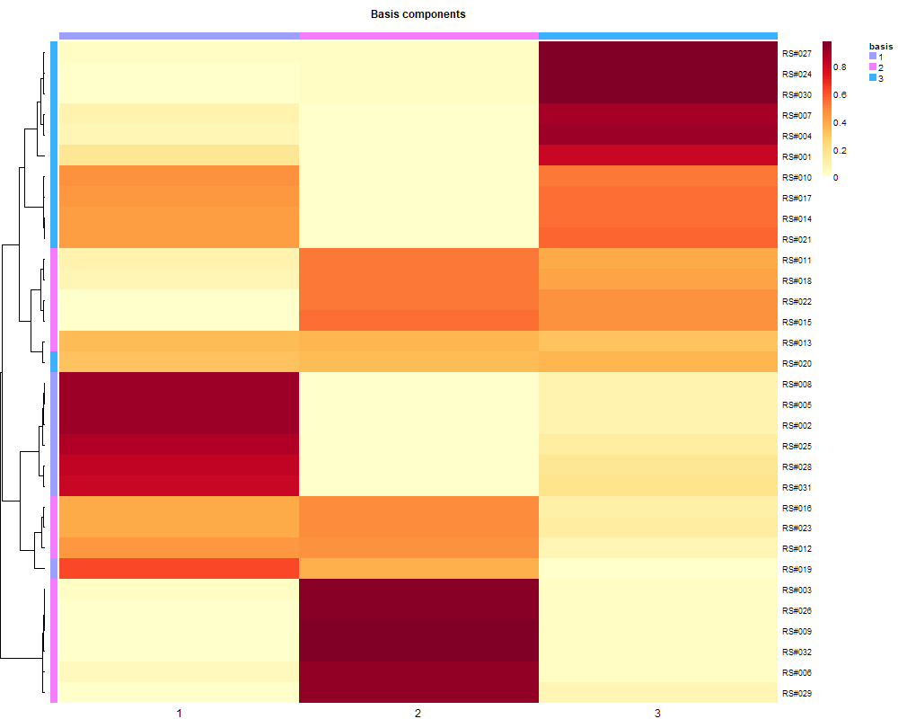
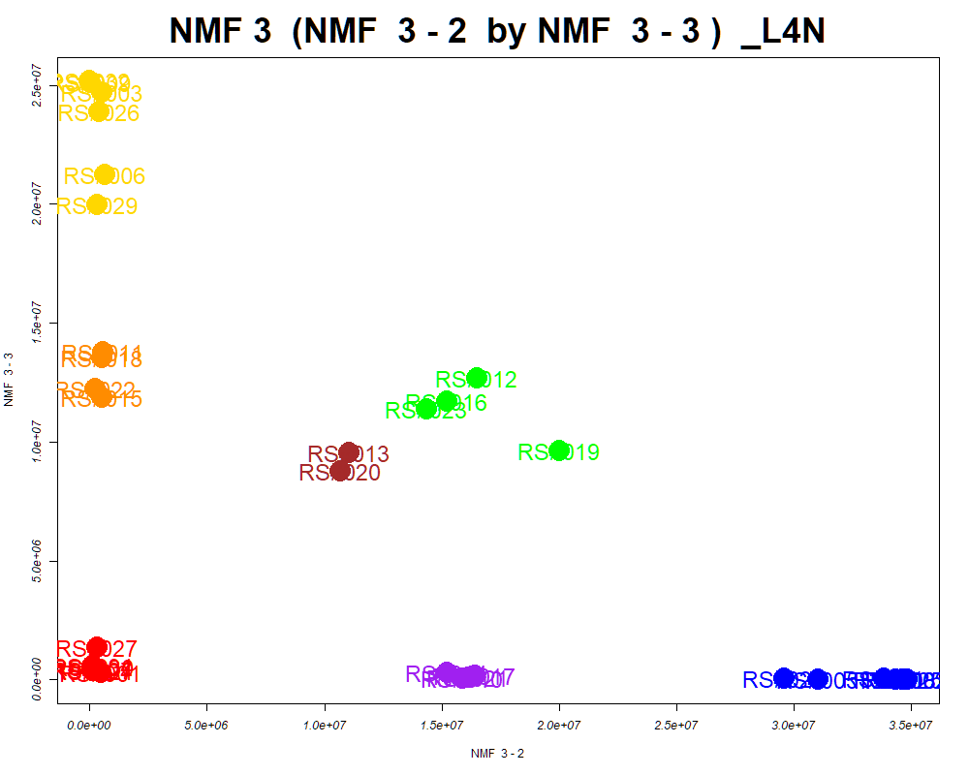
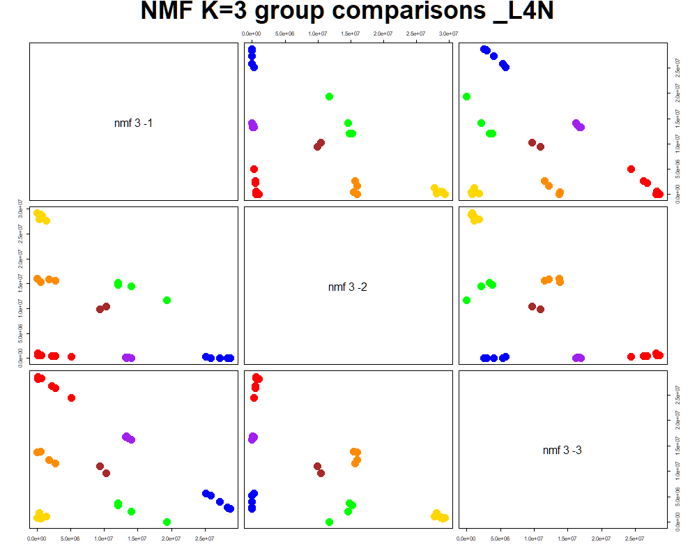
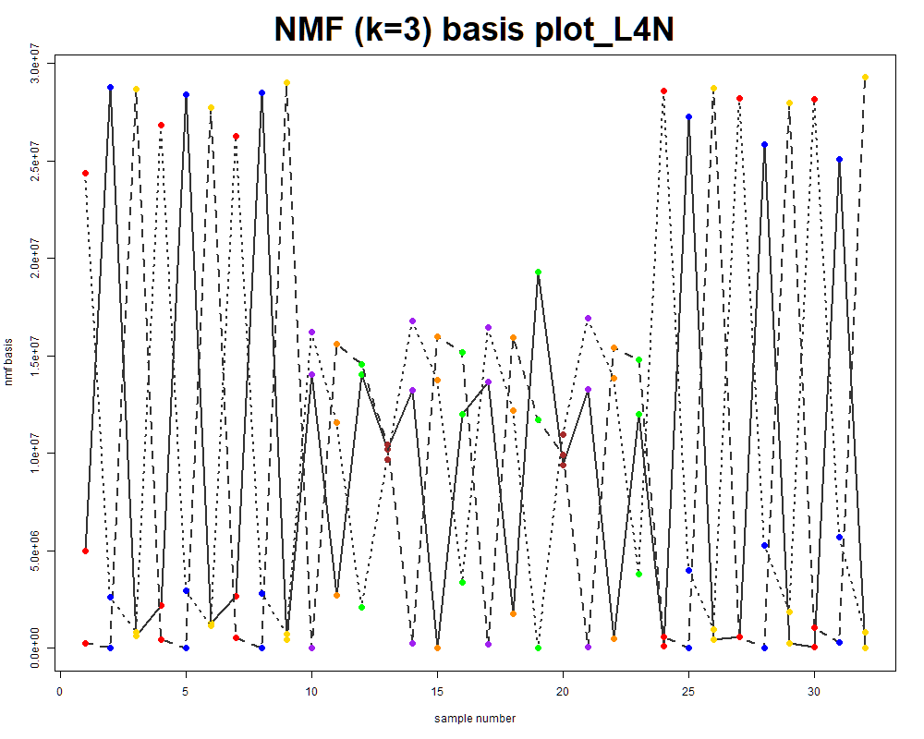
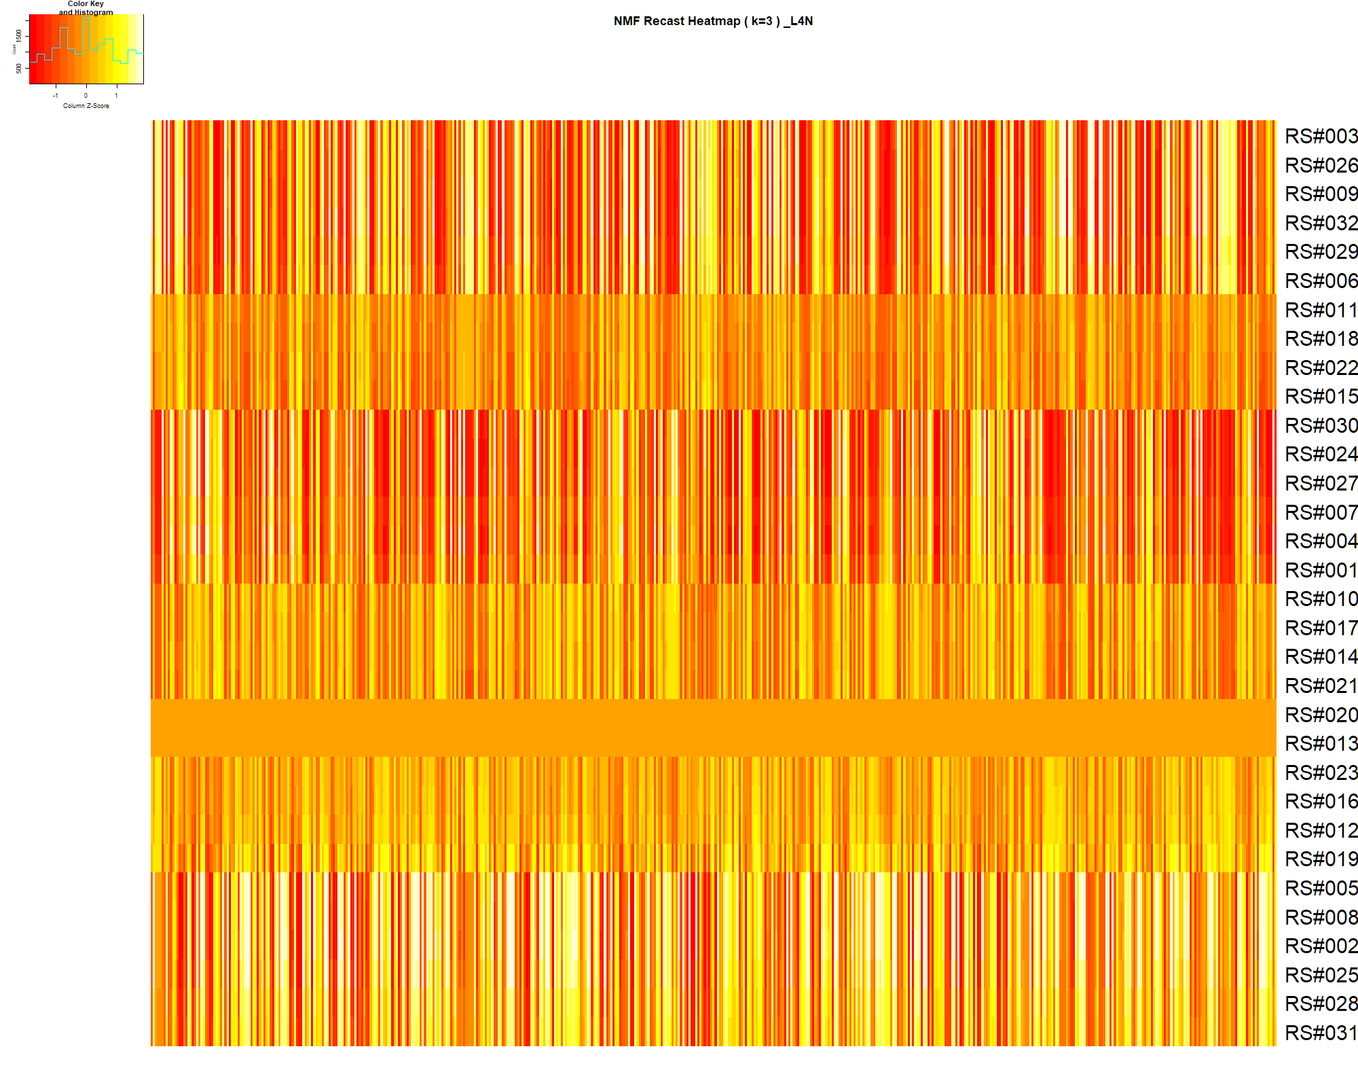

LabNum | BinID | Name | MF | BinC12mz | BinRT | nmf 3 -1 | nmf 3 -2 | nmf 3 -3 | Group |  | ExperimentalGroup | GroupFactor | nmf 3 -1 | nmf 3 -2 | nmf 3 -3 |  | p value
_L4N | LTRS_000001_BarnesNeg | L-Lysine (M-H) | C6H14N2O2 | 145.0983 | 0.50 | 23.6% | 28.1% | 48.3% | - | RS#001 | GroupA | GroupA | 2.68E+07 | 4.73E+05 | 3.18E+05 | nmf 3 -1 | 6.45E-21
_L4N | LTRS_000002_BarnesPos | L-Lysine (M+H) | C6H14N2O2 | 147.1128 | 0.50 | 26.6% | 23.0% | 50.4% | - | RS#004 | GroupA | GroupA | 2.28E+07 | 1.19E+05 | 5.69E+05 | nmf 3 -2 | 1.93E-24
_L4N | LTRS_000003_BarnesNeg | L-Arginine (M-H) | C6H14N4O2 | 173.1044 | 0.54 | 17.7% | 33.2% | 49.0% | - | RS#007 | GroupA | GroupA | 2.82E+07 | 1.29E+05 | 4.38E+05 | nmf 3 -3 | 2.45E-22
_L4N | LTRS_000003_BarnesPos | L-Lysine (M+H -NH3) | C6H14N2O2 | 130.0863 | 0.50 | 23.9% | 22.5% | 53.6% | - | RS#024 | GroupA | GroupA | 2.57E+07 | 1.08E+05 | 3.81E+05
_L4N | LTRS_000004_BarnesNeg | L-Histidine (M-H) | C6H9N3O2 | 154.0622 | 0.54 | 46.0% | 29.5% | 24.5% | - | RS#027 | GroupA | GroupA | 2.15E+07 | 3.04E+05 | 1.35E+06 | Average | 2.23E-21
_L4N | LTRS_000004_BarnesPos | C11H22N2O7 (M+H) | C11H22N2O7 | 295.1500 | 0.50 | 21.4% | 59.7% | 18.9% | - | RS#030 | GroupA | GroupA | 2.65E+07 | 1.35E+05 | 5.53E+05
_L4N | LTRS_000005_BarnesNeg | L-Aspartate (M-H) | C4H7NO4 | 132.0302 | 0.56 | 4.7% | 14.6% | 80.6% | NotClr | RS#002 | GroupB | GroupB | 2.74E+06 | 3.48E+07 | 7.55E+01
...

Random Forest
...
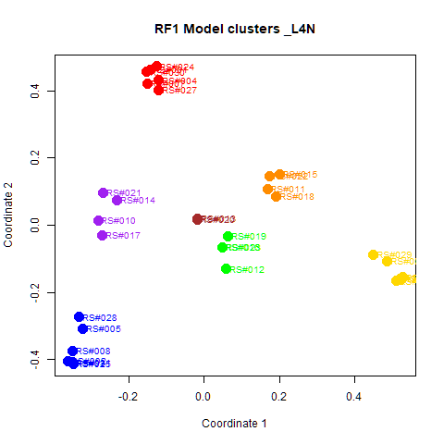
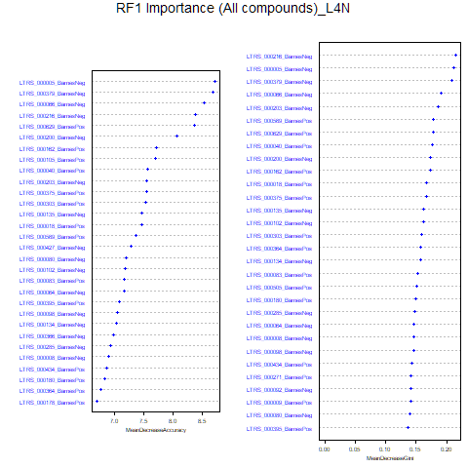
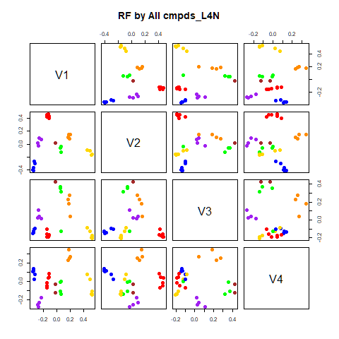
GroupD | GroupE | GroupF | GroupG | class.error
0 | 0 | 0 | 0 | 0
0 | 0 | 0 | 0 | 0
0 | 0 | 0 | 0 | 0
4 | 0 | 0 | 0 | 0
0 | 4 | 0 | 0 | 0
0 | 0 | 3 | 0 | 0.25
0 | 0 | 2 | 0 | 1
...
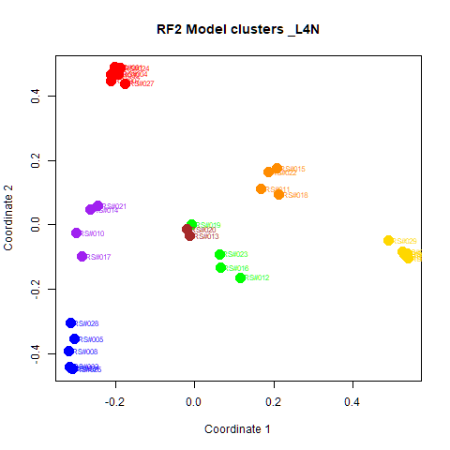
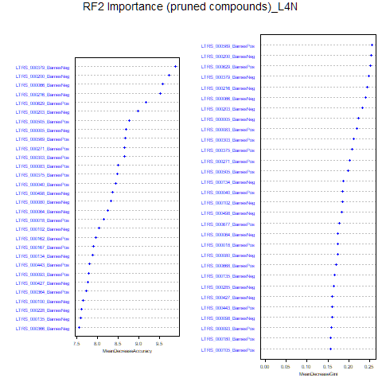
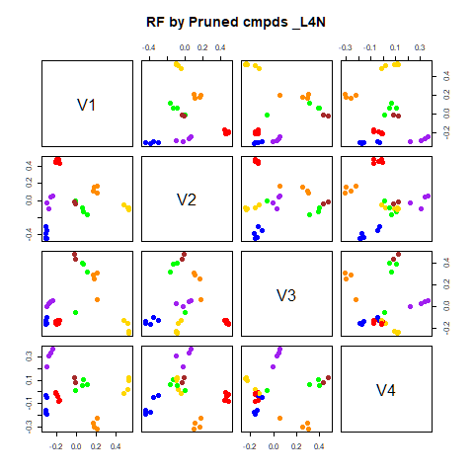
GroupD | GroupE | GroupF | GroupG | class.error
0 | 0 | 0 | 0 | 0
0 | 0 | 0 | 0 | 0
0 | 0 | 0 | 0 | 0
4 | 0 | 0 | 0 | 0
0 | 4 | 0 | 0 | 0
0 | 0 | 3 | 0 | 0.25
0 | 0 | 0 | 2 | 0

GroupC | GroupD | GroupE | GroupF | GroupG | MeanDecreaseAccuracy | MeanDecreaseGini |  | GroupA | GroupB | GroupC | GroupD | GroupE | GroupF | GroupG | MeanDecreaseAccuracy | MeanDecreaseGini
5.88892538214486 | 3.14302017789417 | 3.44697052125682 | 2.01535887583517 | 2.00133466814988 | 8.72145776473637 | 0.211812745736048 | LTRS_000379_BarnesNeg | 7.454 | 5.228 | 4.945 | 4.803 | 3.778 | 3.994 | 1.891 | 9.893 | 0.247
5.38807524163696 | 3.49097714079898 | 3.93539179807877 | 4.25461711941488 | 2.23793369995829 | 8.67855057152662 | 0.208946139617899 | LTRS_000200_BarnesNeg | 7.584 | 5.985 | 4.289 | 3.401 | 4.692 | 2.961 | 2.452 | 9.737 | 0.254
4.2249963301334 | 3.51813288862101 | 3.93539179807877 | 4.14216194307427 | 1.34204345994794 | 8.53142795229527 | 0.190827304898591 | LTRS_000066_BarnesNeg | 7.592 | 3.433 | 4.550 | 4.496 | 5.061 | 4.479 | 2.335 | 9.586 | 0.240
5.5438324665166 | 3.56121516796188 | 3.18077645132455 | 1.89094826467836 | 2.00133466814988 | 8.37609886721023 | 0.214679807236705 | LTRS_000216_BarnesNeg | 5.434 | 6.607 | 5.309 | 4.472 | 5.034 | 2.992 | 3.168 | 9.525 | 0.244
5.66116765542054 | 2.78310280218477 | 2.95365731636983 | 3.49997370248218 | 1.41468520272717 | 8.36354789833235 | 0.178140771577923 | LTRS_000629_BarnesPos | 6.730 | 3.919 | 5.684 | 4.942 | 2.338 | 4.026 | 3.005 | 9.172 | 0.252
3.30565376834021 | 3.53388154151622 | 3.18736373757927 | 2.08030345530923 | 1.73291748303345 | 8.06913865988638 | 0.173563641987515 | LTRS_000203_BarnesNeg | 6.982 | 4.824 | 4.398 | 4.955 | 3.022 | 4.737 | 1.667 | 8.976 | 0.232
...

RF->NMF3
This tab has the report for k= 3

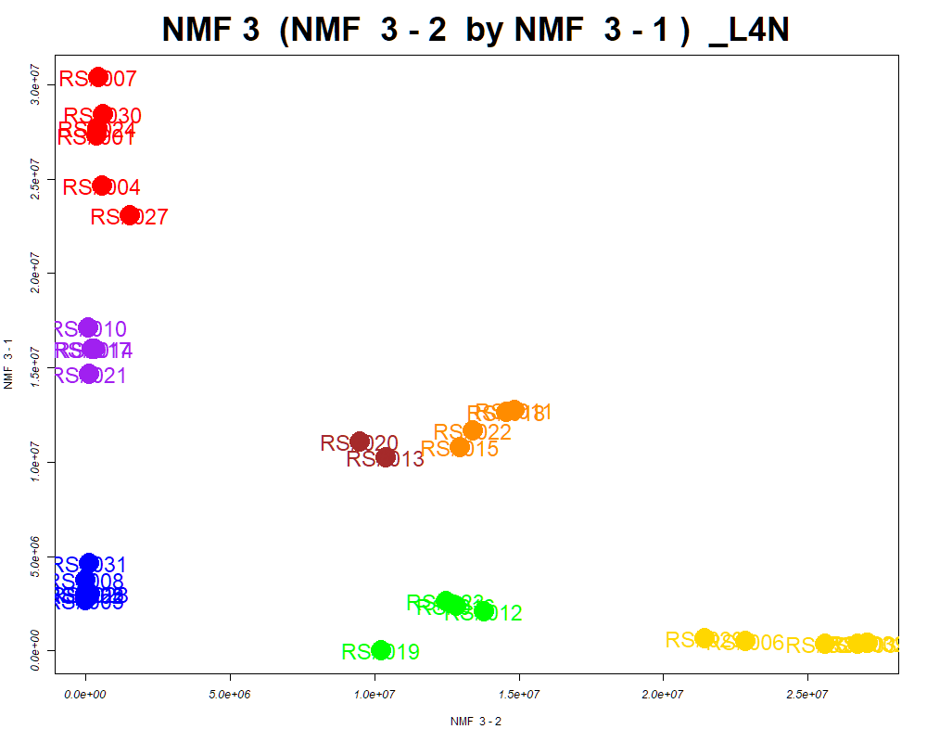

LabNum | BinID | Name | MF | BinC12mz | BinRT | nmf 3 -1 | nmf 3 -2 | nmf 3 -3 | Group |  | ExperimentalGroup | GroupFactor | nmf 3 -1
_L4N | LTRS_000001_BarnesNeg | L-Lysine (M-H) | C6H14N2O2 | 145.0983 | 0.50 | 23.5% | 46.8% | 29.7% | - | RS#001 | GroupA | GroupA | 2.73E+07
_L4N | LTRS_000002_BarnesPos | L-Lysine (M+H) | C6H14N2O2 | 147.1128 | 0.50 | 26.6% | 49.2% | 24.2% | - | RS#004 | GroupA | GroupA | 2.46E+07
_L4N | LTRS_000003_BarnesNeg | L-Arginine (M-H) | C6H14N4O2 | 173.1044 | 0.54 | 17.8% | 47.3% | 35.0% | - | RS#007 | GroupA | GroupA | 3.04E+07
_L4N | LTRS_000003_BarnesPos | L-Lysine (M+H -NH3) | C6H14N2O2 | 130.0863 | 0.50 | 23.9% | 52.3% | 23.7% | - | RS#024 | GroupA | GroupA | 2.77E+07
_L4N | LTRS_000004_BarnesNeg | L-Histidine (M-H) | C6H9N3O2 | 154.0622 | 0.54 | 45.4% | 23.9% | 30.7% | - | RS#027 | GroupA | GroupA | 2.31E+07
_L4N | LTRS_000004_BarnesPos | C11H22N2O7 (M+H) | C11H22N2O7 | 295.1500 | 0.50 | 20.8% | 17.4% | 61.7% | NotClr | RS#030 | GroupA | GroupA | 2.84E+07
_L4N | LTRS_000005_BarnesNeg | L-Aspartate (M-H) | C4H7NO4 | 132.0302 | 0.56 | 4.9% | 79.4% | 15.7% | GroupC | RS#002 | GroupB | GroupB | 2.98E+06
...

PCA
This tab shows results from PCA analyses on the two RF datasets.
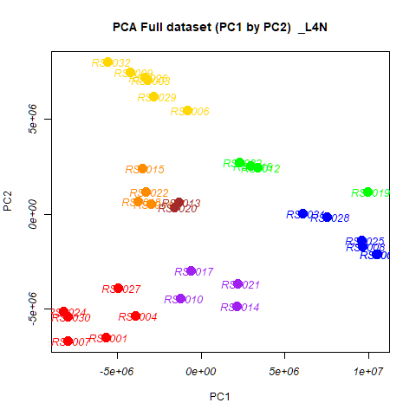
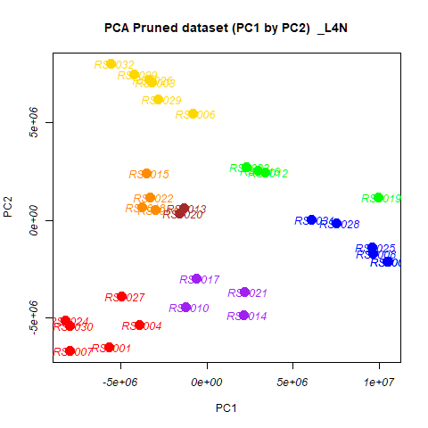
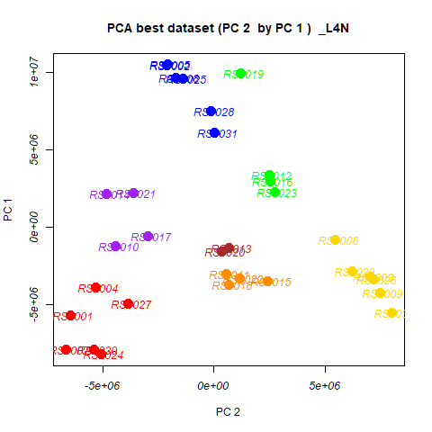
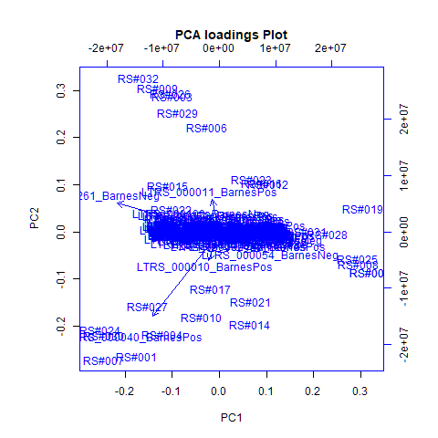
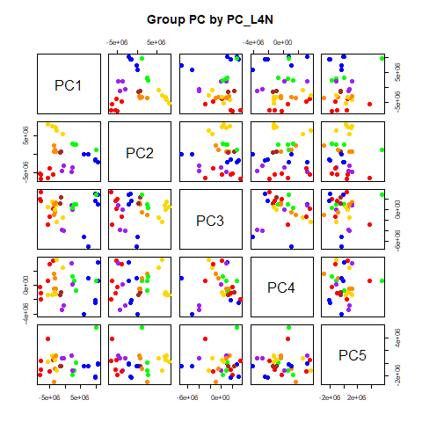
 | %TotVar | SD | p Design | p Reg
PC1 | 48.05% | 5.76E+06 | 7.32E-12 | 7.32E-12
PC2 | 27.36% | 4.35E+06 | 3.53E-17 | 3.53E-17
PC3 | 8.81% | 2.47E+06 | 6.21E-01 | 6.21E-01
PC4 | 6.16% | 2.06E+06 | 8.68E-01 | 8.68E-01
PC5 | 4.07% | 1.68E+06 | 7.90E-01 | 7.90E-01
PC6 | 2.10% | 1.20E+06 | 6.33E-02 | 6.33E-02
PC7 | 1.07% | 8.59E+05 | 1.68E-02 | 1.68E-02
PC8 | 0.72% | 7.04E+05 | 9.53E-01 | 9.53E-01
PC9 | 0.41% | 5.31E+05 | 1.74E-02 | 1.74E-02
PC10 | 0.22% | 3.91E+05 | 2.91E-01 | 2.91E-01

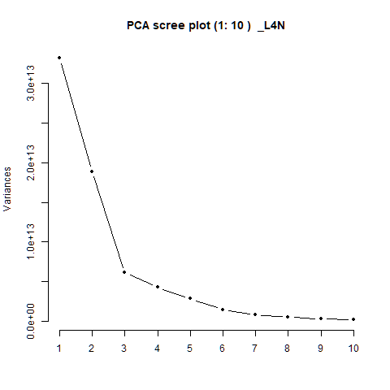
 |  | PC1 | PC2 | PC3 | PC4 | PC5 |  | PC1 | PC2 | PC3 | PC4 | PC5
 | LTRS_000001_BarnesNeg | 3.52E-04 | 1.66E-03 | -1.85E-04 | -1.72E-03 | -1.59E-03 | RS#001 | -5.69E+06 | -6.49E+06 | -2.86E+06 | 6.37E+05 | 3.80E+06
 | LTRS_000001_BarnesPos | 3.69E-06 | 1.61E-05 | -2.41E-05 | 7.74E-04 | -5.57E-04 | RS#002 | 1.05E+07 | -2.13E+06 | 2.78E+06 | 6.66E+05 | -1.07E+05
 | LTRS_000002_BarnesNeg | 3.16E-04 | 9.68E-06 | 1.69E-04 | 4.33E-04 | 5.58E-04 | RS#003 | -3.19E+06 | 7.07E+06 | 8.45E+05 | -1.25E+06 | 1.05E+06
 | LTRS_000002_BarnesPos | -8.30E-04 | 5.64E-03 | 8.27E-04 | -4.59E-03 | -1.84E-03 | RS#004 | -3.92E+06 | -5.35E+06 | 1.26E+05 | 3.57E+06 | 5.72E+05
 |  |  |  |  |  |  |  | 1.05E+07 | -2.10E+06 | 9.95E+05 | 3.21E+06 | -2.03E+04
 |  |  |  |  |  |  |  | -8.17E+05 | 5.48E+06 | -1.55E+06 | 2.53E+06 | 7.99E+05
 |  |  |  |  |  |  |  | -7.93E+06 | -6.68E+06 | 3.33E+06 | -1.95E+06 | 4.33E+05
 |  |  |  |  |  |  |  | 9.65E+06 | -1.71E+06 | 3.03E+06 | -2.46E+06 | -2.02E+06
 |  |  |  |  |  |  |  | -4.22E+06 | 7.49E+06 | 1.47E+06 | -1.31E+06 | 1.25E+06
 |  |  |  |  |  |  |  | -1.21E+06 | -4.43E+06 | -3.91E+06 | -3.48E+06 | 7.39E+05
 |  |  |  |  |  |  |  | -2.99E+06 | 5.63E+05 | 1.36E+06 | -4.13E+05 | 1.24E+06
 |  |  |  |  |  |  |  | 3.39E+06 | 2.48E+06 | 1.02E+06 | -7.28E+05 | 5.58E+04
 |  |  |  |  |  |  |  | -1.35E+06 | 6.56E+05 | 2.29E+06 | -9.30E+05 | -5.05E+05
 |  |  |  |  |  |  |  | 2.14E+06 | -4.84E+06 | 8.45E+05 | 3.14E+06 | 1.23E+06
 |  |  |  |  |  |  |  | -3.51E+06 | 2.42E+06 | -1.03E+06 | 1.64E+06 | -2.93E+06
 |  |  |  |  |  |  |  | 2.95E+06 | 2.53E+06 | 9.05E+05 | 6.01E+05 | -1.11E+06
 |  |  |  |  |  |  |  | -5.86E+05 | -2.99E+06 | -3.95E+06 | -2.78E+06 | 7.88E+05
 |  |  |  |  |  |  |  | -3.74E+06 | 6.89E+05 | 8.85E+05 | -4.15E+05 | 7.82E+05
 |  |  |  |  |  |  |  | 9.95E+06 | 1.21E+06 | 2.80E+06 | 6.41E+05 | 5.63E+06
...

PCA->NMF3
This tab has the report for k= 3

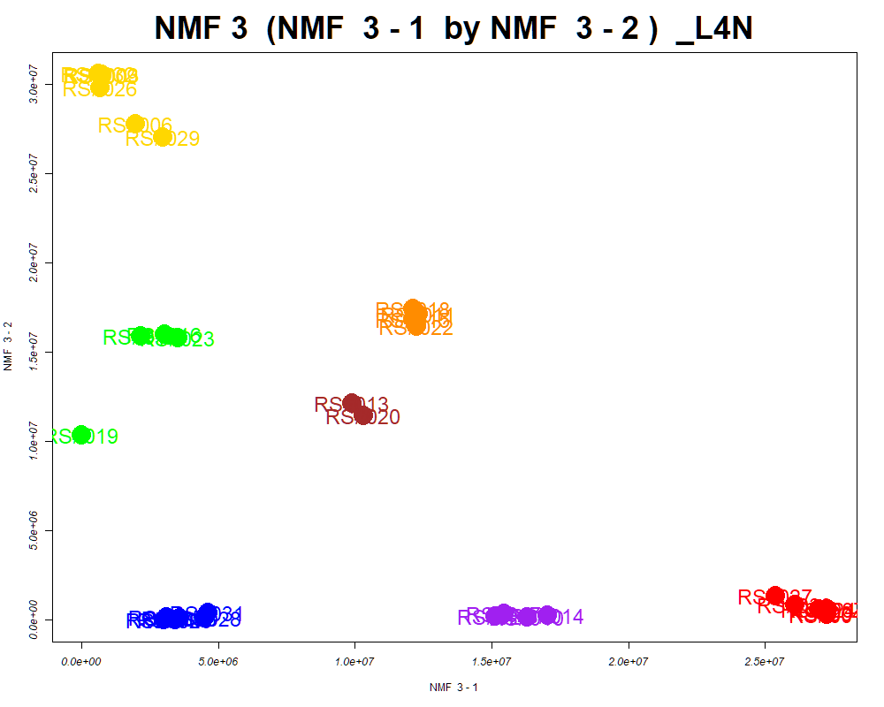

LabNum | BinID | Name | MF | BinC12mz | BinRT | nmf 3 -1 | nmf 3 -2 | nmf 3 -3 | Group |  | ExperimentalGroup | GroupFactor | nmf 3 -1
_L4N | LTRS_000008_BarnesNeg | Glycerylphosphorylethanolamine (M-H) | C5H14NO6P | 214.0486 | 0.56 | 64.9% | 12.9% | 22.2% | NotClr | RS#001 | GroupA | GroupA | 2.73E+07
_L4N | LTRS_000009_BarnesPos | L-Arginine (M+H) | C6H14N4O2 | 175.1190 | 0.55 | 21.4% | 45.6% | 33.0% | - | RS#004 | GroupA | GroupA | 2.73E+07
_L4N | LTRS_000010_BarnesPos | L-Histidine (M+H) | C6H9N3O2 | 156.0768 | 0.55 | 64.5% | 11.9% | 23.7% | NotClr | RS#007 | GroupA | GroupA | 2.73E+07
_L4N | LTRS_000011_BarnesPos | Ala-Arg (M+H) | C9H19N5O3 | 246.1561 | 0.56 | 0.0% | 99.3% | 0.7% | GroupC | RS#024 | GroupA | GroupA | 2.69E+07
_L4N | LTRS_000012_BarnesPos | N2-Fructopyranosylarginine (M+H) | C12H24N4O7 | 337.1718 | 0.56 | 38.9% | 43.8% | 17.3% | - | RS#027 | GroupA | GroupA | 2.54E+07
_L4N | LTRS_000016_BarnesPos | Arg-Thr (M+H) | C10H21N5O4 | 276.1666 | 0.58 | 44.8% | 30.8% | 24.4% | - | RS#030 | GroupA | GroupA | 2.61E+07
_L4N | LTRS_000018_BarnesPos | Pyroglutamic acid (M+H) | C5H7NO3 | 130.0499 | 0.58 | 29.7% | 11.4% | 58.8% | - | RS#002 | GroupB | GroupB | 3.01E+06
...

SOM
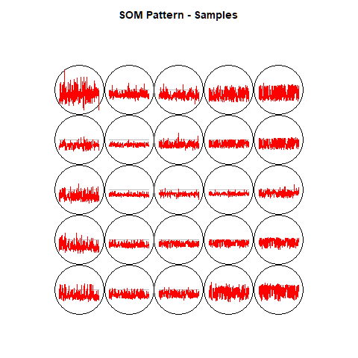
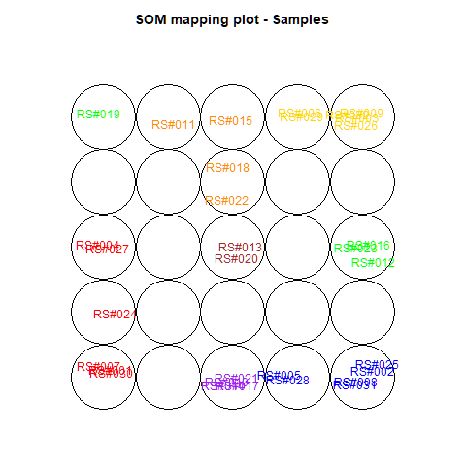
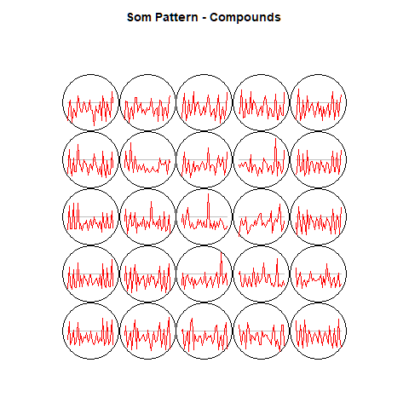
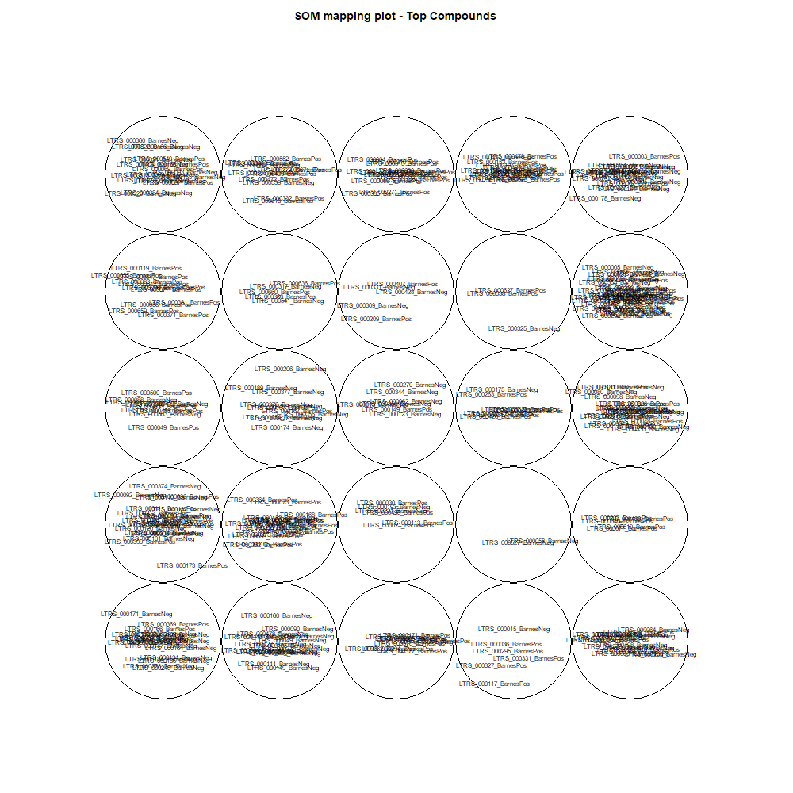
This tab show the output from a SOM analysis

NMF(full)->NMF3
This tab has the report for k= 3

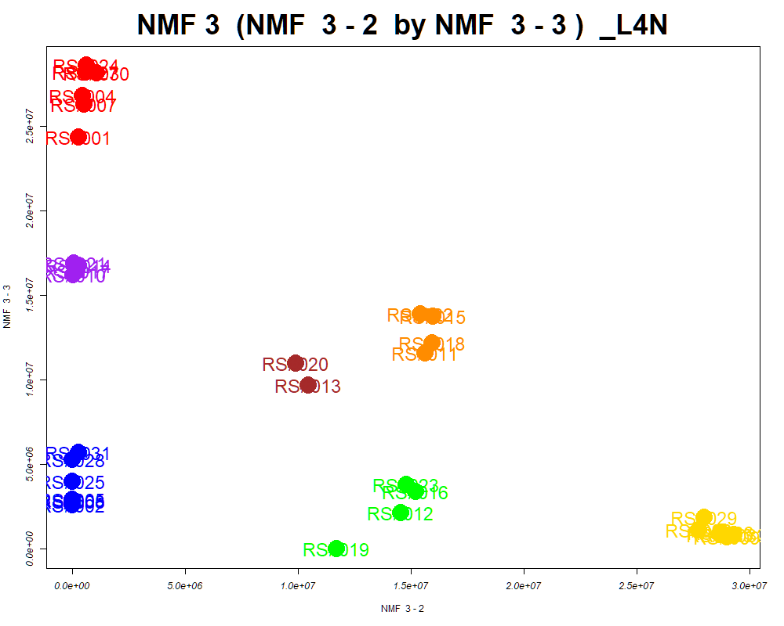

LabNum | BinID | Name | MF | BinC12mz | BinRT | nmf 3 -1 | nmf 3 -2 | nmf 3 -3 | Group |  | ExperimentalGroup | GroupFactor | nmf 3 -1
_L4N | LTRS_000001_BarnesNeg | L-Lysine (M-H) | C6H14N2O2 | 145.0983 | 0.50 | 27.3% | 47.7% | 25.0% | - | RS#001 | GroupA | GroupA | 5.01E+06
_L4N | LTRS_000001_BarnesPos | C13H29N3O5 (M+H) | C13H29N3O5 | 308.2180 | 0.45 | 33.6% | 32.4% | 34.1% | - | RS#004 | GroupA | GroupA | 2.19E+06
_L4N | LTRS_000002_BarnesPos | L-Lysine (M+H) | C6H14N2O2 | 147.1128 | 0.50 | 33.3% | 42.0% | 24.7% | - | RS#007 | GroupA | GroupA | 2.69E+06
_L4N | LTRS_000003_BarnesNeg | L-Arginine (M-H) | C6H14N4O2 | 173.1044 | 0.54 | 33.5% | 48.3% | 18.2% | - | RS#024 | GroupA | GroupA | 1.16E+05
_L4N | LTRS_000003_BarnesPos | L-Lysine (M+H -NH3) | C6H14N2O2 | 130.0863 | 0.50 | 32.7% | 45.1% | 22.2% | - | RS#027 | GroupA | GroupA | 5.67E+05
_L4N | LTRS_000004_BarnesNeg | L-Histidine (M-H) | C6H9N3O2 | 154.0622 | 0.54 | 27.4% | 24.2% | 48.4% | - | RS#030 | GroupA | GroupA | 8.29E+04
_L4N | LTRS_000005_BarnesNeg | L-Aspartate (M-H) | C4H7NO4 | 132.0302 | 0.56 | 15.2% | 80.1% | 4.7% | GroupC | RS#002 | GroupB | GroupB | 2.88E+07
...

Scored_Cmpds
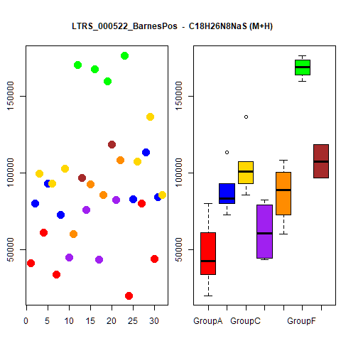
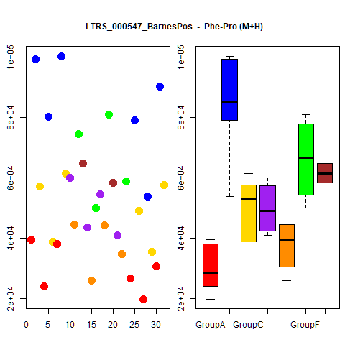
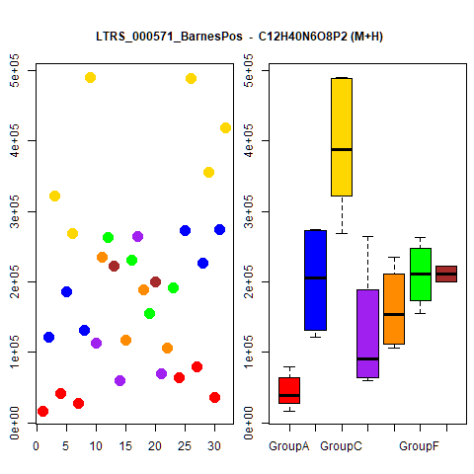
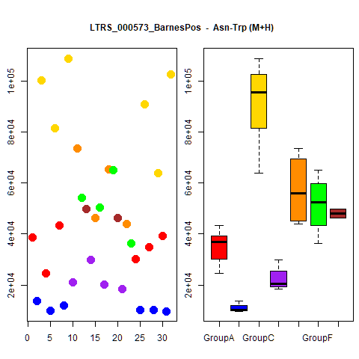
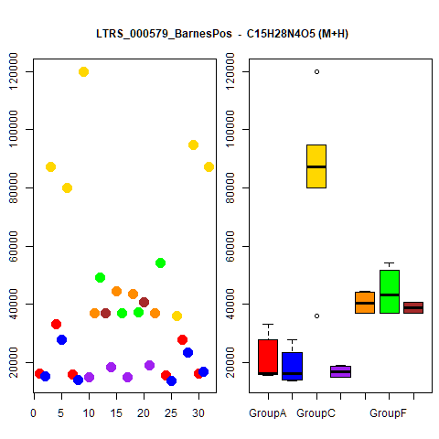
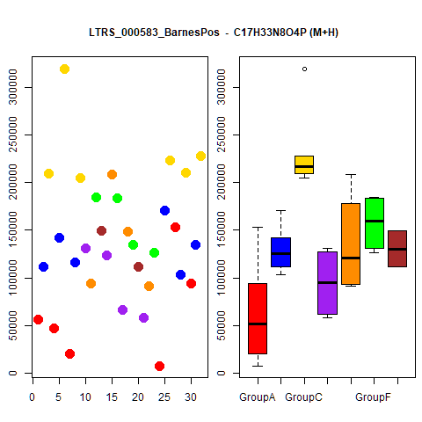
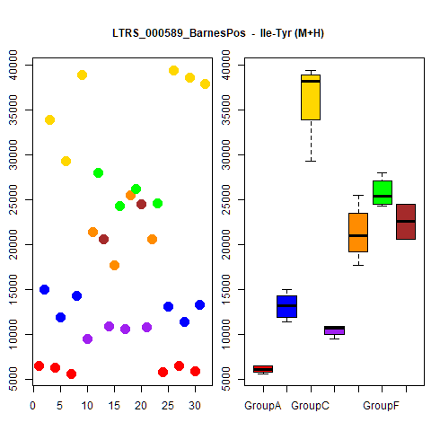
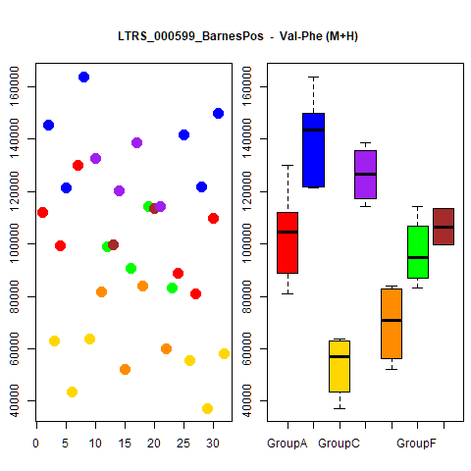
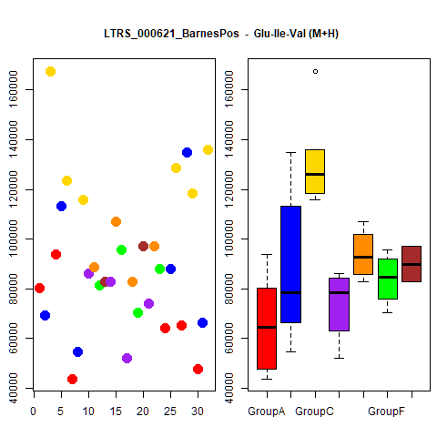
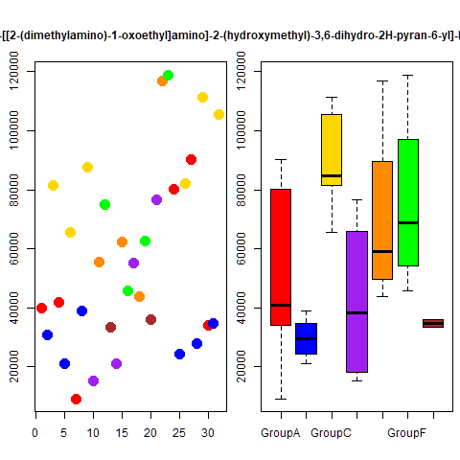
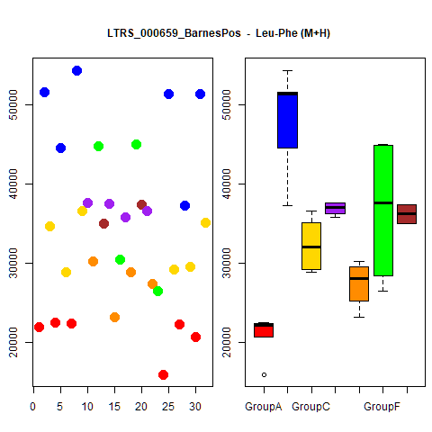
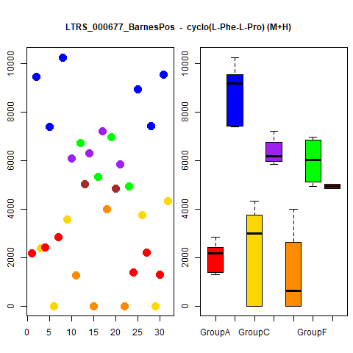
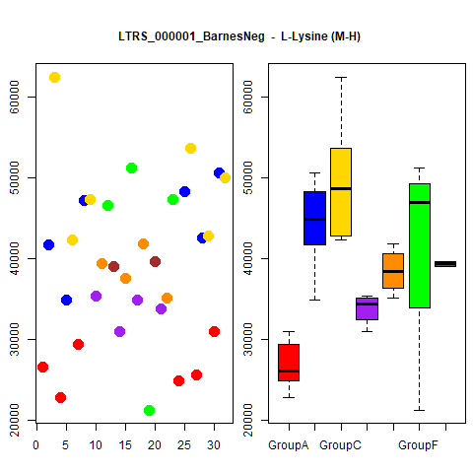
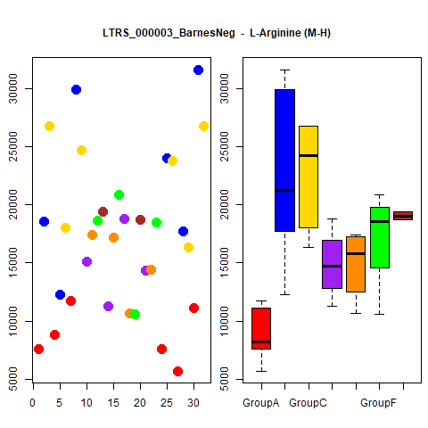
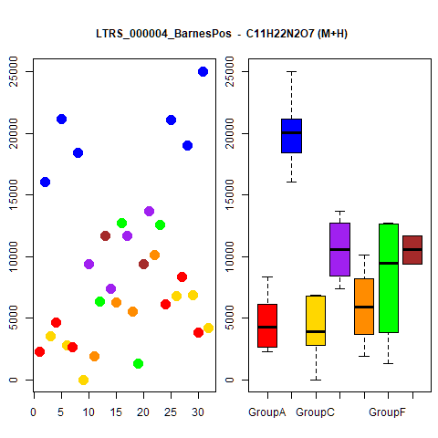
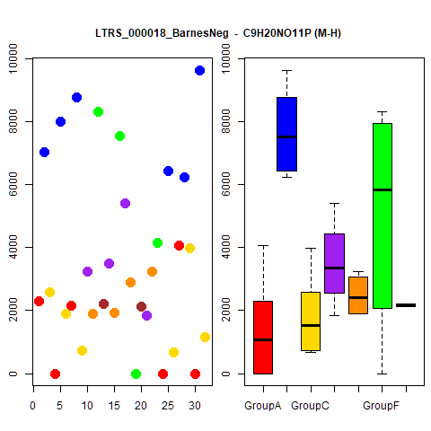
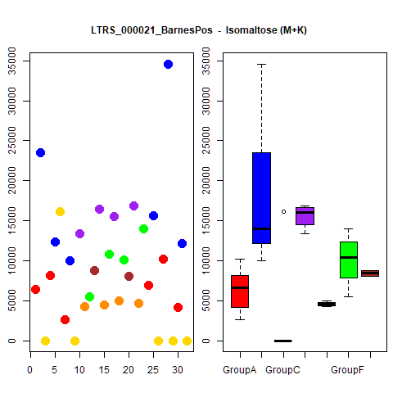
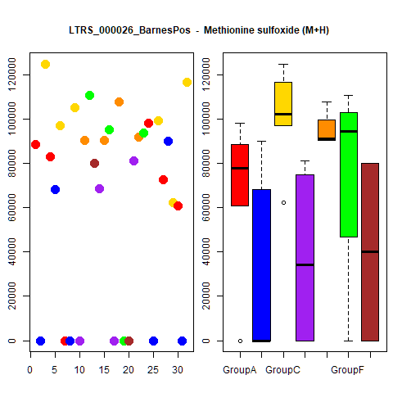
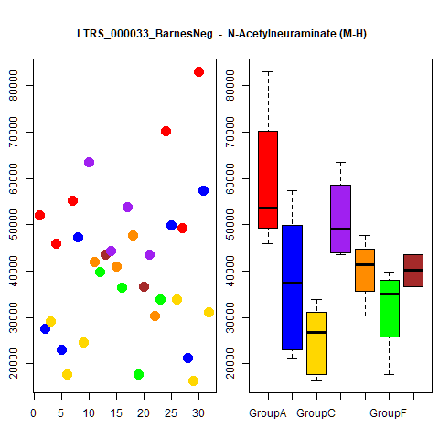
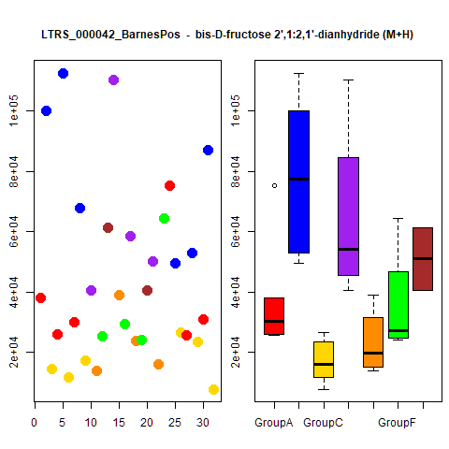
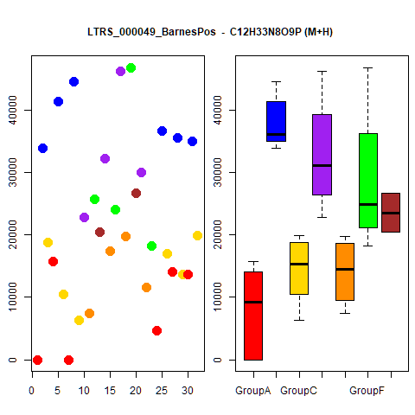
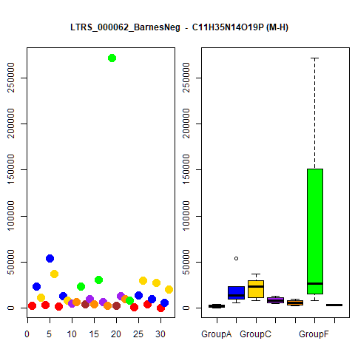
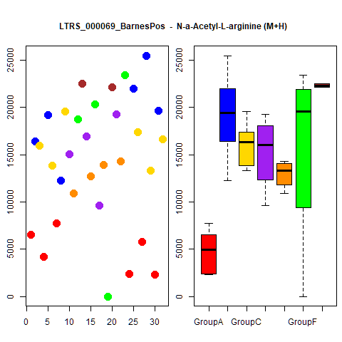





















































































































...




 |  |  | Count
1 | 1 | 1 | 4
1 | 1 | 1 | 4
1 | 1 | 1 | 4
1 | 1 | 1 | 4
1 | 1 | 1 | 4
1 | 1 | 1 | 4
1 | 1 | 1 | 4
1 | 1 | 1 | 4
1 | 1 | 1 | 4
1 | 1 | 1 | 4





1 | 1 | 1 | 4
1 | 1 | 1 | 4
1 | 1 | 1 | 4
1 | 1 | 1 | 4
1 | 1 | 1 | 4
1 | 1 | 1 | 4
1 | 1 | 1 | 4
1 | 1 | 1 | 4
1 | 1 | 1 | 4
1 | 1 | 1 | 4





1 | 1 | 1 | 4
1 | 1 | 1 | 4
1 | 1 | 1 | 4
1 | 1 | 1 | 4
1 | 1 | 1 | 4
1 | 1 | 1 | 4
1 | 1 | 1 | 4
1 | 1 | 1 | 4
1 | 1 | 1 | 4
1 | 1 | 1 | 4





1 | 1 | 1 | 4
1 | 1 | 1 | 4
1 | 1 | 1 | 4
1 | 1 | 1 | 4
1 | 1 | 1 | 4
1 | 1 | 1 | 4
1 | 1 | 1 | 4
1 | 1 | 1 | 4
1 | 1 | 1 | 4
1 | 1 | 1 | 4





1 | 1 | 1 | 4
1 | 1 | 1 | 4
1 | 1 | 1 | 4
1 | 1 | 1 | 4
1 | 0 | 1 | 3
1 | 0 | 1 | 3
1 | 0 | 1 | 3
1 | 0 | 1 | 3
1 | 0 | 1 | 3
1 | 0 | 1 | 3





1 | 0 | 1 | 3
1 | 0 | 1 | 3
1 | 0 | 1 | 3
1 | 0 | 1 | 3
1 | 0 | 1 | 3
1 | 0 | 1 | 3
1 | 0 | 1 | 3
1 | 0 | 1 | 3
1 | 0 | 1 | 3
1 | 0 | 1 | 3





1 | 0 | 1 | 3
1 | 0 | 1 | 3
1 | 0 | 1 | 3
1 | 0 | 1 | 3
1 | 0 | 1 | 3
1 | 0 | 1 | 3
1 | 0 | 1 | 3
1 | 0 | 1 | 3
1 | 0 | 1 | 3
1 | 0 | 1 | 3





1 | 0 | 1 | 3
1 | 0 | 1 | 3
1 | 1 | 0 | 3
1 | 0 | 1 | 3
1 | 0 | 1 | 3
1 | 0 | 1 | 3
1 | 0 | 1 | 3
1 | 1 | 0 | 3
1 | 0 | 1 | 3
1 | 0 | 1 | 3





1 | 0 | 1 | 3
1 | 0 | 1 | 3
1 | 0 | 1 | 3
1 | 0 | 1 | 3
1 | 0 | 1 | 3
1 | 0 | 1 | 3
1 | 0 | 1 | 3
1 | 0 | 1 | 3
1 | 0 | 1 | 3
1 | 1 | 0 | 3





1 | 0 | 1 | 3
1 | 0 | 1 | 3
1 | 0 | 1 | 3
1 | 0 | 1 | 3
1 | 0 | 1 | 3
1 | 0 | 1 | 3
1 | 0 | 1 | 3
1 | 0 | 1 | 3
1 | 0 | 1 | 3
1 | 0 | 1 | 3





1 | 1 | 0 | 3
1 | 1 | 0 | 3
1 | 1 | 0 | 3
1 | 1 | 0 | 3
1 | 0 | 1 | 3
1 | 0 | 1 | 3
1 | 0 | 1 | 3
1 | 0 | 1 | 3
1 | 0 | 1 | 3
1 | 0 | 1 | 3





1 | 0 | 1 | 3
1 | 0 | 1 | 3
1 | 1 | 0 | 3
1 | 0 | 1 | 3
1 | 0 | 1 | 3
1 | 0 | 1 | 3
1 | 0 | 1 | 3
1 | 0 | 1 | 3
1 | 0 | 1 | 3
1 | 1 | 0 | 3





1 | 0 | 1 | 3
1 | 1 | 0 | 3
1 | 0 | 1 | 3
1 | 0 | 1 | 3
1 | 1 | 0 | 3
1 | 0 | 1 | 3
1 | 0 | 1 | 3
1 | 0 | 1 | 3
1 | 0 | 1 | 3
1 | 1 | 0 | 3





1 | 0 | 1 | 3
1 | 0 | 1 | 3
1 | 1 | 0 | 3
1 | 0 | 1 | 3
1 | 0 | 1 | 3
1 | 0 | 1 | 3
1 | 0 | 1 | 3
1 | 0 | 1 | 3
1 | 0 | 1 | 3
1 | 0 | 1 | 3





1 | 1 | 0 | 3
1 | 0 | 1 | 3
1 | 0 | 1 | 3
1 | 1 | 0 | 3
1 | 0 | 1 | 3
1 | 0 | 1 | 3
1 | 0 | 1 | 3
1 | 0 | 1 | 3
1 | 0 | 1 | 3
1 | 0 | 1 | 3





1 | 1 | 0 | 3
1 | 0 | 1 | 3
1 | 0 | 1 | 3
1 | 0 | 1 | 3
1 | 1 | 0 | 3
1 | 1 | 0 | 3
1 | 0 | 0 | 2
1 | 0 | 0 | 2
1 | 0 | 0 | 2
1 | 0 | 0 | 2





1 | 0 | 0 | 2
1 | 0 | 1 | 2
1 | 0 | 0 | 2
0 | 0 | 1 | 2
1 | 0 | 0 | 2
1 | 0 | 1 | 2
1 | 0 | 0 | 2
0 | 0 | 1 | 2
1 | 0 | 1 | 2
1 | 0 | 0 | 2





1 | 0 | 0 | 2
1 | 0 | 0 | 2
1 | 0 | 0 | 2
1 | 0 | 0 | 2
1 | 0 | 0 | 2
1 | 0 | 0 | 2
1 | 0 | 0 | 2
1 | 0 | 0 | 2
1 | 0 | 0 | 2
1 | 0 | 0 | 2





1 | 0 | 1 | 2
1 | 0 | 0 | 2
1 | 0 | 0 | 2
1 | 0 | 0 | 2
1 | 0 | 0 | 2
1 | 0 | 0 | 2
1 | 0 | 1 | 2
1 | 0 | 0 | 2
0 | 0 | 1 | 2
1 | 0 | 0 | 2





1 | 0 | 0 | 2
1 | 0 | 0 | 2
1 | 0 | 0 | 2
1 | 0 | 0 | 2
1 | 0 | 0 | 2
1 | 0 | 0 | 2
1 | 0 | 0 | 2
1 | 0 | 0 | 2
1 | 0 | 0 | 2
1 | 0 | 0 | 2





1 | 0 | 0 | 2
1 | 0 | 0 | 2
1 | 0 | 0 | 2
1 | 0 | 0 | 2
1 | 0 | 0 | 2
1 | 0 | 0 | 2
1 | 0 | 0 | 2
1 | 0 | 0 | 2
1 | 0 | 0 | 2
1 | 0 | 0 | 2





1 | 0 | 0 | 2
1 | 0 | 0 | 2
1 | 0 | 0 | 2
1 | 0 | 0 | 2
1 | 0 | 0 | 2
1 | 0 | 1 | 2
1 | 0 | 0 | 2
1 | 0 | 0 | 2
1 | 0 | 0 | 2
1 | 0 | 0 | 2





1 | 0 | 0 | 2
0 | 0 | 1 | 2
1 | 0 | 0 | 2
1 | 0 | 0 | 2
1 | 0 | 0 | 2
1 | 0 | 0 | 2
1 | 0 | 1 | 2
0 | 0 | 1 | 2
1 | 0 | 0 | 2
1 | 0 | 0 | 2





1 | 0 | 0 | 2
1 | 0 | 0 | 2
1 | 0 | 0 | 2
1 | 0 | 0 | 2
1 | 0 | 1 | 2
1 | 0 | 0 | 2
1 | 0 | 0 | 2
1 | 0 | 0 | 2
0 | 0 | 1 | 2
1 | 0 | 0 | 2





1 | 0 | 0 | 2
1 | 0 | 0 | 2
1 | 0 | 0 | 2
1 | 0 | 0 | 2
1 | 0 | 0 | 2
0 | 0 | 1 | 2
1 | 0 | 0 | 2
1 | 0 | 1 | 2
1 | 0 | 0 | 2
1 | 0 | 0 | 2





1 | 0 | 0 | 2
1 | 0 | 0 | 2
1 | 0 | 0 | 2
1 | 0 | 0 | 2
1 | 0 | 0 | 2
1 | 0 | 0 | 2
0 | 0 | 1 | 2
1 | 0 | 0 | 2
0 | 0 | 1 | 2
1 | 0 | 0 | 2





1 | 0 | 0 | 2
1 | 0 | 0 | 2
1 | 0 | 0 | 2
1 | 0 | 0 | 2
1 | 0 | 0 | 2
1 | 0 | 0 | 2
1 | 0 | 0 | 2
1 | 0 | 0 | 2
1 | 0 | 0 | 2
1 | 0 | 0 | 2





1 | 0 | 0 | 2
1 | 0 | 0 | 2
1 | 0 | 0 | 2
1 | 0 | 1 | 2
0 | 0 | 1 | 2
1 | 0 | 0 | 2
1 | 0 | 1 | 2
1 | 0 | 0 | 2
1 | 0 | 0 | 2
1 | 0 | 0 | 2





1 | 0 | 0 | 2
1 | 0 | 0 | 2
1 | 0 | 0 | 2
1 | 0 | 0 | 2

Grouped_Cmpds



...
NMF2 | Count
 | 1
 | 1
 | 1
 | 1
 | 1
 | 1
 | 1
 | 1
 | 1
 | 1


 | 1
 | 1
 | 1
 | 1
 | 1
 | 1
 | 1
 | 1
 | 1
 | 1
 | 1
 | 1
 | 1
 | 1
 | 1
 | 1
 | 1
 | 1
 | 1
 | 1
...

...

