Design
dataId | SampleId | ExperimentalGroup | GroupFactor | Conc | number | SampleId | AcqMethod | ExperimentalGroup | FileName | sampleNum
RS#001 | S0005 | GroupA | GroupA | 1 | 1 | S0005 | BaseNeg | GroupA | MSKCC_sample01_Neg.mzXML | 1
RS#002 | S0006 | GroupB | GroupB | 1 | 2 | S0005 | BasePos | GroupA | MSKCC_sample01_Pos.mzXML | 1
RS#003 | S0007 | GroupC | GroupC | 1 | 3 | S0006 | BaseNeg | GroupB | MSKCC_sample02_Neg.mzXML | 2
RS#004 | S0008 | GroupA | GroupA | 0.5 | 4 | S0006 | BasePos | GroupB | MSKCC_sample02_Pos.mzXML | 2
RS#005 | S0009 | GroupB | GroupB | 0.5 | 5 | S0007 | BaseNeg | GroupC | MSKCC_sample03_Neg.mzXML | 3
RS#006 | S0010 | GroupC | GroupC | 0.5 | 6 | S0007 | BasePos | GroupC | MSKCC_sample03_Pos.mzXML | 3
RS#007 | S0011 | GroupA | GroupA | 1.5 | 7 | S0008 | BaseNeg | GroupA | MSKCC_sample04_Neg.mzXML | 4
RS#008 | S0012 | GroupB | GroupB | 1.5 | 8 | S0008 | BasePos | GroupA | MSKCC_sample04_Pos.mzXML | 4
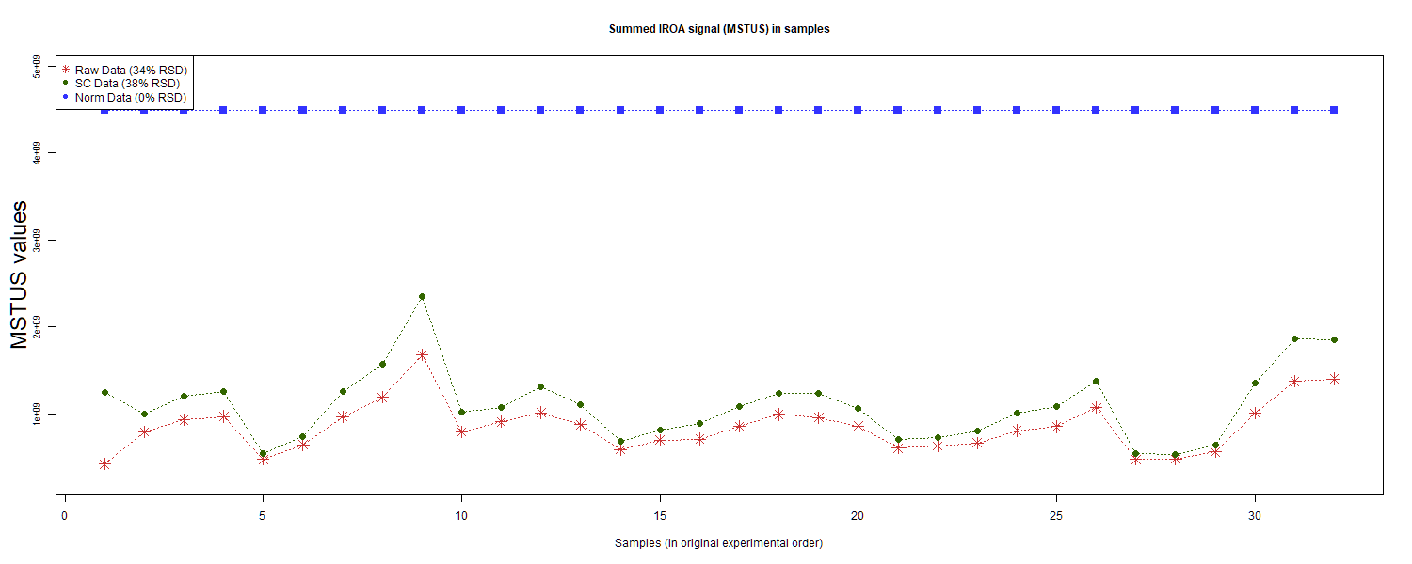
RS#009 | S0013 | GroupC | GroupC | 1.5 | 9 | S0009 | BaseNeg | GroupB | MSKCC_sample05_Neg.mzXML | 5
RS#010 | S0014 | GroupD | GroupD | 1 | 10 | S0009 | BasePos | GroupB | MSKCC_sample05_Pos.mzXML | 5
RS#011 | S0015 | GroupE | GroupE | 1 | 11 | S0010 | BaseNeg | GroupC | MSKCC_sample06_Neg.mzXML | 6
RS#012 | S0016 | GroupF | GroupF | 1 | 12 | S0010 | BasePos | GroupC | MSKCC_sample06_Pos.mzXML | 6
RS#013 | S0017 | GroupG | GroupG | 1 | 13 | S0011 | BaseNeg | GroupA | MSKCC_sample07_Neg.mzXML | 7
RS#014 | S0018 | GroupD | GroupD | 0.67 | 14 | S0011 | BasePos | GroupA | MSKCC_sample07_Pos.mzXML | 7
RS#015 | S0019 | GroupE | GroupE | 0.67 | 15 | S0012 | BaseNeg | GroupB | MSKCC_sample08_Neg.mzXML | 8
RS#016 | S0020 | GroupF | GroupF | 0.67 | 16 | S0012 | BasePos | GroupB | MSKCC_sample08_Pos.mzXML | 8
RS#017 | S0021 | GroupD | GroupD | 1 | 17 | S0013 | BaseNeg | GroupC | MSKCC_sample09_Neg.mzXML | 9
RS#018 | S0022 | GroupE | GroupE | 1 | 18 | S0013 | BasePos | GroupC | MSKCC_sample09_Pos.mzXML | 9
RS#019 | S0023 | GroupF | GroupF | 1 | 19 | S0014 | BaseNeg | GroupD | MSKCC_sample10_Neg.mzXML | 10
RS#020 | S0024 | GroupG | GroupG | 1 | 20 | S0014 | BasePos | GroupD | MSKCC_sample10_Pos.mzXML | 10
RS#021 | S0025 | GroupD | GroupD | 0.67 | 21 | S0015 | BaseNeg | GroupE | MSKCC_sample11_Neg.mzXML | 11
RS#022 | S0026 | GroupE | GroupE | 0.67 | 22 | S0015 | BasePos | GroupE | MSKCC_sample11_Pos.mzXML | 11
RS#023 | S0027 | GroupF | GroupF | 0.67 | 23 | S0016 | BaseNeg | GroupF | MSKCC_sample12_Neg.mzXML | 12 | This report was compiled on 2025-07-16 21:37:24.110917 Mode = Norm Based on file = data/RR Datasets/4297/Lab5-4297Fixed.tsv
RS#024 | S0028 | GroupA | GroupA | 1 | 24 | S0016 | BasePos | GroupF | MSKCC_sample12_Pos.mzXML | 12
RS#025 | S0029 | GroupB | GroupB | 1 | 25 | S0017 | BaseNeg | GroupG | MSKCC_sample13_Neg.mzXML | 13
RS#026 | S0030 | GroupC | GroupC | 1 | 26 | S0017 | BasePos | GroupG | MSKCC_sample13_Pos.mzXML | 13
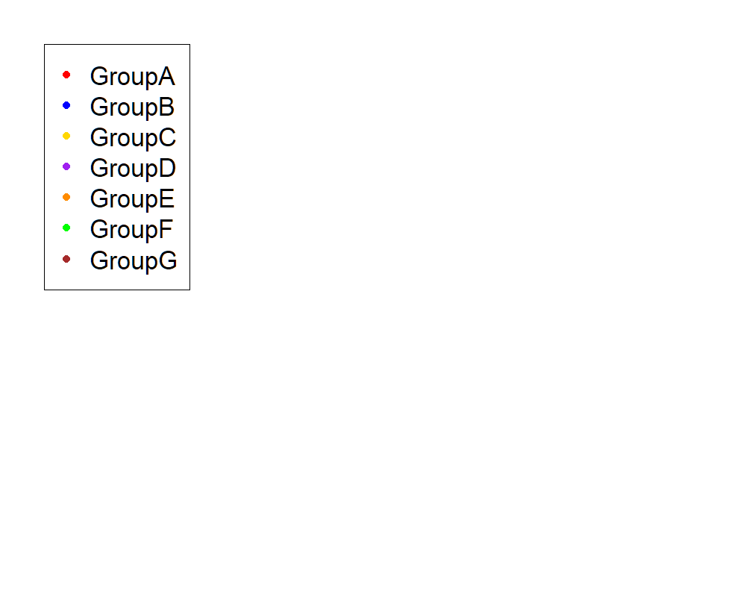
RS#027 | S0031 | GroupA | GroupA | 0.5 | 27 | S0018 | BaseNeg | GroupD | MSKCC_sample14_Neg.mzXML | 14
RS#028 | S0032 | GroupB | GroupB | 0.5 | 28 | S0018 | BasePos | GroupD | MSKCC_sample14_Pos.mzXML | 14
RS#029 | S0033 | GroupC | GroupC | 0.5 | 29 | S0019 | BaseNeg | GroupE | MSKCC_sample15_Neg.mzXML | 15
RS#030 | S0034 | GroupA | GroupA | 1.5 | 30 | S0019 | BasePos | GroupE | MSKCC_sample15_Pos.mzXML | 15
RS#031 | S0035 | GroupB | GroupB | 1.5 | 31 | S0020 | BaseNeg | GroupF | MSKCC_sample16_Neg.mzXML | 16
RS#032 | S0036 | GroupC | GroupC | 1.5 | 32 | S0020 | BasePos | GroupF | MSKCC_sample16_Pos.mzXML | 16
 |  |  |  |  |  | S0021 | BaseNeg | GroupD | MSKCC_sample17_Neg.mzXML | 17
These injections for each sample were examined |  |  |  |  |  | S0021 | BasePos | GroupD | MSKCC_sample17_Pos.mzXML | 17
 |  |  |  |  |  | S0022 | BaseNeg | GroupE | MSKCC_sample18_Neg.mzXML | 18
 |  |  |  |  |  | S0022 | BasePos | GroupE | MSKCC_sample18_Pos.mzXML | 18
 |  |  |  |  |  | S0023 | BaseNeg | GroupF | MSKCC_sample19_Neg.mzXML | 19
 |  |  |  |  |  | S0023 | BasePos | GroupF | MSKCC_sample19_Pos.mzXML | 19
 |  |  |  |  |  | S0024 | BaseNeg | GroupG | MSKCC_sample20_Neg.mzXML | 20
 |  |  |  |  |  | S0024 | BasePos | GroupG | MSKCC_sample20_Pos.mzXML | 20
 |  |  |  |  |  | S0025 | BaseNeg | GroupD | MSKCC_sample21_Neg.mzXML | 21
 |  |  |  |  |  | S0025 | BasePos | GroupD | MSKCC_sample21_Pos.mzXML | 21
 |  |  |  |  |  | S0026 | BaseNeg | GroupE | MSKCC_sample22_Neg.mzXML | 22
 |  |  |  |  |  | S0026 | BasePos | GroupE | MSKCC_sample22_Pos.mzXML | 22
 |  |  |  |  |  | S0027 | BaseNeg | GroupF | MSKCC_sample23_Neg.mzXML | 23
 |  |  |  |  |  | S0027 | BasePos | GroupF | MSKCC_sample23_Pos.mzXML | 23
 |  |  |  |  |  | S0028 | BaseNeg | GroupA | MSKCC_sample24_Neg.mzXML | 24
 |  |  |  |  |  | S0028 | BasePos | GroupA | MSKCC_sample24_Pos.mzXML | 24
 |  |  |  |  |  | S0029 | BaseNeg | GroupB | MSKCC_sample25_Neg.mzXML | 25
 |  |  |  |  |  | S0029 | BasePos | GroupB | MSKCC_sample25_Pos.mzXML | 25
 |  |  |  |  |  | S0030 | BaseNeg | GroupC | MSKCC_sample26_Neg.mzXML | 26
 |  |  |  |  |  | S0030 | BasePos | GroupC | MSKCC_sample26_Pos.mzXML | 26
 |  |  |  |  |  | S0031 | BaseNeg | GroupA | MSKCC_sample27_Neg.mzXML | 27
 |  |  |  |  |  | S0031 | BasePos | GroupA | MSKCC_sample27_Pos.mzXML | 27
 |  |  |  |  |  | S0032 | BaseNeg | GroupB | MSKCC_sample28_Neg.mzXML | 28
 |  |  |  |  |  | S0032 | BasePos | GroupB | MSKCC_sample28_Pos.mzXML | 28
 |  |  |  |  |  | S0033 | BaseNeg | GroupC | MSKCC_sample29_Neg.mzXML | 29
 |  |  |  |  |  | S0033 | BasePos | GroupC | MSKCC_sample29_Pos.mzXML | 29
 |  |  |  |  |  | S0034 | BaseNeg | GroupA | MSKCC_sample30_Neg.mzXML | 30
 |  |  |  |  |  | S0034 | BasePos | GroupA | MSKCC_sample30_Pos.mzXML | 30
 |  |  |  |  |  | S0035 | BaseNeg | GroupB | MSKCC_sample31_Neg.mzXML | 31
 |  |  |  |  |  | S0035 | BasePos | GroupB | MSKCC_sample31_Pos.mzXML | 31
 |  |  |  |  |  | S0036 | BaseNeg | GroupC | MSKCC_sample32_Neg.mzXML | 32
 |  |  |  |  |  | S0036 | BasePos | GroupC | MSKCC_sample32_Pos.mzXML | 32

Anova
This tab shows the results of a regression of all compounds by the experimental design. Recommend: sort by p value

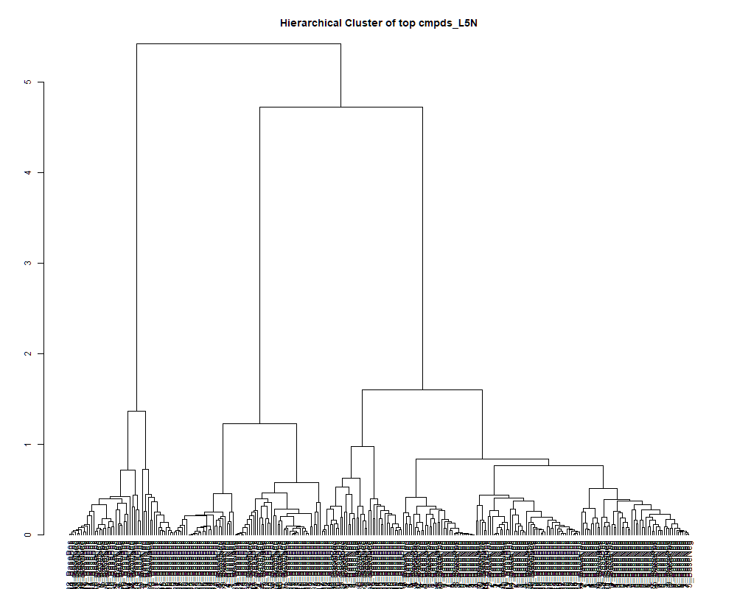
 | row.names | compounds | MF | p.value | F.value
 | LTRS_000001_BaseNeg | C6H16N2O9 (M-H) | C6H16N2O9 | 1.16E-09 | 26.345
 | LTRS_000001_BasePos | Spermidine (M+H) | C7H19N3 | 1.24E-03 | 5.276
 | LTRS_000002_BasePos | C13H29N3O5 (M+H) | C13H29N3O5 | 3.02E-01 | 1.280
 | LTRS_000003_BaseNeg | L-Lysine (M-H) | C6H14N2O2 | 2.35E-17 | 123.848
 | LTRS_000003_BasePos | L-Ornithine (M+H) | C5H12N2O2 | 3.46E-24 | 448.051
 | LTRS_000005_BaseNeg | C6H14N3NaO3P (M-H) | C6H14N3NaO3P | 9.29E-12 | 41.061
 | LTRS_000005_BasePos | L-Lysine (M+H -NH3 -CH2O2) | C6H14N2O2 | 1.84E-03 | 4.947
 | LTRS_000006_BaseNeg | C6H7N7Na2 (M-H) | C6H7N7Na2 | 5.80E-01 | 0.799
 | LTRS_000006_BasePos | L-Lysine (M+H) | C6H14N2O2 | 7.89E-08 | 17.389
 | LTRS_000007_BaseNeg | C6H14N5NaO3P (M-H) | C6H14N5NaO3P | 6.76E-02 | 2.286
 | LTRS_000007_BasePos | C6H13N2NaP (M+H) | C6H13N2NaP | 4.35E-01 | 1.020
 | LTRS_000008_BaseNeg | Gamma-glutamyl-L-putrescine (M-H) | C9H19N3O3 | 1.66E-09 | 25.459
 | LTRS_000008_BasePos | 2-((5-(hydroxyamino)furan-2-yl)methylene)hydrazinecarboxamide (M+H) | C6H8N4O3 | 2.98E-05 | 8.922
 | LTRS_000009_BasePos | N(epsilon, epsilon, epsilon)-trimethyllysine (M+H) | C9H20N2O2 | 2.86E-22 | 313.276
 | LTRS_000010_BaseNeg | 1-[(5-Amino-5-carboxypentyl)amino]-1-deoxyfructose (M-H) | C12H24N2O7 | 5.80E-02 | 2.390
 | LTRS_000010_BasePos | C6H8N6O3 (M+H) | C6H8N6O3 | 1.10E-01 | 1.961
 | LTRS_000011_BasePos | L-Arginine (M+Na) | C6H14N4O2 | 3.30E-04 | 6.458
 | LTRS_000012_BaseNeg | L-Arginine (M-H) | C6H14N4O2 | 7.05E-14 | 62.991
 | LTRS_000013_BaseNeg | C6H17KN3NaO2 (M-H) | C6H17KN3NaO2 | 6.45E-01 | 0.709
 | LTRS_000014_BaseNeg | D-Mannosamine (M-H) | C6H13NO5 | 6.12E-01 | 0.754
 | LTRS_000014_BasePos | 1-[(5-Amino-5-carboxypentyl)amino]-1-deoxyfructose (M+H) | C12H24N2O7 | 1.45E-01 | 1.774
 | LTRS_000015_BasePos | L-Arginine (M+H) | C6H14N4O2 | 4.19E-15 | 80.169
 | LTRS_000016_BaseNeg | L-Histidine (M-H) | C6H9N3O2 | 1.92E-04 | 6.971
 | LTRS_000017_BasePos | L-Histidine (M+H) | C6H9N3O2 | 8.06E-13 | 50.977
 | LTRS_000018_BaseNeg | C6H17N4O6P (M-H) | C6H17N4O6P | 7.66E-04 | 5.694
 | LTRS_000018_BasePos | Ala-Arg (M+H) | C9H19N5O3 | 5.61E-18 | 139.449
 | LTRS_000019_BaseNeg | 3-Ureidopropionate (M-H) | C4H8N2O3 | 5.92E-21 | 244.834
 | LTRS_000019_BasePos | Arg-Thr (M+H) | C10H21N5O4 | 9.67E-03 | 3.652
 | LTRS_000020_BasePos | Ala-Gly (M+H -CH2) | C5H10N2O3 | 1.40E-10 | 32.094
 | LTRS_000021_BasePos | Phosphorylcholine (M+) | [C5H15NO4P]+ | 1.31E-03 | 5.230
 | LTRS_000022_BaseNeg | C6H9N14O10P (M-H) | C6H9N14O10P | 7.83E-03 | 3.809
 | LTRS_000022_BasePos | L-Aspartate (M+H) | C4H7NO4 | 5.44E-19 | 169.067
 | LTRS_000023_BaseNeg | L-Aspartate (M-H) | C4H7NO4 | 1.74E-22 | 326.195
 | LTRS_000023_BasePos | Neurine (M+H) | C5H13NO | 2.45E-20 | 218.032
 | LTRS_000024_BaseNeg | 4-Phospho-D-Erythronohydroxamic Acid (M-H) | C4H10NO8P | 1.07E-05 | 10.116
 | LTRS_000024_BasePos | Ala-Gly (M+H) | C5H10N2O3 | 5.53E-25 | 519.564
 | LTRS_000025_BaseNeg | L-Glutamine (M-H) | C5H10N2O3 | 2.72E-02 | 2.908
 | LTRS_000025_BasePos | C6H18N4O7 (M+H) | C6H18N4O7 | 5.71E-01 | 0.811
 | LTRS_000026_BasePos | N2-Fructopyranosylarginine (M+H) | C12H24N4O7 | 1.25E-04 | 7.397
 | LTRS_000027_BasePos | L-Threonine (M+H) | C4H9NO3 | 3.30E-20 | 212.778
 | LTRS_000028_BaseNeg | Glycerylphosphorylethanolamine (M-H) | C5H14NO6P | 8.55E-01 | 0.425
 | LTRS_000028_BasePos | Glycerophosphocholine (M+H) | C8H20NO6P | 1.33E-39 | 7743.290
 | LTRS_000029_BaseNeg | N-(1-Deoxy-1-fructosyl)glycine (M-H) | C8H15NO7 | 1.07E-01 | 1.978
 | LTRS_000029_BasePos | C8H25N3O2P2 (M+H) | C8H25N3O2P2 | 1.31E-05 | 9.874
 | LTRS_000030_BasePos | N-Methylaspartate (M+H -CH2O2) | C5H9NO4 | 3.98E-13 | 54.223
 | LTRS_000031_BaseNeg | Ala-Ala-Ala (M+Cl) | C9H17N3O4 | 4.54E-01 | 0.989
 | LTRS_000031_BasePos | L-Glutamine (M+H -NH3) | C5H10N2O3 | 1.96E-28 | 985.081
 | LTRS_000032_BaseNeg | L-Homoserine (M-H) | C4H9NO3 | 3.41E-23 | 372.276
 | LTRS_000032_BasePos | C4H5NO (M+H) | C4H5NO | 2.58E-02 | 2.946
 | LTRS_000033_BasePos | N-Methylaspartate (M+H) | C5H9NO4 | 7.29E-04 | 5.737
 | LTRS_000034_BaseNeg | C5H12NO8P (M-H) | C5H12NO8P | 3.75E-14 | 66.504
 | LTRS_000034_BasePos | Dimethylglycine (M+H) | C4H9NO2 | 1.03E-25 | 595.253
 | LTRS_000035_BaseNeg | Saccharopine (M-H) | C11H20N2O6 | 2.18E-01 | 1.502
 | LTRS_000035_BasePos | cis-4-Hydroxy-proline (M+H -CH2O2) | C5H9NO3 | 4.80E-08 | 18.297
 | LTRS_000036_BaseNeg | C8H9N17O3P2 (M-H) | C8H9N17O3P2 | 9.40E-02 | 2.065
 | LTRS_000036_BasePos | Methionine sulfoxide (M+H) | C5H11NO3S | 4.39E-01 | 1.014
 | LTRS_000037_BaseNeg | D-Dulcitol (M+Cl) | C6H14O6 | 9.95E-08 | 16.979
 | LTRS_000037_BasePos | Muramic acid (M+H) | C9H17NO7 | 9.00E-01 | 0.355
 | LTRS_000040_BasePos | Glycerophosphocholine (M+K) | C8H20NO6P | 5.08E-23 | 360.473
 | LTRS_000041_BaseNeg | C9H20NO12P (M-H) | C9H20NO12P | 9.76E-02 | 2.040
 | LTRS_000041_BasePos | Glycerophosphocholine (M+Na) | C8H20NO6P | 2.36E-14 | 69.197
 | LTRS_000042_BaseNeg | C10H22N2O10P2 (M-H) | C10H22N2O10P2 | 5.71E-05 | 8.210
 | LTRS_000042_BasePos | Ala-Ser (M+H) | C6H12N2O4 | 2.73E-08 | 19.366
 | LTRS_000043_BaseNeg | C13H15N15Na (M-H) | C13H15N15Na | 1.04E-03 | 5.430
 | LTRS_000043_BasePos | N-(1-Deoxy-1-fructosyl)threonine (M+H) | C10H19NO8 | 2.83E-02 | 2.881
 | LTRS_000044_BaseNeg | 3-Aminoisobutanoate (M-H) | C4H9NO2 | 5.61E-13 | 52.621
 | LTRS_000044_BasePos | N-Acetylneuraminate (M+H) | C11H19NO9 | 8.54E-06 | 10.393
 | LTRS_000046_BasePos | D-1-[(3-Carboxypropyl)amino]-1-deoxyfructose (M+H) | C10H19NO7 | 3.61E-13 | 54.685
 | LTRS_000047_BasePos | Malonylcarnitine (M+H) | C10H17NO6 | 5.21E-05 | 8.307
 | LTRS_000048_BaseNeg | N-Acetylserine (M-H) | C5H9NO4 | 4.70E-17 | 116.904
 | LTRS_000048_BasePos | C12H30N8O13 (M+H) | C12H30N8O13 | 6.63E-01 | 0.685
 | LTRS_000049_BaseNeg | C8H9N14NaP (M-H) | C8H9N14NaP | 5.02E-18 | 140.748
 | LTRS_000050_BaseNeg | N-Acetylserine (2M-H) | C5H9NO4 | 6.73E-02 | 2.290
 | LTRS_000050_BasePos | C12H21N11O7 (M+H) | C12H21N11O7 | 8.02E-01 | 0.500
 | LTRS_000051_BasePos | Isomaltose (M+K) | C12H22O11 | 3.38E-04 | 6.433
 | LTRS_000052_BasePos | bis-D-fructose 2',1:2,1'-dianhydride (M+H) | C12H20O10 | 6.36E-04 | 5.857
 | LTRS_000053_BasePos | C12H18N16O3 (M+H) | C12H18N16O3 | 5.65E-01 | 0.820
 | LTRS_000054_BasePos | Isomaltose (M+Na) | C12H22O11 | 9.63E-04 | 5.494
 | LTRS_000055_BasePos | C5H18N7NaP (M+H) | C5H18N7NaP | 1.64E-01 | 1.694
 | LTRS_000058_BasePos | L-Proline (M+H) | C5H9NO2 | 2.44E-25 | 555.110
 | LTRS_000059_BaseNeg | Glycerophosphocholine (M+COOH) | C8H20NO6P | 2.07E-01 | 1.538
 | LTRS_000059_BasePos | L-Proline (M+H -CH2O2) | C5H9NO2 | 3.39E-07 | 14.931
 | LTRS_000060_BaseNeg | C6H9N14O3P (M-H) | C6H9N14O3P | 2.98E-05 | 8.921
 | LTRS_000061_BasePos | C12H33N5NaO12 (M+H) | C12H33N5NaO12 | 8.89E-01 | 0.374
 | LTRS_000062_BaseNeg | Galactonic acid (M-H) | C6H12O7 | 8.54E-04 | 5.598
 | LTRS_000062_BasePos | Ala-Thr (M+H) | C7H14N2O4 | 3.01E-11 | 36.944
 | LTRS_000063_BaseNeg | C7H18NO6P (M-H) | C7H18NO6P | 1.26E-03 | 5.267
 | LTRS_000063_BasePos | Lys-Pro (M+H) | C11H21N3O3 | 5.99E-09 | 22.503
 | LTRS_000064_BasePos | Glu-Thr (M+H) | C9H16N2O6 | 5.35E-06 | 10.982
 | LTRS_000065_BaseNeg | Ser-Thr (M-H) | C7H14N2O5 | 4.75E-08 | 18.314
 | LTRS_000065_BasePos | Glu-Ala (M+H) | C8H14N2O5 | 1.11E-02 | 3.553
 | LTRS_000066_BaseNeg | Muramic acid (M-H) | C9H17NO7 | 7.85E-01 | 0.524
 | LTRS_000066_BasePos | Asymmetric dimethylarginine (M+H) | C8H18N4O2 | 3.30E-01 | 1.219
 | LTRS_000068_BasePos | Arg-Val (M+H) | C11H23N5O3 | 1.53E-01 | 1.740
 | LTRS_000069_BasePos | L-Lysine (M+H -NH3 -CH2O2) | C6H14N2O2 | 6.87E-07 | 13.836
 | LTRS_000070_BaseNeg | C9H20NO11P (M-H) | C9H20NO11P | 6.00E-01 | 0.771
 | LTRS_000070_BasePos | His-Val (M+H) | C11H18N4O3 | 1.79E-02 | 3.207
 | LTRS_000071_BaseNeg | beta-Asp-Ala (M-H) | C7H12N2O5 | 1.97E-01 | 1.569
 | LTRS_000071_BasePos | L-Lysine (M+H) | C6H14N2O2 | 1.87E-06 | 12.384
 | LTRS_000072_BaseNeg | Erythronic acid (M-H) | C4H8O5 | 1.06E-16 | 109.251
 | LTRS_000072_BasePos | Lys-Val (M+H) | C11H23N3O3 | 3.80E-05 | 8.650
 | LTRS_000073_BasePos | L-Arginine (M+H) | C6H14N4O2 | 1.20E-12 | 49.224
 | LTRS_000074_BaseNeg | beta-Asp-Thr (M-H) | C8H14N2O6 | 2.44E-03 | 4.718
 | LTRS_000075_BaseNeg | Ala-Ser (M-H) | C6H12N2O4 | 8.05E-10 | 27.273
 | LTRS_000076_BaseNeg | N-(1-Deoxy-1-fructosyl)threonine (M-H) | C10H19NO8 | 5.24E-01 | 0.880
 | LTRS_000076_BasePos | sn-Glycero-3-phosphocholine (M+H) | C8H20NO6P | 1.25E-05 | 9.929
 | LTRS_000077_BaseNeg | myo-Inositol (M-H) | C6H12O6 | 1.35E-12 | 48.732
 | LTRS_000078_BasePos | N-Acetylthreonine (M+H) | C6H11NO4 | 2.36E-03 | 4.742
 | LTRS_000079_BaseNeg | C11H22NO13P (M-H) | C11H22NO13P | 6.70E-01 | 0.676
 | LTRS_000079_BasePos | Ser-Val (M+H) | C8H16N2O4 | 8.59E-10 | 27.108
 | LTRS_000080_BaseNeg | N-Acetylneuraminate (M-H) | C11H19NO9 | 1.66E-01 | 1.688
 | LTRS_000080_BasePos | C17H33NO13 (M+H) | C17H33NO13 | 4.72E-03 | 4.194
 | LTRS_000081_BasePos | L-Valine (M+H -CH2O2) | C5H11NO2 | 1.69E-07 | 16.068
 | LTRS_000082_BaseNeg | C12H23NO14 (M-H) | C12H23NO14 | 6.98E-01 | 0.639
 | LTRS_000082_BasePos | L-Valine (M+H) | C5H11NO2 | 5.96E-02 | 2.372
 | LTRS_000085_BaseNeg | C21H22N20NaO (M-H) | C21H22N20NaO | 4.90E-04 | 6.093
 | LTRS_000085_BasePos | Arg-Val (M+H) | C11H23N5O3 | 3.60E-11 | 36.348
 | LTRS_000086_BaseNeg | C11H26N10O12 (M-H) | C11H26N10O12 | 3.31E-01 | 1.215
 | LTRS_000086_BasePos | Ile-Lys (M+H) | C12H25N3O3 | 8.01E-10 | 27.285
 | LTRS_000087_BasePos | Gly-Pro (M+H) | C7H12N2O3 | 7.93E-05 | 7.863
 | LTRS_000089_BasePos | 3-Ureidopropionate (M+H) | C4H8N2O3 | 8.89E-01 | 0.374
 | LTRS_000090_BaseNeg | C12H28O19P2 (M-H) | C12H28O19P2 | 4.89E-01 | 0.934
 | LTRS_000090_BasePos | N2-Succinylornithine (M+H) | C9H16N2O5 | 1.96E-04 | 6.951
 | LTRS_000091_BaseNeg | C12H32N8O15 (M-H) | C12H32N8O15 | 9.02E-01 | 0.352
 | LTRS_000091_BasePos | Ala-hPro (M+H) | C8H14N2O4 | 1.08E-13 | 60.737
 | LTRS_000092_BaseNeg | C17H31NO15 (M-H) | C17H31NO15 | 2.64E-02 | 2.929
 | LTRS_000092_BasePos | Asn-Ile (M+H) | C10H19N3O4 | 2.83E-11 | 37.143
 | LTRS_000093_BasePos | Leu-Ser (M+H) | C9H18N2O4 | 1.09E-07 | 16.812
 | LTRS_000094_BasePos | Dimethylglycine (M+H) | C4H9NO2 | 4.84E-09 | 22.974
 | LTRS_000095_BasePos | D-1-[(3-Carboxypropyl)amino]-1-deoxyfructose (M+H) | C10H19NO7 | 3.81E-03 | 4.361
 | LTRS_000096_BasePos | L-Proline (M+H) | C5H9NO2 | 4.42E-04 | 6.186
 | LTRS_000097_BasePos | L-Methionine (M+H) | C5H11NO2S | 4.00E-03 | 4.324
 | LTRS_000099_BaseNeg | C12H25O15P (M-H) | C12H25O15P | 3.41E-03 | 4.450
 | LTRS_000099_BasePos | C5H14N3O5P (M+H) | C5H14N3O5P | 3.39E-01 | 1.199
 | LTRS_000100_BasePos | L-Methionine (M+H -CH2O2) | C5H11NO2S | 1.27E-01 | 1.864
 | LTRS_000101_BasePos | L-Methionine (M+H [34]S) | C5H11NO2S | 1.36E-01 | 1.820
 | LTRS_000102_BasePos | L-Methionine (M+H -NH3) | C5H11NO2S | 4.37E-02 | 2.582
 | LTRS_000103_BasePos | L-Valine (M+H) | C5H11NO2 | 8.80E-01 | 0.387
 | LTRS_000104_BaseNeg | C11H19ClN9P (M-H) | C11H19ClN9P | 6.35E-09 | 22.375
 | LTRS_000104_BasePos | 1-Aminocyclopropane-1-carboxylate (M+H) | C4H7NO2 | 2.89E-01 | 1.311
 | LTRS_000105_BasePos | L-Glutamate (M+H) | C5H9NO4 | 2.21E-01 | 1.492
 | LTRS_000106_BasePos | Nicotinate (M+H) | C6H5NO2 | 8.24E-01 | 0.470
 | LTRS_000107_BasePos | Adenosine monophosphate (M+H) | C10H14N5O7P | 7.85E-06 | 10.498
 | LTRS_000108_BasePos | N-(1-Deoxy-1-fructosyl)valine (M+H) | C11H21NO7 | 5.99E-03 | 4.011
 | LTRS_000109_BasePos | C13H26N4O4 (M+H) | C13H26N4O4 | 8.39E-01 | 0.448
 | LTRS_000110_BaseNeg | C12H12N13NaO8P (M-H) | C12H12N13NaO8P | 4.57E-03 | 4.219
 | LTRS_000110_BasePos | Nicotinamide (M+H) | C6H6N2O | 1.78E-13 | 58.136
 | LTRS_000111_BasePos | Arg-Ile (M+H) | C12H25N5O3 | 3.94E-03 | 4.335
 | LTRS_000112_BasePos | L-Methionine (M+H) | C5H11NO2S | 3.79E-01 | 1.120
 | LTRS_000113_BasePos | N(2)-Acetyllysine (M+H) | C8H16N2O3 | 2.23E-11 | 37.949
 | LTRS_000114_BasePos | C11H19N5O4 (M+H) | C11H19N5O4 | 6.23E-02 | 2.342
 | LTRS_000115_BasePos | bAsp-Leu (M+H) | C10H18N2O5 | 3.64E-21 | 254.737
 | LTRS_000116_BaseNeg | C11H22N10Na2O3 (M-H) | C11H22N10Na2O3 | 7.21E-02 | 2.243
 | LTRS_000116_BasePos | beta-Alanine (M+H) | C3H7NO2 | 9.85E-01 | 0.158
 | LTRS_000117_BaseNeg | C14H31NNaO15 (M-H) | C14H31NNaO15 | 4.94E-03 | 4.159
 | LTRS_000117_BasePos | L-Arginine (M+H) | C6H14N4O2 | 6.47E-01 | 0.707
 | LTRS_000118_BaseNeg | C11H38N18Na2O17 (M-H) | C11H38N18Na2O17 | 1.10E-01 | 1.962
 | LTRS_000118_BasePos | Hypoxanthine (M+H) | C5H4N4O | 8.35E-06 | 10.421
 | LTRS_000119_BasePos | L-Glutamate (M+H) | C5H9NO4 | 5.63E-01 | 0.823
 | LTRS_000120_BasePos | N2-Acetylornithine (M+H) | C7H14N2O3 | 8.56E-20 | 196.784
 | LTRS_000121_BasePos | Asn-Ile (M+H) | C10H19N3O4 | 3.02E-19 | 177.469
 | LTRS_000122_BaseNeg | Isomaltose (M-H) | C12H22O11 | 8.33E-09 | 21.787
 | LTRS_000122_BasePos | Ala-Pro (M+H) | C8H14N2O3 | 1.54E-17 | 128.258
 | LTRS_000123_BasePos | 5-Oxoproline (M+H) | C5H7NO3 | 2.66E-26 | 663.552
 | LTRS_000124_BaseNeg | C10H39N17Na2O18 (M-H) | C10H39N17Na2O18 | 6.53E-02 | 2.310
 | LTRS_000124_BasePos | 5-Oxoproline (2M+H) | C5H7NO3 | 9.00E-02 | 2.094
 | LTRS_000125_BasePos | C4H5NO (M+H) | C4H5NO | 5.67E-26 | 624.361
 | LTRS_000127_BasePos | C15H30N4O5 (M+H) | C15H30N4O5 | 9.18E-01 | 0.324
 | LTRS_000128_BasePos | (2R,3R,4R)-2-Amino-4-hydroxy-3-methylpentanoic acid (M+H) | C6H13NO3 | 6.57E-13 | 51.900
 | LTRS_000129_BasePos | Lys-Tyr (M+H) | C15H23N3O4 | 7.91E-01 | 0.515
 | LTRS_000130_BaseNeg | C11H21N7Na2O10 (M-H) | C11H21N7Na2O10 | 6.74E-01 | 0.671
 | LTRS_000130_BasePos | Ala-Pro (M+H) | C8H14N2O3 | 1.50E-04 | 7.218
 | LTRS_000131_BasePos | Ophthalmic acid (M+H) | C11H19N3O6 | 1.16E-19 | 191.903
 | LTRS_000132_BasePos | 7-Methylguanine (M+H) | C6H7N5O | 5.64E-05 | 8.223
 | LTRS_000133_BaseNeg | C12H25O17P (M-H) | C12H25O17P | 4.74E-01 | 0.956
 | LTRS_000134_BasePos | L-Lysine (M+H -NH3 -CH2O2) | C6H14N2O2 | 8.91E-01 | 0.370
 | LTRS_000135_BasePos | L-lysinamide (M+H) | C6H15N3O | 9.89E-04 | 5.471
 | LTRS_000136_BaseNeg | C11H42N18O23 (M-H) | C11H42N18O23 | 1.66E-01 | 1.686
 | LTRS_000137_BasePos | Ser-Val (M+H) | C8H16N2O4 | 1.49E-08 | 20.572
 | LTRS_000138_BasePos | His-Ile (M+H) | C12H20N4O3 | 4.81E-01 | 0.945
 | LTRS_000139_BaseNeg | N-Carbamoylsarcosine (3M-3H+2Na) | C4H8N2O3 | 9.09E-01 | 0.339
 | LTRS_000139_BasePos | Succinate (M+H -H2O) | C4H6O4 | 3.98E-28 | 930.808
 | LTRS_000140_BasePos | C4H10NOP3S (M+H) | C4H10NOP3S | 1.06E-04 | 7.568
 | LTRS_000141_BasePos | Xanthine (M+H) | C5H4N4O2 | 3.94E-02 | 2.653
 | LTRS_000142_BasePos | Laninamivir (M+H) | C13H22N4O7 | 1.34E-02 | 3.413
 | LTRS_000143_BasePos | Leu-Ser (M+H) | C9H18N2O4 | 8.57E-04 | 5.595
 | LTRS_000144_BasePos | Asn-Val (M+H) | C9H17N3O4 | 9.12E-01 | 0.335
 | LTRS_000145_BasePos | N(2)-Acetyllysine (M+H) | C8H16N2O3 | 1.43E-10 | 32.050
 | LTRS_000146_BaseNeg | Glyceric acid (M-H) | C3H6O4 | 1.46E-14 | 72.088
 | LTRS_000146_BasePos | Pro-Thr (M+H) | C9H16N2O4 | 2.74E-17 | 122.286
 | LTRS_000147_BaseNeg | D-1-[(3-Carboxypropyl)amino]-1-deoxyfructose (M-H) | C10H19NO7 | 5.80E-01 | 0.799
 | LTRS_000147_BasePos | Kyotorphin (M+H) | C15H23N5O4 | 1.61E-01 | 1.707
 | LTRS_000149_BaseNeg | Ala-Thr (M-H) | C7H14N2O4 | 2.65E-11 | 37.364
 | LTRS_000149_BasePos | L-Lysine (M+H -NH3 -CH2O2) | C6H14N2O2 | 7.38E-01 | 0.587
 | LTRS_000151_BaseNeg | C20H43N7O22 (M-H) | C20H43N7O22 | 6.46E-01 | 0.708
 | LTRS_000152_BasePos | L-lysinamide (M+H) | C6H15N3O | 4.38E-01 | 1.016
 | LTRS_000153_BaseNeg | C16H25N4O19P (M-H) | C16H25N4O19P | 1.86E-05 | 9.459
 | LTRS_000153_BasePos | Ile-Lys (M+H) | C12H25N3O3 | 1.75E-04 | 7.064
 | LTRS_000154_BaseNeg | Uridine-5'-diphospho-N-acetylglucosamine (M-H) | C17H27N3O17P2 | 1.15E-10 | 32.689
 | LTRS_000154_BasePos | cyclopentene (M+H) | C5H8 | 8.40E-03 | 3.757
 | LTRS_000155_BasePos | C6H17N3Na2O2 (M+H) | C6H17N3Na2O2 | 5.59E-02 | 2.414
 | LTRS_000156_BasePos | L-Isoleucine (M+H -CH2O2) | C6H13NO2 | 4.26E-09 | 23.257
 | LTRS_000157_BaseNeg | 5-Hydroxymethyl-4-methyluracil (M-H) | C6H8N2O3 | 2.48E-02 | 2.974
 | LTRS_000157_BasePos | L-Isoleucine (M+H) | C6H13NO2 | 2.79E-04 | 6.615
 | LTRS_000158_BaseNeg | Glu-Thr (M-H) | C9H16N2O6 | 3.64E-03 | 4.397
 | LTRS_000160_BasePos | L-Tyrosine (M+H -CH2O2) | C9H11NO3 | 5.85E-15 | 77.931
 | LTRS_000161_BaseNeg | Glu-Ala (M-H) | C8H14N2O5 | 2.42E-09 | 24.564
 | LTRS_000161_BasePos | L-Tyrosine (M+H) | C9H11NO3 | 3.79E-18 | 144.059
 | LTRS_000162_BaseNeg | C9H19N7NaP2 (M-H) | C9H19N7NaP2 | 8.59E-01 | 0.420
 | LTRS_000162_BasePos | L-Tyrosine (M+H -NH3) | C9H11NO3 | 4.05E-17 | 118.348
 | LTRS_000163_BaseNeg | C12H22O18 (M-H) | C12H22O18 | 1.17E-01 | 1.917
 | LTRS_000163_BasePos | N2-Acetylornithine (M+H) | C7H14N2O3 | 1.24E-09 | 26.172
 | LTRS_000164_BasePos | Adenosine monophosphate (M+H) | C10H14N5O7P | 2.18E-03 | 4.806
 | LTRS_000165_BasePos | Asn-Ile (M+H) | C10H19N3O4 | 1.64E-09 | 25.494
 | LTRS_000167_BasePos | gamma-L-Glutamyl-L-pipecolic acid (M+H) | C11H18N2O5 | 4.74E-02 | 2.526
 | LTRS_000168_BasePos | Asn-Val (M+H) | C9H17N3O4 | 7.37E-01 | 0.588
 | LTRS_000169_BasePos | bAsp-Leu (M+H) | C10H18N2O5 | 1.43E-12 | 48.484
 | LTRS_000170_BasePos | Leu-Ser (M+H) | C9H18N2O4 | 1.77E-08 | 20.230
 | LTRS_000171_BaseNeg | C10H25N3O12P2 (M-H) | C10H25N3O12P2 | 9.71E-02 | 2.044
 | LTRS_000171_BasePos | L-arginine amide (M+H) | C6H15N5O | 8.41E-01 | 0.446
 | LTRS_000172_BaseNeg | Malate (M-H) | C4H6O5 | 8.05E-03 | 3.788
 | LTRS_000172_BasePos | Arg-Ile (M+H) | C12H25N5O3 | 4.85E-01 | 0.939
 | LTRS_000173_BaseNeg | Cytidine 2',3'-cyclic phosphate (M-H) | C9H12N3O7P | 1.59E-05 | 9.644
 | LTRS_000173_BasePos | beta-Leucine (2M+H) | C6H13NO2 | 1.18E-01 | 1.913
 | LTRS_000174_BaseNeg | Glycerophosphocholine (M+COOH) | C8H20NO6P | 7.36E-02 | 2.229
 | LTRS_000174_BasePos | beta-Leucine (M+H) | C6H13NO2 | 2.07E-11 | 38.203
 | LTRS_000176_BasePos | L-Tyrosine (M+H) | C9H11NO3 | 2.36E-06 | 12.064
 | LTRS_000177_BaseNeg | L-Aspartate (M-H) | C4H7NO4 | 2.00E-13 | 57.569
 | LTRS_000177_BasePos | L-Isoleucine (M+H -CH2O2) | C6H13NO2 | 3.32E-01 | 1.213
 | LTRS_000179_BaseNeg | C9H29N3O17 (M-H) | C9H29N3O17 | 4.35E-01 | 1.020
 | LTRS_000179_BasePos | GMP (M+H) | C10H14N5O8P | 1.39E-03 | 5.179
 | LTRS_000180_BasePos | Spermic acid 2 (M+H) | C10H20N2O4 | 1.44E-11 | 39.476
 | LTRS_000181_BaseNeg | C9H9N8O4P (M-H) | C9H9N8O4P | 8.26E-03 | 3.769
 | LTRS_000181_BasePos | (3s,8ar)-3-(1h-Imidazol-5-Ylmethyl)Hexahydropyrrolo[1,2-a]Pyrazine-1,4-Dione (M+H) | C11H14N4O2 | 1.30E-14 | 72.807
 | LTRS_000182_BaseNeg | C20H38N2O15 (M-H) | C20H38N2O15 | 6.09E-01 | 0.759
 | LTRS_000182_BasePos | Gln-lle (M+H) | C11H21N3O4 | 2.12E-06 | 12.215
 | LTRS_000183_BaseNeg | C13H16N14O5 (M-H) | C13H16N14O5 | 6.69E-01 | 0.677
 | LTRS_000183_BasePos | bAsp-Leu (M+H) | C10H18N2O5 | 2.31E-15 | 84.325
 | LTRS_000184_BasePos | N-(1-Deoxy-1-fructosyl)tyrosine (M+H) | C15H21NO8 | 4.73E-02 | 2.529
 | LTRS_000185_BaseNeg | myo-Inositol (M-H) | C6H12O6 | 1.29E-01 | 1.856
 | LTRS_000185_BasePos | 3',5'-Cyclic AMP (M+H) | C10H12N5O6P | 7.05E-01 | 0.630
 | LTRS_000186_BaseNeg | Ser-Val (M-H) | C8H16N2O4 | 4.00E-11 | 36.002
 | LTRS_000186_BasePos | Arg-Ile (M+H) | C12H25N5O3 | 9.60E-01 | 0.238
 | LTRS_000188_BaseNeg | C9H16N2O13P2 (M-H) | C9H16N2O13P2 | 1.12E-02 | 3.542
 | LTRS_000188_BasePos | L-Isoleucine (M+H) | C6H13NO2 | 1.49E-01 | 1.758
 | LTRS_000189_BasePos | N-(1-Deoxy-1-fructosyl)tyrosine (M+H) | C15H21NO8 | 1.76E-01 | 1.647
 | LTRS_000190_BasePos | Gln-lle (M+H) | C11H21N3O4 | 3.79E-10 | 29.273
 | LTRS_000191_BaseNeg | C16H34N2Na2O10 (M-H) | C16H34N2Na2O10 | 6.71E-02 | 2.292
 | LTRS_000191_BasePos | L-Tyrosine (M+H) | C9H11NO3 | 2.24E-05 | 9.243
 | LTRS_000192_BaseNeg | L-Glutamate (M-H) | C5H9NO4 | 1.97E-09 | 25.056
 | LTRS_000192_BasePos | Dethiobiotin (M+H) | C10H18N2O3 | 5.34E-13 | 52.844
 | LTRS_000193_BaseNeg | Betaine (M-H) | C5H11NO2 | 4.07E-13 | 54.109
 | LTRS_000193_BasePos | C12H24O7 (M+H) | C12H24O7 | 9.57E-01 | 0.246
 | LTRS_000194_BaseNeg | Uridine 5'-monophosphate (M-H) | C9H13N2O9P | 1.18E-18 | 158.583
 | LTRS_000194_BasePos | L-Isoleucine (M+H -CH2O2) | C6H13NO2 | 4.93E-01 | 0.927
 | LTRS_000195_BaseNeg | C16H41O7PS (M-H) | C16H41O7PS | 1.76E-01 | 1.648
 | LTRS_000195_BasePos | Spermic acid 2 (M+H) | C10H20N2O4 | 4.13E-13 | 54.046
 | LTRS_000196_BasePos | N5-Acetyl-N2-gamma-L-glutamyl-L-ornithine (M+H) | C12H21N3O6 | 6.02E-01 | 0.768
 | LTRS_000197_BasePos | 1,4-dihydroxy-4a,5,6,7,8,8a-hexahydroquinoxaline-2,3-dione (M+H) | C8H12N2O4 | 9.79E-06 | 10.226
 | LTRS_000198_BasePos | Neuromedin B (1-3) (M+H) | C12H22N4O5 | 7.90E-06 | 10.490
 | LTRS_000199_BaseNeg | Arg-Val (M-H) | C11H23N5O3 | 3.23E-08 | 19.042
 | LTRS_000199_BasePos | N-Acetylalanine (2M+2Na -H) | C5H9NO3 | 1.44E-12 | 48.438
 | LTRS_000200_BaseNeg | D-1-[(3-Carboxypropyl)amino]-1-deoxyfructose (M-H) | C10H19NO7 | 1.67E-02 | 3.256
 | LTRS_000201_BaseNeg | Ile-Lys (M-H) | C12H25N3O3 | 2.14E-11 | 38.098
 | LTRS_000201_BasePos | C12H24O7 (M+H) | C12H24O7 | 8.38E-01 | 0.450
 | LTRS_000202_BaseNeg | Adenosine 3',5'-diphosphate (M-H) | C10H15N5O10P2 | 1.39E-01 | 1.803
 | LTRS_000202_BasePos | N-(1-Deoxy-1-fructosyl)leucine (M+H) | C12H23NO7 | 7.21E-03 | 3.871
 | LTRS_000203_BaseNeg | L-Rhamnose (M-H) | C6H12O5 | 8.63E-01 | 0.414
 | LTRS_000203_BasePos | N-(1-Deoxy-1-fructosyl)leucine (M+H) | C12H23NO7 | 6.71E-04 | 5.811
 | LTRS_000204_BaseNeg | Val-Asp (M-H) | C9H16N2O5 | 1.61E-06 | 12.599
 | LTRS_000204_BasePos | Barbital (M+H) | C8H12N2O3 | 8.37E-05 | 7.807
 | LTRS_000205_BaseNeg | Glu-Ala (M-H) | C8H14N2O5 | 7.78E-05 | 7.884
 | LTRS_000205_BasePos | gGlu-Ile (M+H) | C11H20N2O5 | 3.79E-16 | 98.179
 | LTRS_000206_BaseNeg | Cytidine (M-H) | C9H13N3O5 | 6.15E-01 | 0.750
 | LTRS_000206_BasePos | S-(5'-Adenosyl)-homocysteine (M+H) | C14H20N6O5S | 1.76E-13 | 58.201
 | LTRS_000207_BasePos | L-Isoleucine (M+H -CH2O2) | C6H13NO2 | 1.25E-02 | 3.466
 | LTRS_000208_BaseNeg | C11H13N11Na2O6 (M-H) | C11H13N11Na2O6 | 2.65E-01 | 1.369
 | LTRS_000208_BasePos | Zalcitabine (M+H) | C9H13N3O3 | 4.37E-10 | 28.881
 | LTRS_000209_BaseNeg | Glyceric acid (M-H) | C3H6O4 | 1.01E-01 | 2.016
 | LTRS_000210_BaseNeg | Asn-Ile (M-H) | C10H19N3O4 | 4.74E-01 | 0.956
 | LTRS_000210_BasePos | Ala-Leu (M+H) | C9H18N2O3 | 4.28E-15 | 80.031
 | LTRS_000211_BaseNeg | C11H35N4O15P (M-H) | C11H35N4O15P | 3.53E-01 | 1.171
 | LTRS_000211_BasePos | Gly-Tyr (M+H) | C11H14N2O4 | 3.34E-02 | 2.766
 | LTRS_000212_BaseNeg | C14H21N13P2 (M-H) | C14H21N13P2 | 8.83E-01 | 0.383
 | LTRS_000212_BasePos | His-phe (M+H) | C15H18N4O3 | 2.86E-11 | 37.110
 | LTRS_000213_BasePos | epsilon-gamma-Glu-Lys (M+H) | C11H21N3O5 | 4.40E-11 | 35.693
 | LTRS_000214_BaseNeg | C12H31N9O13 (M-H) | C12H31N9O13 | 7.44E-01 | 0.578
 | LTRS_000214_BasePos | C14H24N6O5 (M+H) | C14H24N6O5 | 3.32E-01 | 1.215
 | LTRS_000215_BaseNeg | C14H15N15NaO (M-H) | C14H15N15NaO | 8.02E-01 | 0.500
 | LTRS_000215_BasePos | Lys-Phe (M+H) | C15H23N3O3 | 9.08E-01 | 0.341
 | LTRS_000216_BaseNeg | C8H24N10O11 (M-H) | C8H24N10O11 | 6.35E-01 | 0.723
 | LTRS_000216_BasePos | L-Phenylalanine (M+H -CH2O2) | C9H11NO2 | 4.26E-01 | 1.036
 | LTRS_000217_BaseNeg | Aminoadipic acid (M-H) | C6H11NO4 | 5.27E-01 | 0.875
 | LTRS_000218_BaseNeg | Leu-Ser (M-H) | C9H18N2O4 | 1.08E-07 | 16.842
 | LTRS_000219_BaseNeg | Uracil (M-H) | C4H4N2O2 | 3.94E-05 | 8.610
 | LTRS_000219_BasePos | L-Lysine (M+H -NH3 -CH2O2) | C6H14N2O2 | 8.44E-01 | 0.441
 | LTRS_000220_BaseNeg | Malate (M-H) | C4H6O5 | 5.82E-06 | 10.875
 | LTRS_000221_BasePos | C11H19N3O2 (M+H) | C11H19N3O2 | 4.97E-01 | 0.920
 | LTRS_000224_BaseNeg | Cytidine monophosphate (M-H) | C9H14N3O8P | 6.56E-08 | 17.724
 | LTRS_000224_BasePos | gGlu-Ile (M+H) | C11H20N2O5 | 8.50E-17 | 111.269
 | LTRS_000225_BasePos | Adenosine monophosphate (M+H) | C10H14N5O7P | 1.51E-06 | 12.682
 | LTRS_000226_BaseNeg | C14H21N16O3P (M-H) | C14H21N16O3P | 4.33E-02 | 2.589
 | LTRS_000226_BasePos | Adenosine (M+H -ribosyl) | C10H13N5O4 | 7.03E-04 | 5.770
 | LTRS_000228_BasePos | Adenosine (M+H) | C10H13N5O4 | 1.12E-05 | 10.063
 | LTRS_000229_BaseNeg | L-Methionine (M-H) | C5H11NO2S | 5.75E-03 | 4.043
 | LTRS_000229_BasePos | Voglibose (M+H) | C10H21NO7 | 9.31E-01 | 0.300
 | LTRS_000230_BasePos | N(2)-Acetyllysine (M+H) | C8H16N2O3 | 2.56E-11 | 37.482
 | LTRS_000231_BasePos | L-Isoleucine (M+H -CH2O2) | C6H13NO2 | 1.14E-04 | 7.488
 | LTRS_000232_BasePos | Leu-Ala-Ser (M+H) | C12H23N3O5 | 9.04E-01 | 0.349
 | LTRS_000233_BasePos | (S)-5'-Deoxy-5'-(methylsulfinyl)adenosine (M+H) | C11H15N5O4S | 1.03E-07 | 16.924
 | LTRS_000234_BaseNeg | C12H21N8O5P (M-H) | C12H21N8O5P | 9.75E-04 | 5.484
 | LTRS_000234_BasePos | Ala-Leu (M+H) | C9H18N2O3 | 1.11E-07 | 16.792
 | LTRS_000235_BaseNeg | N(3)-(4-methoxyfumaroyl)-2,3-diaminopropionic acid (M-H) | C8H12N2O5 | 6.57E-02 | 2.305
 | LTRS_000236_BaseNeg | beta-Asp-Glu (M-H) | C9H14N2O7 | 4.55E-03 | 4.224
 | LTRS_000236_BasePos | C10H28N5O8P (M+H) | C10H28N5O8P | 5.67E-01 | 0.817
 | LTRS_000237_BaseNeg | N-(1-Deoxy-1-fructosyl)valine (M-H) | C11H21NO7 | 5.64E-01 | 0.821
 | LTRS_000237_BasePos | Asn-Tyr (M+H) | C13H17N3O5 | 1.78E-13 | 58.151
 | LTRS_000238_BasePos | Gly-Tyr (M+H) | C11H14N2O4 | 8.24E-01 | 0.470
 | LTRS_000239_BaseNeg | Adenosine monophosphate (M-H) | C10H14N5O7P | 1.04E-07 | 16.899
 | LTRS_000239_BasePos | Ser-Phe (M+H) | C12H16N2O4 | 2.17E-12 | 46.720
 | LTRS_000240_BaseNeg | Citramalate (M-H) | C5H8O5 | 3.91E-11 | 36.078
 | LTRS_000240_BasePos | C12H23N3O4 (M+H) | C12H23N3O4 | 6.62E-01 | 0.687
 | LTRS_000241_BaseNeg | C12H25O15P (M-H) | C12H25O15P | 7.14E-06 | 10.617
 | LTRS_000241_BasePos | Inosine (M+H) | C10H12N4O5 | 8.90E-15 | 75.200
 | LTRS_000242_BaseNeg | C15H28O14 (M-H) | C15H28O14 | 7.96E-01 | 0.509
 | LTRS_000242_BasePos | Guanosine (M+H) | C10H13N5O5 | 2.15E-22 | 320.610
 | LTRS_000244_BaseNeg | Uridine 2',3'-cyclic phosphate (M-H) | C9H11N2O8P | 9.67E-01 | 0.220
 | LTRS_000244_BasePos | Guanosine (M+H -ribosyl) | C10H13N5O5 | 3.98E-01 | 1.085
 | LTRS_000245_BaseNeg | C12H23NO14 (M-H) | C12H23NO14 | 4.91E-02 | 2.503
 | LTRS_000245_BasePos | C7H21N8OP (M+H) | C7H21N8OP | 7.87E-01 | 0.521
 | LTRS_000246_BasePos | Hypoxanthine (M+H) | C5H4N4O | 5.35E-01 | 0.864
 | LTRS_000247_BaseNeg | C12H24N5NaO6P (M-H) | C12H24N5NaO6P | 2.81E-03 | 4.602
 | LTRS_000247_BasePos | GMP (M+H) | C10H14N5O8P | 3.36E-02 | 2.764
 | LTRS_000248_BaseNeg | N6-Acetyl-L-lysine (M-H) | C8H16N2O3 | 2.80E-05 | 8.990
 | LTRS_000248_BasePos | N5-Acetyl-N2-gamma-L-glutamyl-L-ornithine (M+H) | C12H21N3O6 | 2.29E-03 | 4.767
 | LTRS_000249_BaseNeg | C11H19N5O4 (M-H) | C11H19N5O4 | 8.03E-01 | 0.499
 | LTRS_000250_BasePos | 5-amino-1-benzoylimidazole-4-carbonitrile (M+H) | C11H8N4O | 7.09E-01 | 0.625
 | LTRS_000251_BaseNeg | L-b-Aspartyl-L-leucine (M-H) | C10H18N2O5 | 9.82E-10 | 26.765
 | LTRS_000251_BasePos | C14H24N4O7 (M+H) | C14H24N4O7 | 4.77E-02 | 2.522
 | LTRS_000252_BasePos | N(2)-Acetyllysine (M+H) | C8H16N2O3 | 1.02E-07 | 16.943
 | LTRS_000253_BasePos | Leu-Thr-Ser (M+H) | C13H25N3O6 | 6.28E-01 | 0.733
 | LTRS_000254_BasePos | (3S)-3-[(2S)-2-amino-3-hydroxybutyl]pyrrolidin-2-one (M+H) | C8H16N2O2 | 9.51E-01 | 0.258
 | LTRS_000255_BaseNeg | L-Methionine (M-H) | C5H11NO2S | 1.72E-01 | 1.664
 | LTRS_000255_BasePos | 2-(dimethylamino)-N-[(2S,3R,6S)-2-(hydroxymethyl)-6-[2-[[oxo-(propan-2-ylamino)methyl]amino]ethyl]-3-oxanyl]acetamide (M+H) | C16H32N4O4 | 3.29E-01 | 1.221
 | LTRS_000256_BaseNeg | 2,3-Dihydroxyvaleric acid (M-H) | C5H10O4 | 4.29E-02 | 2.595
 | LTRS_000256_BasePos | C17H29N5O6 (M+H) | C17H29N5O6 | 9.39E-02 | 2.066
 | LTRS_000257_BaseNeg | C12H32N7O11P (M-H) | C12H32N7O11P | 2.10E-01 | 1.527
 | LTRS_000257_BasePos | L-Isoleucine (M+H) | C6H13NO2 | 9.61E-01 | 0.235
 | LTRS_000258_BaseNeg | 5-Methylcytidine (M-H) | C10H15N3O5 | 1.03E-03 | 5.435
 | LTRS_000258_BasePos | N-[1,3-dimethyl-2-oxo-5-[[oxo(propoxy)methyl]amino]-4-imidazolidinyl]carbamic acid propyl ester (M+H) | C13H24N4O5 | 9.18E-01 | 0.324
 | LTRS_000259_BaseNeg | L-Glutamate (M-H) | C5H9NO4 | 1.08E-04 | 7.546
 | LTRS_000259_BasePos | alpha-Hydroxyhippurate (M+NH4) | C9H9NO4 | 9.39E-01 | 0.283
 | LTRS_000260_BaseNeg | N2-acetyl-Ornithine (M-H) | C7H14N2O3 | 5.38E-16 | 95.335
 | LTRS_000260_BasePos | Adenosine (M+H) | C10H13N5O4 | 6.99E-03 | 3.894
 | LTRS_000261_BaseNeg | Uridine 5'-monophosphate (M-H) | C9H13N2O9P | 8.62E-12 | 41.338
 | LTRS_000262_BaseNeg | Uridine (M-H) | C9H12N2O6 | 4.25E-02 | 2.601
 | LTRS_000263_BasePos | Val-Val (M+H) | C10H20N2O3 | 6.87E-27 | 740.099
 | LTRS_000264_BaseNeg | Asn-Ile (M-H) | C10H19N3O4 | 7.35E-04 | 5.730
 | LTRS_000265_BasePos | C14H25N3O6 (M+H) | C14H25N3O6 | 1.29E-04 | 7.363
 | LTRS_000266_BaseNeg | C12H29N8O10P (M-H) | C12H29N8O10P | 8.26E-01 | 0.468
 | LTRS_000266_BasePos | Thr-Tyr (M+H) | C13H18N2O5 | 1.11E-14 | 73.794
 | LTRS_000267_BaseNeg | C8H11N3O11 (M-H) | C8H11N3O11 | 1.72E-04 | 7.083
 | LTRS_000267_BasePos | Glu-Ile-Ser (M+H) | C14H25N3O7 | 3.86E-04 | 6.311
 | LTRS_000269_BaseNeg | 5-Oxoproline (2M-H) | C5H7NO3 | 5.91E-06 | 10.855
 | LTRS_000269_BasePos | Leu-Ser (M+H) | C9H18N2O4 | 1.55E-23 | 396.888
 | LTRS_000270_BaseNeg | 5-Oxoproline (M-H) | C5H7NO3 | 1.05E-18 | 160.159
 | LTRS_000270_BasePos | N5-Acetyl-N2-gamma-L-glutamyl-L-ornithine (M+H) | C12H21N3O6 | 5.74E-02 | 2.397
 | LTRS_000272_BaseNeg | C11H24N10O11 (M-H) | C11H24N10O11 | 9.04E-02 | 2.092
 | LTRS_000272_BasePos | C10H20N4O3 (M+H) | C10H20N4O3 | 9.24E-01 | 0.313
 | LTRS_000273_BaseNeg | C14H24N11O6P (M-H) | C14H24N11O6P | 9.60E-01 | 0.238
 | LTRS_000273_BasePos | Arg-Phe (M+H) | C15H23N5O3 | 2.62E-01 | 1.379
 | LTRS_000274_BaseNeg | D-Glucono-1,5-lactone (M-H) | C6H10O6 | 4.15E-01 | 1.054
 | LTRS_000275_BasePos | L-Phenylalanine (2M+H) | C9H11NO2 | 5.73E-01 | 0.809
 | LTRS_000276_BaseNeg | Aminoadipic acid (M-H) | C6H11NO4 | 3.15E-09 | 23.951
 | LTRS_000276_BasePos | L-Phenylalanine (M+H) | C9H11NO2 | 1.52E-02 | 3.322
 | LTRS_000277_BasePos | L-Phenylalanine (M+H -NH3) | C9H11NO2 | 5.17E-01 | 0.890
 | LTRS_000278_BaseNeg | Lys-Tyr (M-H) | C15H23N3O4 | 3.31E-01 | 1.215
 | LTRS_000278_BasePos | L-Phenylalanine (M+H -NH3 -H20) | C9H11NO2 | 7.77E-01 | 0.534
 | LTRS_000279_BaseNeg | Isomaltose (M-H + HCOOH) | C12H22O11 | 6.69E-01 | 0.677
 | LTRS_000279_BasePos | L-Phenylalanine (M+H -CH2O2) | C9H11NO2 | 7.54E-02 | 2.213
 | LTRS_000280_BaseNeg | C11H21N9O3P2 (M-H) | C11H21N9O3P2 | 1.32E-01 | 1.839
 | LTRS_000280_BasePos | L-Phenylalanine (M+H -C2H5NO) | C9H11NO2 | 5.96E-01 | 0.777
 | LTRS_000281_BaseNeg | C12H26N14O3P2 (M-H) | C12H26N14O3P2 | 7.91E-01 | 0.515
 | LTRS_000281_BasePos | C8H16N14Na (M+H) | C8H16N14Na | 8.84E-01 | 0.381
 | LTRS_000282_BasePos | Asn-Ile (M+H) | C10H19N3O4 | 1.78E-17 | 126.702
 | LTRS_000283_BaseNeg | N-acetyl-2,7-anhydro-alpha-neuraminic acid (M-H) | C11H17NO8 | 2.51E-02 | 2.965
 | LTRS_000283_BasePos | Ala-Leu (M+H) | C9H18N2O3 | 8.50E-07 | 13.518
 | LTRS_000284_BaseNeg | C12H23NO14 (M-H) | C12H23NO14 | 1.78E-01 | 1.637
 | LTRS_000284_BasePos | Phe-Thr (M+H) | C13H18N2O4 | 2.77E-05 | 9.003
 | LTRS_000285_BaseNeg | N,N'-Bis(gamma-glutamyl)cystine (M-H) | C16H26N4O10S2 | 1.65E-02 | 3.263
 | LTRS_000285_BasePos | Leu-Gln-Pro (M+H) | C16H28N4O5 | 9.23E-01 | 0.315
 | LTRS_000286_BaseNeg | Ser-Val (M-H) | C8H16N2O4 | 2.03E-04 | 6.921
 | LTRS_000286_BasePos | epsilon-gamma-Glu-Lys (M+H) | C11H21N3O5 | 6.98E-01 | 0.639
 | LTRS_000287_BaseNeg | Ile-Lys (M-H) | C12H25N3O3 | 4.63E-01 | 0.973
 | LTRS_000288_BaseNeg | His-Ile (M-H) | C12H20N4O3 | 9.59E-04 | 5.497
 | LTRS_000288_BasePos | N''-{3-[(3s,8ar)-1,4-Dioxooctahydropyrrolo[1,2-a]Pyrazin-3-Yl]Propyl}Guanidine (M+H) | C11H19N5O2 | 6.68E-07 | 13.878
 | LTRS_000289_BasePos | Leu-Ser (M+H) | C9H18N2O4 | 7.78E-11 | 33.881
 | LTRS_000290_BaseNeg | Uridine 5'-monophosphate (M-H) | C9H13N2O9P | 6.92E-08 | 17.626
 | LTRS_000290_BasePos | C15H28N4O5 (M+H) | C15H28N4O5 | 7.80E-01 | 0.530
 | LTRS_000291_BasePos | Metharbital (M+H) | C9H14N2O3 | 1.23E-02 | 3.476
 | LTRS_000292_BaseNeg | Glu-Gly (M-H) | C7H11NO5 | 5.76E-08 | 17.958
 | LTRS_000293_BasePos | C15H22O7 (M+H) | C15H22O7 | 7.37E-01 | 0.588
 | LTRS_000294_BaseNeg | Succinate (M-H -H2O) | C4H6O4 | 8.89E-18 | 134.239
 | LTRS_000294_BasePos | N1-(alpha-D-ribosyl)-5,6-dimethyl-benzimidazole (M+H) | C14H18N2O4 | 6.77E-05 | 8.030
 | LTRS_000295_BaseNeg | Succinate (M-H) | C4H6O4 | 5.06E-20 | 205.436
 | LTRS_000295_BasePos | L-Phenylalanine (M+H -CH2O2) | C9H11NO2 | 5.55E-01 | 0.834
 | LTRS_000296_BaseNeg | 5-Oxoproline (M-H) | C5H7NO3 | 4.26E-04 | 6.220
 | LTRS_000296_BasePos | N-Methylcalystegine B2 (M+H) | C8H15NO4 | 7.44E-01 | 0.578
 | LTRS_000297_BaseNeg | Propionic acid (M-H) | C3H6O2 | 2.43E-19 | 180.665
 | LTRS_000297_BasePos | C10H20O9P2 (M+H) | C10H20O9P2 | 8.50E-01 | 0.433
 | LTRS_000298_BaseNeg | Xanthine (M-H) | C5H4N4O2 | 3.67E-03 | 4.392
 | LTRS_000299_BaseNeg | Laninamivir (M-H) | C13H22N4O7 | 3.93E-05 | 8.615
 | LTRS_000299_BasePos | Leu-Asn-His (M+H) | C16H26N6O5 | 9.79E-01 | 0.182
 | LTRS_000300_BaseNeg | Asn-Val (M-H) | C9H17N3O4 | 1.01E-03 | 5.454
 | LTRS_000300_BasePos | Asn-Ile (M+H) | C10H19N3O4 | 1.00E-18 | 160.803
 | LTRS_000301_BasePos | Glu-Val-Val (M+H) | C15H27N3O6 | 8.18E-01 | 0.478
 | LTRS_000302_BaseNeg | N6-Acetyl-L-lysine (M-H) | C8H16N2O3 | 5.65E-01 | 0.820
 | LTRS_000302_BasePos | N(2)-Acetyllysine (M+H) | C8H16N2O3 | 1.92E-08 | 20.061
 | LTRS_000303_BaseNeg | C11H21N9O3P2 (M-H) | C11H21N9O3P2 | 3.08E-01 | 1.267
 | LTRS_000303_BasePos | Trigonelline (M+H) | C7H7NO2 | 7.84E-01 | 0.525
 | LTRS_000304_BasePos | Spermic acid 2 (M+H) | C10H20N2O4 | 1.42E-22 | 331.632
 | LTRS_000305_BaseNeg | gGln-Glu (M-H) | C10H16N2O7 | 2.86E-04 | 6.591
 | LTRS_000305_BasePos | Dethiobiotin (M+H) | C10H18N2O3 | 7.22E-13 | 51.470
 | LTRS_000306_BaseNeg | Kyotorphin (M-H) | C15H23N5O4 | 3.21E-02 | 2.795
 | LTRS_000307_BaseNeg | Ile-Lys (M-H) | C12H25N3O3 | 6.40E-04 | 5.852
 | LTRS_000307_BasePos | L-Phenylalanine (M+H) | C9H11NO2 | 7.07E-02 | 2.256
 | LTRS_000308_BaseNeg | Citramalate (M-H) | C5H8O5 | 2.89E-01 | 1.312
 | LTRS_000308_BasePos | Glu-Asp-Ile (M+H) | C15H25N3O8 | 3.94E-01 | 1.092
 | LTRS_000310_BaseNeg | Canavaninosuccinate (M-H) | C9H16N4O7 | 8.72E-01 | 0.400
 | LTRS_000310_BasePos | C12H32NO7P (M+H) | C12H32NO7P | 7.39E-01 | 0.585
 | LTRS_000311_BasePos | Pyridoxamine (M+H) | C8H12N2O2 | 9.04E-01 | 0.348
 | LTRS_000312_BaseNeg | Pro-Thr (M-H) | C9H16N2O4 | 1.37E-03 | 5.191
 | LTRS_000312_BasePos | N-(1-Deoxy-1-fructosyl)phenylalanine (M+H) | C15H21NO7 | 2.88E-02 | 2.870
 | LTRS_000313_BasePos | Dethiobiotin (M+H) | C10H18N2O3 | 2.84E-04 | 6.597
 | LTRS_000314_BaseNeg | beta-Tyrosine (M-H) | C9H11NO3 | 7.08E-22 | 291.037
 | LTRS_000314_BasePos | C15H27N3O7 (M+H) | C15H27N3O7 | 1.87E-01 | 1.607
 | LTRS_000315_BasePos | Leu-Ala-Asp (M+H) | C13H23N3O6 | 1.37E-05 | 9.822
 | LTRS_000316_BaseNeg | beta-Tyrosine (2M-H) | C9H11NO3 | 6.41E-11 | 34.489
 | LTRS_000316_BasePos | 4,4'-(ethyl-2-nitropropane-1,3-diyl)bismorpholine (M+H) | C13H25N3O4 | 5.87E-01 | 0.789
 | LTRS_000317_BasePos | Glu-Ile-Ser (M+H) | C14H25N3O7 | 5.54E-01 | 0.835
 | LTRS_000318_BasePos | 3-[2-hydroxy-3-(4-morpholinyl)propyl]-5,5-dimethylimidazolidine-2,4-dione (M+H) | C12H21N3O4 | 1.27E-05 | 9.911
 | LTRS_000319_BaseNeg | N2-acetyl-Ornithine (M-H) | C7H14N2O3 | 4.04E-01 | 1.075
 | LTRS_000319_BasePos | Ala-Leu (M+H) | C9H18N2O3 | 6.55E-07 | 13.909
 | LTRS_000320_BasePos | C16H28N6O5 (M+H) | C16H28N6O5 | 6.05E-01 | 0.764
 | LTRS_000321_BaseNeg | C9H26N2Na2O11 (M-H) | C9H26N2Na2O11 | 2.71E-01 | 1.354
 | LTRS_000321_BasePos | Leu-Ala-Ser (M+H) | C12H23N3O5 | 5.56E-01 | 0.833
 | LTRS_000322_BasePos | L-Isoleucine (M+H) | C6H13NO2 | 7.57E-01 | 0.562
 | LTRS_000323_BasePos | N(2)-Acetyllysine (M+H) | C8H16N2O3 | 1.12E-10 | 32.768
 | LTRS_000324_BaseNeg | Val-Asp (M-H) | C9H16N2O5 | 1.01E-08 | 21.383
 | LTRS_000324_BasePos | C14H26N4O6 (M+H) | C14H26N4O6 | 9.70E-03 | 3.650
 | LTRS_000325_BaseNeg | Asp-Tyr (M-H) | C13H16N2O6 | 8.30E-04 | 5.624
 | LTRS_000325_BasePos | Met-Val (M+H) | C10H20N2O3S | 5.88E-12 | 42.773
 | LTRS_000326_BaseNeg | D-ribitol-(5-P-2)-alpha-D-Galp-(1->3)-alpha-D-Glcp (M-H) | C17H33O18P | 9.35E-02 | 2.069
 | LTRS_000326_BasePos | Leu-Val-Ser (M+H) | C14H27N3O5 | 7.29E-01 | 0.598
 | LTRS_000327_BaseNeg | Adenosine monophosphate (M-H) | C10H14N5O7P | 4.83E-02 | 2.513
 | LTRS_000327_BasePos | bAsp-Leu (M+H) | C10H18N2O5 | 2.67E-32 | 2013.383
 | LTRS_000328_BasePos | Val-Asn-Pro (M+H) | C14H24N4O5 | 4.21E-01 | 1.045
 | LTRS_000329_BaseNeg | Leu-Asp-Ser (M-H) | C13H23N3O7 | 5.00E-02 | 2.491
 | LTRS_000329_BasePos | Spermic acid 2 (M+H) | C10H20N2O4 | 5.71E-07 | 14.115
 | LTRS_000330_BaseNeg | Saccharopine (M-H -H2O) | C11H20N2O6 | 8.30E-01 | 0.461
 | LTRS_000331_BaseNeg | N-acetyl-2,7-anhydro-alpha-neuraminic acid (M-H) | C11H17NO8 | 9.84E-02 | 2.035
 | LTRS_000331_BasePos | 5-N-Acetyl-4-Amino-6-Diethylcarboxamide-4,5-Dihydro-2h-Pyran-2-Carboxylic Acid (M+H) | C13H23N3O5 | 2.28E-11 | 37.884
 | LTRS_000332_BaseNeg | Asn-Val (M-H) | C9H17N3O4 | 4.44E-01 | 1.005
 | LTRS_000332_BasePos | gGlu-Phe (M+H) | C14H18N2O5 | 1.00E-13 | 61.097
 | LTRS_000333_BaseNeg | Thr-Tyr (M-H) | C13H18N2O5 | 3.08E-02 | 2.823
 | LTRS_000333_BasePos | Ile-Pro (M+H) | C11H20N2O3 | 1.28E-18 | 157.591
 | LTRS_000334_BasePos | Glu-Glu-Ile (M+H) | C16H27N3O8 | 3.01E-05 | 8.911
 | LTRS_000335_BaseNeg | Arg-Ile (M-H) | C12H25N5O3 | 4.39E-01 | 1.014
 | LTRS_000335_BasePos | Leu-Thr-Ser (M+H) | C13H25N3O6 | 3.30E-02 | 2.775
 | LTRS_000336_BaseNeg | Leu-Ser (M-H) | C9H18N2O4 | 1.01E-03 | 5.455
 | LTRS_000336_BasePos | C15H27N3O7 (M+H) | C15H27N3O7 | 7.53E-01 | 0.567
 | LTRS_000337_BaseNeg | L-b-Aspartyl-L-leucine (M-H) | C10H18N2O5 | 3.31E-06 | 11.609
 | LTRS_000337_BasePos | Glu-Ile-Ser (M+H) | C14H25N3O7 | 4.42E-01 | 1.008
 | LTRS_000338_BaseNeg | N-(1-Deoxy-1-fructosyl)histidine (M-H) | C12H19N3O7 | 3.48E-02 | 2.739
 | LTRS_000338_BasePos | Leu-Ala-Asp (M+H) | C13H23N3O6 | 6.03E-01 | 0.766
 | LTRS_000339_BaseNeg | L-Isoleucine (M-H) | C6H13NO2 | 1.02E-15 | 90.319
 | LTRS_000339_BasePos | C14H25N3O5 (M+H) | C14H25N3O5 | 7.39E-01 | 0.585
 | LTRS_000340_BasePos | Lys-Trp (M+H) | C17H24N4O3 | 9.83E-01 | 0.167
 | LTRS_000341_BasePos | 4,4'-(ethyl-2-nitropropane-1,3-diyl)bismorpholine (M+H) | C13H25N3O4 | 4.77E-01 | 0.952
 | LTRS_000342_BaseNeg | 5-Oxoproline (M-H) | C5H7NO3 | 1.25E-06 | 12.958
 | LTRS_000342_BasePos | Leu-Gly-Pro (M+H) | C13H23N3O4 | 2.81E-04 | 6.609
 | LTRS_000343_BaseNeg | Adenosine monophosphate (M-H) | C10H14N5O7P | 9.51E-01 | 0.258
 | LTRS_000343_BasePos | C11H18N2O4 (M+H) | C11H18N2O4 | 4.70E-11 | 35.476
 | LTRS_000344_BasePos | gGlu-Ile (M+H) | C11H20N2O5 | 9.66E-14 | 61.301
 | LTRS_000345_BasePos | Tyr-Val (M+H) | C14H20N2O4 | 1.44E-09 | 25.803
 | LTRS_000346_BasePos | Leu-FMDP (M+H) | C14H23N3O6 | 2.30E-01 | 1.466
 | LTRS_000347_BasePos | Gln-lle (M+H) | C11H21N3O4 | 2.47E-01 | 1.419
 | LTRS_000348_BasePos | Porphobilinogen (M+H) | C10H14N2O4 | 1.19E-08 | 21.043
 | LTRS_000349_BasePos | Leu-Thr-Gln (M+H) | C15H28N4O6 | 8.78E-01 | 0.390
 | LTRS_000350_BaseNeg | 6-[(2-carboxyacetyl)oxy]-3,4,5-trihydroxyoxane-2-carboxylic acid (M-H) | C9H12O10 | 9.57E-19 | 161.387
 | LTRS_000350_BasePos | Leu-Ala-Asp (M+H) | C13H23N3O6 | 1.55E-03 | 5.088
 | LTRS_000351_BasePos | C14H27N3O6 (M+H) | C14H27N3O6 | 1.21E-01 | 1.897
 | LTRS_000352_BasePos | Gly-Phe (M+H) | C11H14N2O3 | 2.06E-24 | 467.248
 | LTRS_000353_BasePos | L-Phenylalanine (M+H -CH2O2) | C9H11NO2 | 1.68E-17 | 127.342
 | LTRS_000354_BasePos | Leu-Val-Ser (M+H) | C14H27N3O5 | 9.87E-01 | 0.152
 | LTRS_000355_BaseNeg | C8H21N19O5 (M-H) | C8H21N19O5 | 9.09E-01 | 0.340
 | LTRS_000355_BasePos | C14H25N3O5 (M+H) | C14H25N3O5 | 8.98E-01 | 0.358
 | LTRS_000356_BasePos | 4,4'-(ethyl-2-nitropropane-1,3-diyl)bismorpholine (M+H) | C13H25N3O4 | 6.97E-01 | 0.641
 | LTRS_000357_BasePos | Glu-Val-Val (M+H) | C15H27N3O6 | 6.66E-01 | 0.681
 | LTRS_000359_BaseNeg | Uridine (M-H) | C9H12N2O6 | 3.26E-21 | 257.031
 | LTRS_000359_BasePos | C15H27N3O7 (M+H) | C15H27N3O7 | 1.53E-14 | 71.813
 | LTRS_000361_BaseNeg | C9H11N14OP (M-H) | C9H11N14OP | 5.43E-02 | 2.434
 | LTRS_000361_BasePos | Arg-Val (M+H) | C11H23N5O3 | 9.77E-01 | 0.189
 | LTRS_000362_BasePos | C16H32N6O4 (M+H) | C16H32N6O4 | 1.98E-01 | 1.569
 | LTRS_000363_BasePos | C8H21KNO (M+H) | C8H21KNO | 1.54E-01 | 1.734
 | LTRS_000364_BasePos | Ala-Val-Asp-Pro (M+H) | C17H28N4O7 | 1.31E-02 | 3.431
 | LTRS_000365_BaseNeg | C9H13N3O9 (M-H) | C9H13N3O9 | 8.07E-20 | 197.735
 | LTRS_000365_BasePos | C12H23N3O2 (M+H) | C12H23N3O2 | 6.49E-01 | 0.704
 | LTRS_000366_BasePos | C15H26N4O5 (M+H) | C15H26N4O5 | 8.22E-01 | 0.473
 | LTRS_000367_BasePos | Physostigmine (M+H) | C15H21N3O2 | 1.36E-04 | 7.316
 | LTRS_000368_BaseNeg | L-Isoleucine (M-H) | C6H13NO2 | 1.33E-04 | 7.339
 | LTRS_000368_BasePos | C14H25N3O5 (M+H) | C14H25N3O5 | 4.13E-01 | 1.058
 | LTRS_000369_BasePos | C14H25N3O6 (M+H) | C14H25N3O6 | 8.55E-03 | 3.744
 | LTRS_000370_BaseNeg | L-Tyrosine (M-H) | C9H11NO3 | 2.66E-10 | 30.254
 | LTRS_000370_BasePos | Ile-Pro (M+H) | C11H20N2O3 | 8.17E-18 | 135.179
 | LTRS_000371_BaseNeg | Spermic acid 2 (M-H) | C10H20N2O4 | 2.19E-12 | 46.680
 | LTRS_000371_BasePos | C11H24N2Na2 (M+H) | C11H24N2Na2 | 8.51E-01 | 0.431
 | LTRS_000372_BasePos | Ile-Val (M+H) | C11H22N2O3 | 1.54E-15 | 87.244
 | LTRS_000373_BaseNeg | Guanosine monophosphate (M-H) | C10H14N5O8P | 2.02E-02 | 3.120
 | LTRS_000373_BasePos | L-Isoleucine (M+H -CH2O2) | C6H13NO2 | 6.49E-01 | 0.704
 | LTRS_000374_BaseNeg | (3s,8ar)-3-(1h-Imidazol-5-Ylmethyl)Hexahydropyrrolo[1,2-a]Pyrazine-1,4-Dione (M-H) | C11H14N4O2 | 2.59E-01 | 1.385
 | LTRS_000374_BasePos | Leu-Gln-Pro (M+H) | C16H28N4O5 | 7.38E-01 | 0.586
 | LTRS_000375_BaseNeg | Gln-lle (M-H) | C11H21N3O4 | 7.03E-02 | 2.260
 | LTRS_000375_BasePos | Ser-Phe (M+H) | C12H16N2O4 | 1.02E-10 | 33.059
 | LTRS_000376_BaseNeg | C18H35N3O8 (M-H) | C18H35N3O8 | 9.33E-01 | 0.297
 | LTRS_000376_BasePos | Glu-Ile-Val (M+H) | C16H29N3O6 | 3.25E-10 | 29.697
 | LTRS_000377_BasePos | N1-(alpha-D-ribosyl)-5,6-dimethyl-benzimidazole (M+H) | C14H18N2O4 | 1.77E-13 | 58.169
 | LTRS_000378_BasePos | Succinyladenosine (M+H) | C14H17N5O8 | 1.63E-04 | 7.133
 | LTRS_000379_BaseNeg | Mevalonic acid (M-H) | C6H12O4 | 1.56E-05 | 9.666
 | LTRS_000379_BasePos | L-prolyl-L-proline (M+H) | C10H16N2O3 | 8.72E-01 | 0.400
 | LTRS_000380_BaseNeg | 2,3-Dihydroxyvaleric acid (M-H) | C5H10O4 | 7.66E-04 | 5.693
 | LTRS_000380_BasePos | Ala-Leu-Ala-Pro (M+H) | C17H30N4O5 | 4.11E-01 | 1.061
 | LTRS_000381_BaseNeg | L-b-Aspartyl-L-leucine (M-H) | C10H18N2O5 | 1.59E-05 | 9.642
 | LTRS_000381_BasePos | Furosine (M+H) | C12H18N2O4 | 4.74E-13 | 53.396
 | LTRS_000382_BaseNeg | N-(1-Deoxy-1-fructosyl)tyrosine (M-H) | C15H21NO8 | 8.74E-03 | 3.727
 | LTRS_000382_BasePos | Phe-Ala (M+H) | C12H16N2O3 | 2.51E-09 | 24.472
 | LTRS_000383_BaseNeg | 3',5'-Cyclic AMP (M-H) | C10H12N5O6P | 3.93E-01 | 1.094
 | LTRS_000383_BasePos | Glu-Ile-Ser (M+H) | C14H25N3O7 | 9.54E-01 | 0.252
 | LTRS_000384_BaseNeg | Asp-Pro (M-H) | C9H14N2O5 | 1.80E-02 | 3.203
 | LTRS_000384_BasePos | Asn-Phe (M+H) | C13H17N3O4 | 1.97E-17 | 125.653
 | LTRS_000385_BaseNeg | Uridine (M-H) | C9H12N2O6 | 1.39E-10 | 32.118
 | LTRS_000385_BasePos | C14H25N3O5 (M+H) | C14H25N3O5 | 4.56E-03 | 4.222
 | LTRS_000386_BasePos | Gly-Phe (M+H) | C11H14N2O3 | 1.38E-01 | 1.810
 | LTRS_000387_BaseNeg | L-Isoleucine (M-H) | C6H13NO2 | 2.04E-06 | 12.269
 | LTRS_000387_BasePos | C16H28N6O5 (M+H) | C16H28N6O5 | 6.86E-01 | 0.654
 | LTRS_000388_BaseNeg | Arg-Ile (M-H) | C12H25N5O3 | 8.34E-02 | 2.145
 | LTRS_000388_BasePos | Ile-Val (M+H) | C11H22N2O3 | 3.23E-14 | 67.362
 | LTRS_000389_BaseNeg | 3-Hydroxy-3-methylglutarate (M-H) | C6H10O5 | 4.28E-06 | 11.271
 | LTRS_000390_BaseNeg | Gln-lle (M-H) | C11H21N3O4 | 1.46E-01 | 1.770
 | LTRS_000391_BaseNeg | Ribothymidine (M-H) | C10H14N2O6 | 5.29E-01 | 0.872
 | LTRS_000391_BasePos | Asn-Phe (M+H) | C13H17N3O4 | 9.55E-04 | 5.502
 | LTRS_000392_BaseNeg | Uridine (M-H) | C9H12N2O6 | 1.12E-02 | 3.546
 | LTRS_000392_BasePos | L-Tryptophan (M+H) | C11H12N2O2 | 5.52E-10 | 28.258
 | LTRS_000393_BasePos | L-Tryptophan (M+H -NH3) | C11H12N2O2 | 1.47E-15 | 87.592
 | LTRS_000394_BaseNeg | Spermic acid 2 (M-H) | C10H20N2O4 | 1.60E-06 | 12.605
 | LTRS_000395_BaseNeg | L-Isoleucine (M-H) | C6H13NO2 | 4.35E-03 | 4.258
 | LTRS_000395_BasePos | 4-morpholinecarboxylic acid [3-(6-amino-5-cyano-3-propan-2-yl-2,4-dihydropyrano[2,3-c]pyrazol-4-yl)phenyl] ester (M+H) | C21H23N5O4 | 2.54E-02 | 2.957
 | LTRS_000396_BaseNeg | N5-Acetyl-N2-gamma-L-glutamyl-L-ornithine (M-H) | C12H21N3O6 | 5.97E-01 | 0.775
 | LTRS_000397_BaseNeg | Ribothymidine (M-H) | C10H14N2O6 | 8.45E-01 | 0.440
 | LTRS_000398_BaseNeg | 1,4-dihydroxy-4a,5,6,7,8,8a-hexahydroquinoxaline-2,3-dione (M-H) | C8H12N2O4 | 1.06E-04 | 7.568
 | LTRS_000398_BasePos | C12H23N5O2 (M+H) | C12H23N5O2 | 9.87E-01 | 0.151
 | LTRS_000399_BasePos | C12H23N3O4 (M+H) | C12H23N3O4 | 4.03E-02 | 2.637
 | LTRS_000400_BaseNeg | C18H26N10NaO13 (M-H) | C18H26N10NaO13 | 1.88E-02 | 3.168
 | LTRS_000401_BaseNeg | Oxidized glutathione (M-H) | C20H32N6O12S2 | 8.31E-04 | 5.622
 | LTRS_000401_BasePos | Phe-Ala (M+H) | C12H16N2O3 | 4.38E-07 | 14.525
 | LTRS_000402_BaseNeg | Guanosine 3',5'-cyclic monophosphate (M-H) | C10H12N5O7P | 9.71E-02 | 2.044
 | LTRS_000402_BasePos | 1,3,7-trimethyl-8-(phenylmethyl)purine-2,6-dione (M+H) | C15H16N4O2 | 5.24E-01 | 0.880
 | LTRS_000403_BaseNeg | 1,4-dihydroxy-4a,5,6,7,8,8a-hexahydroquinoxaline-2,3-dione (M-H) | C8H12N2O4 | 1.01E-01 | 2.020
 | LTRS_000403_BasePos | Glu-Ile-Val (M+H) | C16H29N3O6 | 8.28E-01 | 0.464
 | LTRS_000404_BaseNeg | gGln-Ile (M-H) | C11H20N2O5 | 1.22E-08 | 20.989
 | LTRS_000404_BasePos | C15H24N10O (M+H) | C15H24N10O | 5.45E-01 | 0.848
 | LTRS_000406_BaseNeg | Mevalonic acid (M-H) | C6H12O4 | 4.77E-01 | 0.951
 | LTRS_000406_BasePos | [(2R,3S,6S)-3-amino-6-[2-[4-(2-pyridinyl)-1-triazolyl]ethyl]-2-oxanyl]methanol (M+H) | C15H21N5O2 | 8.60E-01 | 0.418
 | LTRS_000407_BaseNeg | Ala-Ile (M-H) | C9H18N2O3 | 2.69E-07 | 15.300
 | LTRS_000407_BasePos | Marimastat (M+H) | C15H29N3O5 | 4.74E-01 | 0.956
 | LTRS_000408_BaseNeg | Gly-Tyr (M-H) | C11H14N2O4 | 1.78E-06 | 12.454
 | LTRS_000408_BasePos | C13H24OS (M+H) | C13H24OS | 1.70E-15 | 86.509
 | LTRS_000409_BaseNeg | C8H20KN2NaO3 (M-H) | C8H20KN2NaO3 | 3.84E-01 | 1.110
 | LTRS_000410_BaseNeg | Epsilon-gGlu-Lys (M-H) | C11H21N3O5 | 1.54E-01 | 1.735
 | LTRS_000411_BasePos | Ile-Pro (M+H) | C11H20N2O3 | 2.24E-16 | 102.625
 | LTRS_000412_BasePos | Phe-Thr (M+H) | C13H18N2O4 | 2.31E-06 | 12.097
 | LTRS_000413_BaseNeg | Lys-Phe (M-H) | C15H23N3O3 | 1.56E-01 | 1.726
 | LTRS_000413_BasePos | Asp-Phe (M+H) | C13H16N2O5 | 4.59E-19 | 171.442
 | LTRS_000414_BasePos | Pro-Hyp (M+H) | C10H16N2O4 | 1.70E-05 | 9.563
 | LTRS_000415_BaseNeg | gGln-Ile (M-H) | C11H20N2O5 | 3.43E-08 | 18.928
 | LTRS_000415_BasePos | Glu-Ile-Ser (M+H) | C14H25N3O7 | 1.38E-01 | 1.811
 | LTRS_000416_BaseNeg | Adenosine monophosphate (M-H) | C10H14N5O7P | 6.58E-03 | 3.940
 | LTRS_000416_BasePos | C14H25N3O4 (M+H) | C14H25N3O4 | 2.37E-03 | 4.741
 | LTRS_000417_BasePos | N-acetyl-Tyr-Gly-Gly (M+H) | C15H19N3O6 | 2.04E-03 | 4.864
 | LTRS_000418_BasePos | C15H27N3O5 (M+H) | C15H27N3O5 | 3.54E-10 | 29.457
 | LTRS_000419_BasePos | Ile-Tyr (M+H) | C15H22N2O4 | 1.50E-08 | 20.555
 | LTRS_000420_BaseNeg | Ser-Tyr (M-H) | C12H16N2O5 | 1.22E-05 | 9.962
 | LTRS_000420_BasePos | Ile-Met (M+H) | C11H22N2O3S | 5.06E-07 | 14.303
 | LTRS_000422_BasePos | 5'-Methylthioadenosine (M+H) | C11H15N5O3S | 8.18E-12 | 41.531
 | LTRS_000423_BaseNeg | C10H19NO10 (M-H) | C10H19NO10 | 2.59E-01 | 1.386
 | LTRS_000423_BasePos | C16H27N3O6 (M+H) | C16H27N3O6 | 5.16E-05 | 8.318
 | LTRS_000424_BaseNeg | Adenine (M-H) | C5H5N5 | 4.42E-02 | 2.574
 | LTRS_000424_BasePos | Leu-Gly-Pro (M+H) | C13H23N3O4 | 7.44E-01 | 0.578
 | LTRS_000425_BaseNeg | Adenosine (M-H) | C10H13N5O4 | 3.43E-01 | 1.190
 | LTRS_000426_BasePos | C18H29N11O (M+H) | C18H29N11O | 6.28E-01 | 0.732
 | LTRS_000427_BasePos | Leu-Leu-Gly (M+H) | C14H27N3O4 | 9.55E-01 | 0.250
 | LTRS_000428_BaseNeg | N-[5-(ethylthio)-1,3,4-thiadiazol-2-yl]-2,2-bis(trifluoromethyl)butanamide (M-H) | C10H11F6N3OS2 | 9.26E-02 | 2.076
 | LTRS_000428_BasePos | Ile-Pro (M+H) | C11H20N2O3 | 1.75E-18 | 153.585
 | LTRS_000429_BasePos | C10H20N5OP (M+H) | C10H20N5OP | 9.96E-01 | 0.101
 | LTRS_000430_BasePos | N-hydroxydebrisoquine O-glucuronide (M+H) | C16H21N3O7 | 4.95E-02 | 2.497
 | LTRS_000431_BaseNeg | Ala-Ile (M-H) | C9H18N2O3 | 1.75E-06 | 12.482
 | LTRS_000431_BasePos | C14H25N3O5 (M+H) | C14H25N3O5 | 4.04E-01 | 1.074
 | LTRS_000432_BaseNeg | C16H16N13O12P (M-H) | C16H16N13O12P | 2.09E-01 | 1.531
 | LTRS_000432_BasePos | C11H16NNaP (M+H) | C11H16NNaP | 4.06E-01 | 1.072
 | LTRS_000433_BaseNeg | C17H21N6O17P (M-2H) | C17H21N6O17P | 5.97E-01 | 0.774
 | LTRS_000434_BasePos | C15H27N3O5 (M+H) | C15H27N3O5 | 2.33E-10 | 30.629
 | LTRS_000435_BasePos | Ile-Val (M+H) | C11H22N2O3 | 6.32E-25 | 514.021
 | LTRS_000436_BaseNeg | C12H28KNaP2 (M-H) | C12H28KNaP2 | 2.73E-04 | 6.635
 | LTRS_000436_BasePos | (2S,4S)-Monatin (M+H) | C14H16N2O5 | 6.76E-01 | 0.668
 | LTRS_000438_BaseNeg | Asn-Tyr (M-H) | C13H17N3O5 | 5.83E-12 | 42.805
 | LTRS_000438_BasePos | CAR(2:0) (M+H) | C9H17NO4 | 8.09E-04 | 5.645
 | LTRS_000439_BaseNeg | Gly-Tyr (M-H) | C11H14N2O4 | 2.68E-05 | 9.041
 | LTRS_000439_BasePos | C14H25N3O4 (M+H) | C14H25N3O4 | 5.96E-02 | 2.372
 | LTRS_000440_BaseNeg | Ala-Tyr (M-H) | C12H16N2O4 | 1.74E-03 | 4.996
 | LTRS_000440_BasePos | C16H27N3O6 (M+H) | C16H27N3O6 | 3.62E-01 | 1.153
 | LTRS_000441_BaseNeg | Inosine (M-H) | C10H12N4O5 | 7.13E-09 | 22.121
 | LTRS_000441_BasePos | C14H25N3O6 (M+H) | C14H25N3O6 | 9.62E-01 | 0.233
 | LTRS_000442_BasePos | Ile-Tyr (M+H) | C15H22N2O4 | 1.03E-04 | 7.599
 | LTRS_000443_BaseNeg | Guanosine monophosphate (M-H) | C10H14N5O8P | 2.05E-02 | 3.109
 | LTRS_000443_BasePos | C17H31N3O6 (M+H) | C17H31N3O6 | 5.30E-01 | 0.871
 | LTRS_000444_BaseNeg | Guanosine (M-H) | C10H13N5O5 | 3.73E-04 | 6.344
 | LTRS_000444_BasePos | C15H27N3O5 (M+H) | C15H27N3O5 | 2.36E-11 | 37.767
 | LTRS_000445_BasePos | C15H25N3O6 (M+H) | C15H25N3O6 | 8.17E-01 | 0.479
 | LTRS_000446_BasePos | Phe-Pro (M+H) | C14H18N2O3 | 8.09E-12 | 41.573
 | LTRS_000447_BaseNeg | N6-Acetyl-L-lysine (M-H) | C8H16N2O3 | 1.86E-06 | 12.392
 | LTRS_000448_BasePos | C15H27N3O4 (M+H) | C15H27N3O4 | 6.01E-04 | 5.908
 | LTRS_000449_BasePos | C14H25N3O4 (M+H) | C14H25N3O4 | 1.16E-08 | 21.096
 | LTRS_000450_BasePos | Glu-Val-Val (M+H) | C15H27N3O6 | 1.13E-01 | 1.941
 | LTRS_000451_BasePos | Ile-Tyr (M+H) | C15H22N2O4 | 8.87E-01 | 0.377
 | LTRS_000452_BasePos | Leu-Gly-Pro (M+H) | C13H23N3O4 | 3.20E-03 | 4.499
 | LTRS_000453_BaseNeg | C14H21N3O8 (M-H) | C14H21N3O8 | 2.49E-01 | 1.413
 | LTRS_000453_BasePos | Ser-Trp (M+H) | C14H17N3O4 | 5.40E-06 | 10.970
 | LTRS_000454_BasePos | Asn-Trp (M+H) | C15H18N4O4 | 1.15E-11 | 40.287
 | LTRS_000455_BaseNeg | C12H29NNa2O8 (M-H) | C12H29NNa2O8 | 1.50E-01 | 1.752
 | LTRS_000455_BasePos | Ala-Leu-Ala-Pro (M+H) | C17H30N4O5 | 7.35E-01 | 0.590
 | LTRS_000456_BaseNeg | C13H20N5O9P (M-H) | C13H20N5O9P | 7.89E-01 | 0.518
 | LTRS_000456_BasePos | C11H16NNaP (M+H) | C11H16NNaP | 7.03E-01 | 0.632
 | LTRS_000457_BaseNeg | Leu-Thr-Ser (M-H) | C13H25N3O6 | 1.91E-02 | 3.159
 | LTRS_000457_BasePos | C11H22KNa (M+H) | C11H22KNa | 1.04E-01 | 1.997
 | LTRS_000458_BaseNeg | staphylopine(1-) (M+e) | [C13H19N4O6]- | 4.43E-01 | 1.008
 | LTRS_000459_BaseNeg | 2-(dimethylamino)-N-[(2S,3R,6S)-2-(hydroxymethyl)-6-[2-[[oxo-(propan-2-ylamino)methyl]amino]ethyl]-3-oxanyl]acetamide (M-H) | C16H32N4O4 | 2.42E-01 | 1.433
 | LTRS_000460_BaseNeg | N-[1,3-dimethyl-2-oxo-5-[[oxo(propoxy)methyl]amino]-4-imidazolidinyl]carbamic acid propyl ester (M-H) | C13H24N4O5 | 1.86E-02 | 3.177
 | LTRS_000460_BasePos | Val-Phe (M+H) | C14H20N2O3 | 1.71E-14 | 71.139
 | LTRS_000461_BaseNeg | N-(2-hydroxyethyl)-4-methoxy-3-nitroaniline (M-H) | C9H12N2O4 | 2.42E-01 | 1.433
 | LTRS_000462_BaseNeg | C17H27N5O10 (M-H) | C17H27N5O10 | 5.32E-02 | 2.449
 | LTRS_000462_BasePos | Gly-Trp (M+H) | C13H15N3O3 | 1.95E-06 | 12.328
 | LTRS_000464_BaseNeg | C19H32N6O7 (M-H) | C19H32N6O7 | 8.04E-01 | 0.498
 | LTRS_000465_BaseNeg | Val-Val (M-H) | C10H20N2O3 | 4.83E-13 | 53.311
 | LTRS_000465_BasePos | Ala-Trp (M+H) | C14H17N3O3 | 7.91E-03 | 3.802
 | LTRS_000466_BaseNeg | C14H25N3O6 (M-H) | C14H25N3O6 | 1.62E-05 | 9.624
 | LTRS_000466_BasePos | Ala-Leu-Ala-Pro (M+H) | C17H30N4O5 | 6.04E-01 | 0.766
 | LTRS_000467_BaseNeg | Thr-Tyr (M-H) | C13H18N2O5 | 8.38E-11 | 33.651
 | LTRS_000467_BasePos | cyclo(L-Pro-L-Val) (M+H) | C10H16N2O2 | 1.13E-02 | 3.540
 | LTRS_000468_BasePos | C13H21N3O5 (M+H) | C13H21N3O5 | 8.42E-01 | 0.444
 | LTRS_000469_BaseNeg | C18H24N4O17P2 (M-H) | C18H24N4O17P2 | 6.74E-01 | 0.671
 | LTRS_000469_BasePos | Ile-Ile (M+H) | C12H24N2O3 | 6.78E-10 | 27.720
 | LTRS_000470_BaseNeg | Leu-Ser (M-H) | C9H18N2O4 | 1.62E-14 | 71.442
 | LTRS_000471_BasePos | Thr-Trp (M+H) | C15H19N3O4 | 7.81E-01 | 0.528
 | LTRS_000472_BasePos | C17H30N6O5 (M+H) | C17H30N6O5 | 4.58E-01 | 0.982
 | LTRS_000473_BaseNeg | C18H24N9O16P (M-H) | C18H24N9O16P | 3.94E-01 | 1.092
 | LTRS_000473_BasePos | C16H34N2O9 (M+H) | C16H34N2O9 | 7.27E-01 | 0.601
 | LTRS_000474_BaseNeg | C14H29O8PS (M-H) | C14H29O8PS | 1.36E-01 | 1.820
 | LTRS_000474_BasePos | Ile-Tyr (M+H) | C15H22N2O4 | 2.33E-09 | 24.655
 | LTRS_000475_BaseNeg | C15H21N3O9 (M-H) | C15H21N3O9 | 5.21E-01 | 0.884
 | LTRS_000476_BaseNeg | C15H16N11NaO4P (M-H) | C15H16N11NaO4P | 2.53E-03 | 4.688
 | LTRS_000476_BasePos | C17H25N3O5 (M+H) | C17H25N3O5 | 5.99E-01 | 0.772
 | LTRS_000477_BasePos | Val-Phe (M+H) | C14H20N2O3 | 4.03E-10 | 29.105
 | LTRS_000478_BasePos | BODIPY 493/503 (M+H) | C14H19BF2N2 | 1.73E-04 | 7.077
 | LTRS_000479_BaseNeg | Arg-Phe (M-H) | C15H23N5O3 | 2.90E-02 | 2.865
 | LTRS_000480_BaseNeg | C18H29N12O2P (M-H) | C18H29N12O2P | 7.02E-01 | 0.633
 | LTRS_000480_BasePos | C15H28N4O5 (M+H) | C15H28N4O5 | 7.77E-01 | 0.534
 | LTRS_000482_BasePos | Glu-Val-Val (M+H) | C15H27N3O6 | 3.27E-01 | 1.224
 | LTRS_000483_BasePos | 3-[(3-Methylbutyl)nitrosoamino]-2-butanone (M+H) | C9H18N2O2 | 1.99E-01 | 1.565
 | LTRS_000485_BasePos | 4,4'-(ethyl-2-nitropropane-1,3-diyl)bismorpholine (M+H) | C13H25N3O4 | 3.27E-01 | 1.225
 | LTRS_000486_BasePos | Ile-Ile (M+H) | C12H24N2O3 | 1.99E-22 | 322.630
 | LTRS_000487_BasePos | Leu-Leu-Gly (M+H) | C14H27N3O4 | 5.94E-01 | 0.780
 | LTRS_000488_BaseNeg | C8H21N3O17 (M-H) | C8H21N3O17 | 1.84E-01 | 1.617
 | LTRS_000488_BasePos | Phe-Pro (M+H) | C14H18N2O3 | 4.12E-03 | 4.299
 | LTRS_000489_BasePos | C10H35N11O11 (M+H) | C10H35N11O11 | 9.04E-01 | 0.348
 | LTRS_000490_BaseNeg | L-Phenylalanine (M-H -NH3) | C9H11NO2 | 6.65E-09 | 22.273
 | LTRS_000490_BasePos | N-cyclobutyl-2-[(2R,5S,6R)-6-(hydroxymethyl)-5-[[oxo(propylamino)methyl]amino]-2-oxanyl]acetamide (M+H) | C16H29N3O4 | 5.79E-02 | 2.391
 | LTRS_000491_BaseNeg | L-Phenylalanine (M-H) | C9H11NO2 | 2.07E-18 | 151.421
 | LTRS_000491_BasePos | C11H18N2O4 (M+H) | C11H18N2O4 | 3.95E-01 | 1.090
 | LTRS_000492_BasePos | N-cycloheptyl-2-[(3-nitrophenyl)methylideneamino]oxyacetamide (M+H) | C16H21N3O4 | 7.88E-01 | 0.519
 | LTRS_000493_BaseNeg | c-di-GMP (M-2H) | C20H24N10O14P2 | 9.49E-01 | 0.263
 | LTRS_000493_BasePos | N-(6-acetyl-1,3-benzodioxol-5-yl)-2-(4-ethyl-1-piperazinyl)acetamide (M+H) | C17H23N3O4 | 2.83E-01 | 1.325
 | LTRS_000495_BaseNeg | C18H26N7O20P (M-2H) | C18H26N7O20P | 4.58E-01 | 0.982
 | LTRS_000495_BasePos | Trp-Val (M+H) | C16H21N3O3 | 1.93E-06 | 12.340
 | LTRS_000496_BaseNeg | 1,3,7-Trimethyluric acid (2M-2H+Na) | C8H10N4O3 | 2.76E-01 | 1.342
 | LTRS_000496_BasePos | Imidaprilat (M+H) | C18H23N3O6 | 2.71E-09 | 24.295
 | LTRS_000497_BaseNeg | Leu-Ala-Asp (M-H) | C13H23N3O6 | 5.55E-03 | 4.070
 | LTRS_000497_BasePos | 2-[[4-(5-chloro-2-methoxyanilino)-6-(1-piperidinyl)-1,3,5-triazin-2-yl]amino]ethanol (M+H) | C17H23ClN6O2 | 2.13E-06 | 12.207
 | LTRS_000498_BaseNeg | Asn-Ile (M-H) | C10H19N3O4 | 8.61E-18 | 134.593
 | LTRS_000498_BasePos | C10H13Cl (M+H) | C10H13Cl | 2.99E-01 | 1.286
 | LTRS_000499_BasePos | alpha-D-Rhap2Me4NFo-(1->3)-alpha-D-Rhap4NFoO[CH2]5CO2Me (M+H) | C22H38N2O11 | 2.19E-12 | 46.695
 | LTRS_000500_BaseNeg | Ala-Ile (M-H) | C9H18N2O3 | 1.17E-10 | 32.626
 | LTRS_000500_BasePos | Ile-Ile (M+H) | C12H24N2O3 | 3.23E-05 | 8.830
 | LTRS_000501_BaseNeg | Adenylyl-3'-5'-Phospho-Uridine-3'-Monophosphate (M-H) | C19H25N7O15P2 | 7.05E-03 | 3.888
 | LTRS_000501_BasePos | N-cyclobutyl-2-[(2R,5S,6R)-6-(hydroxymethyl)-5-[[oxo(propylamino)methyl]amino]-2-oxanyl]acetamide (M+H) | C16H29N3O4 | 1.81E-08 | 20.179
 | LTRS_000504_BasePos | C10H35N11O11 (M+H) | C10H35N11O11 | 2.67E-01 | 1.364
 | LTRS_000505_BaseNeg | C18H23N8O17P (M-H) | C18H23N8O17P | 7.57E-01 | 0.562
 | LTRS_000505_BasePos | C11H18N2O4 (M+H) | C11H18N2O4 | 2.04E-04 | 6.914
 | LTRS_000506_BasePos | C18H40NO7P (M+H) | C18H40NO7P | 9.74E-01 | 0.198
 | LTRS_000507_BaseNeg | C17H19N16O12P (M-H) | C17H19N16O12P | 6.94E-01 | 0.644
 | LTRS_000508_BaseNeg | C18H29N3O20P2 (M-H) | C18H29N3O20P2 | 1.30E-01 | 1.847
 | LTRS_000508_BasePos | Gabexate (M+H) [LTRS_00116] (M+H) | C16H23N3O4 | 7.86E-01 | 0.522
 | LTRS_000509_BaseNeg | N-Methylcalystegine B2 (M-H) | C8H15NO4 | 4.25E-03 | 4.276
 | LTRS_000509_BasePos | C18H32N4O5 (M+H) | C18H32N4O5 | 9.75E-01 | 0.194
 | LTRS_000510_BasePos | Leu-Phe (M+H) | C15H22N2O3 | 3.99E-08 | 18.642
 | LTRS_000511_BasePos | C15H24N2Na2 (M+H) | C15H24N2Na2 | 1.82E-07 | 15.946
 | LTRS_000512_BaseNeg | Leu-Gln-Pro (M-H) | C16H28N4O5 | 4.25E-02 | 2.601
 | LTRS_000512_BasePos | Leu-Leu-Asn (M+H) | C16H30N4O5 | 8.67E-01 | 0.407
 | LTRS_000513_BasePos | Hexanoylglycine (M+H) | C8H15NO3 | 9.34E-01 | 0.295
 | LTRS_000514_BaseNeg | Asp-Phe (M-H) | C13H16N2O5 | 4.13E-01 | 1.058
 | LTRS_000514_BasePos | Glu-Ile-Val (M+H) | C16H29N3O6 | 7.77E-01 | 0.534
 | LTRS_000515_BaseNeg | C16H26N6O22 (M-H) | C16H26N6O22 | 6.76E-01 | 0.668
 | LTRS_000516_BaseNeg | Epsilon-gGlu-Lys (M-H) | C11H21N3O5 | 1.39E-01 | 1.803
 | LTRS_000516_BasePos | L,L-Cyclo(Leu-Pro) (M+H) | C11H18N2O2 | 4.67E-02 | 2.537
 | LTRS_000517_BasePos | Leu-Leu-Gly (M+H) | C14H27N3O4 | 4.76E-07 | 14.398
 | LTRS_000518_BasePos | C13H30NNaO4P (M+H) | C13H30NNaO4P | 8.26E-02 | 2.152
 | LTRS_000519_BaseNeg | Glu-Ile-Ser (M-H) | C14H25N3O7 | 8.39E-02 | 2.141
 | LTRS_000519_BasePos | Ile-TRP (M+H) | C17H23N3O3 | 4.05E-01 | 1.072
 | LTRS_000520_BaseNeg | C9H22ClNO4 (M-H) | C9H22ClNO4 | 1.41E-01 | 1.794
 | LTRS_000520_BasePos | Leu-Phe (M+H) | C15H22N2O3 | 5.66E-04 | 5.962
 | LTRS_000521_BasePos | N-lactoyl-Tryptophan (M+H) | C14H16N2O4 | 7.87E-02 | 2.184
 | LTRS_000522_BasePos | C16H20N5P (M+H) | C16H20N5P | 5.15E-01 | 0.893
 | LTRS_000523_BaseNeg | Leu-Ser (M-H) | C9H18N2O4 | 4.51E-04 | 6.169
 | LTRS_000523_BasePos | 1-[(2R,3R,6R)-2-(hydroxymethyl)-6-[2-oxo-2-(1-piperidinyl)ethyl]-3-oxanyl]-3-propan-2-ylurea (M+H) | C17H31N3O4 | 3.70E-05 | 8.681
 | LTRS_000524_BasePos | Val-Val-Val (M+H) | C15H29N3O4 | 5.30E-01 | 0.870
 | LTRS_000525_BaseNeg | C14H36NO4PS (M-H) | C14H36NO4PS | 6.50E-02 | 2.313
 | LTRS_000525_BasePos | L,L-Cyclo(Leu-Pro) (M+H) | C11H18N2O2 | 2.14E-01 | 1.514
 | LTRS_000526_BaseNeg | Xanthosine (M-H) | C10H12N4O6 | 2.78E-02 | 2.893
 | LTRS_000526_BasePos | 5-[(4-methoxy-2-methylanilino)methylidene]-1-prop-2-enyl-1,3-diazinane-2,4,6-trione (M+H) [LTRS_00005] (M+H) | C16H17N3O4 | 2.25E-02 | 3.042
 | LTRS_000527_BaseNeg | C16H25N5O23 (M-2H) | C16H25N5O23 | 6.34E-03 | 3.968
 | LTRS_000527_BasePos | C11H19N6O3P (M+H) | C11H19N6O3P | 5.07E-02 | 2.481
 | LTRS_000528_BasePos | C19H34N4O5 (M+H) | C19H34N4O5 | 6.85E-01 | 0.656
 | LTRS_000529_BasePos | N-[(2R,3R,6S)-2-(hydroxymethyl)-6-[2-[(1-oxo-2-pyridin-4-ylethyl)amino]ethyl]-3-oxanyl]cyclobutanecarboxamide (M+H) | C20H29N3O4 | 5.80E-05 | 8.192
 | LTRS_000530_BaseNeg | C18H28N7O20P (M-H) | C18H28N7O20P | 5.80E-01 | 0.798
 | LTRS_000530_BasePos | cyclo(L-Phe-L-Pro) (M+H) | C14H16N2O2 | 1.33E-01 | 1.835
 | LTRS_000531_BaseNeg | Guanosine diphosphate adenosine (M-H) | C20H26N10O14P2 | 8.66E-01 | 0.409
 | LTRS_000533_BaseNeg | C19H24N11O17P (M-H) | C19H24N11O17P | 4.86E-02 | 2.510
 | LTRS_000535_BaseNeg | C19H30N6O17P2 (M-H) | C19H30N6O17P2 | 3.33E-01 | 1.213
 | LTRS_000537_BaseNeg | Asn-Ile (M-H) | C10H19N3O4 | 4.80E-24 | 436.320
 | LTRS_000539_BaseNeg | Glu-Val-Val (M-H) | C15H27N3O6 | 6.94E-02 | 2.269
 | LTRS_000541_BaseNeg | C22H32N15O5P (M-H) | C22H32N15O5P | 3.55E-01 | 1.168
 | LTRS_000543_BaseNeg | N6-Acetyl-L-lysine (M-H) | C8H16N2O3 | 5.48E-01 | 0.844
 | LTRS_000545_BaseNeg | C13H19N3O6 (M-H) | C13H19N3O6 | 1.25E-01 | 1.875
 | LTRS_000561_BaseNeg | Spermic acid 2 (M-H) | C10H20N2O4 | 3.03E-11 | 36.921
 | LTRS_000566_BaseNeg | Glu-Asp-Ile (M-H) | C15H25N3O8 | 3.97E-04 | 6.285
 | LTRS_000568_BaseNeg | C18H28N7O20P (M-H) | C18H28N7O20P | 2.80E-01 | 1.334
 | LTRS_000569_BaseNeg | C28H40N12O27P2 (M-2H) | C28H40N12O27P2 | 1.39E-01 | 1.804
 | LTRS_000570_BaseNeg | C13H18N6O10P2 (M-H) | C13H18N6O10P2 | 7.04E-01 | 0.632
 | LTRS_000572_BaseNeg | N-(1-Deoxy-1-fructosyl)phenylalanine (M-H) | C15H21NO7 | 1.07E-01 | 1.976
 | LTRS_000577_BaseNeg | C17H38NO8PS (M-H) | C17H38NO8PS | 6.46E-01 | 0.709
 | LTRS_000587_BaseNeg | Leu-Ala-Asp (M-H) | C13H23N3O6 | 1.74E-06 | 12.488
 | LTRS_000588_BaseNeg | Ala-Ile (M-H) | C9H18N2O3 | 6.51E-08 | 17.735
 | LTRS_000589_BaseNeg | Leu-Ala-Ser (M-H) | C12H23N3O5 | 3.15E-03 | 4.512
 | LTRS_000591_BaseNeg | N6-Acetyl-L-lysine (M-H) | C8H16N2O3 | 3.80E-16 | 98.154
 | LTRS_000595_BaseNeg | C14H26N4O6 (M-H) | C14H26N4O6 | 3.54E-01 | 1.168
 | LTRS_000596_BaseNeg | Uridylyl-2'-5'-Phospho-Adenosine (M-H) | C19H24N7O12P | 7.86E-01 | 0.522
 | LTRS_000597_BaseNeg | C17H26N4O18 (M-H) | C17H26N4O18 | 3.44E-01 | 1.188
 | LTRS_000598_BaseNeg | C14H22N4O6 (M-H) | C14H22N4O6 | 6.40E-01 | 0.717
 | LTRS_000600_BaseNeg | L-b-Aspartyl-L-leucine (M-H) | C10H18N2O5 | 1.85E-14 | 70.661
 | LTRS_000601_BaseNeg | Spermic acid 2 (M-H) | C10H20N2O4 | 4.31E-10 | 28.923
 | LTRS_000603_BaseNeg | 5-N-Acetyl-4-Amino-6-Diethylcarboxamide-4,5-Dihydro-2h-Pyran-2-Carboxylic Acid (M-H) | C13H23N3O5 | 7.84E-09 | 21.918
 | LTRS_000605_BaseNeg | Glu-Glu-Ile (M-H) | C16H27N3O8 | 5.53E-07 | 14.166
 | LTRS_000606_BaseNeg | Leu-Thr-Ser (M-H) | C13H25N3O6 | 1.55E-02 | 3.307
 | LTRS_000607_BaseNeg | Leu-Ala-Asp (M-H) | C13H23N3O6 | 1.37E-02 | 3.395
...

Anova->NMF3
This tab has the report for k= 3

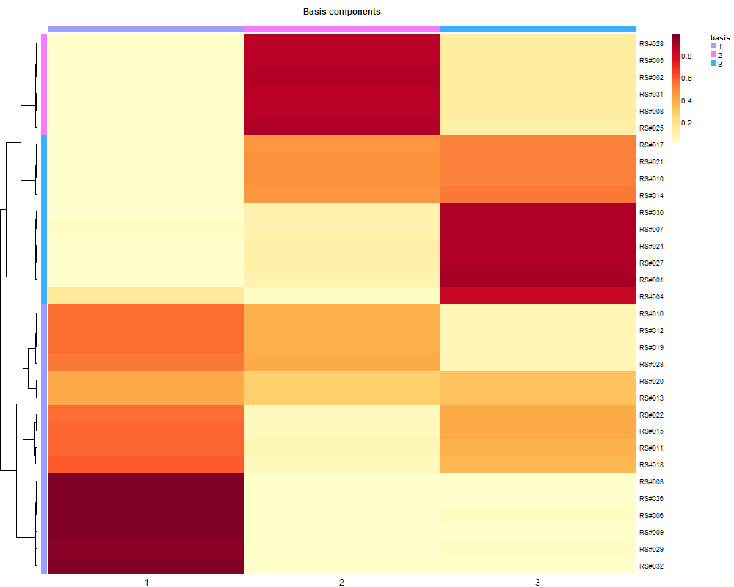
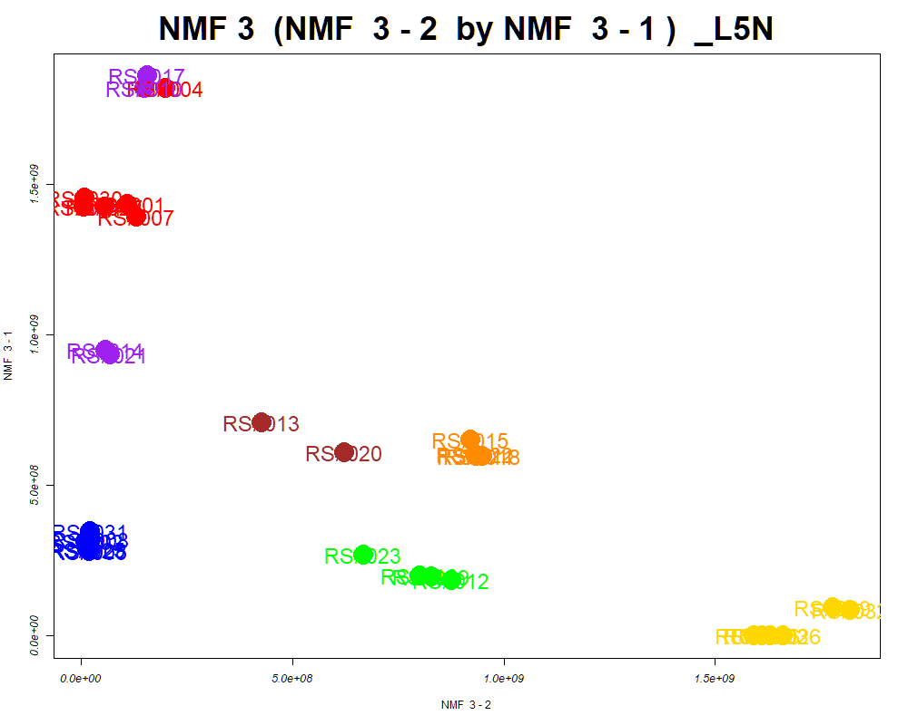
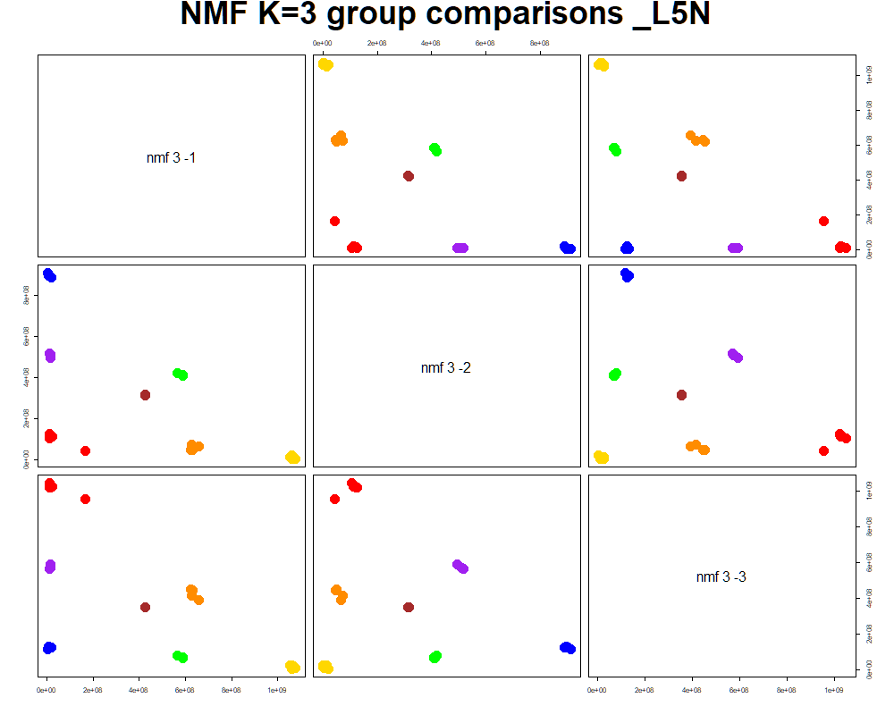
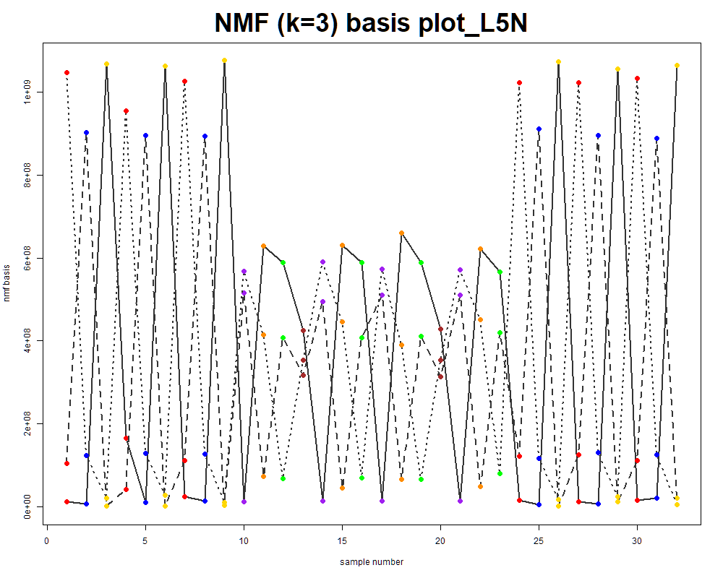
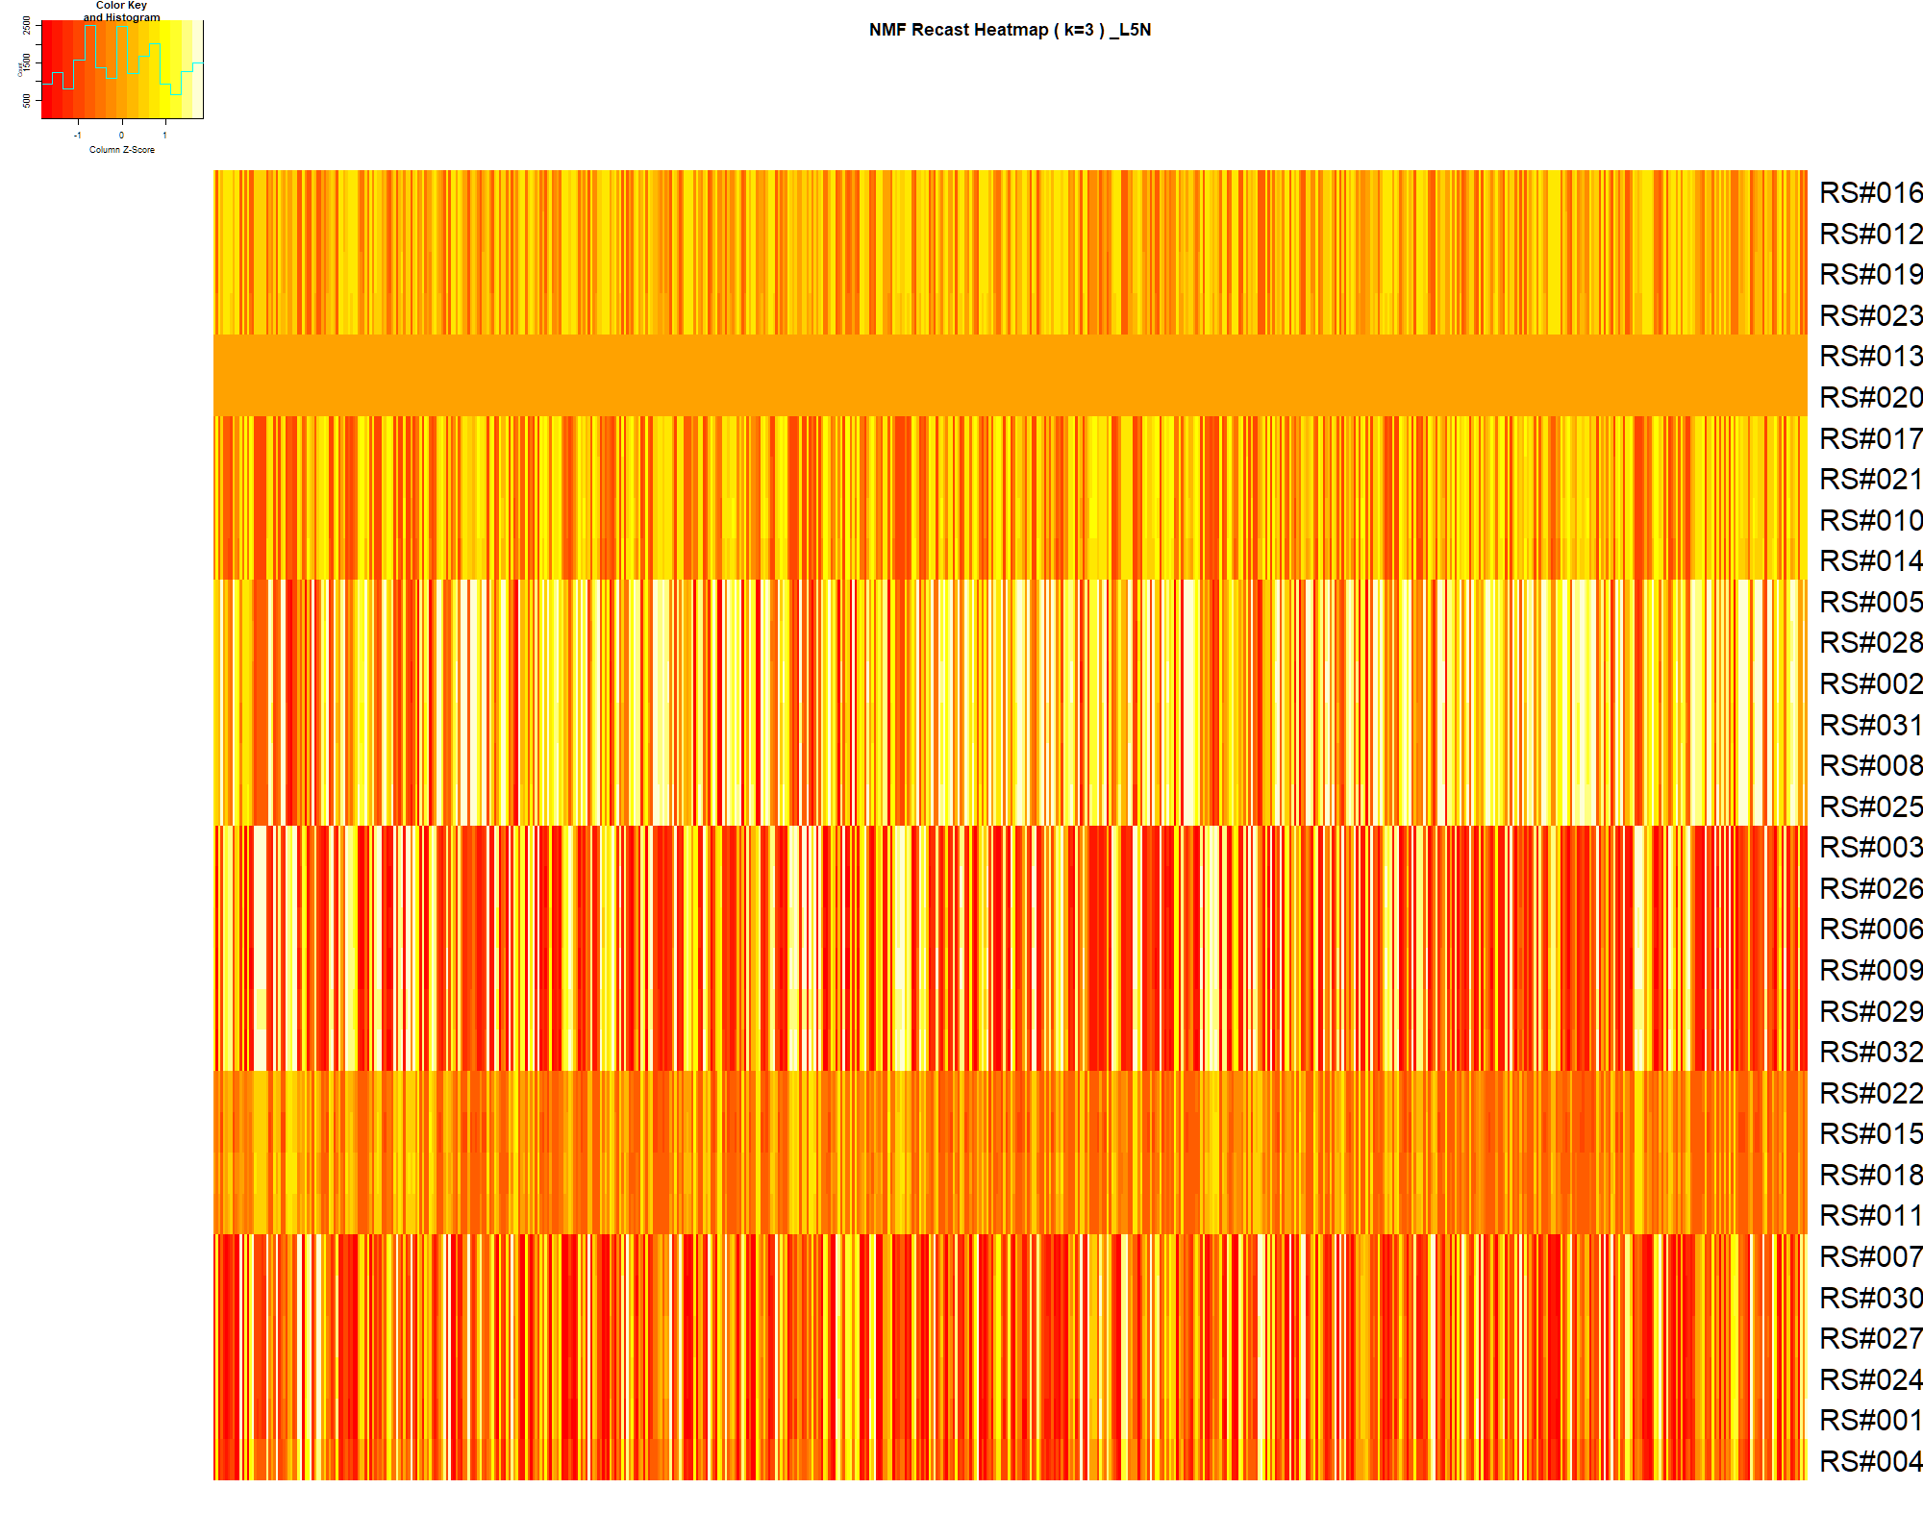

LabNum | BinID | Name | MF | BinC12mz | BinRT | nmf 3 -1 | nmf 3 -2 | nmf 3 -3 | Group |  | ExperimentalGroup | GroupFactor | nmf 3 -1 | nmf 3 -2 | nmf 3 -3 |  | p value
_L5N | LTRS_000001_BaseNeg | C6H16N2O9 (M-H) | C6H16N2O9 | 259.0783 | 0.80 | 15.5% | 55.5% | 29.0% | - | RS#001 | GroupA | GroupA | 1.44E+09 | 1.11E+08 | 4.78E+08 | nmf 3 -1 | 4.12E-12
_L5N | LTRS_000003_BaseNeg | L-Lysine (M-H) | C6H14N2O2 | 145.0983 | 0.82 | 14.8% | 56.3% | 29.0% | - | RS#004 | GroupA | GroupA | 1.82E+09 | 2.01E+08 | 2.22E-16 | nmf 3 -2 | 1.09E-23
_L5N | LTRS_000003_BasePos | L-Ornithine (M+H) | C5H12N2O2 | 133.0972 | 0.80 | 16.0% | 1.4% | 82.6% | NotClr | RS#007 | GroupA | GroupA | 1.39E+09 | 1.32E+08 | 4.91E+08 | nmf 3 -3 | 3.56E-08
_L5N | LTRS_000005_BaseNeg | C6H14N3NaO3P (M-H) | C6H14N3NaO3P | 229.0598 | 0.84 | 16.1% | 56.1% | 27.8% | - | RS#024 | GroupA | GroupA | 1.43E+09 | 7.57E+06 | 5.04E+08
_L5N | LTRS_000006_BasePos | L-Lysine (M+H) | C6H14N2O2 | 147.1128 | 0.80 | 22.9% | 36.5% | 40.6% | - | RS#027 | GroupA | GroupA | 1.42E+09 | 5.60E+07 | 4.80E+08 | Average | 1.19E-08
_L5N | LTRS_000008_BaseNeg | Gamma-glutamyl-L-putrescine (M-H) | C9H19N3O3 | 216.1354 | 0.85 | 0.0% | 86.7% | 13.3% | GroupC | RS#030 | GroupA | GroupA | 1.46E+09 | 9.34E+06 | 4.92E+08
_L5N | LTRS_000008_BasePos | 2-((5-(hydroxyamino)furan-2-yl)methylene)hydrazinecarboxamide (M+H) | C6H8N4O3 | 185.0669 | 0.85 | 24.0% | 35.7% | 40.3% | - | RS#002 | GroupB | GroupB | 3.15E+08 | 1.19E+07 | 1.22E+09
...

Random Forest
...
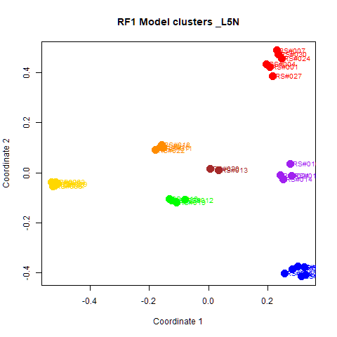
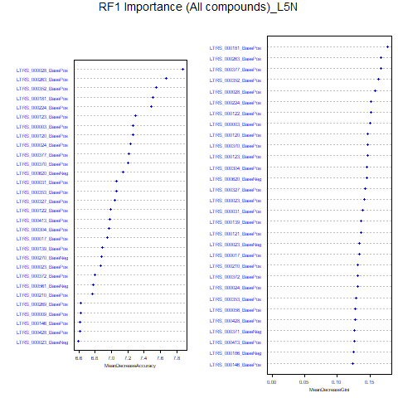
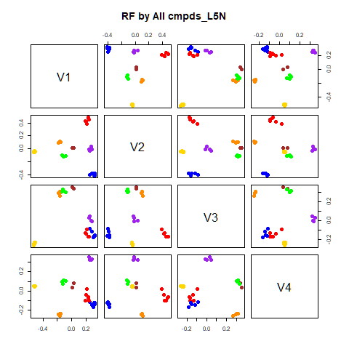
GroupD | GroupE | GroupF | GroupG | class.error
0 | 0 | 0 | 0 | 0
0 | 0 | 0 | 0 | 0
0 | 0 | 0 | 0 | 0
4 | 0 | 0 | 0 | 0
0 | 4 | 0 | 0 | 0
0 | 0 | 4 | 0 | 0
0 | 1 | 1 | 0 | 1
...
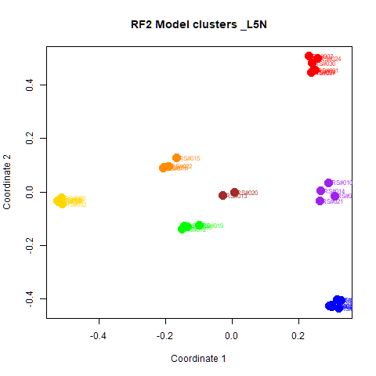
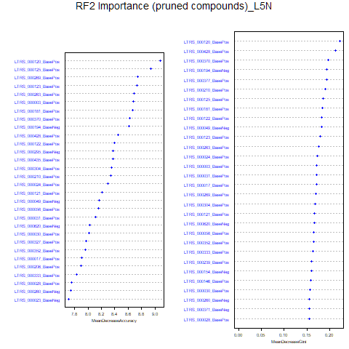
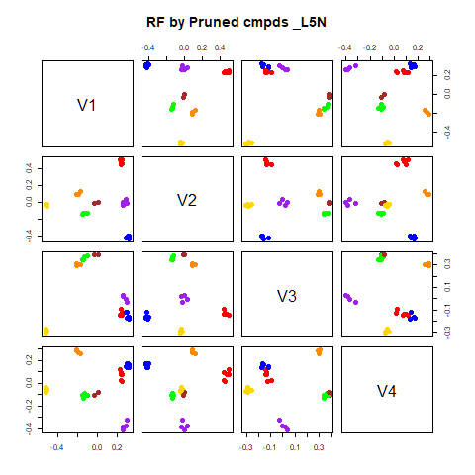
GroupD | GroupE | GroupF | GroupG | class.error
0 | 0 | 0 | 0 | 0
0 | 0 | 0 | 0 | 0
0 | 0 | 0 | 0 | 0
4 | 0 | 0 | 0 | 0
0 | 4 | 0 | 0 | 0
0 | 0 | 4 | 0 | 0
0 | 0 | 1 | 1 | 0.5

GroupC | GroupD | GroupE | GroupF | GroupG | MeanDecreaseAccuracy | MeanDecreaseGini |  | GroupA | GroupB | GroupC | GroupD | GroupE | GroupF | GroupG | MeanDecreaseAccuracy | MeanDecreaseGini
3.85969083912374 | 3.7933004381723 | 3.8038734700573 | 3.92972286781068 | 2.8322059201851 | 7.87673171277869 | 0.158144215937129 | LTRS_000120_BasePos | 5.909 | 6.104 | 3.900 | 3.618 | 5.162 | 5.078 | 3.323 | 9.079 | 0.222
4.80896695003033 | 3.83582085193428 | 2.98925191537204 | 3.63626252710778 | 1.41468520272717 | 7.6759508792776 | 0.1670936081532 | LTRS_000125_BasePos | 4.576 | 6.108 | 5.491 | 5.649 | 4.942 | 3.750 | 2.832 | 8.938 | 0.186
4.51351442462002 | 3.39476306539 | 3.43008368227269 | 4.04718355526071 | 1.73291748303345 | 7.55483215190615 | 0.162492271900238 | LTRS_000269_BasePos | 5.989 | 4.400 | 5.533 | 4.310 | 4.127 | 4.505 | 3.168 | 8.739 | 0.169
2.56024046794912 | 3.24670761392031 | 3.16162152608922 | 0.971818553779995 | 1.00016670834491 | 7.51075024892108 | 0.176724701473701 | LTRS_000123_BasePos | 4.297 | 6.389 | 5.193 | 4.185 | 4.239 | 4.387 | 1.667 | 8.727 | 0.180
4.64941663365822 | 3.08280649437031 | 3.99751331195345 | 2.68861367620345 | 1.41468520272717 | 7.49361851499382 | 0.151882228125593 | LTRS_000263_BasePos | 4.159 | 6.090 | 4.589 | 3.813 | 3.664 | 3.772 | 2.452 | 8.685 | 0.176
3.72436421126633 | 3.78979563805097 | 3.45925734030159 | 3.18176048255918 | 0.447228503365205 | 7.29200507419766 | 0.146115971553187 | LTRS_000003_BasePos | 3.831 | 6.560 | 5.422 | 4.298 | 3.136 | 4.327 | 3.323 | 8.678 | 0.172
...

RF->NMF3
This tab has the report for k= 3

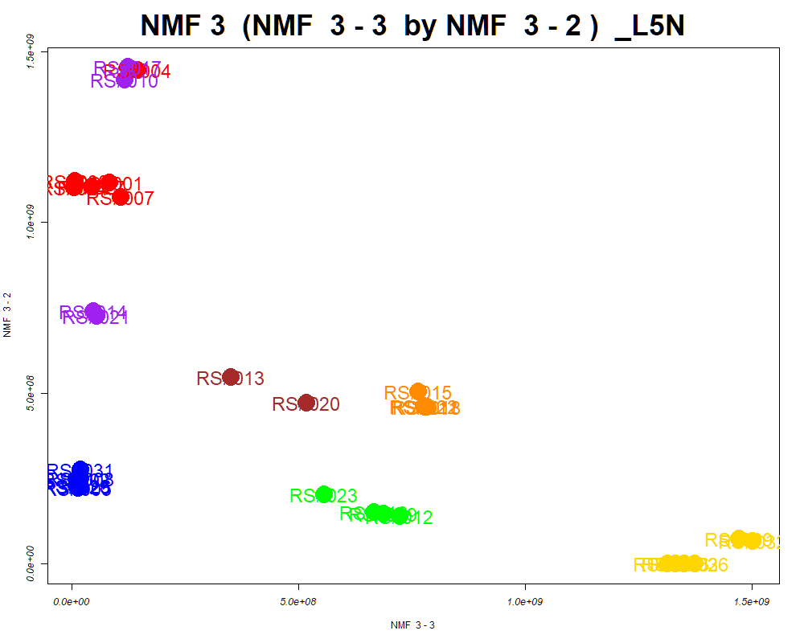

LabNum | BinID | Name | MF | BinC12mz | BinRT | nmf 3 -1 | nmf 3 -2 | nmf 3 -3 | Group |  | ExperimentalGroup | GroupFactor | nmf 3 -1
_L5N | LTRS_000001_BaseNeg | C6H16N2O9 (M-H) | C6H16N2O9 | 259.0783 | 0.80 | 20.1% | 18.6% | 61.2% | NotClr | RS#001 | GroupA | GroupA | 6.19E+08
_L5N | LTRS_000003_BaseNeg | L-Lysine (M-H) | C6H14N2O2 | 145.0983 | 0.82 | 20.1% | 17.7% | 62.2% | NotClr | RS#004 | GroupA | GroupA | 2.22E-16
_L5N | LTRS_000003_BasePos | L-Ornithine (M+H) | C5H12N2O2 | 133.0972 | 0.80 | 73.9% | 24.2% | 1.9% | NotClr | RS#007 | GroupA | GroupA | 6.36E+08
_L5N | LTRS_000005_BaseNeg | C6H14N3NaO3P (M-H) | C6H14N3NaO3P | 229.0598 | 0.84 | 19.2% | 19.2% | 61.7% | NotClr | RS#024 | GroupA | GroupA | 6.54E+08
_L5N | LTRS_000005_BasePos | L-Lysine (M+H -NH3 -CH2O2) | C6H14N2O2 | 84.0808 | 0.79 | 32.8% | 26.5% | 40.7% | - | RS#027 | GroupA | GroupA | 6.23E+08
_L5N | LTRS_000006_BasePos | L-Lysine (M+H) | C6H14N2O2 | 147.1128 | 0.80 | 29.5% | 28.3% | 42.2% | - | RS#030 | GroupA | GroupA | 6.38E+08
_L5N | LTRS_000008_BaseNeg | Gamma-glutamyl-L-putrescine (M-H) | C9H19N3O3 | 216.1354 | 0.85 | 8.7% | 0.4% | 90.9% | NotClr | RS#002 | GroupB | GroupB | 1.60E+09
...

PCA
This tab shows results from PCA analyses on the two RF datasets.
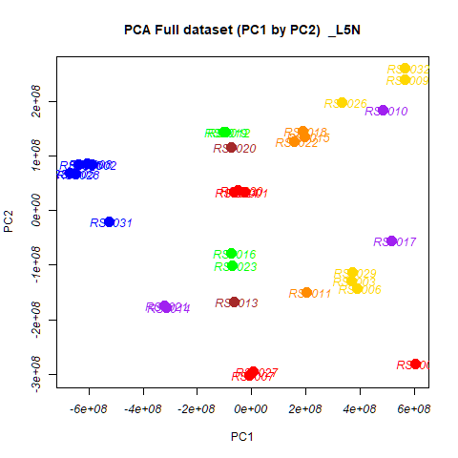
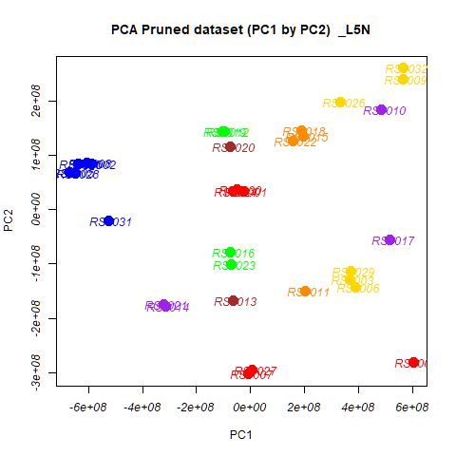
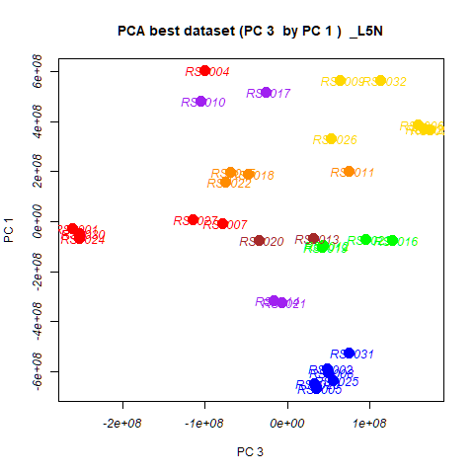
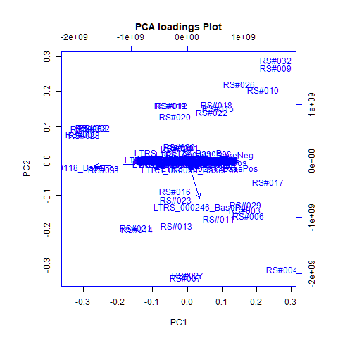
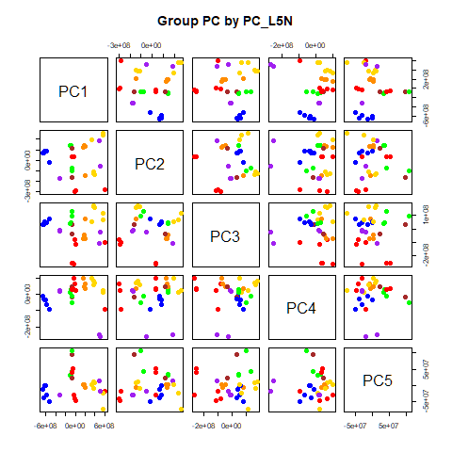
 | %TotVar | SD | p Design | p Reg
PC1 | 75.22% | 3.89E+08 | 6.27E-07 | 6.27E-07
PC2 | 12.54% | 1.59E+08 | 3.50E-01 | 3.50E-01
PC3 | 6.50% | 1.14E+08 | 1.24E-07 | 1.24E-07
PC4 | 3.55% | 8.45E+07 | 7.42E-03 | 7.42E-03
PC5 | 0.78% | 3.97E+07 | 4.99E-03 | 4.99E-03
PC6 | 0.37% | 2.72E+07 | 9.85E-01 | 9.85E-01
PC7 | 0.30% | 2.46E+07 | 9.84E-01 | 9.84E-01
PC8 | 0.17% | 1.82E+07 | 7.86E-01 | 7.86E-01
PC9 | 0.13% | 1.63E+07 | 6.30E-01 | 6.30E-01
PC10 | 0.10% | 1.45E+07 | 9.66E-01 | 9.66E-01

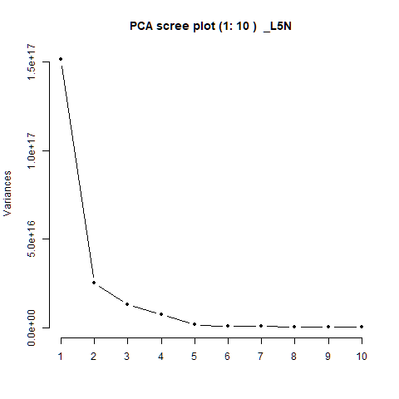
 |  | PC1 | PC2 | PC3 | PC4 | PC5 |  | PC1 | PC2 | PC3 | PC4 | PC5
 | LTRS_000001_BaseNeg | 6.87E-05 | 4.60E-05 | 2.95E-04 | 1.68E-04 | -3.11E-05 | RS#001 | -2.64E+07 | 3.40E+07 | -2.61E+08 | 1.00E+08 | -3.11E+07
 | LTRS_000001_BasePos | 1.30E-03 | 1.87E-04 | 5.72E-03 | 3.33E-03 | 5.87E-03 | RS#002 | -5.88E+08 | 8.47E+07 | 4.88E+07 | -6.50E+07 | -3.01E+07
 | LTRS_000002_BasePos | -3.42E-05 | -9.58E-05 | -2.67E-04 | -3.23E-04 | -5.45E-04 | RS#003 | 3.68E+08 | -1.29E+08 | 1.73E+08 | 8.27E+07 | 1.01E+07
 | LTRS_000003_BaseNeg | 3.11E-04 | 3.34E-04 | 1.26E-03 | 1.08E-03 | 2.50E-04 | RS#004 | 6.03E+08 | -2.81E+08 | -1.01E+08 | -9.29E+07 | -1.96E+07
 |  |  |  |  |  |  |  | -6.69E+08 | 6.92E+07 | 3.56E+07 | -1.36E+07 | -1.31E+07
 |  |  |  |  |  |  |  | 3.89E+08 | -1.42E+08 | 1.59E+08 | 6.69E+07 | 9.36E+06
 |  |  |  |  |  |  |  | -7.09E+06 | -3.03E+08 | -7.92E+07 | 6.57E+07 | -4.14E+07
 |  |  |  |  |  |  |  | -6.05E+08 | 8.54E+07 | 4.96E+07 | -3.41E+07 | -1.31E+06
 |  |  |  |  |  |  |  | 5.64E+08 | 2.40E+08 | 6.37E+07 | 1.31E+07 | -2.43E+07
 |  |  |  |  |  |  |  | 4.84E+08 | 1.85E+08 | -1.05E+08 | -2.48E+08 | 1.44E+07
 |  |  |  |  |  |  |  | 2.03E+08 | -1.50E+08 | 7.49E+07 | 3.33E+07 | -5.44E+06
 |  |  |  |  |  |  |  | -9.53E+07 | 1.44E+08 | 4.40E+07 | 2.97E+07 | 3.48E+07
 |  |  |  |  |  |  |  | -6.56E+07 | -1.67E+08 | 3.22E+07 | -1.70E+07 | 9.59E+07
 |  |  |  |  |  |  |  | -3.15E+08 | -1.77E+08 | -1.59E+07 | 2.13E+07 | -2.97E+07
 |  |  |  |  |  |  |  | 1.97E+08 | 1.36E+08 | -6.95E+07 | 6.18E+07 | -7.19E+06
 |  |  |  |  |  |  |  | -7.42E+07 | -7.89E+07 | 1.28E+08 | -1.43E+07 | 4.18E+07
 |  |  |  |  |  |  |  | 5.17E+08 | -5.52E+07 | -2.64E+07 | -2.62E+08 | -1.94E+07
 |  |  |  |  |  |  |  | 1.88E+08 | 1.45E+08 | -4.70E+07 | 4.93E+07 | 3.54E+06
 |  |  |  |  |  |  |  | -1.04E+08 | 1.44E+08 | 4.27E+07 | 8.94E+06 | 3.22E+07
...

PCA->NMF3
This tab has the report for k= 3

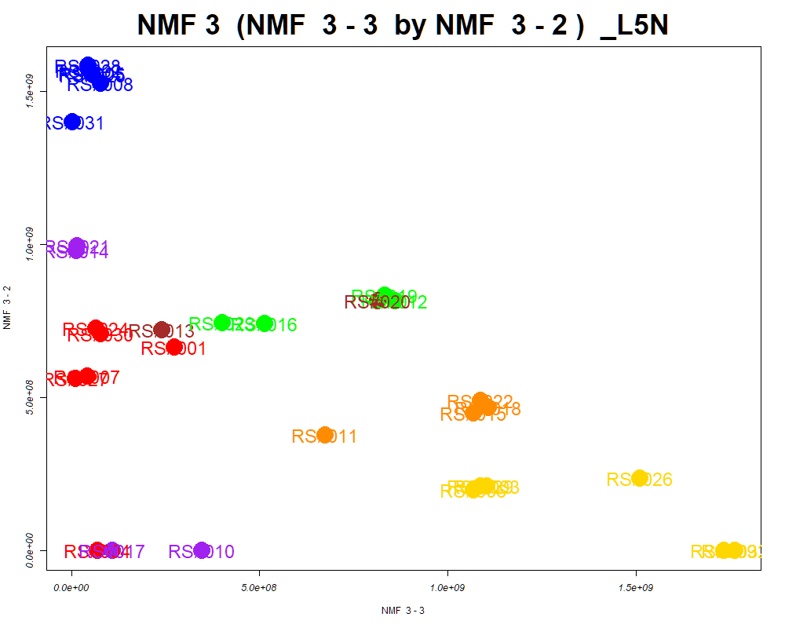

LabNum | BinID | Name | MF | BinC12mz | BinRT | nmf 3 -1 | nmf 3 -2 | nmf 3 -3 | Group |  | ExperimentalGroup | GroupFactor | nmf 3 -1
_L5N | LTRS_000001_BasePos | Spermidine (M+H) | C7H19N3 | 146.1652 | 0.75 | 23.6% | 22.6% | 53.8% | - | RS#001 | GroupA | GroupA | 7.58E+08
_L5N | LTRS_000003_BasePos | L-Ornithine (M+H) | C5H12N2O2 | 133.0972 | 0.80 | 19.8% | 77.5% | 2.8% | GroupB | RS#004 | GroupA | GroupA | 1.79E+09
_L5N | LTRS_000008_BaseNeg | Gamma-glutamyl-L-putrescine (M-H) | C9H19N3O3 | 216.1354 | 0.85 | 1.9% | 8.6% | 89.5% | NotClr | RS#007 | GroupA | GroupA | 1.29E+09
_L5N | LTRS_000009_BasePos | N(epsilon, epsilon, epsilon)-trimethyllysine (M+H) | C9H20N2O2 | 189.1598 | 0.86 | 21.9% | 73.3% | 4.9% | GroupB | RS#024 | GroupA | GroupA | 8.77E+08
_L5N | LTRS_000015_BasePos | L-Arginine (M+H) | C6H14N4O2 | 175.1190 | 0.89 | 24.4% | 39.7% | 35.9% | - | RS#027 | GroupA | GroupA | 1.30E+09
_L5N | LTRS_000017_BasePos | L-Histidine (M+H) | C6H9N3O2 | 156.0768 | 0.90 | 45.7% | 38.7% | 15.6% | - | RS#030 | GroupA | GroupA | 8.82E+08
_L5N | LTRS_000018_BasePos | Ala-Arg (M+H) | C9H19N5O3 | 246.1561 | 0.93 | 0.0% | 0.0% | 100.0% | NotClr | RS#002 | GroupB | GroupB | 2.22E-16
...

SOM
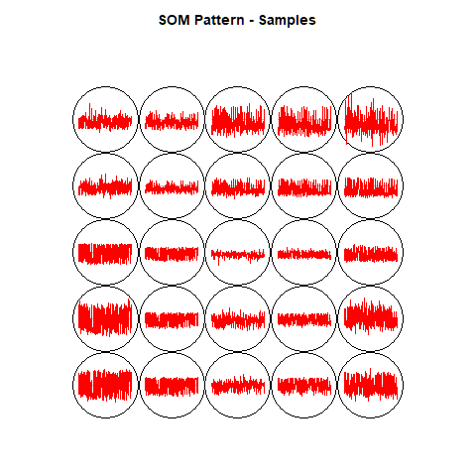
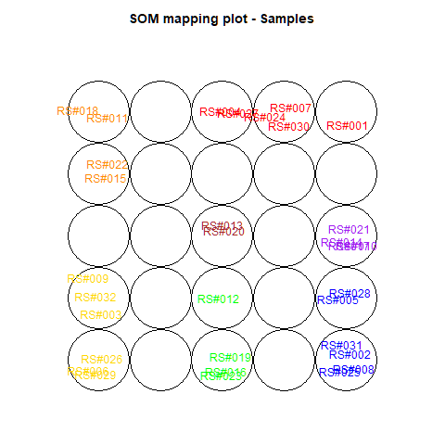
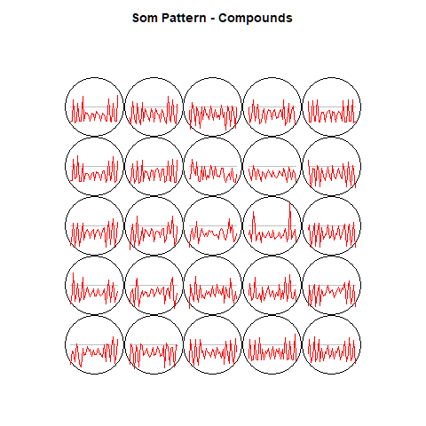
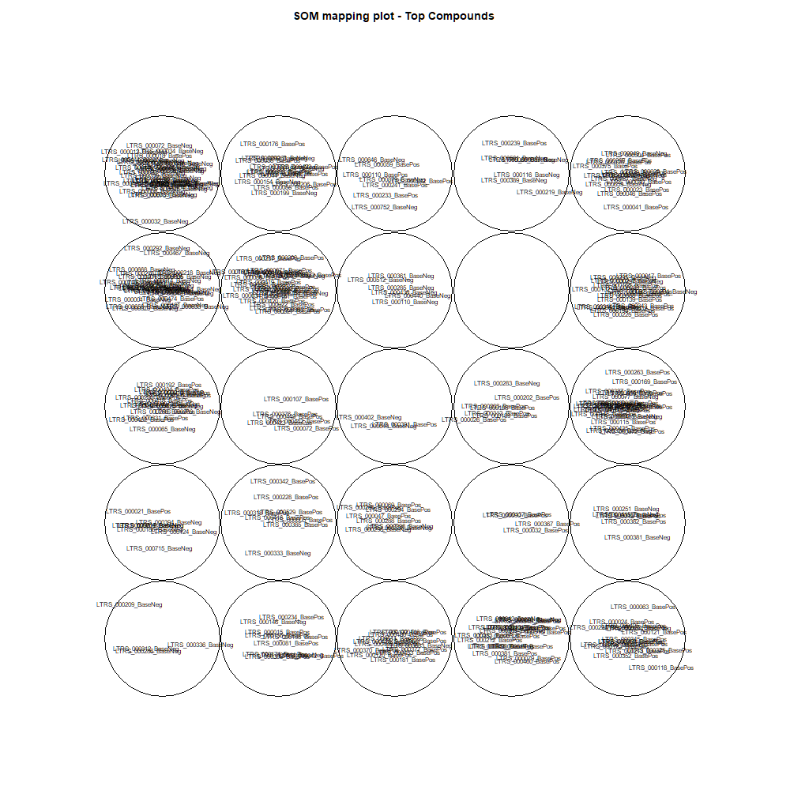
This tab show the output from a SOM analysis

NMF(full)->NMF3
This tab has the report for k= 3

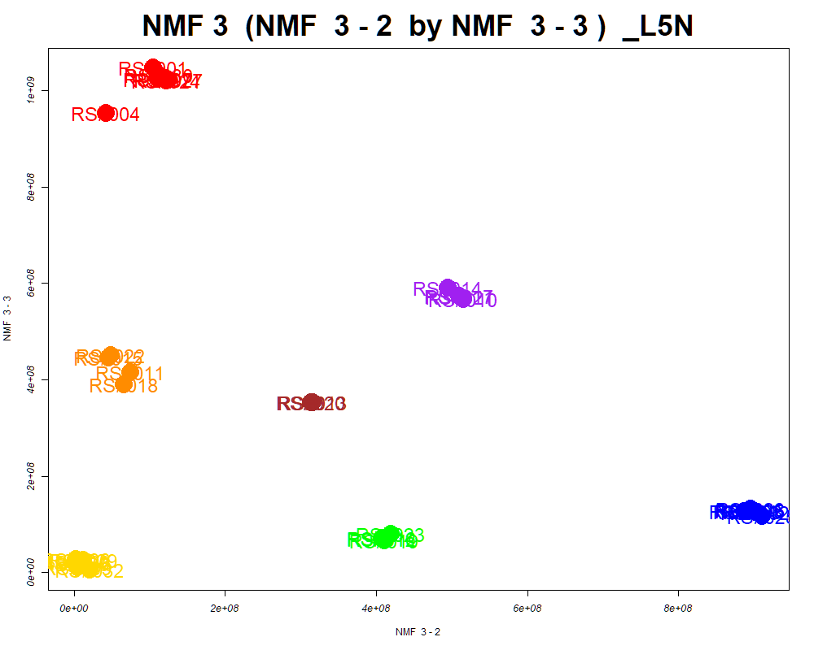

LabNum | BinID | Name | MF | BinC12mz | BinRT | nmf 3 -1 | nmf 3 -2 | nmf 3 -3 | Group |  | ExperimentalGroup | GroupFactor | nmf 3 -1
_L5N | LTRS_000001_BaseNeg | C6H16N2O9 (M-H) | C6H16N2O9 | 259.0783 | 0.80 | 36.5% | 40.0% | 23.6% | - | RS#001 | GroupA | GroupA | 1.21E+07
_L5N | LTRS_000002_BasePos | C13H29N3O5 (M+H) | C13H29N3O5 | 308.2180 | 0.75 | 17.7% | 40.3% | 42.1% | - | RS#004 | GroupA | GroupA | 1.66E+08
_L5N | LTRS_000003_BaseNeg | L-Lysine (M-H) | C6H14N2O2 | 145.0983 | 0.82 | 36.9% | 37.6% | 25.4% | - | RS#007 | GroupA | GroupA | 2.50E+07
_L5N | LTRS_000003_BasePos | L-Ornithine (M+H) | C5H12N2O2 | 133.0972 | 0.80 | 4.5% | 95.5% | 0.0% | NotClr | RS#024 | GroupA | GroupA | 1.68E+07
_L5N | LTRS_000005_BaseNeg | C6H14N3NaO3P (M-H) | C6H14N3NaO3P | 229.0598 | 0.84 | 36.9% | 36.2% | 27.0% | - | RS#027 | GroupA | GroupA | 1.26E+07
_L5N | LTRS_000005_BasePos | L-Lysine (M+H -NH3 -CH2O2) | C6H14N2O2 | 84.0808 | 0.79 | 38.4% | 39.2% | 22.4% | - | RS#030 | GroupA | GroupA | 1.70E+07
_L5N | LTRS_000006_BasePos | L-Lysine (M+H) | C6H14N2O2 | 147.1128 | 0.80 | 39.8% | 35.6% | 24.6% | - | RS#002 | GroupB | GroupB | 7.05E+06
...

Scored_Cmpds
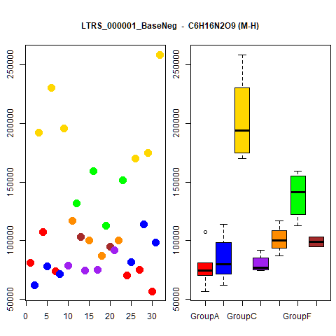
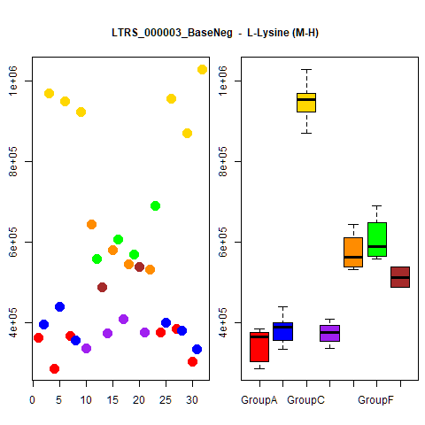
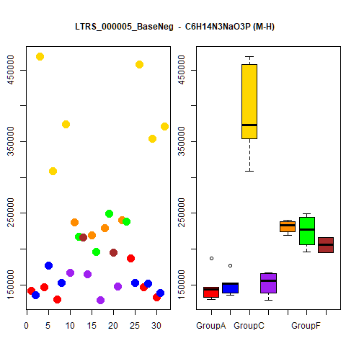
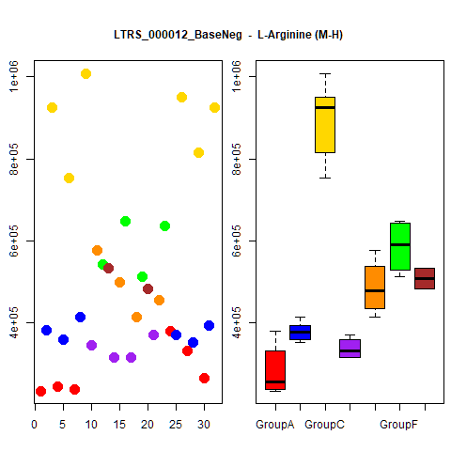
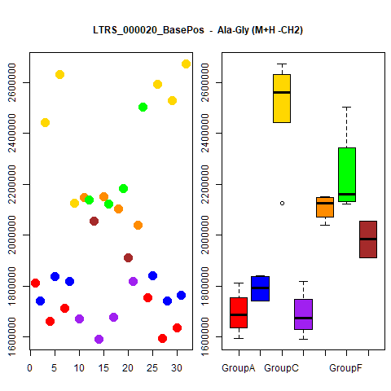
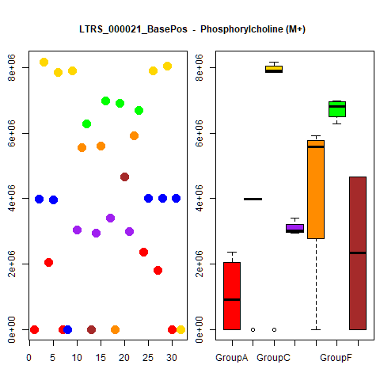
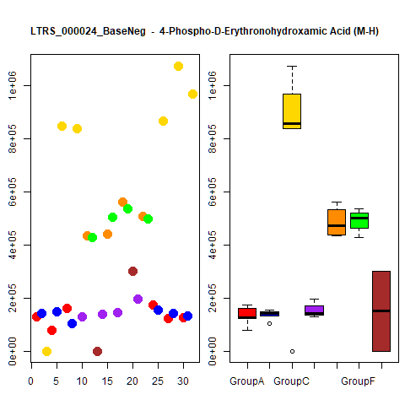
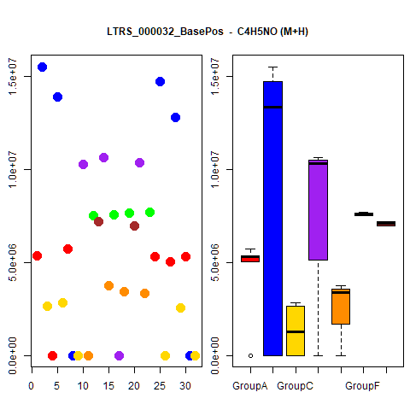
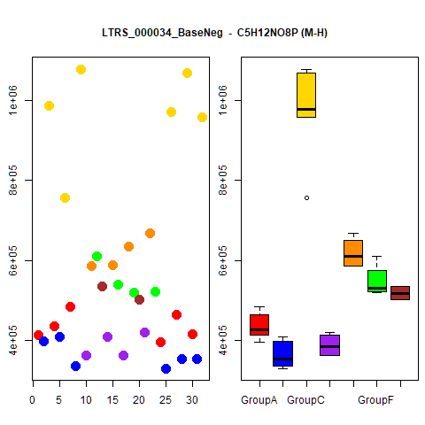
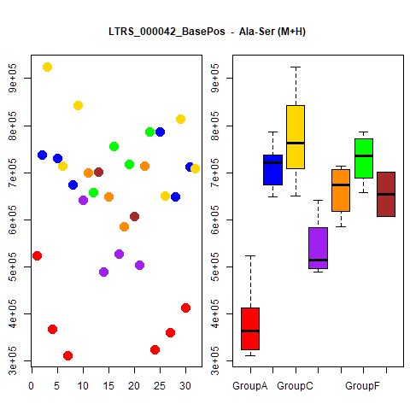
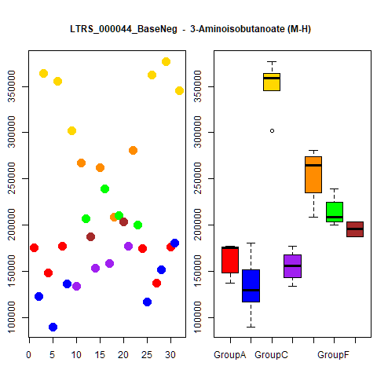
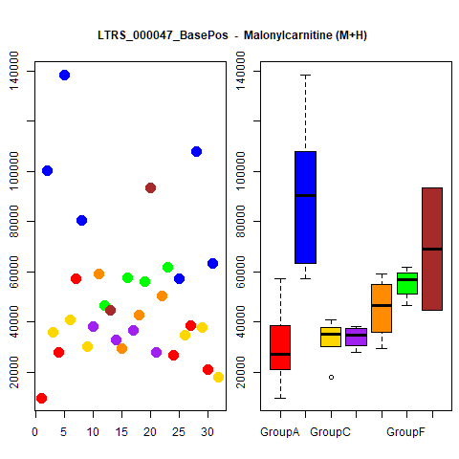
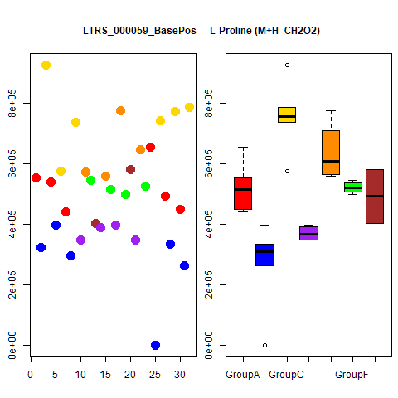
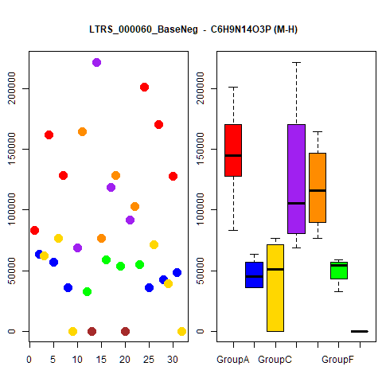
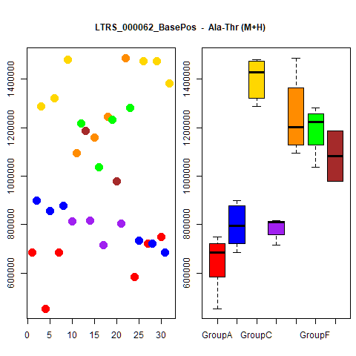
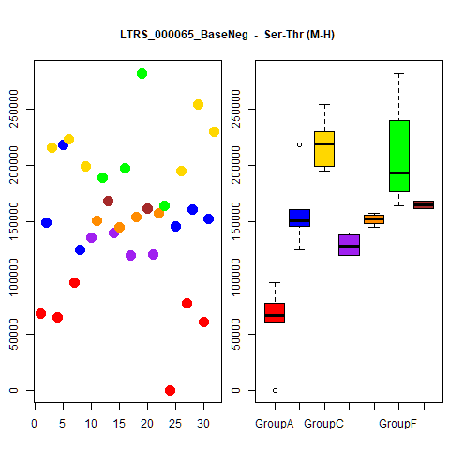
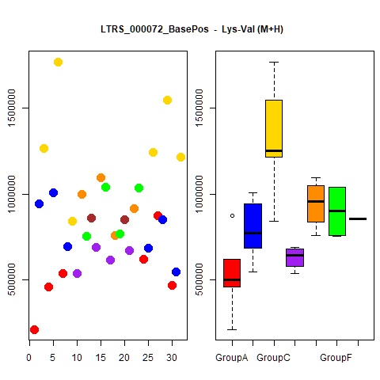
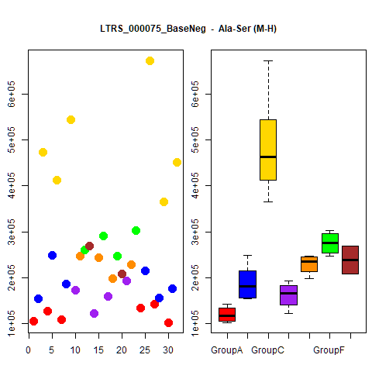
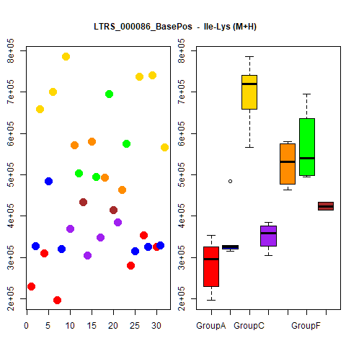
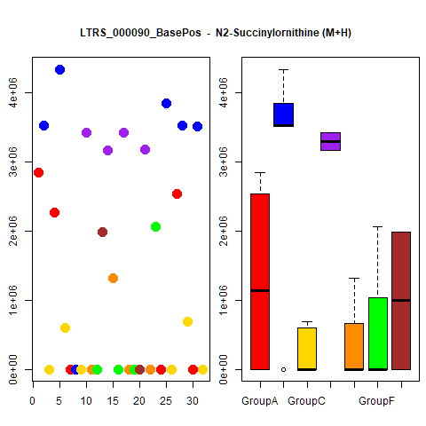
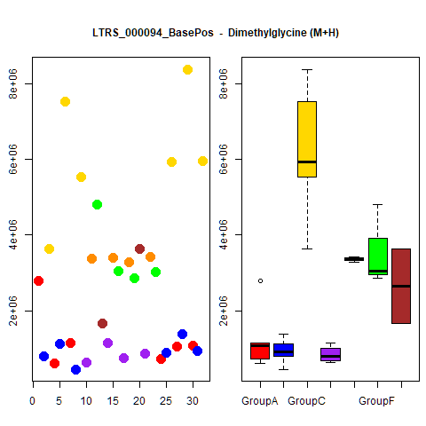
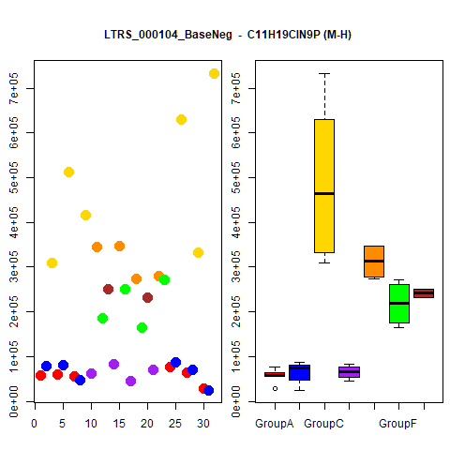
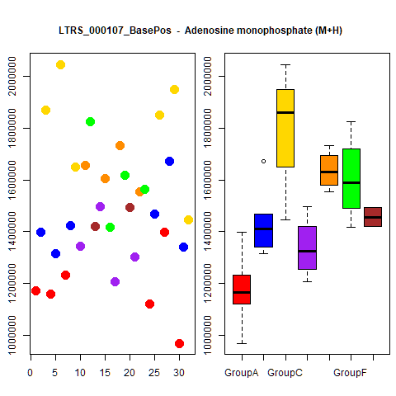



















































































































...




 |  |  | Count
1 | 1 | 1 | 4
1 | 1 | 1 | 4
1 | 1 | 1 | 4
1 | 1 | 1 | 4
1 | 1 | 1 | 4
1 | 1 | 1 | 4
1 | 1 | 1 | 4
1 | 1 | 1 | 4
1 | 1 | 1 | 4
1 | 1 | 1 | 4





1 | 1 | 1 | 4
1 | 1 | 1 | 4
1 | 1 | 1 | 4
1 | 1 | 1 | 4
1 | 1 | 1 | 4
1 | 1 | 1 | 4
1 | 1 | 1 | 4
1 | 1 | 1 | 4
1 | 1 | 1 | 4
1 | 1 | 1 | 4





1 | 1 | 1 | 4
1 | 1 | 1 | 4
1 | 1 | 1 | 4
1 | 1 | 1 | 4
1 | 1 | 1 | 4
1 | 1 | 1 | 4
1 | 1 | 1 | 4
1 | 1 | 1 | 4
1 | 1 | 1 | 4
1 | 1 | 1 | 4





1 | 1 | 1 | 4
1 | 1 | 1 | 4
1 | 1 | 1 | 4
1 | 1 | 1 | 4
1 | 1 | 1 | 4
1 | 1 | 1 | 4
1 | 1 | 1 | 4
1 | 1 | 1 | 4
1 | 1 | 1 | 4
1 | 1 | 1 | 4





1 | 1 | 1 | 4
1 | 1 | 1 | 4
1 | 1 | 1 | 4
1 | 1 | 1 | 4
1 | 1 | 1 | 4
1 | 1 | 1 | 4
1 | 1 | 1 | 4
1 | 1 | 1 | 4
1 | 1 | 1 | 4
1 | 1 | 1 | 4





1 | 1 | 1 | 4
1 | 0 | 1 | 3
1 | 0 | 1 | 3
1 | 0 | 1 | 3
1 | 0 | 1 | 3
1 | 0 | 1 | 3
1 | 0 | 1 | 3
1 | 0 | 1 | 3
1 | 0 | 1 | 3
1 | 0 | 1 | 3





1 | 0 | 1 | 3
1 | 0 | 1 | 3
1 | 0 | 1 | 3
1 | 0 | 1 | 3
1 | 0 | 1 | 3
1 | 1 | 0 | 3
1 | 0 | 1 | 3
1 | 0 | 1 | 3
1 | 0 | 1 | 3
1 | 0 | 1 | 3





1 | 0 | 1 | 3
1 | 0 | 1 | 3
1 | 0 | 1 | 3
1 | 0 | 1 | 3
1 | 0 | 1 | 3
1 | 0 | 1 | 3
1 | 0 | 1 | 3
1 | 0 | 1 | 3
1 | 0 | 1 | 3
1 | 0 | 1 | 3





1 | 0 | 1 | 3
1 | 0 | 1 | 3
1 | 0 | 1 | 3
1 | 0 | 1 | 3
1 | 1 | 0 | 3
1 | 0 | 1 | 3
1 | 0 | 1 | 3
1 | 0 | 1 | 3
1 | 0 | 1 | 3
1 | 0 | 1 | 3





1 | 0 | 1 | 3
1 | 0 | 1 | 3
1 | 0 | 1 | 3
1 | 0 | 1 | 3
1 | 1 | 0 | 3
1 | 0 | 1 | 3
1 | 0 | 1 | 3
1 | 1 | 0 | 3
1 | 0 | 1 | 3
1 | 0 | 1 | 3





1 | 0 | 1 | 3
1 | 0 | 1 | 3
1 | 0 | 1 | 3
1 | 0 | 1 | 3
1 | 0 | 1 | 3
1 | 0 | 1 | 3
1 | 1 | 0 | 3
1 | 0 | 1 | 3
1 | 0 | 1 | 3
1 | 0 | 1 | 3





1 | 1 | 0 | 3
1 | 0 | 1 | 3
1 | 0 | 1 | 3
1 | 0 | 1 | 3
1 | 0 | 1 | 3
1 | 0 | 1 | 3
1 | 0 | 1 | 3
1 | 0 | 1 | 3
1 | 1 | 0 | 3
1 | 0 | 1 | 3





1 | 0 | 1 | 3
1 | 0 | 1 | 3
1 | 0 | 1 | 3
1 | 0 | 1 | 3
1 | 0 | 1 | 3
1 | 1 | 0 | 3
1 | 0 | 1 | 3
1 | 0 | 1 | 3
1 | 0 | 1 | 3
1 | 0 | 1 | 3





1 | 0 | 1 | 3
1 | 0 | 1 | 3
1 | 0 | 1 | 3
1 | 0 | 1 | 3
1 | 0 | 1 | 3
1 | 0 | 1 | 3
1 | 1 | 0 | 3
1 | 0 | 1 | 3
1 | 0 | 1 | 3
1 | 0 | 1 | 3





1 | 1 | 0 | 3
1 | 0 | 1 | 3
1 | 0 | 1 | 3
1 | 1 | 0 | 3
1 | 0 | 0 | 2
1 | 0 | 0 | 2
1 | 0 | 0 | 2
1 | 0 | 0 | 2
1 | 0 | 0 | 2
1 | 0 | 1 | 2





1 | 0 | 0 | 2
1 | 0 | 1 | 2
1 | 0 | 0 | 2
1 | 0 | 0 | 2
1 | 0 | 0 | 2
1 | 0 | 0 | 2
1 | 0 | 0 | 2
1 | 0 | 0 | 2
1 | 0 | 0 | 2
1 | 0 | 0 | 2





1 | 0 | 0 | 2
1 | 0 | 0 | 2
1 | 0 | 0 | 2
1 | 0 | 1 | 2
0 | 0 | 1 | 2
1 | 0 | 0 | 2
1 | 0 | 0 | 2
1 | 0 | 1 | 2
1 | 0 | 1 | 2
1 | 0 | 0 | 2





1 | 0 | 1 | 2
1 | 0 | 0 | 2
1 | 0 | 0 | 2
1 | 0 | 0 | 2
1 | 0 | 0 | 2
1 | 0 | 0 | 2
1 | 0 | 0 | 2
1 | 0 | 0 | 2
0 | 0 | 1 | 2
1 | 0 | 0 | 2





1 | 0 | 0 | 2
1 | 0 | 0 | 2
1 | 0 | 1 | 2
1 | 0 | 1 | 2
1 | 0 | 0 | 2
1 | 0 | 0 | 2
1 | 0 | 1 | 2
1 | 0 | 0 | 2
1 | 0 | 0 | 2
0 | 0 | 1 | 2





1 | 0 | 0 | 2
1 | 0 | 0 | 2
1 | 0 | 0 | 2
1 | 0 | 0 | 2
1 | 0 | 0 | 2
1 | 0 | 0 | 2
1 | 0 | 0 | 2
1 | 0 | 0 | 2
1 | 0 | 0 | 2
1 | 0 | 0 | 2





1 | 0 | 0 | 2
1 | 0 | 0 | 2
1 | 0 | 1 | 2
1 | 0 | 0 | 2
1 | 0 | 1 | 2
1 | 0 | 0 | 2
1 | 0 | 0 | 2
1 | 0 | 0 | 2
0 | 0 | 1 | 2
1 | 0 | 0 | 2





1 | 0 | 0 | 2
1 | 0 | 0 | 2
1 | 0 | 0 | 2
1 | 0 | 0 | 2
1 | 0 | 0 | 2
1 | 0 | 0 | 2
1 | 0 | 0 | 2
1 | 0 | 1 | 2
1 | 0 | 0 | 2
1 | 0 | 1 | 2





1 | 0 | 0 | 2
1 | 0 | 0 | 2
1 | 0 | 0 | 2
1 | 0 | 0 | 2
1 | 0 | 0 | 2
1 | 0 | 0 | 2
1 | 0 | 0 | 2
1 | 0 | 0 | 2
1 | 0 | 0 | 2
1 | 0 | 0 | 2





1 | 0 | 0 | 2
1 | 0 | 0 | 2
1 | 0 | 0 | 2
1 | 0 | 0 | 2
1 | 0 | 0 | 2
1 | 0 | 0 | 2
1 | 0 | 0 | 2
1 | 0 | 0 | 2
1 | 0 | 0 | 2
1 | 0 | 0 | 2





1 | 0 | 0 | 2
1 | 0 | 0 | 2
1 | 0 | 0 | 2
1 | 0 | 0 | 2
1 | 0 | 0 | 2
1 | 0 | 0 | 2
1 | 0 | 0 | 2
1 | 0 | 0 | 2
1 | 0 | 0 | 2
1 | 0 | 0 | 2





1 | 0 | 0 | 2
1 | 0 | 0 | 2
1 | 0 | 0 | 2
1 | 0 | 0 | 2
1 | 0 | 0 | 2
1 | 0 | 0 | 2
1 | 0 | 0 | 2
1 | 0 | 0 | 2
1 | 0 | 0 | 2
1 | 0 | 0 | 2





1 | 0 | 0 | 2
1 | 0 | 0 | 2
1 | 0 | 0 | 2
1 | 0 | 0 | 2
1 | 0 | 0 | 2
1 | 0 | 0 | 2
1 | 0 | 0 | 2
1 | 0 | 0 | 2
1 | 0 | 0 | 2
1 | 0 | 0 | 2





1 | 0 | 0 | 2
1 | 0 | 0 | 2
1 | 0 | 0 | 2
1 | 0 | 0 | 2
1 | 0 | 0 | 2
1 | 0 | 0 | 2
1 | 0 | 0 | 2
1 | 0 | 0 | 2
1 | 0 | 0 | 2
1 | 0 | 0 | 2





1 | 0 | 0 | 2
1 | 0 | 0 | 2

Grouped_Cmpds





...
 |  | NMF2 | Count
 |  |  | 1
 |  |  | 1
 |  |  | 1
 |  |  | 1
 |  |  | 1
 |  |  | 1
 |  |  | 1
 |  |  | 1
 |  |  | 1
 |  |  | 1



 |  |  | 1
 |  |  | 1
 |  |  | 1
 |  |  | 1
 |  |  | 1
 |  |  | 1
 |  |  | 1
 |  |  | 1
 |  |  | 1
 |  |  | 1


GroupA |  |  | 1
GroupA |  |  | 1
GroupA |  |  | 1
GroupA |  |  | 1
GroupA |  |  | 1
 |  |  | 1
 |  |  | 1
 |  |  | 1
 |  |  | 1
 |  |  | 1



 |  |  | 1
 |  |  | 1
 |  |  | 1
 |  |  | 1
 |  |  | 1
 |  |  | 1
GroupA |  |  | 1
GroupA |  |  | 1
 |  |  | 1
 | GroupB |  | 1

