Design
dataId | SampleId | ExperimentalGroup | GroupFactor | Conc | number | SampleId | AcqMethod | ExperimentalGroup | FileName | sampleNum
RS#001 | S0005 | GroupA | GroupA | 1 | 1 | S0005 | BaseNeg | GroupA | RP_nSample01.mzXML | 1
RS#002 | S0006 | GroupB | GroupB | 1 | 2 | S0005 | BasePos | GroupA | RP_pSample01.mzXML | 1
RS#003 | S0007 | GroupC | GroupC | 1 | 3 | S0006 | BaseNeg | GroupB | RP_nSample02.mzXML | 2
RS#004 | S0008 | GroupA | GroupA | 0.5 | 4 | S0006 | BasePos | GroupB | RP_pSample02.mzXML | 2
RS#005 | S0009 | GroupB | GroupB | 0.5 | 5 | S0007 | BaseNeg | GroupC | RP_nSample03.mzXML | 3
RS#006 | S0010 | GroupC | GroupC | 0.5 | 6 | S0007 | BasePos | GroupC | RP_pSample03.mzXML | 3
RS#007 | S0011 | GroupA | GroupA | 1.5 | 7 | S0008 | BaseNeg | GroupA | RP_nSample04.mzXML | 4
RS#008 | S0012 | GroupB | GroupB | 1.5 | 8 | S0008 | BasePos | GroupA | RP_pSample04.mzXML | 4
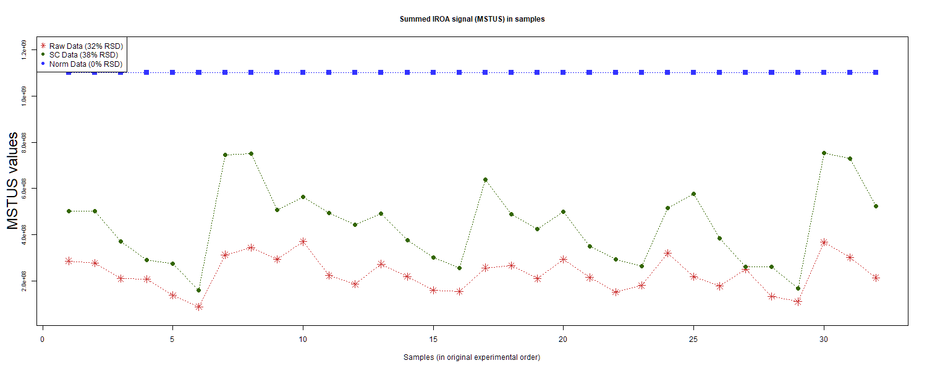
RS#009 | S0013 | GroupC | GroupC | 1.5 | 9 | S0009 | BaseNeg | GroupB | RP_nSample05.mzXML | 5
RS#010 | S0014 | GroupD | GroupD | 1 | 10 | S0009 | BasePos | GroupB | RP_pSample05.mzXML | 5
RS#011 | S0015 | GroupE | GroupE | 1 | 11 | S0010 | BaseNeg | GroupC | RP_nSample06.mzXML | 6
RS#012 | S0016 | GroupF | GroupF | 1 | 12 | S0010 | BasePos | GroupC | RP_pSample06.mzXML | 6
RS#013 | S0017 | GroupG | GroupG | 1 | 13 | S0011 | BaseNeg | GroupA | RP_nSample07.mzXML | 7
RS#014 | S0018 | GroupD | GroupD | 0.67 | 14 | S0011 | BasePos | GroupA | RP_pSample07.mzXML | 7
RS#015 | S0019 | GroupE | GroupE | 0.67 | 15 | S0012 | BaseNeg | GroupB | RP_nSample08.mzXML | 8
RS#016 | S0020 | GroupF | GroupF | 0.67 | 16 | S0012 | BasePos | GroupB | RP_pSample08.mzXML | 8
RS#017 | S0021 | GroupD | GroupD | 1 | 17 | S0013 | BaseNeg | GroupC | RP_nSample09.mzXML | 9
RS#018 | S0022 | GroupE | GroupE | 1 | 18 | S0013 | BasePos | GroupC | RP_pSample09.mzXML | 9
RS#019 | S0023 | GroupF | GroupF | 1 | 19 | S0014 | BaseNeg | GroupD | RP_nSample10.mzXML | 10
RS#020 | S0024 | GroupG | GroupG | 1 | 20 | S0014 | BasePos | GroupD | RP_pSample10.mzXML | 10
RS#021 | S0025 | GroupD | GroupD | 0.67 | 21 | S0015 | BaseNeg | GroupE | RP_nSample11.mzXML | 11
RS#022 | S0026 | GroupE | GroupE | 0.67 | 22 | S0015 | BasePos | GroupE | RP_pSample11.mzXML | 11
RS#023 | S0027 | GroupF | GroupF | 0.67 | 23 | S0016 | BaseNeg | GroupF | RP_nSample12.mzXML | 12 | This report was compiled on 2025-07-16 21:37:24.110917 Mode = Norm Based on file = data/RR Datasets/4297/Lab6-4297Fixed.tsv
RS#024 | S0028 | GroupA | GroupA | 1 | 24 | S0016 | BasePos | GroupF | RP_pSample12.mzXML | 12
RS#025 | S0029 | GroupB | GroupB | 1 | 25 | S0017 | BaseNeg | GroupG | RP_nSample13.mzXML | 13
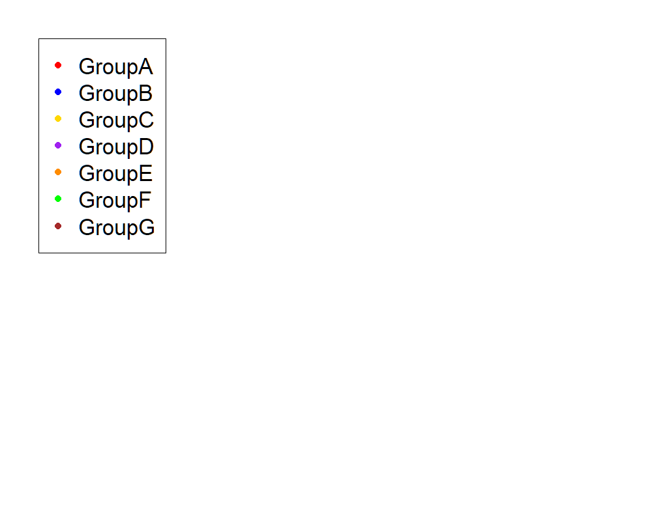
RS#026 | S0030 | GroupC | GroupC | 1 | 26 | S0017 | BasePos | GroupG | RP_pSample13.mzXML | 13
RS#027 | S0031 | GroupA | GroupA | 0.5 | 27 | S0018 | BaseNeg | GroupD | RP_nSample14.mzXML | 14
RS#028 | S0032 | GroupB | GroupB | 0.5 | 28 | S0018 | BasePos | GroupD | RP_pSample14.mzXML | 14
RS#029 | S0033 | GroupC | GroupC | 0.5 | 29 | S0019 | BaseNeg | GroupE | RP_nSample15.mzXML | 15
RS#030 | S0034 | GroupA | GroupA | 1.5 | 30 | S0019 | BasePos | GroupE | RP_pSample15.mzXML | 15
RS#031 | S0035 | GroupB | GroupB | 1.5 | 31 | S0020 | BaseNeg | GroupF | RP_nSample16.mzXML | 16
RS#032 | S0036 | GroupC | GroupC | 1.5 | 32 | S0020 | BasePos | GroupF | RP_pSample16.mzXML | 16
 |  |  |  |  |  | S0021 | BaseNeg | GroupD | RP_nSample17.mzXML | 17
These injections for each sample were examined |  |  |  |  |  | S0021 | BasePos | GroupD | RP_pSample17.mzXML | 17
 |  |  |  |  |  | S0022 | BaseNeg | GroupE | RP_nSample18.mzXML | 18
 |  |  |  |  |  | S0022 | BasePos | GroupE | RP_pSample18.mzXML | 18
 |  |  |  |  |  | S0023 | BaseNeg | GroupF | RP_nSample19.mzXML | 19
 |  |  |  |  |  | S0023 | BasePos | GroupF | RP_pSample19.mzXML | 19
 |  |  |  |  |  | S0024 | BaseNeg | GroupG | RP_nSample20.mzXML | 20
 |  |  |  |  |  | S0024 | BasePos | GroupG | RP_pSample20.mzXML | 20
 |  |  |  |  |  | S0025 | BaseNeg | GroupD | RP_nSample21.mzXML | 21
 |  |  |  |  |  | S0025 | BasePos | GroupD | RP_pSample21.mzXML | 21
 |  |  |  |  |  | S0026 | BaseNeg | GroupE | RP_nSample22.mzXML | 22
 |  |  |  |  |  | S0026 | BasePos | GroupE | RP_pSample22.mzXML | 22
 |  |  |  |  |  | S0027 | BaseNeg | GroupF | RP_nSample23.mzXML | 23
 |  |  |  |  |  | S0027 | BasePos | GroupF | RP_pSample23.mzXML | 23
 |  |  |  |  |  | S0028 | BaseNeg | GroupA | RP_nSample24.mzXML | 24
 |  |  |  |  |  | S0028 | BasePos | GroupA | RP_pSample24.mzXML | 24
 |  |  |  |  |  | S0029 | BaseNeg | GroupB | RP_nSample25.mzXML | 25
 |  |  |  |  |  | S0029 | BasePos | GroupB | RP_pSample25.mzXML | 25
 |  |  |  |  |  | S0030 | BaseNeg | GroupC | RP_nSample26.mzXML | 26
 |  |  |  |  |  | S0030 | BasePos | GroupC | RP_pSample26.mzXML | 26
 |  |  |  |  |  | S0031 | BaseNeg | GroupA | RP_nSample27.mzXML | 27
 |  |  |  |  |  | S0031 | BasePos | GroupA | RP_pSample27.mzXML | 27
 |  |  |  |  |  | S0032 | BaseNeg | GroupB | RP_nSample28.mzXML | 28
 |  |  |  |  |  | S0032 | BasePos | GroupB | RP_pSample28.mzXML | 28
 |  |  |  |  |  | S0033 | BaseNeg | GroupC | RP_nSample29.mzXML | 29
 |  |  |  |  |  | S0033 | BasePos | GroupC | RP_pSample29.mzXML | 29
 |  |  |  |  |  | S0034 | BaseNeg | GroupA | RP_nSample30.mzXML | 30
 |  |  |  |  |  | S0034 | BasePos | GroupA | RP_pSample30.mzXML | 30
 |  |  |  |  |  | S0035 | BaseNeg | GroupB | RP_nSample31.mzXML | 31
 |  |  |  |  |  | S0035 | BasePos | GroupB | RP_pSample31.mzXML | 31
 |  |  |  |  |  | S0036 | BaseNeg | GroupC | RP_nSample32.mzXML | 32
 |  |  |  |  |  | S0036 | BasePos | GroupC | RP_pSample32.mzXML | 32

Anova
This tab shows the results of a regression of all compounds by the experimental design. Recommend: sort by p value

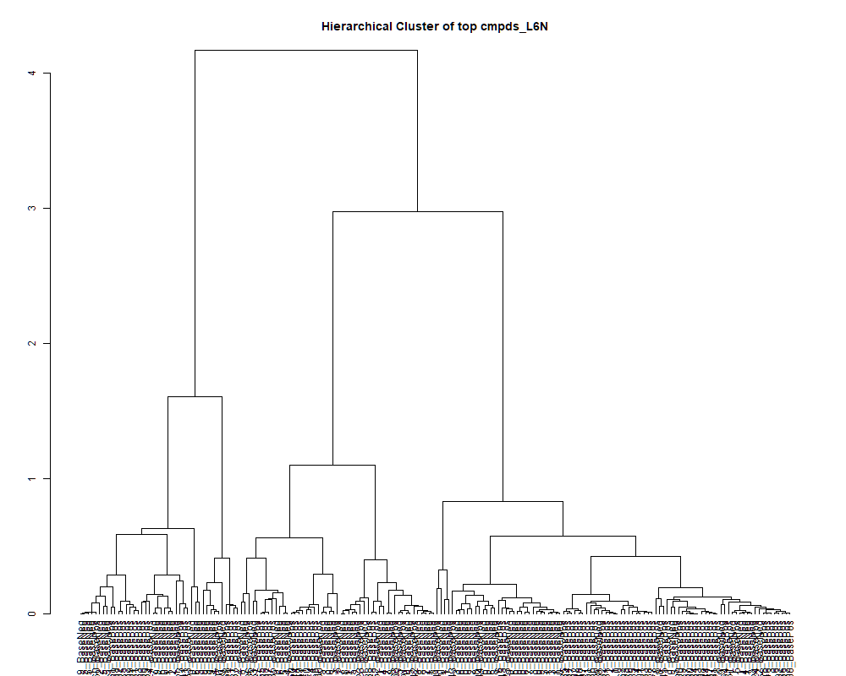
 | row.names | compounds | MF | p.value | F.value
 | LTRS_000001_BaseNeg | Lys-Lys (M-H) | C12H26N4O3 | 2.22E-09 | 24.771
 | LTRS_000001_BasePos | Spermine (M+H -C3H10N2) | C10H26N4 | 1.36E-06 | 12.831
 | LTRS_000002_BaseNeg | Lys-Ser (M-H) | C9H19N3O4 | 3.50E-16 | 98.851
 | LTRS_000002_BasePos | Spermidine (M+H) | C7H19N3 | 6.22E-07 | 13.986
 | LTRS_000003_BaseNeg | Asn-Lys (M-H) | C10H20N4O4 | 7.81E-04 | 5.676
 | LTRS_000004_BaseNeg | Gly-lys (M-H) | C8H17N3O3 | 1.51E-24 | 479.174
 | LTRS_000004_BasePos | C13H29N3O5 (M+H) | C13H29N3O5 | 6.69E-01 | 0.677
 | LTRS_000005_BaseNeg | C6H14N20O2 (M-H) | C6H14N20O2 | 6.69E-01 | 0.677
 | LTRS_000005_BasePos | C12H27ClN2Na (M+2H) | C12H27ClN2Na | 3.97E-08 | 18.651
 | LTRS_000006_BaseNeg | Gamma-glutamyl-L-putrescine (M-H) | C9H19N3O3 | 5.94E-01 | 0.779
 | LTRS_000006_BasePos | methometon (M+2H) | C12H23N5O3 | 3.45E-02 | 2.744
 | LTRS_000007_BaseNeg | C9H11N13 (M-H) | C9H11N13 | 2.67E-09 | 24.335
 | LTRS_000007_BasePos | Gly-lys (M+H) | C8H17N3O3 | 1.21E-23 | 404.953
 | LTRS_000008_BaseNeg | C9H25N3O4P2 (M-H) | C9H25N3O4P2 | 2.53E-10 | 30.393
 | LTRS_000008_BasePos | Lys-Ser (M+H) | C9H19N3O4 | 4.50E-13 | 53.646
 | LTRS_000009_BaseNeg | Ornithine (M-H) | C5H12N2O2 | 7.31E-23 | 349.982
 | LTRS_000009_BasePos | Asn-Lys (M+H) | C10H20N4O4 | 1.54E-11 | 39.241
 | LTRS_000010_BaseNeg | L-Lysine (M-H) | C6H14N2O2 | 2.59E-25 | 552.324
 | LTRS_000010_BasePos | L-Lysine (M+H -NH3) | C6H14N2O2 | 1.22E-15 | 89.004
 | LTRS_000011_BaseNeg | C6H18ClN2Na2P (M-H) | C6H18ClN2Na2P | 2.98E-19 | 177.632
 | LTRS_000011_BasePos | L-Lysine (M+H) | C6H14N2O2 | 9.49E-14 | 61.397
 | LTRS_000012_BaseNeg | L-Lysine (M-H+HCOONa) | C6H14N2O2 | 7.46E-01 | 0.575
 | LTRS_000012_BasePos | L-Lysine (M+H -NH3 -CH2O2) | C6H14N2O2 | 5.30E-15 | 78.587
 | LTRS_000013_BaseNeg | C6H12N10O5P2 (M-H) | C6H12N10O5P2 | 1.03E-08 | 21.331
 | LTRS_000014_BaseNeg | C6H12N8O12P2 (M-H) | C6H12N8O12P2 | 1.02E-08 | 21.360
 | LTRS_000014_BasePos | C6H9KN5O (M+H) | C6H9KN5O | 1.02E-18 | 160.490
 | LTRS_000016_BaseNeg | 1-[(5-Amino-5-carboxypentyl)amino]-1-deoxyfructose (M-H) | C12H24N2O7 | 8.48E-01 | 0.436
 | LTRS_000016_BasePos | C6H6N10Na2O2P2 (M+H) | C6H6N10Na2O2P2 | 1.03E-10 | 33.014
 | LTRS_000017_BaseNeg | L-Histidine (M-H) | C6H9N3O2 | 1.03E-10 | 33.011
 | LTRS_000017_BasePos | C6H8N4O11P2 (M+H) | C6H8N4O11P2 | 1.56E-18 | 154.998
 | LTRS_000018_BaseNeg | Lys-Thr (M-H) | C10H21N3O4 | 6.38E-02 | 2.325
 | LTRS_000018_BasePos | C12H21N2O8PS (M+H) | C12H21N2O8PS | 8.61E-01 | 0.417
 | LTRS_000019_BasePos | C6H9KO5P (M+H) | C6H9KO5P | 4.29E-07 | 14.557
 | LTRS_000020_BasePos | C12H15N10OP (M+H) | C12H15N10OP | 5.07E-01 | 0.906
 | LTRS_000021_BasePos | N(epsilon, epsilon, epsilon)-trimethyllysine (M+H) | C9H20N2O2 | 8.00E-22 | 288.174
 | LTRS_000023_BaseNeg | C6H10N8O11 (M-H) | C6H10N8O11 | 1.39E-05 | 9.804
 | LTRS_000023_BasePos | Gamma-glutamyl-L-putrescine (M+H) | C9H19N3O3 | 6.39E-14 | 63.526
 | LTRS_000024_BasePos | L-Histidine (M+H) | C6H9N3O2 | 3.14E-03 | 4.515
 | LTRS_000025_BasePos | 1-[(5-Amino-5-carboxypentyl)amino]-1-deoxyfructose (M+H) | C12H24N2O7 | 7.15E-01 | 0.616
 | LTRS_000026_BasePos | L-Histidine (M+H -CH2O2) | C6H9N3O2 | 6.17E-02 | 2.348
 | LTRS_000027_BasePos | C11H22N2O7 (M+H) | C11H22N2O7 | 4.67E-12 | 43.661
 | LTRS_000028_BaseNeg | L-Arginine (M-H) | C6H14N4O2 | 2.13E-17 | 124.856
 | LTRS_000028_BasePos | N-Butyrylglycine (2M+H) | C6H11NO3 | 9.47E-02 | 2.061
 | LTRS_000029_BasePos | 2-[(2S,3S,6S)-2-(hydroxymethyl)-3-[[oxo-(propan-2-ylamino)methyl]amino]-3,6-dihydro-2H-pyran-6-yl]acetic acid (M+H) | C12H20N2O5 | 9.86E-01 | 0.158
 | LTRS_000030_BaseNeg | C15H29N3O8 (M-H) | C15H29N3O8 | 6.16E-02 | 2.349
 | LTRS_000031_BaseNeg | N-(1-Deoxy-1-fructosyl)histidine (M-H) | C12H19N3O7 | 2.44E-01 | 1.427
 | LTRS_000031_BasePos | Carnosine (M+H) | C9H14N4O3 | 2.09E-02 | 3.093
 | LTRS_000032_BaseNeg | Epsilon-gGlu-Lys (M-H) | C11H21N3O5 | 7.14E-01 | 0.618
 | LTRS_000034_BaseNeg | L-Serine (M-H) | C3H7NO3 | 6.30E-05 | 8.105
 | LTRS_000034_BasePos | L-Arginine (M+H -CH5N3) | C6H14N4O2 | 2.29E-14 | 69.368
 | LTRS_000035_BasePos | L-Arginine (M+H) | C6H14N4O2 | 5.40E-15 | 78.466
 | LTRS_000036_BaseNeg | Ser-Ser (M-H) | C6H12N2O5 | 1.59E-11 | 39.135
 | LTRS_000037_BasePos | L-Arginine (M+H -NH3) | C6H14N4O2 | 4.48E-14 | 65.498
 | LTRS_000038_BaseNeg | C6H20N4Na2OP2 (M-H) | C6H20N4Na2OP2 | 5.70E-09 | 22.610
 | LTRS_000038_BasePos | 4-guanidinobutanal (M+H) | C5H11N3O | 3.63E-06 | 11.488
 | LTRS_000039_BaseNeg | C6H8N20O9P2 (M-H) | C6H8N20O9P2 | 7.48E-07 | 13.709
 | LTRS_000039_BasePos | Arg-Ser (M+H) | C9H19N5O4 | 2.25E-11 | 37.931
 | LTRS_000040_BaseNeg | C6H8N14O12 (M-H) | C6H8N14O12 | 1.47E-11 | 39.410
 | LTRS_000040_BasePos | N-(1-Deoxy-1-fructosyl)histidine (M+H) | C12H19N3O7 | 6.36E-08 | 17.780
 | LTRS_000041_BaseNeg | Glycerylphosphorylethanolamine (M-H) | C5H14NO6P | 1.24E-24 | 486.837
 | LTRS_000041_BasePos | epsilon-gamma-Glu-Lys (M+H) | C11H21N3O5 | 4.01E-10 | 29.118
 | LTRS_000042_BaseNeg | L-Aspartate (M-H) | C4H7NO4 | 8.85E-27 | 725.173
 | LTRS_000043_BaseNeg | C12H14N10Na2O11 (M-H) | C12H14N10Na2O11 | 1.59E-14 | 71.553
 | LTRS_000043_BasePos | L-Serine (M+H) | C3H7NO3 | 3.73E-05 | 8.671
 | LTRS_000044_BaseNeg | C8H16N7O2P3 (M-H) | C8H16N7O2P3 | 3.18E-01 | 1.244
 | LTRS_000044_BasePos | Phosphorylcholine (M+) | [C5H15NO4P]+ | 7.00E-19 | 165.594
 | LTRS_000045_BaseNeg | Trehalose 6-phosphate (M-H) | C12H23O14P | 1.12E-05 | 10.058
 | LTRS_000045_BasePos | L-Asparagine (M+H -NH3) | C4H8N2O3 | 1.52E-13 | 58.950
 | LTRS_000046_BaseNeg | N-(1-Deoxy-1-fructosyl)glycine (M-H) | C8H15NO7 | 5.99E-03 | 4.011
 | LTRS_000046_BasePos | Ala-Arg (M+H) | C9H19N5O3 | 4.50E-06 | 11.205
 | LTRS_000047_BaseNeg | Ala-Asn (M-H) | C7H13N3O4 | 1.88E-14 | 70.549
 | LTRS_000048_BaseNeg | 4'-Phosphopantothenoylcysteine (M-H) | C12H23N2O9PS | 8.98E-01 | 0.359
 | LTRS_000048_BasePos | C8H14NNa2P (M+H) | C8H14NNa2P | 1.26E-01 | 1.869
 | LTRS_000049_BaseNeg | C9H17N11O4P2 (M-H) | C9H17N11O4P2 | 4.60E-01 | 0.979
 | LTRS_000049_BasePos | L-Glutamine (M+H -NH3) | C5H10N2O3 | 1.48E-19 | 188.135
 | LTRS_000050_BaseNeg | L-Glutamine (M-H) | C5H10N2O3 | 2.23E-32 | 2042.731
 | LTRS_000050_BasePos | L-Glutamine (M+H) | C5H10N2O3 | 3.24E-15 | 81.929
 | LTRS_000051_BaseNeg | C9H20NO12P (M-H) | C9H20NO12P | 3.88E-01 | 1.103
 | LTRS_000052_BaseNeg | Ala-Ala-Ala (M+Cl) | C9H17N3O4 | 5.52E-02 | 2.423
 | LTRS_000053_BaseNeg | N2-Fructopyranosylarginine (M-H) | C12H24N4O7 | 8.01E-01 | 0.502
 | LTRS_000053_BasePos | N2-Succinyl-L-glutamic acid 5-semialdehyde (M+H) | C9H13NO6 | 5.03E-02 | 2.486
 | LTRS_000054_BaseNeg | L-Homoserine (M-H) | C4H9NO3 | 1.88E-28 | 988.449
 | LTRS_000054_BasePos | N2-Fructopyranosylarginine (M+H) | C12H24N4O7 | 3.05E-02 | 2.830
 | LTRS_000055_BaseNeg | C8H9N11O6 (M-H) | C8H9N11O6 | 1.02E-28 | 1038.790
 | LTRS_000055_BasePos | L-Threonine (M+H) | C4H9NO3 | 8.90E-03 | 3.714
 | LTRS_000056_BaseNeg | N-Acetyl-D-Glucosamine 6-Phosphate (M-H) | C8H16NO9P | 1.42E-13 | 59.286
 | LTRS_000056_BasePos | C12H22N7NaP (M+H) | C12H22N7NaP | 9.31E-11 | 33.328
 | LTRS_000057_BaseNeg | C8H16N18O (M-H) | C8H16N18O | 4.18E-01 | 1.050
 | LTRS_000059_BaseNeg | C7H21NNa2OP2 (M-H) | C7H21NNa2OP2 | 4.46E-26 | 636.569
 | LTRS_000059_BasePos | Phosphorylcholine (M+) | [C5H15NO4P]+ | 2.93E-12 | 45.501
 | LTRS_000060_BasePos | sn-Glycero-3-phosphocholine (M+H) | C8H20NO6P | 7.31E-26 | 611.713
 | LTRS_000061_BasePos | Neurine (M+H) | C5H13NO | 5.29E-11 | 35.097
 | LTRS_000063_BaseNeg | L-beta-aspartyl-L-serine (M-H) | C7H12N2O6 | 2.52E-01 | 1.404
 | LTRS_000063_BasePos | Ser-Thr (M+H) | C7H14N2O5 | 2.75E-04 | 6.629
 | LTRS_000064_BaseNeg | C13H26N8O3P2 (M-H) | C13H26N8O3P2 | 1.43E-05 | 9.769
 | LTRS_000064_BasePos | Distichonic acid A (M+H) | C10H18N2O8 | 1.11E-11 | 40.402
 | LTRS_000065_BaseNeg | C10H15N9O (M-H) | C10H15N9O | 5.69E-01 | 0.815
 | LTRS_000066_BaseNeg | Ser-Thr (M-H) | C7H14N2O5 | 2.99E-18 | 146.921
 | LTRS_000066_BasePos | Diazolidinylurea (M+H) | C8H14N4O7 | 3.48E-01 | 1.181
 | LTRS_000067_BasePos | N-Methylaspartate (M+H) | C5H9NO4 | 1.46E-13 | 59.147
 | LTRS_000068_BaseNeg | 3-Aminoisobutanoate (M-H) | C4H9NO2 | 3.35E-20 | 212.487
 | LTRS_000068_BasePos | Pyroglutamic acid (M+H) | C5H7NO3 | 2.42E-09 | 24.561
 | LTRS_000069_BaseNeg | C7H16N9O4P (M-H) | C7H16N9O4P | 3.69E-01 | 1.140
 | LTRS_000070_BaseNeg | N-Acetylserine (M-H) | C5H9NO4 | 1.27E-23 | 403.297
 | LTRS_000070_BasePos | N-Methylaspartate (M+H -CH2O2) | C5H9NO4 | 3.52E-05 | 8.737
 | LTRS_000071_BaseNeg | 5-Oxoproline (M-H) | C5H7NO3 | 1.35E-19 | 189.620
 | LTRS_000071_BasePos | C10H12N7OP (M+H) | C10H12N7OP | 7.11E-04 | 5.760
 | LTRS_000072_BaseNeg | (S)-malyl alpha-D-glucosaminide (M-H) | C10H17NO9 | 7.31E-03 | 3.861
 | LTRS_000072_BasePos | C11H21N7O4P2 (M+H) | C11H21N7O4P2 | 2.84E-01 | 1.322
 | LTRS_000073_BaseNeg | Asn-asp (M-H) | C8H13N3O6 | 8.63E-05 | 7.775
 | LTRS_000073_BasePos | Arg-Glu (M+H) | C11H21N5O5 | 2.07E-01 | 1.537
 | LTRS_000074_BaseNeg | N-Acetylserine (2M-2H+Na) | C5H9NO4 | 8.74E-08 | 17.208
 | LTRS_000074_BasePos | C7H18N4NaP2 (M+H) | C7H18N4NaP2 | 7.54E-11 | 33.978
 | LTRS_000075_BaseNeg | C5H6N10Na2O6 (M-H) | C5H6N10Na2O6 | 1.29E-01 | 1.854
 | LTRS_000075_BasePos | Lomustine (M+H) | C9H16ClN3O2 | 2.63E-03 | 4.656
 | LTRS_000076_BaseNeg | C11H21N7O4P2 (M-H) | C11H21N7O4P2 | 2.97E-01 | 1.292
 | LTRS_000076_BasePos | Succinyl proline (M+H) | C9H13NO5 | 1.67E-02 | 3.254
 | LTRS_000077_BaseNeg | Arg-Glu (M-H) | C11H21N5O5 | 1.09E-01 | 1.966
 | LTRS_000077_BasePos | Muramic acid (M+H) | C9H17NO7 | 5.70E-01 | 0.814
 | LTRS_000078_BaseNeg | Trehalose 6-phosphate (M-H) | C12H23O14P | 1.24E-02 | 3.467
 | LTRS_000078_BasePos | Methionine sulfoxide (M+H) | C5H11NO3S | 4.62E-32 | 1926.654
 | LTRS_000079_BaseNeg | Galactonic acid (M-H) | C6H12O7 | 9.62E-23 | 342.253
 | LTRS_000080_BaseNeg | Methionine sulfoxide (M-H) | C5H11NO3S | 3.26E-09 | 23.868
 | LTRS_000080_BasePos | Citruline (M+H) | C6H13N3O3 | 1.01E-01 | 2.017
 | LTRS_000081_BaseNeg | beta-Asp-Ala (M-H) | C7H12N2O5 | 8.85E-11 | 33.484
 | LTRS_000081_BasePos | Ser-Thr (M+H) | C7H14N2O5 | 4.95E-13 | 53.198
 | LTRS_000082_BaseNeg | Ser-Thr (M-H) | C7H14N2O5 | 9.09E-18 | 134.001
 | LTRS_000082_BasePos | C7H13ClN4 (M+H) | C7H13ClN4 | 4.45E-12 | 43.850
 | LTRS_000083_BaseNeg | L-Glutamine (M-H) | C5H10N2O3 | 1.95E-21 | 268.017
 | LTRS_000083_BasePos | bAsp-Ala (M+H) | C7H12N2O5 | 1.27E-04 | 7.381
 | LTRS_000084_BaseNeg | Ala-Gln (M-H) | C8H15N3O4 | 6.65E-06 | 10.705
 | LTRS_000084_BasePos | C12H27N6Na2P (M+H) | C12H27N6Na2P | 2.10E-06 | 12.228
 | LTRS_000085_BaseNeg | Asn-Thr (M-H) | C8H15N3O5 | 4.27E-15 | 80.034
 | LTRS_000085_BasePos | Ala-Gln (M+H) | C8H15N3O4 | 1.51E-01 | 1.748
 | LTRS_000086_BaseNeg | myo-Inositol (M-H) | C6H12O6 | 1.84E-04 | 7.015
 | LTRS_000086_BasePos | C8H20ClN2NaP (M+H) | C8H20ClN2NaP | 1.92E-09 | 25.109
 | LTRS_000087_BaseNeg | N-(1-Deoxy-1-fructosyl)threonine (M-H) | C10H19NO8 | 3.52E-01 | 1.172
 | LTRS_000087_BasePos | N-acetylneuraminamide (M+H) | C11H20N2O8 | 2.87E-03 | 4.586
 | LTRS_000088_BaseNeg | Ala-Asn (M-H) | C7H13N3O4 | 9.42E-13 | 50.283
 | LTRS_000088_BasePos | Ala-Ser (M+H) | C6H12N2O4 | 8.31E-17 | 111.477
 | LTRS_000089_BaseNeg | beta-Asp-Thr (M-H) | C8H14N2O6 | 1.87E-18 | 152.711
 | LTRS_000089_BasePos | C10H15N4NaP (M+H) | C10H15N4NaP | 1.59E-03 | 5.066
 | LTRS_000090_BaseNeg | Ala-Thr (M-H) | C7H14N2O4 | 1.70E-10 | 31.531
 | LTRS_000090_BasePos | N-(1-Deoxy-1-fructosyl)threonine (M+H) | C10H19NO8 | 5.57E-01 | 0.831
 | LTRS_000091_BaseNeg | Lys-Val (M-H) | C11H23N3O3 | 1.01E-06 | 13.260
 | LTRS_000091_BasePos | 4-O-(beta-L-Araf)-cis-L-Hyp zwitterion (M+H) | C10H17NO7 | 6.26E-01 | 0.736
 | LTRS_000092_BaseNeg | N-Acetylneuraminate (M-H) | C11H19NO9 | 7.54E-13 | 51.273
 | LTRS_000092_BasePos | Muramic acid (M+H) | C9H17NO7 | 2.24E-03 | 4.788
 | LTRS_000093_BaseNeg | C12H14N10Na2O6 (M-H) | C12H14N10Na2O6 | 9.85E-01 | 0.159
 | LTRS_000093_BasePos | Ala-Thr (M+H) | C7H14N2O4 | 6.23E-16 | 94.163
 | LTRS_000094_BaseNeg | C12H26O18P2 (M-H) | C12H26O18P2 | 8.76E-01 | 0.394
 | LTRS_000094_BasePos | L-Lysine (M+H) | C6H14N2O2 | 6.69E-01 | 0.677
 | LTRS_000095_BaseNeg | C11H32N10NaO12 (M-H) | C11H32N10NaO12 | 3.84E-01 | 1.110
 | LTRS_000095_BasePos | C10H27N2NaOP (M+H) | C10H27N2NaOP | 5.64E-01 | 0.821
 | LTRS_000096_BasePos | L-Lysine (M+H -NH3) | C6H14N2O2 | 6.69E-01 | 0.677
 | LTRS_000097_BasePos | Ala-Ser (M+H) | C6H12N2O4 | 5.32E-19 | 169.379
 | LTRS_000098_BaseNeg | C18H33N15NaO8 (M-H) | C18H33N15NaO8 | 2.34E-01 | 1.454
 | LTRS_000098_BasePos | N-Acetylneuraminate (M+H) | C11H19NO9 | 2.93E-03 | 4.568
 | LTRS_000099_BaseNeg | C10H30N12Na2O10 (M-H) | C10H30N12Na2O10 | 6.14E-02 | 2.351
 | LTRS_000099_BasePos | N-acetyl-2,7-anhydro-alpha-neuraminic acid (M+H) | C11H17NO8 | 4.61E-04 | 6.149
 | LTRS_000100_BasePos | Malonylcarnitine (M+H) | C10H17NO6 | 9.89E-11 | 33.144
 | LTRS_000101_BaseNeg | myo-Inositol (M-H) | C6H12O6 | 2.62E-02 | 2.937
 | LTRS_000101_BasePos | D-1-[(3-Carboxypropyl)amino]-1-deoxyfructose (M+H) | C10H19NO7 | 3.43E-03 | 4.444
 | LTRS_000102_BaseNeg | C12H15N14Na2P (M-H) | C12H15N14Na2P | 5.64E-01 | 0.822
 | LTRS_000102_BasePos | C12H31N5O5P2 (M+H) | C12H31N5O5P2 | 5.45E-01 | 0.848
 | LTRS_000103_BaseNeg | Isomaltose (M-H) | C12H22O11 | 1.49E-02 | 3.335
 | LTRS_000103_BasePos | Palatinose (M+Na) | C12H22O11 | 5.52E-03 | 4.074
 | LTRS_000104_BasePos | 3-Hydroxy-3-methylglutarate (M+H) | C6H10O5 | 6.69E-01 | 0.677
 | LTRS_000105_BasePos | Palatinose (M+NH4) | C12H22O11 | 2.09E-04 | 6.891
 | LTRS_000106_BaseNeg | C10H36N20NaO17 (M-H) | C10H36N20NaO17 | 9.23E-02 | 2.078
 | LTRS_000106_BasePos | bis-D-fructose 2',1:2,1'-dianhydride (M+H) | C12H20O10 | 2.74E-06 | 11.862
 | LTRS_000107_BasePos | 2-Furancarboxaldehyde (M+H) | C5H4O2 | 6.69E-01 | 0.677
 | LTRS_000108_BaseNeg | Isomaltose (M+COOH) | C12H22O11 | 6.69E-01 | 0.677
 | LTRS_000108_BasePos | C10H18NNa2P (M+H) | C10H18NNa2P | 1.63E-01 | 1.699
 | LTRS_000109_BaseNeg | C11H36N14O18 (M-H) | C11H36N14O18 | 1.97E-01 | 1.572
 | LTRS_000110_BaseNeg | C12H23NO14 (M-H) | C12H23NO14 | 4.85E-05 | 8.384
 | LTRS_000110_BasePos | C11H41N18O15P (M+H) | C11H41N18O15P | 5.41E-02 | 2.436
 | LTRS_000111_BaseNeg | C11H24N17O4P (M-H) | C11H24N17O4P | 4.18E-01 | 1.049
 | LTRS_000111_BasePos | S-(2-Hydroxyethyl)glutathione (M+H) | C12H21N3O7S | 6.69E-01 | 0.677
 | LTRS_000112_BaseNeg | C12H32N16Na2P2 (M-H) | C12H32N16Na2P2 | 9.52E-02 | 2.057
 | LTRS_000112_BasePos | N-acetyl-2,7-anhydro-alpha-neuraminic acid (M+H) | C11H17NO8 | 2.42E-03 | 4.722
 | LTRS_000113_BasePos | L-Proline (M+H) | C5H9NO2 | 3.99E-20 | 209.464
 | LTRS_000114_BasePos | N-Acetyl-b-glucosaminylamine (M+H) | C8H16N2O5 | 1.01E-05 | 10.183
 | LTRS_000115_BaseNeg | beta-Asp-Glu (M-H) | C9H14N2O7 | 1.17E-01 | 1.917
 | LTRS_000115_BasePos | L-Proline (M+H -CH2O2) | C5H9NO2 | 9.19E-23 | 343.539
 | LTRS_000116_BasePos | bAsp-Thr (M+H) | C8H14N2O6 | 5.41E-06 | 10.968
 | LTRS_000117_BasePos | C11H11N10NaO2P (M+H) | C11H11N10NaO2P | 2.94E-01 | 1.300
 | LTRS_000118_BasePos | pyroGlu-Gly (M+H) | C7H10N2O4 | 5.32E-05 | 8.286
 | LTRS_000119_BaseNeg | C10H35N18O4P3 (M-H) | C10H35N18O4P3 | 3.84E-01 | 1.112
 | LTRS_000119_BasePos | D-1-[(3-Carboxypropyl)amino]-1-deoxyfructose (M+H) | C10H19NO7 | 6.63E-07 | 13.889
 | LTRS_000120_BaseNeg | N-Acetyl-b-glucosaminylamine (M-H) | C8H16N2O5 | 4.84E-09 | 22.974
 | LTRS_000120_BasePos | L-Histidine (M+H) | C6H9N3O2 | 6.69E-01 | 0.677
 | LTRS_000121_BaseNeg | beta-Asp-Thr (M-H) | C8H14N2O6 | 7.63E-07 | 13.679
 | LTRS_000121_BasePos | Asn-glu (M+H) | C9H15N3O6 | 1.60E-05 | 9.633
 | LTRS_000122_BasePos | Lys-Pro (M+H) | C11H21N3O3 | 9.53E-10 | 26.844
 | LTRS_000123_BaseNeg | N-Acetylneuraminate (M-H) | C11H19NO9 | 5.06E-04 | 6.064
 | LTRS_000123_BasePos | Citicoline (M+H) | C14H26N4O11P2 | 2.09E-12 | 46.881
 | LTRS_000124_BaseNeg | D-1-[(3-Carboxypropyl)amino]-1-deoxyfructose (M-H) | C10H19NO7 | 8.81E-01 | 0.386
 | LTRS_000124_BasePos | Asp-Pro (M+H) | C9H14N2O5 | 2.26E-12 | 46.557
 | LTRS_000125_BaseNeg | C11H11N7O8 (M-H) | C11H11N7O8 | 1.32E-05 | 9.866
 | LTRS_000125_BasePos | Ala-Thr (M+H) | C7H14N2O4 | 2.77E-12 | 45.723
 | LTRS_000126_BasePos | 5-Hydroxymethyl-4-methyluracil (M+H) | C6H8N2O3 | 3.65E-02 | 2.705
 | LTRS_000127_BasePos | Glu-Ala (M+H) | C8H14N2O5 | 1.01E-05 | 10.192
 | LTRS_000128_BaseNeg | Uridine 5'-diphosphate (M-H) | C9H14N2O12P2 | 1.16E-01 | 1.927
 | LTRS_000128_BasePos | 1,4-dihydroxy-4a,5,6,7,8,8a-hexahydroquinoxaline-2,3-dione (M+H) | C8H12N2O4 | 3.20E-12 | 45.145
 | LTRS_000129_BaseNeg | Asn-glu (M-H) | C9H15N3O6 | 2.70E-09 | 24.303
 | LTRS_000129_BasePos | Asymmetric dimethylarginine (M+H) | C8H18N4O2 | 9.37E-05 | 7.691
 | LTRS_000130_BaseNeg | beta-Asp-Ala (M-H) | C7H12N2O5 | 2.64E-11 | 37.381
 | LTRS_000130_BasePos | Cysteineglutathione disulfide (M+2H) | C13H22N4O8S2 | 1.02E-04 | 7.600
 | LTRS_000131_BaseNeg | Maltitol (M-H) | C12H24O11 | 1.13E-01 | 1.943
 | LTRS_000131_BasePos | C10H20N7O10P (M+H) | C10H20N7O10P | 8.20E-04 | 5.634
 | LTRS_000132_BaseNeg | C12H13N15Na (M-H) | C12H13N15Na | 1.25E-01 | 1.876
 | LTRS_000132_BasePos | Glutathione (M+H) | C10H17N3O6S | 3.77E-03 | 4.370
 | LTRS_000133_BaseNeg | C12H26N2O12 (M-H) | C12H26N2O12 | 2.39E-01 | 1.440
 | LTRS_000133_BasePos | Cysteineglutathione disulfide (M+H) [LTRS_00212] (M+H) | C13H22N4O8S2 | 4.91E-03 | 4.164
 | LTRS_000134_BaseNeg | C14H14N16O8 (M-H) | C14H14N16O8 | 2.03E-21 | 267.103
 | LTRS_000134_BasePos | C10H20N7O10P (M+2H) | C10H20N7O10P | 1.56E-06 | 12.637
 | LTRS_000135_BaseNeg | C11H13N9O6P2 (M-H) | C11H13N9O6P2 | 8.95E-25 | 499.756
 | LTRS_000136_BaseNeg | Ala-Thr (M-H) | C7H14N2O4 | 2.03E-10 | 31.018
 | LTRS_000136_BasePos | D-1-[(3-Carboxypropyl)amino]-1-deoxyfructose (M+H) | C10H19NO7 | 4.34E-01 | 1.023
 | LTRS_000137_BaseNeg | Glu-Thr (M-H) | C9H16N2O6 | 6.43E-24 | 426.112
 | LTRS_000137_BasePos | Glu-Thr (M+H) | C9H16N2O6 | 2.66E-09 | 24.337
 | LTRS_000138_BaseNeg | Glu-Ala (M-H) | C8H14N2O5 | 6.53E-08 | 17.732
 | LTRS_000138_BasePos | N-Carboxyethyl-gamma-aminobutyric acid (M+H) | C7H13NO4 | 3.56E-01 | 1.165
 | LTRS_000139_BaseNeg | C10H24KN2O2S (M-H) | C10H24KN2O2S | 5.26E-20 | 204.793
 | LTRS_000139_BasePos | His-Val (M+H) | C11H18N4O3 | 1.78E-08 | 20.219
 | LTRS_000140_BaseNeg | Glutathione (M-H) | C10H17N3O6S | 2.56E-08 | 19.495
 | LTRS_000140_BasePos | C13H26N6O5 (M+H) | C13H26N6O5 | 5.81E-01 | 0.797
 | LTRS_000141_BaseNeg | C7H12N17O4P (M-H) | C7H12N17O4P | 4.78E-01 | 0.951
 | LTRS_000141_BasePos | Lys-Val (M+H) | C11H23N3O3 | 4.49E-01 | 0.997
 | LTRS_000142_BaseNeg | Uridine-5'-diphospho-N-acetylglucosamine (M-H) | C17H27N3O17P2 | 5.35E-29 | 1093.662
 | LTRS_000142_BasePos | L-Arginine (M+H) | C6H14N4O2 | 1.36E-05 | 9.828
 | LTRS_000143_BaseNeg | C10H23NO17 (M-H) | C10H23NO17 | 1.80E-04 | 7.039
 | LTRS_000143_BasePos | Arg-Val (M+H) | C11H23N5O3 | 8.97E-01 | 0.361
 | LTRS_000144_BaseNeg | Cysteineglutathione disulfide (M-H) | C13H22N4O8S2 | 7.36E-06 | 10.579
 | LTRS_000144_BasePos | Asn-Val (M+H) | C9H17N3O4 | 1.85E-14 | 70.663
 | LTRS_000145_BaseNeg | Glu-Thr (M-H) | C9H16N2O6 | 1.11E-09 | 26.454
 | LTRS_000145_BasePos | Lys-Val (M+H) | C11H23N3O3 | 2.52E-07 | 15.406
 | LTRS_000146_BaseNeg | N-Carboxyethyl-g-aminobutyric acid (M-H) | C7H13NO4 | 7.87E-01 | 0.521
 | LTRS_000146_BasePos | Cytidine monophosphate (M+H) | C9H14N3O8P | 3.46E-20 | 211.931
 | LTRS_000147_BaseNeg | gGln-Glu (M-H) | C10H16N2O7 | 6.36E-24 | 426.503
 | LTRS_000147_BasePos | Cytidine 2',3'-cyclic phosphate (M+H) | C9H12N3O7P | 6.69E-01 | 0.677
 | LTRS_000148_BaseNeg | C10H15N5NaO3 (M-H) | C10H15N5NaO3 | 1.61E-24 | 476.517
 | LTRS_000148_BasePos | D-1-[(3-Carboxypropyl)amino]-1-deoxyfructose (M+H) | C10H19NO7 | 2.69E-01 | 1.359
 | LTRS_000149_BaseNeg | Lys-Val (M-H) | C11H23N3O3 | 4.71E-01 | 0.962
 | LTRS_000149_BasePos | N-Acetylthreonine (M+H) | C6H11NO4 | 6.69E-01 | 0.677
 | LTRS_000150_BaseNeg | Arg-Val (M-H) | C11H23N5O3 | 1.00E-01 | 2.023
 | LTRS_000150_BasePos | C15H33N4Na2P (M+2H) | C15H33N4Na2P | 2.54E-01 | 1.398
 | LTRS_000151_BaseNeg | Malate (M-H) | C4H6O5 | 1.56E-09 | 25.615
 | LTRS_000151_BasePos | L-Valine (M+H) | C5H11NO2 | 1.67E-10 | 31.593
 | LTRS_000152_BaseNeg | Arg-Val (M-H) | C11H23N5O3 | 6.49E-04 | 5.840
 | LTRS_000152_BasePos | L-Valine (M+H -CH2O2) | C5H11NO2 | 5.76E-16 | 94.793
 | LTRS_000153_BaseNeg | Asn-Val (M-H) | C9H17N3O4 | 2.12E-19 | 182.656
 | LTRS_000153_BasePos | Ser-Val (M+H) | C8H16N2O4 | 7.24E-12 | 41.984
 | LTRS_000154_BaseNeg | Lys-Val (M-H) | C11H23N3O3 | 1.80E-01 | 1.631
 | LTRS_000154_BasePos | Arg-Pro (M+H) | C11H21N5O3 | 9.62E-06 | 10.247
 | LTRS_000155_BaseNeg | Cytidine monophosphate (M-H) | C9H14N3O8P | 5.03E-32 | 1913.507
 | LTRS_000155_BasePos | Ala-Ala-Pro (M+H) | C11H19N3O4 | 3.59E-04 | 6.379
 | LTRS_000156_BaseNeg | Cytidine 2',3'-cyclic phosphate (M-H) | C9H12N3O7P | 6.69E-01 | 0.677
 | LTRS_000156_BasePos | C17H33N3O8 (M+H) | C17H33N3O8 | 1.08E-01 | 1.970
 | LTRS_000157_BasePos | Uridine 5'-Monophosphate (M+H) | C9H13N2O9P | 1.36E-17 | 129.554
 | LTRS_000158_BaseNeg | C15H39O4PS (M-H) | C15H39O4PS | 1.81E-01 | 1.629
 | LTRS_000158_BasePos | Kynurenine (M+H) | C10H12N2O3 | 3.18E-01 | 1.244
 | LTRS_000159_BaseNeg | Adenosine 3',5'-diphosphate (M-H) | C10H15N5O10P2 | 1.80E-14 | 70.817
 | LTRS_000159_BasePos | Ala-Ala-Pro (M+H) | C11H19N3O4 | 4.02E-01 | 1.077
 | LTRS_000160_BaseNeg | Ser-Val (M-H) | C8H16N2O4 | 8.68E-21 | 237.301
 | LTRS_000160_BasePos | Ile-Lys (M+H) | C12H25N3O3 | 1.18E-13 | 60.238
 | LTRS_000161_BaseNeg | N2-acetyl-Ornithine (M-H) | C7H14N2O3 | 2.74E-13 | 56.006
 | LTRS_000161_BasePos | L-Lysine (M+H -NH3) | C6H14N2O2 | 1.87E-11 | 38.570
 | LTRS_000162_BaseNeg | C5H10N12O6 (M-H) | C5H10N12O6 | 2.77E-01 | 1.339
 | LTRS_000162_BasePos | L-Lysine (M+H) | C6H14N2O2 | 2.78E-05 | 9.001
 | LTRS_000163_BaseNeg | Betaine (M-H) | C5H11NO2 | 9.50E-19 | 161.487
 | LTRS_000163_BasePos | Uridine 5'-Monophosphate (M+H) | C9H13N2O9P | 1.29E-09 | 26.090
 | LTRS_000164_BaseNeg | Ala-Ala-Pro (M-H) | C11H19N3O4 | 8.34E-02 | 2.146
 | LTRS_000164_BasePos | Glu-Ala (M+H) | C8H14N2O5 | 2.87E-01 | 1.315
 | LTRS_000165_BaseNeg | Uridine 5'-monophosphate (M-H) | C9H13N2O9P | 5.31E-22 | 297.949
 | LTRS_000166_BaseNeg | Ile-Lys (M-H) | C12H25N3O3 | 4.42E-17 | 117.510
 | LTRS_000166_BasePos | Ile-Lys (M+H) | C12H25N3O3 | 4.91E-01 | 0.929
 | LTRS_000167_BaseNeg | Glu-Ala (M-H) | C8H14N2O5 | 1.02E-02 | 3.613
 | LTRS_000167_BasePos | Gly-Pro (M+H) | C7H12N2O3 | 1.81E-04 | 7.031
 | LTRS_000168_BaseNeg | Arg-Val (M-H) | C11H23N5O3 | 1.48E-03 | 5.126
 | LTRS_000168_BasePos | Arg-Val (M+H) | C11H23N5O3 | 1.16E-01 | 1.922
 | LTRS_000170_BaseNeg | Cytidine (M-H) | C9H13N3O5 | 2.60E-06 | 11.933
 | LTRS_000170_BasePos | N2-Succinylornithine (M+H) | C9H16N2O5 | 1.53E-14 | 71.807
 | LTRS_000171_BaseNeg | Val-Asp (M-H) | C9H16N2O5 | 6.18E-13 | 52.176
 | LTRS_000171_BasePos | Ala-hPro (M+H) | C8H14N2O4 | 1.01E-13 | 61.077
 | LTRS_000172_BaseNeg | Aminoadipic acid (M-H) | C6H11NO4 | 5.66E-01 | 0.818
 | LTRS_000173_BaseNeg | Leu-Ser (M-H) | C9H18N2O4 | 2.01E-01 | 1.557
 | LTRS_000173_BasePos | Leu-Ser (M+H) | C9H18N2O4 | 1.07E-02 | 3.579
 | LTRS_000174_BaseNeg | Asn-Ile (M-H) | C10H19N3O4 | 4.41E-03 | 4.248
 | LTRS_000174_BasePos | Asn-Ile (M+H) | C10H19N3O4 | 6.15E-01 | 0.751
 | LTRS_000175_BaseNeg | C16H31NO20 (M-H) | C16H31NO20 | 5.79E-03 | 4.038
 | LTRS_000176_BaseNeg | C19H19N17O8 (M-H) | C19H19N17O8 | 2.23E-18 | 150.489
 | LTRS_000176_BasePos | D-ribitol-(5-P-2)-alpha-D-Galp-(1->3)-alpha-D-Glcp (M+H) | C17H33O18P | 4.88E-01 | 0.934
 | LTRS_000177_BaseNeg | C8H30N12O20 (M-H) | C8H30N12O20 | 6.96E-02 | 2.267
 | LTRS_000178_BasePos | L-Tyrosine (M+H) | C9H11NO3 | 8.49E-16 | 91.749
 | LTRS_000179_BasePos | Lys-Tyr (M+H) | C15H23N3O4 | 4.67E-07 | 14.426
 | LTRS_000180_BaseNeg | Adenosine monophosphate (M-H) | C10H14N5O7P | 2.85E-15 | 82.822
 | LTRS_000180_BasePos | Adenosine monophosphate (M+H) | C10H14N5O7P | 5.97E-13 | 52.330
 | LTRS_000181_BasePos | L-Tyrosine (M+H -NH3) | C9H11NO3 | 7.33E-16 | 92.887
 | LTRS_000182_BaseNeg | Spermic acid 2 (M-H) | C10H20N2O4 | 5.01E-12 | 43.390
 | LTRS_000183_BaseNeg | 5-Oxoproline (M-H) | C5H7NO3 | 9.54E-20 | 195.055
 | LTRS_000183_BasePos | C14H21N7Na (M+H) | C14H21N7Na | 3.38E-03 | 4.456
 | LTRS_000185_BaseNeg | C9H19N3O9 (M-H) | C9H19N3O9 | 2.62E-01 | 1.377
 | LTRS_000185_BasePos | bAsp-Leu (M+H) | C10H18N2O5 | 5.23E-10 | 28.402
 | LTRS_000186_BasePos | C14H24N6Na2O (M+H) | C14H24N6Na2O | 8.03E-01 | 0.500
 | LTRS_000187_BaseNeg | N-acetyl-2,7-anhydro-alpha-neuraminic acid (M-H) | C11H17NO8 | 3.16E-06 | 11.672
 | LTRS_000187_BasePos | Ala-Pro (M+H) | C8H14N2O3 | 1.47E-02 | 3.349
 | LTRS_000188_BaseNeg | Guanosine monophosphate (M-H) | C10H14N5O8P | 1.97E-24 | 468.905
 | LTRS_000189_BaseNeg | C9H21N7NaO8 (M-H) | C9H21N7NaO8 | 6.69E-01 | 0.677
 | LTRS_000190_BaseNeg | Uridine (M-H) | C9H12N2O6 | 2.63E-12 | 45.933
 | LTRS_000190_BasePos | L-Tyrosine (M+H -NH3 -CH2O2) | C9H11NO3 | 6.69E-01 | 0.677
 | LTRS_000191_BaseNeg | L-b-Aspartyl-L-leucine (M-H) | C10H18N2O5 | 1.73E-18 | 153.689
 | LTRS_000192_BaseNeg | Uridine 5'-monophosphate (M-H) | C9H13N2O9P | 6.05E-02 | 2.361
 | LTRS_000192_BasePos | Adenosine (M+H) | C10H13N5O4 | 6.69E-01 | 0.677
 | LTRS_000193_BaseNeg | C9H17N15Na2O (M-H) | C9H17N15Na2O | 7.10E-03 | 3.883
 | LTRS_000194_BaseNeg | Arg-Ile (M-H) | C12H25N5O3 | 4.27E-01 | 1.034
 | LTRS_000195_BaseNeg | C14H21N10P (M-H) | C14H21N10P | 7.43E-02 | 2.223
 | LTRS_000196_BasePos | (3s,8ar)-3-(1h-Imidazol-5-Ylmethyl)Hexahydropyrrolo[1,2-a]Pyrazine-1,4-Dione (M+H) | C11H14N4O2 | 1.31E-08 | 20.833
 | LTRS_000197_BaseNeg | gGln-Glu (M-H) | C10H16N2O7 | 9.86E-01 | 0.157
 | LTRS_000197_BasePos | C14H37N20OP (M+2H) | C14H37N20OP | 9.35E-01 | 0.293
 | LTRS_000198_BaseNeg | Leu-Ser (M-H) | C9H18N2O4 | 1.31E-07 | 16.505
 | LTRS_000199_BaseNeg | L-Tyrosine (M-H) | C9H11NO3 | 1.13E-13 | 60.486
 | LTRS_000199_BasePos | L-Tyrosine (M+H -C2H5NO3) | C9H11NO3 | 6.69E-01 | 0.677
 | LTRS_000200_BaseNeg | C14H36N5O9P (M-H) | C14H36N5O9P | 3.40E-01 | 1.197
 | LTRS_000200_BasePos | L-Tyrosine (M+H -C3H5NO2) | C9H11NO3 | 3.00E-20 | 214.402
 | LTRS_000201_BaseNeg | C17H26O25 (M-H) | C17H26O25 | 1.82E-01 | 1.625
 | LTRS_000202_BaseNeg | C10H22N19Na2O12P (M-H) | C10H22N19Na2O12P | 5.29E-01 | 0.872
 | LTRS_000202_BasePos | C14H31N12O2P (M+2H) | C14H31N12O2P | 3.06E-01 | 1.271
 | LTRS_000203_BaseNeg | 1,4-dihydroxy-4a,5,6,7,8,8a-hexahydroquinoxaline-2,3-dione (M-H) | C8H12N2O4 | 1.35E-05 | 9.834
 | LTRS_000203_BasePos | Ile-Lys (M+H) | C12H25N3O3 | 4.05E-01 | 1.073
 | LTRS_000204_BaseNeg | C18H27N3O24 (M-H) | C18H27N3O24 | 9.06E-01 | 0.345
 | LTRS_000204_BasePos | N''-{3-[(3s,8ar)-1,4-Dioxooctahydropyrrolo[1,2-a]Pyrazin-3-Yl]Propyl}Guanidine (M+H) | C11H19N5O2 | 3.38E-01 | 1.202
 | LTRS_000205_BaseNeg | gGln-Ile (M-H) | C11H20N2O5 | 4.76E-16 | 96.326
 | LTRS_000205_BasePos | Arg-Ile (M+H) | C12H25N5O3 | 7.45E-01 | 0.577
 | LTRS_000206_BaseNeg | Ala-Ile (M-H) | C9H18N2O3 | 4.56E-11 | 35.572
 | LTRS_000208_BaseNeg | C13H33N6O9P (M-H) | C13H33N6O9P | 2.49E-01 | 1.414
 | LTRS_000208_BasePos | C14H28N6O4 (M+H) | C14H28N6O4 | 7.32E-02 | 2.233
 | LTRS_000210_BaseNeg | C14H27N5Na2O4 (M-H) | C14H27N5Na2O4 | 4.56E-01 | 0.985
 | LTRS_000211_BaseNeg | C10H29N3O6S (M-H) | C10H29N3O6S | 4.21E-02 | 2.608
 | LTRS_000212_BaseNeg | L-Isoleucine (M-H) | C6H13NO2 | 6.54E-08 | 17.729
 | LTRS_000213_BaseNeg | 2-Methylmalonate (M-H) | C4H6O4 | 1.15E-23 | 406.591
 | LTRS_000214_BaseNeg | Glu-Glu-Ile (M-H) | C16H27N3O8 | 8.01E-01 | 0.502
 | LTRS_000215_BaseNeg | 3-Hydroxy-3-methylglutarate (M-H) | C6H10O5 | 2.03E-13 | 57.493
 | LTRS_000216_BaseNeg | C17H28N13OP (M-H) | C17H28N13OP | 6.70E-01 | 0.677
 | LTRS_000216_BasePos | C18H33N16P (M+H) | C18H33N16P | 2.44E-01 | 1.426
 | LTRS_000217_BaseNeg | Ala-Val-Asp-Pro (M-H) | C17H28N4O7 | 2.22E-01 | 1.490
 | LTRS_000219_BaseNeg | Lys-Phe (M-H) | C15H23N3O3 | 7.76E-01 | 0.536
 | LTRS_000220_BaseNeg | Dethiobiotin (M-H) | C10H18N2O3 | 1.17E-18 | 158.697
 | LTRS_000221_BaseNeg | C12H31NO7S (M-H) | C12H31NO7S | 8.89E-01 | 0.373
 | LTRS_000222_BaseNeg | Arg-Phe (M-H) | C15H23N5O3 | 2.19E-03 | 4.805
 | LTRS_000223_BaseNeg | N-(2-hydroxyethyl)-4-methoxy-3-nitroaniline (M-H) | C9H12N2O4 | 8.19E-01 | 0.477
 | LTRS_000224_BaseNeg | 5-N-Acetyl-4-Amino-6-Diethylcarboxamide-4,5-Dihydro-2h-Pyran-2-Carboxylic Acid (M-H) | C13H23N3O5 | 6.69E-01 | 0.677
 | LTRS_000225_BaseNeg | Val-Val (M-H) | C10H20N2O3 | 7.33E-18 | 136.413
 | LTRS_000226_BaseNeg | C13H30KN2S (M-H) | C13H30KN2S | 3.99E-01 | 1.084
 | LTRS_000227_BaseNeg | Leu-Ala-Ser (M-H) | C12H23N3O5 | 4.11E-01 | 1.062
 | LTRS_000228_BaseNeg | Leu-Ala-Asp (M-H) | C13H23N3O6 | 1.82E-08 | 20.170
 | LTRS_000229_BaseNeg | C13H32KN2P2 (M-H) | C13H32KN2P2 | 2.17E-01 | 1.507
 | LTRS_000229_BasePos | N-(1-Deoxy-1-fructosyl)leucine (M+H) | C12H23NO7 | 4.53E-01 | 0.990
 | LTRS_000230_BaseNeg | C9H23N11Na2O (M-H) | C9H23N11Na2O | 2.36E-02 | 3.008
 | LTRS_000231_BaseNeg | C13H29N7P2 (M-H) | C13H29N7P2 | 7.82E-01 | 0.528
 | LTRS_000231_BasePos | Norleucine (M+H -CH2O2) | C6H13NO2 | 2.07E-15 | 85.085
 | LTRS_000232_BaseNeg | N-(1-Deoxy-1-fructosyl)phenylalanine (M-H) | C15H21NO7 | 8.00E-01 | 0.503
 | LTRS_000232_BasePos | C11H30KN6S (M+H) | C11H30KN6S | 2.24E-01 | 1.483
 | LTRS_000233_BaseNeg | Mevalonic acid (M-H) | C6H12O4 | 4.47E-01 | 1.001
 | LTRS_000233_BasePos | Norleucine (M+H) | C6H13NO2 | 1.83E-01 | 1.622
 | LTRS_000235_BaseNeg | Tyr-Val (M-H) | C14H20N2O4 | 1.87E-03 | 4.934
 | LTRS_000235_BasePos | Lys-Phe (M+H) | C15H23N3O3 | 5.03E-01 | 0.911
 | LTRS_000236_BaseNeg | Asn-Ile (M-H) | C10H19N3O4 | 6.02E-18 | 138.654
 | LTRS_000236_BasePos | C16H23N11O2 (M+H) | C16H23N11O2 | 6.69E-01 | 0.677
 | LTRS_000237_BasePos | N(2)-Acetyllysine (M+H) | C8H16N2O3 | 2.12E-15 | 84.920
 | LTRS_000238_BaseNeg | C13H30N8P2 (M-H) | C13H30N8P2 | 8.72E-01 | 0.399
 | LTRS_000238_BasePos | 4-(1-aminoethyl)-N-pyridin-4-yl-1-cyclohexanecarboxamide (M+2H) | C14H21N3O | 6.69E-01 | 0.677
 | LTRS_000239_BaseNeg | C13H29N8O2P (M-H) | C13H29N8O2P | 5.19E-01 | 0.887
 | LTRS_000239_BasePos | Gly-Tyr (M+H) | C11H14N2O4 | 6.69E-01 | 0.677
 | LTRS_000240_BaseNeg | C13H33N4NaPS (M-H) | C13H33N4NaPS | 2.69E-01 | 1.360
 | LTRS_000240_BasePos | Dethiobiotin (M+H) | C10H18N2O3 | 7.61E-18 | 135.979
 | LTRS_000241_BaseNeg | L-Phenylalanine (M-H) | C9H11NO2 | 3.13E-22 | 311.024
 | LTRS_000242_BaseNeg | C17H45OP3 (M-H) | C17H45OP3 | 1.59E-01 | 1.716
 | LTRS_000242_BasePos | Arg-Phe (M+H) | C15H23N5O3 | 2.67E-02 | 2.921
 | LTRS_000243_BaseNeg | L-Phenylalanine (M-H -NH3) | C9H11NO2 | 3.83E-14 | 66.388
 | LTRS_000243_BasePos | L-Phenylalanine (M+H -CH2O2) | C9H11NO2 | 1.44E-01 | 1.781
 | LTRS_000244_BaseNeg | Ala-Ile (M-H) | C9H18N2O3 | 2.58E-03 | 4.671
 | LTRS_000244_BasePos | C16H39KN5S (M+H) | C16H39KN5S | 3.88E-01 | 1.103
 | LTRS_000245_BaseNeg | Spermic acid 2 (M-H) | C10H20N2O4 | 5.52E-01 | 0.838
 | LTRS_000245_BasePos | Ser-Phe (M+H) | C12H16N2O4 | 1.66E-16 | 105.235
 | LTRS_000246_BaseNeg | C14H36N8O5P2 (M-H) | C14H36N8O5P2 | 3.45E-01 | 1.188
 | LTRS_000246_BasePos | C15H38N2Na2O5 (M+2H) | C15H38N2Na2O5 | 8.43E-01 | 0.443
 | LTRS_000248_BaseNeg | Gly-Pro-hPro (M-H) | C12H19N3O5 | 6.69E-01 | 0.677
 | LTRS_000248_BasePos | alpha-Hydroxyhippurate (M+NH4) | C9H9NO4 | 6.69E-01 | 0.677
 | LTRS_000249_BaseNeg | C15H20N9P (M-H) | C15H20N9P | 5.84E-01 | 0.793
 | LTRS_000249_BasePos | p-Aminohippuric acid (M+H) | C9H10N2O3 | 4.28E-03 | 4.271
 | LTRS_000250_BaseNeg | N6-Acetyl-L-lysine (M-H) | C8H16N2O3 | 7.16E-16 | 93.075
 | LTRS_000251_BaseNeg | Ala-Ile (M-H) | C9H18N2O3 | 5.07E-22 | 299.031
 | LTRS_000252_BaseNeg | Ile-Pro (M-H) | C11H20N2O3 | 9.56E-18 | 133.435
 | LTRS_000252_BasePos | 5-N-Acetyl-4-Amino-6-Diethylcarboxamide-4,5-Dihydro-2h-Pyran-2-Carboxylic Acid (M+H) | C13H23N3O5 | 7.68E-01 | 0.547
 | LTRS_000253_BaseNeg | gGln-Ile (M-H) | C11H20N2O5 | 1.54E-12 | 48.150
 | LTRS_000253_BasePos | Metharbital (M+H) | C9H14N2O3 | 1.62E-02 | 3.275
 | LTRS_000254_BaseNeg | Glu-Ile-Ser (M-H) | C14H25N3O7 | 4.74E-01 | 0.956
 | LTRS_000255_BaseNeg | C13H25N5O6 (M-H) | C13H25N5O6 | 2.98E-01 | 1.289
 | LTRS_000255_BasePos | Val-Val (M+H) | C10H20N2O3 | 6.22E-12 | 42.559
 | LTRS_000256_BaseNeg | C14H26ClN5 (M-H) | C14H26ClN5 | 4.31E-01 | 1.027
 | LTRS_000256_BasePos | Leu-Gly-Pro (M+H) | C13H23N3O4 | 3.06E-01 | 1.271
 | LTRS_000257_BaseNeg | Ile-Tyr (M-H) | C15H22N2O4 | 9.91E-05 | 7.633
 | LTRS_000257_BasePos | C25H43N3Na2O11 (M+H) | C25H43N3Na2O11 | 6.69E-01 | 0.677
 | LTRS_000258_BaseNeg | C16H25N11 (M-H) | C16H25N11 | 4.41E-01 | 1.010
 | LTRS_000259_BaseNeg | Ala-Tyr (M-H) | C12H16N2O4 | 1.43E-10 | 32.038
 | LTRS_000260_BaseNeg | Leul-Val (M-H) | C11H22N2O3 | 7.55E-02 | 2.212
 | LTRS_000261_BaseNeg | Asn-Phe (M-H) | C13H17N3O4 | 4.93E-23 | 361.343
 | LTRS_000261_BasePos | C13H33N3O6S (M+H) | C13H33N3O6S | 9.16E-02 | 2.082
 | LTRS_000262_BaseNeg | C23H42N15OP (M-H) | C23H42N15OP | 4.21E-01 | 1.045
 | LTRS_000262_BasePos | C15H36NNaO4PS (M+H) | C15H36NNaO4PS | 3.08E-01 | 1.266
 | LTRS_000263_BaseNeg | C17H30N6O5 (M-H) | C17H30N6O5 | 4.60E-01 | 0.978
 | LTRS_000263_BasePos | Dethiobiotin (M+H) | C10H18N2O3 | 7.32E-11 | 34.073
 | LTRS_000264_BaseNeg | Gly-Phe (M-H) | C11H14N2O3 | 7.12E-04 | 5.759
 | LTRS_000265_BaseNeg | Phe-Thr (M-H) | C13H18N2O4 | 7.04E-01 | 0.631
 | LTRS_000265_BasePos | N-(1-Deoxy-1-fructosyl)phenylalanine (M+H) | C15H21NO7 | 6.02E-01 | 0.768
 | LTRS_000266_BaseNeg | Leu-Gly-Pro (M-H) | C13H23N3O4 | 2.51E-06 | 11.983
 | LTRS_000266_BasePos | 4-amino-N-(1-azabicyclo[2.2.2]octan-3-yl)-5-chloro-2-methoxybenzamide (M+H) | C15H20ClN3O2 | 7.47E-01 | 0.575
 | LTRS_000267_BaseNeg | C13H30KN2S (M-H) | C13H30KN2S | 5.14E-07 | 14.278
 | LTRS_000267_BasePos | C16H37N2O4PS (M+H) | C16H37N2O4PS | 6.97E-03 | 3.896
 | LTRS_000268_BaseNeg | Phe-Ala (M-H) | C12H16N2O3 | 5.18E-10 | 28.428
 | LTRS_000268_BasePos | N-[[3-(2-furanyl)-2-methylprop-2-enylidene]amino]-2-[4-(phenylmethyl)-1-piperazinyl]acetamide (M+H) | C21H26N4O2 | 5.30E-01 | 0.870
 | LTRS_000269_BaseNeg | Epetraborole (M-H) | C11H16BNO4 | 6.69E-01 | 0.677
 | LTRS_000270_BaseNeg | 2-{[hydroxy(4-hydroxy-3,5-dimethoxyphenyl)methylidene]amino}acetic acid (M-H) | C11H13NO6 | 6.69E-01 | 0.677
 | LTRS_000270_BasePos | N1-(alpha-D-ribosyl)-5,6-dimethyl-benzimidazole (M+H) | C14H18N2O4 | 1.50E-04 | 7.219
 | LTRS_000271_BaseNeg | L-Tryptophan (M-H) | C11H12N2O2 | 1.13E-26 | 711.002
 | LTRS_000271_BasePos | C16H25N11 (M+H) | C16H25N11 | 4.57E-01 | 0.984
 | LTRS_000272_BaseNeg | Leul-Val (M-H) | C11H22N2O3 | 8.42E-20 | 197.054
 | LTRS_000273_BaseNeg | (2S,4S)-Monatin (M-H) | C14H16N2O5 | 6.52E-01 | 0.700
 | LTRS_000273_BasePos | C20H35N16P (M+H) | C20H35N16P | 6.20E-03 | 3.985
 | LTRS_000274_BasePos | C25H37N11O9 (M+H) | C25H37N11O9 | 6.69E-01 | 0.677
 | LTRS_000276_BaseNeg | Pro-hPro (M-H) | C10H16N2O4 | 6.58E-01 | 0.692
 | LTRS_000276_BasePos | N-[3-(dimethylamino)propyl]-2-[(2S,5S,6R)-6-(hydroxymethyl)-5-[[oxo-(propan-2-ylamino)methyl]amino]-2-oxanyl]acetamide (M+2H) | C17H34N4O4 | 2.53E-01 | 1.403
 | LTRS_000277_BaseNeg | N-(3-acetamidopropyl)pyrrolidin-2-one (M-H) | C9H16N2O2 | 7.19E-01 | 0.612
 | LTRS_000277_BasePos | Tyr-Val (M+H) | C14H20N2O4 | 1.98E-02 | 3.132
 | LTRS_000278_BaseNeg | C10H14N8O6 (M-H) | C10H14N8O6 | 3.71E-01 | 1.135
 | LTRS_000278_BasePos | Lys-Trp (M+H) | C17H24N4O3 | 4.79E-03 | 4.182
 | LTRS_000279_BaseNeg | C22H29N13O2 (M-H) | C22H29N13O2 | 6.69E-01 | 0.677
 | LTRS_000280_BaseNeg | C15H23N3O5 (M-H) | C15H23N3O5 | 8.40E-01 | 0.448
 | LTRS_000280_BasePos | C15H27N3O5 (M+H) | C15H27N3O5 | 2.24E-03 | 4.787
 | LTRS_000281_BaseNeg | C16H22N9P (M-H) | C16H22N9P | 9.40E-01 | 0.282
 | LTRS_000281_BasePos | C13H37N2Na2P3 (M+H) | C13H37N2Na2P3 | 3.10E-01 | 1.261
 | LTRS_000282_BaseNeg | Ile-Leu (M-H) | C12H24N2O3 | 3.96E-02 | 2.650
 | LTRS_000282_BasePos | L-Phenylalanine (M+H) | C9H11NO2 | 2.07E-11 | 38.217
 | LTRS_000283_BaseNeg | N-cyclobutyl-2-[(2R,5S,6R)-6-(hydroxymethyl)-5-[[oxo(propylamino)methyl]amino]-2-oxanyl]acetamide (M-H) | C16H29N3O4 | 2.02E-08 | 19.959
 | LTRS_000283_BasePos | L-Phenylalanine (M+H -NH3) | C9H11NO2 | 6.18E-15 | 77.565
 | LTRS_000284_BaseNeg | Gly-Trp (M-H) | C13H15N3O3 | 1.19E-08 | 21.044
 | LTRS_000285_BaseNeg | C13H24N3Na2P (M-H) | C13H24N3Na2P | 3.30E-01 | 1.218
 | LTRS_000285_BasePos | L-Phenylalanine (M+H -CH2O2) | C9H11NO2 | 1.47E-13 | 59.113
 | LTRS_000286_BaseNeg | C18H43N4O5P3 (M-H) | C18H43N4O5P3 | 2.96E-01 | 1.294
 | LTRS_000286_BasePos | L-Phenylalanine (M+H -C2H5NO2) | C9H11NO2 | 3.25E-10 | 29.694
 | LTRS_000287_BaseNeg | C13H16N15P (M-H) | C13H16N15P | 6.69E-01 | 0.677
 | LTRS_000287_BasePos | N-[3-(dimethylamino)propyl]-2-[(2S,5S,6R)-6-(hydroxymethyl)-5-[[oxo-(propan-2-ylamino)methyl]amino]-2-oxanyl]acetamide (M+H) | C17H34N4O4 | 2.96E-01 | 1.294
 | LTRS_000288_BaseNeg | Val-Phe (M-H) | C14H20N2O3 | 7.07E-01 | 0.627
 | LTRS_000288_BasePos | L-Phenylalanine (M+H -C3H5NO) | C9H11NO2 | 4.29E-16 | 97.170
 | LTRS_000289_BaseNeg | Ile-Leu (M-H) | C12H24N2O3 | 7.13E-15 | 76.631
 | LTRS_000290_BaseNeg | C20H26N8NaS (M-H) | C20H26N8NaS | 6.69E-01 | 0.677
 | LTRS_000290_BasePos | Leu-Ser (M+H) | C9H18N2O4 | 1.03E-03 | 5.436
 | LTRS_000291_BaseNeg | C11H16NNaP (M-H) | C11H16NNaP | 8.51E-01 | 0.431
 | LTRS_000292_BaseNeg | C11H18K2N4 (M-H) | C11H18K2N4 | 9.39E-01 | 0.283
 | LTRS_000292_BasePos | Asn-Ile (M+H) | C10H19N3O4 | 2.83E-22 | 313.599
 | LTRS_000293_BaseNeg | C10H17Cl (M-H) | C10H17Cl | 4.20E-01 | 1.046
 | LTRS_000294_BaseNeg | Leu-Leu-Gly (M-H) | C14H27N3O4 | 3.54E-03 | 4.419
 | LTRS_000294_BasePos | Panax ginseng Tetrapeptide (M+H) | C18H33N7O7 | 3.97E-03 | 4.329
 | LTRS_000295_BaseNeg | 2-Hydroxy-3-methylbutyric acid (M-H) | C5H10O3 | 3.33E-29 | 1136.062
 | LTRS_000295_BasePos | C17H26N8O3 (M+H) | C17H26N8O3 | 1.21E-02 | 3.487
 | LTRS_000296_BaseNeg | Leu-Phe (M-H) | C15H22N2O3 | 2.00E-05 | 9.377
 | LTRS_000296_BasePos | C14H25N6NaP (M+H) | C14H25N6NaP | 5.13E-04 | 6.051
 | LTRS_000297_BaseNeg | C16H39O3PS (M-H) | C16H39O3PS | 2.05E-01 | 1.544
 | LTRS_000297_BasePos | 5'-Methylthioadenosine (M+H) | C11H15N5O3S | 8.60E-05 | 7.779
 | LTRS_000298_BaseNeg | slaframine (M-H) | C10H18N2O2 | 6.69E-01 | 0.677
 | LTRS_000300_BaseNeg | C11H14ClN6Na2P (M-H) | C11H14ClN6Na2P | 6.69E-01 | 0.677
 | LTRS_000300_BasePos | Ala-Leu (M+H) | C9H18N2O3 | 1.71E-11 | 38.879
 | LTRS_000301_BaseNeg | C11H16N11NaP (M-H) | C11H16N11NaP | 5.17E-01 | 0.890
 | LTRS_000301_BasePos | N(2)-Acetyllysine (M+H) | C8H16N2O3 | 2.98E-20 | 214.524
 | LTRS_000302_BaseNeg | Xamoterol (M-H) | C16H25N3O5 | 6.58E-01 | 0.693
 | LTRS_000302_BasePos | Ile-Pro (M+H) | C11H20N2O3 | 5.59E-11 | 34.918
 | LTRS_000303_BasePos | C14H26ClN5O (M+H) | C14H26ClN5O | 2.93E-01 | 1.301
 | LTRS_000304_BaseNeg | C11H18N2O4 (M-H) | C11H18N2O4 | 5.47E-02 | 2.429
 | LTRS_000304_BasePos | Glu-Ile-Ser (M+H) | C14H25N3O7 | 6.69E-01 | 0.677
 | LTRS_000305_BaseNeg | C10H38N18NaP2 (M-H) | C10H38N18NaP2 | 3.53E-01 | 1.171
 | LTRS_000305_BasePos | C11H22ClNNaO (M+H) | C11H22ClNNaO | 1.35E-05 | 9.839
 | LTRS_000306_BaseNeg | slaframine (M-H) | C10H18N2O2 | 2.97E-01 | 1.292
 | LTRS_000306_BasePos | Leu-Gly-Pro (M+H) | C13H23N3O4 | 4.90E-07 | 14.352
 | LTRS_000307_BaseNeg | C11H26K2N2Na2 (M-H) | C11H26K2N2Na2 | 1.97E-01 | 1.572
 | LTRS_000307_BasePos | bAsp-Leu (M+H) | C10H18N2O5 | 7.38E-11 | 34.046
 | LTRS_000308_BaseNeg | 3-Methoxytyrosine (M-H) | C10H13NO4 | 5.94E-01 | 0.779
 | LTRS_000308_BasePos | C12H33N11NaP2 (M+H) | C12H33N11NaP2 | 4.61E-01 | 0.978
 | LTRS_000309_BaseNeg | N-lactoyl-Tryptophan (M-H) | C14H16N2O4 | 5.92E-01 | 0.782
 | LTRS_000309_BasePos | C18H46NNaO6PS (M+H) | C18H46NNaO6PS | 5.01E-01 | 0.915
 | LTRS_000310_BaseNeg | N-(4-aminobutyl)-3-[3-methoxy-4-(sulfooxy)phenyl]prop-2-enimidic acid (M-H) | C14H20N2O6S | 8.62E-01 | 0.415
 | LTRS_000310_BasePos | C14H26ClN5 (M+H) | C14H26ClN5 | 1.63E-01 | 1.698
 | LTRS_000311_BaseNeg | C18H21N7NaO (M-H) | C18H21N7NaO | 1.18E-02 | 3.507
 | LTRS_000311_BasePos | Ile-Tyr (M+H) | C15H22N2O4 | 1.20E-11 | 40.124
 | LTRS_000312_BaseNeg | 5-[(4-methoxy-2-methylanilino)methylidene]-1-prop-2-enyl-1,3-diazinane-2,4,6-trione (M-H) | C16H17N3O4 | 6.46E-04 | 5.845
 | LTRS_000312_BasePos | Ala-Leu-Ala-Pro (M+H) | C17H30N4O5 | 1.88E-01 | 1.601
 | LTRS_000313_BaseNeg | L-Acetylcarnitine (M-H) | C9H17NO4 | 6.29E-06 | 10.775
 | LTRS_000313_BasePos | C18H37ClN6 (M+2H) | C18H37ClN6 | 3.76E-01 | 1.126
 | LTRS_000314_BaseNeg | Hexanoylglycine (M-H) | C8H15NO3 | 9.65E-07 | 13.331
 | LTRS_000314_BasePos | C12H25N8O2P (M+H) | C12H25N8O2P | 6.69E-01 | 0.677
 | LTRS_000315_BaseNeg | 2-Hydroxy-3-methylpentanoic acid (M-H) | C6H12O3 | 3.51E-11 | 36.433
 | LTRS_000315_BasePos | Ser-Phe (M+H) | C12H16N2O4 | 3.31E-11 | 36.627
 | LTRS_000316_BaseNeg | N-Acetylphenylalanine (M-H) | C11H13NO3 | 1.30E-07 | 16.510
 | LTRS_000316_BasePos | Asn-Phe (M+H) | C13H17N3O4 | 3.15E-20 | 213.551
 | LTRS_000317_BaseNeg | N-Heptanoylglycine (M-H) | C9H17NO3 | 8.56E-02 | 2.128
 | LTRS_000317_BasePos | N-hydroxydebrisoquine O-glucuronide (M+H) | C16H21N3O7 | 6.69E-01 | 0.677
 | LTRS_000318_BaseNeg | Phenyllactic acid (M-H) | C9H10O3 | 4.37E-18 | 142.378
 | LTRS_000319_BaseNeg | Capryloylglycine (M-H) | C10H19NO3 | 6.67E-03 | 3.930
 | LTRS_000319_BasePos | C16H25N13 (M+H) | C16H25N13 | 2.95E-01 | 1.297
 | LTRS_000321_BasePos | C23H45N9O8 (M+H) | C23H45N9O8 | 2.49E-01 | 1.412
 | LTRS_000322_BasePos | Gly-Phe (M+H) | C11H14N2O3 | 6.61E-02 | 2.301
 | LTRS_000323_BasePos | Phe-Thr (M+H) | C13H18N2O4 | 1.49E-09 | 25.735
 | LTRS_000324_BasePos | L-Phenylalanine (M+H -CH2O2) | C9H11NO2 | 8.53E-14 | 61.961
 | LTRS_000325_BasePos | L-Phenylalanine (M+H) | C9H11NO2 | 1.21E-08 | 20.999
 | LTRS_000326_BasePos | Leu-Gly-Pro (M+H) | C13H23N3O4 | 1.23E-05 | 9.951
 | LTRS_000327_BasePos | C19H35NO6S (M+H) | C19H35NO6S | 3.06E-01 | 1.270
 | LTRS_000328_BasePos | Phe-Ala (M+H) | C12H16N2O3 | 1.34E-20 | 229.067
 | LTRS_000329_BasePos | L-Tryptophan (M+H -H5NO) | C11H12N2O2 | 1.61E-15 | 86.924
 | LTRS_000330_BasePos | L-Tryptophan (M+H -NH3) | C11H12N2O2 | 2.77E-16 | 100.785
 | LTRS_000331_BasePos | L-Tryptophan (M+H -CH3NO2) | C11H12N2O2 | 9.10E-02 | 2.087
 | LTRS_000332_BasePos | L-Tryptophan (M+H -CH2O2) | C11H12N2O2 | 3.17E-19 | 176.726
 | LTRS_000333_BasePos | L-Tryptophan (M+H -C3H5NO2) | C11H12N2O2 | 8.10E-16 | 92.110
 | LTRS_000334_BasePos | L-Tryptophan (M+H) | C11H12N2O2 | 1.66E-14 | 71.321
 | LTRS_000335_BasePos | Ile-Val (M+H) | C11H22N2O3 | 1.92E-12 | 47.233
 | LTRS_000336_BasePos | L-Tryptophan (M+H -C2H3NO2) | C11H12N2O2 | 3.01E-18 | 146.829
 | LTRS_000337_BasePos | Ile-Tyr (M+H) | C15H22N2O4 | 2.65E-02 | 2.927
 | LTRS_000338_BasePos | Pro-Hyp (M+H) | C10H16N2O4 | 4.56E-01 | 0.986
 | LTRS_000339_BasePos | Glu-Val-Val (M+H) | C15H27N3O6 | 4.36E-03 | 4.256
 | LTRS_000340_BasePos | Phe-Pro (M+H) | C14H18N2O3 | 1.81E-06 | 12.430
 | LTRS_000341_BasePos | Ser-Trp (M+H) | C14H17N3O4 | 2.56E-13 | 56.339
 | LTRS_000342_BasePos | Asn-Trp (M+H) | C15H18N4O4 | 3.13E-14 | 67.543
 | LTRS_000343_BasePos | N-cyclobutyl-2-[(2R,5S,6R)-6-(hydroxymethyl)-5-[[oxo(propylamino)methyl]amino]-2-oxanyl]acetamide (M+H) | C16H29N3O4 | 7.58E-09 | 21.989
 | LTRS_000344_BasePos | C15H29KNS (M+H) | C15H29KNS | 4.52E-10 | 28.791
 | LTRS_000345_BasePos | 4,4'-(ethyl-2-nitropropane-1,3-diyl)bismorpholine (M+H) | C13H25N3O4 | 2.29E-04 | 6.804
 | LTRS_000346_BasePos | C19H34N7O6P (M+H) | C19H34N7O6P | 6.07E-01 | 0.761
 | LTRS_000347_BasePos | C20H28N8O7 (M+H) | C20H28N8O7 | 6.69E-01 | 0.677
 | LTRS_000348_BasePos | CAR(2:0) (M+H) | C9H17NO4 | 1.13E-06 | 13.105
 | LTRS_000349_BasePos | Val-Phe (M+H) | C14H20N2O3 | 4.74E-05 | 8.411
 | LTRS_000350_BasePos | 1,5-dihydroriboflavin (M+H) | C17H22N4O6 | 6.69E-01 | 0.677
 | LTRS_000352_BasePos | Ile-Ile (M+H) | C12H24N2O3 | 1.00E-09 | 26.708
 | LTRS_000354_BasePos | C11H16NNaP (M+H) | C11H16NNaP | 6.27E-01 | 0.734
 | LTRS_000356_BasePos | Indoleacrylic acid (M+H) | C11H9NO2 | 1.64E-10 | 31.640
 | LTRS_000357_BasePos | Indole-3-acetate (M+H -CH2O2) | C10H9NO2 | 6.53E-02 | 2.309
 | LTRS_000358_BasePos | Glu-Ile-Val (M+H) | C16H29N3O6 | 4.42E-02 | 2.574
 | LTRS_000359_BasePos | C10H13Cl (M+H) | C10H13Cl | 6.69E-01 | 0.677
 | LTRS_000360_BasePos | Trp-Val (M+H) | C16H21N3O3 | 3.34E-01 | 1.210
 | LTRS_000361_BasePos | cyclo(L-Pro-L-Val) (M+H) | C10H16N2O2 | 1.55E-02 | 3.306
 | LTRS_000362_BasePos | 1-[(2R,3R,6R)-2-(hydroxymethyl)-6-[2-oxo-2-(1-piperidinyl)ethyl]-3-oxanyl]-3-propan-2-ylurea (M+H) | C17H31N3O4 | 3.95E-21 | 253.004
 | LTRS_000363_BasePos | Leu-Phe (M+H) | C15H22N2O3 | 5.90E-01 | 0.784
 | LTRS_000364_BasePos | Ile-TRP (M+H) | C17H23N3O3 | 2.13E-04 | 6.871
 | LTRS_000365_BasePos | cyclo(L-Pro-L-Val) (M+H) | C10H16N2O2 | 2.78E-01 | 1.337
 | LTRS_000366_BasePos | C11H22ClNNaO (M+H) | C11H22ClNNaO | 3.31E-02 | 2.773
 | LTRS_000368_BasePos | C9H35N19NaO4 (M+H) | C9H35N19NaO4 | 6.33E-02 | 2.330
 | LTRS_000369_BasePos | L-Phenylalanine (M+H -CH2O2) | C9H11NO2 | 1.49E-01 | 1.758
 | LTRS_000370_BasePos | N-lactoyl-Tryptophan (M+H) | C14H16N2O4 | 1.04E-01 | 1.998
 | LTRS_000371_BasePos | 5-[(4-methoxy-2-methylanilino)methylidene]-1-prop-2-enyl-1,3-diazinane-2,4,6-trione (M+H) | C16H17N3O4 | 1.95E-01 | 1.578
 | LTRS_000372_BasePos | L,L-Cyclo(Leu-Pro) (M+H) | C11H18N2O2 | 0.12459021338 | 1.8773845719
 | LTRS_000373_BasePos | L,L-Cyclo(Leu-Pro) (M+H) | C11H18N2O2 | 0.00069466938403 | 5.7798579189
 | LTRS_000374_BasePos | cyclo(L-Phe-L-Pro) (M+H) | C14H16N2O2 | 0.013229305698 | 3.4223625487

Anova->NMF3
This tab has the report for k= 3

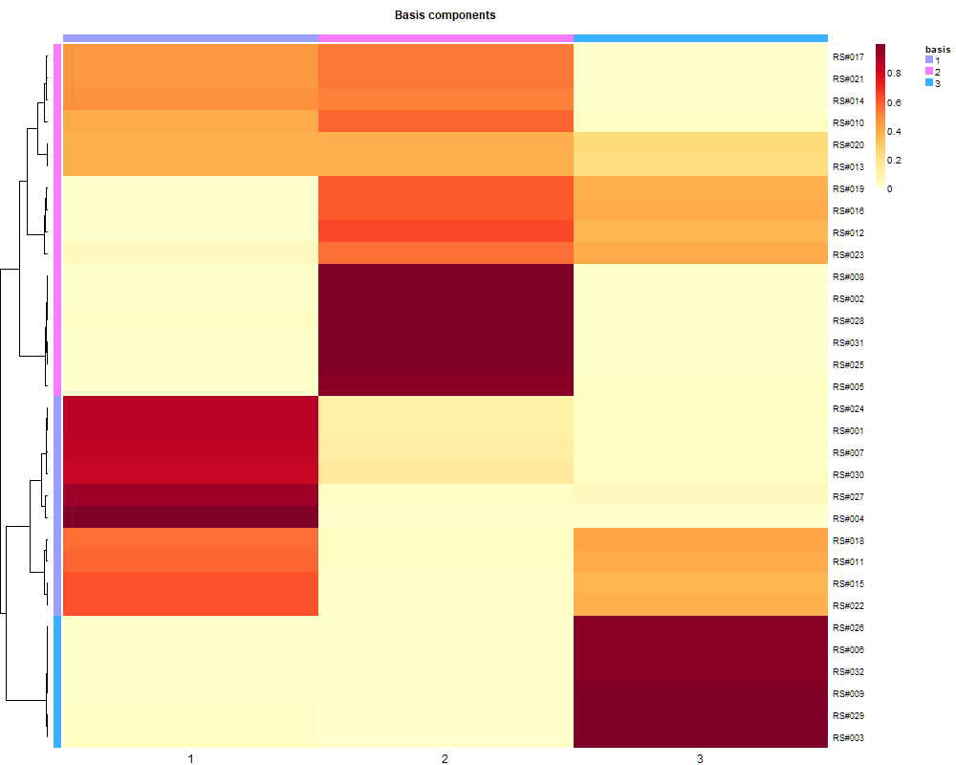
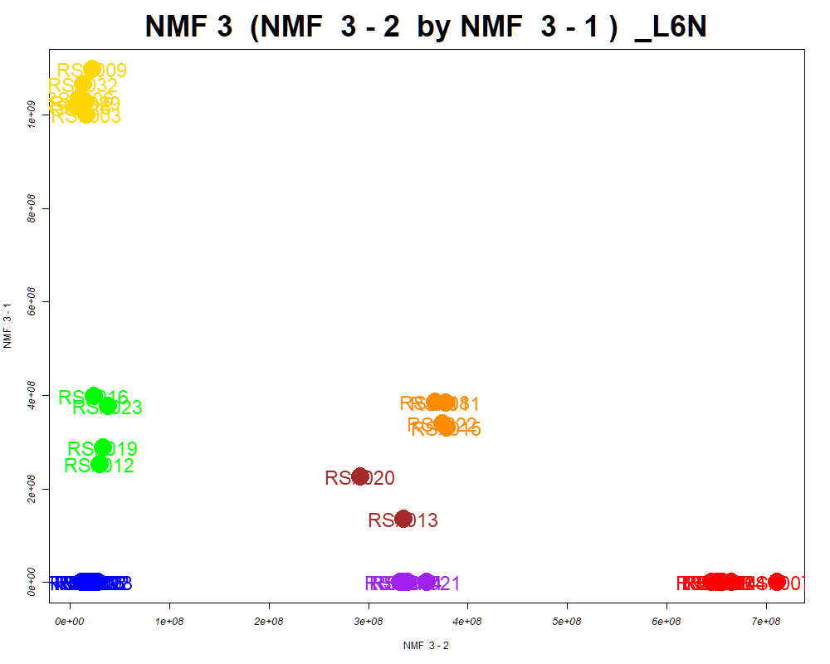
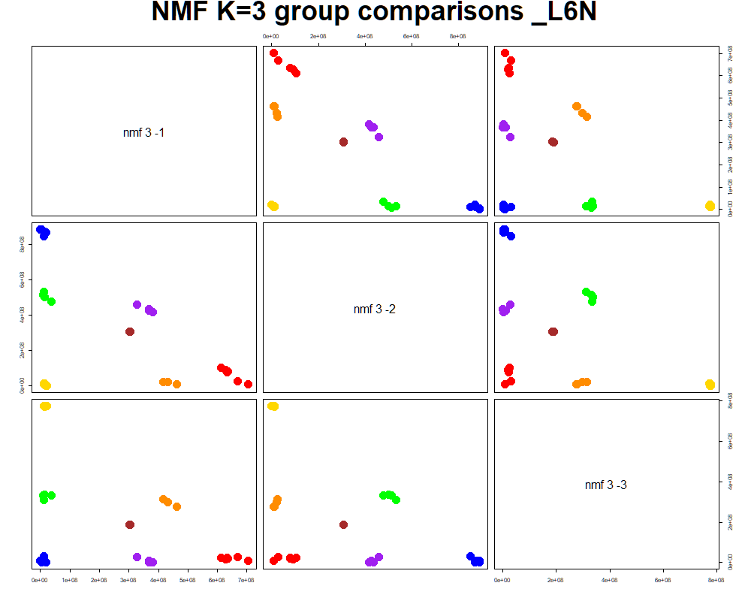
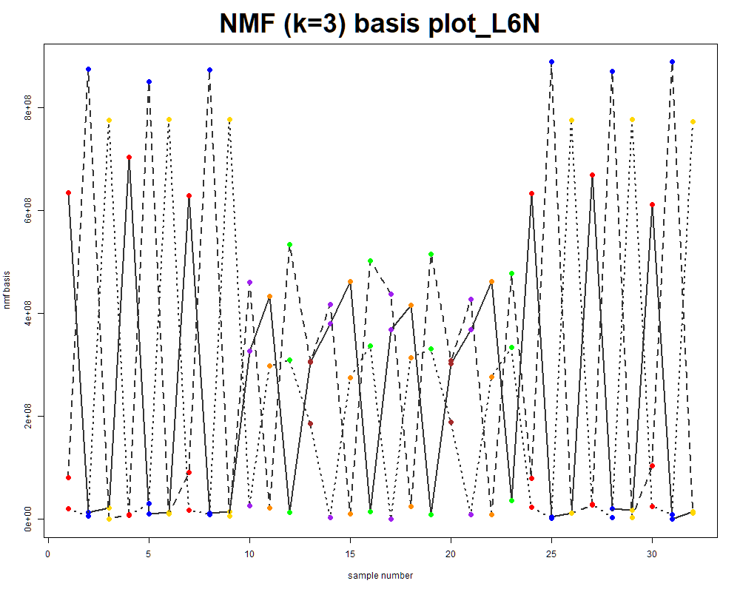
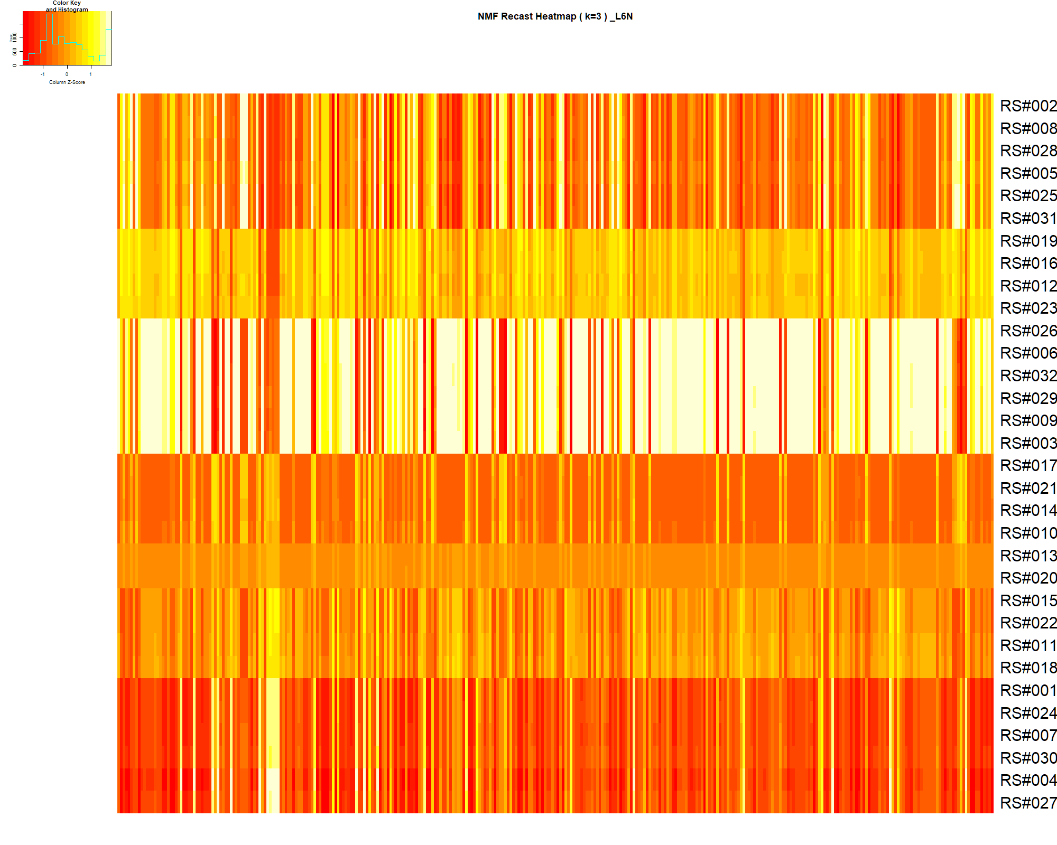

LabNum | BinID | Name | MF | BinC12mz | BinRT | nmf 3 -1 | nmf 3 -2 | nmf 3 -3 | Group |  | ExperimentalGroup | GroupFactor | nmf 3 -1 | nmf 3 -2 | nmf 3 -3 |  | p value
_L6N | LTRS_000001_BaseNeg | Lys-Lys (M-H) | C12H26N4O3 | 273.1932 | 4.15 | 50.0% | 3.9% | 46.1% | - | RS#001 | GroupA | GroupA | 1.18E+06 | 6.53E+08 | 5.90E+07 | nmf 3 -1 | 1.00E-26
_L6N | LTRS_000002_BaseNeg | Lys-Ser (M-H) | C9H19N3O4 | 232.1303 | 4.60 | 73.0% | 13.5% | 13.5% | GroupC | RS#004 | GroupA | GroupA | 5.10E+00 | 6.65E+08 | 1.60E+07 | nmf 3 -2 | 1.85E-31
_L6N | LTRS_000004_BaseNeg | Gly-lys (M-H) | C8H17N3O3 | 202.1197 | 4.61 | 14.7% | 0.0% | 85.3% | NotClr | RS#007 | GroupA | GroupA | 1.21E+06 | 7.11E+08 | 5.99E+07 | nmf 3 -3 | 9.54E-22
_L6N | LTRS_000007_BaseNeg | C9H11N13 (M-H) | C9H11N13 | 300.1188 | 4.63 | 64.0% | 22.0% | 14.1% | GroupC | RS#024 | GroupA | GroupA | 1.25E+06 | 6.56E+08 | 5.93E+07
_L6N | LTRS_000007_BasePos | Gly-lys (M+H) | C8H17N3O3 | 204.1343 | 4.61 | 15.6% | 1.5% | 82.9% | NotClr | RS#027 | GroupA | GroupA | 1.03E+01 | 6.45E+08 | 3.06E+07 | Average | 3.18E-22
_L6N | LTRS_000008_BaseNeg | C9H25N3O4P2 (M-H) | C9H25N3O4P2 | 300.1248 | 4.63 | 65.4% | 22.2% | 12.3% | GroupC | RS#030 | GroupA | GroupA | 1.48E+06 | 6.51E+08 | 7.63E+07
_L6N | LTRS_000008_BasePos | Lys-Ser (M+H) | C9H19N3O4 | 234.1448 | 4.62 | 60.2% | 13.4% | 26.4% | GroupC | RS#002 | GroupB | GroupB | 2.22E-16 | 2.43E+07 | 6.36E+08
_L6N | LTRS_000009_BaseNeg | Ornithine (M-H) | C5H12N2O2 | 131.0826 | 4.64 | 7.7% | 2.1% | 90.2% | NotClr | RS#005 | GroupB | GroupB | 1.41E-12 | 1.94E+07 | 5.73E+08 | The above and below tables are different analyses of the basis table to the left.
_L6N | LTRS_000009_BasePos | Asn-Lys (M+H) | C10H20N4O4 | 261.1557 | 4.62 | 33.0% | 14.6% | 52.4% | - | RS#008 | GroupB | GroupB | 2.22E-16 | 2.79E+07 | 6.77E+08
_L6N | LTRS_000010_BaseNeg | L-Lysine (M-H) | C6H14N2O2 | 145.0983 | 4.65 | 46.2% | 23.9% | 29.9% | - | RS#025 | GroupB | GroupB | 2.22E-16 | 1.12E+07 | 6.06E+08 |  | Column | S/N | Observed | expected
_L6N | LTRS_000010_BasePos | L-Lysine (M+H -NH3) | C6H14N2O2 | 130.0863 | 4.66 | 46.0% | 19.0% | 35.0% | - | RS#028 | GroupB | GroupB | 2.22E-16 | 2.15E+07 | 5.57E+08 | GroupA | nmf 3 -2 |  | 4% | 78%
_L6N | LTRS_000011_BaseNeg | C6H18ClN2Na2P (M-H) | C6H18ClN2Na2P | 229.0619 | 4.68 | 46.4% | 23.6% | 30.0% | - | RS#031 | GroupB | GroupB | 2.22E-16 | 1.57E+07 | 6.98E+08 | GroupB | nmf 3 -2 |  | 30% | 245%
_L6N | LTRS_000011_BasePos | L-Lysine (M+H) | C6H14N2O2 | 147.1128 | 4.66 | 46.7% | 18.1% | 35.2% | - | RS#003 | GroupC | GroupC | 1.00E+09 | 1.61E+07 | 2.94E-02 | GroupC | nmf 3 -1 |  | 3% | 3%
_L6N | LTRS_000012_BasePos | L-Lysine (M+H -NH3 -CH2O2) | C6H14N2O2 | 84.0808 | 4.66 | 44.7% | 19.4% | 35.9% | - | RS#006 | GroupC | GroupC | 1.04E+09 | 8.45E+06 | 3.85E+04
_L6N | LTRS_000014_BaseNeg | C6H12N8O12P2 (M-H) | C6H12N8O12P2 | 448.9977 | 4.70 | 43.3% | 28.4% | 28.4% | - | RS#009 | GroupC | GroupC | 1.10E+09 | 2.21E+07 | 7.74E+06
_L6N | LTRS_000014_BasePos | C6H9KN5O (M+H) | C6H9KN5O | 207.0517 | 4.74 | 45.9% | 19.8% | 34.3% | - | RS#026 | GroupC | GroupC | 1.02E+09 | 6.53E+06 | 7.32E+05
_L6N | LTRS_000016_BasePos | C6H6N10Na2O2P2 (M+H) | C6H6N10Na2O2P2 | 359.0019 | 4.76 | 47.3% | 23.6% | 29.0% | - | RS#029 | GroupC | GroupC | 1.03E+09 | 1.54E+07 | 4.38E+02
_L6N | LTRS_000017_BaseNeg | L-Histidine (M-H) | C6H9N3O2 | 154.0622 | 4.94 | 31.1% | 30.7% | 38.2% | - | RS#032 | GroupC | GroupC | 1.07E+09 | 1.27E+07 | 1.27E+07
_L6N | LTRS_000017_BasePos | C6H8N4O11P2 (M+H) | C6H8N4O11P2 | 374.9738 | 4.76 | 45.4% | 20.2% | 34.4% | - | RS#010 | GroupD | GroupD | 2.22E-16 | 3.32E+08 | 3.43E+08
_L6N | LTRS_000021_BasePos | N(epsilon, epsilon, epsilon)-trimethyllysine (M+H) | C9H20N2O2 | 189.1598 | 4.94 | 2.7% | 0.0% | 97.3% | NotClr | RS#014 | GroupD | GroupD | 5.34E+00 | 3.39E+08 | 2.83E+08
_L6N | LTRS_000023_BasePos | Gamma-glutamyl-L-putrescine (M+H) | C9H19N3O3 | 218.1499 | 4.96 | 89.0% | 3.2% | 7.7% | GroupC | RS#017 | GroupD | GroupD | 2.22E-16 | 3.37E+08 | 3.02E+08
_L6N | LTRS_000027_BasePos | C11H22N2O7 (M+H) | C11H22N2O7 | 295.1500 | 4.97 | 0.0% | 14.2% | 85.8% | NotClr | RS#021 | GroupD | GroupD | 6.15E+00 | 3.59E+08 | 3.07E+08
_L6N | LTRS_000028_BaseNeg | L-Arginine (M-H) | C6H14N4O2 | 173.1044 | 5.01 | 45.0% | 18.9% | 36.1% | - | RS#011 | GroupE | GroupE | 3.85E+08 | 3.78E+08 | 2.13E+07
_L6N | LTRS_000034_BasePos | L-Arginine (M+H -CH5N3) | C6H14N4O2 | 116.0706 | 5.04 | 40.7% | 17.2% | 42.1% | - | RS#015 | GroupE | GroupE | 3.32E+08 | 3.79E+08 | 1.60E+07
_L6N | LTRS_000035_BasePos | L-Arginine (M+H) | C6H14N4O2 | 175.1190 | 5.04 | 42.9% | 14.9% | 42.2% | - | RS#018 | GroupE | GroupE | 3.87E+08 | 3.67E+08 | 2.40E+07
_L6N | LTRS_000036_BaseNeg | Ser-Ser (M-H) | C6H12N2O5 | 191.0673 | 5.10 | 26.6% | 22.2% | 51.2% | - | RS#022 | GroupE | GroupE | 3.40E+08 | 3.74E+08 | 1.16E+07
_L6N | LTRS_000037_BasePos | L-Arginine (M+H -NH3) | C6H14N4O2 | 158.0924 | 5.04 | 42.2% | 16.2% | 41.6% | - | RS#012 | GroupF | GroupF | 2.52E+08 | 2.95E+07 | 4.05E+08
_L6N | LTRS_000038_BaseNeg | C6H20N4Na2OP2 (M-H) | C6H20N4Na2OP2 | 271.0835 | 5.05 | 40.4% | 23.4% | 36.2% | - | RS#016 | GroupF | GroupF | 3.99E+08 | 2.38E+07 | 3.70E+08
_L6N | LTRS_000039_BasePos | Arg-Ser (M+H) | C9H19N5O4 | 262.1510 | 5.04 | 13.9% | 51.7% | 34.4% | - | RS#019 | GroupF | GroupF | 2.88E+08 | 3.28E+07 | 4.28E+08
_L6N | LTRS_000040_BaseNeg | C6H8N14O12 (M-H) | C6H8N14O12 | 467.0373 | 5.10 | 47.7% | 13.8% | 38.6% | - | RS#023 | GroupF | GroupF | 3.77E+08 | 3.80E+07 | 3.39E+08
_L6N | LTRS_000041_BaseNeg | Glycerylphosphorylethanolamine (M-H) | C5H14NO6P | 214.0486 | 5.30 | 12.5% | 65.7% | 21.9% | NotClr | RS#013 | GroupG | GroupG | 1.35E+08 | 3.35E+08 | 2.60E+08
_L6N | LTRS_000041_BasePos | epsilon-gamma-Glu-Lys (M+H) | C11H21N3O5 | 276.1554 | 5.12 | 100.0% | 0.0% | 0.0% | GroupC | RS#020 | GroupG | GroupG | 2.27E+08 | 2.92E+08 | 2.26E+08
_L6N | LTRS_000042_BaseNeg | L-Aspartate (M-H) | C4H7NO4 | 132.0302 | 5.28 | 81.7% | 4.5% | 13.8% | GroupC
_L6N | LTRS_000043_BaseNeg | C12H14N10Na2O11 (M-H) | C12H14N10Na2O11 | 519.0566 | 5.29 | 0.2% | 25.2% | 74.5% | NotClr
_L6N | LTRS_000044_BasePos | Phosphorylcholine (M+) | [C5H15NO4P]+ | 184.0733 | 5.22 | 70.9% | 5.3% | 23.8% | GroupC
_L6N | LTRS_000045_BasePos | L-Asparagine (M+H -NH3) | C4H8N2O3 | 116.0342 | 5.22 | 66.9% | 8.1% | 25.0% | GroupC
_L6N | LTRS_000047_BaseNeg | Ala-Asn (M-H) | C7H13N3O4 | 202.0833 | 5.37 | 56.1% | 17.6% | 26.3% | -
_L6N | LTRS_000049_BasePos | L-Glutamine (M+H -NH3) | C5H10N2O3 | 130.0499 | 5.36 | 7.9% | 15.3% | 76.8% | NotClr
_L6N | LTRS_000050_BaseNeg | L-Glutamine (M-H) | C5H10N2O3 | 145.0619 | 5.37 | 8.1% | 18.7% | 73.2% | NotClr
_L6N | LTRS_000050_BasePos | L-Glutamine (M+H) | C5H10N2O3 | 147.0764 | 5.36 | 6.7% | 13.7% | 79.7% | NotClr
_L6N | LTRS_000054_BaseNeg | L-Homoserine (M-H) | C4H9NO3 | 118.0510 | 5.47 | 60.0% | 19.9% | 20.2% | -
_L6N | LTRS_000055_BaseNeg | C8H9N11O6 (M-H) | C8H9N11O6 | 354.0665 | 5.43 | 6.6% | 88.0% | 5.4% | NotClr
_L6N | LTRS_000056_BaseNeg | N-Acetyl-D-Glucosamine 6-Phosphate (M-H) | C8H16NO9P | 300.0490 | 5.44 | 40.5% | 40.7% | 18.8% | -
_L6N | LTRS_000056_BasePos | C12H22N7NaP (M+H) | C12H22N7NaP | 319.1645 | 5.45 | 12.6% | 16.4% | 71.0% | NotClr
_L6N | LTRS_000059_BaseNeg | C7H21NNa2OP2 (M-H) | C7H21NNa2OP2 | 242.0821 | 5.47 | 5.7% | 89.7% | 4.5% | NotClr
_L6N | LTRS_000059_BasePos | Phosphorylcholine (M+) | [C5H15NO4P]+ | 184.0733 | 5.45 | 17.7% | 77.3% | 5.0% | NotClr
_L6N | LTRS_000060_BasePos | sn-Glycero-3-phosphocholine (M+H) | C8H20NO6P | 258.1101 | 5.49 | 9.7% | 78.3% | 12.0% | NotClr
_L6N | LTRS_000061_BasePos | Neurine (M+H) | C5H13NO | 104.1070 | 5.34 | 18.9% | 58.9% | 22.2% | -
_L6N | LTRS_000064_BasePos | Distichonic acid A (M+H) | C10H18N2O8 | 295.1136 | 5.58 | 58.3% | 14.4% | 27.3% | -
_L6N | LTRS_000066_BaseNeg | Ser-Thr (M-H) | C7H14N2O5 | 205.0830 | 5.53 | 46.8% | 17.9% | 35.3% | -
_L6N | LTRS_000067_BasePos | N-Methylaspartate (M+H) | C5H9NO4 | 148.0604 | 5.60 | 44.6% | 25.1% | 30.3% | -
_L6N | LTRS_000068_BaseNeg | 3-Aminoisobutanoate (M-H) | C4H9NO2 | 102.0561 | 5.58 | 45.8% | 30.5% | 23.7% | -
_L6N | LTRS_000068_BasePos | Pyroglutamic acid (M+H) | C5H7NO3 | 130.0499 | 5.59 | 24.7% | 10.7% | 64.6% | NotClr
_L6N | LTRS_000070_BaseNeg | N-Acetylserine (M-H) | C5H9NO4 | 146.0459 | 5.59 | 46.8% | 29.8% | 23.4% | -
_L6N | LTRS_000071_BaseNeg | 5-Oxoproline (M-H) | C5H7NO3 | 128.0353 | 5.59 | 47.5% | 31.1% | 21.3% | -
_L6N | LTRS_000074_BasePos | C7H18N4NaP2 (M+H) | C7H18N4NaP2 | 244.0977 | 5.67 | 0.4% | 2.7% | 96.9% | NotClr
_L6N | LTRS_000078_BasePos | Methionine sulfoxide (M+H) | C5H11NO3S | 166.0532 | 5.81 | 100.0% | 0.0% | 0.0% | GroupC
_L6N | LTRS_000079_BaseNeg | Galactonic acid (M-H) | C6H12O7 | 195.0510 | 5.73 | 5.0% | 62.0% | 33.0% | NotClr
_L6N | LTRS_000080_BaseNeg | Methionine sulfoxide (M-H) | C5H11NO3S | 164.0387 | 5.78 | 30.3% | 31.1% | 38.6% | -
_L6N | LTRS_000081_BaseNeg | beta-Asp-Ala (M-H) | C7H12N2O5 | 203.0673 | 5.84 | 36.0% | 33.6% | 30.5% | -
_L6N | LTRS_000081_BasePos | Ser-Thr (M+H) | C7H14N2O5 | 207.0975 | 5.86 | 32.0% | 14.5% | 53.5% | -
_L6N | LTRS_000082_BaseNeg | Ser-Thr (M-H) | C7H14N2O5 | 205.0830 | 5.84 | 35.0% | 18.5% | 46.5% | -
_L6N | LTRS_000082_BasePos | C7H13ClN4 (M+H) | C7H13ClN4 | 189.0902 | 5.85 | 32.9% | 14.4% | 52.7% | -
_L6N | LTRS_000083_BaseNeg | L-Glutamine (M-H) | C5H10N2O3 | 145.0619 | 5.88 | 58.1% | 13.4% | 28.5% | -
_L6N | LTRS_000085_BaseNeg | Asn-Thr (M-H) | C8H15N3O5 | 232.0939 | 5.97 | 0.0% | 28.9% | 71.1% | NotClr
_L6N | LTRS_000086_BasePos | C8H20ClN2NaP (M+H) | C8H20ClN2NaP | 234.1023 | 5.96 | 0.0% | 9.8% | 90.2% | NotClr
_L6N | LTRS_000088_BaseNeg | Ala-Asn (M-H) | C7H13N3O4 | 202.0833 | 6.11 | 48.5% | 13.9% | 37.6% | -
_L6N | LTRS_000088_BasePos | Ala-Ser (M+H) | C6H12N2O4 | 177.0870 | 6.02 | 77.8% | 22.2% | 0.0% | GroupC
_L6N | LTRS_000089_BaseNeg | beta-Asp-Thr (M-H) | C8H14N2O6 | 233.0779 | 6.13 | 51.4% | 17.7% | 31.0% | -
_L6N | LTRS_000090_BaseNeg | Ala-Thr (M-H) | C7H14N2O4 | 189.0881 | 6.16 | 40.2% | 25.8% | 34.0% | -
_L6N | LTRS_000092_BaseNeg | N-Acetylneuraminate (M-H) | C11H19NO9 | 308.0987 | 6.25 | 14.5% | 56.6% | 28.9% | -
_L6N | LTRS_000093_BasePos | Ala-Thr (M+H) | C7H14N2O4 | 191.1026 | 6.17 | 41.8% | 21.8% | 36.5% | -
_L6N | LTRS_000097_BasePos | Ala-Ser (M+H) | C6H12N2O4 | 177.0870 | 6.26 | 48.3% | 9.6% | 42.1% | -
_L6N | LTRS_000100_BasePos | Malonylcarnitine (M+H) | C10H17NO6 | 248.1129 | 6.34 | 10.7% | 3.2% | 86.1% | NotClr
_L6N | LTRS_000113_BasePos | L-Proline (M+H) | C5H9NO2 | 116.0706 | 6.44 | 64.1% | 19.6% | 16.3% | GroupC
_L6N | LTRS_000115_BasePos | L-Proline (M+H -CH2O2) | C5H9NO2 | 70.0651 | 6.45 | 59.2% | 21.2% | 19.6% | -
_L6N | LTRS_000120_BaseNeg | N-Acetyl-b-glucosaminylamine (M-H) | C8H16N2O5 | 219.0986 | 6.47 | 25.6% | 30.2% | 44.3% | -
_L6N | LTRS_000122_BasePos | Lys-Pro (M+H) | C11H21N3O3 | 244.1656 | 6.82 | 27.9% | 13.9% | 58.2% | -
_L6N | LTRS_000123_BasePos | Citicoline (M+H) | C14H26N4O11P2 | 489.1146 | 6.80 | 47.0% | 36.3% | 16.7% | -
_L6N | LTRS_000124_BasePos | Asp-Pro (M+H) | C9H14N2O5 | 231.0975 | 6.88 | 0.0% | 65.5% | 34.5% | NotClr
_L6N | LTRS_000125_BasePos | Ala-Thr (M+H) | C7H14N2O4 | 191.1026 | 6.88 | 34.5% | 18.2% | 47.3% | -
_L6N | LTRS_000128_BasePos | 1,4-dihydroxy-4a,5,6,7,8,8a-hexahydroquinoxaline-2,3-dione (M+H) | C8H12N2O4 | 201.0870 | 6.99 | 5.2% | 40.5% | 54.2% | -
_L6N | LTRS_000129_BaseNeg | Asn-glu (M-H) | C9H15N3O6 | 260.0888 | 6.65 | 23.6% | 20.6% | 55.8% | -
_L6N | LTRS_000130_BaseNeg | beta-Asp-Ala (M-H) | C7H12N2O5 | 203.0673 | 6.65 | 43.0% | 22.8% | 34.2% | -
_L6N | LTRS_000134_BaseNeg | C14H14N16O8 (M-H) | C14H14N16O8 | 533.1108 | 6.79 | 45.3% | 39.8% | 14.9% | -
_L6N | LTRS_000135_BaseNeg | C11H13N9O6P2 (M-H) | C11H13N9O6P2 | 428.0391 | 6.78 | 45.3% | 39.6% | 15.1% | -
_L6N | LTRS_000136_BaseNeg | Ala-Thr (M-H) | C7H14N2O4 | 189.0881 | 6.88 | 37.2% | 23.9% | 38.9% | -
_L6N | LTRS_000137_BaseNeg | Glu-Thr (M-H) | C9H16N2O6 | 247.0936 | 6.88 | 2.5% | 66.5% | 31.0% | NotClr
_L6N | LTRS_000137_BasePos | Glu-Thr (M+H) | C9H16N2O6 | 249.1081 | 7.49 | 25.7% | 20.3% | 54.0% | -
_L6N | LTRS_000139_BaseNeg | C10H24KN2O2S (M-H) | C10H24KN2O2S | 274.1123 | 6.97 | 4.8% | 0.0% | 95.2% | NotClr
_L6N | LTRS_000142_BaseNeg | Uridine-5'-diphospho-N-acetylglucosamine (M-H) | C17H27N3O17P2 | 606.0743 | 7.34 | 57.8% | 31.6% | 10.5% | -
_L6N | LTRS_000144_BasePos | Asn-Val (M+H) | C9H17N3O4 | 232.1292 | 8.57 | 7.5% | 13.7% | 78.8% | NotClr
_L6N | LTRS_000145_BaseNeg | Glu-Thr (M-H) | C9H16N2O6 | 247.0936 | 7.49 | 28.4% | 26.6% | 45.0% | -
_L6N | LTRS_000146_BasePos | Cytidine monophosphate (M+H) | C9H14N3O8P | 324.0591 | 8.81 | 75.0% | 17.4% | 7.6% | GroupC
_L6N | LTRS_000147_BaseNeg | gGln-Glu (M-H) | C10H16N2O7 | 275.0885 | 8.11 | 5.0% | 32.7% | 62.3% | NotClr
_L6N | LTRS_000148_BaseNeg | C10H15N5NaO3 (M-H) | C10H15N5NaO3 | 275.1000 | 8.11 | 5.0% | 32.7% | 62.3% | NotClr
_L6N | LTRS_000151_BaseNeg | Malate (M-H) | C4H6O5 | 133.0142 | 8.31 | 19.2% | 42.3% | 38.5% | -
_L6N | LTRS_000151_BasePos | L-Valine (M+H) | C5H11NO2 | 118.0863 | 9.44 | 42.6% | 21.3% | 36.0% | -
_L6N | LTRS_000152_BasePos | L-Valine (M+H -CH2O2) | C5H11NO2 | 72.0808 | 9.44 | 41.4% | 19.9% | 38.7% | -
_L6N | LTRS_000153_BaseNeg | Asn-Val (M-H) | C9H17N3O4 | 230.1146 | 8.55 | 10.0% | 19.9% | 70.1% | NotClr
_L6N | LTRS_000153_BasePos | Ser-Val (M+H) | C8H16N2O4 | 205.1183 | 9.43 | 31.9% | 15.0% | 53.2% | -
_L6N | LTRS_000155_BaseNeg | Cytidine monophosphate (M-H) | C9H14N3O8P | 322.0446 | 8.78 | 74.6% | 19.2% | 6.2% | GroupC
_L6N | LTRS_000157_BasePos | Uridine 5'-Monophosphate (M+H) | C9H13N2O9P | 325.0431 | 9.86 | 72.1% | 27.0% | 0.9% | GroupC
_L6N | LTRS_000159_BaseNeg | Adenosine 3',5'-diphosphate (M-H) | C10H15N5O10P2 | 426.0221 | 9.24 | 14.9% | 14.2% | 70.9% | NotClr
_L6N | LTRS_000160_BaseNeg | Ser-Val (M-H) | C8H16N2O4 | 203.1037 | 9.39 | 34.7% | 18.2% | 47.1% | -
_L6N | LTRS_000160_BasePos | Ile-Lys (M+H) | C12H25N3O3 | 260.1969 | 9.93 | 54.4% | 15.7% | 29.9% | -
_L6N | LTRS_000161_BaseNeg | N2-acetyl-Ornithine (M-H) | C7H14N2O3 | 173.0932 | 9.39 | 34.1% | 20.0% | 45.9% | -
_L6N | LTRS_000161_BasePos | L-Lysine (M+H -NH3) | C6H14N2O2 | 130.0863 | 9.92 | 55.6% | 22.3% | 22.1% | -
_L6N | LTRS_000163_BaseNeg | Betaine (M-H) | C5H11NO2 | 116.0717 | 9.40 | 44.3% | 24.0% | 31.7% | -
_L6N | LTRS_000163_BasePos | Uridine 5'-Monophosphate (M+H) | C9H13N2O9P | 325.0431 | 10.03 | 68.8% | 31.2% | 0.0% | GroupC
_L6N | LTRS_000165_BaseNeg | Uridine 5'-monophosphate (M-H) | C9H13N2O9P | 323.0286 | 9.78 | 71.5% | 28.3% | 0.2% | GroupC
_L6N | LTRS_000166_BaseNeg | Ile-Lys (M-H) | C12H25N3O3 | 258.1823 | 9.83 | 57.0% | 15.9% | 27.1% | -
_L6N | LTRS_000170_BasePos | N2-Succinylornithine (M+H) | C9H16N2O5 | 233.1132 | 10.77 | 8.7% | 23.6% | 67.6% | NotClr
_L6N | LTRS_000171_BaseNeg | Val-Asp (M-H) | C9H16N2O5 | 231.0986 | 10.59 | 8.8% | 29.5% | 61.7% | NotClr
_L6N | LTRS_000171_BasePos | Ala-hPro (M+H) | C8H14N2O4 | 203.1026 | 11.20 | 23.7% | 12.4% | 63.9% | NotClr
_L6N | LTRS_000176_BaseNeg | C19H19N17O8 (M-H) | C19H19N17O8 | 612.1530 | 11.84 | 16.3% | 49.1% | 34.6% | -
_L6N | LTRS_000178_BasePos | L-Tyrosine (M+H) | C9H11NO3 | 182.0812 | 11.79 | 58.2% | 14.7% | 27.1% | -
_L6N | LTRS_000180_BaseNeg | Adenosine monophosphate (M-H) | C10H14N5O7P | 346.0558 | 11.83 | 46.8% | 20.5% | 32.7% | -
_L6N | LTRS_000180_BasePos | Adenosine monophosphate (M+H) | C10H14N5O7P | 348.0704 | 11.80 | 44.0% | 21.0% | 35.0% | -
_L6N | LTRS_000181_BasePos | L-Tyrosine (M+H -NH3) | C9H11NO3 | 165.0546 | 11.81 | 57.5% | 16.3% | 26.2% | -
_L6N | LTRS_000182_BaseNeg | Spermic acid 2 (M-H) | C10H20N2O4 | 231.1350 | 11.84 | 0.0% | 14.1% | 85.9% | NotClr
_L6N | LTRS_000183_BaseNeg | 5-Oxoproline (M-H) | C5H7NO3 | 128.0353 | 11.83 | 8.8% | 16.8% | 74.4% | NotClr
_L6N | LTRS_000185_BasePos | bAsp-Leu (M+H) | C10H18N2O5 | 247.1288 | 11.82 | 8.1% | 28.7% | 63.2% | NotClr
_L6N | LTRS_000188_BaseNeg | Guanosine monophosphate (M-H) | C10H14N5O8P | 362.0507 | 11.84 | 63.4% | 30.8% | 5.8% | GroupC
_L6N | LTRS_000190_BaseNeg | Uridine (M-H) | C9H12N2O6 | 243.0623 | 11.83 | 52.1% | 15.6% | 32.3% | -
_L6N | LTRS_000191_BaseNeg | L-b-Aspartyl-L-leucine (M-H) | C10H18N2O5 | 245.1143 | 11.84 | 8.4% | 33.1% | 58.5% | -
_L6N | LTRS_000199_BaseNeg | L-Tyrosine (M-H) | C9H11NO3 | 180.0666 | 11.86 | 67.5% | 12.0% | 20.5% | GroupC
_L6N | LTRS_000200_BasePos | L-Tyrosine (M+H -C3H5NO2) | C9H11NO3 | 95.0491 | 11.84 | 53.1% | 18.6% | 28.3% | -
_L6N | LTRS_000205_BaseNeg | gGln-Ile (M-H) | C11H20N2O5 | 259.1299 | 11.89 | 12.0% | 26.0% | 62.0% | NotClr
_L6N | LTRS_000206_BaseNeg | Ala-Ile (M-H) | C9H18N2O3 | 201.1245 | 11.88 | 39.8% | 24.4% | 35.8% | -
_L6N | LTRS_000213_BaseNeg | 2-Methylmalonate (M-H) | C4H6O4 | 117.0193 | 11.97 | 0.0% | 59.0% | 41.0% | -
_L6N | LTRS_000215_BaseNeg | 3-Hydroxy-3-methylglutarate (M-H) | C6H10O5 | 161.0455 | 12.02 | 10.5% | 67.0% | 22.5% | NotClr
_L6N | LTRS_000220_BaseNeg | Dethiobiotin (M-H) | C10H18N2O3 | 213.1245 | 12.08 | 47.4% | 13.4% | 39.2% | -
_L6N | LTRS_000225_BaseNeg | Val-Val (M-H) | C10H20N2O3 | 215.1401 | 12.20 | 4.6% | 35.9% | 59.5% | -
_L6N | LTRS_000231_BasePos | Norleucine (M+H -CH2O2) | C6H13NO2 | 86.0964 | 11.98 | 42.2% | 19.4% | 38.4% | -
_L6N | LTRS_000236_BaseNeg | Asn-Ile (M-H) | C10H19N3O4 | 244.1303 | 12.47 | 79.5% | 8.5% | 12.1% | GroupC
_L6N | LTRS_000237_BasePos | N(2)-Acetyllysine (M+H) | C8H16N2O3 | 189.1234 | 12.05 | 55.2% | 17.2% | 27.7% | -
_L6N | LTRS_000240_BasePos | Dethiobiotin (M+H) | C10H18N2O3 | 215.1390 | 12.06 | 47.5% | 7.9% | 44.6% | -
...

Random Forest
...
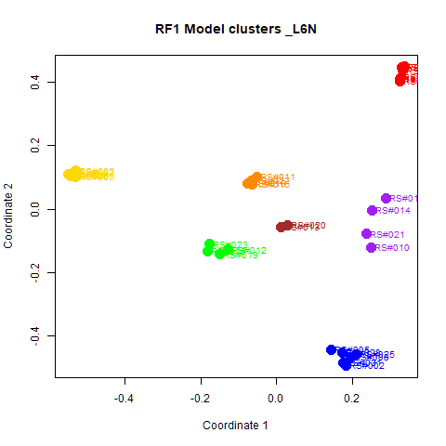
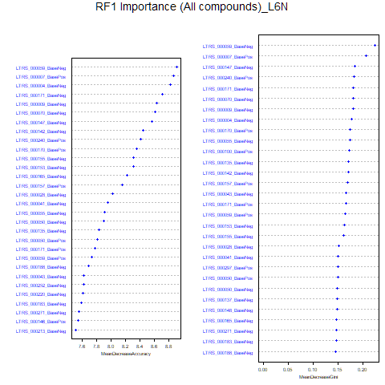
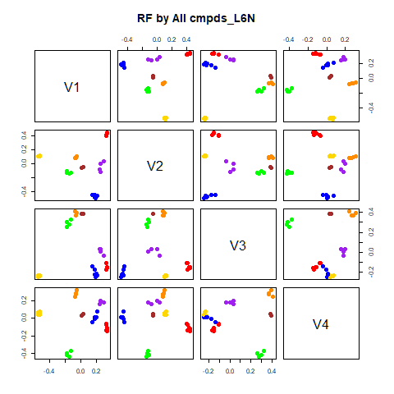
GroupD | GroupE | GroupF | GroupG | class.error
0 | 0 | 0 | 0 | 0
0 | 0 | 0 | 0 | 0
0 | 0 | 0 | 0 | 0
4 | 0 | 0 | 0 | 0
0 | 4 | 0 | 0 | 0
0 | 0 | 4 | 0 | 0
0 | 0 | 0 | 2 | 0
...
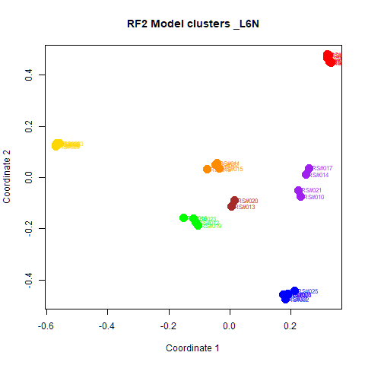
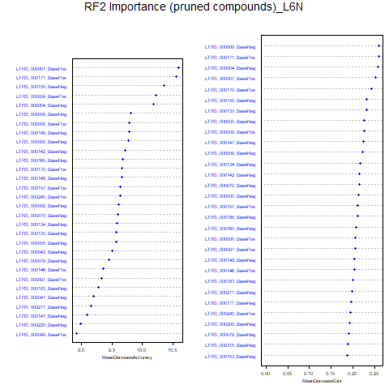
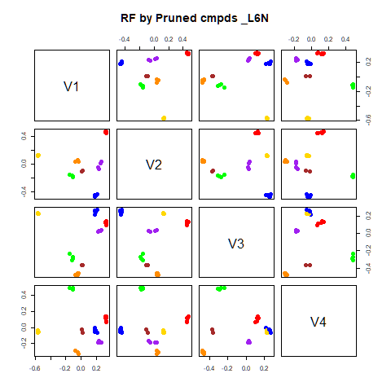
GroupD | GroupE | GroupF | GroupG | class.error
0 | 0 | 0 | 0 | 0
0 | 0 | 0 | 0 | 0
0 | 0 | 0 | 0 | 0
4 | 0 | 0 | 0 | 0
0 | 4 | 0 | 0 | 0
0 | 0 | 4 | 0 | 0
0 | 0 | 0 | 2 | 0

GroupC | GroupD | GroupE | GroupF | GroupG | MeanDecreaseAccuracy | MeanDecreaseGini |  | GroupA | GroupB | GroupC | GroupD | GroupE | GroupF | GroupG | MeanDecreaseAccuracy | MeanDecreaseGini
2.75438036763098 | 4.06623124398369 | 5.09915241504473 | 3.65712717869704 | 1.73291748303345 | 8.91038444490823 | 0.223138922978259 | LTRS_000007_BasePos | 6.448 | 6.919 | 5.176 | 4.222 | 5.634 | 6.044 | 3.471 | 10.598 | 0.252
4.38816292458099 | 3.14302017789417 | 4.01070952385217 | 4.55007243918183 | 2.12291312592162 | 8.86235523292237 | 0.205636994679503 | LTRS_000171_BasePos | 7.199 | 6.558 | 5.355 | 4.171 | 5.941 | 4.612 | 3.613 | 10.557 | 0.259
3.90867393399228 | 4.00234034305093 | 4.85296072524204 | 3.49997370248218 | 2.45194291289504 | 8.82603631498232 | 0.177539403286112 | LTRS_000155_BaseNeg | 4.668 | 7.523 | 5.320 | 5.422 | 5.899 | 5.121 | 3.883 | 10.361 | 0.233
4.52891674156333 | 2.49107808125216 | 4.72620990838243 | 4.31086727229942 | 1.34204345994794 | 8.70871192057885 | 0.180962428753513 | LTRS_000059_BasePos | 6.341 | 6.581 | 3.937 | 4.774 | 4.952 | 4.436 | 3.883 | 10.220 | 0.226
3.81458271835975 | 3.61861283926287 | 2.60266812866229 | 4.51656706781852 | 2.00133466814988 | 8.63002248280903 | 0.179448489107137 | LTRS_000004_BaseNeg | 6.257 | 6.982 | 4.502 | 4.366 | 5.338 | 6.039 | 3.507 | 10.178 | 0.258
4.65380534234364 | 4.1681534214622 | 4.03023354552299 | 2.92144666905179 | 3.16756133579975 | 8.61395701552291 | 0.1800419314738 | LTRS_000059_BaseNeg | 6.255 | 7.062 | 4.520 | 4.651 | 5.604 | 5.040 | 3.168 | 9.817 | 0.222
...

RF->NMF3
This tab has the report for k= 3

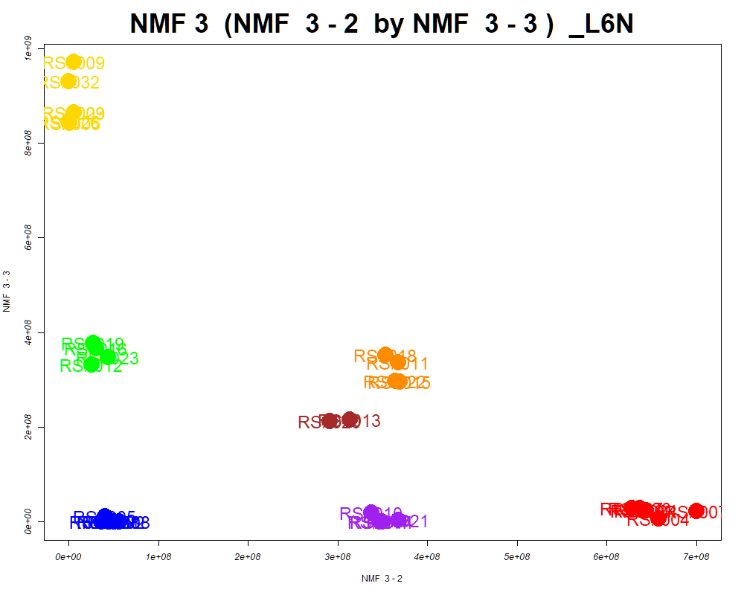

LabNum | BinID | Name | MF | BinC12mz | BinRT | nmf 3 -1 | nmf 3 -2 | nmf 3 -3 | Group |  | ExperimentalGroup | GroupFactor | nmf 3 -1
_L6N | LTRS_000001_BaseNeg | Lys-Lys (M-H) | C12H26N4O3 | 273.1932 | 4.15 | 39.2% | 3.4% | 57.4% | - | RS#001 | GroupA | GroupA | 4.27E+07
_L6N | LTRS_000002_BaseNeg | Lys-Ser (M-H) | C9H19N3O4 | 232.1303 | 4.60 | 10.1% | 11.1% | 78.8% | NotClr | RS#004 | GroupA | GroupA | 6.68E+00
_L6N | LTRS_000004_BaseNeg | Gly-lys (M-H) | C8H17N3O3 | 202.1197 | 4.61 | 81.2% | 1.2% | 17.6% | NotClr | RS#007 | GroupA | GroupA | 4.30E+07
_L6N | LTRS_000006_BaseNeg | Gamma-glutamyl-L-putrescine (M-H) | C9H19N3O3 | 216.1354 | 4.62 | 44.7% | 13.8% | 41.5% | - | RS#024 | GroupA | GroupA | 4.27E+07
_L6N | LTRS_000007_BaseNeg | C9H11N13 (M-H) | C9H11N13 | 300.1188 | 4.63 | 10.1% | 19.6% | 70.2% | NotClr | RS#027 | GroupA | GroupA | 1.04E+07
_L6N | LTRS_000007_BasePos | Gly-lys (M+H) | C8H17N3O3 | 204.1343 | 4.61 | 78.1% | 3.5% | 18.4% | NotClr | RS#030 | GroupA | GroupA | 5.99E+07
_L6N | LTRS_000008_BaseNeg | C9H25N3O4P2 (M-H) | C9H25N3O4P2 | 300.1248 | 4.63 | 8.6% | 19.7% | 71.7% | NotClr | RS#002 | GroupB | GroupB | 6.97E+08
...

PCA
This tab shows results from PCA analyses on the two RF datasets.
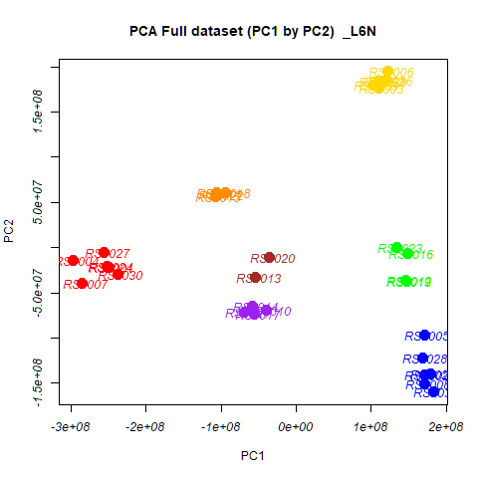


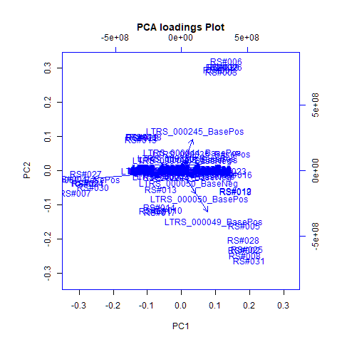
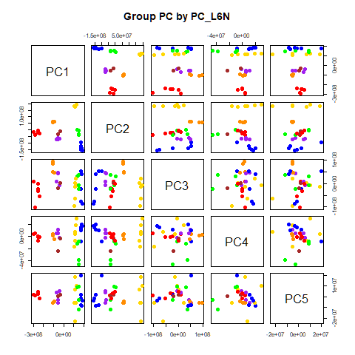
 | %TotVar | SD | p Design | p Reg
PC1 | 64.61% | 1.63E+08 | 1.14E-27 | 1.14E-27
PC2 | 28.09% | 1.07E+08 | 4.33E-22 | 4.33E-22
PC3 | 6.24% | 5.05E+07 | 2.39E-02 | 2.39E-02
PC4 | 0.60% | 1.56E+07 | 1.91E-03 | 1.91E-03
PC5 | 0.17% | 8.39E+06 | 9.39E-01 | 9.39E-01
PC6 | 0.08% | 5.70E+06 | 5.98E-01 | 5.98E-01
PC7 | 0.06% | 4.83E+06 | 1.20E-01 | 1.20E-01
PC8 | 0.04% | 4.25E+06 | 7.13E-01 | 7.13E-01
PC9 | 0.04% | 3.88E+06 | 5.99E-03 | 5.99E-03
PC10 | 0.02% | 2.76E+06 | 1.00E+00 | 1.00E+00

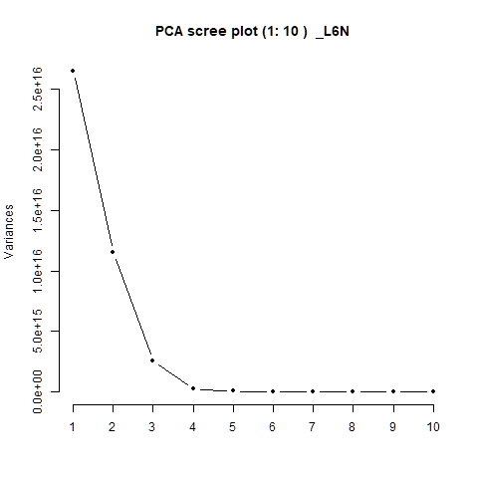
 |  | PC1 | PC2 | PC3 | PC4 | PC5 |  | PC1 | PC2 | PC3 | PC4 | PC5
 | LTRS_000001_BaseNeg | 3.27E-05 | 3.94E-05 | 2.50E-05 | -1.13E-04 | -6.47E-05 | RS#001 | -2.50E+08 | -2.18E+07 | -2.17E+07 | 3.38E+05 | 2.32E+06
 | LTRS_000001_BasePos | 6.29E-05 | 2.23E-04 | -6.13E-05 | -1.37E-04 | 1.17E-04 | RS#002 | 1.71E+08 | -1.40E+08 | -2.23E+07 | 1.16E+07 | 2.20E+06
 | LTRS_000002_BaseNeg | 5.62E-04 | 2.21E-03 | -3.20E-04 | -1.48E-03 | -4.18E-03 | RS#003 | 1.10E+08 | 1.76E+08 | 2.47E+06 | -6.92E+06 | 6.76E+06
 | LTRS_000002_BasePos | 1.42E-04 | 5.93E-04 | -2.32E-04 | -3.45E-04 | -8.21E-04 | RS#004 | -2.97E+08 | -1.37E+07 | 9.75E+06 | 4.55E+06 | 1.65E+06
 |  |  |  |  |  |  |  | 1.71E+08 | -9.72E+07 | 5.21E+07 | -8.50E+06 | 1.99E+07
 |  |  |  |  |  |  |  | 1.23E+08 | 1.95E+08 | -5.68E+06 | 3.00E+07 | 1.02E+07
 |  |  |  |  |  |  |  | -2.85E+08 | -3.92E+07 | -1.03E+08 | 4.90E+06 | 1.02E+06
 |  |  |  |  |  |  |  | 1.71E+08 | -1.51E+08 | -7.78E+07 | 1.47E+07 | -1.26E+06
 |  |  |  |  |  |  |  | 1.03E+08 | 1.79E+08 | -9.68E+07 | -1.69E+07 | -5.61E+06
 |  |  |  |  |  |  |  | -3.99E+07 | -6.96E+07 | -5.77E+06 | -1.73E+06 | 5.45E+06
 |  |  |  |  |  |  |  | -1.06E+08 | 6.07E+07 | 5.08E+07 | 4.09E+06 | -5.91E+06
 |  |  |  |  |  |  |  | 1.47E+08 | -3.58E+07 | 3.83E+07 | -3.86E+07 | -1.20E+07
 |  |  |  |  |  |  |  | -5.41E+07 | -3.24E+07 | -2.05E+07 | -2.32E+07 | 3.92E+05
 |  |  |  |  |  |  |  | -5.81E+07 | -6.43E+07 | 4.30E+07 | 5.93E+06 | -3.13E+06
 |  |  |  |  |  |  |  | -1.08E+08 | 5.62E+07 | 8.56E+07 | 1.38E+06 | -5.39E+06
 |  |  |  |  |  |  |  | 1.49E+08 | -6.55E+06 | -6.41E+06 | -8.37E+06 | 9.18E+06
 |  |  |  |  |  |  |  | -5.54E+07 | -7.34E+07 | 4.79E+07 | 1.11E+07 | -5.50E+06
 |  |  |  |  |  |  |  | -9.45E+07 | 6.12E+07 | 4.71E+07 | -4.19E+06 | -4.44E+06
 |  |  |  |  |  |  |  | 1.47E+08 | -3.72E+07 | -2.26E+07 | -4.58E+07 | -3.07E+06
...

PCA->NMF3
This tab has the report for k= 3

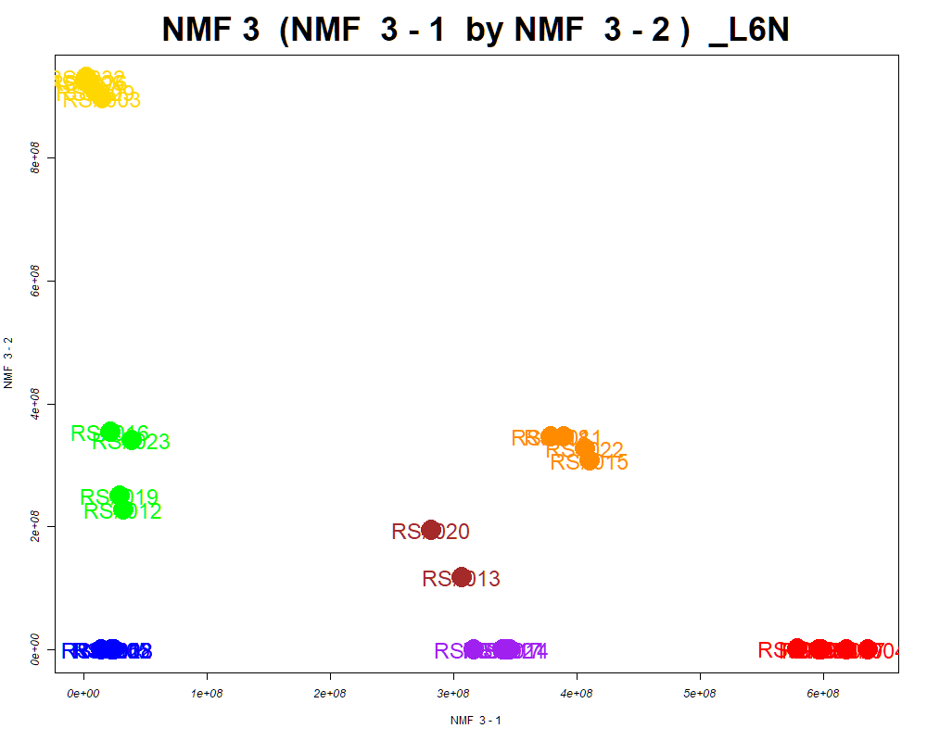

LabNum | BinID | Name | MF | BinC12mz | BinRT | nmf 3 -1 | nmf 3 -2 | nmf 3 -3 | Group |  | ExperimentalGroup | GroupFactor | nmf 3 -1
_L6N | LTRS_000004_BaseNeg | Gly-lys (M-H) | C8H17N3O3 | 202.1197 | 4.61 | 0.0% | 18.6% | 81.4% | NotClr | RS#001 | GroupA | GroupA | 5.99E+08
_L6N | LTRS_000007_BasePos | Gly-lys (M+H) | C8H17N3O3 | 204.1343 | 4.61 | 1.9% | 19.6% | 78.5% | NotClr | RS#004 | GroupA | GroupA | 6.36E+08
_L6N | LTRS_000009_BaseNeg | Ornithine (M-H) | C5H12N2O2 | 131.0826 | 4.64 | 2.7% | 9.6% | 87.7% | NotClr | RS#007 | GroupA | GroupA | 5.97E+08
_L6N | LTRS_000010_BaseNeg | L-Lysine (M-H) | C6H14N2O2 | 145.0983 | 4.65 | 24.9% | 50.8% | 24.3% | - | RS#024 | GroupA | GroupA | 5.96E+08
_L6N | LTRS_000010_BasePos | L-Lysine (M+H -NH3) | C6H14N2O2 | 130.0863 | 4.66 | 20.0% | 51.2% | 28.8% | - | RS#027 | GroupA | GroupA | 6.19E+08
_L6N | LTRS_000011_BasePos | L-Lysine (M+H) | C6H14N2O2 | 147.1128 | 4.66 | 19.0% | 52.0% | 29.0% | - | RS#030 | GroupA | GroupA | 5.79E+08
_L6N | LTRS_000012_BasePos | L-Lysine (M+H -NH3 -CH2O2) | C6H14N2O2 | 84.0808 | 4.66 | 20.4% | 49.9% | 29.6% | - | RS#002 | GroupB | GroupB | 2.39E+07
...

SOM
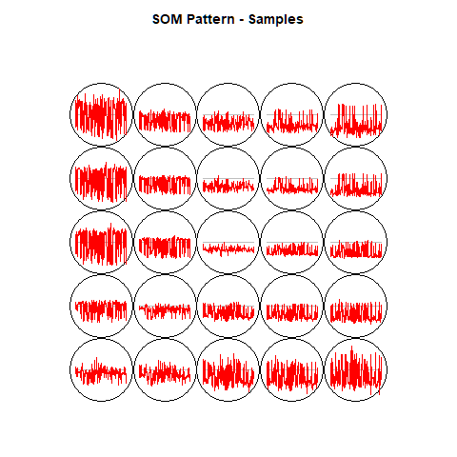
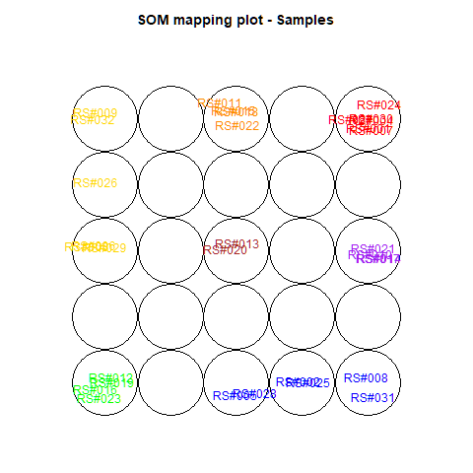
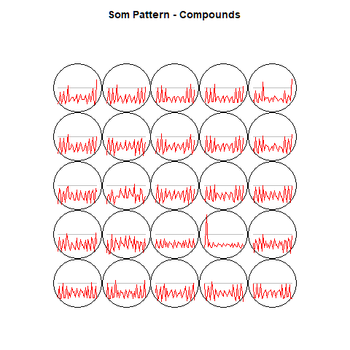
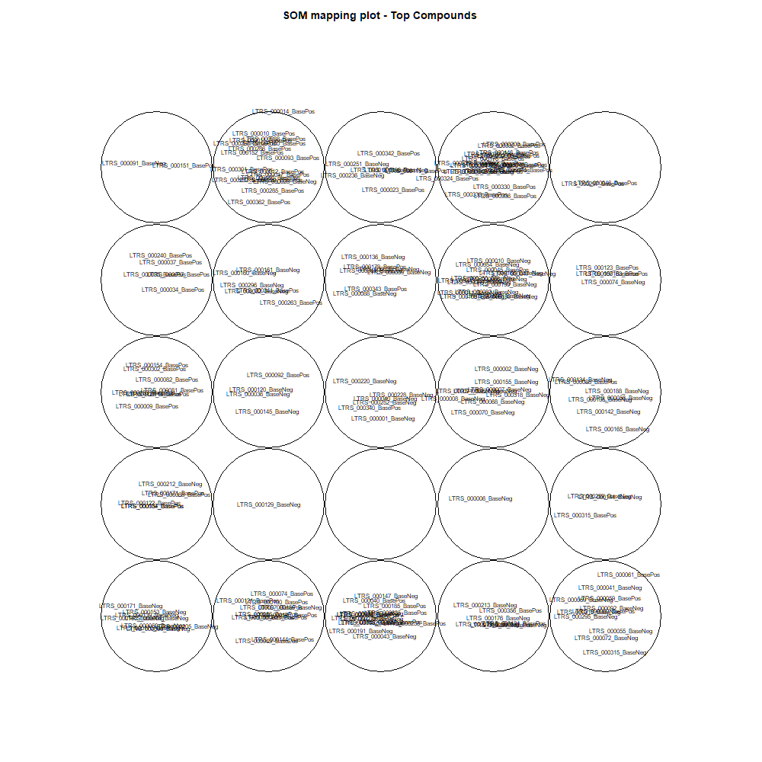
This tab show the output from a SOM analysis

NMF(full)->NMF3
This tab has the report for k= 3

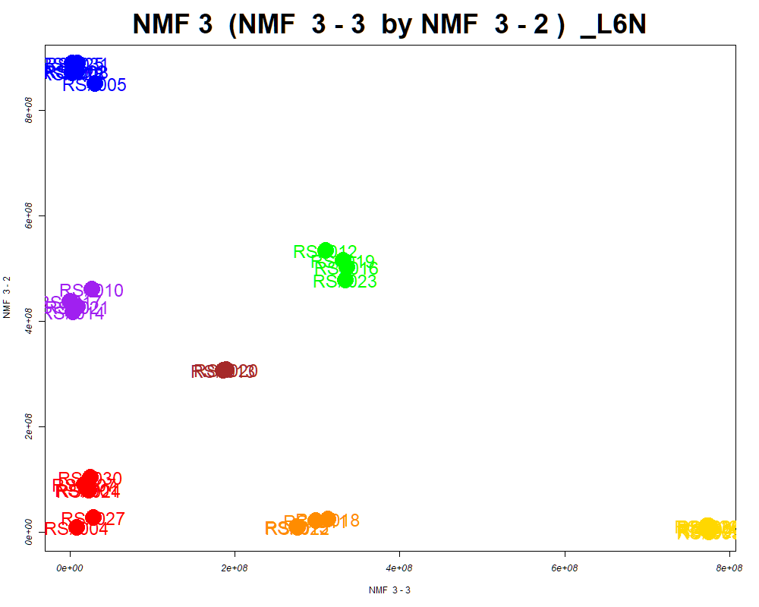

LabNum | BinID | Name | MF | BinC12mz | BinRT | nmf 3 -1 | nmf 3 -2 | nmf 3 -3 | Group |  | ExperimentalGroup | GroupFactor | nmf 3 -1
_L6N | LTRS_000002_BaseNeg | Lys-Ser (M-H) | C9H19N3O4 | 232.1303 | 4.60 | 8.2% | 8.5% | 83.3% | NotClr | RS#001 | GroupA | GroupA | 6.34E+08
_L6N | LTRS_000003_BaseNeg | Asn-Lys (M-H) | C10H20N4O4 | 259.1412 | 4.60 | 15.7% | 41.3% | 43.1% | - | RS#004 | GroupA | GroupA | 7.03E+08
_L6N | LTRS_000004_BaseNeg | Gly-lys (M-H) | C8H17N3O3 | 202.1197 | 4.61 | 0.0% | 77.9% | 22.1% | GroupB | RS#007 | GroupA | GroupA | 6.28E+08
_L6N | LTRS_000005_BasePos | C12H27ClN2Na (M+2H) | C12H27ClN2Na | 129.5953 | 4.17 | 14.3% | 33.6% | 52.0% | - | RS#024 | GroupA | GroupA | 6.33E+08
_L6N | LTRS_000006_BaseNeg | Gamma-glutamyl-L-putrescine (M-H) | C9H19N3O3 | 216.1354 | 4.62 | 10.4% | 41.9% | 47.7% | - | RS#027 | GroupA | GroupA | 6.69E+08
_L6N | LTRS_000007_BasePos | Gly-lys (M+H) | C8H17N3O3 | 204.1343 | 4.61 | 2.7% | 70.9% | 26.4% | GroupB | RS#030 | GroupA | GroupA | 6.12E+08
_L6N | LTRS_000008_BasePos | Lys-Ser (M+H) | C9H19N3O4 | 234.1448 | 4.62 | 11.0% | 15.1% | 73.9% | NotClr | RS#002 | GroupB | GroupB | 1.40E+07
...

Scored_Cmpds
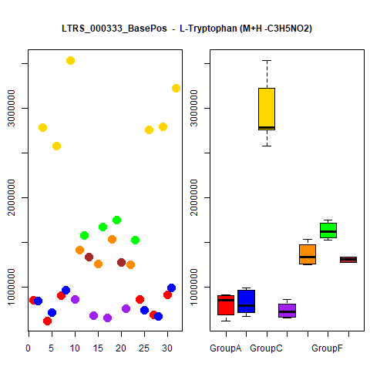
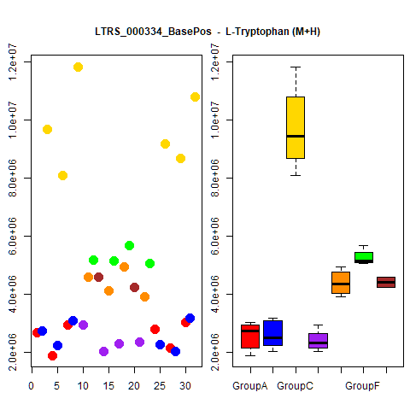
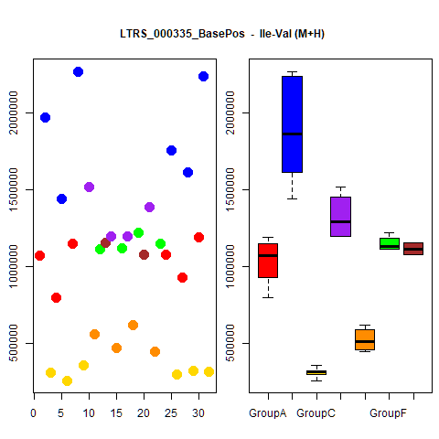
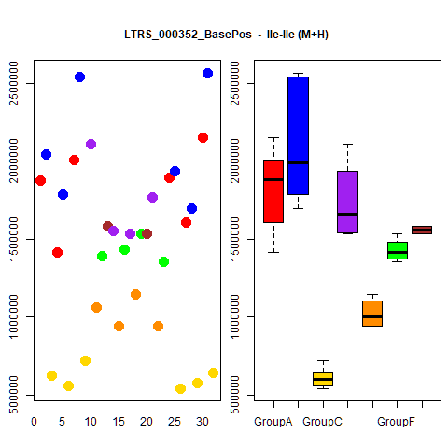
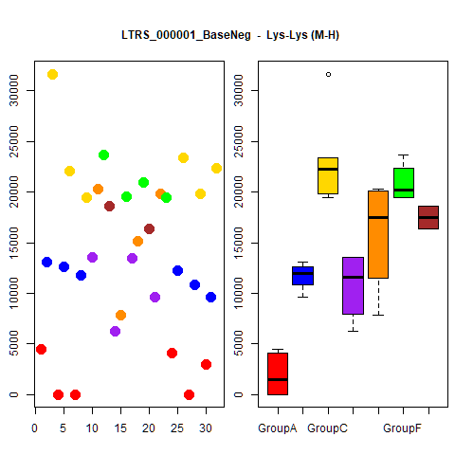
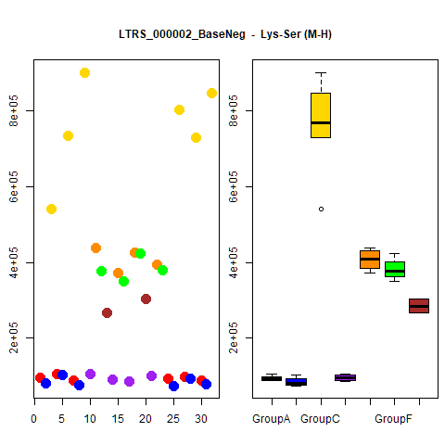
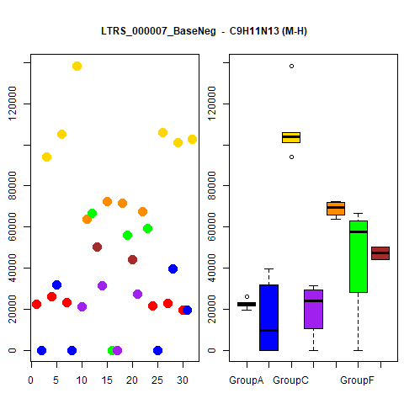
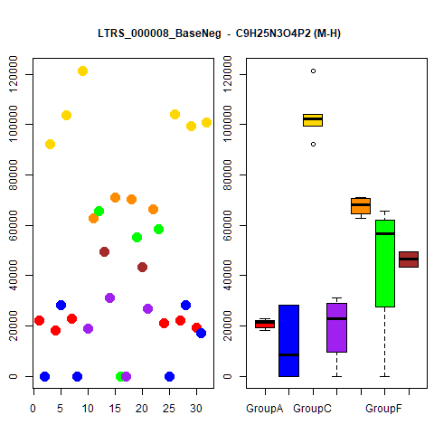
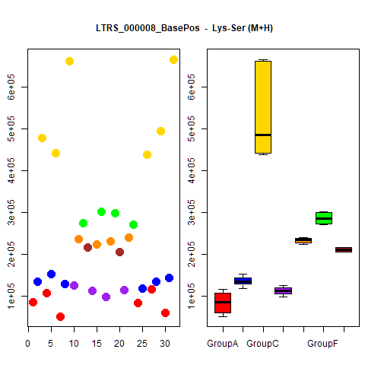
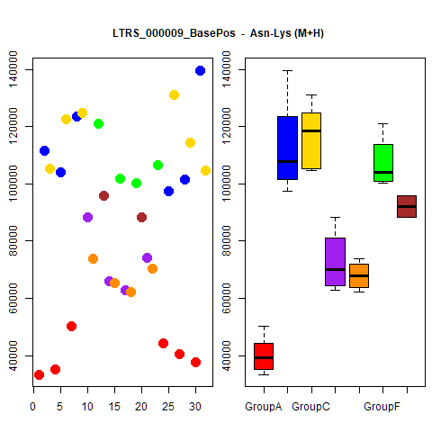
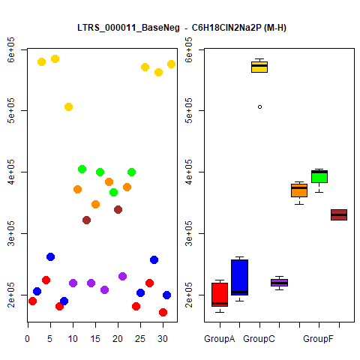
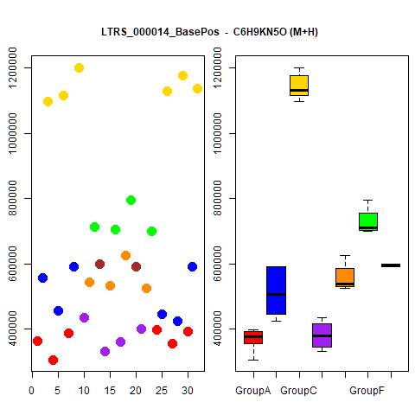
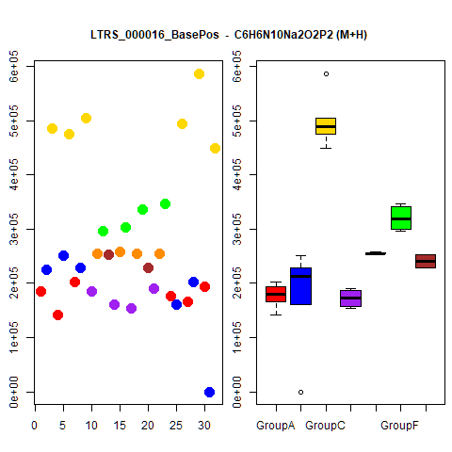
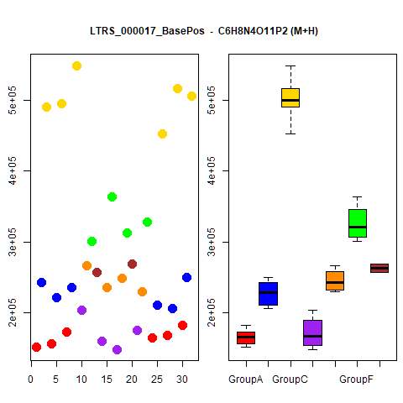
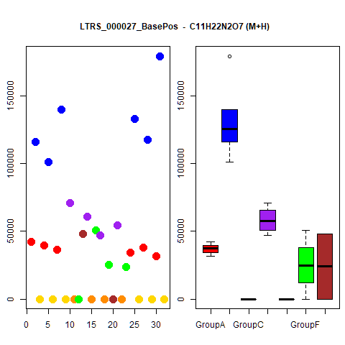
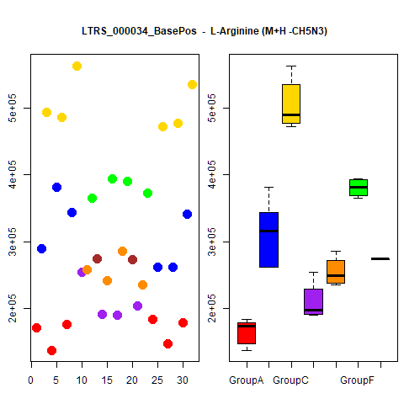
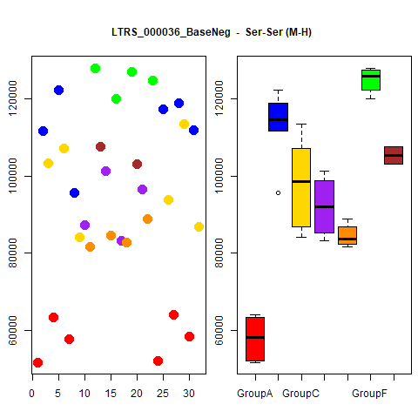
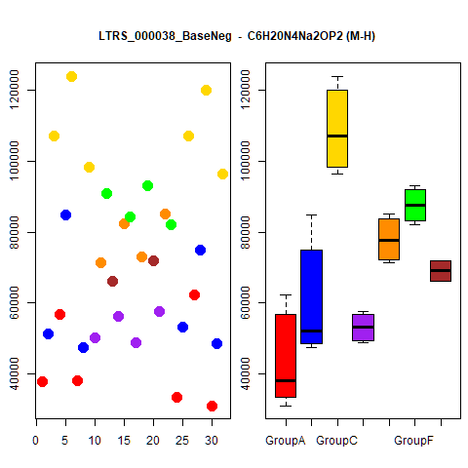
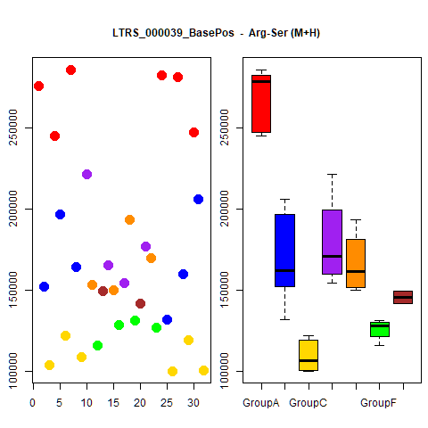
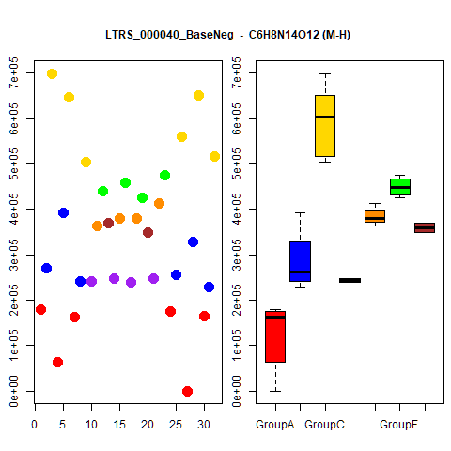
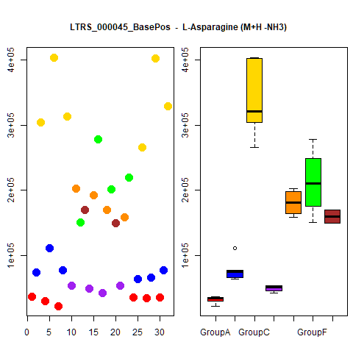
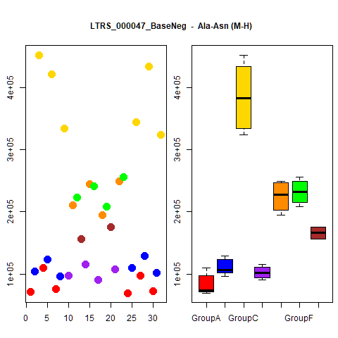
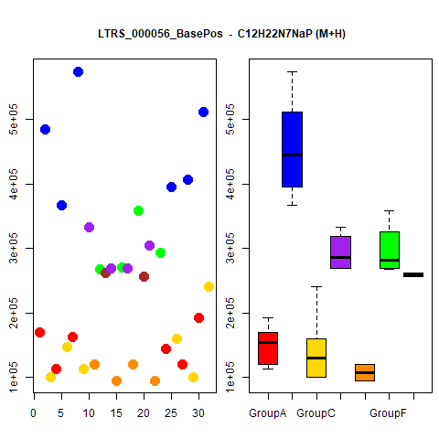
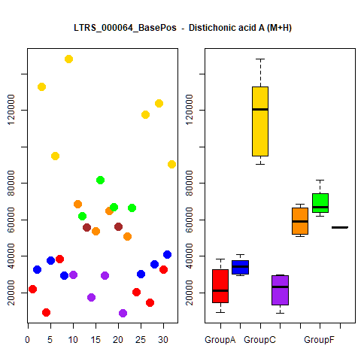
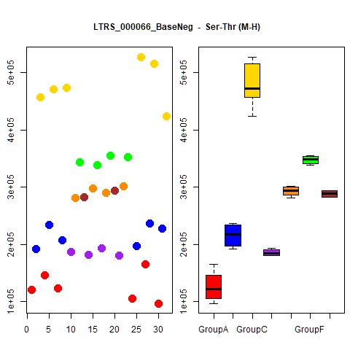






























































...




 |  |  | Count
1 | 1 | 1 | 4
1 | 1 | 1 | 4
1 | 1 | 1 | 4
1 | 1 | 1 | 4
1 | 1 | 1 | 4
1 | 1 | 1 | 4
1 | 1 | 1 | 4
1 | 1 | 1 | 4
1 | 1 | 1 | 4
1 | 1 | 1 | 4





1 | 1 | 1 | 4
1 | 1 | 1 | 4
1 | 1 | 1 | 4
1 | 1 | 1 | 4
1 | 1 | 1 | 4
1 | 1 | 1 | 4
1 | 1 | 1 | 4
1 | 1 | 1 | 4
1 | 1 | 1 | 4
1 | 1 | 1 | 4





1 | 1 | 1 | 4
1 | 1 | 1 | 4
1 | 1 | 1 | 4
1 | 1 | 1 | 4
1 | 1 | 1 | 4
1 | 1 | 1 | 4
1 | 1 | 1 | 4
1 | 1 | 1 | 4
1 | 1 | 1 | 4
1 | 1 | 1 | 4





1 | 1 | 1 | 4
1 | 1 | 1 | 4
1 | 1 | 1 | 4
1 | 1 | 1 | 4
1 | 0 | 1 | 3
1 | 0 | 1 | 3
1 | 0 | 1 | 3
1 | 0 | 1 | 3
1 | 0 | 1 | 3
1 | 0 | 1 | 3





1 | 0 | 1 | 3
1 | 0 | 1 | 3
1 | 0 | 1 | 3
1 | 0 | 1 | 3
1 | 1 | 0 | 3
1 | 0 | 1 | 3
1 | 0 | 1 | 3
1 | 0 | 1 | 3
1 | 0 | 1 | 3
1 | 0 | 1 | 3





1 | 0 | 1 | 3
1 | 0 | 1 | 3
1 | 0 | 1 | 3
1 | 0 | 1 | 3
1 | 0 | 1 | 3
1 | 0 | 1 | 3
1 | 0 | 1 | 3
1 | 0 | 1 | 3
1 | 0 | 1 | 3
1 | 0 | 1 | 3





1 | 0 | 1 | 3
1 | 0 | 1 | 3
1 | 0 | 1 | 3
1 | 0 | 1 | 3
1 | 0 | 1 | 3
1 | 0 | 1 | 3
1 | 1 | 0 | 3
1 | 0 | 1 | 3
1 | 0 | 1 | 3
1 | 0 | 1 | 3





1 | 0 | 1 | 3
1 | 0 | 1 | 3
1 | 1 | 0 | 3
1 | 0 | 1 | 3
1 | 0 | 1 | 3
1 | 0 | 1 | 3
1 | 0 | 1 | 3
1 | 0 | 1 | 3
1 | 0 | 1 | 3
1 | 0 | 1 | 3





1 | 0 | 1 | 3
1 | 0 | 1 | 3
1 | 0 | 1 | 3
1 | 0 | 1 | 3
1 | 0 | 1 | 3
1 | 0 | 1 | 3
1 | 0 | 1 | 3
1 | 0 | 1 | 3
1 | 0 | 1 | 3
1 | 0 | 1 | 3





1 | 0 | 1 | 3
1 | 0 | 1 | 3
1 | 0 | 1 | 3
1 | 0 | 0 | 2
1 | 0 | 0 | 2
1 | 0 | 0 | 2
1 | 0 | 0 | 2
1 | 0 | 0 | 2
1 | 0 | 0 | 2
1 | 0 | 0 | 2





1 | 0 | 0 | 2
1 | 0 | 0 | 2
1 | 0 | 0 | 2
1 | 0 | 0 | 2
1 | 0 | 0 | 2
1 | 0 | 0 | 2
1 | 0 | 0 | 2
1 | 0 | 0 | 2
1 | 0 | 0 | 2
1 | 0 | 0 | 2





1 | 0 | 0 | 2
1 | 0 | 0 | 2
1 | 0 | 0 | 2
1 | 0 | 0 | 2
0 | 0 | 1 | 2
1 | 0 | 0 | 2
1 | 0 | 1 | 2
1 | 0 | 0 | 2
0 | 0 | 1 | 2
1 | 0 | 0 | 2





1 | 0 | 0 | 2
1 | 0 | 0 | 2
1 | 0 | 0 | 2
1 | 0 | 0 | 2
1 | 0 | 0 | 2
1 | 0 | 0 | 2
1 | 0 | 0 | 2
1 | 0 | 1 | 2
1 | 0 | 0 | 2
1 | 0 | 0 | 2





1 | 0 | 0 | 2
1 | 0 | 0 | 2
1 | 0 | 0 | 2
1 | 0 | 1 | 2
1 | 0 | 0 | 2
0 | 0 | 1 | 2
1 | 0 | 0 | 2
1 | 0 | 0 | 2
1 | 0 | 0 | 2
1 | 0 | 0 | 2





1 | 0 | 0 | 2
1 | 0 | 0 | 2
1 | 0 | 0 | 2
1 | 0 | 0 | 2
0 | 0 | 1 | 2
1 | 0 | 0 | 2
1 | 0 | 0 | 2
1 | 0 | 0 | 2
1 | 0 | 0 | 2
1 | 0 | 0 | 2





0 | 0 | 1 | 2
1 | 0 | 0 | 2
1 | 0 | 0 | 2
1 | 0 | 0 | 2
0 | 0 | 1 | 2
1 | 0 | 0 | 2
1 | 0 | 0 | 2
1 | 0 | 0 | 2
1 | 0 | 0 | 2
1 | 0 | 0 | 2





1 | 0 | 1 | 2
1 | 0 | 0 | 2
1 | 0 | 0 | 2
1 | 0 | 0 | 2
1 | 0 | 0 | 2
1 | 0 | 0 | 2
1 | 0 | 0 | 2
1 | 0 | 0 | 2
1 | 0 | 0 | 2
1 | 0 | 1 | 2





1 | 0 | 0 | 2
1 | 0 | 0 | 2
1 | 0 | 0 | 2
1 | 0 | 0 | 2
1 | 0 | 0 | 2
1 | 0 | 0 | 2

Grouped_Cmpds


...

...

...

