Design
dataId | SampleId | ExperimentalGroup | GroupFactor | Conc | number | SampleId | AcqMethod | ExperimentalGroup | FileName | sampleNum
RS#001 | S0001 | GroupA | GroupA | 1 | 1 | S0001 | BaseNeg | GroupA | HK01n_39_sample1.mzXML | 1
RS#002 | S0002 | GroupB | GroupB | 1 | 2 | S0001 | BasePos | GroupA | HK01p_39_sample1.mzXML | 1
RS#003 | S0003 | GroupC | GroupC | 1 | 3 | S0002 | BaseNeg | GroupB | HK02n_52_sample2.mzXML | 2
RS#004 | S0004 | GroupA | GroupA | 0.5 | 4 | S0002 | BasePos | GroupB | HK02p_52_sample2.mzXML | 2
RS#005 | S0005 | GroupB | GroupB | 0.5 | 5 | S0003 | BaseNeg | GroupC | HK03n_48_sample3.mzXML | 3
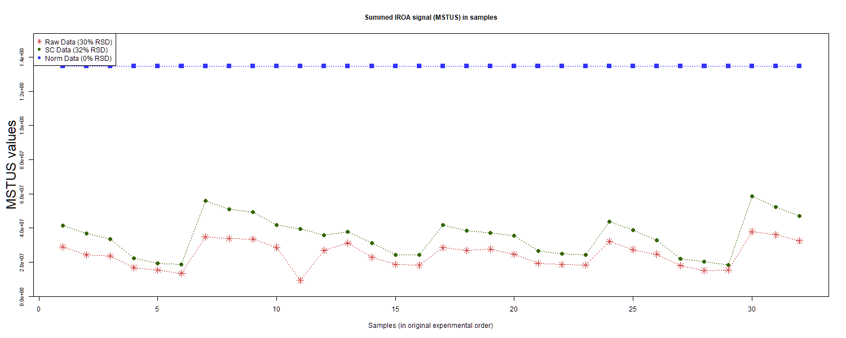
RS#006 | S0006 | GroupC | GroupC | 0.5 | 6 | S0003 | BasePos | GroupC | HK03p_48_sample3.mzXML | 3
RS#007 | S0007 | GroupA | GroupA | 1.5 | 7 | S0004 | BaseNeg | GroupA | HK04n_37_sample4-sample4.mzXML | 4
RS#008 | S0008 | GroupB | GroupB | 1.5 | 8 | S0004 | BasePos | GroupA | HK04p_37_sample4.mzXML | 4
RS#009 | S0009 | GroupC | GroupC | 1.5 | 9 | S0005 | BaseNeg | GroupB | HK05n_34_sample5-sample5.mzXML | 5
RS#010 | S0010 | GroupD | GroupD | 1 | 10 | S0005 | BasePos | GroupB | HK05p_34_sample5.mzXML | 5
RS#011 | S0011 | GroupE | GroupE | 1 | 11 | S0006 | BaseNeg | GroupC | HK06n_51_sample6.mzXML | 6
RS#012 | S0012 | GroupF | GroupF | 1 | 12 | S0006 | BasePos | GroupC | HK06p_51_sample6.mzXML | 6
RS#013 | S0013 | GroupG | GroupG | 1 | 13 | S0007 | BaseNeg | GroupA | HK07n_47_sample7.mzXML | 7
RS#014 | S0014 | GroupD | GroupD | 0.67 | 14 | S0007 | BasePos | GroupA | HK07p_47_sample7.mzXML | 7
RS#015 | S0015 | GroupE | GroupE | 0.67 | 15 | S0008 | BaseNeg | GroupB | HK08n_62_sample8.mzXML | 8
RS#016 | S0016 | GroupF | GroupF | 0.67 | 16 | S0008 | BasePos | GroupB | HK08p_62_sample8.mzXML | 8
RS#017 | S0017 | GroupD | GroupD | 1 | 17 | S0009 | BaseNeg | GroupC | HK09n_60_sample9.mzXML | 9
RS#018 | S0018 | GroupE | GroupE | 1 | 18 | S0009 | BasePos | GroupC | HK09p_60_sample9.mzXML | 9
RS#019 | S0019 | GroupF | GroupF | 1 | 19 | S0010 | BaseNeg | GroupD | HK10n_53_sample10.mzXML | 10
RS#020 | S0020 | GroupG | GroupG | 1 | 20 | S0010 | BasePos | GroupD | HK10p_53_sample10.mzXML | 10
RS#021 | S0021 | GroupD | GroupD | 0.67 | 21 | S0011 | BaseNeg | GroupE | HK11n_35_sample11.mzXML | 11
RS#022 | S0022 | GroupE | GroupE | 0.67 | 22 | S0011 | BasePos | GroupE | HK11p_35_sample11.mzXML | 11
RS#023 | S0023 | GroupF | GroupF | 0.67 | 23 | S0012 | BaseNeg | GroupF | HK12n_36_sample12.mzXML | 12 | This report was compiled on 2025-07-16 21:37:24.110917 Mode = Norm Based on file = data/RR Datasets/4297/Lab7-4297Fixed.tsv
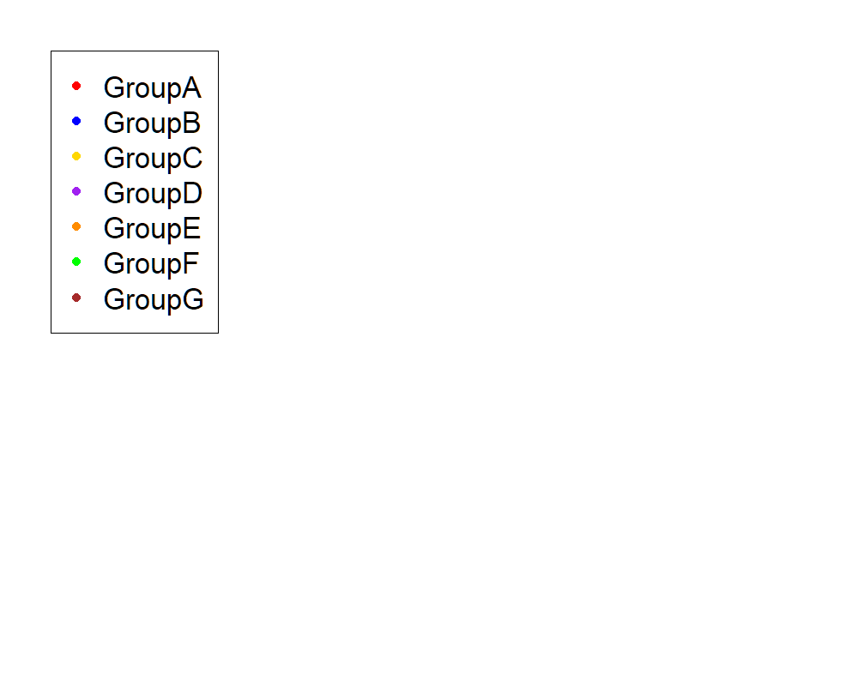
RS#024 | S0024 | GroupA | GroupA | 1 | 24 | S0012 | BasePos | GroupF | HK12p_36_sample12.mzXML | 12
RS#025 | S0025 | GroupB | GroupB | 1 | 25 | S0013 | BaseNeg | GroupG | HK13n_59_sample13.mzXML | 13
RS#026 | S0026 | GroupC | GroupC | 1 | 26 | S0013 | BasePos | GroupG | HK13p_59_sample13.mzXML | 13
RS#027 | S0027 | GroupA | GroupA | 0.5 | 27 | S0014 | BaseNeg | GroupD | HK14n_33_sample14.mzXML | 14
RS#028 | S0028 | GroupB | GroupB | 0.5 | 28 | S0014 | BasePos | GroupD | HK14p_33_sample14.mzXML | 14
RS#029 | S0029 | GroupC | GroupC | 0.5 | 29 | S0015 | BaseNeg | GroupE | HK15n_64_sample15.mzXML | 15
RS#030 | S0030 | GroupA | GroupA | 1.5 | 30 | S0015 | BasePos | GroupE | HK15p_64_sample15.mzXML | 15
RS#031 | S0031 | GroupB | GroupB | 1.5 | 31 | S0016 | BaseNeg | GroupF | HK16n_46_sample16.mzXML | 16
RS#032 | S0032 | GroupC | GroupC | 1.5 | 32 | S0016 | BasePos | GroupF | HK16p_46_sample16.mzXML | 16
 |  |  |  |  |  | S0017 | BaseNeg | GroupD | HK17n_38_sample17.mzXML | 17
These injections for each sample were examined |  |  |  |  |  | S0017 | BasePos | GroupD | HK17p_38_sample17.mzXML | 17
 |  |  |  |  |  | S0018 | BaseNeg | GroupE | HK18n_49_sample18.mzXML | 18
 |  |  |  |  |  | S0018 | BasePos | GroupE | HK18p_49_sample18.mzXML | 18
 |  |  |  |  |  | S0019 | BaseNeg | GroupF | HK19n_40_sample19.mzXML | 19
 |  |  |  |  |  | S0019 | BasePos | GroupF | HK19p_40_sample19.mzXML | 19
 |  |  |  |  |  | S0020 | BaseNeg | GroupG | HK20n_67_sample20.mzXML | 20
 |  |  |  |  |  | S0020 | BasePos | GroupG | HK20p_67_sample20.mzXML | 20
 |  |  |  |  |  | S0021 | BaseNeg | GroupD | HK21n_61_sample21.mzXML | 21
 |  |  |  |  |  | S0021 | BasePos | GroupD | HK21p_61_sample21.mzXML | 21
 |  |  |  |  |  | S0022 | BaseNeg | GroupE | HK22n_66_sample22.mzXML | 22
 |  |  |  |  |  | S0022 | BasePos | GroupE | HK22p_66_sample22.mzXML | 22
 |  |  |  |  |  | S0023 | BaseNeg | GroupF | HK23n_42_sample23.mzXML | 23
 |  |  |  |  |  | S0023 | BasePos | GroupF | HK23p_42_sample23.mzXML | 23
 |  |  |  |  |  | S0024 | BaseNeg | GroupA | HK24n_58_sample24.mzXML | 24
 |  |  |  |  |  | S0024 | BasePos | GroupA | HK24p_58_sample24.mzXML | 24
 |  |  |  |  |  | S0025 | BaseNeg | GroupB | HK25n_45_sample25.mzXML | 25
 |  |  |  |  |  | S0025 | BasePos | GroupB | HK25p_45_sample25.mzXML | 25
 |  |  |  |  |  | S0026 | BaseNeg | GroupC | HK26n_41_sample26.mzXML | 26
 |  |  |  |  |  | S0026 | BasePos | GroupC | HK26p_41_sample26.mzXML | 26
 |  |  |  |  |  | S0027 | BaseNeg | GroupA | HK27n_55_sample27.mzXML | 27
 |  |  |  |  |  | S0027 | BasePos | GroupA | HK27p_55_sample27.mzXML | 27
 |  |  |  |  |  | S0028 | BaseNeg | GroupB | HK28n_65_sample28.mzXML | 28
 |  |  |  |  |  | S0028 | BasePos | GroupB | HK28p_65_sample28.mzXML | 28
 |  |  |  |  |  | S0029 | BaseNeg | GroupC | HK29n_54_sample29.mzXML | 29
 |  |  |  |  |  | S0029 | BasePos | GroupC | HK29p_54_sample29.mzXML | 29
 |  |  |  |  |  | S0030 | BaseNeg | GroupA | HK30n_50_sample30.mzXML | 30
 |  |  |  |  |  | S0030 | BasePos | GroupA | HK30p_50_sample30.mzXML | 30
 |  |  |  |  |  | S0031 | BaseNeg | GroupB | HK31n_32_sample31.mzXML | 31
 |  |  |  |  |  | S0031 | BasePos | GroupB | HK31p_32_sample31.mzXML | 31
 |  |  |  |  |  | S0032 | BaseNeg | GroupC | HK32n_63_sample32.mzXML | 32
 |  |  |  |  |  | S0032 | BasePos | GroupC | HK32p_63_sample32.mzXML | 32

Anova
This tab shows the results of a regression of all compounds by the experimental design. Recommend: sort by p value

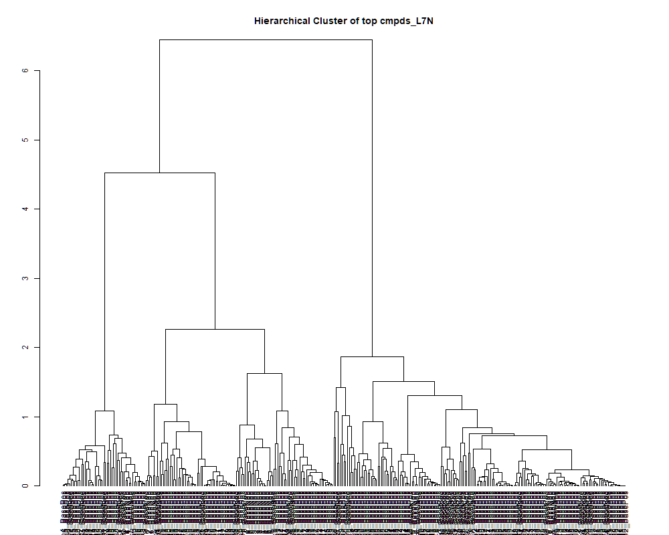
 | row.names | compounds | MF | p.value | F.value
 | LTRS_000001_BasePos | C13H29N3O5 (M+H) | C13H29N3O5 | 8.86E-01 | 0.378
 | LTRS_000003_BasePos | Arg-Lys (M+H) | C12H26N6O3 | 6.54E-02 | 2.309
 | LTRS_000004_BaseNeg | C12H19N9NaO4 (M-H) | C12H19N9NaO4 | 2.72E-01 | 1.353
 | LTRS_000004_BasePos | Lys-Ser (M+H) | C9H19N3O4 | 2.06E-14 | 69.998
 | LTRS_000005_BaseNeg | C9H14N10Na (M-H) | C9H14N10Na | 2.48E-01 | 1.414
 | LTRS_000006_BasePos | L-Lysine (M+H -NH3) | C6H14N2O2 | 1.44E-15 | 87.745
 | LTRS_000007_BaseNeg | C11H22N2O7 (M-H) | C11H22N2O7 | 7.78E-03 | 3.814
 | LTRS_000007_BasePos | L-Lysine (M+H) | C6H14N2O2 | 3.54E-12 | 44.747
 | LTRS_000008_BaseNeg | Lys-Ser (M-H) | C9H19N3O4 | 1.95E-11 | 38.412
 | LTRS_000008_BasePos | C6H10N6O3 (M+H) | C6H10N6O3 | 7.76E-05 | 7.886
 | LTRS_000009_BaseNeg | L-Lysine (M-H) | C6H14N2O2 | 1.37E-09 | 25.932
 | LTRS_000010_BasePos | C11H22N2O7 (M+H) | C11H22N2O7 | 1.05E-01 | 1.990
 | LTRS_000011_BasePos | Inositol 1,3,4-trisphosphate (M+H) | C6H15O15P3 | 2.40E-10 | 30.544
 | LTRS_000012_BasePos | C6H10N6O11P2 (M+H) | C6H10N6O11P2 | 3.95E-01 | 1.090
 | LTRS_000013_BaseNeg | 1-[(5-Amino-5-carboxypentyl)amino]-1-deoxyfructose (M-H) | C12H24N2O7 | 3.62E-01 | 1.152
 | LTRS_000013_BasePos | 1,6-Di-O-Phosphono-D-Allitol (M+H) | C6H16O12P2 | 4.37E-04 | 6.196
 | LTRS_000014_BaseNeg | Gamma-glutamyl-L-putrescine (M-H) | C9H19N3O3 | 3.64E-13 | 54.642
 | LTRS_000014_BasePos | C6H6N7NaO8P (M+H) | C6H6N7NaO8P | 3.78E-06 | 11.433
 | LTRS_000015_BaseNeg | Lys-Thr (M-H) | C10H21N3O4 | 1.63E-02 | 3.273
 | LTRS_000015_BasePos | 2,3,5-trihydroxy-4-phosphonooxyadipic acid (M+H) | C6H11O11P | 2.43E-07 | 15.465
 | LTRS_000017_BaseNeg | L-Histidine (M-H) | C6H9N3O2 | 1.17E-01 | 1.918
 | LTRS_000017_BasePos | C6H6ClN5NaO (M+H) | C6H6ClN5NaO | 5.93E-11 | 34.734
 | LTRS_000018_BaseNeg | Leu-Ser (M-H) | C9H18N2O4 | 3.85E-03 | 4.354
 | LTRS_000018_BasePos | C6H8O9 (M+H) | C6H8O9 | 5.92E-12 | 42.748
 | LTRS_000020_BaseNeg | C6H11N6O7P (M-H) | C6H11N6O7P | 2.90E-02 | 2.865
 | LTRS_000020_BasePos | C6H8N4O11P2 (M+H) | C6H8N4O11P2 | 4.14E-13 | 54.031
 | LTRS_000021_BaseNeg | L-Aspartate (M-H) | C4H7NO4 | 3.62E-17 | 119.470
 | LTRS_000023_BaseNeg | Glycerylphosphorylethanolamine (M-H) | C5H14NO6P | 7.39E-09 | 22.044
 | LTRS_000023_BasePos | C6H14N3NaP5 (M+H) | C6H14N3NaP5 | 4.14E-11 | 35.890
 | LTRS_000024_BaseNeg | C15H29N3O8 (M-H) | C15H29N3O8 | 1.13E-01 | 1.941
 | LTRS_000026_BaseNeg | L-Arginine (M-H) | C6H14N4O2 | 1.36E-10 | 32.197
 | LTRS_000027_BaseNeg | Ornithine (M-H) | C5H12N2O2 | 1.07E-12 | 49.723
 | LTRS_000027_BasePos | C9H10N7Na2P (M+H) | C9H10N7Na2P | 1.57E-20 | 226.078
 | LTRS_000028_BaseNeg | N-(1-Deoxy-1-fructosyl)glycine (M-H) | C8H15NO7 | 6.57E-02 | 2.306
 | LTRS_000028_BasePos | C6H6N5PS2 (M+H) | C6H6N5PS2 | 7.80E-01 | 0.531
 | LTRS_000029_BasePos | Gamma-glutamyl-L-putrescine (M+H) | C9H19N3O3 | 3.04E-13 | 55.498
 | LTRS_000030_BasePos | C12H21N2O9P (M+H) | C12H21N2O9P | 3.11E-03 | 4.522
 | LTRS_000031_BasePos | C12H12N6O9 (M+H) | C12H12N6O9 | 7.64E-01 | 0.552
 | LTRS_000032_BasePos | C12H18N4O8 (M+H) | C12H18N4O8 | 1.97E-01 | 1.570
 | LTRS_000033_BaseNeg | C18H20N20O2 (M-H) | C18H20N20O2 | 1.38E-02 | 3.391
 | LTRS_000033_BasePos | 7-Methylguanine (2M+H) | C6H7N5O | 2.96E-01 | 1.294
 | LTRS_000034_BaseNeg | Ala-Ala-Ala (M+Cl) | C9H17N3O4 | 7.83E-02 | 2.188
 | LTRS_000035_BaseNeg | Saccharopine (M-H) | C11H20N2O6 | 1.35E-01 | 1.825
 | LTRS_000035_BasePos | C6H9ClN2NaS2 (M+H) | C6H9ClN2NaS2 | 6.83E-06 | 10.672
 | LTRS_000036_BaseNeg | Trehalose 6-phosphate (M-H) | C12H23O14P | 1.22E-02 | 3.480
 | LTRS_000037_BasePos | 1-[(5-Amino-5-carboxypentyl)amino]-1-deoxyfructose (M+H) | C12H24N2O7 | 4.85E-01 | 0.939
 | LTRS_000038_BaseNeg | L-Homoserine (M-H) | C4H9NO3 | 4.11E-13 | 54.063
 | LTRS_000038_BasePos | L-Histidine (M+H) | C6H9N3O2 | 5.44E-13 | 52.758
 | LTRS_000039_BasePos | L-Arginine (M+H -CH7NO2) | C6H14N4O2 | 1.63E-13 | 58.585
 | LTRS_000040_BasePos | butazolamide (M+H) | C6H10N4O3S2 | 1.48E-08 | 20.588
 | LTRS_000041_BaseNeg | C11H34N4O21 (M-H) | C11H34N4O21 | 7.67E-01 | 0.548
 | LTRS_000041_BasePos | C6H14NNaO5P (M+H) | C6H14NNaO5P | 9.80E-13 | 50.110
 | LTRS_000042_BaseNeg | C16H21N4OP3 (M-H) | C16H21N4OP3 | 2.09E-01 | 1.530
 | LTRS_000042_BasePos | N-Butyrylglycine (2M+H) | C6H11NO3 | 6.28E-01 | 0.733
 | LTRS_000043_BasePos | C6H9KN5O (M+H) | C6H9KN5O | 1.55E-10 | 31.804
 | LTRS_000044_BaseNeg | C11H25N9O12 (M-H) | C11H25N9O12 | 5.52E-01 | 0.838
 | LTRS_000044_BasePos | C6H8N6O3 (M+H) | C6H8N6O3 | 9.30E-01 | 0.302
 | LTRS_000045_BaseNeg | C12H25N10O12P (M-H) | C12H25N10O12P | 8.55E-01 | 0.425
 | LTRS_000047_BasePos | L-Arginine (M+Na) | C6H14N4O2 | 9.08E-01 | 0.342
 | LTRS_000048_BasePos | 2-[(2S,3S,6S)-2-(hydroxymethyl)-3-[[oxo-(propan-2-ylamino)methyl]amino]-3,6-dihydro-2H-pyran-6-yl]acetic acid (M+H) | C12H20N2O5 | 4.17E-02 | 2.614
 | LTRS_000049_BasePos | C6H18N20 (M+H) | C6H18N20 | 3.32E-01 | 1.215
 | LTRS_000050_BaseNeg | C21H39NO18 (M-H) | C21H39NO18 | 2.88E-01 | 1.312
 | LTRS_000052_BasePos | C12H28N8O4 (M+H) | C12H28N8O4 | 3.31E-01 | 1.216
 | LTRS_000053_BaseNeg | C12H36N8O13P2 (M-H) | C12H36N8O13P2 | 6.53E-01 | 0.698
 | LTRS_000053_BasePos | L-Arginine (M+H) | C6H14N4O2 | 1.85E-15 | 85.916
 | LTRS_000054_BaseNeg | 5-Oxoproline (M-H) | C5H7NO3 | 3.61E-10 | 29.402
 | LTRS_000054_BasePos | Arg-Ser (M+H) | C9H19N5O4 | 2.97E-08 | 19.206
 | LTRS_000055_BaseNeg | C12H21N13NaO4 (M-H) | C12H21N13NaO4 | 3.12E-01 | 1.257
 | LTRS_000055_BasePos | L-Arginine (M+H -NH3) | C6H14N4O2 | 1.87E-05 | 9.452
 | LTRS_000056_BaseNeg | N-Acetylserine (M-H) | C5H9NO4 | 4.54E-08 | 18.398
 | LTRS_000056_BasePos | 4-guanidinobutanal (M+H) | C5H11N3O | 9.42E-08 | 17.076
 | LTRS_000057_BaseNeg | N-Acetylserine (2M-H) | C5H9NO4 | 2.42E-05 | 9.156
 | LTRS_000057_BasePos | C15H29N3O8 (M+H) | C15H29N3O8 | 1.15E-01 | 1.932
 | LTRS_000058_BaseNeg | C9H30N4O16 (M-H) | C9H30N4O16 | 8.18E-01 | 0.478
 | LTRS_000058_BasePos | Arg-Gly (M+H) | C8H17N5O3 | 4.58E-01 | 0.982
 | LTRS_000059_BasePos | Arg-Asn (M+H) | C10H20N6O4 | 7.89E-11 | 33.837
 | LTRS_000060_BaseNeg | C12H17N11O7 (M-H) | C12H17N11O7 | 3.43E-01 | 1.191
 | LTRS_000060_BasePos | Arg-Gln (M+H) | C11H22N6O4 | 3.59E-01 | 1.160
 | LTRS_000061_BasePos | N(epsilon, epsilon, epsilon)-trimethyllysine (M+H) | C9H20N2O2 | 1.12E-03 | 5.367
 | LTRS_000062_BasePos | gGlu-His (M+H) | C11H16N4O5 | 2.16E-04 | 6.859
 | LTRS_000063_BaseNeg | S-(2-Hydroxyethyl)glutathione (M-H) | C12H21N3O7S | 1.42E-04 | 7.270
 | LTRS_000063_BasePos | Ala-Arg (M+H) | C9H19N5O3 | 3.97E-23 | 367.739
 | LTRS_000064_BaseNeg | (S)-malyl alpha-D-glucosaminide (M-H) | C10H17NO9 | 1.24E-01 | 1.879
 | LTRS_000064_BasePos | N-(1-Deoxy-1-fructosyl)histidine (M+H) | C12H19N3O7 | 1.85E-03 | 4.943
 | LTRS_000065_BasePos | L-Aspartate (M+H) | C4H7NO4 | 7.83E-21 | 239.299
 | LTRS_000066_BasePos | Arg-Thr (M+H) | C10H21N5O4 | 6.40E-08 | 17.768
 | LTRS_000067_BaseNeg | C12H35N19Na2O6 (M-H) | C12H35N19Na2O6 | 3.95E-01 | 1.092
 | LTRS_000069_BaseNeg | N2-Fructopyranosylarginine (M-H) | C12H24N4O7 | 1.39E-03 | 5.178
 | LTRS_000069_BasePos | C8H11NO5 (M+H) | C8H11NO5 | 1.08E-01 | 1.970
 | LTRS_000070_BasePos | N-(1-Deoxy-1-fructosyl)glycine (M+H) | C8H15NO7 | 1.09E-03 | 5.386
 | LTRS_000072_BasePos | C12H22N4O6 (M+H) | C12H22N4O6 | 2.57E-01 | 1.390
 | LTRS_000074_BasePos | L-Threonine (M+H) | C4H9NO3 | 2.10E-06 | 12.226
 | LTRS_000075_BasePos | Saccharopine (M+H) | C11H20N2O6 | 9.89E-01 | 0.143
 | LTRS_000076_BaseNeg | N-(1-Deoxy-1-fructosyl)threonine (M-H) | C10H19NO8 | 2.05E-01 | 1.545
 | LTRS_000077_BasePos | N2-Fructopyranosylarginine (M+H) | C12H24N4O7 | 4.76E-01 | 0.954
 | LTRS_000078_BaseNeg | beta-Asp-Thr (M-H) | C8H14N2O6 | 5.95E-01 | 0.778
 | LTRS_000078_BasePos | Neuraminic acid (M+H) | C9H17NO8 | 4.47E-01 | 1.000
 | LTRS_000080_BaseNeg | Ala-Arg (M-H) | C9H19N5O3 | 3.17E-01 | 1.247
 | LTRS_000080_BasePos | 2-methyl-N-[(2-nitrophenyl)methylideneamino]-3-pyrazolecarboxamide (M+H) | C12H11N5O3 | 2.30E-01 | 1.466
 | LTRS_000081_BaseNeg | C7H18NO6P (M-H) | C7H18NO6P | 5.85E-16 | 94.661
 | LTRS_000081_BasePos | C11H31N3O9 (M+H) | C11H31N3O9 | 8.58E-01 | 0.421
 | LTRS_000083_BaseNeg | N-Acetylneuraminate (M-H) | C11H19NO9 | 4.83E-04 | 6.106
 | LTRS_000083_BasePos | Distichonic acid A (M+H) | C10H18N2O8 | 3.43E-01 | 1.190
 | LTRS_000084_BasePos | Pyroglutamic acid (M+H) | C5H7NO3 | 5.45E-24 | 431.875
 | LTRS_000085_BaseNeg | C12H33N7O8P2 (M-H) | C12H33N7O8P2 | 1.91E-01 | 1.591
 | LTRS_000085_BasePos | L-Glutamate (M+H) | C5H9NO4 | 6.63E-04 | 5.822
 | LTRS_000086_BaseNeg | C11H30N13O9P (M-H) | C11H30N13O9P | 1.53E-04 | 7.195
 | LTRS_000086_BasePos | gGlu-Glu (M+H) | C10H16N2O7 | 7.91E-01 | 0.516
 | LTRS_000087_BaseNeg | C11H35N16O14P (M-H) | C11H35N16O14P | 2.57E-01 | 1.391
 | LTRS_000087_BasePos | Phosphorylcholine (M+) | [C5H15NO4P]+ | 1.21E-13 | 60.111
 | LTRS_000088_BaseNeg | C11H35N4O15P (M-H) | C11H35N4O15P | 1.92E-02 | 3.155
 | LTRS_000088_BasePos | C10H15NO8 (M+H) | C10H15NO8 | 3.80E-04 | 6.326
 | LTRS_000089_BaseNeg | C12H14N10Na2O8 (M-H) | C12H14N10Na2O8 | 1.45E-02 | 3.355
 | LTRS_000090_BaseNeg | Thr-Gln (2M-2H+Na) | C9H17N3O5 | 1.92E-02 | 3.156
 | LTRS_000090_BasePos | C11H24NO11P (M+H) | C11H24NO11P | 1.39E-02 | 3.385
 | LTRS_000091_BaseNeg | C12H12N13NaO3P (M-H) | C12H12N13NaO3P | 1.68E-01 | 1.677
 | LTRS_000091_BasePos | O-Desmethylangolensin (M+H) | C15H14O4 | 7.75E-02 | 2.195
 | LTRS_000092_BaseNeg | C12H14N14O4 (M-H) | C12H14N14O4 | 3.52E-01 | 1.173
 | LTRS_000092_BasePos | Dimethylglycine (M+H) | C4H9NO2 | 9.80E-23 | 341.751
 | LTRS_000093_BaseNeg | C12H23NO14 (M-H) | C12H23NO14 | 5.05E-01 | 0.908
 | LTRS_000094_BasePos | C13H26N6O6 (M+H) | C13H26N6O6 | 1.53E-03 | 5.101
 | LTRS_000095_BaseNeg | Isomaltose (M-H) | C12H22O11 | 2.70E-05 | 9.033
 | LTRS_000096_BasePos | Lomustine (M+H) | C9H16ClN3O2 | 1.12E-02 | 3.545
 | LTRS_000097_BaseNeg | C12H12N14O5 (M-H) | C12H12N14O5 | 6.68E-01 | 0.678
 | LTRS_000098_BaseNeg | N2-Monodes-methylnizatidine (M-H) | C11H19N5O2S2 | 9.38E-01 | 0.286
 | LTRS_000098_BasePos | Cycasin (M+H) | C8H16N2O7 | 2.89E-03 | 4.581
 | LTRS_000099_BaseNeg | Isomaltose (M+CF3COO) | C12H22O11 | 7.50E-01 | 0.570
 | LTRS_000100_BasePos | Ser-Thr (M+H) | C7H14N2O5 | 1.29E-04 | 7.366
 | LTRS_000101_BasePos | 7-Aminonitrazepam (M+H) | C15H13N3O | 6.67E-01 | 0.680
 | LTRS_000102_BaseNeg | C12H12N13NaO8P (M-H) | C12H12N13NaO8P | 1.35E-02 | 3.407
 | LTRS_000102_BasePos | C10H21N3Na2O5 (M+H) | C10H21N3Na2O5 | 4.13E-01 | 1.059
 | LTRS_000103_BasePos | Methionine sulfoxide (M+H) | C5H11NO3S | 2.27E-03 | 4.777
 | LTRS_000105_BasePos | Ala-Ser (M+H) | C6H12N2O4 | 1.95E-14 | 70.344
 | LTRS_000106_BaseNeg | C11H23NO11P2 (M-H) | C11H23NO11P2 | 5.29E-01 | 0.873
 | LTRS_000106_BasePos | Glycerophosphocholine (M+K) | C8H20NO6P | 2.48E-18 | 149.216
 | LTRS_000107_BasePos | C11H34N4O18 (M+H) | C11H34N4O18 | 6.98E-01 | 0.639
 | LTRS_000108_BaseNeg | D-1-[(3-Carboxypropyl)amino]-1-deoxyfructose (M-H) | C10H19NO7 | 4.63E-01 | 0.973
 | LTRS_000108_BasePos | C8H31N14O10P (M+H) | C8H31N14O10P | 6.36E-16 | 94.007
 | LTRS_000112_BasePos | N-(1-Deoxy-1-fructosyl)threonine (M+H) | C10H19NO8 | 2.24E-04 | 6.823
 | LTRS_000113_BasePos | Neurine (M+H) | C5H13NO | 6.74E-15 | 76.994
 | LTRS_000114_BaseNeg | 2-Keto-3-deoxy-gluconate (2M-H) | C6H10O6 | 3.07E-03 | 4.533
 | LTRS_000114_BasePos | Glycerophosphocholine (M+H) | C8H20NO6P | 4.15E-23 | 366.400
 | LTRS_000115_BaseNeg | C11H24N14O2P2 (M-H) | C11H24N14O2P2 | 3.40E-02 | 2.755
 | LTRS_000115_BasePos | C14H31N3NaO7 (M+H) | C14H31N3NaO7 | 5.88E-01 | 0.787
 | LTRS_000116_BaseNeg | C12H22O18 (M-H) | C12H22O18 | 3.82E-02 | 2.675
 | LTRS_000116_BasePos | C9H20N2Na2O4 (M+H) | C9H20N2Na2O4 | 4.86E-01 | 0.938
 | LTRS_000117_BaseNeg | C12H19N8OP3 (M-H) | C12H19N8OP3 | 2.08E-03 | 4.847
 | LTRS_000119_BaseNeg | C16H16N18O3 (M-H) | C16H16N18O3 | 1.85E-02 | 3.181
 | LTRS_000119_BasePos | N-Acetylneuraminate (M+H) | C11H19NO9 | 6.39E-06 | 10.756
 | LTRS_000120_BasePos | N-acetyl-2,7-anhydro-alpha-neuraminic acid (M+H) | C11H17NO8 | 1.07E-04 | 7.551
 | LTRS_000121_BasePos | Malonylcarnitine (M+H) | C10H17NO6 | 2.38E-16 | 102.075
 | LTRS_000122_BasePos | S-(2-Hydroxyethyl)glutathione (M+H) | C12H21N3O7S | 4.77E-02 | 2.523
 | LTRS_000123_BaseNeg | C12H33N8O9P (M-H) | C12H33N8O9P | 1.23E-01 | 1.887
 | LTRS_000123_BasePos | Lys-Pro (M+H) | C11H21N3O3 | 3.26E-11 | 36.673
 | LTRS_000124_BaseNeg | C16H17N4Na2O6P (M-H) | C16H17N4Na2O6P | 2.06E-03 | 4.856
 | LTRS_000124_BasePos | C12H21N9O8 (M+H) | C12H21N9O8 | 3.16E-13 | 55.315
 | LTRS_000125_BasePos | C12H15N15O3 (M+H) | C12H15N15O3 | 3.31E-01 | 1.215
 | LTRS_000126_BasePos | C11H18N20O4 (M+H) | C11H18N20O4 | 3.57E-01 | 1.162
 | LTRS_000127_BasePos | C12H31N3O17 (M+H) | C12H31N3O17 | 8.58E-01 | 0.421
 | LTRS_000128_BasePos | C12H25N7O13 (M+H) | C12H25N7O13 | 1.60E-02 | 3.285
 | LTRS_000129_BaseNeg | Uridine-5'-diphospho-N-acetylglucosamine (M-H) | C17H27N3O17P2 | 1.09E-03 | 5.384
 | LTRS_000129_BasePos | Isomaltose (M+K) | C12H22O11 | 2.19E-04 | 6.846
 | LTRS_000130_BaseNeg | 8-(6-aminohexylamino)-2'-O-methyl 3',5'-cyclic AMP (M-H) | C17H28N7O6P | 2.34E-01 | 1.455
 | LTRS_000131_BasePos | C9H30N4O16 (M+H) | C9H30N4O16 | 1.08E-01 | 1.970
 | LTRS_000132_BaseNeg | N-acetyl-2,7-anhydro-alpha-neuraminic acid (M-H) | C11H17NO8 | 2.55E-04 | 6.701
 | LTRS_000133_BaseNeg | Val-Asp (M-H) | C9H16N2O5 | 3.31E-01 | 1.215
 | LTRS_000134_BaseNeg | Ile-Lys (M-H) | C12H25N3O3 | 1.19E-01 | 1.905
 | LTRS_000134_BasePos | C12H16N20NaO (M+H) | C12H16N20NaO | 4.25E-02 | 2.601
 | LTRS_000135_BaseNeg | Cytidine monophosphate (M-H) | C9H14N3O8P | 1.04E-02 | 3.601
 | LTRS_000135_BasePos | C12H14N10Na2O6 (M+H) | C12H14N10Na2O6 | 1.32E-01 | 1.836
 | LTRS_000136_BaseNeg | Uridine 2',3'-cyclic phosphate (M-H) | C9H11N2O8P | 3.68E-01 | 1.141
 | LTRS_000136_BasePos | C11H42N12O21 (M+H) | C11H42N12O21 | 4.99E-02 | 2.492
 | LTRS_000137_BaseNeg | Betaine (M-H) | C5H11NO2 | 3.76E-09 | 23.539
 | LTRS_000138_BaseNeg | C14H15N16O6P (M-H) | C14H15N16O6P | 6.51E-01 | 0.702
 | LTRS_000138_BasePos | C12H18N16O3 (M+H) | C12H18N16O3 | 7.84E-05 | 7.876
 | LTRS_000139_BaseNeg | Lys-Val (M-H) | C11H23N3O3 | 4.84E-02 | 2.512
 | LTRS_000140_BaseNeg | C9H17N2O11P3 (M-H) | C9H17N2O11P3 | 9.15E-02 | 2.083
 | LTRS_000141_BaseNeg | Ser-Val (M-H) | C8H16N2O4 | 3.18E-11 | 36.760
 | LTRS_000141_BasePos | bis-D-fructose 2',1:2,1'-dianhydride (M+H) | C12H20O10 | 1.50E-06 | 12.692
 | LTRS_000142_BaseNeg | 5-Methylcytidine (M-H) | C10H15N3O5 | 1.60E-01 | 1.712
 | LTRS_000142_BasePos | C10H39N19O17 (M+H) | C10H39N19O17 | 1.20E-02 | 3.490
 | LTRS_000143_BasePos | 3-Hydroxy-3-methylglutarate (M+H) | C6H10O5 | 5.93E-06 | 10.852
 | LTRS_000144_BaseNeg | C14H26NaO9P2 (M-H) | C14H26NaO9P2 | 1.50E-01 | 1.755
 | LTRS_000144_BasePos | Palatinose (M+H) | C12H22O11 | 4.11E-01 | 1.062
 | LTRS_000145_BaseNeg | Ophthalmic acid (M-H) | C11H19N3O6 | 2.79E-03 | 4.607
 | LTRS_000145_BasePos | C11H32N20NaO15 (M+H) | C11H32N20NaO15 | 4.88E-01 | 0.935
 | LTRS_000146_BaseNeg | Ala-Ala-Ala (2M-H) | C9H17N3O4 | 9.80E-01 | 0.180
 | LTRS_000146_BasePos | C13H25N7O5 (M+H) | C13H25N7O5 | 2.77E-01 | 1.340
 | LTRS_000147_BaseNeg | C11H19N5O4 (M-H) | C11H19N5O4 | 2.66E-01 | 1.369
 | LTRS_000147_BasePos | 3-Hexenedioic acid (M+H) | C6H8O4 | 3.05E-10 | 29.869
 | LTRS_000148_BasePos | C16H31NO14 (M+H) | C16H31NO14 | 9.65E-03 | 3.654
 | LTRS_000149_BaseNeg | 5-Oxoproline (M-H) | C5H7NO3 | 1.06E-01 | 1.982
 | LTRS_000149_BasePos | C9H27N3O10 (M+H) | C9H27N3O10 | 9.98E-01 | 0.074
 | LTRS_000150_BaseNeg | N2-acetyl-Ornithine (M-H) | C7H14N2O3 | 7.18E-02 | 2.245
 | LTRS_000150_BasePos | bAsp-Ala (M+H) | C7H12N2O5 | 6.83E-15 | 76.906
 | LTRS_000151_BaseNeg | Arg-Ile (M-H) | C12H25N5O3 | 2.92E-01 | 1.303
 | LTRS_000151_BasePos | N-Acetyl-b-glucosaminylamine (M+H) | C8H16N2O5 | 3.39E-04 | 6.431
 | LTRS_000152_BaseNeg | Guanosine monophosphate (M-H) | C10H14N5O8P | 2.81E-01 | 1.329
 | LTRS_000152_BasePos | Palatinose (M+Na) | C12H22O11 | 4.15E-03 | 4.294
 | LTRS_000153_BaseNeg | N(2)-[(2Z)-2-(2-amino-1,3-thiazol-4-yl)-2-(methoxyimino)acetyl]-N-butyl-3,3-dimethoxyalaninamide (M-H) | C15H25N5O5S | 6.68E-01 | 0.679
 | LTRS_000153_BasePos | N-[N-[1-Hydroxycarboxyethyl-Carbonyl]Leucylamino-Butyl]-Guanidine (M-e) | [C15H30N5O5]+ | 4.10E-01 | 1.064
 | LTRS_000154_BaseNeg | Asn-Val (M-H) | C9H17N3O4 | 1.26E-09 | 26.138
 | LTRS_000154_BasePos | C23H34N2O25 (M+H) | C23H34N2O25 | 4.60E-01 | 0.978
 | LTRS_000155_BaseNeg | L-Methionine (M-H) | C5H11NO2S | 2.32E-09 | 24.659
 | LTRS_000155_BasePos | C11H35N13O25 (M+H) | C11H35N13O25 | 3.24E-01 | 1.230
 | LTRS_000156_BaseNeg | C15H30N4O5 (M-H) | C15H30N4O5 | 6.10E-01 | 0.757
 | LTRS_000156_BasePos | Palatinose (M+NH4) | C12H22O11 | 3.02E-02 | 2.837
 | LTRS_000157_BaseNeg | Leu-Asp-Ser (M-H) | C13H23N3O7 | 7.44E-01 | 0.578
 | LTRS_000157_BasePos | Glu-Thr (M+H) | C9H16N2O6 | 1.21E-09 | 26.232
 | LTRS_000158_BaseNeg | Asp-Pro (M-H) | C9H14N2O5 | 3.62E-01 | 1.153
 | LTRS_000158_BasePos | C8H31N7O15 (M+H) | C8H31N7O15 | 3.41E-03 | 4.449
 | LTRS_000160_BaseNeg | Lys-Tyr (M-H) | C15H23N3O4 | 3.94E-01 | 1.092
 | LTRS_000160_BasePos | C8H17N6O9P (M+H) | C8H17N6O9P | 3.21E-02 | 2.795
 | LTRS_000161_BaseNeg | N-(1-Deoxy-1-fructosyl)tyrosine (M-H) | C15H21NO8 | 3.36E-01 | 1.206
 | LTRS_000161_BasePos | C14H28N4O5 (M+H) | C14H28N4O5 | 1.19E-03 | 5.311
 | LTRS_000162_BaseNeg | gGln-Glu (M-H) | C10H16N2O7 | 2.21E-03 | 4.796
 | LTRS_000162_BasePos | C14H17N19NaO (M+H) | C14H17N19NaO | 2.21E-01 | 1.493
 | LTRS_000163_BaseNeg | Val-Asp (M-H) | C9H16N2O5 | 1.59E-10 | 31.725
 | LTRS_000163_BasePos | C14H26N6O7 (M+H) | C14H26N6O7 | 9.71E-01 | 0.208
 | LTRS_000164_BaseNeg | azinphos-ethyl (M-H) | C12H16N3O3PS2 | 3.31E-01 | 1.217
 | LTRS_000164_BasePos | (2R,3R,4R,5R,6R)-3-fluoro-2,4-dihydroxy-5-[(1-hydroxyethylidene)amino]-6-[(1R,2R)-1,2,3-trihydroxypropyl]oxane-2-carboxylic acid (M+H) | C11H18FNO9 | 5.15E-01 | 0.892
 | LTRS_000165_BaseNeg | C12H20NaO8 (M-H) | C12H20NaO8 | 3.95E-01 | 1.091
 | LTRS_000166_BaseNeg | Adenosine monophosphate (M-H) | C10H14N5O7P | 2.00E-01 | 1.561
 | LTRS_000167_BaseNeg | L-Tyrosine (M-H) | C9H11NO3 | 2.41E-01 | 1.435
 | LTRS_000168_BaseNeg | 4-Coumarate (M-H) | C9H8O3 | 2.63E-01 | 1.376
 | LTRS_000168_BasePos | L-Proline (M+H) | C5H9NO2 | 5.07E-18 | 140.639
 | LTRS_000169_BaseNeg | C17H33N3O8 (M-H) | C17H33N3O8 | 6.69E-01 | 0.677
 | LTRS_000170_BaseNeg | Ribothymidine (M-H) | C10H14N2O6 | 3.70E-01 | 1.138
 | LTRS_000171_BaseNeg | Leu-Ser (M-H) | C9H18N2O4 | 1.33E-04 | 7.333
 | LTRS_000172_BaseNeg | Pseudouridine (M-H) | C9H12N2O6 | 2.38E-01 | 1.443
 | LTRS_000173_BaseNeg | L-b-Aspartyl-L-leucine (M-H) | C10H18N2O5 | 6.80E-01 | 0.663
 | LTRS_000173_BasePos | C13H24N6O6 (M+H) | C13H24N6O6 | 6.69E-01 | 0.677
 | LTRS_000174_BaseNeg | Neuromedin B (1-3) (M-H) | C12H22N4O5 | 6.30E-01 | 0.730
 | LTRS_000174_BasePos | Asp-Pro (M+H) | C9H14N2O5 | 1.92E-02 | 3.157
 | LTRS_000175_BaseNeg | N-(1-Deoxy-1-fructosyl)valine (M-H) | C11H21NO7 | 5.40E-02 | 2.438
 | LTRS_000175_BasePos | Ala-Thr (M+H) | C7H14N2O4 | 6.83E-02 | 2.279
 | LTRS_000176_BaseNeg | Gln-lle (M-H) | C11H21N3O4 | 2.02E-01 | 1.555
 | LTRS_000177_BaseNeg | 2-Methylmalonate (M-H) | C4H6O4 | 2.37E-01 | 1.445
 | LTRS_000178_BaseNeg | Asp-Tyr (M-H) | C13H16N2O6 | 4.02E-01 | 1.078
 | LTRS_000179_BaseNeg | L-Isoleucine (M-H) | C6H13NO2 | 5.52E-01 | 0.838
 | LTRS_000179_BasePos | Glu-Ala (M+H) | C8H14N2O5 | 4.99E-02 | 2.491
 | LTRS_000180_BaseNeg | Thr-Tyr (M-H) | C13H18N2O5 | 2.76E-01 | 1.341
 | LTRS_000180_BasePos | C10H23NO17 (M+H) | C10H23NO17 | 8.78E-03 | 3.723
 | LTRS_000181_BaseNeg | N6-Acetyl-L-lysine (M-H) | C8H16N2O3 | 2.98E-01 | 1.289
 | LTRS_000181_BasePos | bAsp-Glu (M+H) | C9H14N2O7 | 1.19E-05 | 9.987
 | LTRS_000182_BaseNeg | Spermic acid 2 (M-H) | C10H20N2O4 | 1.71E-01 | 1.666
 | LTRS_000183_BaseNeg | C16H25NO25 (M-H) | C16H25NO25 | 3.73E-01 | 1.132
 | LTRS_000183_BasePos | Glutathione (M+H) | C10H17N3O6S | 3.85E-01 | 1.110
 | LTRS_000184_BaseNeg | N(2)-(5'-phosphopyridoxyl)-L-lysine (M-H) | C14H24N3O7P | 7.03E-01 | 0.633
 | LTRS_000184_BasePos | C11H12N5NaO8P (M+H) | C11H12N5NaO8P | 6.69E-01 | 0.677
 | LTRS_000185_BaseNeg | His-Ile (M-H) | C12H20N4O3 | 2.19E-01 | 1.499
 | LTRS_000185_BasePos | 5-Amino-6-ribitylamino uracil (M+H) | C9H16N4O6 | 6.69E-01 | 0.677
 | LTRS_000186_BaseNeg | Epsilon-gGlu-Lys (M-H) | C11H21N3O5 | 6.30E-01 | 0.730
 | LTRS_000186_BasePos | N-(6-bicyclo[3.2.0]hept-3-enylideneamino)-2,4-dinitroaniline (M+H) | C13H12N4O4 | 7.31E-03 | 3.861
 | LTRS_000187_BaseNeg | C19H29N2O21P (M-H) | C19H29N2O21P | 4.75E-01 | 0.955
 | LTRS_000187_BasePos | C13H26N6O5 (M+H) | C13H26N6O5 | 6.87E-01 | 0.654
 | LTRS_000188_BaseNeg | Kyotorphin (M-H) | C15H23N5O4 | 6.39E-01 | 0.718
 | LTRS_000188_BasePos | C11H25N17O (M+H) | C11H25N17O | 7.55E-01 | 0.563
 | LTRS_000189_BaseNeg | Ile-Lys (M-H) | C12H25N3O3 | 1.65E-01 | 1.688
 | LTRS_000190_BaseNeg | 1,4-dihydroxy-4a,5,6,7,8,8a-hexahydroquinoxaline-2,3-dione (M-H) | C8H12N2O4 | 8.90E-02 | 2.102
 | LTRS_000190_BasePos | N-Carboxyethyl-gamma-aminobutyric acid (M+H) | C7H13NO4 | 6.31E-01 | 0.729
 | LTRS_000191_BaseNeg | N5-Acetyl-N2-gamma-L-glutamyl-L-ornithine (M-H) | C12H21N3O6 | 5.85E-01 | 0.791
 | LTRS_000191_BasePos | Asymmetric dimethylarginine (M+H) | C8H18N4O2 | 3.22E-11 | 36.714
 | LTRS_000192_BaseNeg | Glu-Ile-Ser (M-H) | C14H25N3O7 | 2.37E-01 | 1.446
 | LTRS_000192_BasePos | Citicoline (M+H) | C14H26N4O11P2 | 1.32E-12 | 48.817
 | LTRS_000193_BaseNeg | 3',5'-Cyclic AMP (M-H) | C10H12N5O6P | 3.73E-01 | 1.132
 | LTRS_000193_BasePos | His-Val (M+H) | C11H18N4O3 | 9.69E-01 | 0.212
 | LTRS_000194_BaseNeg | C17H43O7PS (M-H) | C17H43O7PS | 1.68E-01 | 1.676
 | LTRS_000194_BasePos | Lys-Val (M+H) | C11H23N3O3 | 2.19E-06 | 12.168
 | LTRS_000195_BaseNeg | 5-Oxoproline (M-H) | C5H7NO3 | 3.97E-09 | 23.418
 | LTRS_000196_BaseNeg | N-Acetylvaline (2M+3Na -4H) | C7H13NO3 | 4.06E-01 | 1.071
 | LTRS_000197_BaseNeg | C19H33N5O10 (M-H) | C19H33N5O10 | 2.71E-01 | 1.355
 | LTRS_000197_BasePos | C14H26N6O6 (M+H) | C14H26N6O6 | 9.00E-01 | 0.355
 | LTRS_000198_BaseNeg | Ala-Ile (M-H) | C9H18N2O3 | 9.25E-01 | 0.310
 | LTRS_000198_BasePos | C15H30N4O5 (M+H) | C15H30N4O5 | 4.49E-04 | 6.173
 | LTRS_000199_BaseNeg | C14H28N6O4 (M-H) | C14H28N6O4 | 6.16E-01 | 0.748
 | LTRS_000199_BasePos | Asn-Val (M+H) | C9H17N3O4 | 3.25E-18 | 145.917
 | LTRS_000200_BaseNeg | N-acetyl-2,7-anhydro-alpha-neuraminic acid (M-H) | C11H17NO8 | 3.23E-06 | 11.641
 | LTRS_000200_BasePos | alpha-Neu5Ac-(2->3)-D-Gal (M+H) | C17H29NO14 | 4.68E-02 | 2.536
 | LTRS_000201_BaseNeg | Uridine 5'-monophosphate (M-H) | C9H13N2O9P | 3.44E-06 | 11.556
 | LTRS_000201_BasePos | Cytidine 2',3'-cyclic phosphate (M+H) | C9H12N3O7P | 6.33E-01 | 0.726
 | LTRS_000202_BaseNeg | C14H25N3O6 (M-H) | C14H25N3O6 | 7.06E-01 | 0.629
 | LTRS_000203_BaseNeg | N6-Acetyl-L-lysine (M-H) | C8H16N2O3 | 1.00E-05 | 10.197
 | LTRS_000203_BasePos | N-Acetylthreonine (M+H) | C6H11NO4 | 6.69E-01 | 0.677
 | LTRS_000204_BaseNeg | 5-Methylcytidine (M-H) | C10H15N3O5 | 3.35E-01 | 1.208
 | LTRS_000205_BaseNeg | Guanosine (M-H) | C10H13N5O5 | 3.09E-01 | 1.264
 | LTRS_000206_BasePos | N-(1-Deoxy-1-fructosyl)proline (M+H) | C11H19NO7 | 5.47E-01 | 0.846
 | LTRS_000207_BaseNeg | N2-acetyl-Ornithine (M-H) | C7H14N2O3 | 1.07E-02 | 3.577
 | LTRS_000207_BasePos | Fumarycarnitine (M+H) | C11H17NO6 | 4.69E-01 | 0.964
 | LTRS_000208_BaseNeg | C17H26N13P (M-H) | C17H26N13P | 6.89E-01 | 0.651
 | LTRS_000208_BasePos | C13H23N5O6 (M+H) | C13H23N5O6 | 5.58E-01 | 0.830
 | LTRS_000209_BasePos | C13H26N4O4 (M+H) | C13H26N4O4 | 6.58E-01 | 0.692
 | LTRS_000210_BaseNeg | Syndesine (M-H) | C12H23N3O6 | 2.48E-01 | 1.416
 | LTRS_000210_BasePos | C17H33N3O8 (M+H) | C17H33N3O8 | 2.15E-01 | 1.513
 | LTRS_000211_BaseNeg | Asn-Ile (M-H) | C10H19N3O4 | 7.00E-04 | 5.773
 | LTRS_000211_BasePos | C4H14N9O5P (M+H) | C4H14N9O5P | 6.25E-02 | 2.339
 | LTRS_000212_BaseNeg | C15H30N4O5 (M-H) | C15H30N4O5 | 6.46E-01 | 0.708
 | LTRS_000212_BasePos | C14H28N6O5 (M+H) | C14H28N6O5 | 5.92E-05 | 8.171
 | LTRS_000213_BaseNeg | C11H19N5O4 (M-H) | C11H19N5O4 | 7.15E-01 | 0.616
 | LTRS_000213_BasePos | Ser-Val (M+H) | C8H16N2O4 | 1.05E-10 | 32.970
 | LTRS_000214_BaseNeg | Ser-Val (M-H) | C8H16N2O4 | 3.06E-02 | 2.827
 | LTRS_000215_BaseNeg | C15H40NO3PS (M-H) | C15H40NO3PS | 6.45E-01 | 0.709
 | LTRS_000215_BasePos | C18H39N9O4 (M+H) | C18H39N9O4 | 3.63E-01 | 1.152
 | LTRS_000216_BaseNeg | Ala-Ala-Ala (2M-H) | C9H17N3O4 | 5.43E-01 | 0.852
 | LTRS_000216_BasePos | L-Valine (M+H -CH2O2) | C5H11NO2 | 1.33E-13 | 59.626
 | LTRS_000217_BaseNeg | Glu-Gly (M-H) | C7H11NO5 | 6.24E-01 | 0.737
 | LTRS_000218_BaseNeg | gamma-D-glutamyl-meso-diaminopimelic acid (M-H) | C12H21N3O7 | 4.17E-01 | 1.052
 | LTRS_000218_BasePos | L-Valine (M+H) | C5H11NO2 | 1.33E-13 | 59.645
 | LTRS_000219_BasePos | C15H24P2 (M+H) | C15H24P2 | 4.35E-01 | 1.021
 | LTRS_000220_BaseNeg | N-(1-Deoxy-1-fructosyl)histidine (M-H) | C12H19N3O7 | 6.27E-02 | 2.337
 | LTRS_000220_BasePos | Xanthinol (M+H) | C13H21N5O4 | 5.53E-02 | 2.422
 | LTRS_000221_BaseNeg | Adenosine monophosphate (M-H) | C10H14N5O7P | 3.65E-03 | 4.396
 | LTRS_000221_BasePos | C16H29NO12 (M+H) | C16H29NO12 | 6.62E-01 | 0.686
 | LTRS_000222_BaseNeg | 2-Methylmalonate (M-H) | C4H6O4 | 2.61E-06 | 11.929
 | LTRS_000222_BasePos | Ile-Lys (M+H) | C12H25N3O3 | 1.06E-16 | 109.239
 | LTRS_000223_BaseNeg | Asn-Val (M-H) | C9H17N3O4 | 7.01E-01 | 0.635
 | LTRS_000223_BasePos | C10H23N4O3P (M+H) | C10H23N4O3P | 5.42E-01 | 0.853
 | LTRS_000224_BaseNeg | C11H16N12O2 (M-H) | C11H16N12O2 | 6.57E-01 | 0.693
 | LTRS_000225_BaseNeg | Ophthalmic acid (M-H) | C11H19N3O6 | 3.21E-04 | 6.482
 | LTRS_000225_BasePos | Arg-Val (M+H) | C11H23N5O3 | 1.29E-11 | 39.859
 | LTRS_000226_BaseNeg | L-Isoleucine (M-H) | C6H13NO2 | 1.47E-01 | 1.767
 | LTRS_000226_BasePos | Ala-Ala-Pro (M+H) | C11H19N3O4 | 2.26E-02 | 3.039
 | LTRS_000227_BaseNeg | C15H28N2NaO8 (M-H) | C15H28N2NaO8 | 6.69E-01 | 0.677
 | LTRS_000227_BasePos | C13H21N3O9 (M+H) | C13H21N3O9 | 3.13E-07 | 15.058
 | LTRS_000228_BaseNeg | Arg-Ile (M-H) | C12H25N5O3 | 3.66E-01 | 1.145
 | LTRS_000228_BasePos | Leu-Pro (M+K) | C11H20N2O3 | 1.24E-09 | 26.176
 | LTRS_000229_BaseNeg | Asp-Gln-Arg (M-H) | C15H27N7O7 | 9.47E-01 | 0.266
 | LTRS_000229_BasePos | Val-Ala-Lys (M+H) | C14H28N4O4 | 1.14E-01 | 1.936
 | LTRS_000230_BasePos | Uridine 5'-Monophosphate (M+H) | C9H13N2O9P | 3.16E-23 | 374.541
 | LTRS_000231_BaseNeg | L-Tyrosine (M-H) | C9H11NO3 | 2.69E-01 | 1.359
 | LTRS_000231_BasePos | TMC-96 (M+H) | C18H32N2O6 | 8.02E-10 | 27.283
 | LTRS_000232_BasePos | Gly-Pro (M+H) | C7H12N2O3 | 2.51E-06 | 11.981
 | LTRS_000233_BaseNeg | 4-Coumarate (M-H) | C9H8O3 | 5.16E-01 | 0.891
 | LTRS_000233_BasePos | C14H30N10O4 (M+H) | C14H30N10O4 | 3.67E-01 | 1.144
 | LTRS_000234_BaseNeg | Lys-Tyr (M-H) | C15H23N3O4 | 7.83E-01 | 0.526
 | LTRS_000234_BasePos | N2-Succinylornithine (M+H) | C9H16N2O5 | 8.00E-20 | 197.881
 | LTRS_000235_BaseNeg | Asp-Pro (M-H) | C9H14N2O5 | 7.38E-02 | 2.228
 | LTRS_000235_BasePos | Ala-hPro (M+H) | C8H14N2O4 | 6.26E-19 | 167.131
 | LTRS_000236_BaseNeg | pyroGlu-Gly (M-H) | C7H10N2O4 | 4.66E-01 | 0.969
 | LTRS_000237_BaseNeg | C20H32N5O6P (M-H) | C20H32N5O6P | 9.25E-01 | 0.312
 | LTRS_000237_BasePos | Lys-Tyr (M+H) | C15H23N3O4 | 7.26E-04 | 5.741
 | LTRS_000238_BaseNeg | C14H26N8O7 (M-H) | C14H26N8O7 | 6.19E-01 | 0.745
 | LTRS_000238_BasePos | Leu-Ser (M+H) | C9H18N2O4 | 2.06E-02 | 3.105
 | LTRS_000239_BaseNeg | C11H20N4O5 (M-H) | C11H20N4O5 | 8.01E-01 | 0.501
 | LTRS_000239_BasePos | C15H28N6O6 (M+H) | C15H28N6O6 | 4.96E-01 | 0.922
 | LTRS_000240_BaseNeg | N-(1-Deoxy-1-fructosyl)tyrosine (M-H) | C15H21NO8 | 7.22E-01 | 0.608
 | LTRS_000240_BasePos | Asn-Ile (M+H) | C10H19N3O4 | 6.41E-15 | 77.330
 | LTRS_000241_BaseNeg | His-Ile (M-H) | C12H20N4O3 | 2.19E-01 | 1.500
 | LTRS_000241_BasePos | C13H26N6O4 (M+H) | C13H26N6O4 | 9.68E-01 | 0.217
 | LTRS_000242_BasePos | C15H33N6Na2P (M+H) | C15H33N6Na2P | 4.62E-01 | 0.976
 | LTRS_000243_BaseNeg | Ribothymidine (M-H) | C10H14N2O6 | 6.73E-01 | 0.673
 | LTRS_000243_BasePos | L-Methionine (M+H -NH3) | C5H11NO2S | 4.23E-11 | 35.814
 | LTRS_000244_BaseNeg | N-[1,3-dimethyl-2-oxo-5-[[oxo(propoxy)methyl]amino]-4-imidazolidinyl]carbamic acid propyl ester (M-H) | C13H24N4O5 | 4.23E-01 | 1.041
 | LTRS_000244_BasePos | L-Methionine (M+H) | C5H11NO2S | 1.60E-11 | 39.097
 | LTRS_000245_BaseNeg | Uridine (M-H) | C9H12N2O6 | 2.11E-01 | 1.526
 | LTRS_000245_BasePos | Methylglutarylcarnitine (M+H) | C11H19NO6 | 2.54E-01 | 1.400
 | LTRS_000246_BaseNeg | Leu-Ser (M-H) | C9H18N2O4 | 6.34E-01 | 0.724
 | LTRS_000246_BasePos | N-(1-Deoxy-1-fructosyl)valine (M+H) | C11H21NO7 | 2.53E-01 | 1.403
 | LTRS_000247_BaseNeg | Gln-lle (M-H) | C11H21N3O4 | 1.52E-03 | 5.109
 | LTRS_000247_BasePos | Guanine (M+H) | C5H5N5O | 1.40E-20 | 228.168
 | LTRS_000248_BaseNeg | Asp-Tyr (M-H) | C13H16N2O6 | 3.72E-04 | 6.346
 | LTRS_000248_BasePos | Arg-Met (M+H) | C11H23N5O3S | 7.12E-01 | 0.621
 | LTRS_000249_BaseNeg | Spermic acid 2 (M-H) | C10H20N2O4 | 4.34E-02 | 2.587
 | LTRS_000249_BasePos | C13H26N4O4 (M+H) | C13H26N4O4 | 6.85E-01 | 0.656
 | LTRS_000250_BaseNeg | Neuromedin B (1-3) (M-H) | C12H22N4O5 | 4.89E-01 | 0.932
 | LTRS_000250_BasePos | 2'-Deoxymugineic acid (M+H) | C12H20N2O7 | 3.25E-01 | 1.228
 | LTRS_000251_BaseNeg | Guanosine 3',5'-cyclic monophosphate (M-H) | C10H12N5O7P | 6.12E-01 | 0.754
 | LTRS_000251_BasePos | Nicotinate (M+H) | C6H5NO2 | 9.47E-01 | 0.268
 | LTRS_000252_BaseNeg | C15H33N3NaO6 (M-H) | C15H33N3NaO6 | 8.23E-01 | 0.472
 | LTRS_000253_BaseNeg | C16H25NO25 (M-H) | C16H25NO25 | 6.69E-01 | 0.678
 | LTRS_000253_BasePos | N-a-Acetyl-L-arginine (M+H) | C8H16N4O3 | 2.71E-12 | 45.817
 | LTRS_000254_BasePos | Arg-Glu (M+H) | C11H21N5O5 | 4.71E-04 | 6.128
 | LTRS_000255_BaseNeg | 1,4-dihydroxy-4a,5,6,7,8,8a-hexahydroquinoxaline-2,3-dione (M-H) | C8H12N2O4 | 1.03E-03 | 5.437
 | LTRS_000255_BasePos | Adenosine monophosphate (M+H) | C10H14N5O7P | 6.20E-14 | 63.691
 | LTRS_000256_BaseNeg | 3-Hydroxy-3-methylglutarate (M-H) | C6H10O5 | 6.09E-02 | 2.357
 | LTRS_000256_BasePos | Val-Ala (M+H) | C8H16N2O3 | 1.77E-08 | 20.226
 | LTRS_000257_BaseNeg | Ile-Lys (M-H) | C12H25N3O3 | 8.33E-02 | 2.147
 | LTRS_000257_BasePos | Val-Ala (M+H -CH2) | C8H16N2O3 | 1.01E-12 | 49.988
 | LTRS_000258_BaseNeg | N5-Acetyl-N2-gamma-L-glutamyl-L-ornithine (M-H) | C12H21N3O6 | 3.69E-01 | 1.140
 | LTRS_000259_BaseNeg | N-(2-hydroxyethyl)-4-methoxy-3-nitroaniline (M-H) | C9H12N2O4 | 3.73E-01 | 1.132
 | LTRS_000259_BasePos | C15H30N4O5 (M+H) | C15H30N4O5 | 1.26E-06 | 12.939
 | LTRS_000260_BasePos | Uridine 2',3'-cyclic phosphate (M+H) | C9H11N2O8P | 6.69E-01 | 0.677
 | LTRS_000261_BaseNeg | C10H11N11O6 (M-H) | C10H11N11O6 | 2.08E-01 | 1.534
 | LTRS_000261_BasePos | L-Arginine (M+H) | C6H14N4O2 | 1.73E-07 | 16.031
 | LTRS_000262_BasePos | Arg-Ile (M+H) | C12H25N5O3 | 2.09E-11 | 38.180
 | LTRS_000263_BaseNeg | C14H24N4O7 (M-H) | C14H24N4O7 | 1.61E-01 | 1.705
 | LTRS_000264_BaseNeg | 3',5'-Cyclic AMP (M-H) | C10H12N5O6P | 4.80E-01 | 0.947
 | LTRS_000264_BasePos | bAsp-Leu (M+H) | C10H18N2O5 | 1.29E-19 | 190.317
 | LTRS_000265_BaseNeg | (3s,8ar)-3-(1h-Imidazol-5-Ylmethyl)Hexahydropyrrolo[1,2-a]Pyrazine-1,4-Dione (M-H) | C11H14N4O2 | 7.59E-01 | 0.558
 | LTRS_000265_BasePos | (2R,3R,4R)-2-Amino-4-hydroxy-3-methylpentanoic acid (M+H) | C6H13NO3 | 6.69E-01 | 0.677
 | LTRS_000266_BaseNeg | C13H20N5O9P (M-H) | C13H20N5O9P | 1.14E-01 | 1.935
 | LTRS_000266_BasePos | Ala-Thr-Ala-Pro (M+H) | C15H26N4O6 | 3.72E-01 | 1.134
 | LTRS_000267_BaseNeg | Glu-Ile-Ser (M-H) | C14H25N3O7 | 5.09E-01 | 0.901
 | LTRS_000268_BaseNeg | Lys-Phe (M-H) | C15H23N3O3 | 5.01E-04 | 6.072
 | LTRS_000268_BasePos | Val-Asn-Pro (M+H) | C14H24N4O5 | 8.31E-01 | 0.460
 | LTRS_000269_BaseNeg | gGln-Tyr (M-H) | C14H18N2O6 | 3.43E-01 | 1.192
 | LTRS_000269_BasePos | Ophthalmic acid (M+Na) | C11H19N3O6 | 2.10E-01 | 1.527
 | LTRS_000270_BaseNeg | Val-Val (M-H) | C10H20N2O3 | 2.19E-01 | 1.501
 | LTRS_000270_BasePos | Asn-Ile (M+H) | C10H19N3O4 | 2.23E-12 | 46.617
 | LTRS_000271_BaseNeg | Epsilon-gGlu-Lys (M-H) | C11H21N3O5 | 3.36E-01 | 1.206
 | LTRS_000271_BasePos | Ser-Val (M+H) | C8H16N2O4 | 3.81E-10 | 29.257
 | LTRS_000272_BaseNeg | gGln-Ile (M-H) | C11H20N2O5 | 1.01E-06 | 13.258
 | LTRS_000272_BasePos | Uridine 5'-Monophosphate (M+H) | C9H13N2O9P | 9.87E-01 | 0.152
 | LTRS_000273_BaseNeg | C10H19NO10 (M-H) | C10H19NO10 | 5.19E-01 | 0.886
 | LTRS_000273_BasePos | Ala-Pro (M+H) | C8H14N2O3 | 4.46E-16 | 96.855
 | LTRS_000274_BaseNeg | Adenosine (M-H) | C10H13N5O4 | 6.74E-01 | 0.670
 | LTRS_000275_BasePos | 5-Oxoproline (M+H) | C5H7NO3 | 5.64E-22 | 296.475
 | LTRS_000276_BaseNeg | Gly-Tyr (M-H) | C11H14N2O4 | 3.87E-01 | 1.105
 | LTRS_000276_BasePos | Ophthalmic acid (M+H) | C11H19N3O6 | 1.32E-24 | 484.292
 | LTRS_000277_BaseNeg | N-Acetylvaline (2M+3Na -4H) | C7H13NO3 | 2.17E-02 | 3.068
 | LTRS_000278_BaseNeg | trans-Cinnamate (M-H) | C9H8O2 | 2.55E-01 | 1.395
 | LTRS_000278_BasePos | GMP (M+H) | C10H14N5O8P | 8.43E-04 | 5.610
 | LTRS_000279_BaseNeg | Inosine (M-H) | C10H12N4O5 | 1.26E-01 | 1.871
 | LTRS_000279_BasePos | His-Ile (M+H) | C12H20N4O3 | 4.14E-08 | 18.573
 | LTRS_000280_BaseNeg | Leu-Thr-Ser (M-H) | C13H25N3O6 | 6.21E-03 | 3.983
 | LTRS_000281_BaseNeg | C14H25N3O6 (M-H) | C14H25N3O6 | 2.46E-04 | 6.733
 | LTRS_000281_BasePos | Uridine (M+H) | C9H12N2O6 | 6.69E-01 | 0.677
 | LTRS_000282_BaseNeg | Guanosine (M-H) | C10H13N5O5 | 4.01E-02 | 2.641
 | LTRS_000282_BasePos | Asn-Trp (M+H) | C15H18N4O4 | 7.26E-06 | 10.596
 | LTRS_000283_BaseNeg | Ser-Tyr (M-H) | C12H16N2O5 | 3.38E-01 | 1.203
 | LTRS_000283_BasePos | Kyotorphin (M+H) | C15H23N5O4 | 1.41E-02 | 3.378
 | LTRS_000284_BaseNeg | N-[1,3-dimethyl-2-oxo-5-[[oxo(propoxy)methyl]amino]-4-imidazolidinyl]carbamic acid propyl ester (M-H) | C13H24N4O5 | 6.90E-01 | 0.650
 | LTRS_000284_BasePos | C11H19N5O4 (M+H) | C11H19N5O4 | 5.00E-07 | 14.320
 | LTRS_000285_BaseNeg | N-(2-hydroxyethyl)-4-methoxy-3-nitroaniline (M-H) | C9H12N2O4 | 6.68E-01 | 0.679
 | LTRS_000285_BasePos | 5-Methylcytidine (M+H) | C10H15N3O5 | 2.52E-01 | 1.405
 | LTRS_000286_BaseNeg | Leu-Ser (M-H) | C9H18N2O4 | 6.26E-04 | 5.872
 | LTRS_000287_BaseNeg | C19H46N3O6PS (M-H) | C19H46N3O6PS | 5.46E-01 | 0.847
 | LTRS_000287_BasePos | Asn-Val (M+H -NH3) | C9H17N3O4 | 2.51E-02 | 2.966
 | LTRS_000288_BaseNeg | N5-Acetyl-N2-gamma-L-glutamyl-L-ornithine (M-H) | C12H21N3O6 | 2.94E-01 | 1.298
 | LTRS_000288_BasePos | Asn-Val (M+H) | C9H17N3O4 | 8.70E-01 | 0.403
 | LTRS_000289_BaseNeg | Ala-Leu-Val-Ser (M-H) | C17H32N4O6 | 6.68E-01 | 0.679
 | LTRS_000290_BaseNeg | Lys-Phe (M-H) | C15H23N3O3 | 5.96E-01 | 0.776
 | LTRS_000290_BasePos | Laninamivir (M+H) | C13H22N4O7 | 1.84E-03 | 4.947
 | LTRS_000291_BaseNeg | 2-(dimethylamino)-N-[(2S,3R,6S)-2-(hydroxymethyl)-6-[2-[[oxo-(propan-2-ylamino)methyl]amino]ethyl]-3-oxanyl]acetamide (M-H) | C16H32N4O4 | 6.47E-01 | 0.707
 | LTRS_000291_BasePos | C11H15NO7 (M+H) | C11H15NO7 | 4.57E-11 | 35.570
 | LTRS_000292_BaseNeg | C10H11N11O6 (M-H) | C10H11N11O6 | 6.02E-01 | 0.768
 | LTRS_000292_BasePos | N(2)-Acetyllysine (M+H) | C8H16N2O3 | 8.84E-05 | 7.751
 | LTRS_000293_BaseNeg | Val-Val (M-H) | C10H20N2O3 | 2.37E-07 | 15.509
 | LTRS_000293_BasePos | Ile-Lys (M+H) | C12H25N3O3 | 4.25E-06 | 11.280
 | LTRS_000294_BaseNeg | C14H26N7NaP (M-H) | C14H26N7NaP | 3.79E-01 | 1.120
 | LTRS_000294_BasePos | Gln-Gln (M+H) | C10H18N4O5 | 3.34E-02 | 2.767
 | LTRS_000295_BasePos | Lys-Tyr (M+H) | C15H23N3O4 | 1.37E-06 | 12.821
 | LTRS_000297_BaseNeg | Val-FMDP (M-H) | C13H21N3O6 | 3.31E-01 | 1.216
 | LTRS_000298_BasePos | C16H26N4O10 (M+H) | C16H26N4O10 | 6.69E-01 | 0.677
 | LTRS_000299_BaseNeg | Adenine (M-H) | C5H5N5 | 1.82E-01 | 1.625
 | LTRS_000299_BasePos | Pro-Thr (M+H) | C9H16N2O4 | 2.22E-14 | 69.564
 | LTRS_000300_BaseNeg | C10H19NO10 (M-H) | C10H19NO10 | 6.25E-01 | 0.736
 | LTRS_000300_BasePos | Hypoxanthine (M+H) | C5H4N4O | 1.00E-22 | 341.154
 | LTRS_000301_BaseNeg | Adenosine (M-H) | C10H13N5O4 | 5.23E-03 | 4.115
 | LTRS_000301_BasePos | C11H20N4O5 (M+H) | C11H20N4O5 | 6.31E-01 | 0.728
 | LTRS_000302_BaseNeg | Arg-Phe (M-H) | C15H23N5O3 | 1.60E-01 | 1.712
 | LTRS_000302_BasePos | N2-Acetylornithine (M+H) | C7H14N2O3 | 1.97E-01 | 1.572
 | LTRS_000303_BaseNeg | trans-Cinnamate (M-H) | C9H8O2 | 3.03E-01 | 1.279
 | LTRS_000303_BasePos | Leu-Ser (M+H) | C9H18N2O4 | 3.61E-12 | 44.665
 | LTRS_000304_BaseNeg | C17H38N3O5PS (M-H) | C17H38N3O5PS | 6.29E-01 | 0.731
 | LTRS_000304_BasePos | N,N'-Bis(gamma-glutamyl)cystine (M+H) | C16H26N4O10S2 | 6.69E-01 | 0.677
 | LTRS_000305_BaseNeg | Epsilon-gGlu-Lys (M-H) | C11H21N3O5 | 5.68E-01 | 0.816
 | LTRS_000305_BasePos | C14H24N6O6 (M+H) | C14H24N6O6 | 2.08E-01 | 1.533
 | LTRS_000306_BaseNeg | C15H23N9S (M-H) | C15H23N9S | 5.05E-01 | 0.909
 | LTRS_000307_BaseNeg | Leu-Thr-Ser (M-H) | C13H25N3O6 | 3.69E-01 | 1.140
 | LTRS_000307_BasePos | N2-Succinylornithine (M+H) | C9H16N2O5 | 6.27E-15 | 77.469
 | LTRS_000308_BaseNeg | Glu-Ile-Ser (M-H) | C14H25N3O7 | 2.55E-01 | 1.398
 | LTRS_000308_BasePos | Norleucine (M+H -CH2O2) | C6H13NO2 | 5.03E-13 | 53.126
 | LTRS_000309_BasePos | (3-Aminopropoxy)guanidine (M+H) | C4H12N4O | 6.75E-01 | 0.670
 | LTRS_000310_BasePos | 7-Methylguanine (M+H) | C6H7N5O | 1.87E-01 | 1.605
 | LTRS_000311_BaseNeg | Asn-Ile (M-H) | C10H19N3O4 | 2.55E-11 | 37.496
 | LTRS_000311_BasePos | Norleucine (M+H) | C6H13NO2 | 1.39E-11 | 39.614
 | LTRS_000312_BaseNeg | L-alanyl-gamma-D-glutamyl-meso-diaminopimelate(1-) (M+e) | [C15H25N4O8]- | 6.02E-01 | 0.768
 | LTRS_000313_BasePos | Leu-Asp-Ser (M+H) | C13H23N3O7 | 4.97E-02 | 2.494
 | LTRS_000314_BaseNeg | C18H29N12OP (M-H) | C18H29N12OP | 4.66E-01 | 0.970
 | LTRS_000314_BasePos | C18H35N3O8 (M+H) | C18H35N3O8 | 4.92E-01 | 0.928
 | LTRS_000315_BaseNeg | Ala-Ile (M-H) | C9H18N2O3 | 3.81E-01 | 1.117
 | LTRS_000315_BasePos | Adenosine monophosphate (M+H) | C10H14N5O7P | 8.78E-14 | 61.805
 | LTRS_000316_BaseNeg | N6-Acetyl-L-lysine (M-H) | C8H16N2O3 | 1.30E-02 | 3.435
 | LTRS_000316_BasePos | Pro-Hyp (M+H) | C10H16N2O4 | 7.29E-10 | 27.529
 | LTRS_000318_BaseNeg | 5-N-Acetyl-4-Amino-6-Diethylcarboxamide-4,5-Dihydro-2h-Pyran-2-Carboxylic Acid (M-H) | C13H23N3O5 | 1.46E-02 | 3.350
 | LTRS_000318_BasePos | L-Cysteinylglycine disulfide (M+H) | C8H15N3O5S2 | 4.01E-01 | 1.079
 | LTRS_000319_BaseNeg | Spermic acid 2 (M-H) | C10H20N2O4 | 1.35E-01 | 1.823
 | LTRS_000319_BasePos | Cysteineglutathione disulfide (M+H) | C13H22N4O8S2 | 5.87E-04 | 5.930
 | LTRS_000320_BaseNeg | C15H27N3O7 (M-H) | C15H27N3O7 | 2.67E-03 | 4.645
 | LTRS_000320_BasePos | bAsp-Leu (M+H) | C10H18N2O5 | 1.27E-16 | 107.575
 | LTRS_000321_BaseNeg | Leu-Gly-Pro (M-H) | C13H23N3O4 | 2.35E-01 | 1.452
 | LTRS_000321_BasePos | C14H23N3O8P2 (M+H) | C14H23N3O8P2 | 2.22E-06 | 12.147
 | LTRS_000322_BaseNeg | Glu-Val-Val (M-H) | C15H27N3O6 | 4.61E-01 | 0.977
 | LTRS_000323_BaseNeg | Gly-Pro-hPro (M-H) | C12H19N3O5 | 4.21E-01 | 1.045
 | LTRS_000324_BaseNeg | Tyr-Val (M-H) | C14H20N2O4 | 5.34E-07 | 14.218
 | LTRS_000324_BasePos | Adenine (M+H) | C5H5N5 | 3.31E-01 | 1.215
 | LTRS_000325_BaseNeg | C16H32N6O4 (M-H) | C16H32N6O4 | 6.40E-01 | 0.716
 | LTRS_000325_BasePos | o-Tyrosine (2M+H) | C9H11NO3 | 4.52E-05 | 8.461
 | LTRS_000326_BasePos | C8H13N17O (M+H) | C8H13N17O | 6.73E-02 | 2.290
 | LTRS_000327_BaseNeg | Ala-Tyr (M-H) | C12H16N2O4 | 1.57E-01 | 1.721
 | LTRS_000327_BasePos | L-Tyrosine (M+H -NH3 -CH2O2) | C9H11NO3 | 1.18E-17 | 131.094
 | LTRS_000328_BaseNeg | Gly-Pro-hPro (M-H) | C12H19N3O5 | 6.55E-01 | 0.697
 | LTRS_000328_BasePos | L-Tyrosine (M+H -CH2O2) | C9H11NO3 | 1.56E-17 | 128.093
 | LTRS_000329_BaseNeg | Asn-Phe (M-H) | C13H17N3O4 | 1.34E-13 | 59.577
 | LTRS_000329_BasePos | L-Tyrosine (M+H -H5NO) | C9H11NO3 | 2.72E-17 | 122.328
 | LTRS_000330_BaseNeg | C16H33KNNaS (M-H) | C16H33KNNaS | 4.99E-01 | 0.918
 | LTRS_000330_BasePos | L-Tyrosine (M+H -NH3) | C9H11NO3 | 6.56E-19 | 166.477
 | LTRS_000331_BaseNeg | Leul-Val (M-H) | C11H22N2O3 | 1.11E-07 | 16.792
 | LTRS_000331_BasePos | L-Tyrosine (M+H -C2H5NO) | C9H11NO3 | 7.30E-17 | 112.689
 | LTRS_000332_BaseNeg | Ala-Leu-Ala-Pro (M-H) | C17H30N4O5 | 6.50E-01 | 0.703
 | LTRS_000332_BasePos | o-Tyrosine (M+H) | C9H11NO3 | 9.36E-19 | 161.686
 | LTRS_000333_BaseNeg | Pro-hPro (M-H) | C10H16N2O4 | 5.62E-05 | 8.226
 | LTRS_000334_BaseNeg | Gly-Phe (M-H) | C11H14N2O3 | 6.11E-01 | 0.755
 | LTRS_000334_BasePos | Kyotorphin (M+H) | C15H23N5O4 | 9.06E-02 | 2.090
 | LTRS_000335_BaseNeg | L-Tryptophan (M-H) | C11H12N2O2 | 5.53E-12 | 43.010
 | LTRS_000336_BaseNeg | C10H14N8O6 (M-H) | C10H14N8O6 | 5.33E-01 | 0.866
 | LTRS_000337_BaseNeg | Phe-Thr (M-H) | C13H18N2O4 | 2.64E-02 | 2.931
 | LTRS_000339_BaseNeg | Leul-Val (M-H) | C11H22N2O3 | 6.83E-01 | 0.659
 | LTRS_000340_BaseNeg | (2S,4S)-Monatin (M-H) | C14H16N2O5 | 6.21E-01 | 0.742
 | LTRS_000341_BaseNeg | Ile-Tyr (M-H) | C15H22N2O4 | 9.00E-09 | 21.624
 | LTRS_000342_BaseNeg | Leul-Val (M-H) | C11H22N2O3 | 6.76E-03 | 3.920
 | LTRS_000343_BaseNeg | C13H21N3O5 (M-H) | C13H21N3O5 | 6.69E-01 | 0.677
 | LTRS_000344_BaseNeg | C13H19N9O7 (M-H) | C13H19N9O7 | 8.50E-01 | 0.432
 | LTRS_000344_BasePos | Spermic acid 2 (M+H) | C10H20N2O4 | 6.87E-14 | 63.126
 | LTRS_000345_BaseNeg | Ala-Leu-Ala-Pro (M-H) | C17H30N4O5 | 7.29E-01 | 0.598
 | LTRS_000345_BasePos | Asp-Tyr (M+H) | C13H16N2O6 | 5.20E-16 | 95.604
 | LTRS_000346_BaseNeg | C16H24N17P (M-H) | C16H24N17P | 6.64E-01 | 0.685
 | LTRS_000346_BasePos | C16H32N6O4 (M+H) | C16H32N6O4 | 3.13E-01 | 1.256
 | LTRS_000347_BaseNeg | Istamycin A3 (M-H) | C18H36N6O5 | 4.85E-01 | 0.939
 | LTRS_000347_BasePos | (3s,8ar)-3-(1h-Imidazol-5-Ylmethyl)Hexahydropyrrolo[1,2-a]Pyrazine-1,4-Dione (M+H) | C11H14N4O2 | 1.65E-01 | 1.690
 | LTRS_000348_BasePos | C14H29NO11 (M+H) | C14H29NO11 | 8.98E-01 | 0.358
 | LTRS_000349_BaseNeg | C16H25N3O7 (M-H) | C16H25N3O7 | 3.06E-01 | 1.271
 | LTRS_000349_BasePos | Gly-L-Ala-L-Ala-D-Ala-D-Ala (M+H) | C14H25N5O6 | 5.04E-01 | 0.910
 | LTRS_000350_BaseNeg | Ile-Leu (M-H) | C12H24N2O3 | 1.89E-01 | 1.598
 | LTRS_000350_BasePos | Val-Asn-Pro (M+H) | C14H24N4O5 | 6.93E-03 | 3.901
 | LTRS_000351_BasePos | epsilon-gamma-Glu-Lys (M+H) | C11H21N3O5 | 5.70E-01 | 0.813
 | LTRS_000352_BaseNeg | C11H16N8O6 (M-H) | C11H16N8O6 | 9.20E-01 | 0.321
 | LTRS_000353_BaseNeg | C11H18N2O4 (M-H) | C11H18N2O4 | 7.42E-01 | 0.580
 | LTRS_000353_BasePos | Dethiobiotin (M+H) | C10H18N2O3 | 3.68E-01 | 1.141
 | LTRS_000354_BaseNeg | alpha-L-Rhap-(1->4)-D-ribitol-5-phosphate (M-H) | C11H23O12P | 7.04E-01 | 0.632
 | LTRS_000354_BasePos | gamma-L-Glutamyl-L-pipecolic acid (M+H) | C11H18N2O5 | 7.00E-01 | 0.637
 | LTRS_000355_BaseNeg | C21H32N11OP (M-H) | C21H32N11OP | 4.69E-01 | 0.964
 | LTRS_000356_BaseNeg | 4,4'-(ethyl-2-nitropropane-1,3-diyl)bismorpholine (M-H) | C13H25N3O4 | 1.72E-01 | 1.660
 | LTRS_000357_BaseNeg | Ile-Leu (M-H) | C12H24N2O3 | 5.41E-02 | 2.438
 | LTRS_000358_BaseNeg | C11H18N2O4 (M-H) | C11H18N2O4 | 2.53E-04 | 6.707
 | LTRS_000359_BaseNeg | C11H16N8O6 (M-H) | C11H16N8O6 | 4.22E-01 | 1.043
 | LTRS_000359_BasePos | Thr-Tyr (M+H) | C13H18N2O5 | 2.97E-14 | 67.839
 | LTRS_000360_BasePos | Gln-lle (M+H) | C11H21N3O4 | 4.88E-08 | 18.265
 | LTRS_000361_BaseNeg | alpha-L-Rhap-(1->4)-D-ribitol-5-phosphate (M-H) | C11H23O12P | 6.48E-01 | 0.706
 | LTRS_000361_BasePos | Arg-Ile (M+H) | C12H25N5O3 | 2.20E-02 | 3.059
 | LTRS_000362_BaseNeg | Ac-Ser-Asp-Lys-Pro-OH (M-H) | C20H33N5O9 | 6.69E-01 | 0.677
 | LTRS_000362_BasePos | Neuromedin B (1-3) (M+H) | C12H22N4O5 | 1.01E-06 | 13.266
 | LTRS_000363_BaseNeg | N-cyclobutyl-2-[(2R,5S,6R)-6-(hydroxymethyl)-5-[[oxo(propylamino)methyl]amino]-2-oxanyl]acetamide (M-H) | C16H29N3O4 | 6.44E-05 | 8.082
 | LTRS_000363_BasePos | C12H24O7 (M+H) | C12H24O7 | 6.16E-01 | 0.749
 | LTRS_000364_BasePos | N-(1-Deoxy-1-fructosyl)tyrosine (M+H) | C15H21NO8 | 5.69E-01 | 0.814
 | LTRS_000366_BaseNeg | N-lactoyl-Tryptophan (M-H) | C14H16N2O4 | 3.83E-04 | 6.318
 | LTRS_000366_BasePos | 3',5'-Cyclic AMP (M+H) | C10H12N5O6P | 4.59E-05 | 8.445
 | LTRS_000367_BaseNeg | C14H20O14 (M-H) | C14H20O14 | 3.06E-01 | 1.271
 | LTRS_000367_BasePos | N2-(4-methylphenyl)-6-[(2-pyrimidinylthio)methyl]-1,3,5-triazine-2,4-diamine (M+H) | C15H15N7S | 2.01E-01 | 1.556
 | LTRS_000368_BaseNeg | Leu-Phe (M-H) | C15H22N2O3 | 7.87E-04 | 5.670
 | LTRS_000368_BasePos | LSM-1925 (M+H) | C21H15N3O | 3.82E-01 | 1.115
 | LTRS_000369_BaseNeg | 5-[(4-methoxy-2-methylanilino)methylidene]-1-prop-2-enyl-1,3-diazinane-2,4,6-trione (M-H) | C16H17N3O4 | 6.69E-01 | 0.677
 | LTRS_000370_BaseNeg | C13H46N16O13 (M-H) | C13H46N16O13 | 2.78E-01 | 1.337
 | LTRS_000370_BasePos | Guanine (M+H) | C5H5N5O | 1.72E-01 | 1.663
 | LTRS_000371_BasePos | GMP (M+H) | C10H14N5O8P | 5.82E-04 | 5.938
 | LTRS_000372_BasePos | N-(1-Deoxy-1-fructosyl)tyrosine (M+H) | C15H21NO8 | 5.22E-01 | 0.882
 | LTRS_000373_BaseNeg | C18H41ClNaP2 (M-H) | C18H41ClNaP2 | 1.50E-02 | 3.333
 | LTRS_000373_BasePos | C9H30N14O18 (M+H) | C9H30N14O18 | 9.44E-01 | 0.273
 | LTRS_000374_BasePos | C19H19N17O8 (M+H) | C19H19N17O8 | 3.77E-13 | 54.475
 | LTRS_000375_BasePos | Karakin (M+H) | C15H21N3O15 | 7.54E-10 | 27.444
 | LTRS_000376_BaseNeg | C12H39N7O12 (M-H) | C12H39N7O12 | 1.48E-01 | 1.762
 | LTRS_000376_BasePos | (3s,8ar)-3-(1h-Imidazol-5-Ylmethyl)Hexahydropyrrolo[1,2-a]Pyrazine-1,4-Dione (M+H) | C11H14N4O2 | 2.94E-03 | 4.567
 | LTRS_000377_BasePos | Ribothymidine (M+H) | C10H14N2O6 | 7.01E-10 | 27.632
 | LTRS_000378_BasePos | 1,4-dihydroxy-4a,5,6,7,8,8a-hexahydroquinoxaline-2,3-dione (M+H) | C8H12N2O4 | 1.05E-04 | 7.578
 | LTRS_000379_BasePos | N-(1-Deoxy-1-fructosyl)leucine (M+H) | C12H23NO7 | 2.36E-01 | 1.450
 | LTRS_000380_BasePos | Glutarylcarnitine (M+H) | C12H21NO6 | 2.32E-01 | 1.460
 | LTRS_000381_BaseNeg | 2-[(2S,3R,6R)-3-[[(cyclopentylamino)-oxomethyl]amino]-2-(hydroxymethyl)-3,6-dihydro-2H-pyran-6-yl]-N-(2-methoxyethyl)acetamide (M-H) | C17H29N3O5 | 4.02E-01 | 1.078
 | LTRS_000381_BasePos | Ala-Leu (M+H) | C9H18N2O3 | 3.57E-15 | 81.261
 | LTRS_000382_BaseNeg | C17H33N3Na2O9 (M-H) | C17H33N3Na2O9 | 5.23E-02 | 2.460
 | LTRS_000382_BasePos | Kinetensin 1-3 (M+H) | C15H30N6O4 | 2.28E-01 | 1.472
 | LTRS_000383_BasePos | Guanosine 3',5'-cyclic monophosphate (M+H) | C10H12N5O7P | 3.31E-01 | 1.215
 | LTRS_000384_BasePos | N(2)-Acetyllysine (M+H) | C8H16N2O3 | 2.61E-12 | 45.962
 | LTRS_000385_BasePos | gGlu-Ile (M+H) | C11H20N2O5 | 4.24E-16 | 97.258
 | LTRS_000386_BasePos | S-(5'-Adenosyl)-homocysteine (M+H) | C14H20N6O5S | 6.87E-20 | 200.376
 | LTRS_000387_BasePos | Barbital (M+H) | C8H12N2O3 | 6.69E-01 | 0.677
 | LTRS_000388_BasePos | Gly-Tyr (M+H) | C11H14N2O4 | 2.10E-11 | 38.159
 | LTRS_000389_BasePos | His-phe (M+H) | C15H18N4O3 | 6.44E-15 | 77.299
 | LTRS_000390_BasePos | Lys-Phe (M+H) | C15H23N3O3 | 5.63E-01 | 0.823
 | LTRS_000391_BasePos | gGln-Tyr (M+H) | C14H18N2O6 | 1.99E-12 | 47.079
 | LTRS_000392_BasePos | Deoxyguanosine (M+Na) | C10H13N5O4 | 4.47E-01 | 1.000
 | LTRS_000393_BasePos | Deoxyguanosine (M+H) | C10H13N5O4 | 4.18E-01 | 1.049
 | LTRS_000394_BasePos | Adenosine monophosphate (M+H -C5H9O7P) | C10H14N5O7P | 1.18E-01 | 1.916
 | LTRS_000395_BasePos | Adenosine monophosphate (M+H) | C10H14N5O7P | 5.39E-05 | 8.272
 | LTRS_000396_BaseNeg | C17H67N18NaO9P (M-H) | C17H67N18NaO9P | 1.11E-01 | 1.953
 | LTRS_000396_BasePos | N(2)-Acetyllysine (M+H) | C8H16N2O3 | 3.88E-16 | 97.978
 | LTRS_000397_BasePos | gGlu-Ile (M+H) | C11H20N2O5 | 3.41E-17 | 120.069
 | LTRS_000398_BasePos | p-Aminohippuric acid (M+H) | C9H10N2O3 | 6.69E-01 | 0.677
 | LTRS_000399_BasePos | C14H24N6O5 (M+H) | C14H24N6O5 | 1.04E-10 | 32.987
 | LTRS_000400_BasePos | Ser-Tyr (M+H) | C12H16N2O5 | 5.67E-09 | 22.624
 | LTRS_000401_BasePos | C11H19N3O2 (M+H) | C11H19N3O2 | 9.43E-01 | 0.275
 | LTRS_000402_BasePos | 1-Methylhistidine (2M+Na) | C7H11N3O2 | 1.81E-01 | 1.630
 | LTRS_000403_BasePos | Asn-Tyr (M+H) | C13H17N3O5 | 5.51E-18 | 139.664
 | LTRS_000404_BasePos | Asn-Ile (M+H) | C10H19N3O4 | 1.38E-12 | 48.630
 | LTRS_000405_BasePos | Ala-Leu (M+H) | C9H18N2O3 | 1.21E-03 | 5.300
 | LTRS_000406_BasePos | Val-Val (M+H) | C10H20N2O3 | 1.53E-20 | 226.542
 | LTRS_000407_BasePos | N-[1,3-dimethyl-2-oxo-5-[[oxo(propoxy)methyl]amino]-4-imidazolidinyl]carbamic acid propyl ester (M+H) | C13H24N4O5 | 2.13E-01 | 1.519
 | LTRS_000408_BasePos | Leu-Ser (M+H) | C9H18N2O4 | 5.23E-05 | 8.304
 | LTRS_000409_BasePos | (S)-5'-Deoxy-5'-(methylsulfinyl)adenosine (M+H) | C11H15N5O4S | 6.25E-04 | 5.874
 | LTRS_000410_BasePos | Guanosine (M+H) | C10H13N5O5 | 1.75E-18 | 153.522
 | LTRS_000411_BasePos | Guanosine (M+H -ribosyl) | C10H13N5O5 | 1.13E-15 | 89.560
 | LTRS_000413_BasePos | GMP (M+H) | C10H14N5O8P | 3.85E-02 | 2.669
 | LTRS_000414_BasePos | L-Phenylalanine (M+H) | C9H11NO2 | 5.52E-12 | 43.013
 | LTRS_000415_BasePos | L-Phenylalanine (M+Na) | C9H11NO2 | 9.35E-08 | 17.088
 | LTRS_000416_BasePos | L-Phenylalanine (M+H -NH3) | C9H11NO2 | 2.43E-10 | 30.508
 | LTRS_000417_BasePos | L-Phenylalanine (M+H -CH2O2) | C9H11NO2 | 2.15E-12 | 46.762
 | LTRS_000418_BasePos | L-Phenylalanine (M+H -NH3 -H20) | C9H11NO2 | 4.25E-10 | 28.957
 | LTRS_000419_BasePos | Asn-Ile (M+H) | C10H19N3O4 | 4.73E-19 | 171.017
 | LTRS_000420_BasePos | C14H25N3O6 (M+H) | C14H25N3O6 | 7.44E-02 | 2.222
 | LTRS_000421_BasePos | Arg-Phe (M+H) | C15H23N5O3 | 2.11E-01 | 1.526
 | LTRS_000422_BasePos | Thr-Tyr (M+H) | C13H18N2O5 | 4.96E-20 | 205.781
 | LTRS_000423_BasePos | Spermic acid 2 (M+H) | C10H20N2O4 | 9.93E-10 | 26.738
 | LTRS_000424_BasePos | Ala-Leu (M+H) | C9H18N2O3 | 1.89E-04 | 6.989
 | LTRS_000425_BasePos | N(2)-Acetyllysine (M+H) | C8H16N2O3 | 8.66E-16 | 91.590
 | LTRS_000426_BasePos | Spermic acid 2 (M+H) | C10H20N2O4 | 7.88E-14 | 62.384
 | LTRS_000430_BasePos | N-(1-Deoxy-1-fructosyl)phenylalanine (M+H) | C15H21NO7 | 3.61E-01 | 1.154
 | LTRS_000432_BasePos | 3',5'-Cyclic AMP (M+H) | C10H12N5O6P | 6.69E-08 | 17.687
 | LTRS_000433_BasePos | 4-amino-N-(1-azabicyclo[2.2.2]octan-3-yl)-5-chloro-2-methoxybenzamide (M+H) | C15H20ClN3O2 | 2.27E-01 | 1.476
 | LTRS_000434_BasePos | C16H24N6O22 (M+H) | C16H24N6O22 | 1.04E-01 | 2.000
 | LTRS_000436_BasePos | C12H24N5PS (M+H) | C12H24N5PS | 1.36E-14 | 72.511
 | LTRS_000437_BasePos | 2-[[2-[1-(2-methoxyethyl)-2,5-dimethyl-3-pyrrolyl]-2-oxoethyl]thio]-6-propyl-1H-pyrimidin-4-one (M+H) | C18H25N3O3S | 6.11E-01 | 0.756
 | LTRS_000439_BasePos | C15H21N9NaO (M+H) | C15H21N9NaO | 3.14E-01 | 1.254
 | LTRS_000440_BasePos | C12H22N12Na2 (M+H) | C12H22N12Na2 | 1.39E-01 | 1.804
 | LTRS_000443_BasePos | 3-[2-hydroxy-3-(4-morpholinyl)propyl]-5,5-dimethylimidazolidine-2,4-dione (M+H) | C12H21N3O4 | 6.08E-05 | 8.143
 | LTRS_000444_BasePos | C15H22N16O (M+H) | C15H22N16O | 8.93E-01 | 0.368
 | LTRS_000446_BasePos | C19H32O26 (M+H) | C19H32O26 | 2.14E-02 | 3.078
 | LTRS_000448_BasePos | Guanine (M+H) | C5H5N5O | 2.93E-02 | 2.858
 | LTRS_000449_BasePos | C16H32N6O5 (M+H) | C16H32N6O5 | 8.11E-01 | 0.488
 | LTRS_000450_BasePos | cyclic ADP-ribose (M+H) | C15H21N5O13P2 | 1.57E-14 | 71.652
 | LTRS_000451_BasePos | Ala-Ala (2M+Na) | C6H12N2O3 | 6.07E-01 | 0.761
 | LTRS_000452_BasePos | C26H27N17Na2O21 (M+H) | C26H27N17Na2O21 | 7.65E-01 | 0.551
 | LTRS_000454_BasePos | C8H30N6O4P2 (M+H) | C8H30N6O4P2 | 1.24E-01 | 1.879
 | LTRS_000455_BasePos | Ile-Pro (M+H) | C11H20N2O3 | 4.87E-15 | 79.146
 | LTRS_000456_BasePos | C18H18N18O13 (M+2H) | C18H18N18O13 | 1.86E-11 | 38.572
 | LTRS_000457_BasePos | Diacetylfusarochromanone (M+H) | C19H24N2O6 | 2.72E-02 | 2.909
 | LTRS_000461_BasePos | C17H17N13NaO7 (M+H) | C17H17N13NaO7 | 9.82E-01 | 0.172
 | LTRS_000464_BasePos | C18H71N20O22P (M+2H) | C18H71N20O22P | 6.15E-01 | 0.750
 | LTRS_000465_BasePos | C14H41N7O15 (M+H) | C14H41N7O15 | 9.51E-01 | 0.258
 | LTRS_000466_BasePos | C13H33N19Na2O2 (M+H) | C13H33N19Na2O2 | 6.09E-01 | 0.758
 | LTRS_000468_BasePos | Dethiobiotin (M+H) | C10H18N2O3 | 6.13E-13 | 52.213
 | LTRS_000470_BasePos | C16H30O27 (M+H) | C16H30O27 | 2.94E-01 | 1.299
 | LTRS_000477_BasePos | C8H27N19Na2O2 (M+H) | C8H27N19Na2O2 | 6.27E-01 | 0.734
 | LTRS_000478_BasePos | N,N'-Bis(gamma-glutamyl)cystine (M+H) | C16H26N4O10S2 | 1.84E-01 | 1.618
 | LTRS_000479_BasePos | [(2R,3S,4S)-3-[4-(1-cyclohexenyl)phenyl]-1-methylsulfonyl-4-[(propan-2-ylamino)methyl]-2-azetidinyl]methanol (M+H) | C21H32N2O3S | 4.36E-03 | 4.256
 | LTRS_000483_BasePos | C8H27N13NaO5 (M+H) | C8H27N13NaO5 | 4.80E-01 | 0.947
 | LTRS_000484_BasePos | C12H26N2O7 (M+H) | C12H26N2O7 | 6.11E-02 | 2.354
 | LTRS_000485_BasePos | C11H20N20 (M+H) | C11H20N20 | 2.38E-01 | 1.443
 | LTRS_000486_BasePos | C12H26N16NaO (M+H) | C12H26N16NaO | 1.52E-01 | 1.745
 | LTRS_000487_BasePos | C9H21N19 (M+H) | C9H21N19 | 5.82E-01 | 0.795
 | LTRS_000488_BasePos | C13H28N4NaO7 (M+H) | C13H28N4NaO7 | 2.61E-06 | 11.926
 | LTRS_000489_BasePos | C14H30N20Na2O (M+H) | C14H30N20Na2O | 3.42E-01 | 1.193
 | LTRS_000492_BasePos | Glu-Asp-Ile (M+H) | C15H25N3O8 | 4.01E-04 | 6.275
 | LTRS_000493_BasePos | C13H19N11O3 (M+H) | C13H19N11O3 | 4.89E-01 | 0.933
 | LTRS_000494_BasePos | C13H27N6O3P (M+H) | C13H27N6O3P | 5.18E-01 | 0.888
 | LTRS_000495_BasePos | C15H16N12NaO7 (M+H) | C15H16N12NaO7 | 3.13E-01 | 1.255
 | LTRS_000499_BasePos | His-TRP (M+H) | C17H19N5O3 | 6.46E-01 | 0.709
 | LTRS_000500_BasePos | C10H30N4O5P2 (M+H) | C10H30N4O5P2 | 6.31E-01 | 0.728
 | LTRS_000501_BasePos | C14H30N10O5 (M+H) | C14H30N10O5 | 9.07E-01 | 0.344
 | LTRS_000503_BasePos | C18H31N15O (M+H) | C18H31N15O | 4.03E-01 | 1.076
 | LTRS_000504_BasePos | C9H18N8O3 (M+H) | C9H18N8O3 | 4.46E-01 | 1.002
 | LTRS_000506_BasePos | C12H31N5O9 (M+H) | C12H31N5O9 | 1.76E-01 | 1.647
 | LTRS_000511_BasePos | C13H23N17 (M+H) | C13H23N17 | 8.55E-01 | 0.425
 | LTRS_000516_BasePos | C12H31N7O3P2 (M+H) | C12H31N7O3P2 | 1.65E-01 | 1.690
 | LTRS_000517_BasePos | C21H41NNa2O7 (M+H) | C21H41NNa2O7 | 4.77E-01 | 0.952
 | LTRS_000519_BasePos | C19H34N10O10 (M+H) | C19H34N10O10 | 4.23E-01 | 1.042
 | LTRS_000520_BasePos | C9H31N4O8P (M+H) | C9H31N4O8P | 8.16E-01 | 0.481
 | LTRS_000521_BasePos | N''-{3-[(3s,8ar)-1,4-Dioxooctahydropyrrolo[1,2-a]Pyrazin-3-Yl]Propyl}Guanidine (M+H) | C11H19N5O2 | 8.33E-01 | 0.457
 | LTRS_000525_BasePos | C11H29N4O7P (M+H) | C11H29N4O7P | 3.49E-01 | 1.180
 | LTRS_000532_BasePos | Leu-Ala-Ser (M+H) | C12H23N3O5 | 4.24E-01 | 1.040
 | LTRS_000533_BasePos | C13H33N5O5P2 (M+H) | C13H33N5O5P2 | 5.93E-01 | 0.780
 | LTRS_000534_BasePos | C14H35N5O5P2 (M+H) | C14H35N5O5P2 | 6.44E-01 | 0.711
 | LTRS_000536_BasePos | C25H41N11O8 (M+H) | C25H41N11O8 | 9.95E-01 | 0.102
 | LTRS_000538_BasePos | C17H30N4O6 (M+H) | C17H30N4O6 | 6.97E-01 | 0.640
 | LTRS_000541_BasePos | C27H30N8O7 (M+H) | C27H30N8O7 | 2.89E-01 | 1.312
 | LTRS_000542_BasePos | C20H24N6O14 (M+H) | C20H24N6O14 | 3.56E-01 | 1.165
 | LTRS_000543_BasePos | C12H35N5O5P2 (M+H) | C12H35N5O5P2 | 5.90E-01 | 0.785
 | LTRS_000548_BasePos | C12H31N19Na2O2 (M+H) | C12H31N19Na2O2 | 6.06E-01 | 0.763
 | LTRS_000552_BasePos | C13H31N9O10 (M+H) | C13H31N9O10 | 9.74E-01 | 0.199
 | LTRS_000553_BasePos | C23H38N12O9 (M+H) | C23H38N12O9 | 2.00E-03 | 4.878
 | LTRS_000555_BasePos | C11H39N19Na2O9 (M+H) | C11H39N19Na2O9 | 1.03E-01 | 2.005
 | LTRS_000556_BasePos | Rupintrivir (M+H) | C31H39FN4O7 | 8.86E-01 | 0.379
 | LTRS_000562_BasePos | C9H31N19NaO3 (M+H) | C9H31N19NaO3 | 6.09E-01 | 0.759
 | LTRS_000564_BasePos | C12H24N13NaP (M+H) | C12H24N13NaP | 2.11E-01 | 1.524
 | LTRS_000565_BasePos | 4-[(2-methyl-[1,2,4]triazolo[1,5-c]quinazolin-5-yl)hydrazo]-4-oxo-N-propan-2-ylbutanamide (M+H) | C17H21N7O2 | 5.16E-01 | 0.891
 | LTRS_000566_BasePos | C27H39N17O7 (M+2H) | C27H39N17O7 | 4.63E-04 | 6.145
 | LTRS_000567_BasePos | C11H19N11O (M+H) | C11H19N11O | 3.83E-01 | 1.112
 | LTRS_000568_BasePos | PC(5:0/5:0) (M+H) | C18H36NO8P | 6.46E-01 | 0.709
 | LTRS_000570_BasePos | PG(17:0/0:0) (M+H) | C23H47O9P | 4.20E-01 | 1.046
 | LTRS_000572_BasePos | C15H20N5O10P (M+H) | C15H20N5O10P | 9.73E-04 | 5.485
 | LTRS_000575_BasePos | C16H27N5O8 (M+H) | C16H27N5O8 | 5.63E-01 | 0.822
 | LTRS_000576_BasePos | C16H42N3OP3 (M+H) | C16H42N3OP3 | 2.46E-02 | 2.979
 | LTRS_000577_BasePos | C11H32N7O5P (M+H) | C11H32N7O5P | 1.19E-01 | 1.909
 | LTRS_000580_BasePos | C10H31N19NaO3 (M+H) | C10H31N19NaO3 | 4.65E-01 | 0.971
 | LTRS_000581_BasePos | C16H21N8P (M+H) | C16H21N8P | 1.24E-04 | 7.403
 | LTRS_000583_BasePos | ibha#16 (M+H) | C25H35NO8 | 9.34E-01 | 0.294
 | LTRS_000584_BasePos | C26H47N13O10 (M+H) | C26H47N13O10 | 6.45E-01 | 0.710
 | LTRS_000586_BasePos | C18H27N7O17 (M+H) | C18H27N7O17 | 8.42E-01 | 0.444
 | LTRS_000587_BasePos | C14H27N19NaO (M+H) | C14H27N19NaO | 9.58E-01 | 0.243
 | LTRS_000588_BasePos | C17H26N16O2 (M+H) | C17H26N16O2 | 5.80E-01 | 0.799
 | LTRS_000595_BasePos | C17H35NO11 (M+H) | C17H35NO11 | 1.68E-01 | 1.678
 | LTRS_000596_BasePos | C10H20N16 (M+H) | C10H20N16 | 8.72E-01 | 0.400
 | LTRS_000597_BasePos | Bmsc-0013 (M+H) [LTRS_00087] (M+H) | C14H26N2O8 | 6.83E-01 | 0.659
 | LTRS_000600_BasePos | 11,13-Dihydrotaraxinic acid glucosyl ester (M+H) | C21H30O9 | 9.59E-01 | 0.240
 | LTRS_000604_BasePos | C16H34N3O7P (M+H) | C16H34N3O7P | 6.17E-01 | 0.748
 | LTRS_000608_BasePos | C19H25N9NaO5 (M+H) | C19H25N9NaO5 | 1.44E-01 | 1.780
 | LTRS_000609_BasePos | C14H25N11O6 (M+H) | C14H25N11O6 | 9.69E-01 | 0.213
 | LTRS_000610_BasePos | Val-Asn-Pro (M+H) | C14H24N4O5 | 2.74E-01 | 1.347
 | LTRS_000611_BasePos | C11H32N4O12 (M+H) | C11H32N4O12 | 9.32E-01 | 0.298
 | LTRS_000613_BasePos | 1-[3-[(8-methyl-5H-pyrimido[5,4-b]indol-4-yl)amino]propyl]-2-pyrrolidinone (M+H) | C18H21N5O | 8.20E-01 | 0.475
 | LTRS_000614_BasePos | C12H33NO6P2 (M+H) | C12H33NO6P2 | 6.69E-01 | 0.677
 | LTRS_000617_BasePos | Lys-Trp (M+H) | C17H24N4O3 | 5.58E-01 | 0.829
 | LTRS_000618_BasePos | Neuromedin B (1-3) (M+H) | C12H22N4O5 | 1.11E-05 | 10.078
 | LTRS_000619_BasePos | 5-N-Acetyl-4-Amino-6-Diethylcarboxamide-4,5-Dihydro-2h-Pyran-2-Carboxylic Acid (M+H) | C13H23N3O5 | 2.26E-17 | 124.228
 | LTRS_000621_BasePos | C13H31N3O10 (M+H) | C13H31N3O10 | 4.64E-01 | 0.973
 | LTRS_000622_BasePos | C10H17N13 (M+H) | C10H17N13 | 4.82E-02 | 2.516
 | LTRS_000623_BasePos | C14H42N6NaO10 (M+H) | C14H42N6NaO10 | 2.63E-01 | 1.376
 | LTRS_000624_BasePos | C15H33N2NaO3P (M+H) | C15H33N2NaO3P | 7.76E-01 | 0.536
 | LTRS_000625_BasePos | C16H28N3PS (M+H) | C16H28N3PS | 9.29E-01 | 0.303
 | LTRS_000626_BasePos | C14H23N9O3 (M+H) | C14H23N9O3 | 4.67E-01 | 0.968
 | LTRS_000628_BasePos | 6-(cyclohexylsulfanyl)-1-(ethoxymethyl)-5-(1-methylethyl)pyrimidine-2,4(1H,3H)-dione (M+H) | C16H26N2O3S | 8.87E-01 | 0.377
 | LTRS_000629_BasePos | N-[(2R,3R,6S)-2-(hydroxymethyl)-6-[2-(4-phenyl-1-triazolyl)ethyl]-3-oxanyl]-2-(2-pyridinyl)acetamide (M+H) | C23H27N5O3 | 1.07E-01 | 1.978
 | LTRS_000630_BasePos | C12H38N10O2P2 (M+H) | C12H38N10O2P2 | 9.07E-01 | 0.343
 | LTRS_000632_BasePos | Imatinib (M+H) | C29H31N7O | 3.16E-01 | 1.248
 | LTRS_000635_BasePos | 2-cyclopropyl-N-[[(4R,5R)-2-[(2R)-1-hydroxypropan-2-yl]-4-methyl-8-(4-methylpent-1-ynyl)-1,1-dioxo-4,5-dihydro-3H-6,1$l^{6},2-benzoxathiazocin-5-yl]methyl]-N-methylacetamide (M+H) | C26H38N2O5S | 8.87E-01 | 0.376
 | LTRS_000636_BasePos | C12H37N5O15 (M+H) | C12H37N5O15 | 1.62E-01 | 1.701
 | LTRS_000637_BasePos | C14H26N6O7 (M+H) | C14H26N6O7 | 1.11E-01 | 1.956
 | LTRS_000639_BasePos | Glu-Glu-Ile (M+H) | C16H27N3O8 | 9.97E-06 | 10.203
 | LTRS_000641_BasePos | C9H28N18NaO5 (M+H) | C9H28N18NaO5 | 9.52E-01 | 0.256
 | LTRS_000643_BasePos | Asp-Val-Gly-Pro (M+H) | C16H26N4O7 | 6.77E-01 | 0.666
 | LTRS_000645_BasePos | C24H42N18O6 (M+2H) | C24H42N18O6 | 1.00E+00 | 0.044
 | LTRS_000648_BasePos | C14H34N18NaO6 (M+H) | C14H34N18NaO6 | 8.18E-01 | 0.479
 | LTRS_000649_BasePos | C18H42N3O7P (M+H) | C18H42N3O7P | 7.65E-01 | 0.551
 | LTRS_000651_BasePos | C23H41N9O9 (M+H) | C23H41N9O9 | 5.59E-01 | 0.828
 | LTRS_000653_BasePos | C13H32N18Na2O (M+H) | C13H32N18Na2O | 8.89E-01 | 0.373
 | LTRS_000654_BasePos | 1,11-Undecanedicarboxylate (2M+4Na -3H) | C13H24O4 | 4.42E-01 | 1.009
 | LTRS_000655_BasePos | N(6),N(6)-dimethyl-AMP (M+H) | C12H18N5O7P | 1.95E-01 | 1.579
 | LTRS_000657_BasePos | C11H35N9O5P2 (M+H) | C11H35N9O5P2 | 3.04E-01 | 1.277
 | LTRS_000658_BasePos | C13H36N8O11 (M+H) | C13H36N8O11 | 8.80E-01 | 0.388
 | LTRS_000660_BasePos | C12H27N3Na2O5 (M+H) | C12H27N3Na2O5 | 3.90E-01 | 1.099
 | LTRS_000664_BasePos | ciguatoxin ABC ring fragment (M+H) | C16H24O6 | 7.55E-01 | 0.564
 | LTRS_000665_BasePos | C18H38N4O4P2 (M+H) | C18H38N4O4P2 | 7.37E-01 | 0.588
 | LTRS_000666_BasePos | C14H25N3O5 (M+H) | C14H25N3O5 | 1.99E-01 | 1.564
 | LTRS_000668_BasePos | C14H28N20O2 (M+H) | C14H28N20O2 | 7.66E-01 | 0.549
 | LTRS_000669_BasePos | C14H37N19Na2O4 (M+H) | C14H37N19Na2O4 | 3.75E-01 | 1.129
 | LTRS_000671_BasePos | C16H28N6O5 (M+H) | C16H28N6O5 | 9.03E-01 | 0.350
 | LTRS_000677_BasePos | Pro-Hyp (M+H) | C10H16N2O4 | 5.69E-03 | 4.050
 | LTRS_000678_BasePos | Leu-Ala-Asp (M+H) | C13H23N3O6 | 1.26E-01 | 1.871
 | LTRS_000679_BasePos | Pyridoxamine (M+H) | C8H12N2O2 | 3.69E-01 | 1.140
 | LTRS_000681_BasePos | C12H46N8O17 (M+H) | C12H46N8O17 | 1.17E-01 | 1.917
 | LTRS_000682_BasePos | N-[4-[3-[[[7-(hydroxyamino)-7-oxoheptyl]amino]-oxomethyl]-5-isoxazolyl]phenyl]carbamic acid tert-butyl ester (M+H) | C22H30N4O6 | 5.40E-01 | 0.856
 | LTRS_000683_BasePos | C18H27N13O2 (M+H) | C18H27N13O2 | 8.50E-01 | 0.432
 | LTRS_000684_BasePos | PS(13:0/0:0) (M+H) | C19H38NO9P | 4.64E-01 | 0.973
 | LTRS_000687_BasePos | C26H48N10O11 (M+H) | C26H48N10O11 | 9.35E-01 | 0.292
 | LTRS_000688_BasePos | C14H33N15O5 (M+H) | C14H33N15O5 | 3.94E-01 | 1.092
 | LTRS_000689_BasePos | gGlu-Phe (M+H) | C14H18N2O5 | 9.83E-10 | 26.764
 | LTRS_000690_BasePos | C16H26N14Na (M+H) | C16H26N14Na | 4.69E-01 | 0.965
 | LTRS_000691_BasePos | C12H20N12O4 (M+H) | C12H20N12O4 | 7.83E-01 | 0.526
 | LTRS_000693_BasePos | [(1R)-7-methoxy-9-methyl-2-methylsulfonyl-1'-(4-oxanylmethyl)-1-spiro[1,3-dihydropyrido[3,4-b]indole-4,3'-azetidine]yl]methanol (M+H) | C23H33N3O5S | 5.07E-01 | 0.905
 | LTRS_000694_BasePos | 4,4,4-trifluoro-N-[(2S,3R)-5-[(2R)-1-hydroxypropan-2-yl]-3-methyl-2-(methylaminomethyl)-6-oxo-2,3,4,7-tetrahydro-1,5-benzoxazonin-9-yl]butanamide (M+H) | C21H30F3N3O4 | 4.93E-01 | 0.927
...

Anova->NMF3
This tab has the report for k= 3

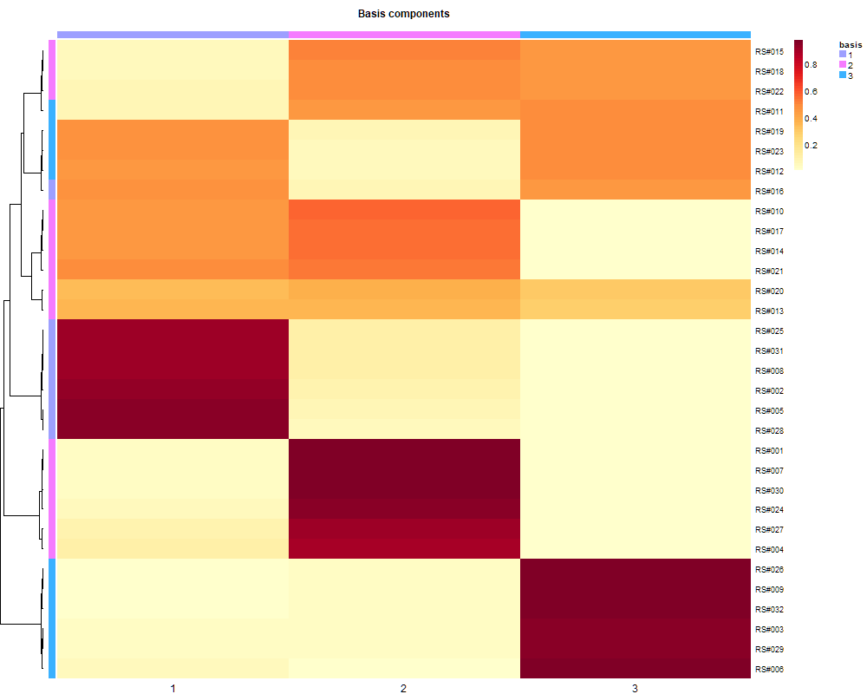
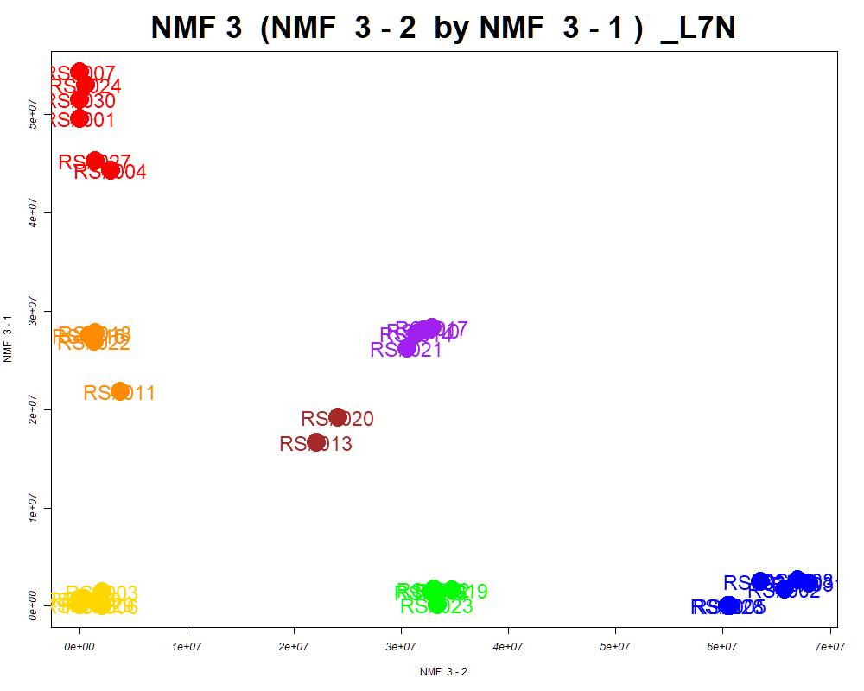
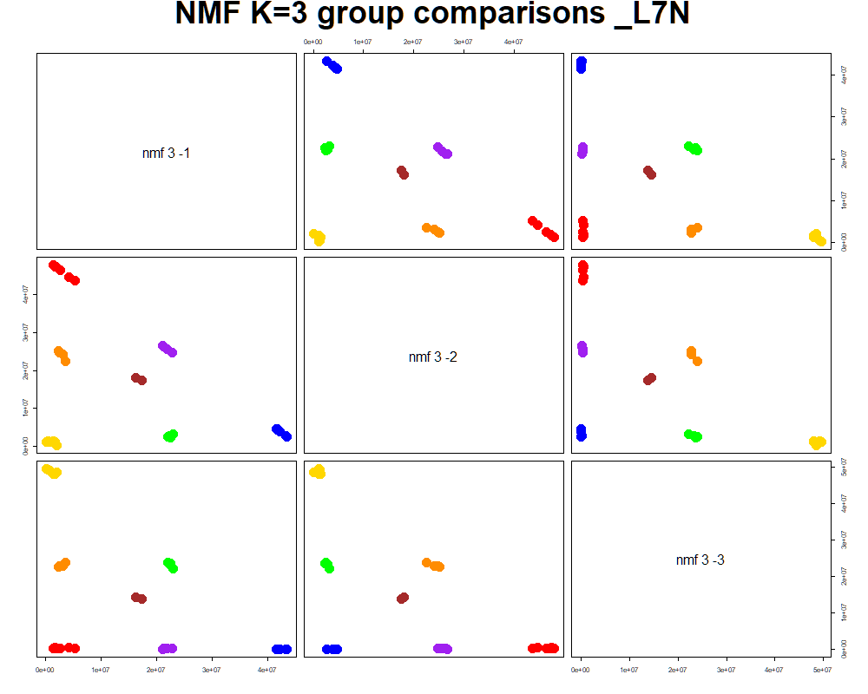
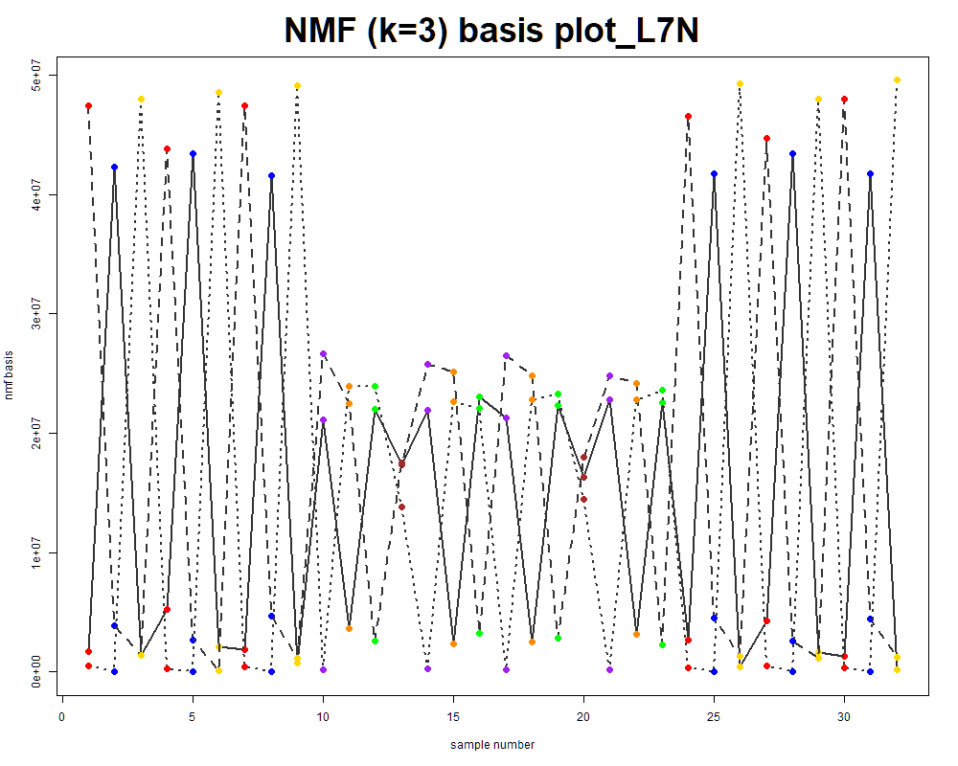
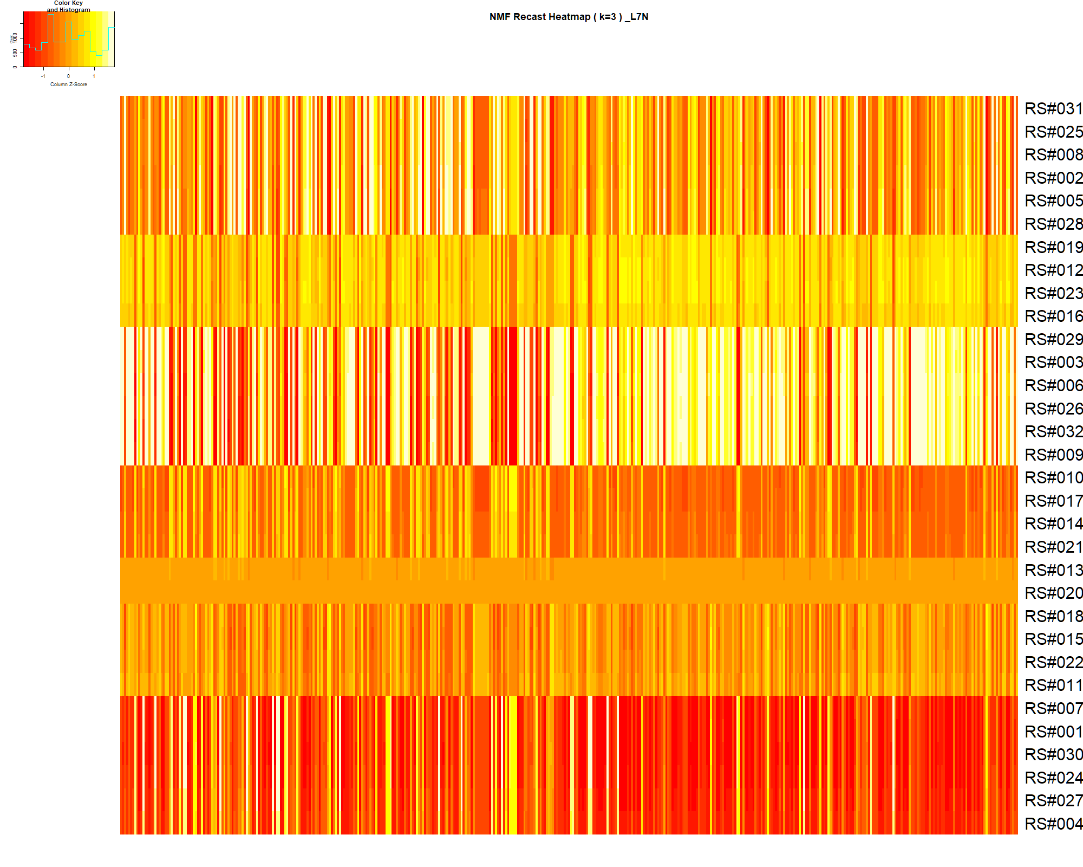

LabNum | BinID | Name | MF | BinC12mz | BinRT | nmf 3 -1 | nmf 3 -2 | nmf 3 -3 | Group |  | ExperimentalGroup | GroupFactor | nmf 3 -1 | nmf 3 -2 | nmf 3 -3 |  | p value
_L7N | LTRS_000004_BasePos | Lys-Ser (M+H) | C9H19N3O4 | 234.1448 | 0.70 | 25.7% | 22.9% | 51.4% | - | RS#001 | GroupA | GroupA | 4.96E+07 | 1.72E+04 | 1.78E+05 | nmf 3 -1 | 3.05E-23
_L7N | LTRS_000006_BasePos | L-Lysine (M+H -NH3) | C6H14N2O2 | 130.0863 | 0.71 | 26.3% | 29.5% | 44.3% | - | RS#004 | GroupA | GroupA | 4.44E+07 | 2.91E+06 | 2.22E-16 | nmf 3 -2 | 1.23E-28
_L7N | LTRS_000007_BaseNeg | C11H22N2O7 (M-H) | C11H22N2O7 | 293.1354 | 0.77 | 27.3% | 49.9% | 22.8% | - | RS#007 | GroupA | GroupA | 5.43E+07 | 4.22E+02 | 4.70E+02 | nmf 3 -3 | 6.94E-23
_L7N | LTRS_000007_BasePos | L-Lysine (M+H) | C6H14N2O2 | 147.1128 | 0.71 | 24.9% | 29.8% | 45.3% | - | RS#024 | GroupA | GroupA | 5.30E+07 | 5.73E+05 | 1.69E-03
_L7N | LTRS_000008_BaseNeg | Lys-Ser (M-H) | C9H19N3O4 | 232.1303 | 0.75 | 16.1% | 17.9% | 65.9% | NotClr | RS#027 | GroupA | GroupA | 4.53E+07 | 1.42E+06 | 1.36E+00 | Average | 3.33E-23
_L7N | LTRS_000008_BasePos | C6H10N6O3 (M+H) | C6H10N6O3 | 215.0887 | 0.71 | 27.0% | 32.1% | 40.9% | - | RS#030 | GroupA | GroupA | 5.15E+07 | 5.58E+02 | 7.31E+04
_L7N | LTRS_000009_BaseNeg | L-Lysine (M-H) | C6H14N2O2 | 145.0983 | 0.76 | 20.0% | 33.4% | 46.5% | - | RS#002 | GroupB | GroupB | 1.68E+06 | 6.57E+07 | 9.15E+03
...

Random Forest
...
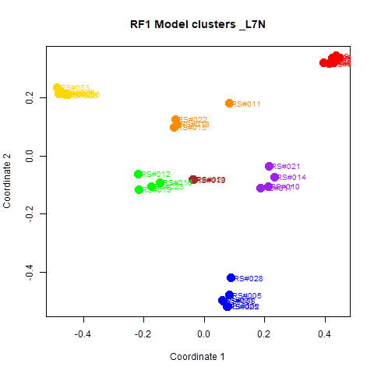
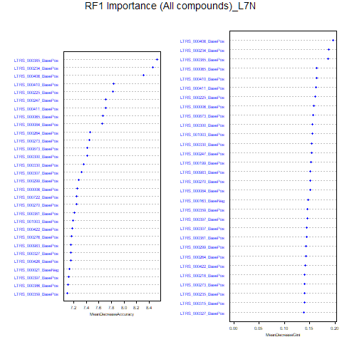
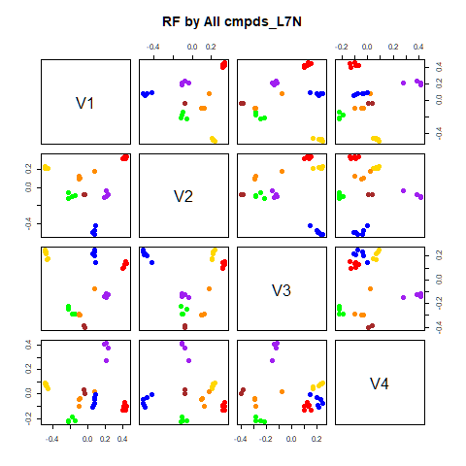
GroupD | GroupE | GroupF | GroupG | class.error
0 | 0 | 0 | 0 | 0
0 | 0 | 0 | 0 | 0
0 | 0 | 0 | 0 | 0
4 | 0 | 0 | 0 | 0
0 | 4 | 0 | 0 | 0
0 | 0 | 4 | 0 | 0
0 | 0 | 1 | 1 | 0.5
...
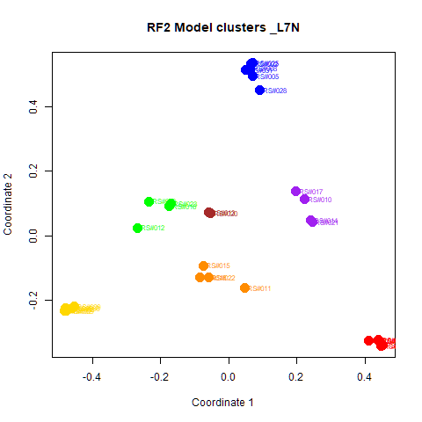
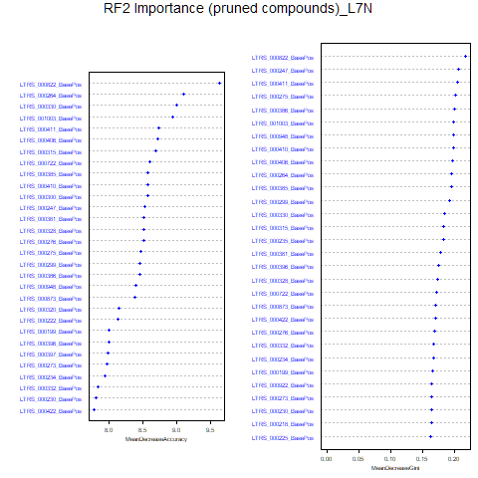
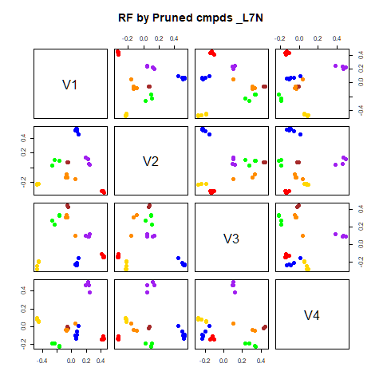
GroupD | GroupE | GroupF | GroupG | class.error
0 | 0 | 0 | 0 | 0
0 | 0 | 0 | 0 | 0
0 | 0 | 0 | 0 | 0
4 | 0 | 0 | 0 | 0
0 | 4 | 0 | 0 | 0
0 | 0 | 4 | 0 | 0
0 | 0 | 0 | 2 | 0

GroupC | GroupD | GroupE | GroupF | GroupG | MeanDecreaseAccuracy | MeanDecreaseGini |  | GroupA | GroupB | GroupC | GroupD | GroupE | GroupF | GroupG | MeanDecreaseAccuracy | MeanDecreaseGini
4.82947682998316 | 3.52974270907187 | 4.04685715242841 | 3.12285881202234 | 1.73291748303345 | 8.52372574992591 | 0.185238269471476 | LTRS_000822_BasePos | 5.030 | 7.051 | 5.399 | 5.737 | 4.928 | 3.429 | 2.649 | 9.640 | 0.217
5.15412869313518 | 5.13562493087623 | 3.21606603975107 | 3.72340883565641 | 2.23793369995829 | 8.45956721016853 | 0.187464035330207 | LTRS_000264_BasePos | 3.967 | 6.042 | 5.362 | 4.772 | 4.470 | 2.306 | 3.168 | 9.111 | 0.195
5.02897914250855 | 4.98052708489792 | 3.75041859686462 | 2.56120416285941 | 2.23793369995829 | 8.30282411855914 | 0.195394826928637 | LTRS_000330_BasePos | 6.608 | 4.307 | 5.146 | 4.257 | 2.987 | 4.980 | 3.471 | 8.996 | 0.184
4.76393681519291 | 3.65473381411062 | 2.41339451047448 | 3.31888216824083 | 1.73291748303345 | 7.82913822632967 | 0.162850847816265 | LTRS_001003_BasePos | 5.406 | 6.319 | 2.930 | 4.136 | 3.195 | 5.261 | 2.001 | 8.938 | 0.199
5.25168577223222 | 3.87729491718157 | 2.55037633913335 | 3.77032224593401 | 1.73291748303345 | 7.81885318299732 | 0.160443179099882 | LTRS_000411_BasePos | 4.552 | 6.767 | 4.921 | 5.216 | 3.529 | 3.180 | 1.342 | 8.742 | 0.205
3.37328758979562 | 3.42460398171631 | 3.76161648615743 | 3.43008368227269 | 2.23793369995829 | 7.70717898315142 | 0.153587572879402 | LTRS_000406_BasePos | 4.314 | 6.005 | 5.410 | 4.532 | 4.712 | 3.910 | 3.323 | 8.719 | 0.197
...

RF->NMF3
This tab has the report for k= 3

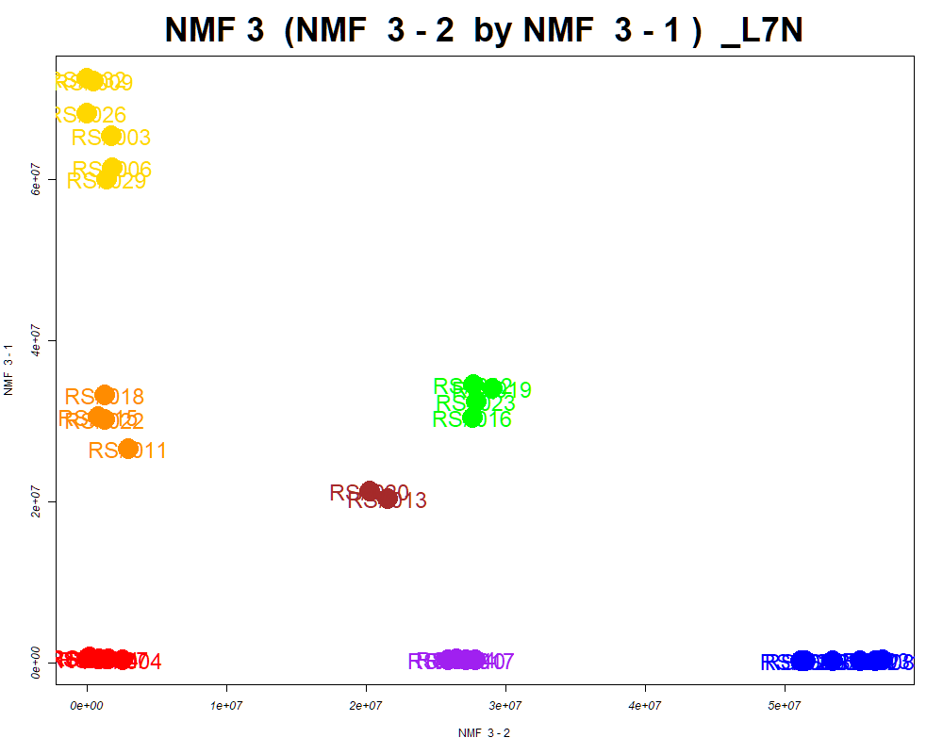

LabNum | BinID | Name | MF | BinC12mz | BinRT | nmf 3 -1 | nmf 3 -2 | nmf 3 -3 | Group |  | ExperimentalGroup | GroupFactor | nmf 3 -1
_L7N | LTRS_000004_BasePos | Lys-Ser (M+H) | C9H19N3O4 | 234.1448 | 0.70 | 52.7% | 26.0% | 21.2% | - | RS#001 | GroupA | GroupA | 7.08E+05
_L7N | LTRS_000006_BasePos | L-Lysine (M+H -NH3) | C6H14N2O2 | 130.0863 | 0.71 | 44.9% | 33.5% | 21.6% | - | RS#004 | GroupA | GroupA | 3.10E+05
_L7N | LTRS_000007_BasePos | L-Lysine (M+H) | C6H14N2O2 | 147.1128 | 0.71 | 45.9% | 33.7% | 20.4% | - | RS#007 | GroupA | GroupA | 6.00E+05
_L7N | LTRS_000008_BaseNeg | Lys-Ser (M-H) | C9H19N3O4 | 232.1303 | 0.75 | 67.0% | 20.1% | 12.9% | GroupC | RS#024 | GroupA | GroupA | 5.15E+05
_L7N | LTRS_000008_BasePos | C6H10N6O3 (M+H) | C6H10N6O3 | 215.0887 | 0.71 | 41.3% | 36.4% | 22.2% | - | RS#027 | GroupA | GroupA | 4.78E+05
_L7N | LTRS_000009_BaseNeg | L-Lysine (M-H) | C6H14N2O2 | 145.0983 | 0.76 | 46.5% | 37.4% | 16.0% | - | RS#030 | GroupA | GroupA | 6.36E+05
_L7N | LTRS_000011_BasePos | Inositol 1,3,4-trisphosphate (M+H) | C6H15O15P3 | 420.9697 | 0.72 | 46.1% | 30.4% | 23.5% | - | RS#002 | GroupB | GroupB | 2.17E+05
...

PCA
This tab shows results from PCA analyses on the two RF datasets.
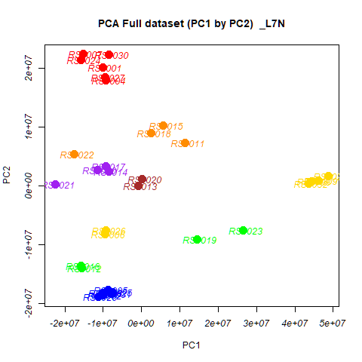

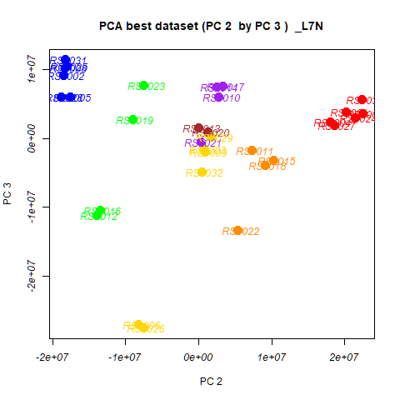
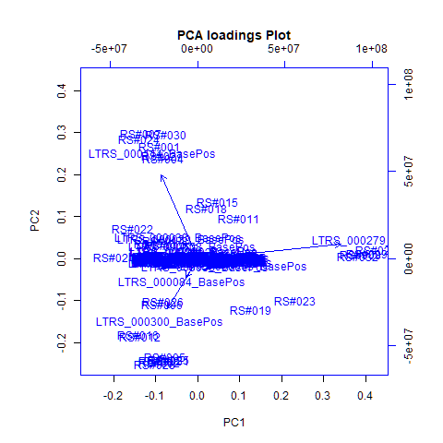
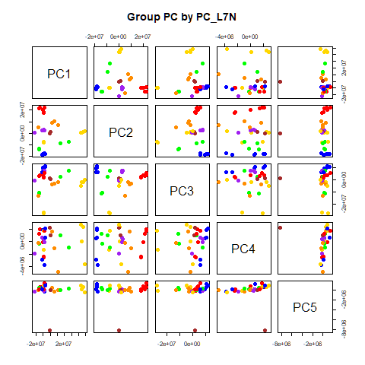
 | %TotVar | SD | p Design | p Reg
PC1 | 59.32% | 2.01E+07 | 3.51E-03 | 3.51E-03
PC2 | 25.83% | 1.33E+07 | 1.90E-17 | 1.90E-17
PC3 | 12.94% | 9.40E+06 | 2.39E-03 | 2.39E-03
PC4 | 0.60% | 2.02E+06 | 8.51E-01 | 8.51E-01
PC5 | 0.36% | 1.57E+06 | 5.39E-03 | 5.39E-03
PC6 | 0.19% | 1.13E+06 | 1.41E-01 | 1.41E-01
PC7 | 0.18% | 1.10E+06 | 8.01E-01 | 8.01E-01
PC8 | 0.10% | 8.14E+05 | 6.76E-01 | 6.76E-01
PC9 | 0.08% | 7.34E+05 | 3.91E-01 | 3.91E-01
PC10 | 0.06% | 6.38E+05 | 1.33E-01 | 1.33E-01

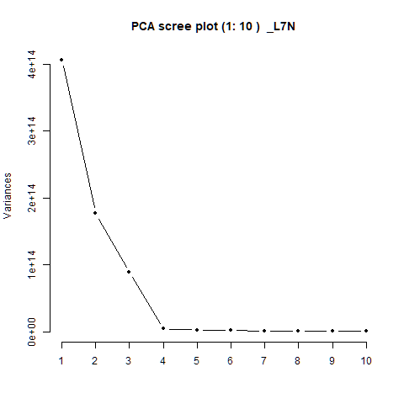
 |  | PC1 | PC2 | PC3 | PC4 | PC5 |  | PC1 | PC2 | PC3 | PC4 | PC5
 | LTRS_000001_BasePos | -1.69E-05 | -8.51E-06 | 2.93E-05 | -2.98E-04 | 5.57E-04 | RS#001 | -1.01E+07 | 2.02E+07 | 3.79E+06 | -6.69E+04 | 7.58E+05
 | LTRS_000003_BasePos | 4.97E-05 | -4.90E-05 | -4.69E-05 | 2.03E-04 | 8.82E-05 | RS#002 | -1.02E+07 | -1.85E+07 | 9.15E+06 | 5.13E+05 | 1.80E+05
 | LTRS_000004_BaseNeg | -2.42E-05 | -2.83E-05 | -1.15E-04 | -2.44E-05 | 4.64E-05 | RS#003 | 4.44E+07 | 8.07E+05 | -1.60E+06 | 3.42E+04 | 1.97E+05
 | LTRS_000004_BasePos | 3.28E-04 | -1.52E-04 | -7.59E-04 | 9.07E-05 | 4.30E-05 | RS#004 | -9.25E+06 | 1.80E+07 | 2.38E+06 | -2.48E+06 | -1.39E+05
 |  |  |  |  |  |  |  | -8.61E+06 | -1.76E+07 | 5.99E+06 | -3.76E+06 | -3.16E+05
 |  |  |  |  |  |  |  | -9.40E+06 | -8.19E+06 | -2.69E+07 | -1.35E+06 | -2.30E+05
 |  |  |  |  |  |  |  | -1.53E+07 | 2.24E+07 | 3.60E+06 | 2.06E+06 | 6.73E+05
 |  |  |  |  |  |  |  | -1.01E+07 | -1.82E+07 | 1.02E+07 | 1.96E+06 | 6.60E+05
 |  |  |  |  |  |  |  | 4.61E+07 | 9.30E+05 | -2.04E+06 | 2.37E+06 | 5.32E+05
 |  |  |  |  |  |  |  | -1.15E+07 | 2.76E+06 | 5.99E+06 | 6.90E+05 | 1.75E+05
 |  |  |  |  |  |  |  | 1.14E+07 | 7.32E+06 | -1.71E+06 | -4.91E+06 | -6.72E+04
 |  |  |  |  |  |  |  | -1.55E+07 | -1.39E+07 | -1.11E+07 | 1.25E+06 | 4.50E+05
 |  |  |  |  |  |  |  | -8.88E+05 | 4.89E+04 | 1.51E+06 | 2.25E+06 | -8.24E+06
 |  |  |  |  |  |  |  | -8.55E+06 | 2.50E+06 | 7.43E+06 | -8.31E+04 | 2.47E+04
 |  |  |  |  |  |  |  | 5.69E+06 | 1.03E+07 | -3.25E+06 | -1.01E+06 | -3.26E+05
 |  |  |  |  |  |  |  | -1.58E+07 | -1.35E+07 | -1.05E+07 | -3.21E+05 | 1.59E+05
 |  |  |  |  |  |  |  | -9.26E+06 | 3.33E+06 | 7.49E+06 | 4.75E+05 | -2.24E+05
 |  |  |  |  |  |  |  | 2.51E+06 | 9.09E+06 | -3.88E+06 | 1.64E+06 | 5.05E+05
 |  |  |  |  |  |  |  | 1.46E+07 | -9.05E+06 | 2.74E+06 | 1.03E+06 | -2.13E+04
...

PCA->NMF3
This tab has the report for k= 3

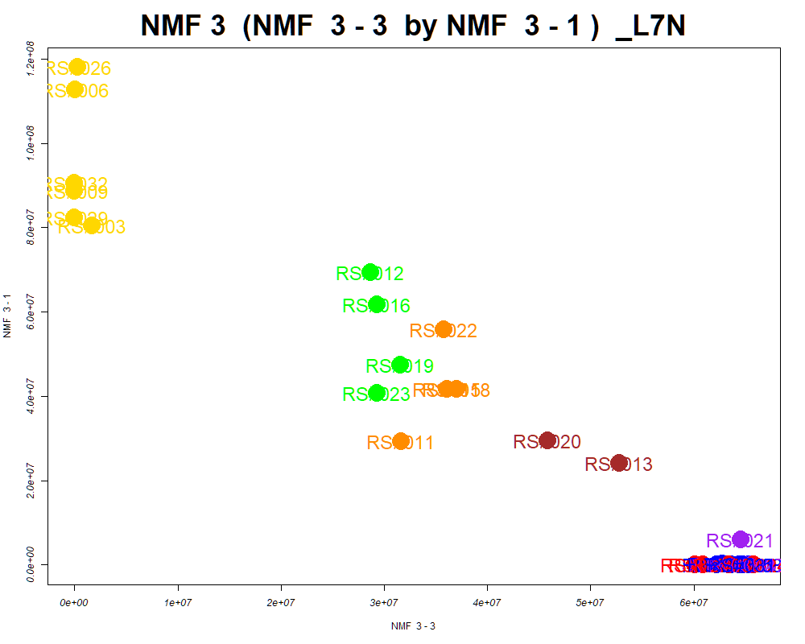

LabNum | BinID | Name | MF | BinC12mz | BinRT | nmf 3 -1 | nmf 3 -2 | nmf 3 -3 | Group |  | ExperimentalGroup | GroupFactor | nmf 3 -1
_L7N | LTRS_000006_BasePos | L-Lysine (M+H -NH3) | C6H14N2O2 | 130.0863 | 0.71 | 44.3% | 17.9% | 37.8% | - | RS#001 | GroupA | GroupA | 1.24E-05
_L7N | LTRS_000007_BasePos | L-Lysine (M+H) | C6H14N2O2 | 147.1128 | 0.71 | 44.4% | 19.2% | 36.4% | - | RS#004 | GroupA | GroupA | 2.22E-16
_L7N | LTRS_000010_BasePos | C11H22N2O7 (M+H) | C11H22N2O7 | 295.1500 | 0.72 | 35.6% | 0.0% | 64.4% | NotClr | RS#007 | GroupA | GroupA | 3.17E+02
_L7N | LTRS_000014_BaseNeg | Gamma-glutamyl-L-putrescine (M-H) | C9H19N3O3 | 216.1354 | 0.79 | 76.8% | 14.8% | 8.4% | GroupC | RS#024 | GroupA | GroupA | 2.18E+04
_L7N | LTRS_000014_BasePos | C6H6N7NaO8P (M+H) | C6H6N7NaO8P | 358.9986 | 0.72 | 47.5% | 18.8% | 33.7% | - | RS#027 | GroupA | GroupA | 2.77E-11
_L7N | LTRS_000017_BaseNeg | L-Histidine (M-H) | C6H9N3O2 | 154.0622 | 0.83 | 32.4% | 0.0% | 67.6% | NotClr | RS#030 | GroupA | GroupA | 2.22E-16
_L7N | LTRS_000017_BasePos | C6H6ClN5NaO (M+H) | C6H6ClN5NaO | 223.0231 | 0.73 | 44.0% | 19.6% | 36.4% | - | RS#002 | GroupB | GroupB | 5.72E-07
...

SOM
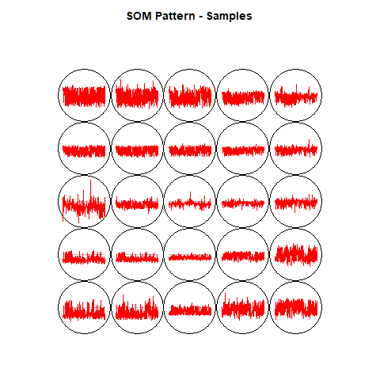
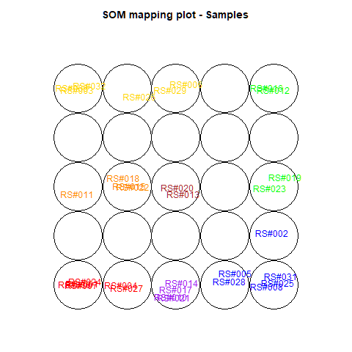
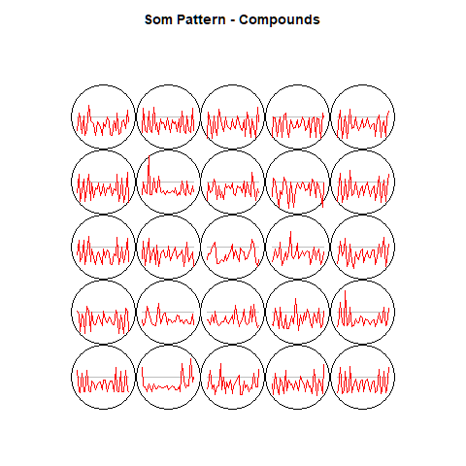
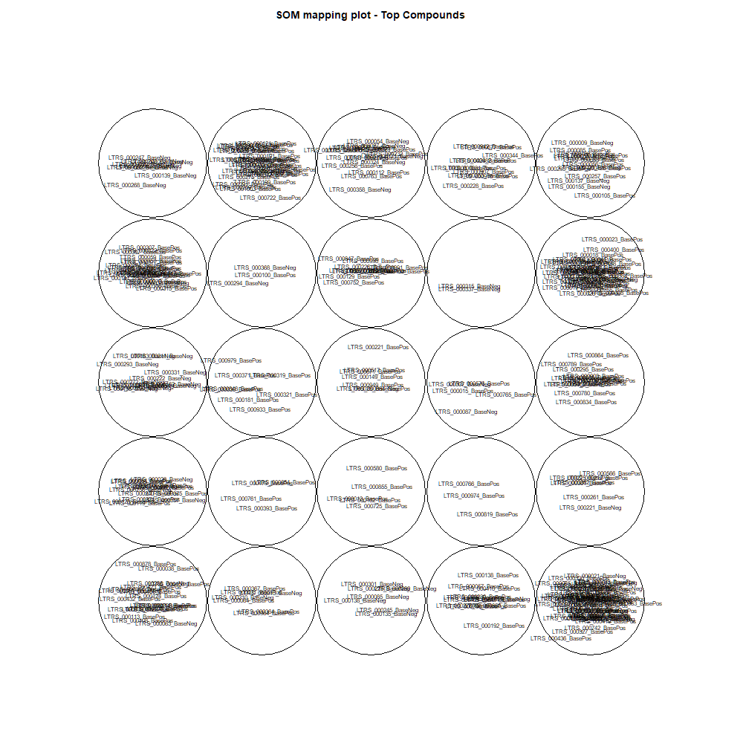
This tab show the output from a SOM analysis

NMF(full)->NMF3
This tab has the report for k= 3

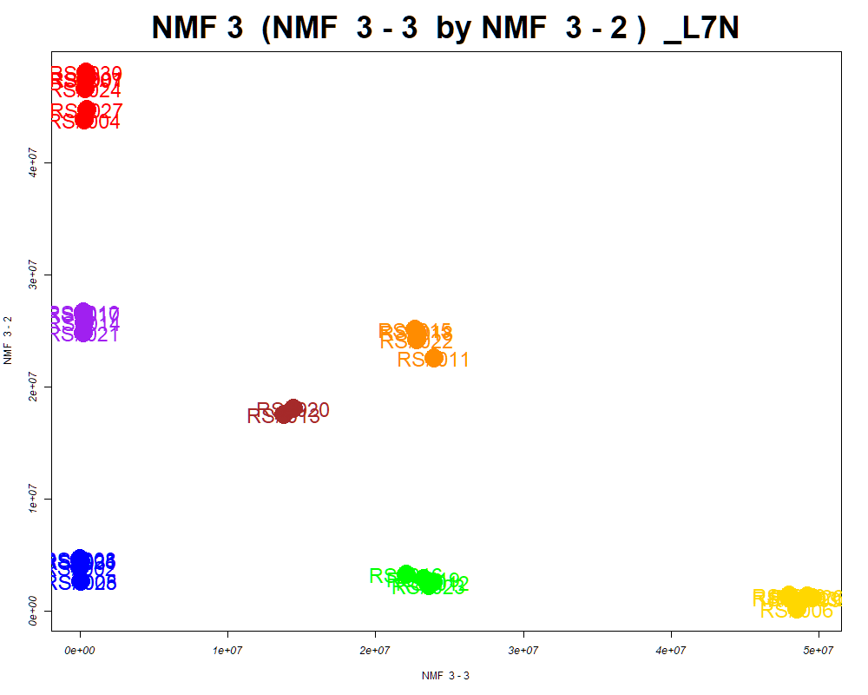

LabNum | BinID | Name | MF | BinC12mz | BinRT | nmf 3 -1 | nmf 3 -2 | nmf 3 -3 | Group |  | ExperimentalGroup | GroupFactor | nmf 3 -1
_L7N | LTRS_000004_BasePos | Lys-Ser (M+H) | C9H19N3O4 | 234.1448 | 0.70 | 25.5% | 19.2% | 55.3% | - | RS#001 | GroupA | GroupA | 1.72E+06
_L7N | LTRS_000006_BasePos | L-Lysine (M+H -NH3) | C6H14N2O2 | 130.0863 | 0.71 | 33.0% | 19.6% | 47.4% | - | RS#004 | GroupA | GroupA | 5.28E+06
_L7N | LTRS_000007_BaseNeg | C11H22N2O7 (M-H) | C11H22N2O7 | 293.1354 | 0.77 | 47.8% | 25.9% | 26.3% | - | RS#007 | GroupA | GroupA | 1.86E+06
_L7N | LTRS_000007_BasePos | L-Lysine (M+H) | C6H14N2O2 | 147.1128 | 0.71 | 33.2% | 18.4% | 48.4% | - | RS#024 | GroupA | GroupA | 2.67E+06
_L7N | LTRS_000008_BaseNeg | Lys-Ser (M-H) | C9H19N3O4 | 232.1303 | 0.75 | 15.5% | 14.3% | 70.2% | NotClr | RS#027 | GroupA | GroupA | 4.28E+06
_L7N | LTRS_000009_BaseNeg | L-Lysine (M-H) | C6H14N2O2 | 145.0983 | 0.76 | 31.0% | 18.1% | 50.9% | - | RS#030 | GroupA | GroupA | 1.34E+06
_L7N | LTRS_000011_BasePos | Inositol 1,3,4-trisphosphate (M+H) | C6H15O15P3 | 420.9697 | 0.72 | 29.8% | 21.5% | 48.6% | - | RS#002 | GroupB | GroupB | 4.23E+07
...

Scored_Cmpds
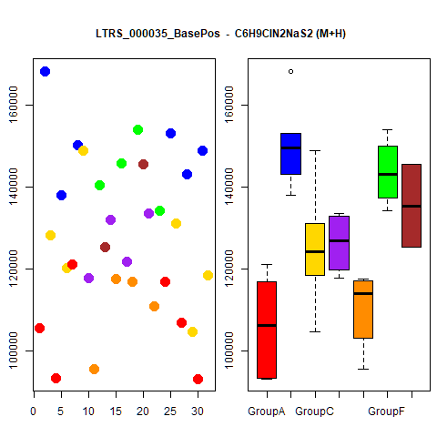
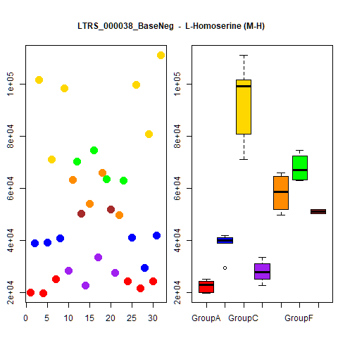
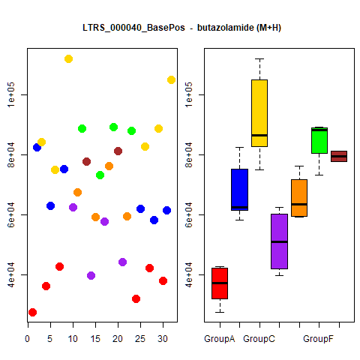
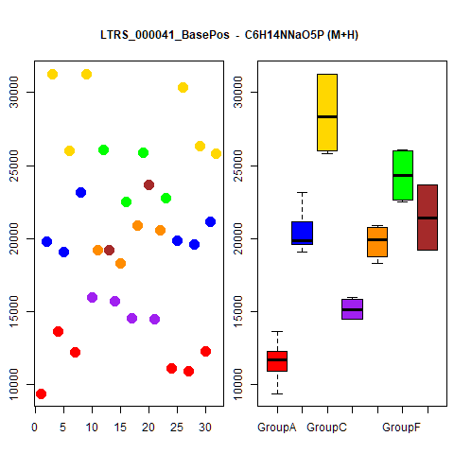
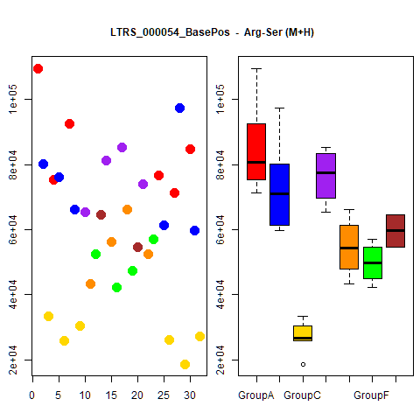
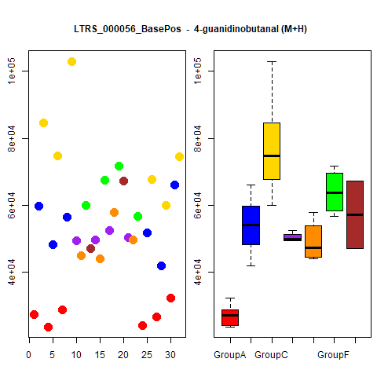
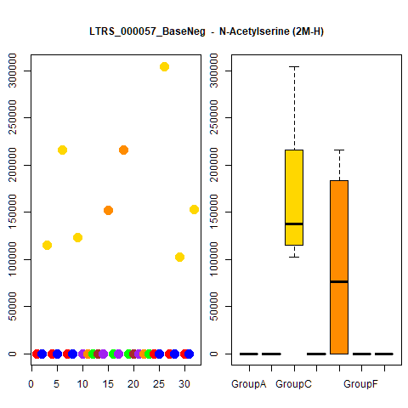
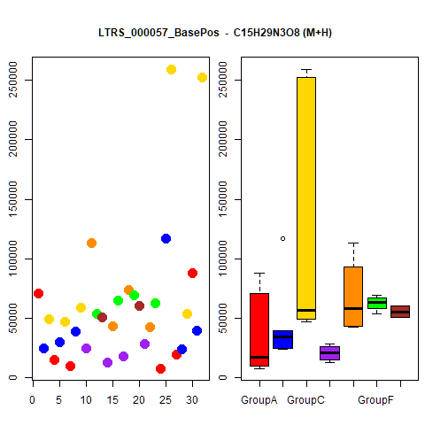
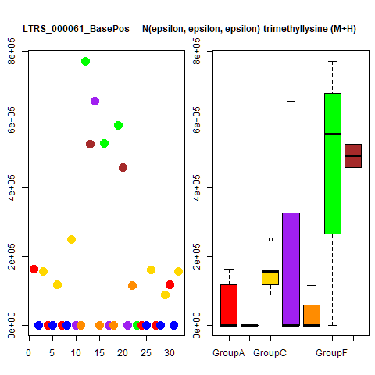
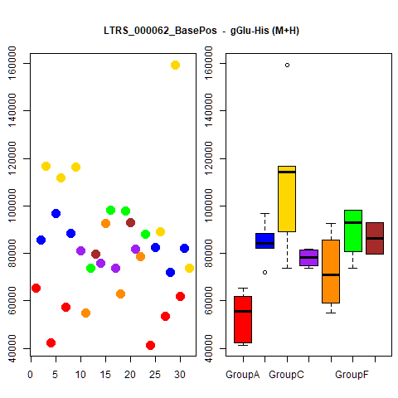
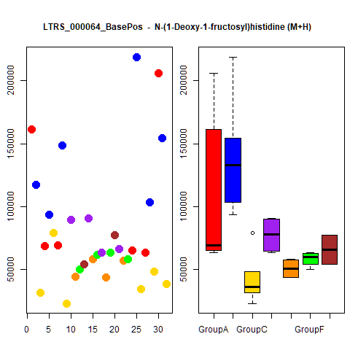
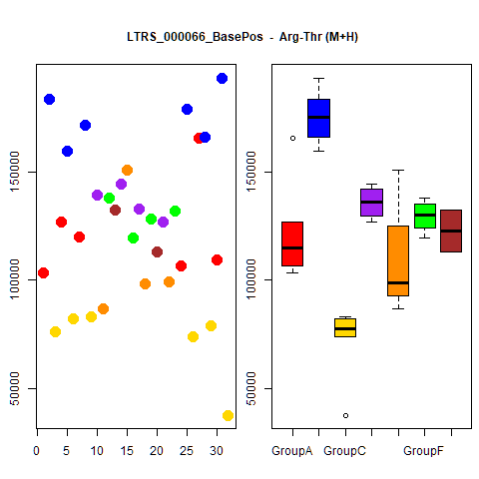
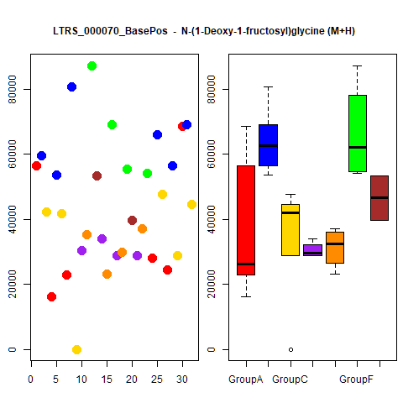
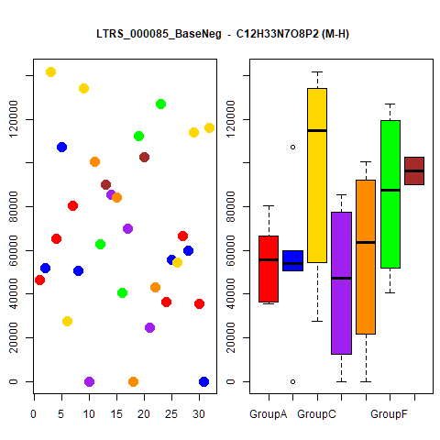
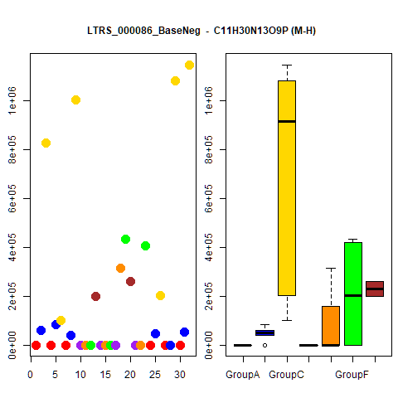
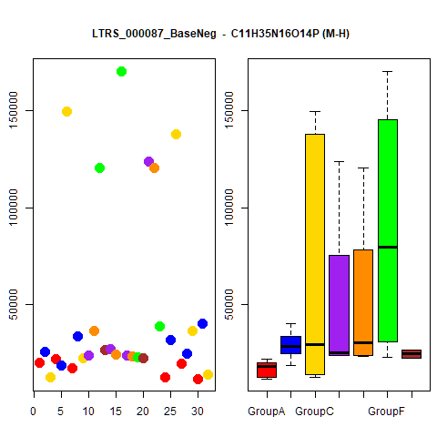
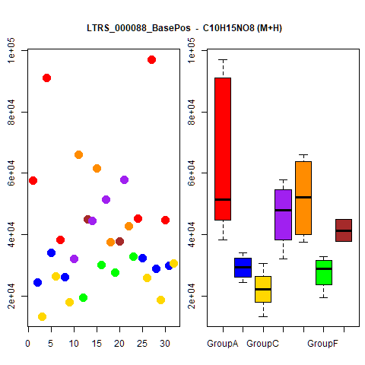
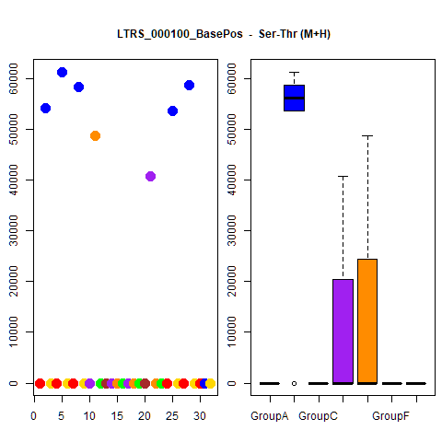
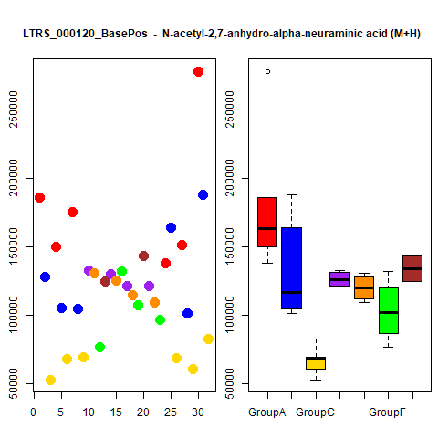
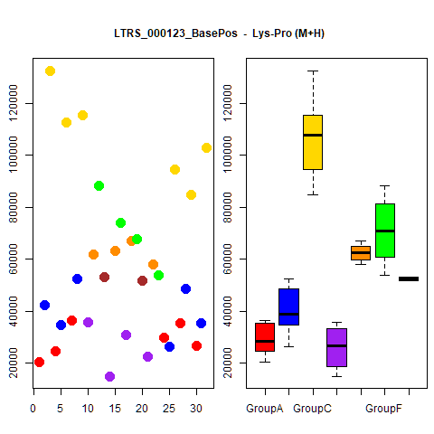
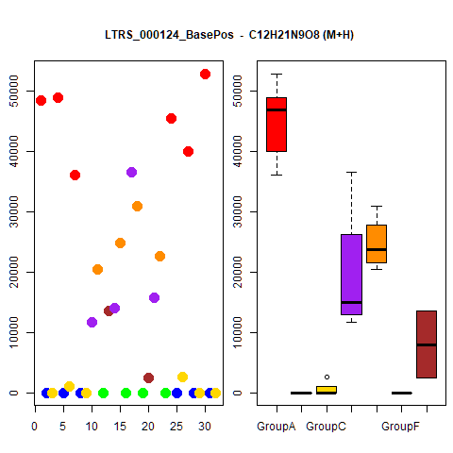
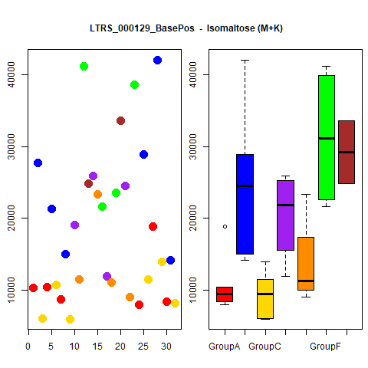
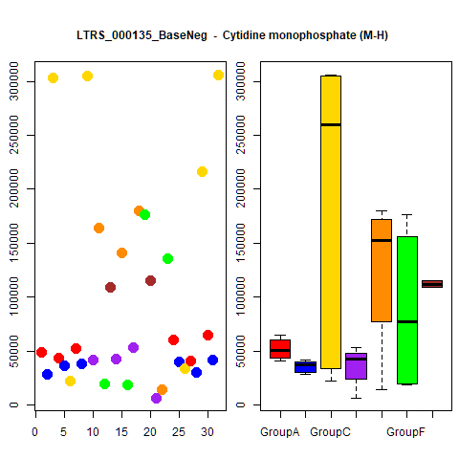
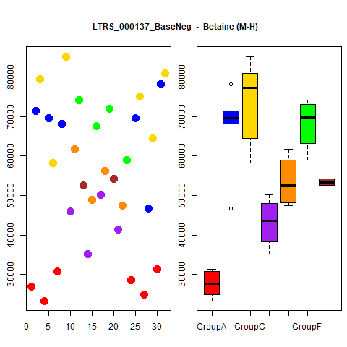



























































































































...




 |  |  | Count
1 | 1 | 1 | 4
1 | 1 | 1 | 4
1 | 1 | 1 | 4
1 | 1 | 1 | 4
1 | 1 | 1 | 4
1 | 1 | 1 | 4
1 | 1 | 1 | 4
1 | 1 | 1 | 4
1 | 1 | 1 | 4
1 | 1 | 1 | 4





1 | 1 | 1 | 4
1 | 1 | 1 | 4
1 | 1 | 1 | 4
1 | 1 | 1 | 4
1 | 1 | 1 | 4
1 | 1 | 1 | 4
1 | 1 | 1 | 4
1 | 1 | 1 | 4
1 | 1 | 1 | 4
1 | 1 | 1 | 4





1 | 1 | 1 | 4
1 | 1 | 1 | 4
1 | 1 | 1 | 4
1 | 1 | 1 | 4
1 | 1 | 1 | 4
1 | 1 | 1 | 4
1 | 1 | 1 | 4
1 | 1 | 1 | 4
1 | 1 | 1 | 4
1 | 1 | 1 | 4





1 | 1 | 1 | 4
1 | 1 | 1 | 4
1 | 1 | 1 | 4
1 | 1 | 1 | 4
1 | 1 | 1 | 4
1 | 1 | 1 | 4
1 | 1 | 1 | 4
1 | 1 | 1 | 4
1 | 1 | 1 | 4
1 | 1 | 1 | 4





1 | 1 | 1 | 4
1 | 1 | 1 | 4
1 | 1 | 1 | 4
1 | 1 | 1 | 4
1 | 1 | 1 | 4
1 | 1 | 1 | 4
1 | 1 | 1 | 4
1 | 1 | 1 | 4
1 | 1 | 1 | 4
1 | 1 | 1 | 4





1 | 1 | 1 | 4
1 | 1 | 1 | 4
1 | 1 | 1 | 4
1 | 1 | 1 | 4
1 | 0 | 1 | 3
1 | 0 | 1 | 3
1 | 0 | 1 | 3
1 | 0 | 1 | 3
1 | 0 | 1 | 3
1 | 0 | 1 | 3





1 | 1 | 0 | 3
1 | 0 | 1 | 3
1 | 0 | 1 | 3
1 | 0 | 1 | 3
1 | 0 | 1 | 3
1 | 0 | 1 | 3
1 | 0 | 1 | 3
1 | 0 | 1 | 3
1 | 0 | 1 | 3
1 | 0 | 1 | 3





1 | 0 | 1 | 3
1 | 0 | 1 | 3
1 | 0 | 1 | 3
1 | 0 | 1 | 3
1 | 0 | 1 | 3
1 | 0 | 1 | 3
1 | 0 | 1 | 3
1 | 0 | 1 | 3
1 | 1 | 0 | 3
1 | 0 | 1 | 3





1 | 0 | 1 | 3
1 | 0 | 1 | 3
1 | 0 | 1 | 3
1 | 0 | 1 | 3
1 | 0 | 1 | 3
1 | 0 | 1 | 3
1 | 0 | 1 | 3
1 | 0 | 1 | 3
1 | 0 | 1 | 3
1 | 0 | 1 | 3





1 | 1 | 0 | 3
1 | 0 | 1 | 3
1 | 0 | 1 | 3
1 | 0 | 1 | 3
1 | 0 | 1 | 3
1 | 0 | 1 | 3
1 | 1 | 0 | 3
1 | 0 | 1 | 3
1 | 0 | 1 | 3
1 | 1 | 0 | 3





1 | 0 | 1 | 3
1 | 0 | 1 | 3
1 | 0 | 1 | 3
1 | 0 | 1 | 3
1 | 0 | 1 | 3
1 | 0 | 1 | 3
1 | 0 | 1 | 3
1 | 0 | 1 | 3
1 | 0 | 1 | 3
1 | 0 | 1 | 3





1 | 0 | 1 | 3
1 | 0 | 1 | 3
1 | 1 | 0 | 3
1 | 0 | 1 | 3
1 | 0 | 1 | 3
1 | 0 | 1 | 3
1 | 0 | 1 | 3
1 | 1 | 0 | 3
1 | 0 | 1 | 3
1 | 0 | 1 | 3





1 | 0 | 1 | 3
1 | 1 | 0 | 3
1 | 0 | 1 | 3
1 | 0 | 1 | 3
1 | 0 | 1 | 3
1 | 0 | 1 | 3
1 | 0 | 1 | 3
1 | 0 | 1 | 3
1 | 1 | 0 | 3
1 | 0 | 1 | 3





1 | 0 | 1 | 3
1 | 0 | 1 | 3
1 | 0 | 1 | 3
1 | 0 | 1 | 3
1 | 0 | 1 | 3
1 | 0 | 1 | 3
1 | 0 | 1 | 3
1 | 0 | 1 | 3
1 | 0 | 1 | 3
1 | 0 | 1 | 3





1 | 0 | 1 | 3
1 | 0 | 1 | 3
1 | 0 | 1 | 3
1 | 1 | 0 | 3
1 | 1 | 0 | 3
1 | 1 | 0 | 3
1 | 1 | 0 | 3
1 | 0 | 0 | 2
1 | 0 | 0 | 2
1 | 0 | 0 | 2





1 | 0 | 0 | 2
1 | 0 | 0 | 2
1 | 0 | 0 | 2
1 | 0 | 0 | 2
1 | 0 | 0 | 2
1 | 0 | 0 | 2
1 | 0 | 0 | 2
1 | 0 | 0 | 2
1 | 0 | 0 | 2
1 | 0 | 0 | 2





0 | 0 | 1 | 2
1 | 0 | 1 | 2
0 | 0 | 1 | 2
1 | 0 | 0 | 2
1 | 0 | 0 | 2
1 | 0 | 0 | 2
1 | 0 | 0 | 2
1 | 0 | 1 | 2
0 | 0 | 1 | 2
1 | 0 | 1 | 2





1 | 0 | 0 | 2
1 | 0 | 0 | 2
1 | 0 | 0 | 2
1 | 0 | 0 | 2
1 | 0 | 0 | 2
1 | 0 | 0 | 2
1 | 0 | 1 | 2
1 | 0 | 0 | 2
1 | 0 | 1 | 2
1 | 0 | 0 | 2





1 | 0 | 0 | 2
1 | 0 | 0 | 2
1 | 0 | 0 | 2
1 | 0 | 0 | 2
1 | 0 | 0 | 2
1 | 0 | 0 | 2
1 | 0 | 0 | 2
1 | 0 | 0 | 2
1 | 0 | 0 | 2
1 | 0 | 0 | 2





1 | 0 | 0 | 2
1 | 0 | 0 | 2
0 | 0 | 1 | 2
1 | 0 | 0 | 2
1 | 0 | 0 | 2
1 | 0 | 0 | 2
1 | 0 | 0 | 2
1 | 0 | 1 | 2
1 | 0 | 0 | 2
1 | 0 | 0 | 2





1 | 0 | 0 | 2
1 | 0 | 0 | 2
1 | 0 | 0 | 2
1 | 0 | 0 | 2
1 | 0 | 0 | 2
1 | 0 | 0 | 2
1 | 0 | 0 | 2
1 | 0 | 0 | 2
1 | 0 | 0 | 2
1 | 0 | 0 | 2





1 | 0 | 0 | 2
1 | 0 | 0 | 2
1 | 0 | 0 | 2
1 | 0 | 0 | 2
1 | 0 | 0 | 2
1 | 0 | 0 | 2
1 | 0 | 0 | 2
1 | 0 | 0 | 2
1 | 0 | 0 | 2
1 | 0 | 0 | 2





1 | 0 | 0 | 2
1 | 0 | 0 | 2
1 | 0 | 0 | 2
1 | 0 | 0 | 2
0 | 0 | 1 | 2
1 | 0 | 0 | 2
1 | 0 | 0 | 2
1 | 0 | 1 | 2
1 | 0 | 1 | 2
1 | 0 | 0 | 2





1 | 0 | 0 | 2
1 | 0 | 0 | 2
1 | 0 | 0 | 2
1 | 0 | 0 | 2
1 | 0 | 1 | 2
1 | 0 | 0 | 2
1 | 0 | 0 | 2
1 | 0 | 0 | 2
1 | 0 | 0 | 2
1 | 0 | 0 | 2





1 | 0 | 0 | 2
1 | 0 | 0 | 2
1 | 0 | 0 | 2
1 | 0 | 0 | 2
1 | 0 | 0 | 2
1 | 0 | 0 | 2
1 | 0 | 0 | 2
1 | 0 | 0 | 2
1 | 0 | 1 | 2
1 | 0 | 0 | 2





1 | 0 | 0 | 2
1 | 0 | 0 | 2
1 | 0 | 0 | 2
1 | 0 | 0 | 2
1 | 0 | 0 | 2
1 | 0 | 0 | 2
1 | 0 | 0 | 2
1 | 0 | 1 | 2
1 | 0 | 0 | 2
1 | 0 | 0 | 2





1 | 0 | 0 | 2
1 | 0 | 0 | 2
1 | 0 | 0 | 2
1 | 0 | 0 | 2
1 | 0 | 0 | 2
1 | 0 | 0 | 2
1 | 0 | 0 | 2
1 | 0 | 0 | 2
1 | 0 | 0 | 2
1 | 0 | 0 | 2





1 | 0 | 0 | 2
1 | 0 | 0 | 2
1 | 0 | 0 | 2
1 | 0 | 0 | 2
1 | 0 | 0 | 2
1 | 0 | 0 | 2
1 | 0 | 0 | 2
1 | 0 | 0 | 2
1 | 0 | 0 | 2
1 | 0 | 0 | 2





1 | 0 | 0 | 2
1 | 0 | 0 | 2
1 | 0 | 0 | 2
0 | 0 | 1 | 2
1 | 0 | 0 | 2
1 | 0 | 0 | 2
1 | 0 | 0 | 2
1 | 0 | 0 | 2
1 | 0 | 0 | 2
1 | 0 | 0 | 2





1 | 0 | 0 | 2
1 | 0 | 1 | 2
1 | 0 | 0 | 2
1 | 0 | 0 | 2
1 | 0 | 0 | 2
1 | 0 | 0 | 2
1 | 0 | 0 | 2
1 | 0 | 0 | 2
1 | 0 | 0 | 2
1 | 0 | 0 | 2





1 | 0 | 0 | 2

Grouped_Cmpds














...
RF | PCA | NMF3 | NMF2 | Count
GroupC |  |  |  | 1
 | GroupC |  |  | 1
 |  |  |  | 1
GroupC |  |  |  | 1
GroupC |  |  |  | 1
 |  |  |  | 1
GroupC |  |  |  | 1
GroupC |  |  |  | 1
GroupC |  |  |  | 1
 | GroupC |  |  | 1

GroupC |  |  |  | 1
GroupC |  |  |  | 1
 | GroupC |  |  | 1
 |  |  |  | 1
GroupC |  |  |  | 1
GroupC |  |  |  | 1
GroupC |  |  |  | 1
GroupC |  |  |  | 1
GroupC |  |  |  | 1
GroupC |  |  |  | 1
GroupC |  |  |  | 1
GroupC |  |  |  | 1
GroupC |  |  |  | 1
 |  |  |  | 1
GroupC |  |  |  | 1
GroupC |  |  |  | 1
GroupC |  |  |  | 1
 | GroupC |  |  | 1
GroupC |  |  |  | 1
 |  | GroupA |  | 1
...


...

...

