Design
dataId | SampleId | ExperimentalGroup | GroupFactor | Conc | number | SampleId | AcqMethod | ExperimentalGroup | FileName | sampleNum
RS#001 | S0008 | GroupA | GroupA | 1 | 1 | S0008 | BaseNeg | GroupA | RR_C18_Ag_NEG_Sample_01.mzXML | 1
RS#002 | S0009 | GroupB | GroupB | 1 | 2 | S0008 | BasePos | GroupA | RR_C18_Ag_POS_Sample_01.mzXML | 1
RS#003 | S0010 | GroupC | GroupC | 1 | 3 | S0009 | BaseNeg | GroupB | RR_C18_Ag_NEG_Sample_02.mzXML | 2
RS#004 | S0011 | GroupA | GroupA | 0.5 | 4 | S0009 | BasePos | GroupB | RR_C18_Ag_POS_Sample_02.mzXML | 2
RS#005 | S0012 | GroupB | GroupB | 0.5 | 5 | S0010 | BaseNeg | GroupC | RR_C18_Ag_NEG_Sample_03.mzXML | 3
RS#006 | S0013 | GroupC | GroupC | 0.5 | 6 | S0010 | BasePos | GroupC | RR_C18_Ag_POS_Sample_03.mzXML | 3
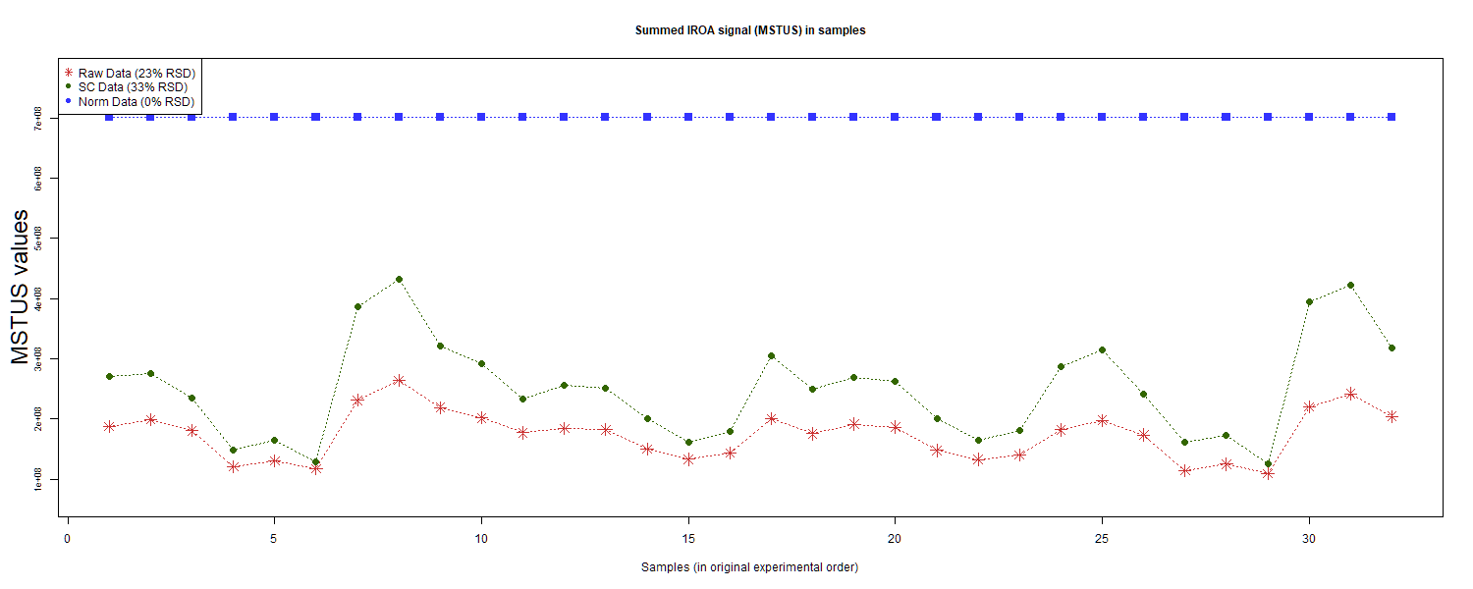
RS#007 | S0014 | GroupA | GroupA | 1.5 | 7 | S0011 | BaseNeg | GroupA | RR_C18_Ag_NEG_Sample_04.mzXML | 4
RS#008 | S0015 | GroupB | GroupB | 1.5 | 8 | S0011 | BasePos | GroupA | RR_C18_Ag_POS_Sample_04.mzXML | 4
RS#009 | S0016 | GroupC | GroupC | 1.5 | 9 | S0012 | BaseNeg | GroupB | RR_C18_Ag_NEG_Sample_05.mzXML | 5
RS#010 | S0017 | GroupD | GroupD | 1 | 10 | S0012 | BasePos | GroupB | RR_C18_Ag_POS_Sample_05.mzXML | 5
RS#011 | S0018 | GroupE | GroupE | 1 | 11 | S0013 | BaseNeg | GroupC | RR_C18_Ag_NEG_Sample_06.mzXML | 6
RS#012 | S0019 | GroupF | GroupF | 1 | 12 | S0013 | BasePos | GroupC | RR_C18_Ag_POS_Sample_06.mzXML | 6
RS#013 | S0020 | GroupG | GroupG | 1 | 13 | S0014 | BaseNeg | GroupA | RR_C18_Ag_NEG_Sample_07.mzXML | 7
RS#014 | S0021 | GroupD | GroupD | 0.67 | 14 | S0014 | BasePos | GroupA | RR_C18_Ag_POS_Sample_07.mzXML | 7
RS#015 | S0022 | GroupE | GroupE | 0.67 | 15 | S0015 | BaseNeg | GroupB | RR_C18_Ag_NEG_Sample_08.mzXML | 8
RS#016 | S0023 | GroupF | GroupF | 0.67 | 16 | S0015 | BasePos | GroupB | RR_C18_Ag_POS_Sample_08.mzXML | 8
RS#017 | S0024 | GroupD | GroupD | 1 | 17 | S0016 | BaseNeg | GroupC | RR_C18_Ag_NEG_Sample_09.mzXML | 9
RS#018 | S0025 | GroupE | GroupE | 1 | 18 | S0016 | BasePos | GroupC | RR_C18_Ag_POS_Sample_09.mzXML | 9
RS#019 | S0026 | GroupF | GroupF | 1 | 19 | S0017 | BaseNeg | GroupD | RR_C18_Ag_NEG_Sample_10.mzXML | 10
RS#020 | S0027 | GroupG | GroupG | 1 | 20 | S0017 | BasePos | GroupD | RR_C18_Ag_POS_Sample_10.mzXML | 10
RS#021 | S0028 | GroupD | GroupD | 0.67 | 21 | S0018 | BaseNeg | GroupE | RR_C18_Ag_NEG_Sample_11.mzXML | 11
RS#022 | S0029 | GroupE | GroupE | 0.67 | 22 | S0018 | BasePos | GroupE | RR_C18_Ag_POS_Sample_11.mzXML | 11
RS#023 | S0030 | GroupF | GroupF | 0.67 | 23 | S0019 | BaseNeg | GroupF | RR_C18_Ag_NEG_Sample_12.mzXML | 12 | This report was compiled on 2025-07-16 21:37:24.110917 Mode = Norm Based on file = data/RR Datasets/4297/Lab8-4297Fixed.tsv
RS#024 | S0031 | GroupA | GroupA | 1 | 24 | S0019 | BasePos | GroupF | RR_C18_Ag_POS_Sample_12.mzXML | 12
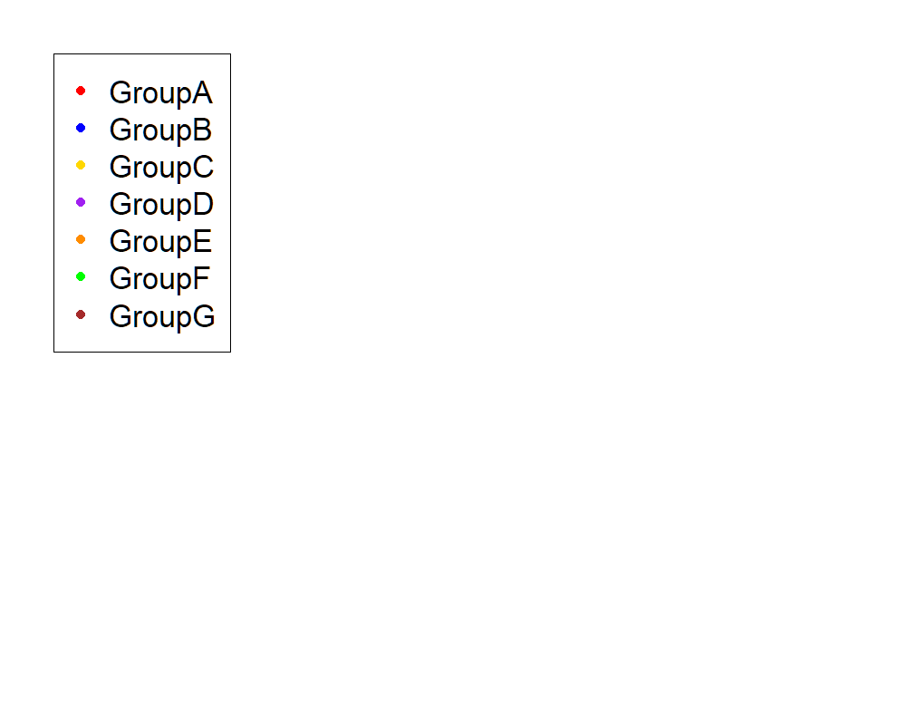
RS#025 | S0032 | GroupB | GroupB | 1 | 25 | S0020 | BaseNeg | GroupG | RR_C18_Ag_NEG_Sample_13.mzXML | 13
RS#026 | S0033 | GroupC | GroupC | 1 | 26 | S0020 | BasePos | GroupG | RR_C18_Ag_POS_Sample_13.mzXML | 13
RS#027 | S0034 | GroupA | GroupA | 0.5 | 27 | S0021 | BaseNeg | GroupD | RR_C18_Ag_NEG_Sample_14.mzXML | 14
RS#028 | S0035 | GroupB | GroupB | 0.5 | 28 | S0021 | BasePos | GroupD | RR_C18_Ag_POS_Sample_14.mzXML | 14
RS#029 | S0036 | GroupC | GroupC | 0.5 | 29 | S0022 | BaseNeg | GroupE | RR_C18_Ag_NEG_Sample_15.mzXML | 15
RS#030 | S0037 | GroupA | GroupA | 1.5 | 30 | S0022 | BasePos | GroupE | RR_C18_Ag_POS_Sample_15.mzXML | 15
RS#031 | S0038 | GroupB | GroupB | 1.5 | 31 | S0023 | BaseNeg | GroupF | RR_C18_Ag_NEG_Sample_16.mzXML | 16
RS#032 | S0039 | GroupC | GroupC | 1.5 | 32 | S0023 | BasePos | GroupF | RR_C18_Ag_POS_Sample_16.mzXML | 16
 |  |  |  |  |  | S0024 | BaseNeg | GroupD | RR_C18_Ag_NEG_Sample_17.mzXML | 17
These injections for each sample were examined |  |  |  |  |  | S0024 | BasePos | GroupD | RR_C18_Ag_POS_Sample_17.mzXML | 17
 |  |  |  |  |  | S0025 | BaseNeg | GroupE | RR_C18_Ag_NEG_Sample_18.mzXML | 18
 |  |  |  |  |  | S0025 | BasePos | GroupE | RR_C18_Ag_POS_Sample_18.mzXML | 18
 |  |  |  |  |  | S0026 | BaseNeg | GroupF | RR_C18_Ag_NEG_Sample_19.mzXML | 19
 |  |  |  |  |  | S0026 | BasePos | GroupF | RR_C18_Ag_POS_Sample_19.mzXML | 19
 |  |  |  |  |  | S0027 | BaseNeg | GroupG | RR_C18_Ag_NEG_Sample_20.mzXML | 20
 |  |  |  |  |  | S0027 | BasePos | GroupG | RR_C18_Ag_POS_Sample_20.mzXML | 20
 |  |  |  |  |  | S0028 | BaseNeg | GroupD | RR_C18_Ag_NEG_Sample_21.mzXML | 21
 |  |  |  |  |  | S0028 | BasePos | GroupD | RR_C18_Ag_POS_Sample_21.mzXML | 21
 |  |  |  |  |  | S0029 | BaseNeg | GroupE | RR_C18_Ag_NEG_Sample_22.mzXML | 22
 |  |  |  |  |  | S0029 | BasePos | GroupE | RR_C18_Ag_POS_Sample_22.mzXML | 22
 |  |  |  |  |  | S0030 | BaseNeg | GroupF | RR_C18_Ag_NEG_Sample_23.mzXML | 23
 |  |  |  |  |  | S0030 | BasePos | GroupF | RR_C18_Ag_POS_Sample_23.mzXML | 23
 |  |  |  |  |  | S0031 | BaseNeg | GroupA | RR_C18_Ag_NEG_Sample_24.mzXML | 24
 |  |  |  |  |  | S0031 | BasePos | GroupA | RR_C18_Ag_POS_Sample_24.mzXML | 24
 |  |  |  |  |  | S0032 | BaseNeg | GroupB | RR_C18_Ag_NEG_Sample_25.mzXML | 25
 |  |  |  |  |  | S0032 | BasePos | GroupB | RR_C18_Ag_POS_Sample_25.mzXML | 25
 |  |  |  |  |  | S0033 | BaseNeg | GroupC | RR_C18_Ag_NEG_Sample_26.mzXML | 26
 |  |  |  |  |  | S0033 | BasePos | GroupC | RR_C18_Ag_POS_Sample_26.mzXML | 26
 |  |  |  |  |  | S0034 | BaseNeg | GroupA | RR_C18_Ag_NEG_Sample_27.mzXML | 27
 |  |  |  |  |  | S0034 | BasePos | GroupA | RR_C18_Ag_POS_Sample_27.mzXML | 27
 |  |  |  |  |  | S0035 | BaseNeg | GroupB | RR_C18_Ag_NEG_Sample_28.mzXML | 28
 |  |  |  |  |  | S0035 | BasePos | GroupB | RR_C18_Ag_POS_Sample_28.mzXML | 28
 |  |  |  |  |  | S0036 | BaseNeg | GroupC | RR_C18_Ag_NEG_Sample_29.mzXML | 29
 |  |  |  |  |  | S0036 | BasePos | GroupC | RR_C18_Ag_POS_Sample_29.mzXML | 29
 |  |  |  |  |  | S0037 | BaseNeg | GroupA | RR_C18_Ag_NEG_Sample_30.mzXML | 30
 |  |  |  |  |  | S0037 | BasePos | GroupA | RR_C18_Ag_POS_Sample_30.mzXML | 30
 |  |  |  |  |  | S0038 | BaseNeg | GroupB | RR_C18_Ag_NEG_Sample_31.mzXML | 31
 |  |  |  |  |  | S0038 | BasePos | GroupB | RR_C18_Ag_POS_Sample_31.mzXML | 31
 |  |  |  |  |  | S0039 | BaseNeg | GroupC | RR_C18_Ag_NEG_Sample_32.mzXML | 32
 |  |  |  |  |  | S0039 | BasePos | GroupC | RR_C18_Ag_POS_Sample_32.mzXML | 32

Anova
This tab shows the results of a regression of all compounds by the experimental design. Recommend: sort by p value

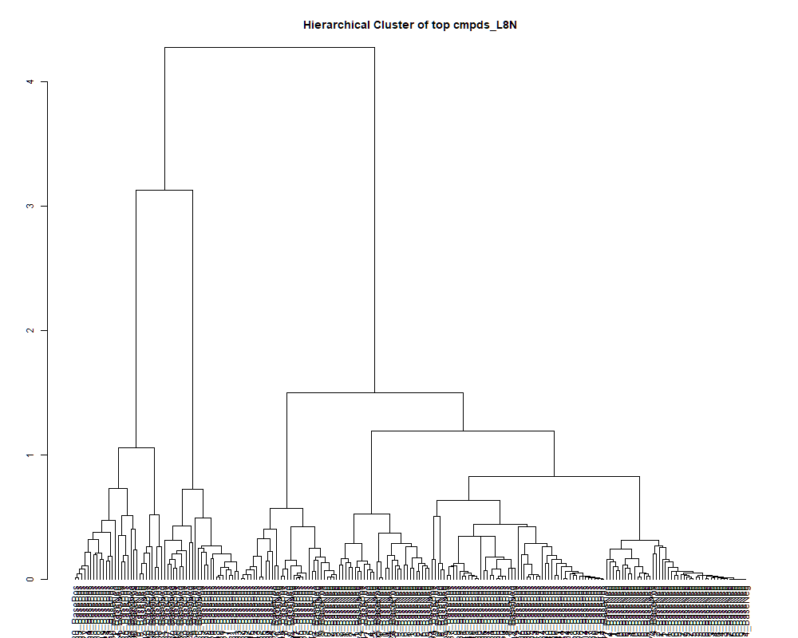
 | row.names | compounds | MF | p.value | F.value
 | LTRS_000002_BaseNeg | C15H30N4O5 (M-H) | C15H30N4O5 | 8.08E-07 | 13.594
 | LTRS_000002_BasePos | C13H31N3Na2O2 (M+H) | C13H31N3Na2O2 | 9.87E-01 | 0.150
 | LTRS_000003_BaseNeg | Gamma-glutamyl-L-putrescine (M-H) | C9H19N3O3 | 3.15E-06 | 11.674
 | LTRS_000003_BasePos | Arg-Lys (M+H) | C12H26N6O3 | 9.09E-01 | 0.339
 | LTRS_000004_BaseNeg | Lys-Thr (M-H) | C10H21N3O4 | 2.30E-16 | 102.396
 | LTRS_000004_BasePos | N(6)-acetimidoyl-L-lysine (M+H) | C8H17N3O2 | 8.02E-01 | 0.501
 | LTRS_000005_BaseNeg | C15H29N3O8 (M-H) | C15H29N3O8 | 8.88E-06 | 10.345
 | LTRS_000006_BaseNeg | Lys-Val (M-H) | C11H23N3O3 | 2.37E-13 | 56.727
 | LTRS_000006_BasePos | Spermidine (M+H) | C7H19N3 | 5.86E-05 | 8.183
 | LTRS_000007_BaseNeg | Val-Ala-Lys (M-H) | C14H28N4O4 | 5.56E-03 | 4.068
 | LTRS_000008_BaseNeg | 1-[(5-Amino-5-carboxypentyl)amino]-1-deoxyfructose (M-H) | C12H24N2O7 | 2.45E-05 | 9.144
 | LTRS_000008_BasePos | C8H22KN2O (M+H) | C8H22KN2O | 5.71E-01 | 0.812
 | LTRS_000009_BaseNeg | L-Lysine (M-H) | C6H14N2O2 | 3.23E-17 | 120.605
 | LTRS_000009_BasePos | Tetraglyme (M+H) | C10H22O5 | 9.16E-01 | 0.327
 | LTRS_000010_BaseNeg | C17H33N3O8 (M-H) | C17H33N3O8 | 1.63E-08 | 20.395
 | LTRS_000011_BaseNeg | Arg-Val (M-H) | C11H23N5O3 | 1.35E-07 | 16.455
 | LTRS_000012_BaseNeg | His-Val (M-H) | C11H18N4O3 | 2.09E-02 | 3.095
 | LTRS_000013_BaseNeg | C11H18N10Na (M-H) | C11H18N10Na | 4.14E-02 | 2.619
 | LTRS_000013_BasePos | C8H21ClN4 (M+H) | C8H21ClN4 | 8.83E-01 | 0.382
 | LTRS_000014_BaseNeg | C6H11N9NaO3P2 (M-H) | C6H11N9NaO3P2 | 7.34E-05 | 7.944
 | LTRS_000015_BaseNeg | L-Arginine (M-H) | C6H14N4O2 | 2.84E-18 | 147.540
 | LTRS_000015_BasePos | Gamma-glutamyl-L-putrescine (M+H) | C9H19N3O3 | 3.58E-23 | 370.819
 | LTRS_000016_BaseNeg | L-Histidine (M-H) | C6H9N3O2 | 7.71E-01 | 0.542
 | LTRS_000016_BasePos | C14H28N6O4 (M+H) | C14H28N6O4 | 8.11E-02 | 2.164
 | LTRS_000017_BasePos | L-Lysine (M+H) | C6H14N2O2 | 1.48E-18 | 155.728
 | LTRS_000018_BaseNeg | C6H14N5NaO3P (M-H) | C6H14N5NaO3P | 8.54E-20 | 196.816
 | LTRS_000018_BasePos | Arg-Val (M+H) | C11H23N5O3 | 7.08E-08 | 17.585
 | LTRS_000019_BasePos | Lys-Val (M+H) | C11H23N3O3 | 3.19E-06 | 11.658
 | LTRS_000020_BaseNeg | C6H14N3NaO3P (M-H) | C6H14N3NaO3P | 3.13E-05 | 8.868
 | LTRS_000020_BasePos | L-Lysine (M+H -NH3) | C6H14N2O2 | 1.17E-20 | 231.602
 | LTRS_000021_BaseNeg | C6H7N7Na2 (M-H) | C6H7N7Na2 | 1.39E-07 | 16.396
 | LTRS_000021_BasePos | Arg-Thr (M+H) | C10H21N5O4 | 8.15E-01 | 0.482
 | LTRS_000022_BaseNeg | Arg-Ile (M-H) | C12H25N5O3 | 4.15E-08 | 18.570
 | LTRS_000022_BasePos | Arg-Pro (M+H) | C11H21N5O3 | 4.11E-03 | 4.302
 | LTRS_000023_BasePos | Lys-Ser (M+H) | C9H19N3O4 | 2.10E-01 | 1.528
 | LTRS_000024_BaseNeg | C12H22N7O3P (M-H) | C12H22N7O3P | 1.22E-06 | 12.996
 | LTRS_000024_BasePos | 1-[(5-Amino-5-carboxypentyl)amino]-1-deoxyfructose (M+H) | C12H24N2O7 | 5.25E-01 | 0.878
 | LTRS_000025_BasePos | L-Arginine (M+H) | C6H14N4O2 | 6.92E-16 | 93.341
 | LTRS_000026_BaseNeg | C10H16N5O7P (M-H) | C10H16N5O7P | 7.61E-01 | 0.555
 | LTRS_000026_BasePos | C6H11N2O11P (M+H) | C6H11N2O11P | 2.23E-08 | 19.761
 | LTRS_000027_BaseNeg | Ala-Ser (M-H) | C6H12N2O4 | 3.81E-23 | 368.912
 | LTRS_000027_BasePos | butazolamide (M+H) | C6H10N4O3S2 | 5.12E-11 | 35.200
 | LTRS_000028_BaseNeg | Ala-Asn (M-H) | C7H13N3O4 | 5.80E-03 | 4.036
 | LTRS_000028_BasePos | C6H15KNNa2O3 (M+H) | C6H15KNNa2O3 | 2.62E-09 | 24.379
 | LTRS_000029_BaseNeg | D-1-[(3-Carboxypropyl)amino]-1-deoxyfructose (M-H) | C10H19NO7 | 6.15E-02 | 2.350
 | LTRS_000029_BasePos | L-Arginine (M+Na) | C6H14N4O2 | 7.35E-05 | 7.943
 | LTRS_000030_BaseNeg | Ser-Thr (M-H) | C7H14N2O5 | 4.68E-10 | 28.697
 | LTRS_000030_BasePos | C6H6ClN5NaO (M+H) | C6H6ClN5NaO | 7.82E-09 | 21.924
 | LTRS_000031_BaseNeg | Ala-Thr (M-H) | C7H14N2O4 | 5.03E-06 | 11.061
 | LTRS_000031_BasePos | C12H18N4O8 (M+H) | C12H18N4O8 | 8.07E-03 | 3.787
 | LTRS_000032_BaseNeg | N-Acetyl-b-glucosaminylamine (M-H) | C8H16N2O5 | 2.94E-07 | 15.156
 | LTRS_000032_BasePos | C6H15N3NaP2 (M+H) | C6H15N3NaP2 | 7.18E-01 | 0.613
 | LTRS_000033_BaseNeg | His-Ile (M-H) | C12H20N4O3 | 1.70E-09 | 25.413
 | LTRS_000033_BasePos | C6H8N6O3 (M+H) | C6H8N6O3 | 2.46E-09 | 24.523
 | LTRS_000034_BaseNeg | Lys-Phe (M-H) | C15H23N3O3 | 5.66E-06 | 10.910
 | LTRS_000034_BasePos | C6H10N6Na2 (M+H) | C6H10N6Na2 | 6.89E-15 | 76.854
 | LTRS_000035_BaseNeg | C14H31O2PS (M-H) | C14H31O2PS | 2.72E-01 | 1.352
 | LTRS_000036_BasePos | C12H19N5O4 (M+H) | C12H19N5O4 | 3.37E-16 | 99.164
 | LTRS_000037_BaseNeg | Pro-Thr (M-H) | C9H16N2O4 | 2.52E-17 | 123.130
 | LTRS_000037_BasePos | C12H19N7O4 (M+H) | C12H19N7O4 | 2.40E-04 | 6.759
 | LTRS_000038_BaseNeg | Ser-Val (M-H) | C8H16N2O4 | 1.41E-15 | 87.905
 | LTRS_000038_BasePos | C4H9ClNaS2 (M+H) | C4H9ClNaS2 | 3.73E-02 | 2.692
 | LTRS_000039_BaseNeg | beta-Asp-Thr (M-H) | C8H14N2O6 | 3.73E-01 | 1.132
 | LTRS_000039_BasePos | Dimethylglycine (M+H) | C4H9NO2 | 2.23E-10 | 30.746
 | LTRS_000040_BaseNeg | beta-Asp-Ala (M-H) | C7H12N2O5 | 8.61E-02 | 2.124
 | LTRS_000040_BasePos | Arg-Ile (M+H) | C12H25N5O3 | 3.40E-04 | 6.428
 | LTRS_000041_BaseNeg | Glu-Ala (M-H) | C8H14N2O5 | 4.62E-03 | 4.210
 | LTRS_000041_BasePos | Ile-Lys (M+H) | C12H25N3O3 | 5.94E-15 | 77.827
 | LTRS_000042_BaseNeg | Glu-Thr (M-H) | C9H16N2O6 | 7.24E-01 | 0.605
 | LTRS_000042_BasePos | C10H13N3O8 (M+H) | C10H13N3O8 | 4.35E-01 | 1.020
 | LTRS_000043_BaseNeg | Asn-glu (M-H) | C9H15N3O6 | 2.60E-01 | 1.382
 | LTRS_000043_BasePos | Arg-Phe (M+H) | C15H23N5O3 | 4.58E-01 | 0.982
 | LTRS_000044_BaseNeg | L-beta-aspartyl-L-serine (M-H) | C7H12N2O6 | 1.22E-07 | 16.621
 | LTRS_000044_BasePos | C10H21N3Na2O (M+H) | C10H21N3Na2O | 6.91E-13 | 51.667
 | LTRS_000045_BaseNeg | N2-acetyl-Ornithine (M-H) | C7H14N2O3 | 2.09E-19 | 182.863
 | LTRS_000045_BasePos | His-Ile (M+H) | C12H20N4O3 | 6.51E-01 | 0.702
 | LTRS_000046_BaseNeg | Leu-Ser (M-H) | C9H18N2O4 | 4.82E-18 | 141.227
 | LTRS_000046_BasePos | S-(5'-Adenosyl)-homocysteine (M+H) | C14H20N6O5S | 3.36E-01 | 1.206
 | LTRS_000047_BaseNeg | Val-Asp (M-H) | C9H16N2O5 | 1.74E-04 | 7.072
 | LTRS_000048_BaseNeg | Spermic acid 2 (M-H) | C10H20N2O4 | 3.94E-17 | 118.623
 | LTRS_000048_BasePos | D-1-[(3-Carboxypropyl)amino]-1-deoxyfructose (M+H) | C10H19NO7 | 1.87E-01 | 1.607
 | LTRS_000049_BaseNeg | Leu-Asp-Ser (M-H) | C13H23N3O7 | 5.20E-08 | 18.147
 | LTRS_000049_BasePos | Ala-Pro (M+H) | C8H14N2O3 | 2.81E-08 | 19.315
 | LTRS_000050_BaseNeg | N6-Acetyl-L-lysine (M-H) | C8H16N2O3 | 1.29E-13 | 59.801
 | LTRS_000051_BasePos | C11H22N2NaO5 (M+H) | C11H22N2NaO5 | 5.38E-01 | 0.859
 | LTRS_000052_BaseNeg | Gln-lle (M-H) | C11H21N3O4 | 5.22E-16 | 95.573
 | LTRS_000053_BasePos | Glu-Thr (M+H) | C9H16N2O6 | 8.99E-02 | 2.095
 | LTRS_000054_BaseNeg | Leu-Thr-Ser (M-H) | C13H25N3O6 | 1.23E-10 | 32.482
 | LTRS_000055_BaseNeg | Laninamivir (M-H) | C13H22N4O7 | 9.80E-11 | 33.173
 | LTRS_000055_BasePos | Ala-Thr (M+H) | C7H14N2O4 | 3.28E-08 | 19.015
 | LTRS_000056_BaseNeg | Ala-Ile (M-H) | C9H18N2O3 | 5.98E-24 | 428.650
 | LTRS_000056_BasePos | N-Acetyl-b-glucosaminylamine (M+H) | C8H16N2O5 | 1.99E-01 | 1.565
 | LTRS_000057_BaseNeg | Asn-Val (M-H) | C9H17N3O4 | 2.59E-10 | 30.324
 | LTRS_000057_BasePos | Guanosine (M+H) | C10H13N5O5 | 8.60E-01 | 0.418
 | LTRS_000058_BaseNeg | 11,12-Dihydrolactaroviolin (M-H) | C15H16O | 1.11E-01 | 1.953
 | LTRS_000058_BasePos | Ala-Ser (M+H) | C6H12N2O4 | 1.49E-17 | 128.638
 | LTRS_000059_BaseNeg | C14H24N9O2P (M-H) | C14H24N9O2P | 2.61E-01 | 1.379
 | LTRS_000059_BasePos | C9H10N4O5 (M+H) | C9H10N4O5 | 9.64E-01 | 0.226
 | LTRS_000060_BaseNeg | Leu-Ala-Ser (M-H) | C12H23N3O5 | 4.17E-03 | 4.290
 | LTRS_000060_BasePos | C13H37NNaO6P2 (M+H) | C13H37NNaO6P2 | 3.94E-02 | 2.654
 | LTRS_000061_BaseNeg | Syndesine (M-H) | C12H23N3O6 | 7.94E-06 | 10.483
 | LTRS_000061_BasePos | Val-Ala (M+H -CH2) | C8H16N2O3 | 3.47E-03 | 4.435
 | LTRS_000062_BaseNeg | Glu-Ile-Ser (M-H) | C14H25N3O7 | 1.84E-05 | 9.473
 | LTRS_000062_BasePos | Neuromedin B (1-3) (M+H) | C12H22N4O5 | 6.02E-03 | 4.008
 | LTRS_000063_BasePos | bAsp-Ala (M+H) | C7H12N2O5 | 1.69E-02 | 3.246
 | LTRS_000064_BaseNeg | gGln-Tyr (M-H) | C14H18N2O6 | 5.71E-04 | 5.955
 | LTRS_000064_BasePos | bAsp-Leu (M+H) | C10H18N2O5 | 5.66E-03 | 4.055
 | LTRS_000065_BaseNeg | L-b-Aspartyl-L-leucine (M-H) | C10H18N2O5 | 3.09E-02 | 2.822
 | LTRS_000065_BasePos | Ala-hPro (M+H) | C8H14N2O4 | 1.10E-02 | 3.556
 | LTRS_000066_BaseNeg | L-Homoserine (M-H) | C4H9NO3 | 4.41E-24 | 439.329
 | LTRS_000066_BasePos | Gly-Pro (M+H) | C7H12N2O3 | 1.34E-01 | 1.829
 | LTRS_000067_BaseNeg | 3-Ureidopropionate (M-H) | C4H8N2O3 | 3.54E-24 | 447.206
 | LTRS_000067_BasePos | C16H42N4O4P2 (M+H) | C16H42N4O4P2 | 5.43E-01 | 0.852
 | LTRS_000068_BaseNeg | C14H24N4O7 (M-H) | C14H24N4O7 | 2.55E-03 | 4.682
 | LTRS_000069_BaseNeg | N-(1-Deoxy-1-fructosyl)glycine (M-H) | C8H15NO7 | 7.58E-08 | 17.461
 | LTRS_000069_BasePos | C14H27KNNaS (M+H) | C14H27KNNaS | 3.67E-08 | 18.799
 | LTRS_000070_BaseNeg | Asp-Tyr (M-H) | C13H16N2O6 | 2.90E-10 | 30.010
 | LTRS_000070_BasePos | C16H45N4NaO4PS (M+H) | C16H45N4NaO4PS | 9.80E-01 | 0.178
 | LTRS_000071_BaseNeg | Aminoadipic acid (M-H) | C6H11NO4 | 8.71E-02 | 2.117
 | LTRS_000071_BasePos | Gln-lle (M+H) | C11H21N3O4 | 2.05E-10 | 30.999
 | LTRS_000072_BasePos | Spermic acid 2 (M+H) | C10H20N2O4 | 3.28E-03 | 4.480
 | LTRS_000073_BaseNeg | L-Glutamate (M-H) | C5H9NO4 | 2.38E-22 | 317.979
 | LTRS_000073_BasePos | C18H31N2OPS (M+H) | C18H31N2OPS | 6.50E-02 | 2.313
 | LTRS_000074_BaseNeg | gGln-Ile (M-H) | C11H20N2O5 | 1.99E-05 | 9.381
 | LTRS_000074_BasePos | C9H25KNS (M+H) | C9H25KNS | 3.67E-04 | 6.358
 | LTRS_000075_BaseNeg | C14H25N3O6 (M-H) | C14H25N3O6 | 1.92E-05 | 9.422
 | LTRS_000075_BasePos | Leu-Thr-Ala (M+H) | C13H25N3O5 | 2.02E-02 | 3.119
 | LTRS_000076_BaseNeg | Ala-Ala-Ala (M+Cl) | C9H17N3O4 | 3.31E-05 | 8.805
 | LTRS_000076_BasePos | N-acetyl-L-methionyl-L-leucine (M+H) | C13H24N2O4S | 1.93E-02 | 3.153
 | LTRS_000077_BaseNeg | N-(1-Deoxy-1-fructosyl)threonine (M-H) | C10H19NO8 | 2.75E-01 | 1.344
 | LTRS_000078_BaseNeg | C11H13N11Na2O2 (M-H) | C11H13N11Na2O2 | 8.74E-01 | 0.397
 | LTRS_000078_BasePos | Asn-Ile (M+H) | C10H19N3O4 | 1.37E-12 | 48.670
 | LTRS_000079_BasePos | Leu-Ser (M+H) | C9H18N2O4 | 2.44E-09 | 24.544
 | LTRS_000080_BaseNeg | 5-(4'-AMINO-1'-ETHYL-5',8'-DIFLUORO-1'H-SPIRO[PIPERIDINE-4,2'-QUINAZOLINE]-1-YLCARBONYL)PICOLINONITRILE (M-H) | C21H22F2N6O | 5.81E-02 | 2.389
 | LTRS_000080_BasePos | Ser-Val (M+H) | C8H16N2O4 | 4.99E-12 | 43.404
 | LTRS_000081_BaseNeg | C12H21N13NaO5 (M-H) | C12H21N13NaO5 | 2.25E-01 | 1.482
 | LTRS_000081_BasePos | Pro-Thr (M+H) | C9H16N2O4 | 6.23E-06 | 10.788
 | LTRS_000082_BaseNeg | C9H35N14O14P (M-H) | C9H35N14O14P | 1.90E-02 | 3.163
 | LTRS_000083_BaseNeg | C12H33N7O8P2 (M-H) | C12H33N7O8P2 | 6.82E-01 | 0.660
 | LTRS_000083_BasePos | Lys-Trp (M+H) | C17H24N4O3 | 1.19E-05 | 9.986
 | LTRS_000084_BaseNeg | C12H31N8O11P (M-H) | C12H31N8O11P | 3.97E-01 | 1.088
 | LTRS_000084_BasePos | Leu-Asp-Ser (M+H) | C13H23N3O7 | 6.71E-04 | 5.810
 | LTRS_000085_BaseNeg | C12H36N8O13P2 (M-H) | C12H36N8O13P2 | 6.13E-01 | 0.752
 | LTRS_000086_BaseNeg | C11H34N4O21 (M-H) | C11H34N4O21 | 3.87E-07 | 14.722
 | LTRS_000087_BaseNeg | C21H39NO18 (M-H) | C21H39NO18 | 2.76E-02 | 2.900
 | LTRS_000088_BaseNeg | C12H27N7O12 (M-H) | C12H27N7O12 | 1.37E-02 | 3.398
 | LTRS_000088_BasePos | Ala-Ala-Ala (M+K) | C9H17N3O4 | 5.43E-03 | 4.086
 | LTRS_000089_BaseNeg | C13H45N7O21 (M-H) | C13H45N7O21 | 3.20E-07 | 15.020
 | LTRS_000090_BasePos | Syndesine (M+H) | C12H23N3O6 | 6.14E-06 | 10.806
 | LTRS_000091_BaseNeg | C12H33N8O9P (M-H) | C12H33N8O9P | 6.13E-01 | 0.753
 | LTRS_000091_BasePos | N2-Succinylornithine (M+H -CO2) | C9H16N2O5 | 2.41E-14 | 69.071
 | LTRS_000092_BasePos | Ala-Ala-Ala (M+H) | C9H17N3O4 | 4.42E-01 | 1.009
 | LTRS_000093_BasePos | N2-Succinylornithine (M+H) | C9H16N2O5 | 2.80E-01 | 1.333
 | LTRS_000094_BaseNeg | Betaine (M-H) | C5H11NO2 | 7.01E-19 | 165.584
 | LTRS_000094_BasePos | Leu-Thr-Ser (M+H) | C13H25N3O6 | 1.74E-02 | 3.224
 | LTRS_000095_BasePos | C10H19NO9 (M+H) | C10H19NO9 | 3.13E-01 | 1.255
 | LTRS_000096_BasePos | C19H37N7Na2S (M+H) | C19H37N7Na2S | 4.11E-02 | 2.624
 | LTRS_000097_BaseNeg | C12H33N18Na2O2P (M-H) | C12H33N18Na2O2P | 2.48E-01 | 1.415
 | LTRS_000097_BasePos | C14H27NNaO8 (M+H) | C14H27NNaO8 | 2.02E-12 | 47.020
 | LTRS_000098_BaseNeg | 3'-L-lysyl-AMP (M-H) | C16H26N7O8P | 1.76E-15 | 86.284
 | LTRS_000099_BaseNeg | C12H19N17Na2O2 (M-H) | C12H19N17Na2O2 | 1.88E-05 | 9.447
 | LTRS_000099_BasePos | C13H24N4O6 (M+H) | C13H24N4O6 | 2.98E-01 | 1.289
 | LTRS_000102_BasePos | C17H35N4O2P (M+H) | C17H35N4O2P | 1.50E-01 | 1.755
 | LTRS_000103_BaseNeg | TNP-470 (M-H) | C19H28ClNO6 | 9.75E-01 | 0.195
 | LTRS_000103_BasePos | 1,2,10-Trihydroxydihydro-trans-linalyl oxide 7-O-beta-D-glucopyranoside (M+H) | C16H30O10 | 1.91E-02 | 3.159
 | LTRS_000104_BasePos | C17H35N6O2P (M+H) | C17H35N6O2P | 4.75E-06 | 11.136
 | LTRS_000106_BaseNeg | L-Aspartate (M-H) | C4H7NO4 | 6.14E-25 | 515.189
 | LTRS_000106_BasePos | C11H18N5P3 (M+H) | C11H18N5P3 | 7.23E-03 | 3.869
 | LTRS_000107_BaseNeg | N-Acetylneuraminate (M-H) | C11H19NO9 | 8.84E-01 | 0.381
 | LTRS_000107_BasePos | C12H35KNNaP2 (M+H) | C12H35KNNaP2 | 8.12E-01 | 0.487
 | LTRS_000108_BaseNeg | C23H26N14O7 (M-H) | C23H26N14O7 | 1.34E-05 | 9.847
 | LTRS_000108_BasePos | ambazone (M+H) | C8H11N7S | 9.56E-06 | 10.255
 | LTRS_000111_BaseNeg | Val-Val (M-H) | C10H20N2O3 | 2.04E-07 | 15.756
 | LTRS_000111_BasePos | Dethiobiotin (M+H) | C10H18N2O3 | 2.95E-16 | 100.265
 | LTRS_000112_BaseNeg | C12H14N17OP (M-H) | C12H14N17OP | 3.79E-03 | 4.366
 | LTRS_000113_BasePos | His-TRP (M+H) | C17H19N5O3 | 3.23E-01 | 1.234
 | LTRS_000114_BasePos | C10H26KN2O2S (M+H) | C10H26KN2O2S | 5.27E-01 | 0.875
 | LTRS_000115_BaseNeg | C12H26N15O7P (M-H) | C12H26N15O7P | 1.49E-02 | 3.335
 | LTRS_000116_BaseNeg | C12H32N8O15 (M-H) | C12H32N8O15 | 6.95E-01 | 0.644
 | LTRS_000116_BasePos | L-beta-aspartyl-L-serine (M+H) | C7H12N2O6 | 1.86E-02 | 3.177
 | LTRS_000117_BaseNeg | N-(1-Deoxy-1-fructosyl)valine (M-H) | C11H21NO7 | 6.38E-01 | 0.719
 | LTRS_000117_BasePos | C9H17ClN3P (M+H) | C9H17ClN3P | 4.33E-02 | 2.588
 | LTRS_000118_BaseNeg | Asn-Ile (M-H) | C10H19N3O4 | 1.85E-01 | 1.615
 | LTRS_000119_BaseNeg | L-Methionine (M-H) | C5H11NO2S | 9.20E-24 | 413.954
 | LTRS_000119_BasePos | Muramic acid (M+H) | C9H17NO7 | 4.59E-03 | 4.216
 | LTRS_000120_BasePos | gGlu-Ile (M+H) | C11H20N2O5 | 8.79E-01 | 0.389
 | LTRS_000121_BasePos | L-Glutamate (M+H) | C5H9NO4 | 9.91E-12 | 40.823
 | LTRS_000122_BaseNeg | C14H27N3O6 (M-H) | C14H27N3O6 | 2.99E-06 | 11.747
 | LTRS_000122_BasePos | Methionine sulfoxide (M+H) | C5H11NO3S | 7.40E-04 | 5.725
 | LTRS_000123_BaseNeg | Cytidine monophosphate (M-H) | C9H14N3O8P | 5.78E-23 | 356.719
 | LTRS_000123_BasePos | Distichonic acid A (M+H) | C10H18N2O8 | 6.00E-04 | 5.911
 | LTRS_000124_BaseNeg | C10H25N4O9P (M-H) | C10H25N4O9P | 7.82E-01 | 0.527
 | LTRS_000125_BasePos | N-acetylneuraminamide (M+H) | C11H20N2O8 | 1.35E-03 | 5.203
 | LTRS_000126_BaseNeg | o-Tyrosine (M-H) | C9H11NO3 | 5.91E-28 | 901.661
 | LTRS_000126_BasePos | N-(1-Deoxy-1-fructosyl)threonine (M+H) | C10H19NO8 | 3.03E-02 | 2.835
 | LTRS_000127_BaseNeg | C15H32N3Na2P3 (M-H) | C15H32N3Na2P3 | 1.60E-04 | 7.152
 | LTRS_000128_BasePos | Glycerophosphocholine (M+H) | C8H20NO6P | 1.51E-27 | 836.093
 | LTRS_000129_BaseNeg | C8H16N15O2P (M-H) | C8H16N15O2P | 5.48E-02 | 2.428
 | LTRS_000129_BasePos | L-Valine (M+H) | C5H11NO2 | 4.88E-13 | 53.261
 | LTRS_000130_BasePos | L-Proline (M+H) | C5H9NO2 | 5.71E-22 | 296.154
 | LTRS_000131_BasePos | Glycerylphosphorylethanolamine (M+H) | C5H14NO6P | 1.04E-18 | 160.303
 | LTRS_000132_BaseNeg | Glu-Glu-Ile (M-H) | C16H27N3O8 | 7.13E-03 | 3.879
 | LTRS_000132_BasePos | Phosphorylcholine (M+) | [C5H15NO4P]+ | 2.58E-24 | 458.844
 | LTRS_000133_BaseNeg | Leu-Gly-Pro (M-H) | C13H23N3O4 | 4.17E-04 | 6.241
 | LTRS_000133_BasePos | C11H13N11Na2O2 (M+H) | C11H13N11Na2O2 | 8.76E-03 | 3.725
 | LTRS_000134_BasePos | C7H16KN4O3 (M+H) | C7H16KN4O3 | 7.13E-01 | 0.619
 | LTRS_000135_BaseNeg | C12H33N5Na2O7 (M-H) | C12H33N5Na2O7 | 4.55E-01 | 0.987
 | LTRS_000135_BasePos | C11H31N9O11 (M+H) | C11H31N9O11 | 5.55E-02 | 2.420
 | LTRS_000136_BaseNeg | C10H19NO10 (M-H) | C10H19NO10 | 4.13E-04 | 6.249
 | LTRS_000136_BasePos | C12H33N3O15 (M+H) | C12H33N3O15 | 8.30E-01 | 0.461
 | LTRS_000137_BasePos | Val-Val (M+H) | C10H20N2O3 | 1.81E-22 | 325.088
 | LTRS_000138_BaseNeg | C9H28N12O2P2 (M-H) | C9H28N12O2P2 | 1.55E-01 | 1.732
 | LTRS_000138_BasePos | 3'-L-lysyl-AMP (M+H) | C16H26N7O8P | 5.95E-03 | 4.017
 | LTRS_000139_BaseNeg | Cytidine 2',3'-cyclic phosphate (M-H) | C9H12N3O7P | 1.17E-01 | 1.921
 | LTRS_000139_BasePos | C12H20N17Na2P (M+H) | C12H20N17Na2P | 3.80E-14 | 66.430
 | LTRS_000140_BasePos | N-Acetylthreonine (M+H) | C6H11NO4 | 6.24E-10 | 27.936
 | LTRS_000142_BaseNeg | N-(1-Deoxy-1-fructosyl)tyrosine (M-H) | C15H21NO8 | 1.37E-02 | 3.398
 | LTRS_000142_BasePos | C10H23NNaO4 (M+H) | C10H23NNaO4 | 7.03E-12 | 42.095
 | LTRS_000143_BasePos | Glycerophosphocholine (M+Na) | C8H20NO6P | 3.32E-21 | 256.654
 | LTRS_000144_BaseNeg | L-Isoleucine (M-H) | C6H13NO2 | 2.61E-23 | 380.428
 | LTRS_000144_BasePos | L-Asparagine (M+H -NH3) | C4H8N2O3 | 2.81E-25 | 548.702
 | LTRS_000145_BaseNeg | (S)-malyl alpha-D-glucosaminide (M-H) | C10H17NO9 | 4.32E-05 | 8.511
 | LTRS_000145_BasePos | Palatinose (M+NH4) | C12H22O11 | 9.73E-05 | 7.652
 | LTRS_000146_BaseNeg | Galactonic acid (M-H) | C6H12O7 | 2.44E-12 | 46.243
 | LTRS_000146_BasePos | N-Acetylneuraminate (M+H) | C11H19NO9 | 5.75E-02 | 2.395
 | LTRS_000147_BaseNeg | C19H22N14NaO9 (M-H) | C19H22N14NaO9 | 1.74E-10 | 31.465
 | LTRS_000147_BasePos | L-Aspartate (M+H) | C4H7NO4 | 6.62E-27 | 742.307
 | LTRS_000148_BaseNeg | C11H11N7O8 (M-H) | C11H11N7O8 | 5.34E-01 | 0.865
 | LTRS_000148_BasePos | Palatinose (M+Na) | C12H22O11 | 1.68E-02 | 3.248
 | LTRS_000149_BaseNeg | S-(2-Hydroxyethyl)glutathione (M-H) | C12H21N3O7S | 9.27E-02 | 2.075
 | LTRS_000149_BasePos | C11H23NNa2O4 (M+H) | C11H23NNa2O4 | 1.34E-01 | 1.831
 | LTRS_000150_BaseNeg | Glu-Ala (M-H) | C8H14N2O5 | 1.20E-02 | 3.496
 | LTRS_000150_BasePos | N-(1-Deoxy-1-fructosyl)valine (M+H) | C11H21NO7 | 4.23E-02 | 2.604
 | LTRS_000151_BaseNeg | Erythronic acid (M-H) | C4H8O5 | 6.18E-06 | 10.797
 | LTRS_000151_BasePos | N-Carboxyethyl-gamma-aminobutyric acid (M+H) | C7H13NO4 | 5.23E-04 | 6.034
 | LTRS_000152_BaseNeg | Glu-Asp-Ile (M-H) | C15H25N3O8 | 1.16E-09 | 26.348
 | LTRS_000152_BasePos | Cysteineglutathione disulfide (M+H) | C13H22N4O8S2 | 2.85E-03 | 4.590
 | LTRS_000153_BaseNeg | C9H21N2NaO4P (M-H) | C9H21N2NaO4P | 2.06E-01 | 1.540
 | LTRS_000155_BaseNeg | Arabinonic acid (M-H) | C5H10O6 | 7.16E-15 | 76.605
 | LTRS_000155_BasePos | L-Methionine (M+H -CH2O2) | C5H11NO2S | 1.19E-11 | 40.170
 | LTRS_000156_BasePos | L-Methionine (M+H) | C5H11NO2S | 2.80E-10 | 30.104
 | LTRS_000159_BaseNeg | Val-Asp (M-H) | C9H16N2O5 | 9.51E-01 | 0.259
 | LTRS_000160_BaseNeg | Leu-Ala-Asp (M-H) | C13H23N3O6 | 6.13E-11 | 34.626
 | LTRS_000160_BasePos | Cytidine monophosphate (M+H) | C9H14N3O8P | 1.49E-18 | 155.565
 | LTRS_000161_BaseNeg | C18H31N9NaO4 (M-H) | C18H31N9NaO4 | 1.91E-02 | 3.160
 | LTRS_000162_BaseNeg | C15H27N3O7 (M-H) | C15H27N3O7 | 3.61E-09 | 23.635
 | LTRS_000162_BasePos | 1-methyl-N,N-bis(trimethylsilyl)-5-[(trimethylsilyl)oxy]imidazol-2-amine (M+H) | C13H31N3OSi3 | 1.61E-01 | 1.705
 | LTRS_000163_BaseNeg | N5-Acetyl-N2-gamma-L-glutamyl-L-ornithine (M-H) | C12H21N3O6 | 6.10E-02 | 2.356
 | LTRS_000163_BasePos | (2R,3R,4R)-2-Amino-4-hydroxy-3-methylpentanoic acid (M+H) | C6H13NO3 | 2.81E-10 | 30.095
 | LTRS_000164_BaseNeg | C9H18N17OP (M-H) | C9H18N17OP | 3.31E-01 | 1.215
 | LTRS_000164_BasePos | 5-N-Acetyl-4-Amino-6-Diethylcarboxamide-4,5-Dihydro-2h-Pyran-2-Carboxylic Acid (M+H) | C13H23N3O5 | 2.84E-10 | 30.072
 | LTRS_000165_BaseNeg | Benzoyl ecgonine (M-H) | C16H19NO4 | 1.27E-01 | 1.862
 | LTRS_000165_BasePos | Adenosine (M+H) [LTRS_00127] (M+H) | C10H13N5O4 | 1.21E-01 | 1.897
 | LTRS_000166_BaseNeg | Cytidine (M-H) | C9H13N3O5 | 2.36E-01 | 1.449
 | LTRS_000166_BasePos | Leu-Gly-Pro (M+H) | C13H23N3O4 | 6.97E-01 | 0.640
 | LTRS_000167_BaseNeg | Ala-Ile (M-H) | C9H18N2O3 | 4.91E-18 | 141.007
 | LTRS_000167_BasePos | Glu-Glu-Ile (M+H) | C16H27N3O8 | 5.42E-09 | 22.721
 | LTRS_000169_BaseNeg | Spermic acid 2 (M-H) | C10H20N2O4 | 1.71E-04 | 7.086
 | LTRS_000169_BasePos | N-butanoyl-lhomoserine lactone (M+H) | C8H13NO3 | 4.27E-05 | 8.524
 | LTRS_000170_BaseNeg | Glu-Val-Val (M-H) | C15H27N3O6 | 1.02E-04 | 7.607
 | LTRS_000170_BasePos | Neostigmine (M-e) | [C12H19N2O2]+ | 5.86E-01 | 0.790
 | LTRS_000171_BaseNeg | N6-Acetyl-L-lysine (M-H) | C8H16N2O3 | 8.47E-12 | 41.404
 | LTRS_000171_BasePos | L-Tyrosine (M+H) | C9H11NO3 | 8.52E-22 | 286.680
 | LTRS_000172_BaseNeg | 5-Methylcytidine (M-H) | C10H15N3O5 | 2.69E-04 | 6.650
 | LTRS_000172_BasePos | L-Tyrosine (M+H -NH3) | C9H11NO3 | 5.56E-15 | 78.268
 | LTRS_000173_BaseNeg | Malate (M-H) | C4H6O5 | 3.67E-13 | 54.601
 | LTRS_000174_BaseNeg | C16H26N4NaP4 (M-H) | C16H26N4NaP4 | 2.47E-03 | 4.706
 | LTRS_000174_BasePos | L-Tyrosine (M+H -CH2O2) | C9H11NO3 | 2.13E-17 | 124.843
 | LTRS_000175_BaseNeg | Adenosine monophosphate (M-H) | C10H14N5O7P | 3.83E-19 | 174.032
 | LTRS_000176_BaseNeg | beta-Asp-Glu (M-H) | C9H14N2O7 | 1.93E-09 | 25.094
 | LTRS_000176_BasePos | Adenosine (M+H -ribosyl) | C10H13N5O4 | 4.00E-01 | 1.082
 | LTRS_000177_BaseNeg | C5H19KN2NaOP (M-H) | C5H19KN2NaOP | 1.16E-06 | 13.062
 | LTRS_000178_BaseNeg | gGln-Glu (M-H) | C10H16N2O7 | 1.30E-05 | 9.880
 | LTRS_000178_BasePos | N-(1-Deoxy-1-fructosyl)methionine (M+H) | C11H21NO7S | 2.44E-01 | 1.426
 | LTRS_000179_BaseNeg | C18H26N6NaO19 (M-H) | C18H26N6NaO19 | 6.59E-01 | 0.691
 | LTRS_000180_BaseNeg | N-acetyl-2,7-anhydro-alpha-neuraminic acid (M-H) | C11H17NO8 | 2.01E-01 | 1.558
 | LTRS_000181_BaseNeg | Asp-Pro (M-H) | C9H14N2O5 | 2.90E-08 | 19.252
 | LTRS_000181_BasePos | C9H15N12P (M+H) | C9H15N12P | 7.35E-01 | 0.590
 | LTRS_000182_BaseNeg | 3',5'-Cyclic AMP (M-H) | C10H12N5O6P | 1.82E-03 | 4.958
 | LTRS_000182_BasePos | Asn-Ile (M+Na) | C10H19N3O4 | 1.24E-02 | 3.472
 | LTRS_000183_BaseNeg | 5-Oxoproline (M-H) | C5H7NO3 | 1.15E-05 | 10.026
 | LTRS_000183_BasePos | C14H27N4NaPS (M+H) | C14H27N4NaPS | 1.88E-01 | 1.603
 | LTRS_000184_BaseNeg | 1,4-dihydroxy-4a,5,6,7,8,8a-hexahydroquinoxaline-2,3-dione (M-H) | C8H12N2O4 | 4.49E-03 | 4.233
 | LTRS_000184_BasePos | Leu-Ala-Ser (M+Na) | C12H23N3O5 | 3.98E-01 | 1.085
 | LTRS_000185_BaseNeg | Glu-Gly (M-H) | C7H11NO5 | 8.48E-21 | 237.739
 | LTRS_000185_BasePos | C17H32N2O6P2 (M+H) | C17H32N2O6P2 | 5.12E-01 | 0.898
 | LTRS_000186_BaseNeg | C8H16N11O2P (M-H) | C8H16N11O2P | 1.80E-02 | 3.201
 | LTRS_000187_BasePos | C18H27N5Na2O3 (M+H) | C18H27N5Na2O3 | 6.55E-01 | 0.696
 | LTRS_000188_BasePos | C15H30NaO8 (M+H) | C15H30NaO8 | 8.50E-01 | 0.432
 | LTRS_000189_BasePos | Ala-Val-Asp-Pro (M+H) | C17H28N4O7 | 9.57E-01 | 0.244
 | LTRS_000190_BaseNeg | 2-Methylmalonate (M-H) | C4H6O4 | 3.85E-15 | 80.754
 | LTRS_000191_BaseNeg | Citramalate (M-H) | C5H8O5 | 4.19E-02 | 2.612
 | LTRS_000191_BasePos | N-(1-Deoxy-1-fructosyl)tyrosine (M+H) | C15H21NO8 | 3.82E-01 | 1.114
 | LTRS_000192_BaseNeg | Uridine (M-H) | C9H12N2O6 | 1.50E-09 | 25.709
 | LTRS_000192_BasePos | C19H33N5O8 (M+H) | C19H33N5O8 | 9.57E-01 | 0.244
 | LTRS_000193_BasePos | L-Isoleucine (M+H) | C6H13NO2 | 3.85E-13 | 54.376
 | LTRS_000194_BaseNeg | l-Phenylalanine (M-H) | C9H11NO2 | 6.22E-24 | 427.262
 | LTRS_000194_BasePos | (ÃÂ±)-2-Propylthiazolidine (M+H) | C6H13NS | 6.64E-02 | 2.299
 | LTRS_000195_BaseNeg | Ile-Val (M-H) | C11H22N2O3 | 3.96E-04 | 6.288
 | LTRS_000196_BaseNeg | C9H9N15Na2O2 (M-H) | C9H9N15Na2O2 | 7.70E-02 | 2.199
 | LTRS_000196_BasePos | C11H14N4NaO9 (M+H) | C11H14N4NaO9 | 9.98E-02 | 2.025
 | LTRS_000197_BaseNeg | C9H9N13NaO5 (M-H) | C9H9N13NaO5 | 1.89E-01 | 1.599
 | LTRS_000197_BasePos | Isomethiozin (M+H) | C12H20N4OS | 2.81E-01 | 1.330
 | LTRS_000198_BaseNeg | C14H21N3O8 (M-H) | C14H21N3O8 | 2.41E-05 | 9.159
 | LTRS_000199_BaseNeg | N(2)-succinyl-L-glutamic acid (M-H) | C9H13NO7 | 1.76E-02 | 3.216
 | LTRS_000199_BasePos | (S)-malyl alpha-D-glucosaminide (M+H) | C10H17NO9 | 4.13E-02 | 2.621
 | LTRS_000200_BaseNeg | N-(1-Deoxy-1-fructosyl)phenylalanine (M-H) | C15H21NO7 | 7.38E-01 | 0.587
 | LTRS_000200_BasePos | S-(2-Hydroxyethyl)glutathione (M+H) | C12H21N3O7S | 1.75E-03 | 4.989
 | LTRS_000201_BaseNeg | N-(2-hydroxyethyl)-4-methoxy-3-nitroaniline (M-H) | C9H12N2O4 | 9.81E-05 | 7.644
 | LTRS_000201_BasePos | Glu-Ala (M+H) | C8H14N2O5 | 1.36E-16 | 106.961
 | LTRS_000202_BaseNeg | (2Z,4S,5R)-2-amino-4,5,6-trihydroxyhex-2-enoic acid zwitterion (M-H) | C6H11NO5 | 7.22E-08 | 17.549
 | LTRS_000202_BasePos | Norophthalmic acid (M+H) | C10H17N3O6 | 2.65E-01 | 1.370
 | LTRS_000203_BaseNeg | L-b-Aspartyl-L-leucine (M-H) | C10H18N2O5 | 8.76E-12 | 41.277
 | LTRS_000203_BasePos | Ophthalmic acid (M+H) | C11H19N3O6 | 2.24E-17 | 124.346
 | LTRS_000204_BaseNeg | 3-Hydroxy-3-methylglutarate (M-H) | C6H10O5 | 1.34E-04 | 7.330
 | LTRS_000204_BasePos | C12H23NO8 (M+H) | C12H23NO8 | 5.03E-01 | 0.911
 | LTRS_000205_BasePos | Guanosine (M+H) | C10H13N5O5 | 2.82E-22 | 313.625
 | LTRS_000206_BaseNeg | Isocitrate (M-H) | C6H8O7 | 3.16E-03 | 4.509
 | LTRS_000206_BasePos | C15H28NaO7 (M+H) | C15H28NaO7 | 1.20E-07 | 16.653
 | LTRS_000207_BaseNeg | Ala-Ala-Ala (M+Cl) | C9H17N3O4 | 7.37E-01 | 0.587
 | LTRS_000207_BasePos | N2-Succinyl-L-ornithine (M+H) [LTRS_00252] (M+H) | C9H16N2O5 | 1.97E-14 | 70.278
 | LTRS_000208_BaseNeg | Ala-Leu-Ala-Pro (M-H) | C17H30N4O5 | 3.08E-01 | 1.266
 | LTRS_000209_BaseNeg | 4-Hydroxyglutamate (M-H -H2O) | C5H9NO5 | 2.11E-15 | 84.951
 | LTRS_000209_BasePos | N-(1-Deoxy-1-fructosyl)leucine (M+H) | C12H23NO7 | 8.39E-02 | 2.141
 | LTRS_000210_BaseNeg | Glucosamine-1P (M-H) | C6H14NO8P | 7.47E-09 | 22.023
 | LTRS_000210_BasePos | C12H32KOP2 (M+H) | C12H32KOP2 | 5.10E-01 | 0.901
 | LTRS_000211_BaseNeg | C17H21N7O13 (M-H) | C17H21N7O13 | 8.07E-04 | 5.648
 | LTRS_000211_BasePos | C17H33N12NaP (M+H) | C17H33N12NaP | 9.64E-01 | 0.226
 | LTRS_000212_BaseNeg | N-(1-Deoxy-1-fructosyl)threonine (M-H) | C10H19NO8 | 1.06E-01 | 1.985
 | LTRS_000212_BasePos | C16H28N8P2 (M+H) | C16H28N8P2 | 2.70E-08 | 19.389
 | LTRS_000213_BasePos | Ala-Leu (M+H) | C9H18N2O3 | 6.21E-22 | 294.145
 | LTRS_000214_BaseNeg | Mevalonic acid (M-H) | C6H12O4 | 7.34E-02 | 2.231
 | LTRS_000214_BasePos | Istamycin A3 (M+H) | C18H36N6O5 | 6.48E-01 | 0.705
 | LTRS_000215_BaseNeg | C12H18N8O19P2 (M-H) | C12H18N8O19P2 | 8.87E-05 | 7.747
 | LTRS_000216_BaseNeg | C5H12N10NaP4 (M-H) | C5H12N10NaP4 | 6.46E-01 | 0.708
 | LTRS_000216_BasePos | C24H52N5O9P (M+H) | C24H52N5O9P | 5.58E-01 | 0.830
 | LTRS_000217_BaseNeg | Porphobilinogen (M-H) | C10H14N2O4 | 6.83E-03 | 3.911
 | LTRS_000217_BasePos | C15H35Cl3N2O (M+H) | C15H35Cl3N2O | 1.87E-01 | 1.607
 | LTRS_000218_BaseNeg | Trehalose 6-phosphate (M-H) | C12H23O14P | 3.96E-04 | 6.288
 | LTRS_000219_BaseNeg | C5H11NO11 (M-H) | C5H11NO11 | 8.04E-02 | 2.170
 | LTRS_000220_BaseNeg | C12H12N13NaO8P (M-H) | C12H12N13NaO8P | 1.06E-18 | 160.071
 | LTRS_000220_BasePos | C20H41N8O2P (M+H) | C20H41N8O2P | 6.69E-01 | 0.677
 | LTRS_000221_BaseNeg | C12H22N14O20 (M-H) | C12H22N14O20 | 3.66E-08 | 18.806
 | LTRS_000221_BasePos | C19H37N5O5 (M+H) | C19H37N5O5 | 9.38E-01 | 0.286
 | LTRS_000222_BaseNeg | C12H15N8O15P (M-H) | C12H15N8O15P | 9.85E-03 | 3.638
 | LTRS_000222_BasePos | Spermic acid 2 (M+H) | C10H20N2O4 | 5.18E-22 | 298.536
 | LTRS_000223_BaseNeg | Ile-Ile (M-H) | C12H24N2O3 | 6.69E-01 | 0.677
 | LTRS_000224_BaseNeg | C12H26N12O19P2 (M-H) | C12H26N12O19P2 | 5.57E-04 | 5.977
 | LTRS_000224_BasePos | N2-Succinylornithine (M+H -CO2) | C9H16N2O5 | 1.81E-09 | 25.256
 | LTRS_000225_BaseNeg | C11H43N18O21P3 (M-H) | C11H43N18O21P3 | 6.67E-01 | 0.680
 | LTRS_000225_BasePos | C15H29NNaO6 (M+H) | C15H29NNaO6 | 8.85E-01 | 0.380
 | LTRS_000226_BaseNeg | N(6),N(6)-dimethyl-AMP (M-H) | C12H18N5O7P | 1.47E-01 | 1.768
 | LTRS_000226_BasePos | C12H33N3O6P2 (M+H) | C12H33N3O6P2 | 6.79E-01 | 0.664
 | LTRS_000227_BaseNeg | N-Acetyl-D-Glucosamine 6-Phosphate (M-H) | C8H16NO9P | 1.40E-25 | 580.322
 | LTRS_000228_BaseNeg | beta-Glycerophosphoric acid (M-H) | C3H9O6P | 1.47E-04 | 7.235
 | LTRS_000228_BasePos | 4,4'-(ethyl-2-nitropropane-1,3-diyl)bismorpholine (M+H) | C13H25N3O4 | 9.84E-01 | 0.162
 | LTRS_000229_BaseNeg | L-Tryptophan (M-H) | C11H12N2O2 | 2.01E-25 | 563.785
 | LTRS_000229_BasePos | C18H39NNaO5 (M+H) | C18H39NNaO5 | 3.10E-01 | 1.263
 | LTRS_000230_BasePos | C12H26NaO5 (M+H) | C12H26NaO5 | 7.12E-01 | 0.620
 | LTRS_000231_BasePos | C17H44N7NaPS (M+H) | C17H44N7NaPS | 4.98E-01 | 0.918
 | LTRS_000232_BaseNeg | glycerophosphoglycerol (M-H) | C6H15O8P | 2.94E-10 | 29.968
 | LTRS_000232_BasePos | C10H27KNS (M+H) | C10H27KNS | 2.53E-07 | 15.402
 | LTRS_000233_BaseNeg | C10H17N5O12P2 (M-H) | C10H17N5O12P2 | 1.33E-01 | 1.833
 | LTRS_000233_BasePos | Tyr-Val (M+H) | C14H20N2O4 | 2.98E-02 | 2.847
 | LTRS_000234_BaseNeg | C10H15N9P4 (M-H) | C10H15N9P4 | 2.85E-01 | 1.321
 | LTRS_000235_BaseNeg | Guanosine monophosphate (M-H) | C10H14N5O8P | 8.25E-08 | 17.310
 | LTRS_000235_BasePos | C15H39KNNaOP2 (M+H) | C15H39KNNaOP2 | 7.50E-01 | 0.570
 | LTRS_000236_BaseNeg | C9H18N18NaO16 (M-H) | C9H18N18NaO16 | 1.65E-01 | 1.689
 | LTRS_000237_BasePos | Marimastat (M+H) | C15H29N3O5 | 9.50E-01 | 0.260
 | LTRS_000238_BaseNeg | C18H28N4O18P2 (M-H) | C18H28N4O18P2 | 2.20E-04 | 6.842
 | LTRS_000238_BasePos | C13H37N11O9 (M+H) | C13H37N11O9 | 9.49E-01 | 0.263
 | LTRS_000239_BaseNeg | C9H17N4Na2P5 (M-H) | C9H17N4Na2P5 | 1.91E-03 | 4.918
 | LTRS_000239_BasePos | Leu-Ala-Asp (M+H) | C13H23N3O6 | 1.41E-06 | 12.783
 | LTRS_000240_BaseNeg | Val-Phe (M-H) | C14H20N2O3 | 6.24E-01 | 0.738
 | LTRS_000240_BasePos | Zalcitabine (M+H) | C9H13N3O3 | 7.56E-01 | 0.562
 | LTRS_000241_BaseNeg | 2-(3-Hydroxyphenyl)ethanol 1'-glucoside (M-H) | C14H20O7 | 1.35E-01 | 1.822
 | LTRS_000242_BaseNeg | C12H16N7O2P (M-H) | C12H16N7O2P | 1.58E-01 | 1.719
 | LTRS_000242_BasePos | C13H34N16Na2O2 (M+H) | C13H34N16Na2O2 | 9.46E-01 | 0.269
 | LTRS_000243_BaseNeg | Guanosine 3',5'-cyclic monophosphate (M-H) | C10H12N5O7P | 1.82E-01 | 1.625
 | LTRS_000243_BasePos | C14H34N16O5 (M+H) | C14H34N16O5 | 1.49E-01 | 1.757
 | LTRS_000244_BaseNeg | Ile-Ile (M-H) | C12H24N2O3 | 1.98E-02 | 3.134
 | LTRS_000244_BasePos | C17H33N8O4P (M+H) | C17H33N8O4P | 2.85E-01 | 1.321
 | LTRS_000245_BaseNeg | N-[5-(ethylthio)-1,3,4-thiadiazol-2-yl]-2,2-bis(trifluoromethyl)butanamide (M-H) | C10H11F6N3OS2 | 1.39E-02 | 3.388
 | LTRS_000245_BasePos | Leu-Pro (M+H) | C11H20N2O3 | 1.22E-01 | 1.893
 | LTRS_000246_BaseNeg | 3-Methylcrotonylglycine (M-H) | C7H11NO3 | 6.69E-01 | 0.677
 | LTRS_000246_BasePos | Ile-Val (M+H) | C11H22N2O3 | 6.87E-14 | 63.129
 | LTRS_000247_BaseNeg | C18H23N5O15P2 (M-H) | C18H23N5O15P2 | 5.19E-03 | 4.121
 | LTRS_000247_BasePos | Asn-Phe (M+H) | C13H17N3O4 | 3.16E-06 | 11.672
 | LTRS_000248_BasePos | Ala-Thr-Ala-Pro (M+H) | C15H26N4O6 | 9.59E-01 | 0.240
 | LTRS_000249_BaseNeg | C9H11N6Na2O7P (M-H) | C9H11N6Na2O7P | 4.91E-03 | 4.163
 | LTRS_000250_BaseNeg | Uridine 2',3'-cyclic phosphate (M-H) | C9H11N2O8P | 1.99E-03 | 4.883
 | LTRS_000250_BasePos | C19H33N5O6 (M+H) | C19H33N5O6 | 6.59E-01 | 0.692
 | LTRS_000251_BaseNeg | C9H9N6Na2O6P (M-H) | C9H9N6Na2O6P | 9.96E-01 | 0.099
 | LTRS_000251_BasePos | 3-[(3-Methylbutyl)nitrosoamino]-2-butanone (M+H) | C9H18N2O2 | 7.37E-01 | 0.587
 | LTRS_000252_BaseNeg | 6-[[[1-(2,6-dimethylphenyl)-5-tetrazolyl]thio]methyl]-N2,N2-dimethyl-1,3,5-triazine-2,4-diamine (M-H) | C15H19N9S | 6.69E-01 | 0.677
 | LTRS_000252_BasePos | Adenosine monophosphate (M+H) | C10H14N5O7P | 1.14E-16 | 108.538
 | LTRS_000253_BaseNeg | 4-Pyridoxate (M-H) | C8H9NO4 | 6.70E-01 | 0.677
 | LTRS_000254_BaseNeg | C10H24KN2Na2 (M-H) | C10H24KN2Na2 | 2.93E-01 | 1.302
 | LTRS_000254_BasePos | C10H13N5O9 (M+H) | C10H13N5O9 | 1.29E-16 | 107.488
 | LTRS_000255_BaseNeg | Ile-Ile (M-H) | C12H24N2O3 | 2.28E-12 | 46.521
 | LTRS_000256_BaseNeg | C10H18N2Na2O (M-H) | C10H18N2Na2O | 3.07E-01 | 1.268
 | LTRS_000256_BasePos | Dihydrofukinolide (M+H) | C22H32O6 | 9.72E-01 | 0.205
 | LTRS_000257_BaseNeg | Pro-hPro (M-H) | C10H16N2O4 | 4.49E-01 | 0.996
 | LTRS_000257_BasePos | C15H30NaO5 (M+H) | C15H30NaO5 | 9.26E-01 | 0.309
 | LTRS_000258_BaseNeg | C10H11N9NaO (M-H) | C10H11N9NaO | 2.30E-04 | 6.799
 | LTRS_000259_BaseNeg | 2-Hydroxy-3-methylbutyric acid (M-H) | C5H10O3 | 5.05E-18 | 140.680
 | LTRS_000260_BasePos | N1-(alpha-D-ribosyl)-5,6-dimethyl-benzimidazole (M+H) | C14H18N2O4 | 9.88E-01 | 0.148
 | LTRS_000262_BaseNeg | C18H23N8O17P (M-H) | C18H23N8O17P | 1.38E-01 | 1.809
 | LTRS_000262_BasePos | C11H21N2NaOP3 (M+H) | C11H21N2NaOP3 | 1.66E-11 | 38.985
 | LTRS_000263_BaseNeg | biotinate sulfoxide(1-) (M+e) | [C10H15N2O4S]- | 6.30E-01 | 0.730
 | LTRS_000263_BasePos | C14H28NaO5 (M+H) | C14H28NaO5 | 7.67E-01 | 0.548
 | LTRS_000264_BaseNeg | (2S,4S)-Monatin (M-H) | C14H16N2O5 | 1.13E-04 | 7.497
 | LTRS_000264_BasePos | 3',5'-Cyclic AMP (M+H) | C10H12N5O6P | 6.88E-04 | 5.789
 | LTRS_000265_BaseNeg | LSM-36391 (M-H) | C14H20N2O7S | 6.24E-02 | 2.340
 | LTRS_000266_BaseNeg | 6-ethyl-2,5-dimethyl-7-oxo-1H-pyrazolo[1,5-a]pyrimidine-3-carbonitrile (M-H) | C11H12N4O | 6.87E-03 | 3.907
 | LTRS_000266_BasePos | C11H22Cl3N (M+H) | C11H22Cl3N | 1.99E-09 | 25.025
 | LTRS_000268_BaseNeg | C11H15N8P3 (M-H) | C11H15N8P3 | 3.11E-02 | 2.816
 | LTRS_000268_BasePos | Glu-Ile-Ser (M+H) | C14H25N3O7 | 2.68E-07 | 15.307
 | LTRS_000269_BasePos | Phe-Ala (M+H) | C12H16N2O3 | 2.16E-03 | 4.815
 | LTRS_000270_BaseNeg | Leu-Phe (M-H) | C15H22N2O3 | 2.04E-03 | 4.864
 | LTRS_000270_BasePos | Gly-Phe (M+H) | C11H14N2O3 | 5.95E-04 | 5.917
 | LTRS_000271_BaseNeg | C13H21N3O5 (M-H) | C13H21N3O5 | 6.69E-01 | 0.677
 | LTRS_000272_BaseNeg | C15H23N3O5 (M-H) | C15H23N3O5 | 8.17E-01 | 0.479
 | LTRS_000272_BasePos | C14H28NaO7 (M+H) | C14H28NaO7 | 9.22E-01 | 0.318
 | LTRS_000273_BaseNeg | Glu-Ile-Val (M-H) | C16H29N3O6 | 7.68E-02 | 2.201
 | LTRS_000274_BaseNeg | C16H25N3O7 (M-H) | C16H25N3O7 | 1.44E-01 | 1.783
 | LTRS_000274_BasePos | L-Phenylalanine (M+H -CH2O2) | C9H11NO2 | 4.76E-11 | 35.432
 | LTRS_000275_BaseNeg | C11H22N2O6P2 (M-H) | C11H22N2O6P2 | 2.06E-01 | 1.542
 | LTRS_000275_BasePos | C9H11NS (M+H) | C9H11NS | 1.06E-02 | 3.584
 | LTRS_000276_BaseNeg | C11H11N10O3P (M-H) | C11H11N10O3P | 5.77E-01 | 0.803
 | LTRS_000277_BaseNeg | C18H23N8O18P (M-H) | C18H23N8O18P | 7.09E-01 | 0.625
 | LTRS_000277_BasePos | L-Phenylalanine (M+H) | C9H11NO2 | 1.07E-11 | 40.532
 | LTRS_000278_BaseNeg | C10H18N4O3 (M-H) | C10H18N4O3 | 3.31E-01 | 1.216
 | LTRS_000278_BasePos | Phe-Thr (M+H) | C13H18N2O4 | 6.44E-03 | 3.957
 | LTRS_000279_BaseNeg | gGln-Leu (M-H -H2O) | C11H20N2O5 | 6.25E-09 | 22.410
 | LTRS_000280_BaseNeg | C11H13N9NaO (M-H) | C11H13N9NaO | 4.01E-05 | 8.592
 | LTRS_000280_BasePos | L-Phenylalanine (M+H -NH3) | C9H11NO2 | 5.98E-07 | 14.045
 | LTRS_000281_BasePos | Phe-Thr (M+Na) | C13H18N2O4 | 8.73E-05 | 7.764
 | LTRS_000282_BaseNeg | 2-Hydroxy-3-methylpentanoic acid (M-H) | C6H12O3 | 6.77E-15 | 76.967
 | LTRS_000282_BasePos | L-Phenylalanine (M+H -C2H5NO) | C9H11NO2 | 3.12E-05 | 8.870
 | LTRS_000283_BaseNeg | Xamoterol (M-H) | C16H25N3O5 | 6.69E-01 | 0.677
 | LTRS_000284_BaseNeg | L-Acetylcarnitine (M-H) | C9H17NO4 | 6.69E-01 | 0.677
 | LTRS_000285_BaseNeg | Hexanoylglycine (M-H) | C8H15NO3 | 1.72E-11 | 38.847
 | LTRS_000285_BasePos | C12H17N3NaO11 (M+H) | C12H17N3NaO11 | 8.72E-01 | 0.399
 | LTRS_000286_BaseNeg | C9H20N2Na2P4 (M-H) | C9H20N2Na2P4 | 2.58E-02 | 2.947
 | LTRS_000286_BasePos | Leu-Pro (M+Na) | C11H20N2O3 | 2.24E-04 | 6.823
 | LTRS_000287_BaseNeg | Isovalerylglutamate (M-H) | C10H17NO5 | 2.50E-02 | 2.968
 | LTRS_000287_BasePos | C13H31N8O4P (M+H) | C13H31N8O4P | 5.13E-01 | 0.897
 | LTRS_000288_BaseNeg | C16H17N9NaO17 (M-H) | C16H17N9NaO17 | 3.77E-13 | 54.471
 | LTRS_000288_BasePos | N-(1-Deoxy-1-fructosyl)phenylalanine (M+H) | C15H21NO7 | 1.98E-01 | 1.569
 | LTRS_000289_BaseNeg | Uridine-5'-diphospho-N-acetylglucosamine (M-H) | C17H27N3O17P2 | 2.70E-19 | 179.078
 | LTRS_000289_BasePos | bAsp-Leu (M+H) | C10H18N2O5 | 1.06E-23 | 409.344
 | LTRS_000290_BasePos | N-Methylcalystegine B2 (M+H) | C8H15NO4 | 1.95E-04 | 6.956
 | LTRS_000291_BaseNeg | N-lactoyl-Tryptophan (M-H) | C14H16N2O4 | 1.94E-10 | 31.153
 | LTRS_000291_BasePos | C14H23O8P (M+H) | C14H23O8P | 1.62E-01 | 1.701
 | LTRS_000292_BaseNeg | N-(4-aminobutyl)-3-[3-methoxy-4-(sulfooxy)phenyl]prop-2-enimidic acid (M-H) | C14H20N2O6S | 4.21E-01 | 1.045
 | LTRS_000292_BasePos | C8H22KS (M+H) | C8H22KS | 6.74E-02 | 2.288
 | LTRS_000293_BaseNeg | C14H15N5Na (M-H) | C14H15N5Na | 7.55E-01 | 0.563
 | LTRS_000293_BasePos | C13H32KNaOP2 (M+H) | C13H32KNaOP2 | 4.83E-01 | 0.942
 | LTRS_000294_BaseNeg | Phenyllactic acid (M-H) | C9H10O3 | 1.75E-01 | 1.649
 | LTRS_000294_BasePos | Val-Val-Val (M+H) | C15H29N3O4 | 6.93E-04 | 5.781
 | LTRS_000295_BaseNeg | C13H17N4O13P (M-H) | C13H17N4O13P | 6.68E-02 | 2.294
 | LTRS_000296_BaseNeg | N-Heptanoylglycine (M-H) | C9H17NO3 | 6.69E-01 | 0.677
 | LTRS_000296_BasePos | C15H23NNa2O4 (M+H) | C15H23NNa2O4 | 1.25E-01 | 1.878
 | LTRS_000297_BaseNeg | 5-[(4-methoxy-2-methylanilino)methylidene]-1-prop-2-enyl-1,3-diazinane-2,4,6-trione (M-H) | C16H17N3O4 | 1.39E-01 | 1.805
 | LTRS_000298_BaseNeg | N-Acetylphenylalanine (M-H) | C11H13NO3 | 6.68E-14 | 63.285
 | LTRS_000298_BasePos | C15H31ClN4NaS (M+H) | C15H31ClN4NaS | 4.32E-02 | 2.590
 | LTRS_000299_BaseNeg | C18H24N4O17P2 (M-H) | C18H24N4O17P2 | 8.91E-01 | 0.369
 | LTRS_000300_BasePos | 5-methyl-4-[(3-methyl-5-oxo-1,2-dihydropyrazol-4-yl)-[4-(methylthio)phenyl]methyl]-1,2-dihydropyrazol-3-one (M+H) | C16H18N4O2S | 8.67E-01 | 0.407
 | LTRS_000301_BasePos | Biotin (M+H) | C10H16N2O3S | 4.44E-02 | 2.571
 | LTRS_000302_BaseNeg | Uridine 2',3'-cyclic phosphate (M-H) | C9H11N2O8P | 2.85E-02 | 2.878
 | LTRS_000304_BasePos | 5-Hydroxy-tryptophan (M+H) | C11H12N2O3 | 1.52E-02 | 3.323
 | LTRS_000305_BasePos | C11H31N10O4P (M+H) | C11H31N10O4P | 4.28E-01 | 1.033
 | LTRS_000306_BasePos | Neuraminic acid (M+H) | C9H17NO8 | 1.59E-02 | 3.289
 | LTRS_000307_BasePos | Ala-Leu-Ala-Pro (M+H) | C17H30N4O5 | 9.13E-01 | 0.334
 | LTRS_000308_BasePos | N-acetyl-Tyr-Gly-Gly (M+H) | C15H19N3O6 | 8.76E-01 | 0.393
 | LTRS_000310_BasePos | Leu-Gly-Pro (M+H) | C13H23N3O4 | 1.64E-01 | 1.695
 | LTRS_000311_BasePos | N-hydroxydebrisoquine O-glucuronide (M+H) | C16H21N3O7 | 1.50E-03 | 5.118
 | LTRS_000312_BasePos | Estazolam (M+H) | C16H11ClN4 | 1.48E-01 | 1.761
 | LTRS_000313_BasePos | C11H16N5O3P (M+H) | C11H16N5O3P | 1.88E-02 | 3.172
 | LTRS_000316_BasePos | Phe-Pro (M+H) | C14H18N2O3 | 3.91E-07 | 14.703
 | LTRS_000317_BasePos | Pyridoxamine (M+H) | C8H12N2O2 | 4.46E-04 | 6.178
 | LTRS_000318_BasePos | Furosine (M+H) | C12H18N2O4 | 8.26E-01 | 0.467
 | LTRS_000319_BasePos | 5'-Methylthioadenosine (M+H) | C11H15N5O3S | 3.44E-10 | 29.535
 | LTRS_000320_BasePos | Glucosamine-1P (M+H) | C6H14NO8P | 1.76E-13 | 58.208
 | LTRS_000321_BasePos | N-(1-Deoxy-1-fructosyl)threonine (M+H) | C10H19NO8 | 8.26E-01 | 0.467
 | LTRS_000322_BasePos | GMP (M+H) | C10H14N5O8P | 3.09E-16 | 99.888
 | LTRS_000323_BasePos | Salicyluric acid (M+H) | C9H9NO4 | 1.67E-01 | 1.681
 | LTRS_000324_BasePos | C13H22NaO6 (M+H) | C13H22NaO6 | 2.57E-08 | 19.482
 | LTRS_000325_BasePos | (4-{4-[2-(gamma-L-glutamylamino)ethyl]phenoxymethyl}furan-2-yl)methanamine(1+) (M-e) | [C19H26N3O5]+ | 6.08E-01 | 0.760
 | LTRS_000326_BasePos | C17H24N11O2P (M+H) | C17H24N11O2P | 9.77E-01 | 0.191
 | LTRS_000327_BasePos | C15H31NNaO6 (M+H) | C15H31NNaO6 | 8.22E-01 | 0.473
 | LTRS_000328_BasePos | L-Isoleucine (M+H) | C6H13NO2 | 5.30E-01 | 0.871
 | LTRS_000329_BasePos | BENZOTHIAZOLE (M+H) | C13H17N5OS | 1.93E-03 | 4.909
 | LTRS_000330_BasePos | Asn-Trp (M+H) | C15H18N4O4 | 1.01E-04 | 7.617
 | LTRS_000331_BasePos | Porphobilinogen (M+H) | C10H14N2O4 | 7.70E-04 | 5.689
 | LTRS_000332_BasePos | 5-acetamido-3,5-dideoxy-L-arabino-hept-2-ulopyranosonic acid (M+H) | C9H15NO7 | 1.70E-01 | 1.670
 | LTRS_000334_BasePos | L-prolyl-L-proline (M+H) | C10H16N2O3 | 7.08E-01 | 0.626
 | LTRS_000335_BasePos | C15H28NaO7 (M+H) | C15H28NaO7 | 8.83E-01 | 0.383
 | LTRS_000336_BasePos | Gly-Trp (M+H) | C13H15N3O3 | 6.47E-09 | 22.333
 | LTRS_000337_BasePos | C5H16ClN3Na2P2 (M+H) | C5H16ClN3Na2P2 | 3.55E-11 | 36.388
 | LTRS_000338_BasePos | C12H12N8O11 (M+H) | C12H12N8O11 | 1.01E-05 | 10.190
 | LTRS_000339_BasePos | Ile-Ile (M+H) | C12H24N2O3 | 6.92E-16 | 93.344
 | LTRS_000341_BasePos | Ala-Trp (M+H) | C14H17N3O3 | 6.36E-05 | 8.095
 | LTRS_000342_BasePos | N(6),N(6)-dimethyl-AMP (M+H) | C12H18N5O7P | 9.89E-01 | 0.144
 | LTRS_000343_BasePos | Succinyladenosine (M+H) | C14H17N5O8 | 1.16E-10 | 32.652
 | LTRS_000344_BasePos | Ile-Tyr (M+H) | C15H22N2O4 | 3.34E-09 | 23.815
 | LTRS_000345_BasePos | C14H37KNNaO2S (M+H) | C14H37KNNaO2S | 1.03E-01 | 2.005
 | LTRS_000346_BasePos | Thr-Trp (M+H) | C15H19N3O4 | 6.68E-01 | 0.679
 | LTRS_000347_BasePos | Asp-Phe (M+H) | C13H16N2O5 | 1.16E-23 | 406.374
 | LTRS_000348_BasePos | 5-Hydroxy-tryptophan (M+H) | C11H12N2O3 | 2.80E-12 | 45.684
 | LTRS_000349_BasePos | Nicotinamide mononucleotide (M+H -H3PO4) | C11H15N2O8P | 5.29E-12 | 43.174
 | LTRS_000350_BasePos | L-Tryptophan (M+H) | C11H12N2O2 | 3.45E-17 | 119.948
 | LTRS_000351_BasePos | L-Tryptophan (M+H -NH3) | C11H12N2O2 | 1.45E-13 | 59.184
 | LTRS_000352_BasePos | L-Tryptophan (M+H -CH2O2) | C11H12N2O2 | 6.00E-13 | 52.311
 | LTRS_000354_BasePos | C10H26N15O2P (M+H) | C10H26N15O2P | 2.23E-07 | 15.606
 | LTRS_000355_BasePos | L-Tryptophan (M+Na) | C11H12N2O2 | 3.33E-05 | 8.797
 | LTRS_000357_BasePos | C10H13N8NaO4P (M+H) | C10H13N8NaO4P | 6.49E-02 | 2.314
 | LTRS_000358_BasePos | GMP (M+H) | C10H14N5O8P | 3.45E-07 | 14.901
 | LTRS_000359_BasePos | Guanine (M+H) | C5H5N5O | 3.78E-04 | 6.330
 | LTRS_000360_BasePos | GMP (M+Na) | C10H14N5O8P | 3.06E-01 | 1.271
 | LTRS_000361_BasePos | 2-[carboxymethyl-[2-(2,6-diethylanilino)-2-oxoethyl]amino]acetic acid (M+H) | C16H22N2O5 | 4.70E-01 | 0.963
 | LTRS_000362_BasePos | Formylfusarochromanone (M+H) | C16H20N2O5 | 4.91E-01 | 0.929
 | LTRS_000363_BasePos | C10H18KNaO (M+H) | C10H18KNaO | 9.28E-01 | 0.305
 | LTRS_000364_BasePos | C17H37Cl3N2O (M+H) | C17H37Cl3N2O | 2.98E-02 | 2.846
 | LTRS_000365_BasePos | 1-(1,2,3,4,5-Pentahydroxypent-1-yl)-1,2,3,4-tetrahydro-beta-carboline-3-carboxylate (M+H) | C17H22N2O7 | 3.48E-01 | 1.180
 | LTRS_000366_BasePos | 1-Isothiocyanato-8-(methylthio)octane (M+H) | C10H19NS2 | 4.98E-01 | 0.919
 | LTRS_000367_BasePos | N-cyclobutyl-2-[(2R,5S,6R)-6-(hydroxymethyl)-5-[[oxo(propylamino)methyl]amino]-2-oxanyl]acetamide (M+H) | C16H29N3O4 | 2.42E-08 | 19.607
 | LTRS_000368_BasePos | Uridine 5'-Monophosphate (M+Na) | C9H13N2O9P | 5.10E-05 | 8.331
 | LTRS_000369_BasePos | Uridine 5'-Monophosphate (M+H) | C9H13N2O9P | 1.40E-23 | 400.134
 | LTRS_000370_BasePos | S-(D-Carboxybutyl)-L-Homocysteine (M+H) | C9H17NO4S | 1.14E-01 | 1.936
 | LTRS_000372_BasePos | Val-Phe (M+H) | C14H20N2O3 | 1.23E-11 | 40.029
 | LTRS_000373_BasePos | Leu-Leu-Gly (M+H) | C14H27N3O4 | 8.49E-01 | 0.434
 | LTRS_000374_BasePos | Gly-Pro-Hyp (M+H) | C12H19N3O5 | 5.96E-01 | 0.776
 | LTRS_000375_BasePos | 4,4'-(ethyl-2-nitropropane-1,3-diyl)bismorpholine (M+H) | C13H25N3O4 | 3.65E-07 | 14.814
 | LTRS_000378_BasePos | C12H27N2O5P (M+H) | C12H27N2O5P | 6.56E-01 | 0.695
 | LTRS_000379_BasePos | 4-hydroxy-2-nonenal-[L-Cys] conjugate (M+H) | C12H20NO4S | 1.13E-02 | 3.537
 | LTRS_000380_BasePos | C16H34NNa2PS (M+H) | C16H34NNa2PS | 9.56E-01 | 0.248
 | LTRS_000381_BasePos | Guanosine 3',5'-cyclic monophosphate (M+H) | C10H12N5O7P | 2.18E-03 | 4.807
 | LTRS_000382_BasePos | Guanosine 3',5'-cyclic monophosphate (M+Na) | C10H12N5O7P | 7.76E-05 | 7.886
 | LTRS_000383_BasePos | C10H11N5O9 (M+H) | C10H11N5O9 | 1.63E-02 | 3.273
 | LTRS_000384_BasePos | Leu-Ile (M+H) | C12H24N2O3 | 3.51E-17 | 119.768
 | LTRS_000385_BasePos | Leu-Ile (M+Na) | C12H24N2O3 | 5.47E-01 | 0.846
 | LTRS_000387_BasePos | Pro-Trp (M+H) | C16H19N3O3 | 6.79E-05 | 8.026
 | LTRS_000388_BasePos | Glu-Val-Val (M+H) | C15H27N3O6 | 9.75E-01 | 0.195
 | LTRS_000390_BasePos | 3-Methylcrotonylglycine (M+H) | C7H11NO3 | 7.38E-01 | 0.587
 | LTRS_000391_BasePos | C17H43KNNaO2S (M+H) | C17H43KNNaO2S | 9.88E-01 | 0.146
 | LTRS_000392_BasePos | Glu-Ile-Val (M+H) | C16H29N3O6 | 1.40E-02 | 3.381
 | LTRS_000393_BasePos | Phe-Pro (M+H) | C14H18N2O3 | 2.28E-04 | 6.808
 | LTRS_000394_BasePos | Cytidine monophosphate (M+H) | C9H14N3O8P | 8.24E-01 | 0.470
 | LTRS_000395_BasePos | Uridine 2',3'-cyclic phosphate (M+H) | C9H11N2O8P | 1.01E-01 | 2.015
 | LTRS_000396_BasePos | C9H15N3NaOP4 (M+H) | C9H15N3NaOP4 | 7.68E-01 | 0.546
 | LTRS_000399_BasePos | C18H31NO27 (M+H) | C18H31NO27 | 9.02E-01 | 0.351
 | LTRS_000400_BasePos | bAsp-Leu (M+Na) | C10H18N2O5 | 8.98E-01 | 0.358
 | LTRS_000401_BasePos | 3,4,5-triethoxy-N-(1H-1,2,4-triazol-5-yl)benzamide (M+H) | C15H20N4O4 | 8.55E-02 | 2.129
 | LTRS_000402_BasePos | C9H16ClNOS (M+H) | C9H16ClNOS | 2.48E-01 | 1.417
 | LTRS_000403_BasePos | Trigonelline (M+H) | C7H7NO2 | 9.63E-01 | 0.229
 | LTRS_000404_BasePos | N-cyclobutyl-2-[(2R,5S,6R)-6-(hydroxymethyl)-5-[[oxo(propylamino)methyl]amino]-2-oxanyl]acetamide (M+H) | C16H29N3O4 | 2.38E-20 | 218.508
 | LTRS_000405_BasePos | C16H34NNa2PS (M+H) | C16H34NNa2PS | 1.07E-07 | 16.844
 | LTRS_000406_BasePos | CAR(2:0) (M+H) | C9H17NO4 | 6.00E-04 | 5.911
 | LTRS_000407_BasePos | CAR(2:0) (M+Na) | C9H17NO4 | 7.31E-03 | 3.861
 | LTRS_000409_BasePos | Leu-Ile (M+Na) | C12H24N2O3 | 9.96E-01 | 0.100
 | LTRS_000411_BasePos | Leu-Ile (M+H) | C12H24N2O3 | 7.27E-15 | 76.500
 | LTRS_000412_BasePos | Phe-Pro (M+H) | C14H18N2O3 | 3.30E-06 | 11.613
 | LTRS_000413_BasePos | Pro-Hyp (M+H) | C10H16N2O4 | 1.24E-10 | 32.465
 | LTRS_000414_BasePos | Pro-Hyp (M+Na) | C10H16N2O4 | 1.98E-01 | 1.567
 | LTRS_000415_BasePos | C10H38N10O8P2 (M+H) | C10H38N10O8P2 | 6.69E-01 | 0.677
 | LTRS_000416_BasePos | C8H26N20OP2 (M+H) | C8H26N20OP2 | 7.76E-01 | 0.535
 | LTRS_000417_BasePos | C10H32N18P2 (M+H) | C10H32N18P2 | 9.06E-02 | 2.090
 | LTRS_000418_BasePos | C10H23KNS (M+H) | C10H23KNS | 1.36E-01 | 1.817
 | LTRS_000419_BasePos | Trp-Val (M+H) | C16H21N3O3 | 1.74E-08 | 20.260
 | LTRS_000420_BasePos | Harman (M+H) | C12H10N2 | 3.51E-01 | 1.176
 | LTRS_000421_BasePos | 3-Methylcrotonylglycine (M+H) | C7H11NO3 | 1.74E-01 | 1.653
 | LTRS_000424_BasePos | biotin sulfoxide (M+H) | C10H16N2O4S | 2.58E-05 | 9.083
 | LTRS_000425_BasePos | LSM-31220 (M+H) | C14H13F3N2O3 | 1.08E-01 | 1.971
 | LTRS_000426_BasePos | (2S,4S)-Monatin (M+H) | C14H16N2O5 | 9.87E-01 | 0.153
 | LTRS_000427_BasePos | Leu-Phe (M+H) | C15H22N2O3 | 9.71E-01 | 0.208
 | LTRS_000441_BasePos | 5-(4-methoxyphenyl)-N-propan-2-yl-3-isoxazolecarboxamide (M+H) | C14H16N2O3 | 4.13E-01 | 1.059
 | LTRS_000442_BasePos | cyclo(L-Pro-L-Val) (M+H) | C10H16N2O2 | 9.89E-01 | 0.142
 | LTRS_000443_BasePos | 6-phenyl-4-(1-pyrrolyl)furo[2,3-d]pyrimidine (M+H) | C16H11N3O | 9.50E-01 | 0.260
 | LTRS_000444_BasePos | N-{[(2S,3S)-3-(ETHOXYCARBONYL)OXIRAN-2-YL]CARBONYL}-L-ISOLEUCYL-L-ALANINE (M+H) | C15H24N2O7 | 8.96E-01 | 0.362
 | LTRS_000445_BasePos | Gabexate (M+H) | C16H23N3O4 | 4.61E-01 | 0.977
 | LTRS_000446_BasePos | Phe-Pro (M+H) | C14H18N2O3 | 3.90E-13 | 54.321
 | LTRS_000447_BasePos | Lincomycin (M+H) | C18H34N2O6S | 8.37E-01 | 0.452
 | LTRS_000448_BasePos | Leu-Phe (M+H) | C15H22N2O3 | 8.65E-09 | 21.708
 | LTRS_000450_BasePos | Leu-Phe (M+Na) | C15H22N2O3 | 4.39E-07 | 14.523
 | LTRS_000451_BasePos | Leu-Leu-Asn (M+H) | C16H30N4O5 | 4.62E-02 | 2.544
 | LTRS_000452_BasePos | Imidaprilat (M+H) | C18H23N3O6 | 1.04E-08 | 21.327
 | LTRS_000453_BasePos | C13H24NaO6 (M+H) | C13H24NaO6 | 3.43E-02 | 2.749
 | LTRS_000454_BasePos | C13H23N4NaPS (M+H) | C13H23N4NaPS | 2.25E-01 | 1.482
 | LTRS_000455_BasePos | (1xi,3xi)-1,2,3,4-Tetrahydro-1-methyl-beta-carboline-3-carboxylic acid (M+H) | C13H14N2O2 | 9.15E-01 | 0.330
 | LTRS_000456_BasePos | C15H26NaO6 (M+H) | C15H26NaO6 | 4.24E-01 | 1.039
 | LTRS_000457_BasePos | C15H27NO4P2 (M+H) | C15H27NO4P2 | 1.84E-01 | 1.617
 | LTRS_000458_BasePos | 5-methyl-4-[(3-methyl-5-oxo-1,2-dihydropyrazol-4-yl)-[4-(methylthio)phenyl]methyl]-1,2-dihydropyrazol-3-one (M+H) | C16H18N4O2S | 1.35E-01 | 1.824
 | LTRS_000459_BasePos | 16-bromo-9E-hexadecenoic acid (M+H) | C16H29BrO2 | 6.05E-01 | 0.764
 | LTRS_000460_BasePos | 1-cyclohexyl-3-[4-[(5-methyl-3-isoxazolyl)sulfamoyl]phenyl]urea (M+H) | C17H22N4O4S | 1.79E-02 | 3.206
 | LTRS_000461_BasePos | Leu-Leu-Gly (M+H) | C14H27N3O4 | 3.80E-01 | 1.119
 | LTRS_000463_BasePos | His-His (M+H) | C12H16N6O3 | 1.53E-02 | 3.319
 | LTRS_000464_BasePos | Val-Ala-Lys (M+H) | C14H28N4O4 | 2.67E-01 | 1.365
 | LTRS_000465_BasePos | Leu-Leu-Gly (M+Na) | C14H27N3O4 | 7.87E-01 | 0.520
 | LTRS_000466_BasePos | C17H36O9 (M+H) | C17H36O9 | 9.87E-01 | 0.151
 | LTRS_000467_BasePos | Lincomycin (M+H) | C18H34N2O6S | 3.41E-02 | 2.752
 | LTRS_000468_BasePos | Glu-Ile-Val (M+H) | C16H29N3O6 | 2.23E-01 | 1.486
 | LTRS_000469_BasePos | C10H34N6NaO5S (M+H) | C10H34N6NaO5S | 6.69E-01 | 0.677
 | LTRS_000471_BasePos | 1-[2-[cyano-(4,6-dimethyl-2-pyrimidinyl)amino]-1-oxoethyl]-4-piperidinecarboxamide (M+H) | C15H20N6O2 | 3.33E-01 | 1.211
 | LTRS_000473_BasePos | Val-Ala-Lys (M+Na) | C14H28N4O4 | 9.66E-01 | 0.222
 | LTRS_000474_BasePos | Leu-Phe (M+H) | C15H22N2O3 | 1.57E-17 | 128.032
 | LTRS_000475_BasePos | Val-Val-Val (M+H) | C15H29N3O4 | 5.69E-01 | 0.814
 | LTRS_000476_BasePos | Biotin aldehyde (M+H) | C10H16N2O2S | 1.90E-01 | 1.594
 | LTRS_000477_BasePos | Leu-Leu-Gly (M+H) | C14H27N3O4 | 2.92E-01 | 1.304
 | LTRS_000478_BasePos | Ile-TRP (M+H) | C17H23N3O3 | 1.79E-01 | 1.637
 | LTRS_000479_BasePos | C18H29ClN6 (M+H) | C18H29ClN6 | 8.33E-01 | 0.457
 | LTRS_000480_BasePos | C17H35NO3P2 (M+H) | C17H35NO3P2 | 6.51E-08 | 17.737
 | LTRS_000481_BasePos | 1-[(2R,3R,6R)-2-(hydroxymethyl)-6-[2-oxo-2-(1-piperidinyl)ethyl]-3-oxanyl]-3-propan-2-ylurea (M+H) | C17H31N3O4 | 5.44E-13 | 52.758
 | LTRS_000482_BasePos | 3-[2-(1-piperidinyl)ethylthio]-5H-[1,2,4]triazino[5,6-b]indole (M+H) | C16H19N5S | 2.78E-01 | 1.337
 | LTRS_000483_BasePos | 3-Methoxytyrosine (M+Na) | C10H13NO4 | 6.69E-01 | 0.677
 | LTRS_000484_BasePos | Phenylacetylglycine (M+H) | C10H11NO3 | 4.91E-01 | 0.930
 | LTRS_000485_BasePos | gGlu-Ile (M+H) | C11H20N2O5 | 9.48E-17 | 110.253
 | LTRS_000486_BasePos | L-Isoleucine (M+H) | C6H13NO2 | 7.67E-01 | 0.548
 | LTRS_000487_BasePos | N,N-dimethyl-N'-phenylsulfamide (M+H) | C8H12N2O2S | 1.89E-02 | 3.166
 | LTRS_000490_BasePos | 2-(butylthio)-4-oxo-1H-pyrimidine-6-carboxylic acid (M+H) | C9H12N2O3S | 6.48E-01 | 0.706
 | LTRS_000491_BasePos | cyclo(L-Pro-L-Val) (M+H) | C10H16N2O2 | 5.27E-01 | 0.875
 | LTRS_000492_BasePos | C18H34Cl2N2Na2 (M+H) | C18H34Cl2N2Na2 | 9.99E-01 | 0.063
 | LTRS_000493_BasePos | C11H25KNS (M+H) | C11H25KNS | 1.73E-01 | 1.659
 | LTRS_000495_BasePos | 2-furancarboxylic acid [4-[[[(2-methylpropan-2-yl)oxy-oxomethyl]hydrazinylidene]methyl]phenyl] ester (M+H) | C17H18N2O5 | 9.82E-01 | 0.172
 | LTRS_000496_BasePos | N-(3-bicyclo[2.2.1]heptanyl)-2-[5-(4-chlorophenyl)-2-tetrazolyl]acetamide (M+H) | C16H18ClN5O | 9.99E-01 | 0.062
 | LTRS_000497_BasePos | N-[1-[(1-amino-4-methyl-1-oxopentan-2-yl)amino]-3-methyl-1-oxopentan-2-yl]carbamic acid tert-butyl ester (M+H) | C17H33N3O4 | 7.38E-01 | 0.586
 | LTRS_000498_BasePos | C18H37N7Na2S (M+H) | C18H37N7Na2S | 9.84E-01 | 0.162
 | LTRS_000499_BasePos | 4-[3-(4-methoxyanilino)-3-oxopropyl]-1-piperazinecarboxylic acid ethyl ester (M+H) [LTRS_00002] (M+H) | C17H25N3O4 | 4.87E-07 | 14.360
 | LTRS_000500_BasePos | N-[4-[oxo-(2-pyridinylamino)methyl]phenyl]-2-furancarboxamide (M+H) | C17H13N3O3 | 2.78E-01 | 1.337
 | LTRS_000502_BasePos | 2-(6'-Methylthio)hexylmalic acid (M+H) | C11H20O5S | 7.09E-02 | 2.254
 | LTRS_000503_BasePos | C18H26N2O25 (M+H) | C18H26N2O25 | 8.87E-01 | 0.376
 | LTRS_000504_BasePos | C16H27N4NaPS (M+H) | C16H27N4NaPS | 2.37E-03 | 4.741
 | LTRS_000505_BasePos | Xamoterol (M+H) | C16H25N3O5 | 2.13E-01 | 1.518
 | LTRS_000506_BasePos | gGlu-Phe (M+Na) | C14H18N2O5 | 4.52E-04 | 6.166
 | LTRS_000507_BasePos | C16H31NO5P2 (M+H) | C16H31NO5P2 | 5.28E-01 | 0.874
 | LTRS_000508_BasePos | N-[3-(2-methylcyclohexyl)-2,4-dihydro-1H-1,3,5-triazin-6-yl]-1,3-benzothiazol-2-amine (M+H) | C17H23N5S | 5.62E-01 | 0.825
 | LTRS_000509_BasePos | N-[(4S,7S,8S)-8-methoxy-4,7,10-trimethyl-11-oxo-2-oxa-5,10-diazabicyclo[10.4.0]hexadeca-1(12),13,15-trien-14-yl]propanamide (M+H) | C20H31N3O4 | 8.32E-01 | 0.458
 | LTRS_000510_BasePos | Hexanoylglycine (M+H) | C8H15NO3 | 1.46E-03 | 5.142
 | LTRS_000511_BasePos | Suberylglycine (M+Na) | C10H17NO5 | 7.05E-03 | 3.888
 | LTRS_000512_BasePos | Suberylglycine (M+H) | C10H17NO5 | 4.41E-03 | 4.247
 | LTRS_000513_BasePos | L,L-Cyclo(Leu-Pro) (M+H) | C11H18N2O2 | 1.15E-01 | 1.929
 | LTRS_000514_BasePos | 4-(4-methylphenyl)sulfonyl-4-oxanecarboxylic acid methyl ester (M+H) | C14H18O5S | 7.00E-10 | 27.634
 | LTRS_000515_BasePos | C13H21NNa2P2 (M+H) | C13H21NNa2P2 | 7.03E-01 | 0.633
 | LTRS_000516_BasePos | N-lactoyl-Tryptophan (M+H) | C14H16N2O4 | 1.93E-02 | 3.151
 | LTRS_000517_BasePos | 3-(2-furanyl)-N-(3-pyridinyl)-2-propenamide (M+H) | C12H10N2O2 | 2.33E-01 | 1.459
 | LTRS_000519_BasePos | C24H47O11P (M+H) | C24H47O11P | 4.51E-01 | 0.994
 | LTRS_000520_BasePos | N(6)-isopentenyladenosine (M+H) | C15H21N5O4 | 1.73E-06 | 12.496
 | LTRS_000521_BasePos | adenosine-5'-(N-butyl)carboxamide (M+H) | C14H20N6O4 | 1.95E-01 | 1.578
 | LTRS_000522_BasePos | N-Heptanoylglycine (M+H) | C9H17NO3 | 7.15E-01 | 0.616
 | LTRS_000523_BasePos | 5-[(4-methoxy-2-methylanilino)methylidene]-1-prop-2-enyl-1,3-diazinane-2,4,6-trione (M+H) | C16H17N3O4 | 4.64E-03 | 4.207
 | LTRS_000524_BasePos | cyclo(L-Phe-L-Pro) (M+H) | C14H16N2O2 | 1.22E-04 | 7.419
 | LTRS_000525_BasePos | 1-(4-chlorophenyl)-N-(2-furanylmethyl)-N-[[1-(2-methylbutan-2-yl)-5-tetrazolyl]methyl]methanamine (M+H) | C19H24ClN5O | 5.26E-01 | 0.877
 | LTRS_000526_BasePos | N-Acetylphenylalanine (M+H) | C11H13NO3 | 4.05E-05 | 8.582
 | LTRS_000527_BasePos | 2-methoxy-N-(2-pyridinyl)benzamide (M+H) | C13H12N2O2 | 8.40E-01 | 0.447
 | LTRS_000528_BasePos | C10H20N3NaO4P (M+H) | C10H20N3NaO4P | 3.27E-01 | 1.225
 | LTRS_000529_BasePos | C10H17N6O2P (M+H) | C10H17N6O2P | 6.39E-05 | 8.090
 | LTRS_000530_BasePos | C11H19N6O3P (M+H) | C11H19N6O3P | 0.66933601035 | 0.67708333333
 | LTRS_000531_BasePos | L-Tryptophan (M+H -C2H5NO) | C11H12N2O2 | 0.42707299257 | 1.0338995124
 | LTRS_000532_BasePos | Capryloylglycine (M+H) | C10H19NO3 | 0.11533232457 | 1.9288755344

Anova->NMF3
This tab has the report for k= 3

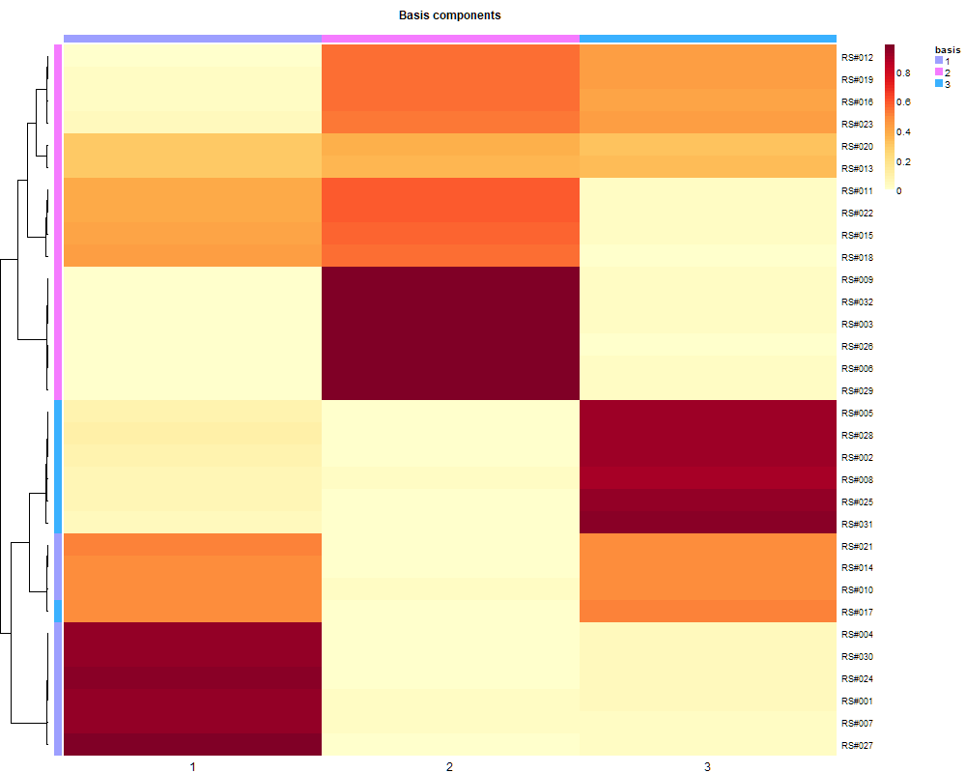
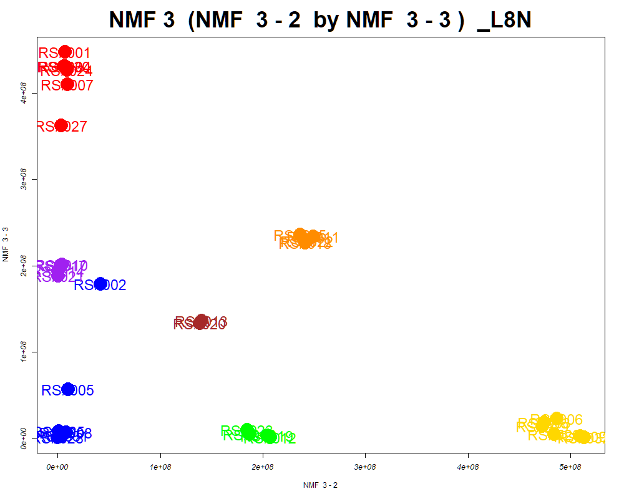
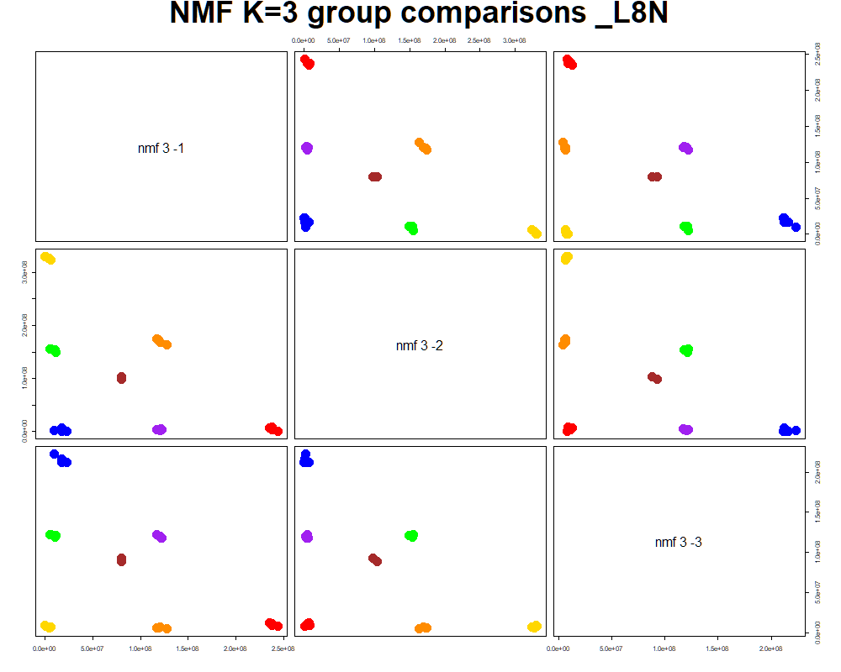
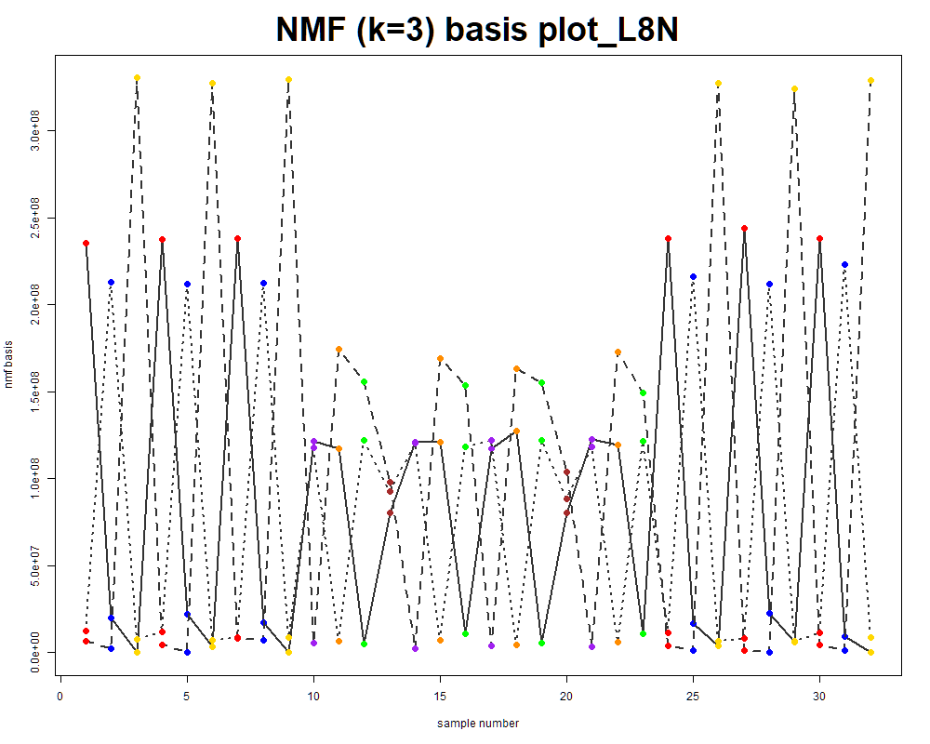
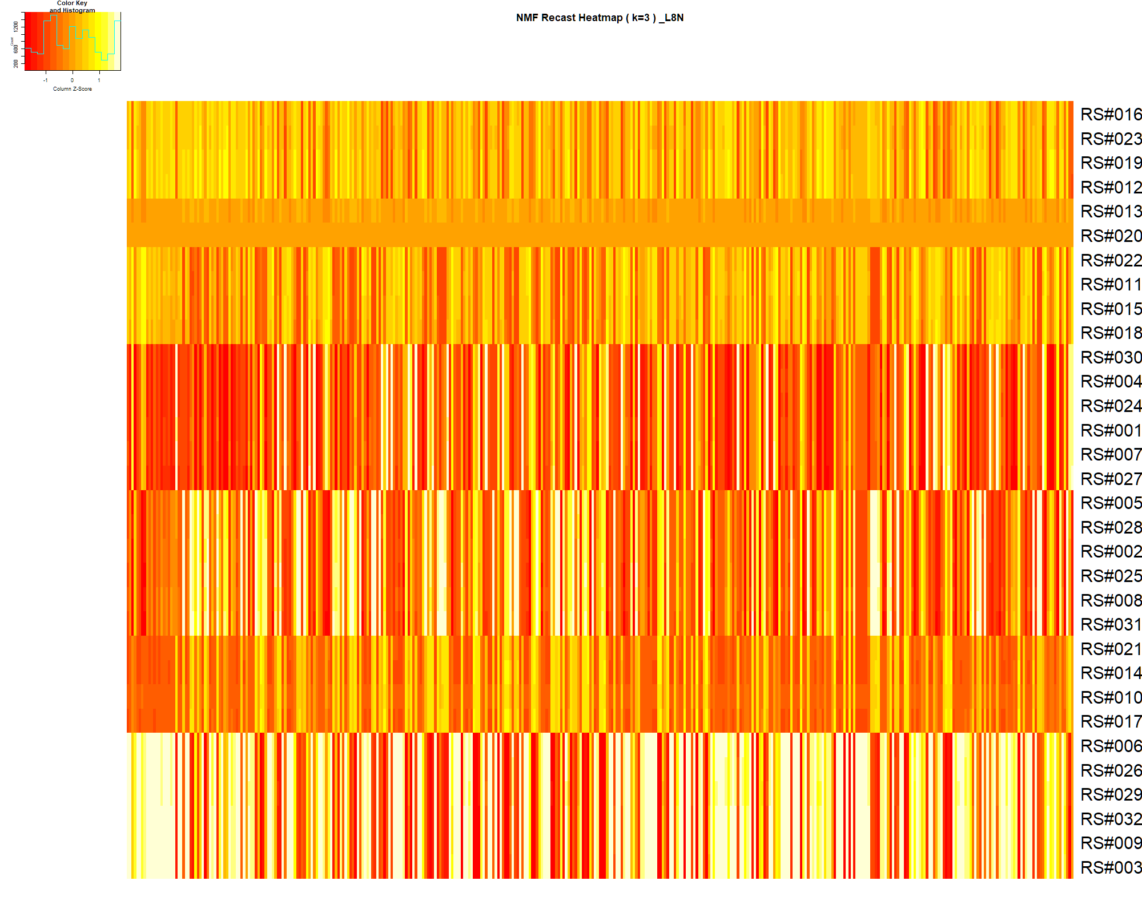

LabNum | BinID | Name | MF | BinC12mz | BinRT | nmf 3 -1 | nmf 3 -2 | nmf 3 -3 | Group |  | ExperimentalGroup | GroupFactor | nmf 3 -1 | nmf 3 -2 | nmf 3 -3 |  | p value
_L8N | LTRS_000002_BaseNeg | C15H30N4O5 (M-H) | C15H30N4O5 | 345.2143 | 0.50 | 12.9% | 63.1% | 23.9% | GroupC | RS#001 | GroupA | GroupA | 6.72E+05 | 6.93E+06 | 4.47E+08 | nmf 3 -1 | 3.29E-12
_L8N | LTRS_000003_BaseNeg | Gamma-glutamyl-L-putrescine (M-H) | C9H19N3O3 | 216.1354 | 0.44 | 1.0% | 99.0% | 0.0% | GroupC | RS#004 | GroupA | GroupA | 3.38E+07 | 7.00E+06 | 4.31E+08 | nmf 3 -2 | 3.83E-30
_L8N | LTRS_000004_BaseNeg | Lys-Thr (M-H) | C10H21N3O4 | 246.1459 | 0.49 | 14.2% | 73.9% | 11.8% | GroupC | RS#007 | GroupA | GroupA | 2.58E+07 | 9.79E+06 | 4.10E+08 | nmf 3 -3 | 1.92E-16
_L8N | LTRS_000005_BaseNeg | C15H29N3O8 (M-H) | C15H29N3O8 | 378.1882 | 0.49 | 21.1% | 71.6% | 7.3% | GroupC | RS#024 | GroupA | GroupA | 2.86E+07 | 8.97E+06 | 4.26E+08
_L8N | LTRS_000006_BaseNeg | Lys-Val (M-H) | C11H23N3O3 | 244.1667 | 0.50 | 4.5% | 91.3% | 4.1% | GroupC | RS#027 | GroupA | GroupA | 3.48E+07 | 3.25E+06 | 3.62E+08 | Average | 1.10E-12
_L8N | LTRS_000008_BaseNeg | 1-[(5-Amino-5-carboxypentyl)amino]-1-deoxyfructose (M-H) | C12H24N2O7 | 307.1511 | 0.52 | 14.1% | 58.7% | 27.2% | - | RS#030 | GroupA | GroupA | 3.37E+07 | 5.97E+06 | 4.30E+08
_L8N | LTRS_000009_BaseNeg | L-Lysine (M-H) | C6H14N2O2 | 145.0983 | 0.52 | 11.8% | 74.4% | 13.9% | GroupC | RS#002 | GroupB | GroupB | 2.15E+08 | 4.18E+07 | 1.79E+08
_L8N | LTRS_000010_BaseNeg | C17H33N3O8 (M-H) | C17H33N3O8 | 406.2195 | 0.50 | 8.9% | 66.8% | 24.3% | GroupC | RS#005 | GroupB | GroupB | 4.55E+08 | 1.00E+07 | 5.64E+07 | The above and below tables are different analyses of the basis table to the left.
_L8N | LTRS_000011_BaseNeg | Arg-Val (M-H) | C11H23N5O3 | 272.1728 | 0.52 | 2.6% | 94.3% | 3.2% | GroupC | RS#008 | GroupB | GroupB | 5.88E+08 | 8.09E+06 | 7.04E+06
_L8N | LTRS_000015_BaseNeg | L-Arginine (M-H) | C6H14N4O2 | 173.1044 | 0.54 | 13.5% | 73.8% | 12.6% | GroupC | RS#025 | GroupB | GroupB | 5.92E+08 | 9.15E+05 | 8.63E+06 |  | Column | S/N | Observed | expected
_L8N | LTRS_000015_BasePos | Gamma-glutamyl-L-putrescine (M+H) | C9H19N3O3 | 218.1499 | 0.48 | 14.7% | 83.0% | 2.3% | GroupC | RS#028 | GroupB | GroupB | 6.11E+08 | 1.36E-03 | 8.56E+05 | GroupA | nmf 3 -1 |  | 50% | 50%
_L8N | LTRS_000017_BasePos | L-Lysine (M+H) | C6H14N2O2 | 147.1128 | 0.49 | 22.4% | 54.8% | 22.8% | - | RS#031 | GroupB | GroupB | 5.80E+08 | 4.54E+06 | 3.53E+06 | GroupB | nmf 3 -1 |  | 30% | 30%
_L8N | LTRS_000018_BaseNeg | C6H14N5NaO3P (M-H) | C6H14N5NaO3P | 257.0659 | 0.54 | 14.1% | 73.2% | 12.7% | GroupC | RS#003 | GroupC | GroupC | 2.22E-16 | 4.74E+08 | 1.87E+07 | GroupC | nmf 3 -2 |  | 4% | 69%
_L8N | LTRS_000018_BasePos | Arg-Val (M+H) | C11H23N5O3 | 274.1874 | 0.48 | 17.3% | 55.8% | 26.9% | - | RS#006 | GroupC | GroupC | 6.12E+06 | 4.87E+08 | 2.25E+07
_L8N | LTRS_000019_BasePos | Lys-Val (M+H) | C11H23N3O3 | 246.1812 | 0.48 | 31.7% | 42.2% | 26.2% | - | RS#009 | GroupC | GroupC | 3.89E+07 | 5.10E+08 | 2.31E+06
_L8N | LTRS_000020_BaseNeg | C6H14N3NaO3P (M-H) | C6H14N3NaO3P | 229.0598 | 0.54 | 12.4% | 70.6% | 16.9% | GroupC | RS#026 | GroupC | GroupC | 3.48E+07 | 4.84E+08 | 4.99E+06
_L8N | LTRS_000020_BasePos | L-Lysine (M+H -NH3) | C6H14N2O2 | 130.0863 | 0.48 | 16.9% | 70.5% | 12.6% | GroupC | RS#029 | GroupC | GroupC | 3.51E+07 | 4.72E+08 | 1.40E+07
_L8N | LTRS_000021_BaseNeg | C6H7N7Na2 (M-H) | C6H7N7Na2 | 222.0486 | 0.54 | 100.0% | 0.0% | 0.0% | NotClr | RS#032 | GroupC | GroupC | 3.93E+07 | 5.13E+08 | 1.05E+06
_L8N | LTRS_000022_BaseNeg | Arg-Ile (M-H) | C12H25N5O3 | 286.1885 | 0.56 | 8.0% | 80.6% | 11.4% | GroupC | RS#010 | GroupD | GroupD | 3.64E+08 | 4.20E+06 | 2.01E+08
_L8N | LTRS_000024_BaseNeg | C12H22N7O3P (M-H) | C12H22N7O3P | 342.1449 | 0.56 | 12.2% | 66.6% | 21.2% | GroupC | RS#014 | GroupD | GroupD | 3.80E+08 | 2.61E+05 | 1.94E+08
_L8N | LTRS_000025_BasePos | L-Arginine (M+H) | C6H14N4O2 | 175.1190 | 0.50 | 25.7% | 52.9% | 21.5% | - | RS#017 | GroupD | GroupD | 3.70E+08 | 2.98E+06 | 2.00E+08
_L8N | LTRS_000026_BasePos | C6H11N2O11P (M+H) | C6H11N2O11P | 319.0173 | 0.54 | 30.3% | 45.2% | 24.5% | - | RS#021 | GroupD | GroupD | 3.80E+08 | 5.68E+05 | 1.88E+08
_L8N | LTRS_000027_BaseNeg | Ala-Ser (M-H) | C6H12N2O4 | 175.0724 | 0.58 | 7.8% | 85.2% | 7.0% | GroupC | RS#011 | GroupE | GroupE | 3.25E+07 | 2.49E+08 | 2.33E+08
_L8N | LTRS_000027_BasePos | butazolamide (M+H) | C6H10N4O3S2 | 251.0267 | 0.54 | 33.6% | 45.0% | 21.4% | - | RS#015 | GroupE | GroupE | 3.04E+07 | 2.37E+08 | 2.36E+08
_L8N | LTRS_000028_BasePos | C6H15KNNa2O3 (M+H) | C6H15KNNa2O3 | 235.0557 | 0.54 | 31.2% | 44.1% | 24.7% | - | RS#018 | GroupE | GroupE | 3.17E+07 | 2.42E+08 | 2.26E+08
_L8N | LTRS_000030_BaseNeg | Ser-Thr (M-H) | C7H14N2O5 | 205.0830 | 0.58 | 14.4% | 70.8% | 14.8% | GroupC | RS#022 | GroupE | GroupE | 3.15E+07 | 2.43E+08 | 2.29E+08
_L8N | LTRS_000030_BasePos | C6H6ClN5NaO (M+H) | C6H6ClN5NaO | 223.0231 | 0.53 | 26.6% | 43.9% | 29.5% | - | RS#012 | GroupF | GroupF | 3.94E+08 | 2.07E+08 | 1.42E+06
_L8N | LTRS_000031_BaseNeg | Ala-Thr (M-H) | C7H14N2O4 | 189.0881 | 0.57 | 9.3% | 80.4% | 10.4% | GroupC | RS#016 | GroupF | GroupF | 3.93E+08 | 1.87E+08 | 5.01E+06
_L8N | LTRS_000032_BaseNeg | N-Acetyl-b-glucosaminylamine (M-H) | C8H16N2O5 | 219.0986 | 0.58 | 22.2% | 53.0% | 24.8% | - | RS#019 | GroupF | GroupF | 3.86E+08 | 2.04E+08 | 3.53E+06
_L8N | LTRS_000033_BaseNeg | His-Ile (M-H) | C12H20N4O3 | 267.1463 | 0.57 | 11.2% | 73.5% | 15.3% | GroupC | RS#023 | GroupF | GroupF | 3.74E+08 | 1.85E+08 | 9.87E+06
_L8N | LTRS_000033_BasePos | C6H8N6O3 (M+H) | C6H8N6O3 | 213.0731 | 0.53 | 31.5% | 39.8% | 28.6% | - | RS#013 | GroupG | GroupG | 2.91E+08 | 1.41E+08 | 1.36E+08
_L8N | LTRS_000034_BaseNeg | Lys-Phe (M-H) | C15H23N3O3 | 292.1667 | 0.57 | 57.0% | 19.5% | 23.5% | - | RS#020 | GroupG | GroupG | 2.92E+08 | 1.38E+08 | 1.33E+08
_L8N | LTRS_000034_BasePos | C6H10N6Na2 (M+H) | C6H10N6Na2 | 213.0835 | 0.53 | 6.5% | 93.5% | 0.0% | GroupC
_L8N | LTRS_000036_BasePos | C12H19N5O4 (M+H) | C12H19N5O4 | 298.1510 | 0.55 | 13.2% | 77.3% | 9.4% | GroupC
_L8N | LTRS_000037_BaseNeg | Pro-Thr (M-H) | C9H16N2O4 | 215.1037 | 0.59 | 21.8% | 68.7% | 9.5% | GroupC
_L8N | LTRS_000038_BaseNeg | Ser-Val (M-H) | C8H16N2O4 | 203.1037 | 0.59 | 23.1% | 62.5% | 14.4% | GroupC
_L8N | LTRS_000039_BasePos | Dimethylglycine (M+H) | C4H9NO2 | 104.0706 | 0.59 | 1.1% | 98.9% | 0.0% | GroupC
_L8N | LTRS_000041_BasePos | Ile-Lys (M+H) | C12H25N3O3 | 260.1969 | 0.52 | 16.3% | 68.6% | 15.2% | GroupC
_L8N | LTRS_000044_BaseNeg | L-beta-aspartyl-L-serine (M-H) | C7H12N2O6 | 219.0623 | 0.65 | 14.1% | 76.8% | 9.2% | GroupC
_L8N | LTRS_000044_BasePos | C10H21N3Na2O (M+H) | C10H21N3Na2O | 246.1553 | 0.70 | 59.9% | 6.3% | 33.8% | -
_L8N | LTRS_000045_BaseNeg | N2-acetyl-Ornithine (M-H) | C7H14N2O3 | 173.0932 | 0.59 | 17.6% | 71.6% | 10.8% | GroupC
_L8N | LTRS_000046_BaseNeg | Leu-Ser (M-H) | C9H18N2O4 | 217.1194 | 0.61 | 14.9% | 65.3% | 19.8% | GroupC
_L8N | LTRS_000048_BaseNeg | Spermic acid 2 (M-H) | C10H20N2O4 | 231.1350 | 0.61 | 18.8% | 72.1% | 9.0% | GroupC
_L8N | LTRS_000049_BaseNeg | Leu-Asp-Ser (M-H) | C13H23N3O7 | 332.1463 | 0.62 | 14.4% | 66.0% | 19.6% | GroupC
_L8N | LTRS_000049_BasePos | Ala-Pro (M+H) | C8H14N2O3 | 187.1077 | 0.61 | 54.2% | 31.8% | 14.0% | -
_L8N | LTRS_000050_BaseNeg | N6-Acetyl-L-lysine (M-H) | C8H16N2O3 | 187.1088 | 0.61 | 22.4% | 62.4% | 15.2% | GroupC
_L8N | LTRS_000052_BaseNeg | Gln-lle (M-H) | C11H21N3O4 | 258.1459 | 0.61 | 17.3% | 65.4% | 17.3% | GroupC
_L8N | LTRS_000054_BaseNeg | Leu-Thr-Ser (M-H) | C13H25N3O6 | 318.1671 | 0.62 | 11.9% | 76.9% | 11.2% | GroupC
_L8N | LTRS_000055_BaseNeg | Laninamivir (M-H) | C13H22N4O7 | 345.1416 | 0.62 | 16.4% | 65.4% | 18.2% | GroupC
_L8N | LTRS_000055_BasePos | Ala-Thr (M+H) | C7H14N2O4 | 191.1026 | 0.58 | 20.2% | 55.6% | 24.1% | -
_L8N | LTRS_000056_BaseNeg | Ala-Ile (M-H) | C9H18N2O3 | 201.1245 | 0.62 | 10.8% | 81.4% | 7.7% | GroupC
_L8N | LTRS_000057_BaseNeg | Asn-Val (M-H) | C9H17N3O4 | 230.1146 | 0.60 | 41.5% | 41.9% | 16.6% | -
_L8N | LTRS_000058_BasePos | Ala-Ser (M+H) | C6H12N2O4 | 177.0870 | 0.58 | 20.9% | 66.2% | 12.9% | GroupC
_L8N | LTRS_000061_BaseNeg | Syndesine (M-H) | C12H23N3O6 | 304.1514 | 0.62 | 11.9% | 63.5% | 24.6% | GroupC
_L8N | LTRS_000062_BaseNeg | Glu-Ile-Ser (M-H) | C14H25N3O7 | 346.1620 | 0.64 | 8.7% | 66.3% | 24.9% | GroupC
_L8N | LTRS_000066_BaseNeg | L-Homoserine (M-H) | C4H9NO3 | 118.0510 | 0.63 | 6.9% | 83.0% | 10.1% | GroupC
...

Random Forest
...
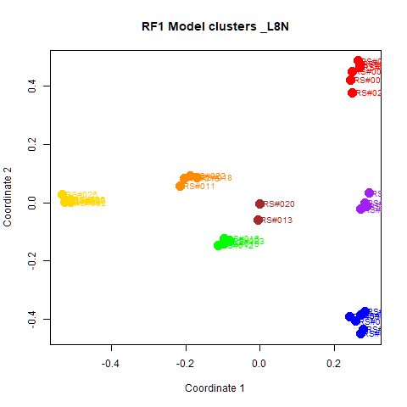
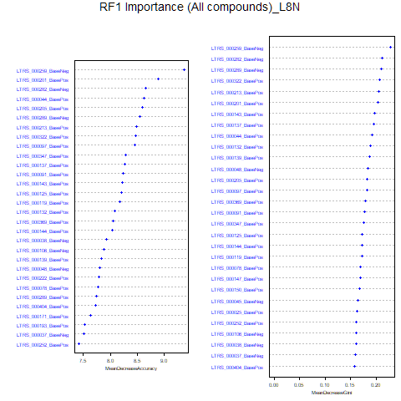
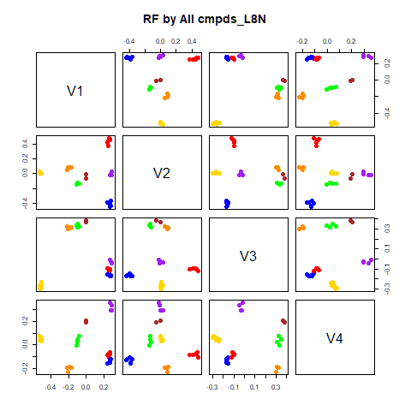
GroupD | GroupE | GroupF | GroupG | class.error
0 | 0 | 0 | 0 | 0
0 | 0 | 0 | 0 | 0
0 | 0 | 0 | 0 | 0
4 | 0 | 0 | 0 | 0
0 | 4 | 0 | 0 | 0
0 | 0 | 4 | 0 | 0
0 | 0 | 2 | 0 | 1
...
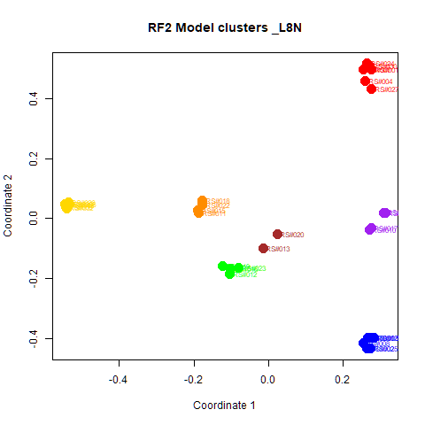
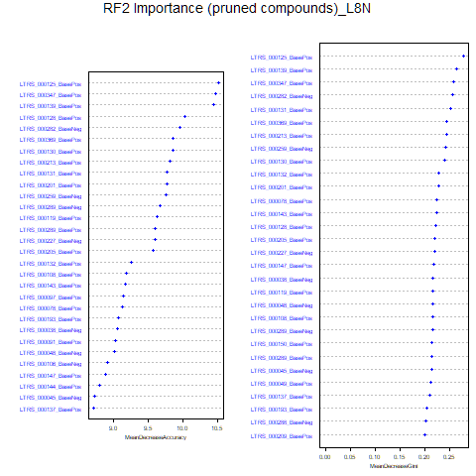
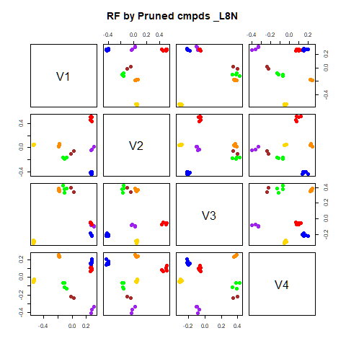
GroupD | GroupE | GroupF | GroupG | class.error
0 | 0 | 0 | 0 | 0
0 | 0 | 0 | 0 | 0
0 | 0 | 0 | 0 | 0
4 | 0 | 0 | 0 | 0
0 | 4 | 0 | 0 | 0
0 | 0 | 4 | 0 | 0
0 | 0 | 0 | 2 | 0

GroupC | GroupD | GroupE | GroupF | GroupG | MeanDecreaseAccuracy | MeanDecreaseGini |  | GroupA | GroupB | GroupC | GroupD | GroupE | GroupF | GroupG | MeanDecreaseAccuracy | MeanDecreaseGini
5.3210304231602 | 3.68744654848232 | 4.19946810105867 | 3.8644040377294 | 2.45194291289504 | 9.36744538126401 | 0.228082851632372 | LTRS_000125_BasePos | 4.805 | 7.569 | 6.007 | 5.615 | 5.122 | 5.044 | 2.112 | 10.519 | 0.278
5.0491595248576 | 3.34243684932155 | 3.52403807491313 | 3.24670761392031 | 2.45194291289504 | 8.88128695647016 | 0.203184056998388 | LTRS_000347_BasePos | 5.701 | 7.757 | 6.204 | 4.730 | 5.294 | 2.807 | 2.717 | 10.480 | 0.259
3.07400199885361 | 3.73704927488887 | 4.31924032376699 | 3.33932961353328 | 1.89094826467836 | 8.65050096701423 | 0.212254226683625 | LTRS_000139_BasePos | 6.315 | 7.398 | 3.713 | 3.390 | 5.793 | 4.494 | 3.323 | 10.443 | 0.264
5.45016927106888 | 2.92014983006936 | 4.11565581620159 | 3.11085281280028 | 1.89094826467836 | 8.62866055086035 | 0.192646389472042 | LTRS_000128_BasePos | 7.106 | 3.701 | 6.222 | 5.487 | 5.165 | 4.345 | 3.471 | 10.036 | 0.223
4.1304582882872 | 4.23157697704949 | 2.8616356917639 | 3.81663733232392 | 2.00133466814988 | 8.59143903327771 | 0.182956464504571 | LTRS_000282_BaseNeg | 4.416 | 7.370 | 4.368 | 4.960 | 5.973 | 4.416 | 3.471 | 9.964 | 0.257
4.57767749223379 | 3.63593100367888 | 4.50331914127641 | 3.64736148223036 | 1.41468520272717 | 8.54071780158315 | 0.210652275533968 | LTRS_000369_BasePos | 4.661 | 7.198 | 5.895 | 5.406 | 5.293 | 3.664 | 2.452 | 9.858 | 0.245
...

RF->NMF3
This tab has the report for k= 3

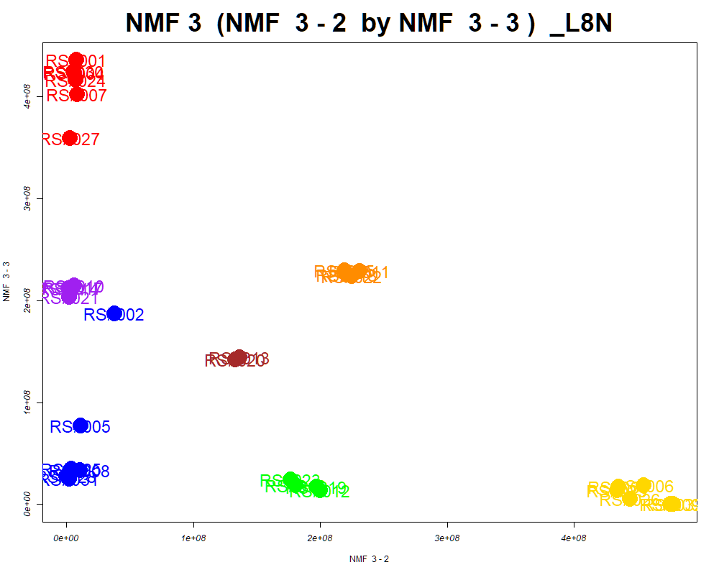

LabNum | BinID | Name | MF | BinC12mz | BinRT | nmf 3 -1 | nmf 3 -2 | nmf 3 -3 | Group |  | ExperimentalGroup | GroupFactor | nmf 3 -1
_L8N | LTRS_000004_BaseNeg | Lys-Thr (M-H) | C10H21N3O4 | 246.1459 | 0.49 | 16.0% | 72.8% | 11.2% | GroupC | RS#001 | GroupA | GroupA | 6.55E+04
_L8N | LTRS_000005_BaseNeg | C15H29N3O8 (M-H) | C15H29N3O8 | 378.1882 | 0.49 | 24.3% | 68.9% | 6.8% | GroupC | RS#004 | GroupA | GroupA | 2.40E+07
_L8N | LTRS_000006_BaseNeg | Lys-Val (M-H) | C11H23N3O3 | 244.1667 | 0.50 | 4.9% | 91.1% | 3.9% | GroupC | RS#007 | GroupA | GroupA | 1.90E+07
_L8N | LTRS_000009_BaseNeg | L-Lysine (M-H) | C6H14N2O2 | 145.0983 | 0.52 | 13.1% | 73.8% | 13.1% | GroupC | RS#024 | GroupA | GroupA | 2.09E+07
_L8N | LTRS_000010_BaseNeg | C17H33N3O8 (M-H) | C17H33N3O8 | 406.2195 | 0.50 | 9.3% | 67.4% | 23.2% | GroupC | RS#027 | GroupA | GroupA | 2.49E+07
_L8N | LTRS_000014_BaseNeg | C6H11N9NaO3P2 (M-H) | C6H11N9NaO3P2 | 341.0285 | 0.54 | 14.7% | 69.4% | 15.9% | GroupC | RS#030 | GroupA | GroupA | 2.42E+07
_L8N | LTRS_000015_BaseNeg | L-Arginine (M-H) | C6H14N4O2 | 173.1044 | 0.54 | 15.2% | 72.9% | 11.9% | GroupC | RS#002 | GroupB | GroupB | 1.60E+08
...

PCA
This tab shows results from PCA analyses on the two RF datasets.
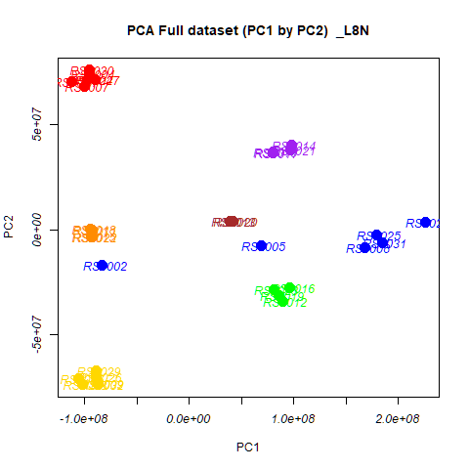
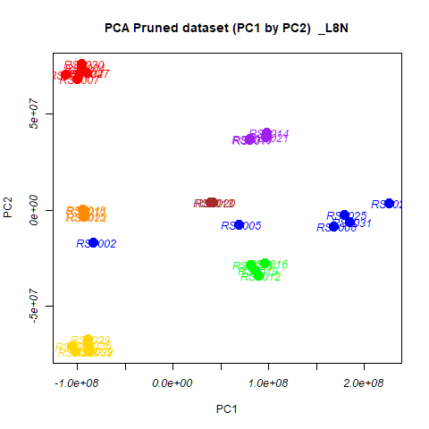
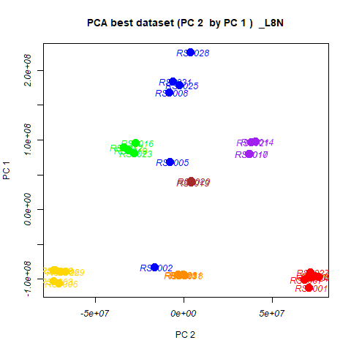
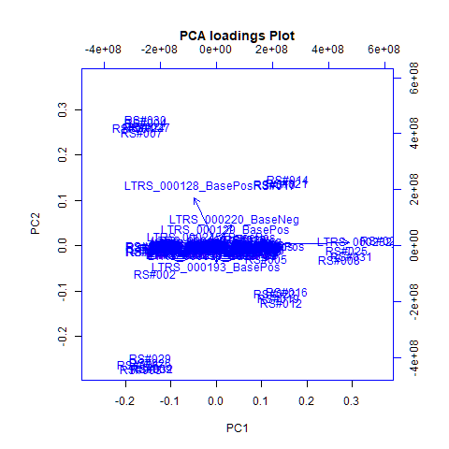
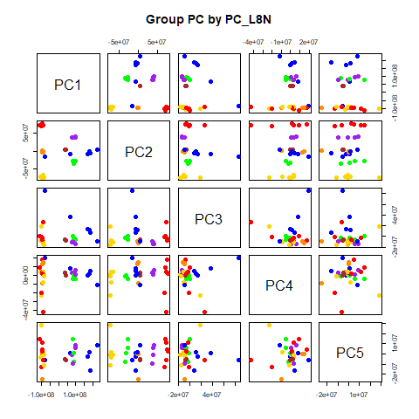
 | %TotVar | SD | p Design | p Reg
PC1 | 79.06% | 1.09E+08 | 3.06E-08 | 3.06E-08
PC2 | 15.36% | 4.81E+07 | 1.07E-27 | 1.07E-27
PC3 | 2.61% | 1.99E+07 | 3.06E-02 | 3.06E-02
PC4 | 0.99% | 1.22E+07 | 6.42E-01 | 6.42E-01
PC5 | 0.66% | 9.97E+06 | 7.74E-01 | 7.74E-01
PC6 | 0.50% | 8.69E+06 | 3.73E-01 | 3.73E-01
PC7 | 0.32% | 6.90E+06 | 1.61E-01 | 1.61E-01
PC8 | 0.15% | 4.76E+06 | 9.01E-01 | 9.01E-01
PC9 | 0.09% | 3.75E+06 | 2.80E-01 | 2.80E-01
PC10 | 0.06% | 3.08E+06 | 7.31E-03 | 7.31E-03

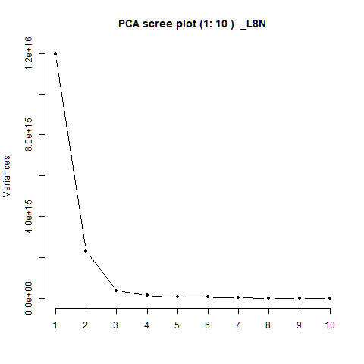
 |  | PC1 | PC2 | PC3 | PC4 | PC5 |  | PC1 | PC2 | PC3 | PC4 | PC5
 | LTRS_000002_BaseNeg | -7.02E-05 | -2.17E-04 | -2.12E-04 | -2.60E-05 | 1.04E-04 | RS#001 | -1.13E+08 | 7.08E+07 | -2.78E+04 | 8.68E+06 | 1.43E+07
 | LTRS_000002_BasePos | 1.16E-04 | 3.06E-04 | -4.08E-04 | 6.01E-03 | 4.63E-03 | RS#002 | -8.34E+07 | -1.66E+07 | 8.58E+07 | 1.98E+07 | -5.88E+06
 | LTRS_000003_BaseNeg | -3.12E-04 | -1.21E-03 | -7.24E-04 | -8.10E-04 | 1.20E-03 | RS#003 | -1.03E+08 | -7.37E+07 | 1.84E+07 | -2.32E+07 | 2.85E+07
 | LTRS_000003_BasePos | -8.08E-06 | -4.61E-05 | 2.69E-04 | 2.99E-04 | 5.30E-04 | RS#004 | -9.52E+07 | 7.42E+07 | -8.19E+06 | 1.76E+07 | 4.75E+06
 |  |  |  |  |  |  |  | 6.85E+07 | -7.74E+06 | 3.67E+07 | 7.82E+06 | 1.32E+06
 |  |  |  |  |  |  |  | -1.06E+08 | -7.09E+07 | -7.58E+06 | 3.18E+06 | -3.53E+06
 |  |  |  |  |  |  |  | -1.01E+08 | 6.82E+07 | -8.25E+05 | -2.05E+07 | -1.31E+07
 |  |  |  |  |  |  |  | 1.68E+08 | -8.29E+06 | 1.36E+07 | -5.22E+05 | -2.32E+06
 |  |  |  |  |  |  |  | -8.73E+07 | -7.31E+07 | -1.61E+07 | 8.78E+05 | -4.65E+05
 |  |  |  |  |  |  |  | 7.98E+07 | 3.72E+07 | -1.07E+07 | 2.74E+06 | -4.65E+05
 |  |  |  |  |  |  |  | -9.32E+07 | -2.96E+05 | -1.16E+07 | 1.50E+07 | -1.40E+05
 |  |  |  |  |  |  |  | 8.93E+07 | -3.39E+07 | -3.10E+06 | -1.88E+06 | -7.38E+06
 |  |  |  |  |  |  |  | 3.91E+07 | 3.91E+06 | -6.17E+06 | 2.55E+06 | -4.62E+06
 |  |  |  |  |  |  |  | 9.77E+07 | 4.04E+07 | -1.39E+07 | 5.94E+06 | 8.99E+06
 |  |  |  |  |  |  |  | -9.42E+07 | -3.12E+06 | -9.49E+06 | 1.26E+07 | 1.38E+05
 |  |  |  |  |  |  |  | 9.64E+07 | -2.75E+07 | -5.67E+06 | -4.72E+06 | 6.09E+06
 |  |  |  |  |  |  |  | 8.03E+07 | 3.69E+07 | -9.46E+06 | 3.00E+06 | -9.22E+06
 |  |  |  |  |  |  |  | -9.49E+07 | 1.78E+05 | -9.19E+06 | -9.36E+06 | -2.49E+07
 |  |  |  |  |  |  |  | 8.56E+07 | -3.14E+07 | -1.88E+06 | -4.51E+04 | 7.43E+05
...

PCA->NMF3
This tab has the report for k= 3

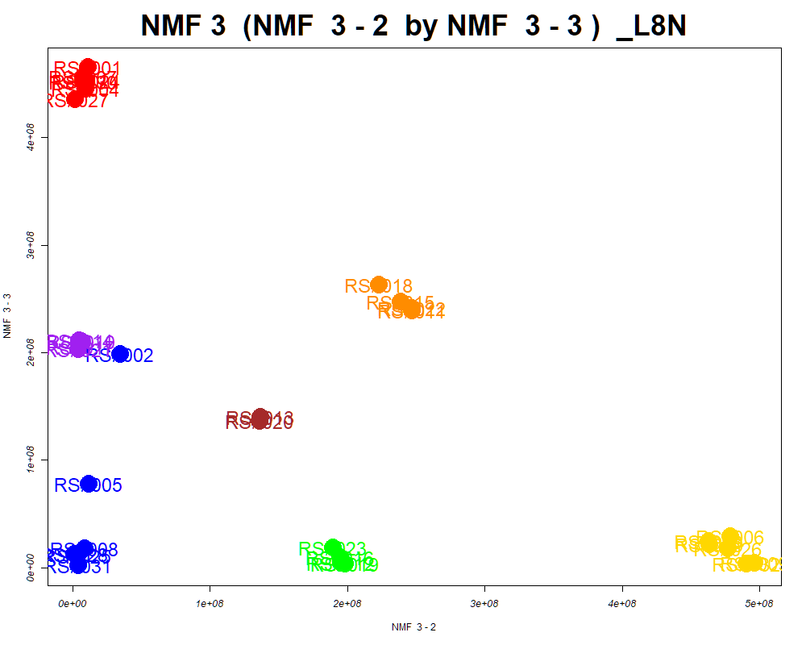

LabNum | BinID | Name | MF | BinC12mz | BinRT | nmf 3 -1 | nmf 3 -2 | nmf 3 -3 | Group |  | ExperimentalGroup | GroupFactor | nmf 3 -1
_L8N | LTRS_000015_BasePos | Gamma-glutamyl-L-putrescine (M+H) | C9H19N3O3 | 218.1499 | 0.48 | 17.0% | 81.0% | 2.0% | GroupC | RS#001 | GroupA | GroupA | 3.43E+06
_L8N | LTRS_000017_BasePos | L-Lysine (M+H) | C6H14N2O2 | 147.1128 | 0.49 | 26.4% | 53.5% | 20.1% | - | RS#004 | GroupA | GroupA | 2.80E+07
_L8N | LTRS_000020_BasePos | L-Lysine (M+H -NH3) | C6H14N2O2 | 130.0863 | 0.48 | 19.8% | 69.1% | 11.1% | GroupC | RS#007 | GroupA | GroupA | 2.20E+07
_L8N | LTRS_000025_BasePos | L-Arginine (M+H) | C6H14N4O2 | 175.1190 | 0.50 | 30.0% | 51.2% | 18.8% | - | RS#024 | GroupA | GroupA | 2.49E+07
_L8N | LTRS_000039_BasePos | Dimethylglycine (M+H) | C4H9NO2 | 104.0706 | 0.59 | 0.7% | 99.3% | 0.0% | GroupC | RS#027 | GroupA | GroupA | 2.70E+07
_L8N | LTRS_000041_BasePos | Ile-Lys (M+H) | C12H25N3O3 | 260.1969 | 0.52 | 19.0% | 67.6% | 13.4% | GroupC | RS#030 | GroupA | GroupA | 2.86E+07
_L8N | LTRS_000044_BasePos | C10H21N3Na2O (M+H) | C10H21N3Na2O | 246.1553 | 0.70 | 66.5% | 5.5% | 28.1% | NotClr | RS#002 | GroupB | GroupB | 1.72E+08
...

SOM
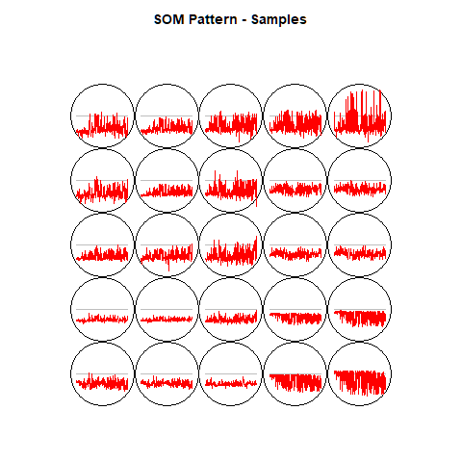
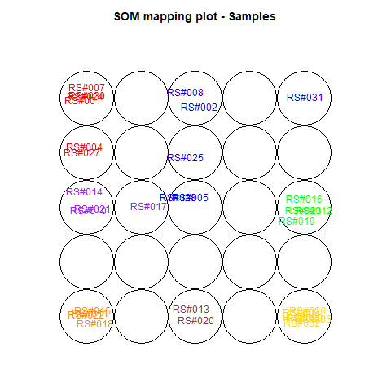
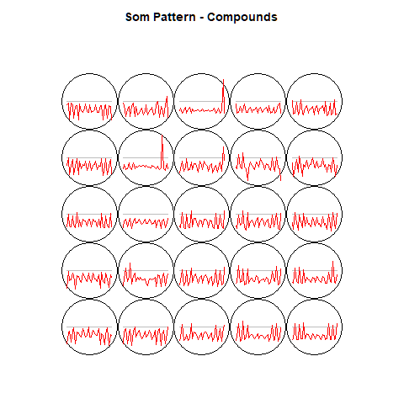
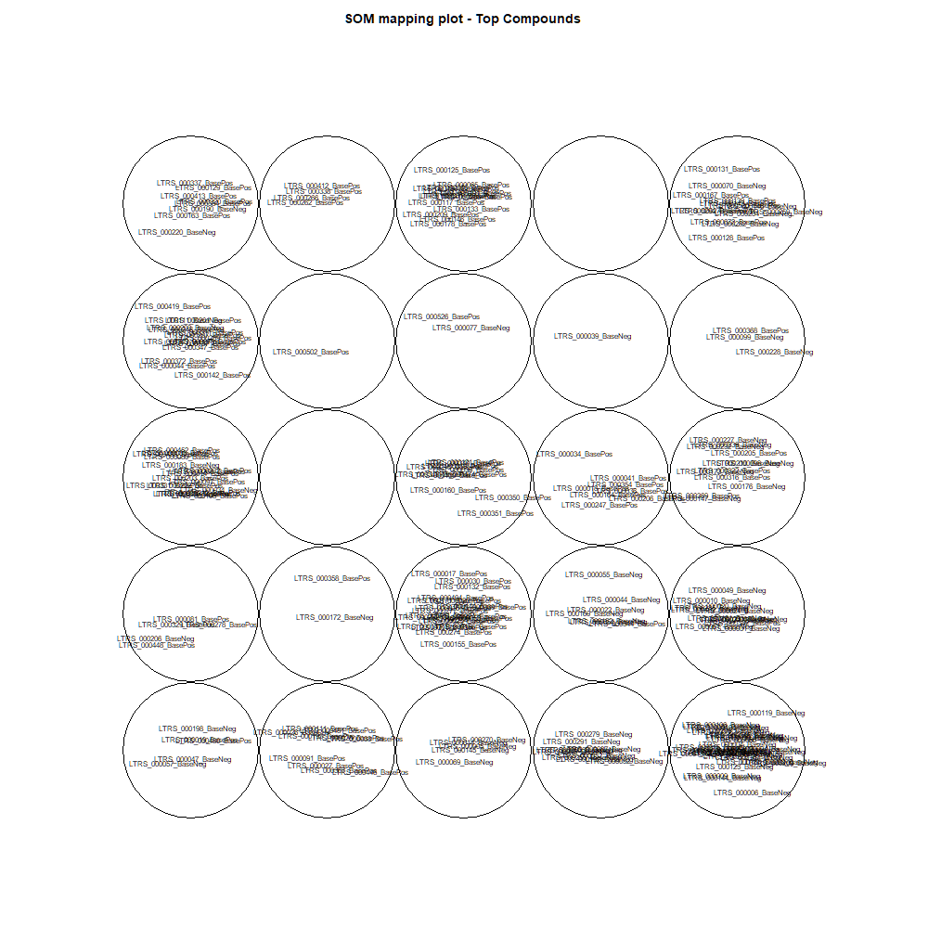
This tab show the output from a SOM analysis

NMF(full)->NMF3
This tab has the report for k= 3

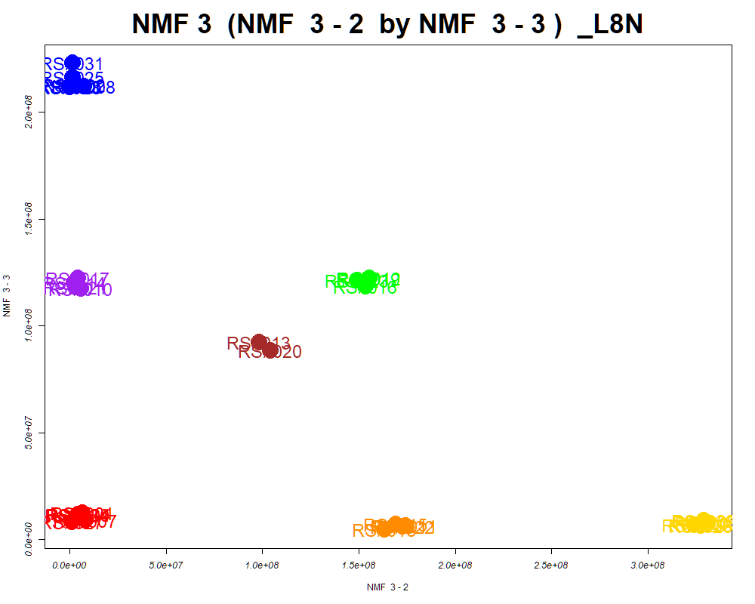

LabNum | BinID | Name | MF | BinC12mz | BinRT | nmf 3 -1 | nmf 3 -2 | nmf 3 -3 | Group |  | ExperimentalGroup | GroupFactor | nmf 3 -1
_L8N | LTRS_000003_BasePos | Arg-Lys (M+H) | C12H26N6O3 | 303.2139 | 0.46 | 31.7% | 33.4% | 34.9% | - | RS#001 | GroupA | GroupA | 2.35E+08
_L8N | LTRS_000004_BaseNeg | Lys-Thr (M-H) | C10H21N3O4 | 246.1459 | 0.49 | 18.7% | 42.8% | 38.4% | - | RS#004 | GroupA | GroupA | 2.38E+08
_L8N | LTRS_000004_BasePos | N(6)-acetimidoyl-L-lysine (M+H) | C8H17N3O2 | 188.1394 | 0.45 | 36.8% | 26.7% | 36.6% | - | RS#007 | GroupA | GroupA | 2.38E+08
_L8N | LTRS_000005_BaseNeg | C15H29N3O8 (M-H) | C15H29N3O8 | 378.1882 | 0.49 | 11.7% | 39.1% | 49.2% | - | RS#024 | GroupA | GroupA | 2.38E+08
_L8N | LTRS_000006_BaseNeg | Lys-Val (M-H) | C11H23N3O3 | 244.1667 | 0.50 | 10.1% | 72.3% | 17.6% | GroupC | RS#027 | GroupA | GroupA | 2.44E+08
_L8N | LTRS_000006_BasePos | Spermidine (M+H) | C7H19N3 | 146.1652 | 0.45 | 20.0% | 60.8% | 19.2% | GroupC | RS#030 | GroupA | GroupA | 2.38E+08
_L8N | LTRS_000008_BaseNeg | 1-[(5-Amino-5-carboxypentyl)amino]-1-deoxyfructose (M-H) | C12H24N2O7 | 307.1511 | 0.52 | 37.8% | 29.7% | 32.5% | - | RS#002 | GroupB | GroupB | 2.00E+07
...

Scored_Cmpds
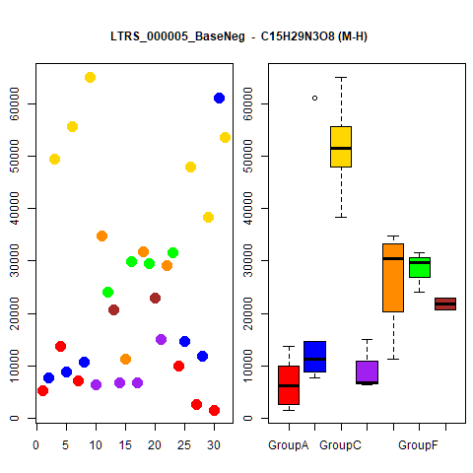
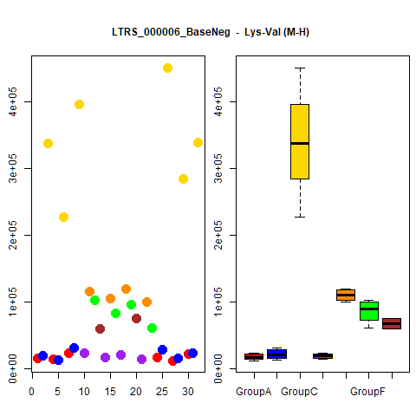
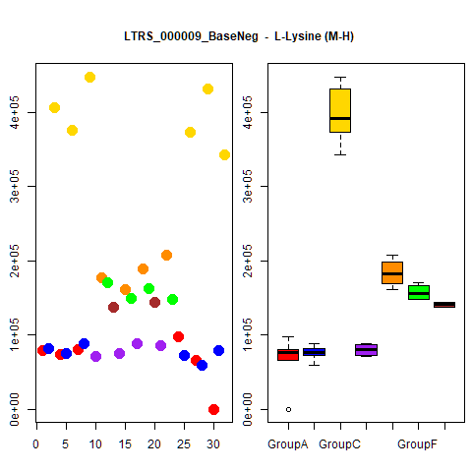
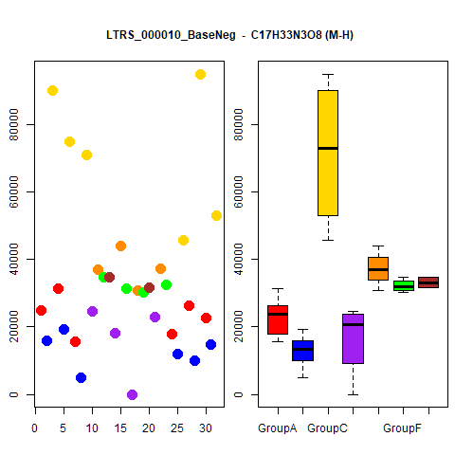
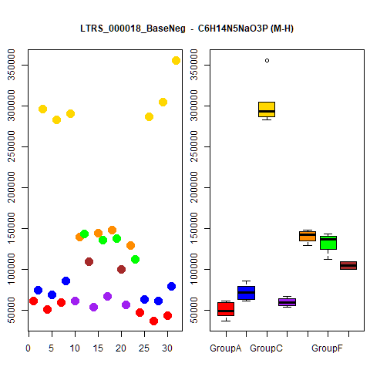
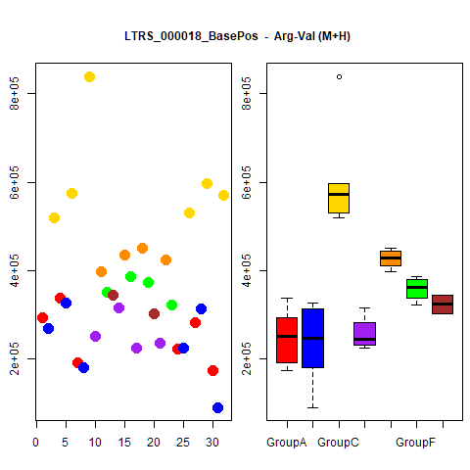
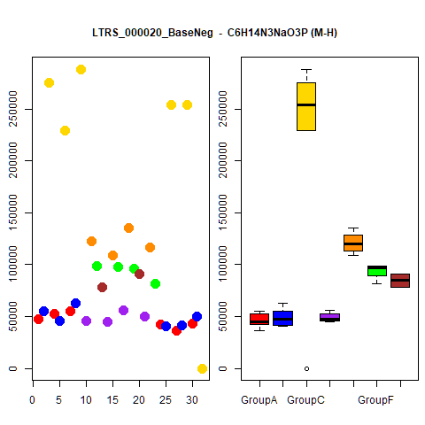
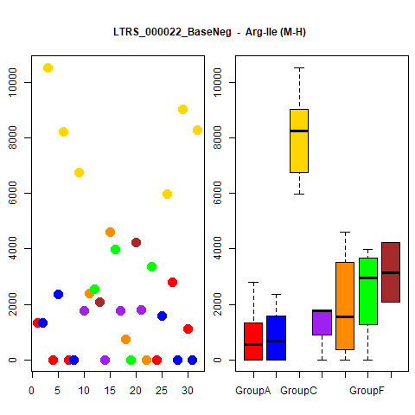
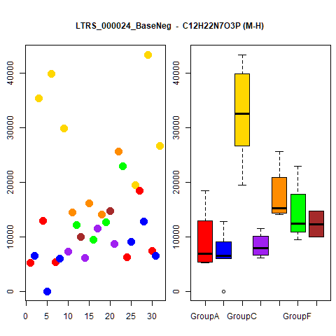
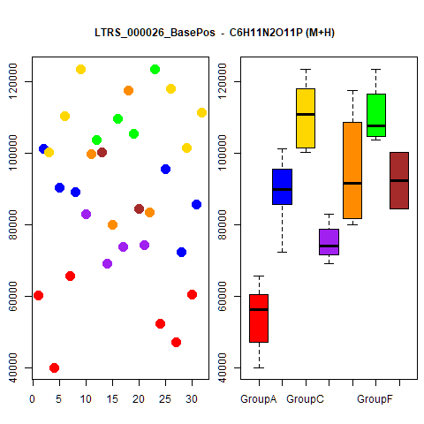
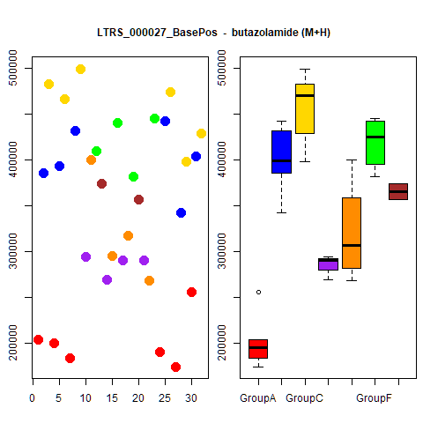
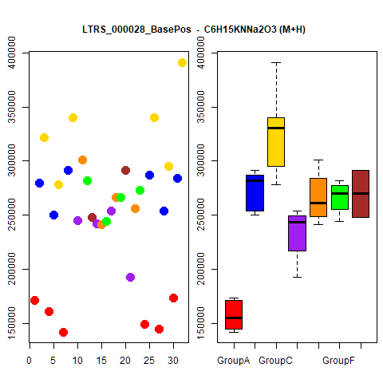
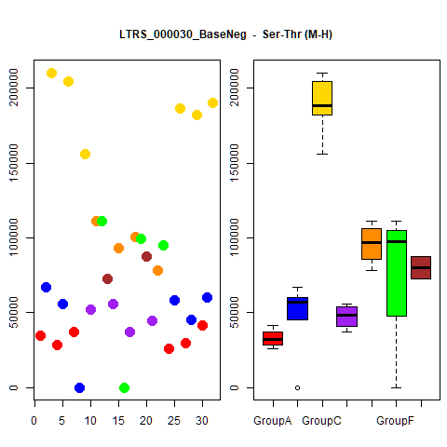
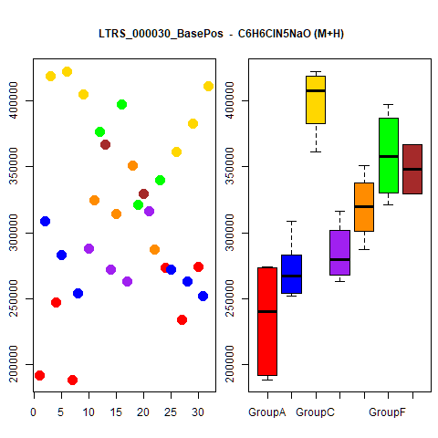
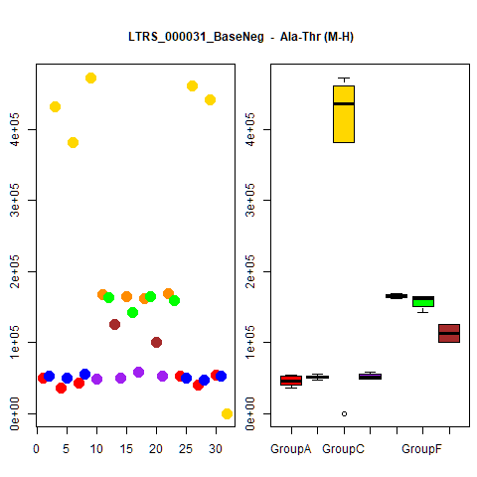
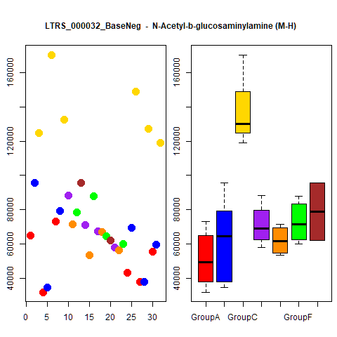
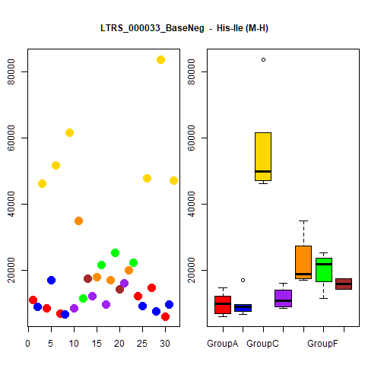
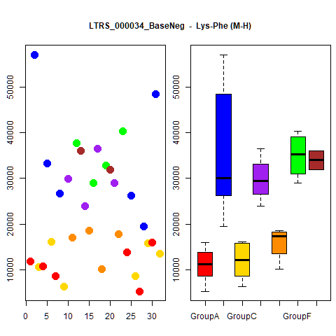
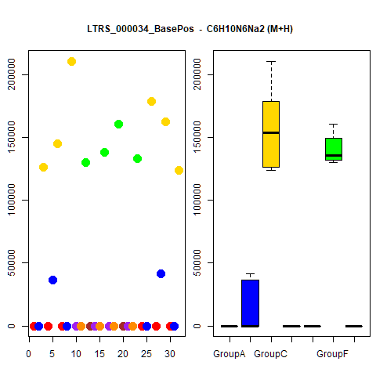
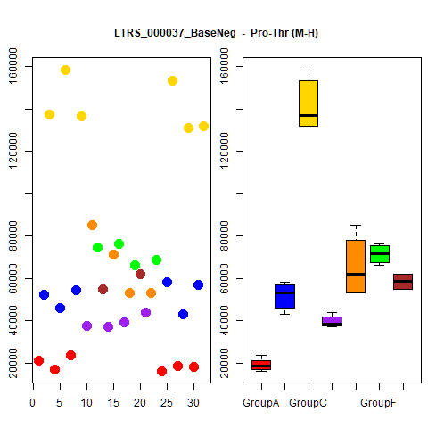
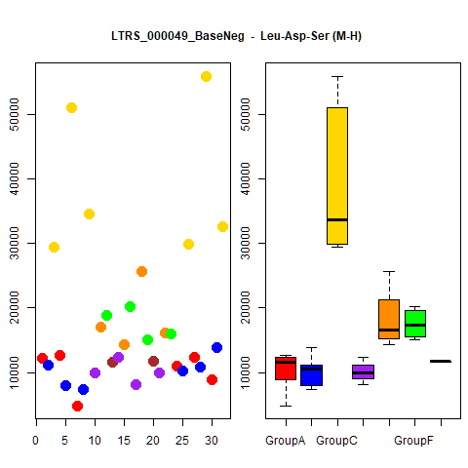
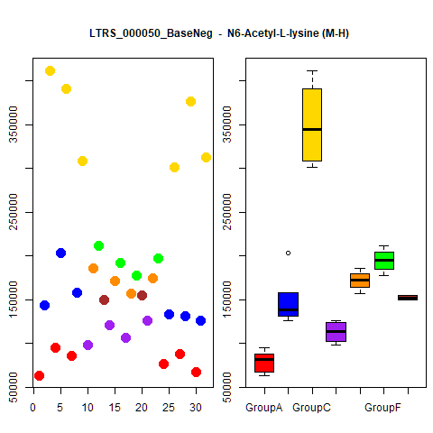
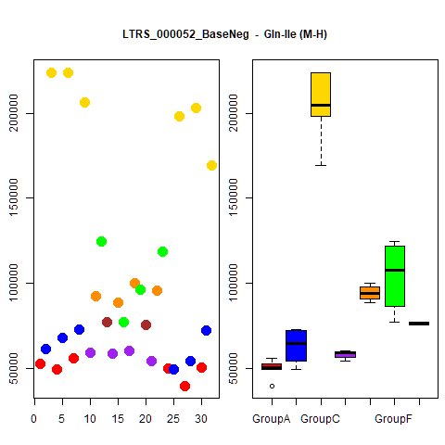
















































































...




 |  |  | Count
1 | 1 | 1 | 4
1 | 1 | 1 | 4
1 | 1 | 1 | 4
1 | 1 | 1 | 4
1 | 1 | 1 | 4
1 | 1 | 1 | 4
1 | 1 | 1 | 4
1 | 1 | 1 | 4
1 | 1 | 1 | 4
1 | 1 | 1 | 4





1 | 1 | 1 | 4
1 | 1 | 1 | 4
1 | 1 | 1 | 4
1 | 1 | 1 | 4
1 | 1 | 1 | 4
1 | 1 | 1 | 4
1 | 1 | 1 | 4
1 | 1 | 1 | 4
1 | 1 | 1 | 4
1 | 1 | 1 | 4





1 | 1 | 1 | 4
1 | 1 | 1 | 4
1 | 1 | 1 | 4
1 | 1 | 1 | 4
1 | 1 | 1 | 4
1 | 1 | 1 | 4
1 | 1 | 1 | 4
1 | 1 | 1 | 4
1 | 1 | 1 | 4
1 | 1 | 1 | 4





1 | 1 | 1 | 4
1 | 1 | 1 | 4
1 | 1 | 1 | 4
1 | 0 | 1 | 3
1 | 0 | 1 | 3
1 | 0 | 1 | 3
1 | 0 | 1 | 3
1 | 0 | 1 | 3
1 | 0 | 1 | 3
1 | 0 | 1 | 3





1 | 0 | 1 | 3
1 | 0 | 1 | 3
1 | 1 | 0 | 3
1 | 0 | 1 | 3
1 | 1 | 0 | 3
1 | 1 | 0 | 3
1 | 0 | 1 | 3
1 | 0 | 1 | 3
1 | 0 | 1 | 3
1 | 0 | 1 | 3





1 | 0 | 1 | 3
1 | 0 | 1 | 3
1 | 0 | 1 | 3
1 | 1 | 0 | 3
1 | 0 | 1 | 3
1 | 1 | 1 | 3
1 | 0 | 1 | 3
1 | 1 | 1 | 3
1 | 0 | 1 | 3
1 | 0 | 1 | 3





1 | 0 | 1 | 3
1 | 0 | 1 | 3
1 | 0 | 1 | 3
1 | 0 | 1 | 3
1 | 0 | 1 | 3
1 | 0 | 1 | 3
1 | 0 | 1 | 3
1 | 0 | 1 | 3
1 | 0 | 1 | 3
1 | 0 | 1 | 3





1 | 0 | 1 | 3
1 | 0 | 1 | 3
1 | 0 | 1 | 3
1 | 0 | 1 | 3
1 | 0 | 1 | 3
1 | 0 | 1 | 3
1 | 0 | 1 | 3
1 | 0 | 1 | 3
1 | 0 | 1 | 3
1 | 0 | 1 | 3





1 | 0 | 1 | 3
1 | 0 | 1 | 3
1 | 0 | 1 | 3
1 | 0 | 1 | 3
1 | 0 | 1 | 3
1 | 0 | 1 | 3
1 | 0 | 1 | 3
1 | 0 | 1 | 3
1 | 0 | 1 | 3
1 | 0 | 1 | 3





1 | 1 | 0 | 3
1 | 1 | 0 | 3
1 | 0 | 1 | 3
1 | 0 | 1 | 3
1 | 0 | 1 | 3
1 | 0 | 1 | 3
1 | 0 | 1 | 3
1 | 0 | 1 | 3
1 | 0 | 1 | 3
1 | 0 | 1 | 3





1 | 1 | 0 | 3
1 | 0 | 1 | 3
1 | 1 | 0 | 3
1 | 0 | 0 | 2
1 | 0 | 0 | 2
1 | 0 | 0 | 2
1 | 0 | 0 | 2
1 | 0 | 0 | 2
1 | 0 | 0 | 2
1 | 0 | 0 | 2





1 | 0 | 0 | 2
1 | 0 | 0 | 2
1 | 0 | 0 | 2
1 | 0 | 0 | 2
1 | 0 | 0 | 2
1 | 0 | 0 | 2
1 | 0 | 0 | 2
1 | 0 | 0 | 2
1 | 0 | 0 | 2
1 | 0 | 0 | 2





1 | 0 | 0 | 2
1 | 0 | 0 | 2
1 | 0 | 0 | 2
1 | 0 | 0 | 2
1 | 0 | 0 | 2
1 | 0 | 0 | 2
1 | 0 | 0 | 2
1 | 0 | 0 | 2
1 | 0 | 0 | 2
1 | 0 | 0 | 2





1 | 0 | 0 | 2
1 | 0 | 0 | 2
1 | 0 | 0 | 2
0 | 0 | 1 | 2
1 | 0 | 0 | 2
1 | 0 | 1 | 2
0 | 0 | 1 | 2
0 | 0 | 1 | 2
1 | 0 | 0 | 2
1 | 0 | 0 | 2





1 | 0 | 0 | 2
0 | 0 | 1 | 2
1 | 0 | 0 | 2
1 | 1 | 0 | 2
1 | 0 | 0 | 2
1 | 0 | 1 | 2
0 | 0 | 1 | 2
1 | 0 | 0 | 2
1 | 0 | 0 | 2
1 | 0 | 0 | 2





1 | 0 | 0 | 2
1 | 0 | 0 | 2
1 | 0 | 0 | 2
1 | 0 | 0 | 2
1 | 0 | 0 | 2
0 | 0 | 1 | 2
1 | 0 | 0 | 2
1 | 0 | 1 | 2
1 | 0 | 0 | 2
1 | 0 | 0 | 2





1 | 0 | 1 | 2
1 | 0 | 0 | 2
1 | 0 | 0 | 2
1 | 0 | 0 | 2
1 | 0 | 0 | 2
1 | 0 | 1 | 2
1 | 0 | 0 | 2
1 | 0 | 1 | 2
1 | 0 | 0 | 2
1 | 0 | 0 | 2





1 | 0 | 0 | 2
1 | 0 | 1 | 2
1 | 0 | 0 | 2
1 | 0 | 0 | 2
1 | 0 | 0 | 2
1 | 0 | 0 | 2
1 | 0 | 0 | 2
1 | 0 | 1 | 2
1 | 0 | 0 | 2
1 | 0 | 0 | 2





1 | 0 | 0 | 2
0 | 0 | 1 | 2
1 | 0 | 0 | 2
1 | 0 | 0 | 2
1 | 0 | 0 | 2
1 | 0 | 0 | 2
1 | 0 | 0 | 2
1 | 0 | 0 | 2
0 | 0 | 1 | 2
1 | 0 | 0 | 2





1 | 0 | 1 | 2
1 | 0 | 1 | 2
1 | 0 | 0 | 2
1 | 0 | 1 | 2
1 | 0 | 0 | 2
1 | 0 | 0 | 2
1 | 0 | 0 | 2
1 | 0 | 0 | 2
1 | 0 | 0 | 2
1 | 0 | 0 | 2





1 | 0 | 0 | 2
1 | 0 | 0 | 2
1 | 0 | 0 | 2
1 | 0 | 0 | 2
1 | 0 | 1 | 2
1 | 0 | 0 | 2
1 | 0 | 0 | 2

Grouped_Cmpds

























...

