Sheet2
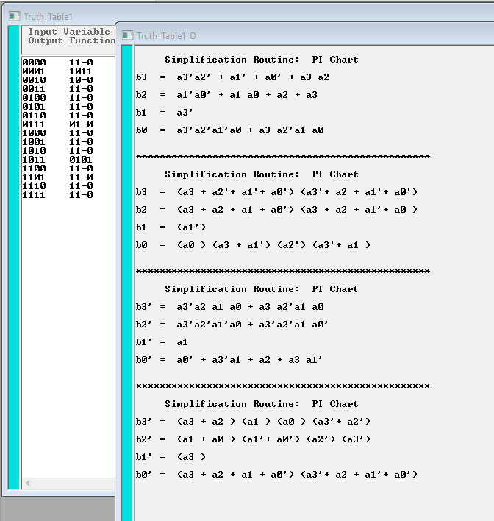

Sheet7
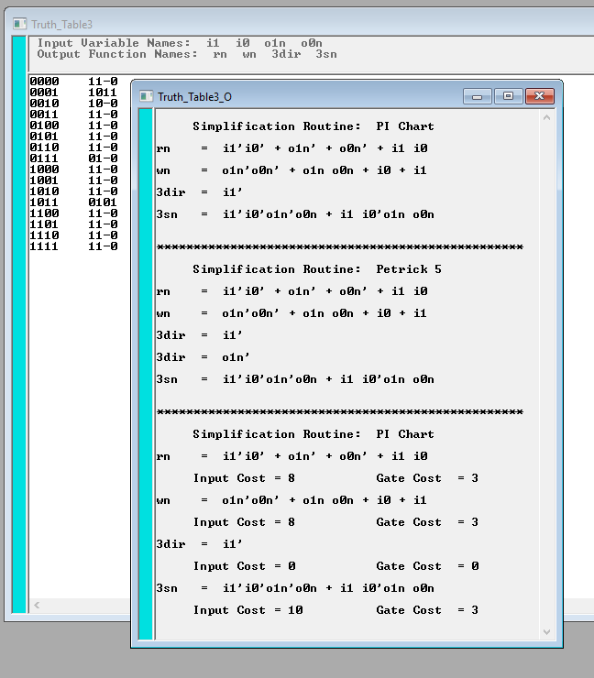
a3 | a2 | a1 | a0 | b3 | b2 | b1 | b0
I1 | I0 | O1N | O0N | RN | WN | 3DIR | 3SN
0 | 0 | 0 | 0 | 1 | 1 | - | 0 | MDR TO BUS | 0 | 0 | 0 | 0 | 1 | 1 | - | 0 | MDR TO BUS
0 | 0 | 0 | 1 | 1 | 0 | 1 | 1 | R1 TO MEM | 0 | 0 | 0 | 1 | 1 | 1 | - | 0
0 | 0 | 1 | 0 | 1 | 0 | - | 0 | R0 TO MEM | 0 | 0 | 1 | 0 | 1 | 1 | - | 0
0 | 0 | 1 | 1 | 1 | 1 | - | 0 | DEFAULT (off) | 0 | 0 | 1 | 1 | 1 | 1 | - | 0 | DEFAULT (off)
0 | 1 | 0 | 0 | 1 | 1 | - | 0 |  | 0 | 1 | 0 | 0 | 1 | 1 | - | 0
0 | 1 | 0 | 1 | 1 | 1 | - | 0 |  | 0 | 1 | 0 | 1 | 1 | 1 | - | 0
0 | 1 | 1 | 0 | 1 | 1 | - | 0 |  | 0 | 1 | 1 | 0 | 1 | 1 | - | 0
0 | 1 | 1 | 1 | 0 | 1 | - | 0 | MEM TO R0 | 0 | 1 | 1 | 1 | 0 | 1 | - | 0 | MEM TO R0
1 | 0 | 0 | 0 | 1 | 1 | - | 0 |  | 1 | 0 | 0 | 0 | 1 | 1 | - | 0
1 | 0 | 0 | 1 | 1 | 1 | - | 0 |  | 1 | 0 | 0 | 1 | 1 | 1 | - | 0
1 | 0 | 1 | 0 | 1 | 1 | - | 0 |  | 1 | 0 | 1 | 0 | 1 | 1 | - | 0
1 | 0 | 1 | 1 | 0 | 1 | 0 | 1 | MEM TO R1 | 1 | 0 | 1 | 1 | 0 | 1 | 0 | 1 | MEM TO R1
1 | 1 | 0 | 0 | 1 | 1 | - | 0 |  | 1 | 1 | 0 | 0 | 1 | 1 | - | 0
1 | 1 | 0 | 1 | 1 | 1 | - | 0 |  | 1 | 1 | 0 | 1 | 1 | 1 | - | 0
1 | 1 | 1 | 0 | 1 | 1 | - | 0 |  | 1 | 1 | 1 | 0 | 1 | 1 | - | 0
1 | 1 | 1 | 1 | 1 | 1 | - | 0 | BUS TO MDR | 1 | 1 | 1 | 1 | 1 | 1 | - | 0 | BUS TO MDR

0000 | 11-0
0001 | 1011
0010 | 10-0
0011 | 11-0
0100 | 11-0
0101 | 11-0
0110 | 11-0
0111 | 01-0
1000 | 11-0
1001 | 11-0
1010 | 11-0
1011 | 0101
1100 | 11-0
1101 | 11-0
1110 | 11-0
1111 | 11-0

Sheet1
