Sheet1
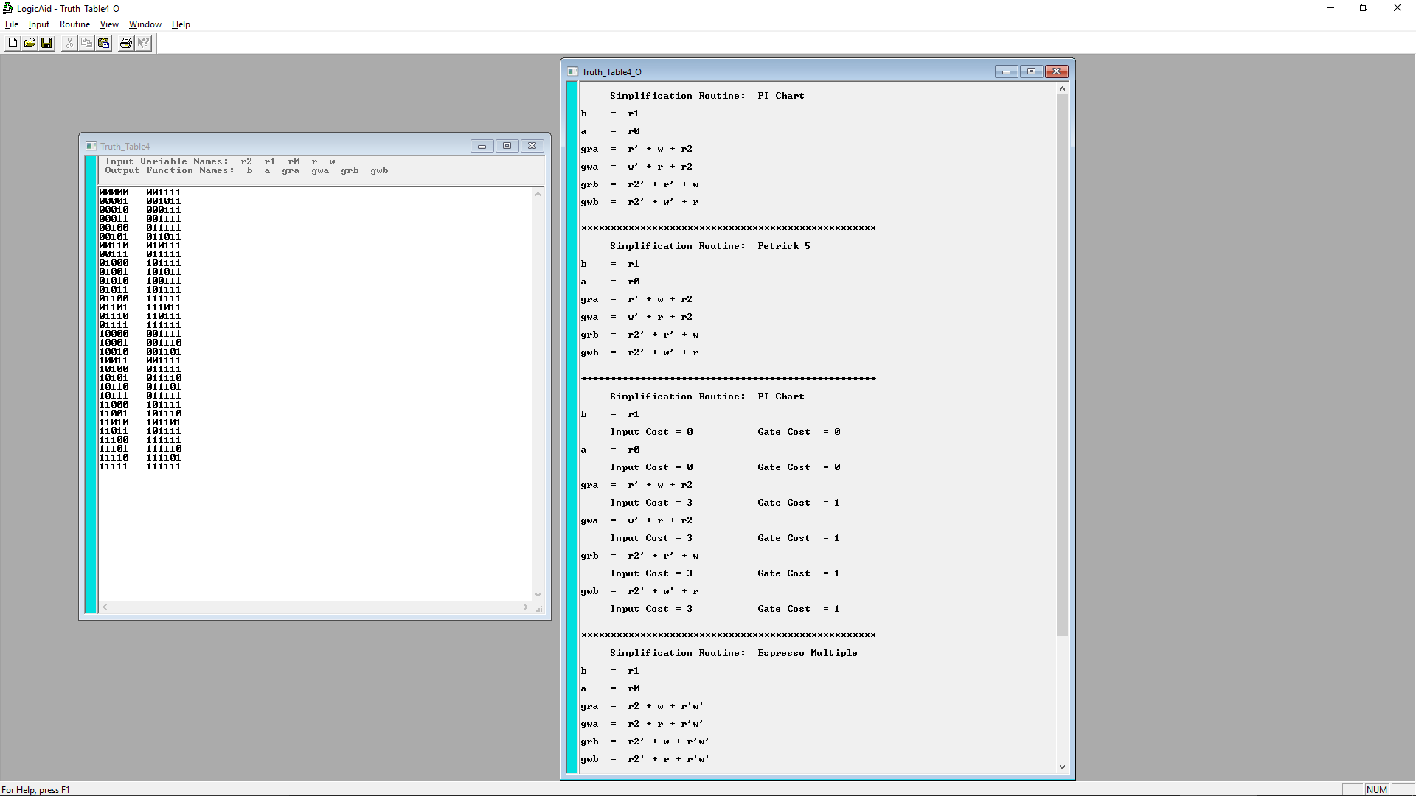
abc | read | write | b | a | gra(low) | gwa(low) | grb(low) | gwb(low) | read | write | b | a | gra(low) | gwa(low) | grb(low) | gwb(low)
000 | 0 | 0 | 0 | 0 | 1 | 1 | 1 | 1 | 0 | 0 | 0 | 0 | 1 | 1 | 1 | 1
000 | 0 | 1 | 0 | 0 | 1 | 0 | 1 | 1 | 0 | 1 | 0 | 0 | 1 | 0 | 1 | 1
000 | 1 | 0 | 0 | 0 | 0 | 1 | 1 | 1 | 1 | 0 | 0 | 0 | 0 | 1 | 1 | 1
000 | 1 | 1 | 0 | 0 | 1 | 1 | 1 | 1 | 1 | 1 | 0 | 0 | 1 | 1 | 1 | 1
001 | 0 | 0 | 0 | 1 | 1 | 1 | 1 | 1 | 0 | 0 | 0 | 1 | 1 | 1 | 1 | 1
001 | 0 | 1 | 0 | 1 | 1 | 0 | 1 | 1 | 0 | 1 | 0 | 1 | 1 | 0 | 1 | 1
001 | 1 | 0 | 0 | 1 | 0 | 1 | 1 | 1 | 1 | 0 | 0 | 1 | 0 | 1 | 1 | 1
001 | 1 | 1 | 0 | 1 | 1 | 1 | 1 | 1 | 1 | 1 | 0 | 1 | 1 | 1 | 1 | 1
010 | 0 | 0 | 1 | 0 | 1 | 1 | 1 | 1 | 0 | 0 | 1 | 0 | 1 | 1 | 1 | 1
010 | 0 | 1 | 1 | 0 | 1 | 0 | 1 | 1 | 0 | 1 | 1 | 0 | 1 | 0 | 1 | 1
010 | 1 | 0 | 1 | 0 | 0 | 1 | 1 | 1 | 1 | 0 | 1 | 0 | 0 | 1 | 1 | 1
010 | 1 | 1 | 1 | 0 | 1 | 1 | 1 | 1 | 1 | 1 | 1 | 0 | 1 | 1 | 1 | 1
011 | 0 | 0 | 1 | 1 | 1 | 1 | 1 | 1 | 0 | 0 | 1 | 1 | 1 | 1 | 1 | 1
011 | 0 | 1 | 1 | 1 | 1 | 0 | 1 | 1 | 0 | 1 | 1 | 1 | 1 | 0 | 1 | 1
011 | 1 | 0 | 1 | 1 | 0 | 1 | 1 | 1 | 1 | 0 | 1 | 1 | 0 | 1 | 1 | 1
011 | 1 | 1 | 1 | 1 | 1 | 1 | 1 | 1 | 1 | 1 | 1 | 1 | 1 | 1 | 1 | 1
100 | 0 | 0 | 0 | 0 | 1 | 1 | 1 | 1 | 0 | 0 | 0 | 0 | 1 | 1 | 1 | 1
100 | 0 | 1 | 0 | 0 | 1 | 1 | 1 | 0 | 0 | 1 | 0 | 0 | 1 | 1 | 1 | 0
100 | 1 | 0 | 0 | 0 | 1 | 1 | 0 | 1 | 1 | 0 | 0 | 0 | 1 | 1 | 0 | 1
100 | 1 | 1 | 0 | 0 | 1 | 1 | 1 | 1 | 1 | 1 | 0 | 0 | 1 | 1 | 1 | 1
101 | 0 | 0 | 0 | 1 | 1 | 1 | 1 | 1 | 0 | 0 | 0 | 1 | 1 | 1 | 1 | 1
101 | 0 | 1 | 0 | 1 | 1 | 1 | 1 | 0 | 0 | 1 | 0 | 1 | 1 | 1 | 1 | 0
101 | 1 | 0 | 0 | 1 | 1 | 1 | 0 | 1 | 1 | 0 | 0 | 1 | 1 | 1 | 0 | 1
101 | 1 | 1 | 0 | 1 | 1 | 1 | 1 | 1 | 1 | 1 | 0 | 1 | 1 | 1 | 1 | 1
110 | 0 | 0 | 1 | 0 | 1 | 1 | 1 | 1 | 0 | 0 | 1 | 0 | 1 | 1 | 1 | 1
110 | 0 | 1 | 1 | 0 | 1 | 1 | 1 | 0 | 0 | 1 | 1 | 0 | 1 | 1 | 1 | 0
110 | 1 | 0 | 1 | 0 | 1 | 1 | 0 | 1 | 1 | 0 | 1 | 0 | 1 | 1 | 0 | 1
110 | 1 | 1 | 1 | 0 | 1 | 1 | 1 | 1 | 1 | 1 | 1 | 0 | 1 | 1 | 1 | 1
111 | 0 | 0 | 1 | 1 | 1 | 1 | 1 | 1 | 0 | 0 | 1 | 1 | 1 | 1 | 1 | 1
111 | 0 | 1 | 1 | 1 | 1 | 1 | 1 | 0 | 0 | 1 | 1 | 1 | 1 | 1 | 1 | 0
111 | 1 | 0 | 1 | 1 | 1 | 1 | 0 | 1 | 1 | 0 | 1 | 1 | 1 | 1 | 0 | 1
111 | 1 | 1 | 1 | 1 | 1 | 1 | 1 | 1 | 1 | 1 | 1 | 1 | 1 | 1 | 1 | 1

mem
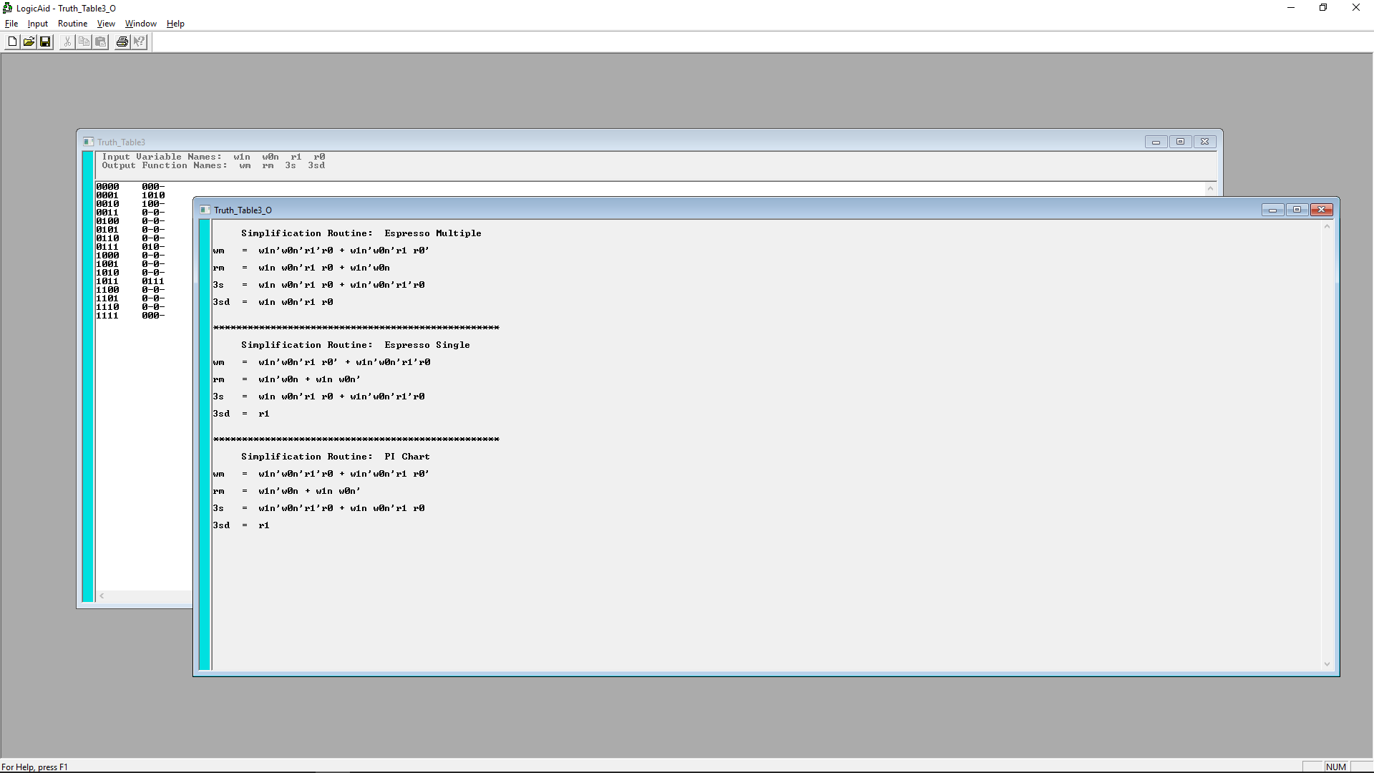
w1 | w0 | r1 | r0 | w mem | r mem | 3s | 3sd
0 | 0 | 0 | 0 | 0 | 0 | 0 | - | mdr to bus
0 | 0 | 0 | 1 | 1 | 0 | 1 | 0 | b1 to mem
0 | 0 | 1 | 0 | 1 | 0 | 0 | - | b0 to mem
0 | 0 | 1 | 1 | 0 | - | 0 | -
0 | 1 | 0 | 0 | 0 | - | 0 | -
0 | 1 | 0 | 1 | 0 | - | 0 | -
0 | 1 | 1 | 0 | 0 | - | 0 | -
0 | 1 | 1 | 1 | 0 | 1 | 0 | - | mem to b0
1 | 0 | 0 | 0 | 0 | - | 0 | -
1 | 0 | 0 | 1 | 0 | - | 0 | -
1 | 0 | 1 | 0 | 0 | - | 0 | -
1 | 0 | 1 | 1 | 0 | 1 | 1 | 1 | mem to b1
1 | 1 | 0 | 0 | 0 | - | 0 | -
1 | 1 | 0 | 1 | 0 | - | 0 | -
1 | 1 | 1 | 0 | 0 | - | 0 | -
1 | 1 | 1 | 1 | 0 | 0 | 0 | - | bus to mdr

0000 | 000-
0001 | 1010
0010 | 100-
0011 | 0-0-
0100 | 0-0-
0101 | 0-0-
0110 | 0-0-
0111 | 010-
1000 | 0-0-
1001 | 0-0-
1010 | 0-0-
1011 | 0111
1100 | 0-0-
1101 | 0-0-
1110 | 0-0-
1111 | 000-

Sheet7
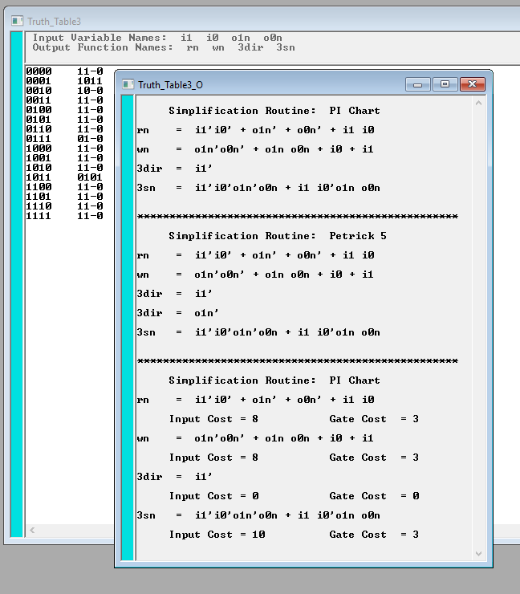
I1 | I0 | O1N | O0N | RN | WN | 3DIR | 3SN
0 | 0 | 0 | 0 | 1 | 1 | - | 0 | MDR TO BUS | 0 | 0 | 0 | 0 | 1 | 1 | - | 0 | MDR TO BUS
0 | 0 | 0 | 1 | 1 | 0 | 1 | 1 | R1 TO MEM | 0 | 0 | 0 | 1 | 1 | 1 | - | 0
0 | 0 | 1 | 0 | 1 | 0 | - | 0 | R0 TO MEM | 0 | 0 | 1 | 0 | 1 | 1 | - | 0
0 | 0 | 1 | 1 | 1 | 1 | - | 0 | DEFAULT (off) | 0 | 0 | 1 | 1 | 1 | 1 | - | 0 | DEFAULT (off)
0 | 1 | 0 | 0 | 1 | 1 | - | 0 |  | 0 | 1 | 0 | 0 | 1 | 1 | - | 0
0 | 1 | 0 | 1 | 1 | 1 | - | 0 |  | 0 | 1 | 0 | 1 | 1 | 1 | - | 0
0 | 1 | 1 | 0 | 1 | 1 | - | 0 |  | 0 | 1 | 1 | 0 | 1 | 1 | - | 0
0 | 1 | 1 | 1 | 0 | 1 | - | 0 | MEM TO R0 | 0 | 1 | 1 | 1 | 0 | 1 | - | 0 | MEM TO R0
1 | 0 | 0 | 0 | 1 | 1 | - | 0 |  | 1 | 0 | 0 | 0 | 1 | 1 | - | 0
1 | 0 | 0 | 1 | 1 | 1 | - | 0 |  | 1 | 0 | 0 | 1 | 1 | 1 | - | 0
1 | 0 | 1 | 0 | 1 | 1 | - | 0 |  | 1 | 0 | 1 | 0 | 1 | 1 | - | 0
1 | 0 | 1 | 1 | 0 | 1 | 0 | 1 | MEM TO R1 | 1 | 0 | 1 | 1 | 0 | 1 | 0 | 1 | MEM TO R1
1 | 1 | 0 | 0 | 1 | 1 | - | 0 |  | 1 | 1 | 0 | 0 | 1 | 1 | - | 0
1 | 1 | 0 | 1 | 1 | 1 | - | 0 |  | 1 | 1 | 0 | 1 | 1 | 1 | - | 0
1 | 1 | 1 | 0 | 1 | 1 | - | 0 |  | 1 | 1 | 1 | 0 | 1 | 1 | - | 0
1 | 1 | 1 | 1 | 1 | 1 | - | 0 | BUS TO MDR | 1 | 1 | 1 | 1 | 1 | 1 | - | 0 | BUS TO MDR

0000 | 11-0
0001 | 1011
0010 | 10-0
0011 | 11-0
0100 | 11-0
0101 | 11-0
0110 | 11-0
0111 | 01-0
1000 | 11-0
1001 | 11-0
1010 | 11-0
1011 | 0101
1100 | 11-0
1101 | 11-0
1110 | 11-0
1111 | 11-0

