HAR
AREYLight | DBSource | PORTABLE
 |  |  |  | state | arıza | log | Big Data Values & Atmel process data
_id | 1 |  |  | Açık | Sağlıklı | Son aktivite
_position | { Latid,Longt } |  |  | Kapalı | Arızalı |  | Pulse Data
_linked | { data_id_type} big data |  |  | Standby | Beklemede
_type | {AREYPir} |  |  |  |  |  | Motion | Datetime.now | Light State
_connectedUrl | { connectedDevice }

LoRaWAN TTN Network Group

_networkState | { city, state, substate }
_applicationId | { applicationName }
_deviceID | 51OSBHAR0001
_devAddr | { 0x26, 0x01, 0x1A, 0x91 }
_nwkSKey | { 0x92, 0x13, 0x13, 0x0F, 0xBB, 0x94, 0x08, 0xFE, 0xA2, 0x28, 0xD1, 0x37, 0x8C, 0xF5, 0x7F, 0xC4 } |  |  |  |  |  | 200 m kaç dakikada yürünür ?
_appSKey | { 0x05, 0x97, 0x13, 0xE1, 0xAC, 0x02, 0xD2, 0xC2, 0x78, 0xF2, 0x04, 0xCA, 0xA9, 0xFC, 0x47, 0x05 } |  |  |  |  |  | 200 mt kaç dakikada gidilir
_actMethod | { ABP, OTA , RAW }
Device EUI | { 0x00, 0xE9, 0x6A, 0x6B, 0xB4, 0x1E, 0x42, 0x62 }
Application EUI | { 0x70, 0xB3, 0xD5, 0x7E, 0xD0, 0x00, 0x84, 0x2C }
 |  |  |  |  |  |  | LinkEd Data
_rawID | 0xabc
 |  |  |  |  |  |  | _state | { on, off, standby }
 |  |  |  |  |  |  | _health | { well, nwell}

 |  |  |  |  |  |  | _process | { 1-10 }

 |  |  |  |  |  |  | _streetName | { SAGLIK }
 |  |  |  |  |  |  | _block | { A }
 |  |  |  |  |  |  | _origin | { 0 / 1 }

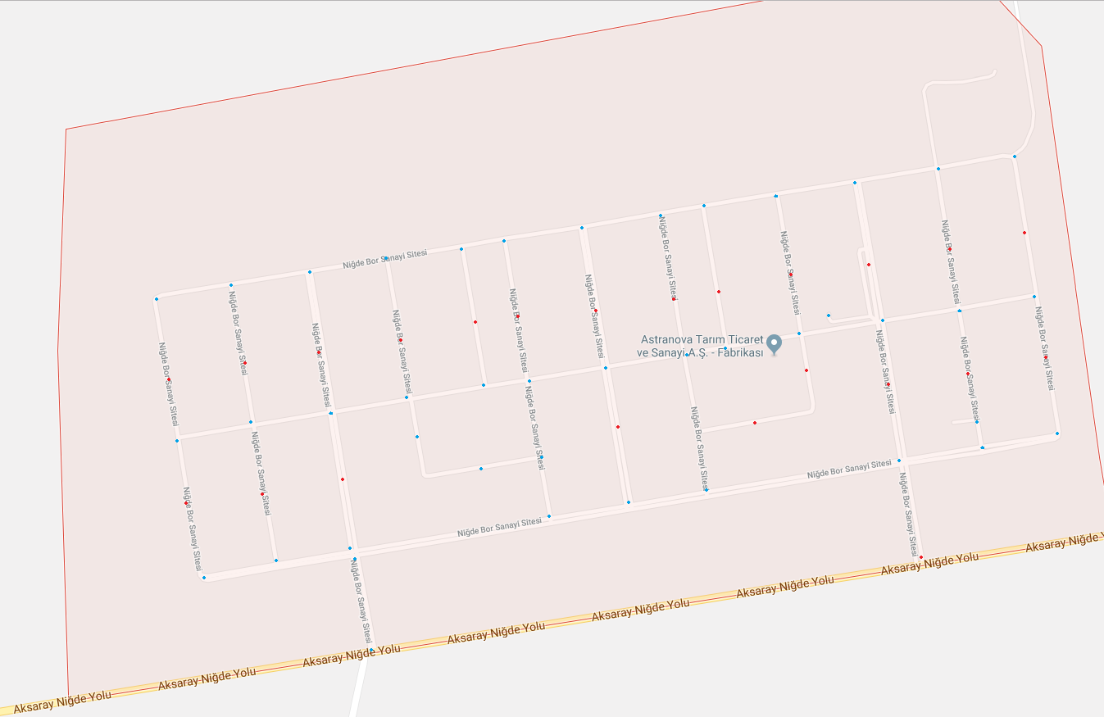

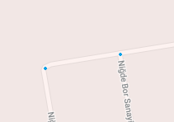
 |  | A0 | A PARSELİ |  |  |  |  |  |  | A1 | B0 |  | B PARSELİ | B1
 |  |  |  |  |  |  |  |  |  |  |  | C0

 |  |  |  |  |  |  |  |  |  |  |  | C1

