Scenario Daigram
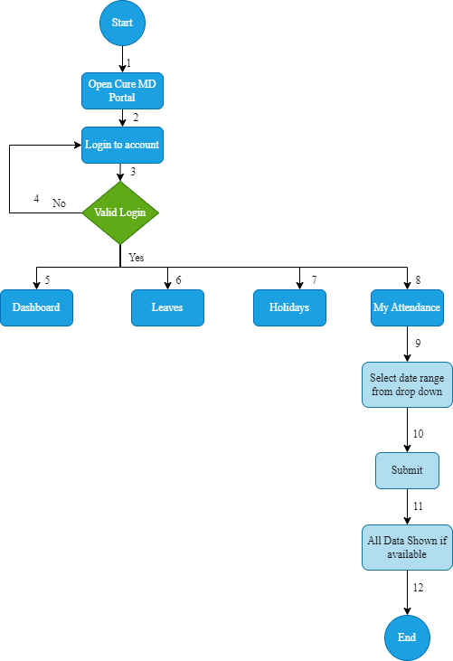
Dash Board (Flow Chart)

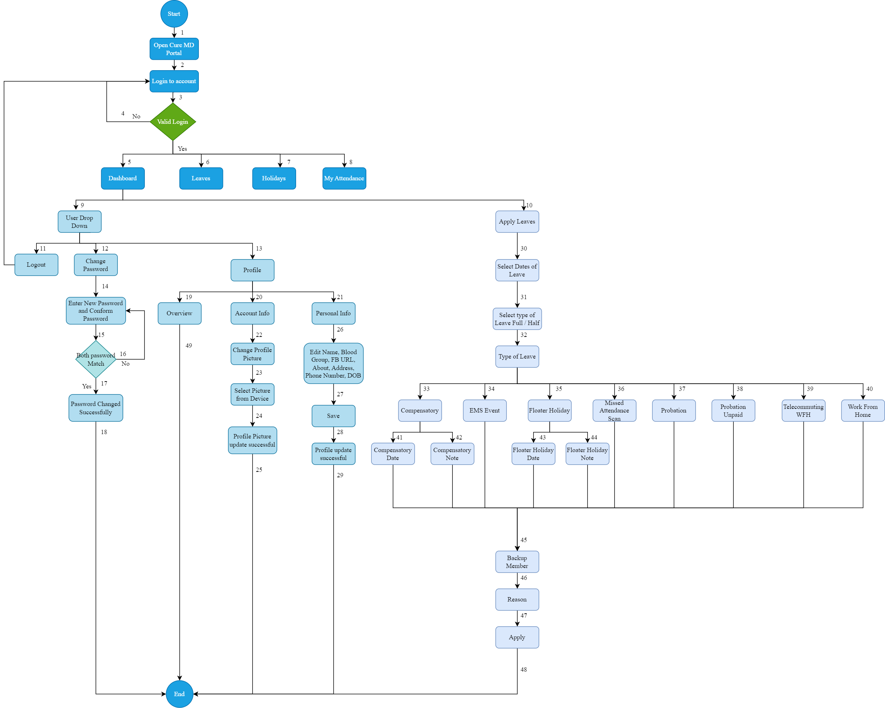

Leaves (State Transition Daigram)

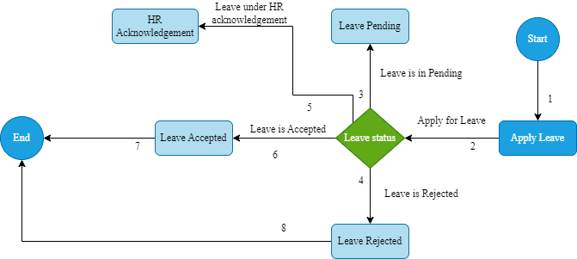

Holidays (Flow Chart)

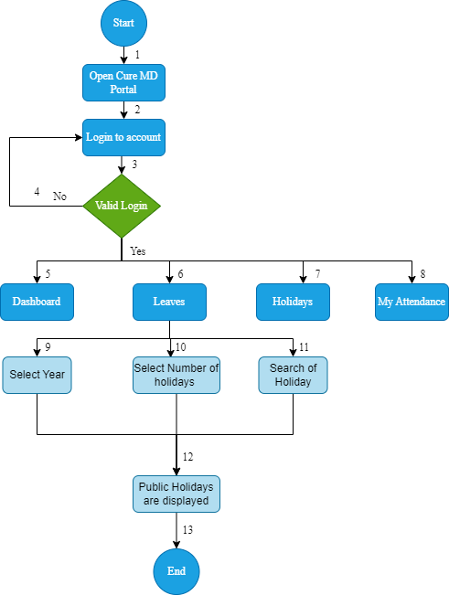

My Attendance(Flow Chart)

