literature
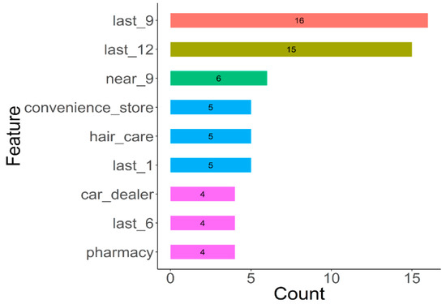
ID | Place
1 | accounting
2 | airport
3 | amusement_park
4 | aquarium
5 | art_gallery
6 | atm
7 | bakery
8 | bank
9 | bar
10 | beauty_salon
11 | bicycle_store
12 | book_store
13 | bowling_alley
14 | bus_station
15 | cafe
16 | campground
17 | car_dealer
18 | car_rental
19 | car_repair
20 | car_wash
21 | cemetery
22 | church
23 | clothing_store
24 | convenience_store
25 | courthouse
26 | dentist
27 | department_store
28 | doctor
29 | electrician
30 | electronics_store
31 | fire_station
32 | florist
33 | funeral_home
34 | furniture_store
35 | gas_station
36 | gym
37 | hair_care
38 | hardware_store
39 | home_goods_store
40 | hospital
41 | insurance_agency
42 | jewelry_store
43 | laundry
44 | lawyer
45 | library
46 | liquor_store
47 | local_government_office
48 | locksmith
49 | lodging
50 | meal_delivery
51 | meal_takeaway
52 | mosque
53 | movie_rental
54 | movie_theater
55 | moving_company
56 | museum
57 | night_club
58 | painter
59 | park
60 | parking
61 | pet_store
62 | pharmacy
63 | physiotherapist
64 | plumber
65 | police
66 | post_office
67 | real_estate_agency
68 | restaurant
69 | roofing_contractor
70 | rv_park
71 | school
72 | shoe_store
73 | shopping_mall
74 | spa
75 | stadium
76 | storage
77 | store
78 | subway_station
79 | taxi_stand
80 | train_station
81 | transit_station
82 | travel_agency
83 | university
84 | veterinary_care

