MATERIAL
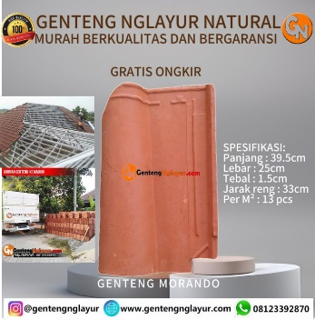
Roofing
Material |  | R <m2K/W> | U <W/m2K> | Type |  |  |  |  | d (tebal) | 15 mm
Asbestos | Asbes Papan | 0.037 | 27.027027027 |  |  |  |  |  | densitas | 1600 - 1920
Asphalt | Aspal Roll | 0.027 | 37.037037037 |  |  |  |  |  | k (konduktivitas) | 0.61 - 0.98
 | Aspal Papan | 0.078 | 12.820512821
Slate | Batu Tulis | 0.009 | 111.11111111
Wood | Kayu | 0.166 | 6.0240963855
 | Tanah Liat | 0.018867924528 | 53

Plester
Material |  | R <m2K/W> | U <W/m2K> | Type |  | k
Cement | Semen | 0.013888888889 | 72 |  |  | 0.72

Wall
Material |  | R <m2K/W> | U <W/m2K> | Type |  |  |  |  | d (tebal) | 10 cm
Brick | Bata Merah | 0.12578616352 | 7.95 | 3 | C5 |  |  |  | densitas | 1600 - 1920
Lightweigh Brick | Bata Ringan | 0.375 | 2.6666666667 | 3 | A2 |  |  |  | k (konduktivitas) | 0.61 - 0.98
Concrete Block - Normal Weight | Batako | 0.185 | 5.4054054054 | 4 | C1
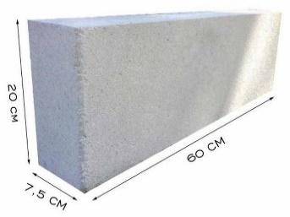
Wood | Kayu | 0.17857142857 | 5.6 | 1 | A1
 |  |  |  |  |  |  |  |  | d (tebal) | 10cm
Floor |  |  |  |  |  |  |  |  | k (konduktivitas) | 0.2
Material |  | R <m2K/W> | U <W/m2K> | Type
Carpet | Karpet | 0.3 | 3.3333333333 |  |  |  |  |  | Kayu
Ceramic (Terazzo) | Keramik | 0.014 | 71.428571429 |  |  |  |  |  | d (tebal) | 2,5 cm
Rubber Tile | Karet | 0.06 | 16.666666667 |  |  |  |  |  | densitas | 500 - 650
 |  |  |  |  |  |  |  |  | k (konduktivitas) | 0.12 - 0.16
Jendela |  | R <m2K/W> | U <W/m2K> | Type
Glass | Kaca | 0.16920473773 | 5.91

Roof Structure
Material |  | R <m2K/W> | U <W/m2K> | Tanpa Langit-langit | Gipsum | PVC | Triplek
Wood | Kayu | 0.125 | 8 | 1 | 4 | 4 | 4 | Kayu
HW Concrete | Batako | 0.075 | 13.333333333 | 2 | 3 | 3 | 3 | Batako
Steel Deck | Dek Besi | 0.005 | 200 | 1 | 1 | 1 | 1 | Dek Besi
Attic-ceiling | Ada loteng | 1.75 | 0.57142857143 | 2

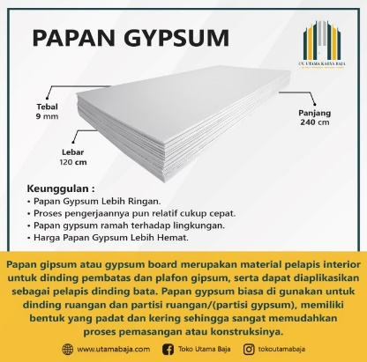
Langit-langit |  |  |  |  |  |  |  |  | gypsum | gypsum or plaster board
Material |  | R <m2K/W> | U <W/m2K> |  |  |  |  |  | d (tebal) | 9 mm
No Ceiling | Tanpa Langit-langit | - | - |  |  |  |  |  | k (konduktivitas) | 0.16
Gypsum | Gipsum | 0.05625 | 17.777777778
 | PVC | 0.066666666667 | 15
Plywood | Triplek | 0.06 | 16.666666667

Jendela
Jenis |  | R <m2K/W> | U <W/m2K>
 | Kaca |  | 5.91

Pintu |  |  |  |  |  |  |  |  | triplek | plywoodor wood panel
Jenis |  | R <m2K/W> | U <W/m2K> |  |  |  |  |  | d (tebal) | 12mm
 | Pintu Kayu Rangka Kayu |  | 2.61 |  |  |  |  |  | k (konduktivitas) | 0.2
 | Pintu Kayu Rangka Besi |  | 0.91
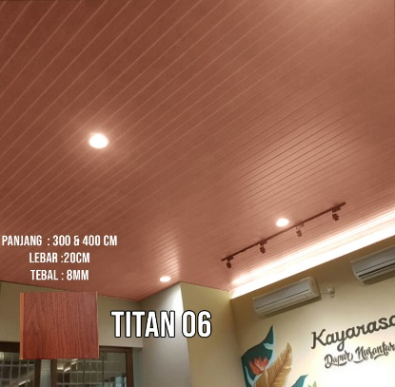
 | Pintu Besi Rangka Besi |  | 2.1
 | Pintu Geser Kaca |  | 5.91 |  |  |  |  |  | pvc | cari jurnal dah
 | Pintu Gulung Atas (Garasi) |  | 6.53 |  |  |  |  |  | d (tebal) | 8mm
 |  |  |  |  |  |  |  |  | k (konduktivitas) | 0.12
Lampu |  | W | Category | Fsa
 | Lampu LED Bohlam | 10 | Downlight Incandescent Luminaire | 1.18
 | Lampu Bohlam Pijar | 60 | Downlight Incandescent Luminaire | 1.18
 | Lampu CFL / Spiral | 15 | Downlight Compact Fluorescent Luminaire | 1.18
 | Lampu Downlight LED | 10 | Downlight Compact Fluorescent Luminaire | 1.18
 | Lampu Panel LED | 40 | Recessed Fluorescent Luminaire With Lens | 1.1
 | Lampu TL LED | 20 | Non-in-Ceiling Fluorescent Luminaire | 1.04
 | Lampu Neon TL | 36 | Non-in-Ceiling Fluorescent Luminaire | 1.04
 | Highbay LED (Lampu Industri) | 100 | Non-in-Ceiling Fluorescent Luminaire | 1.37
 | Tracklight LED (Lampu Sorot) | 35 | Non-in-Ceiling Fluorescent Luminaire | 1.04
 | Floodlight LED | 100 | Non-in-Ceiling Fluorescent Luminaire | 1.37

Peralatan |  | W | Fu | Fr | Fl
 | Oven listrik | 2000 | 0.42 | 0.17 | 0.0714 | Convection oven (listrik)
 | Microwave | 1000 | 0.42 | 0.17 | 0.0714 | Convection oven (listrik)
 | Oven Gas | 5000 | 0.42 | 0.2 | 0.084 | Convection oven (gas)
 | Kompor Listrik | 1500 | 0.34 | 0.46 | 0.1564 | Open-top range (listrik)
 | Kompor Gas | 1000 | 0.34 | 0.17 | 0.0578 | Open-top range (gas)
 | Air Fryer | 1000 | 0.06 | 0.43 | 0.0258 | Fryer (listrik)
 | Rice Cooker | 500 | 0.13 | 0.3 | 0.039 | Steam cooker (listrik)
 | Toaster Oven | 1000 | 0.42 | 0.17 | 0.0714 | Convection oven (listrik)
 | Alat Panggang Listrik | 1500 | 0.16 | 0.45 | 0.072 | Griddle (listrik)
 |  |  |  |  | 0
 | TV LED kecil (32") | 30 | 0.25 | 1 | 0.25
 | TV LED besar (55") | 90 | 0.25 | 1 | 0.25
 | Kulkas 1 pintu | 100 | 1 | 1 | 1
 | Kulkas 2 pintu | 150 | 1 | 1 | 1
 | Freezer | 100 | 1 | 1 | 1
 | Komputer desktop | 250 | 0.25 | 1 | 0.25
 | Laptop | 30 | 0.25 | 1 | 0.25
 | Printer | 30 | 0.020833333333 | 1 | 0.020833333333
 | Mesin Cuci | 400 | 0.041666666667 | 1 | 0.041666666667
 | Dispenser Air | 100 | 1 | 1 | 1

