Sales summary
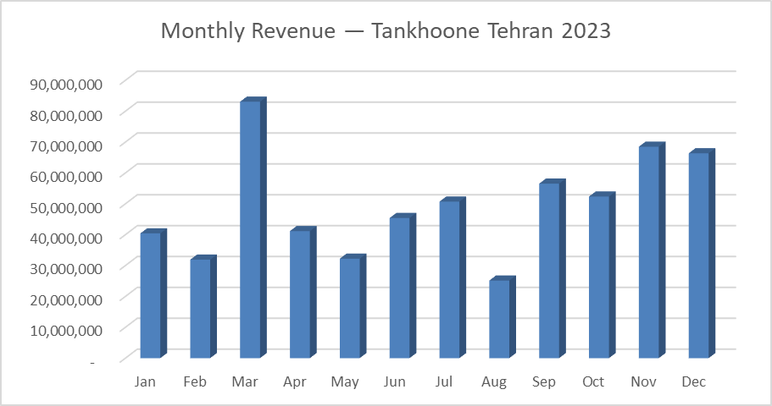
Monthly Sales Summary — Tankhoone Fashion Retail 2023
Row Labels | Sum of Revenue | Count of Order_ID | Sum of Qty
Jan | 40,415,250 | 65 | 138
Feb | 31,895,200 | 68 | 124
Mar | 83,066,250 | 164 | 302
Apr | 41,159,750 | 90 | 149
May | 32,219,750 | 75 | 125
Jun | 45,394,750 | 89 | 171
Jul | 50,704,600 | 111 | 189
Aug | 25,137,150 | 55 | 110
Sep | 56,522,300 | 109 | 218
Oct | 52,349,700 | 99 | 188
Nov | 68,497,050 | 119 | 239
Dec | 66,352,550 | 145 | 248
Grand Total | 593714300 | 1189 | 2201
Monthly Orders & Units Sold — Tankhoone Tehran 2023
March 2023 recorded peak revenue driven by Nowruz gifting demand. August was the slowest month, likely reflecting reduced fashion shopping during peak summer heat. Seasonal pattern suggests front-loading inventory in Q1.

Order volume and units sold mirror the revenue pattern, confirming March Nowruz spike is driven by genuine transaction volume — not just higher prices. August recorded the fewest orders and units sold across the year.

Sales by Categories
Sales by Categories

 |  |  | Co-ord Sets | 193,451,000.00
 |  |  | Sweatshirts | 110,068,750.00
 |  |  | Dresses | 76,313,750.00
Row Labels | Sum of Revenue | Sum of Qty | Knitwear | 53,918,500.00
Co-ord Sets | 193,451,000 | 466 | Outerwear | 49,078,750.00
Sweatshirts | 110,068,750 | 518 | Shirts | 28,173,300.00
Dresses | 76,313,750 | 251 | Knit Dresses | 25,104,000.00
Knitwear | 53,918,500 | 206 | Basics | 19,661,250.00
Outerwear | 49,078,750 | 129 | Skirts | 18,708,500.00
Shirts | 28,173,300 | 148 | Pyjamas | 11,001,000.00
Knit Dresses | 25,104,000 | 80 | Bottoms | 8,235,500.00
Revenue by Category (IRR) — 2023
Basics | 19,661,250 | 193
Skirts | 18,708,500 | 113
Pyjamas | 11,001,000 | 50
Bottoms | 8,235,500 | 47
Grand Total | 593,714,300 | 2,201

Co-ord Sets generated the highest revenue and highest unit volume (466 units) in 2023. As both the top revenue and top quantity category, it should be prioritized for stock protection, early reordering, and assortment expansion.
Bottoms recorded the lowest revenue and lowest unit volume (47 units) across all categories. This signals either weak customer demand or insufficient assortment depth. Recommend reviewing SKU count and pricing strategy before next buying cycle.
Revenue and quantity rankings are consistent across all categories — no category shows high revenue with low volume or vice versa. This suggests pricing is well calibrated across the assortment.

Sales by Channel
 | Sales by Channel

Sales by Channel
Row Labels | Sum of Revenue
Instagram DM | 233,673,800
in-store | 171,736,900
Website | 94,536,600
Telegram | 68,506,800
Grand Total | 568,454,100

Instagram DM dominates revenue, confirming social commerce as Tankhoone's primary channel. Investment in Instagram content and response time directly impacts revenue.

Top 10 SKUs by Revenue
 | Top 10 SKUs by Revenue

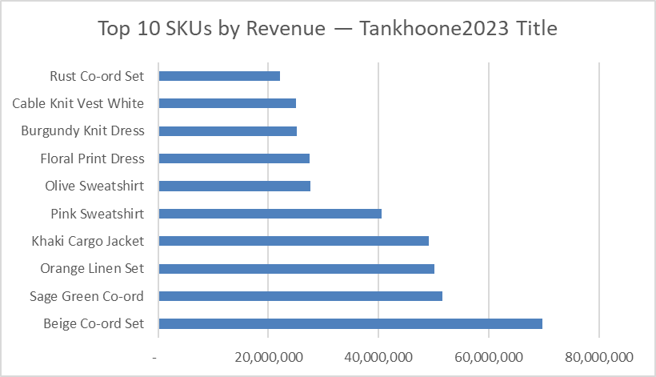
Row Labels | Sum of Revenue | Sum of Qty
Beige Co-ord Set | 69,678,000 | 172
Sage Green Co-ord | 51,621,500 | 124 | Beige Co-ord Set | 69,678,000.00
Orange Linen Set | 50,094,000 | 117 | Sage Green Co-ord | 51,621,500.00
Khaki Cargo Jacket | 49,078,750 | 129 | Orange Linen Set | 50,094,000.00
Pink Sweatshirt | 40,513,000 | 190 | Khaki Cargo Jacket | 49,078,750.00
Olive Sweatshirt | 27,563,000 | 132 | Pink Sweatshirt | 40,513,000.00
Floral Print Dress | 27,494,000 | 96 | Olive Sweatshirt | 27,563,000.00
Burgundy Knit Dress | 25,104,000 | 80 | Floral Print Dress | 27,494,000.00
Cable Knit Vest White | 25,012,000 | 98 | Burgundy Knit Dress | 25,104,000.00
Rust Co-ord Set | 22,057,500 | 53 | Cable Knit Vest White | 25,012,000.00
Grand Total | 388,215,750 | 1191 | Rust Co-ord Set | 22,057,500.00

Top 10 SKUs by Revenue (IRR) — 2023

he top 3 revenue SKUs are all Co-ord Sets, confirming category-level dominance is driven by specific hero products rather than a broad assortment. Beige Co-ord Set alone generated 69.6M IRR. These 3 SKUs should be treated as priority A-items for stock protection and reordering.

I found that revenue drops sharply after the top 4-5 SKUs, which signals concentration risk. I recommended prioritizing safety stock and reorder triggers for those hero products.

Financial Analysis
SKU_Code | Product_Name | Units_Received | Units_Sold | Sell_Through_Rate | Cost_Price | Selling_Price | Gross_Margin_Pct | Total_Revenue | Revenue_Rank | Cumulative_Revenue_Pct | ABC_Class | Gross_Margin_Dollar | Inventory_Investment | GMROI | GMROI_Class
PRD-001 | Beige Co-ord Set | 82 | 41 | 50% | 185000 | 420000 | 56% | 16,590,000.00 | 12 | 0.47 | A | 9,005,000.00 | 15170000 | 0.59 | C
PRD-002 | Beige Co-ord Set | 134 | 69 | 51% | 185000 | 420000 | 56% | 28,098,000.00 | 4 | 0.19 | A | 15,333,000.00 | 24790000 | 0.62 | C
PRD-003 | Beige Co-ord Set | 33 | 62 | 188% | 185000 | 420000 | 56% | 24,990,000.00 | 5 | 0.24 | A | 13,520,000.00 | 6105000 | 2.21 | A
PRD-004 | Pink Sweatshirt | 39 | 63 | 162% | 95000 | 220000 | 57% | 13,585,000.00 | 19 | 0.64 | A | 7,600,000.00 | 3705000 | 2.05 | A |  | Revenue ABC | GMROI Class
PRD-005 | Pink Sweatshirt | 51 | 68 | 133% | 95000 | 220000 | 57% | 14,256,000.00 | 16 | 0.57 | A | 7,796,000.00 | 4845000 | 1.61 | B | Class A | 20 | 5
PRD-006 | Pink Sweatshirt | 146 | 59 | 40% | 95000 | 220000 | 57% | 12,672,000.00 | 22 | 0.71 | B | 7,067,000.00 | 13870000 | 0.51 | C | Class B | 12 | 13
PRD-007 | Olive Sweatshirt | 135 | 58 | 43% | 95000 | 215000 | 56% | 12,018,500.00 | 24 | 0.75 | B | 6,508,500.00 | 12825000 | 0.51 | C | Class C | 8 | 22
PRD-008 | Olive Sweatshirt | 119 | 74 | 62% | 95000 | 215000 | 56% | 15,544,500.00 | 14 | 0.52 | A | 8,514,500.00 | 11305000 | 0.75 | C
ABC vs GMROI Classification — 40 SKUs
PRD-009 | Red Sweatshirt | 58 | 71 | 122% | 95000 | 210000 | 55% | 14,374,500.00 | 15 | 0.55 | A | 7,629,500.00 | 5510000 | 1.38 | B
PRD-010 | Blue Sweatshirt | 95 | 40 | 42% | 95000 | 210000 | 55% | 8,242,500.00 | 36 | 0.95 | C | 4,442,500.00 | 9025000 | 0.49 | C
PRD-011 | Burgundy Knit Dress | 92 | 38 | 41% | 140000 | 320000 | 56% | 11,920,000.00 | 26 | 0.79 | B | 6,600,000.00 | 12880000 | 0.51 | C
PRD-012 | Burgundy Knit Dress | 139 | 42 | 30% | 140000 | 320000 | 56% | 13,184,000.00 | 21 | 0.69 | A | 7,304,000.00 | 19460000 | 0.38 | C
PRD-013 | Brown Turtleneck Knit | 46 | 61 | 133% | 120000 | 280000 | 57% | 16,478,000.00 | 13 | 0.50 | A | 9,158,000.00 | 5520000 | 1.66 | B
PRD-014 | Cable Knit Vest White | 62 | 55 | 89% | 110000 | 260000 | 58% | 13,897,000.00 | 18 | 0.62 | A | 7,847,000.00 | 6820000 | 1.15 | B
PRD-015 | Cable Knit Vest White | 37 | 43 | 116% | 110000 | 260000 | 58% | 11,115,000.00 | 27 | 0.81 | B | 6,385,000.00 | 4070000 | 1.57 | B
PRD-016 | Grey Hoodie | 38 | 39 | 103% | 105000 | 235000 | 55% | 8,988,750.00 | 33 | 0.91 | C | 4,893,750.00 | 3990000 | 1.23 | B
PRD-017 | Grey Hoodie | 139 | 46 | 33% | 105000 | 235000 | 55% | 10,387,000.00 | 29 | 0.85 | B | 5,557,000.00 | 14595000 | 0.38 | C
PRD-018 | White Linen Shirt | 129 | 46 | 36% | 85000 | 195000 | 56% | 8,443,500.00 | 34 | 0.92 | C | 4,533,500.00 | 10965000 | 0.41 | C
PRD-019 | White Linen Shirt | 66 | 54 | 82% | 85000 | 195000 | 56% | 10,354,500.00 | 30 | 0.86 | B | 5,764,500.00 | 5610000 | 1.03 | B
PRD-020 | Striped Shirt | 66 | 48 | 73% | 88000 | 198000 | 56% | 9,375,300.00 | 32 | 0.90 | B | 5,151,300.00 | 5808000 | 0.89 | C
PRD-021 | Sage Green Co-ord | 105 | 69 | 66% | 190000 | 430000 | 56% | 28,831,500.00 | 2 | 0.10 | A | 15,721,500.00 | 19950000 | 0.79 | C
PRD-022 | Sage Green Co-ord | 32 | 55 | 172% | 190000 | 430000 | 56% | 22,790,000.00 | 6 | 0.28 | A | 12,340,000.00 | 6080000 | 2.03 | A
PRD-023 | Orange Linen Set | 32 | 47 | 147% | 195000 | 440000 | 56% | 19,536,000.00 | 9 | 0.38 | A | 10,371,000.00 | 6240000 | 1.66 | B
PRD-024 | Orange Linen Set | 34 | 70 | 206% | 195000 | 440000 | 56% | 30,558,000.00 | 1 | 0.05 | A | 16,908,000.00 | 6630000 | 2.55 | A
PRD-025 | Green Maxi Skirt | 86 | 62 | 72% | 75000 | 170000 | 56% | 10,268,000.00 | 31 | 0.88 | B | 5,618,000.00 | 6450000 | 0.87 | C
PRD-026 | Green Maxi Skirt | 75 | 51 | 68% | 75000 | 170000 | 56% | 8,440,500.00 | 35 | 0.94 | C | 4,615,500.00 | 5625000 | 0.82 | C
PRD-027 | Floral Print Dress | 36 | 49 | 136% | 130000 | 295000 | 56% | 14,056,750.00 | 17 | 0.60 | A | 7,686,750.00 | 4680000 | 1.64 | B
PRD-028 | Floral Print Dress | 64 | 47 | 73% | 130000 | 295000 | 56% | 13,437,250.00 | 20 | 0.67 | A | 7,327,250.00 | 8320000 | 0.88 | C
PRD-029 | Black Abaya Dress | 30 | 59 | 197% | 145000 | 330000 | 56% | 18,892,500.00 | 10 | 0.41 | A | 10,337,500.00 | 4350000 | 2.38 | A
PRD-030 | Magenta Abaya Dress | 81 | 55 | 68% | 145000 | 335000 | 57% | 17,956,000.00 | 11 | 0.44 | A | 9,981,000.00 | 11745000 | 0.85 | C
PRD-031 | Khaki Cargo Jacket | 118 | 74 | 63% | 175000 | 395000 | 56% | 28,183,250.00 | 3 | 0.15 | A | 15,233,250.00 | 20650000 | 0.74 | C
PRD-032 | Khaki Cargo Jacket | 43 | 55 | 128% | 175000 | 395000 | 56% | 20,895,500.00 | 8 | 0.35 | A | 11,270,500.00 | 7525000 | 1.5 | B
PRD-033 | Beige Knit Cardigan | 102 | 47 | 46% | 130000 | 265000 | 51% | 12,428,500.00 | 23 | 0.73 | B | 6,318,500.00 | 13260000 | 0.48 | C
PRD-034 | Pyjama Set Printed | 74 | 50 | 68% | 100000 | 228000 | 56% | 11,001,000.00 | 28 | 0.83 | B | 6,001,000.00 | 7400000 | 0.81 | C
PRD-035 | White Basic Tee | 147 | 64 | 44% | 45000 | 105000 | 57% | 6,462,750.00 | 39 | 0.99 | C | 3,582,750.00 | 6615000 | 0.54 | C
PRD-036 | White Basic Tee | 72 | 58 | 81% | 45000 | 105000 | 57% | 5,916,750.00 | 40 | 1.00 | C | 3,306,750.00 | 3240000 | 1.02 | B
PRD-037 | White Basic Tee | 126 | 71 | 56% | 45000 | 105000 | 57% | 7,281,750.00 | 38 | 0.98 | C | 4,086,750.00 | 5670000 | 0.72 | C
GMROI reveals capital inefficiency hidden by revenue-based classification — 22 SKUs underperform when inventory investment is considered.
PRD-038 | Grey Maxi Dress | 32 | 41 | 128% | 135000 | 305000 | 56% | 11,971,250.00 | 25 | 0.77 | B | 6,436,250.00 | 4320000 | 1.49 | B
PRD-039 | Rust Co-ord Set | 103 | 53 | 51% | 195000 | 425000 | 54% | 22,057,500.00 | 7 | 0.31 | A | 11,722,500.00 | 20085000 | 0.58 | C
PRD-040 | Navy Wide Leg Pants | 37 | 47 | 127% | 80000 | 182000 | 56% | 8,235,500.00 | 37 | 0.97 | C | 4,475,500.00 | 2960000 | 1.51 | B

Dashboard - Operations
Tankhoone Fashion Retail — Operations & Inventory Dashboard
Tehran 2023 | Inventory Health | Reorder Alerts | SKU Action Plan
Report Date: | 2026-03-18

 | SKUs Reorder Now |  | Dead Weight SKUs |  | Star SKUs |  | SKUs at Spike Danger |  | Avg Days of Supply
 | 6 |  | 14 |  | 11 |  | 6 |  | 12
⚠ Avg Days of Supply (12 days) is below Lead Time (14 days) — replenishment gap exists across the assortment. Immediate reorder review required for all flagged SKUs.

🚨 Reorder Now — 6 SKUs Require Immediate Action
SKU_Code | Product_Name | Units_On_Hand | ROP | Days_of_Supply | Stock_Status
PRD-001 | Beige Co-ord Set | 3 | 3 | 8 | Reorder Now
PRD-003 | Beige Co-ord Set | 4 | 4 | 10 | Reorder Now
PRD-009 | Red Sweatshirt | 2 | 4 | 7 | Reorder Now
PRD-015 | Cable Knit Vest White | 3 | 3 | 11 | Reorder Now
PRD-030 | Magenta Abaya Dress | 5 | 5 | 19 | Reorder Now
PRD-038 | Grey Maxi Dress | 3 | 3 | 10 | Reorder Now
 |  |  |  |  |  | ⚠ Demand Spike Risk — 25% Scenario
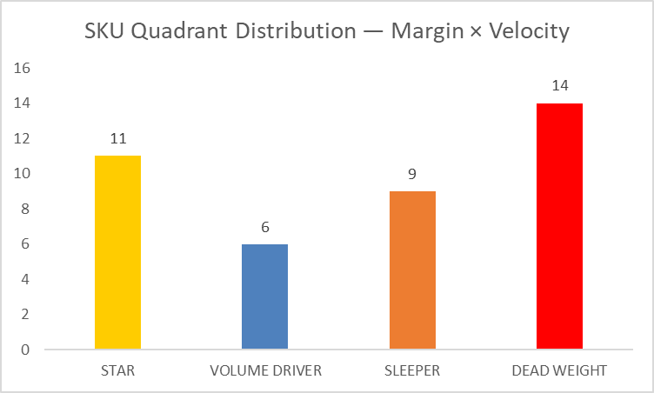
 |  |  |  |  |  | SKU_Code | Units_On_Hand | ROP_25% | Stockout_25%
 |  |  |  |  |  | PRD-001 | 3 | 6 | Danger
 |  |  |  |  |  | PRD-003 | 4 | 8 | Danger
 |  |  |  |  |  | PRD-009 | 2 | 9 | Danger
 |  |  |  |  |  | PRD-015 | 3 | 6 | Danger
 |  |  |  |  |  | PRD-030 | 5 | 9 | Danger
 |  |  |  |  |  | PRD-038 | 3 | 6 | Danger

⭐ STAR — Protect & invest
🔄 VOLUME DRIVER — Monitor margin
💤 SLEEPER — Investigate
☠️ DEAD WEIGHT — Markdown or exit

Dashboard - Performance
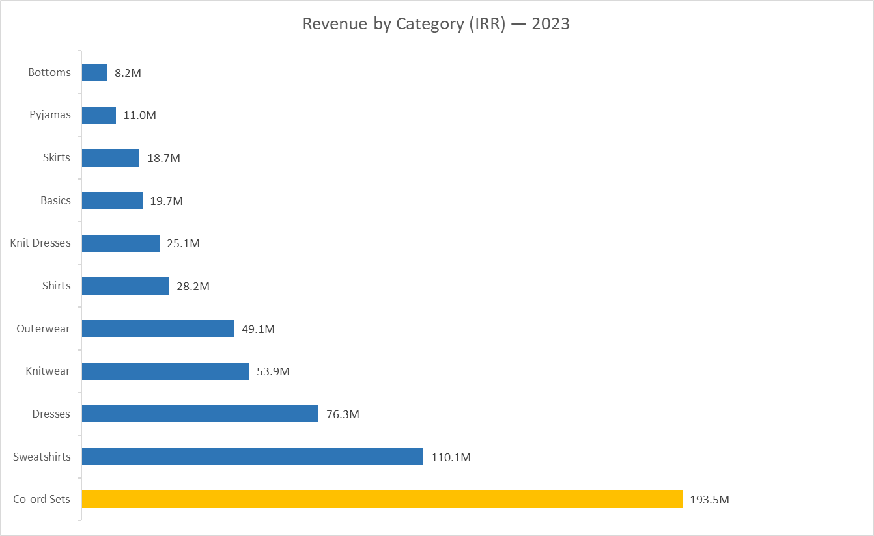
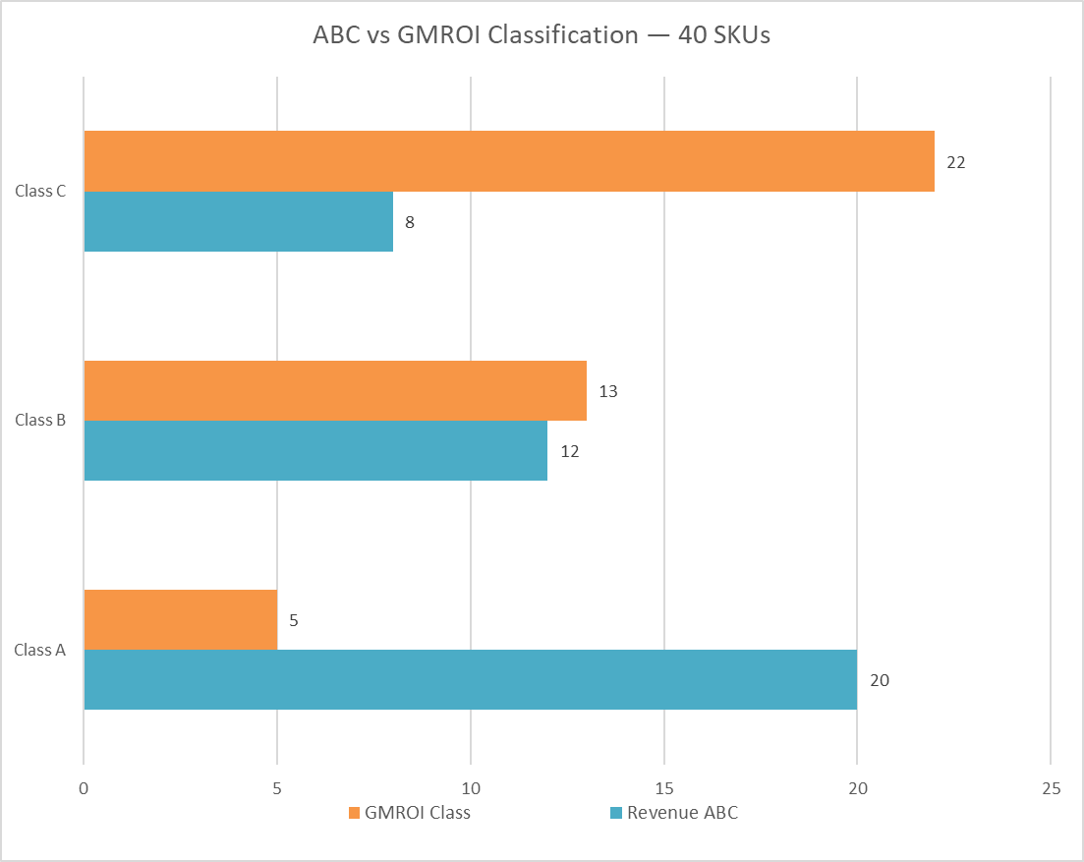
Tankhoone Fashion Retail — Business Performance Dashboard
Tehran 2023 | 40 SKUs | ~1,215 Transactions | Analysis by Hamed
Report Date: | 2026-03-18

 | Total Revenue (IRR) | Avg Gross Margin | Total SKUs | Class A SKUs | Avg Sell-Through
 | IRR 593,714,300.00 | 56% | 40 | 20 | 91%

