Students
Roll No | Name | Reg. No. | ID photo | Class | Year | School | Faculty
1234S | John Doe | 123456 | 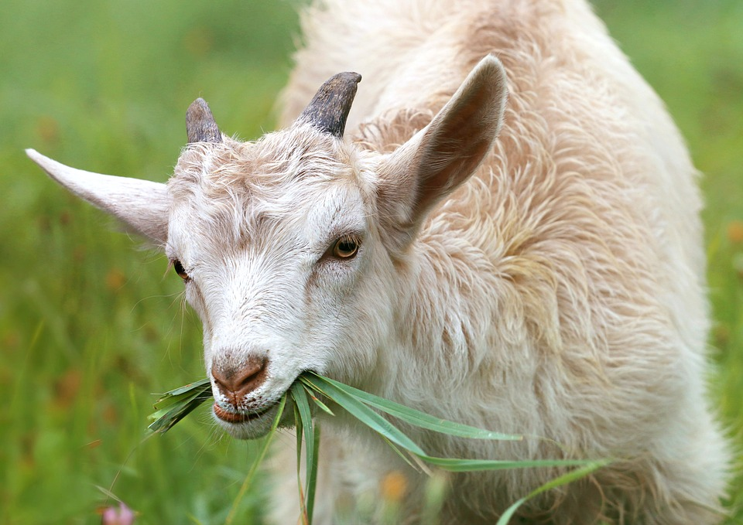 | Undergraduate | 2025 | Shree Shakuna Acadamy | BSc
1236H | Michal Doe | 123458 | 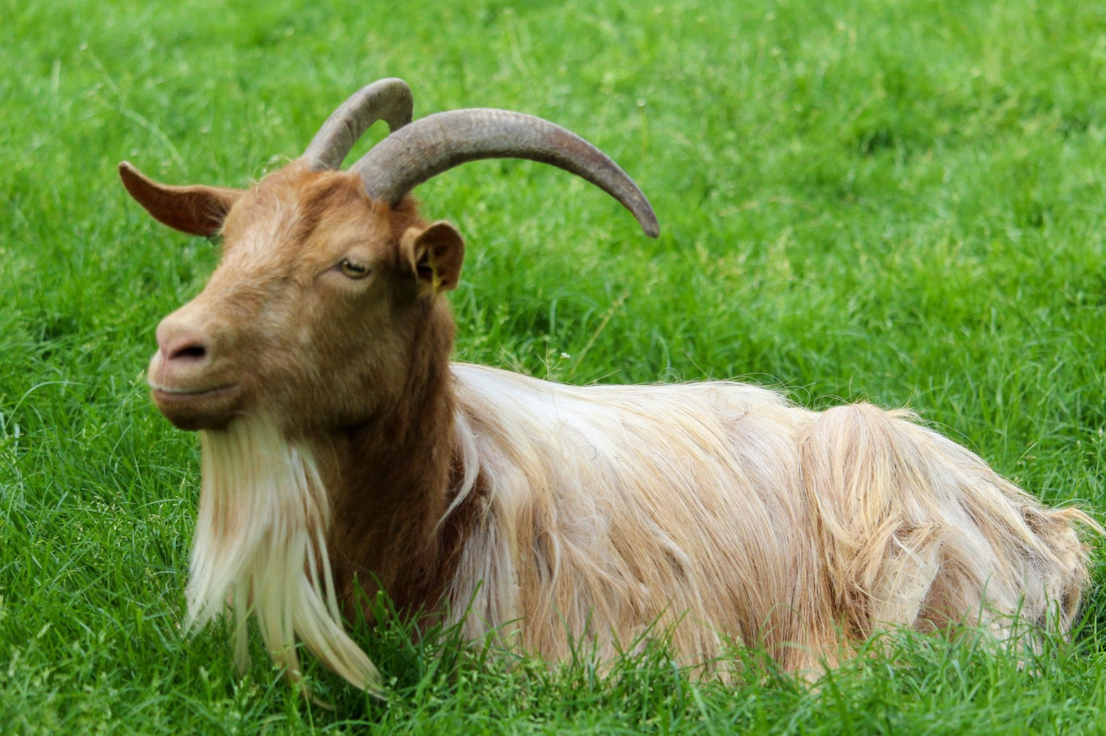 | Undergraduate | 2025 | Shree Shakuna Acadamy | BBA

