Cycle Number
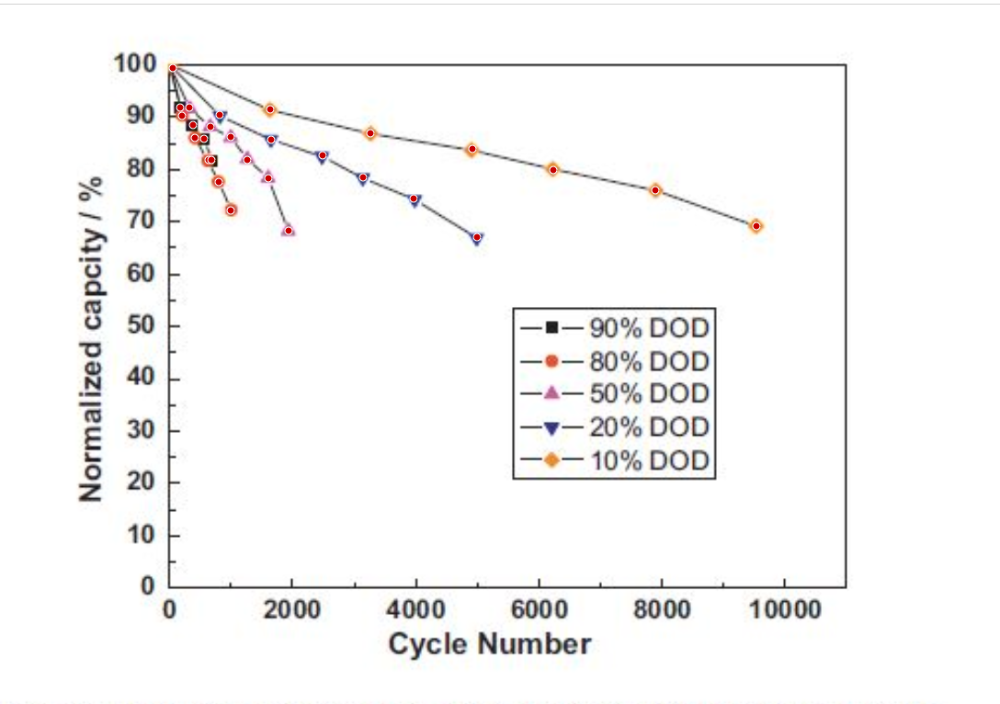
10% DOD |  | 20% DOD |  | 50% DOD |  | 80% DOD |  | 90% DOD
Cycle Number | Normalized Capacity/% | Cycle Number | Normalized Capacity/% | Cycle Number | Normalized Capacity/% | Cycle Number | Normalized Capacity/% | Cycle Number | Normalized Capacity/%
0 | 100 | 0 | 100 | 0 | 100 | 0 | 100 | 0 | 100
1638.7337058 | 91.403508772 | 819.36685289 | 90.350877193 | 327.74674115 | 91.754385965 | 208.56610801 | 90.175438596 | 178.77094972 | 91.754385965
3262.5698324 | 86.842105263 | 1653.6312849 | 85.614035088 | 670.39106145 | 88.070175439 | 417.13221601 | 85.964912281 | 387.33705773 | 88.421052632
4916.2011173 | 83.859649123 | 2487.8957169 | 82.631578947 | 998.13780261 | 86.140350877 | 640.59590317 | 81.754385965 | 566.10800745 | 85.789473684
6227.1880819 | 79.824561404 | 3143.3891993 | 78.421052632 | 1266.2942272 | 81.754385965 | 804.46927374 | 77.543859649 | 685.2886406 | 81.754385965
7880.8193669 | 75.964912281 | 3962.7560521 | 74.385964912 | 1608.9385475 | 78.245614035 | 998.13780261 | 72.105263158
9519.5530726 | 69.122807018 | 4990.689013 | 67.01754386 | 1936.6852886 | 68.245614035

Days
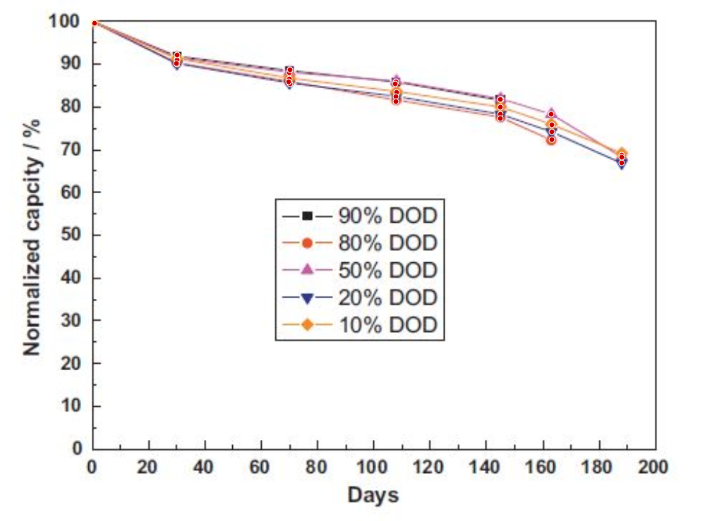
10% DOD |  | 20% DOD |  | 50% DOD |  | 80% DOD |  | 90% DOD
Days | Normalized Capacity/% | Days | Normalized Capacity/% | Days | Normalized Capacity/% | Days | Normalized Capacity/% | Days | Normalized Capacity/%
0 | 100 | 0 | 100 | 0 | 100 | 0 | 100 | 0 | 100
29.796557121 | 91.19039134 | 29.796557121 | 90.035275828 | 29.796557121 | 91.025374838 | 29.546165884 | 90.200550571 | 29.796557121 | 92.18049035
69.608763693 | 86.528868849 | 69.85915493 | 85.373495096 | 69.608763693 | 88.014017364 | 69.358372457 | 85.869061085 | 69.85915493 | 88.673825129
107.66823161 | 83.354302566 | 107.41784038 | 82.364461798 | 107.41784038 | 85.829808333 | 107.41784038 | 81.209346287 | 107.16744914 | 85.33501707
144.47574335 | 79.850994489 | 144.47574335 | 78.200829473 | 144.72613459 | 81.665917765 | 144.47574335 | 77.210730463 | 144.47574335 | 81.666176007
162.7543036 | 75.706730297 | 162.7543036 | 74.056565281 | 162.50391236 | 78.182236064 | 162.7543036 | 72.241383763
187.54303599 | 68.58545479 | 187.54303599 | 66.770273271 | 187.54303599 | 68.090405285

